TEM_top
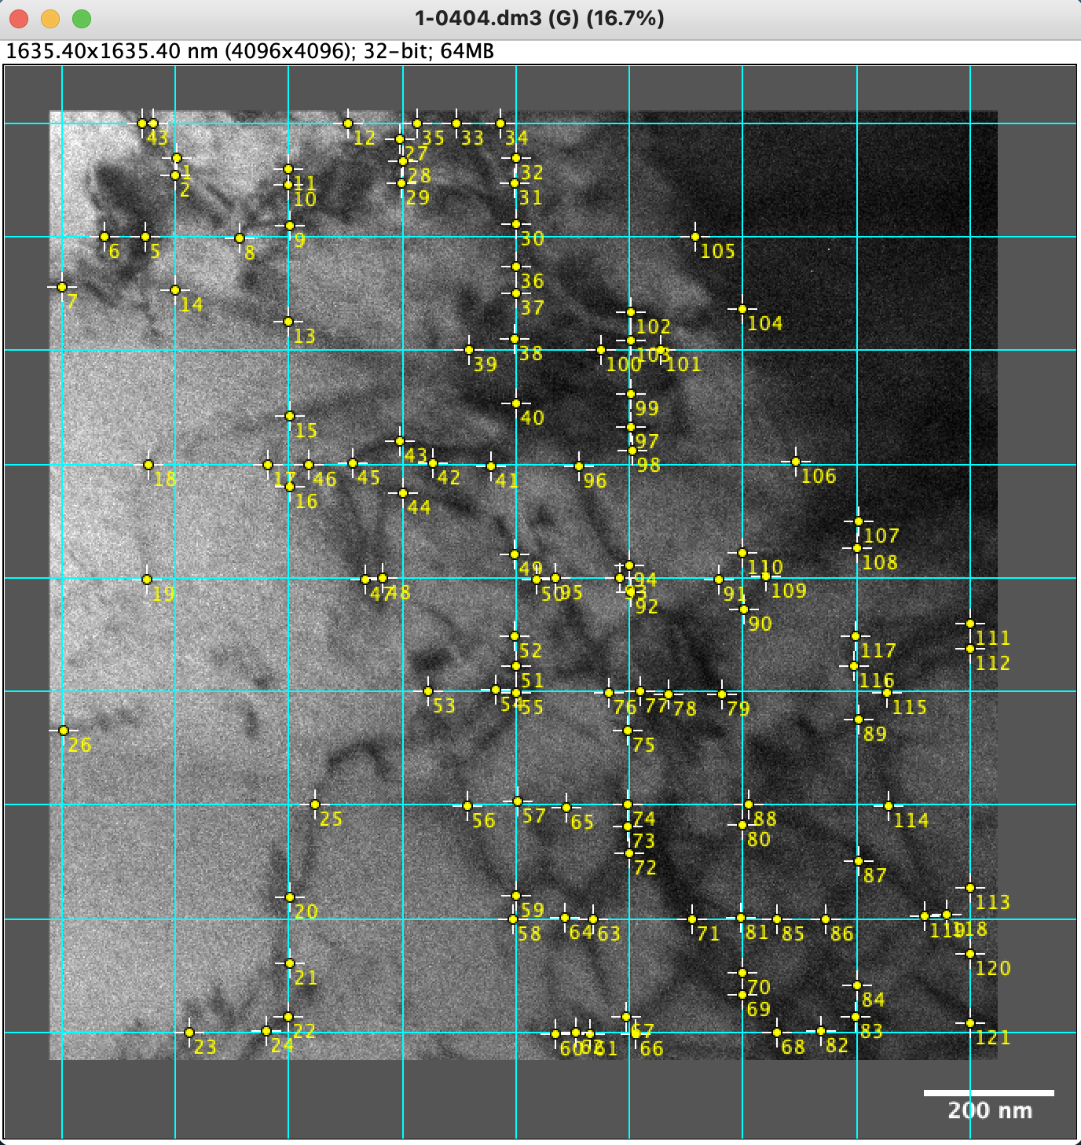
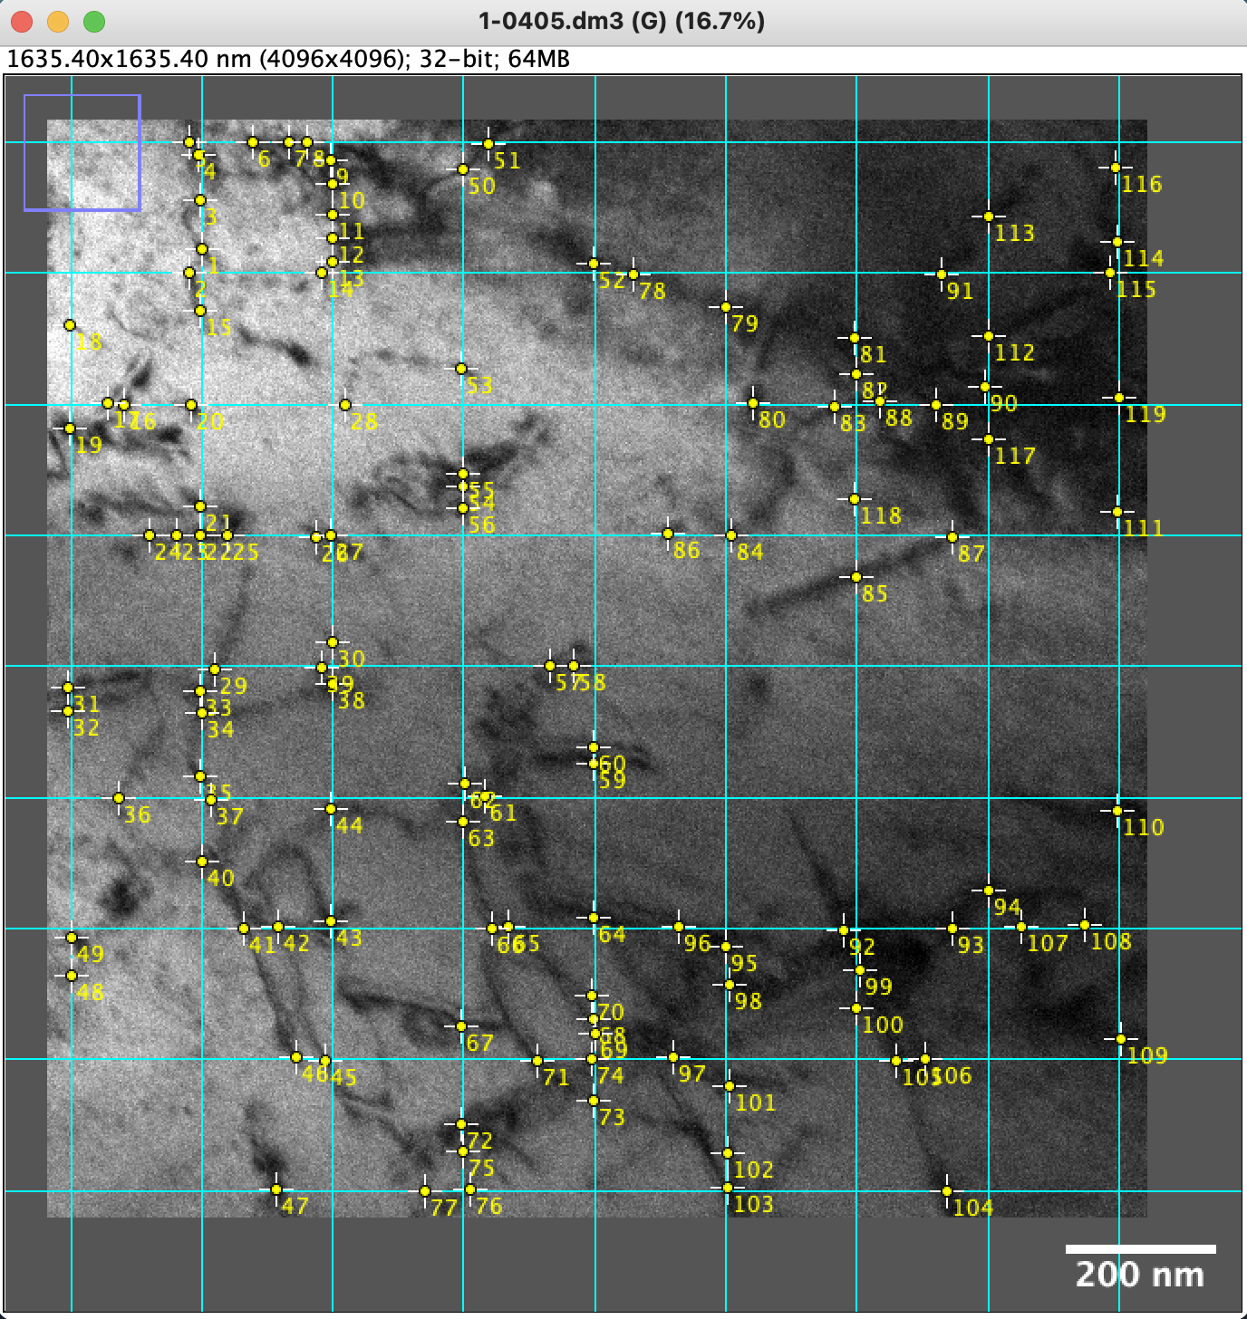
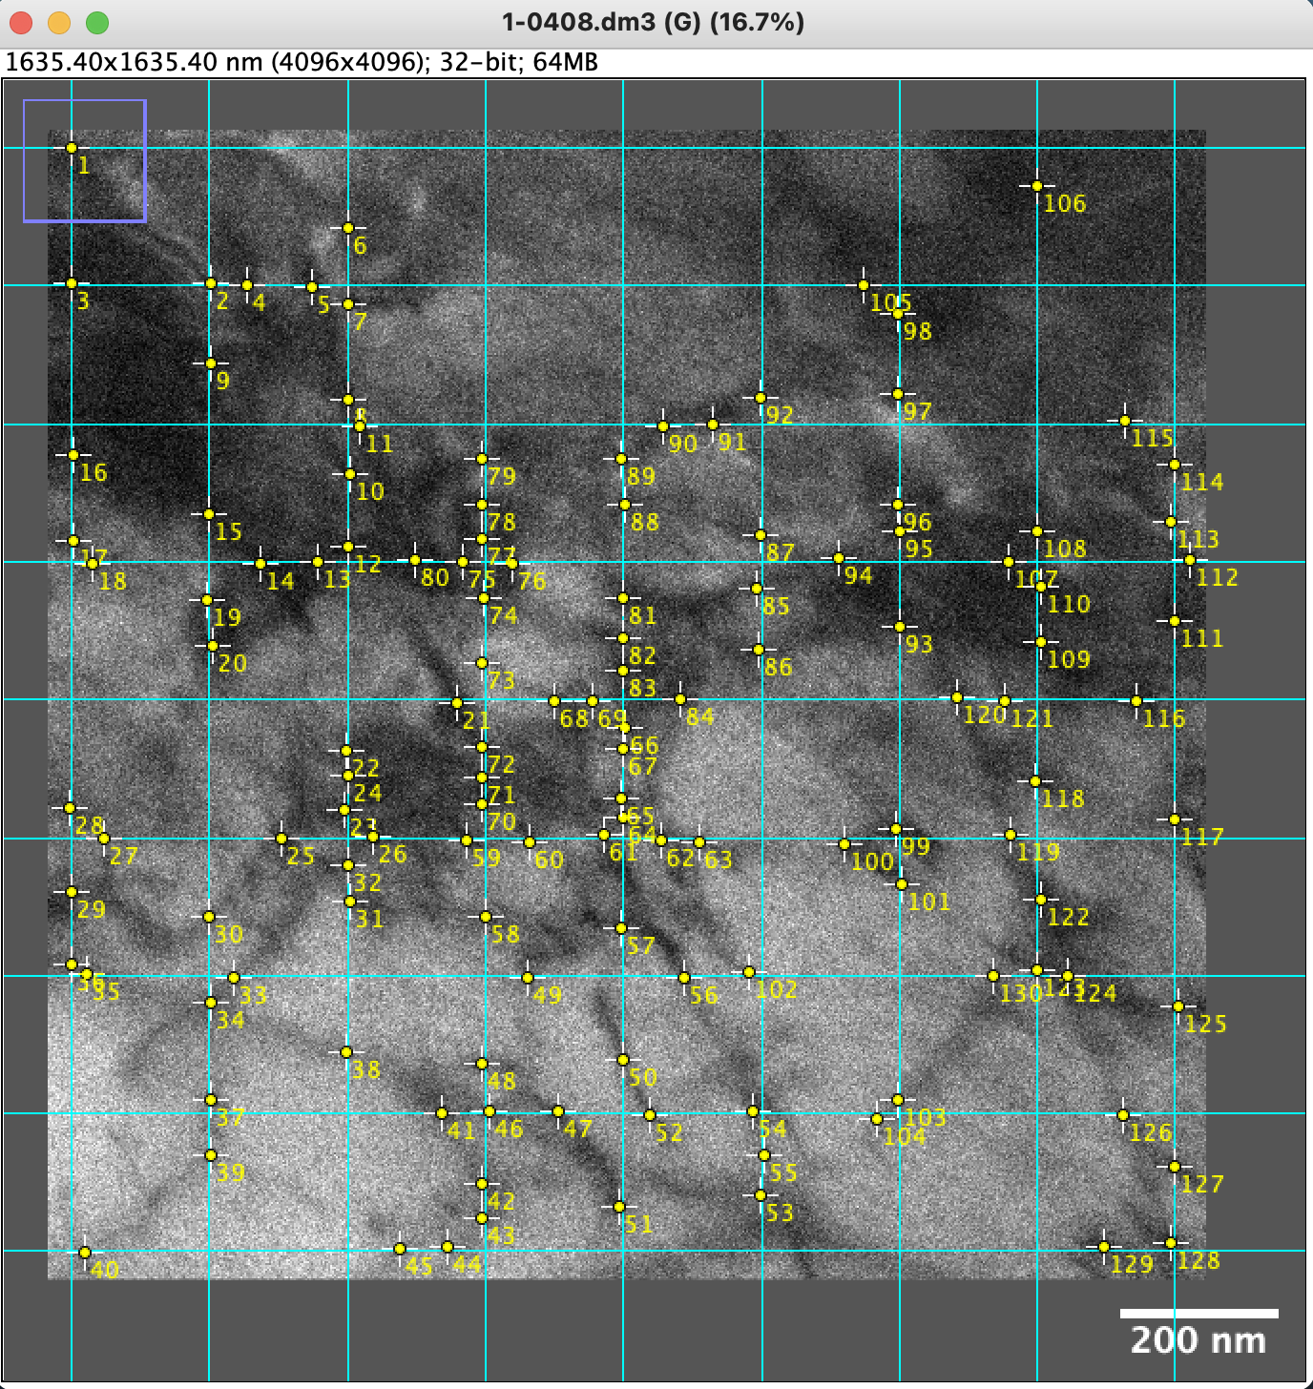
TEM DISLOCATION DENSITY — TOP SPECIMEN (Ham's intercept ρ = 2N / (L · t))
MEASUREMENT PARAMETERS

Foil thickness t | 200 | nm | 2.0000E-07 | m

Frame ID | Region | Number of grid lines per width | Number of grid lines per height | Width, nm | Height, nm | L (m) | N intersections | ρ (m⁻²) | Note
1-0407 | Region1 | 7 | 10 | 2699.00 | 1799.00 | 3.6883E-05 | 154 | 4.1754E+13 | z.a = [112]
1-0404 | Region1 | 9 | 9 | 1385.46 | 1385.46 | 2.4938E-05 | 121 | 4.8520E+13
1-0405 | Region1 | 9 | 9 | 1385.46 | 1385.46 | 2.4938E-05 | 119 | 4.7718E+13
1-0408 | Region1 | 9 | 9 | 1385.46 | 1385.46 | 2.4938E-05 | 130 | 5.2129E+13

AVERAGE (all frames) |  | 4.75E+13
STDEV (sample, n−1) |  | 4.30E+12

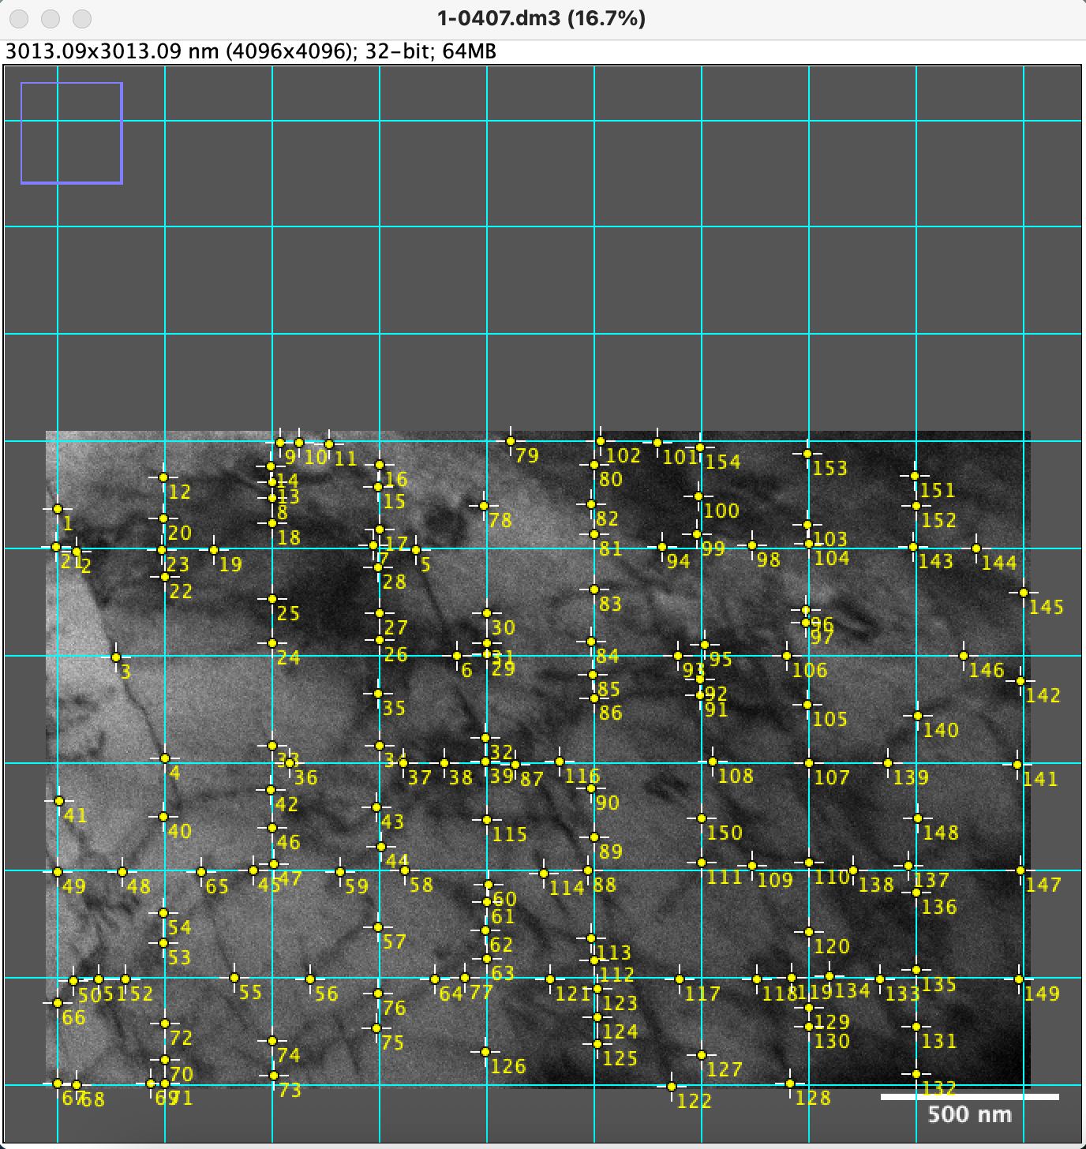
 | 1-0407 |  | 1-0404 |  |  | 1-0405 |  |  | 1-0408

TEM_bottom
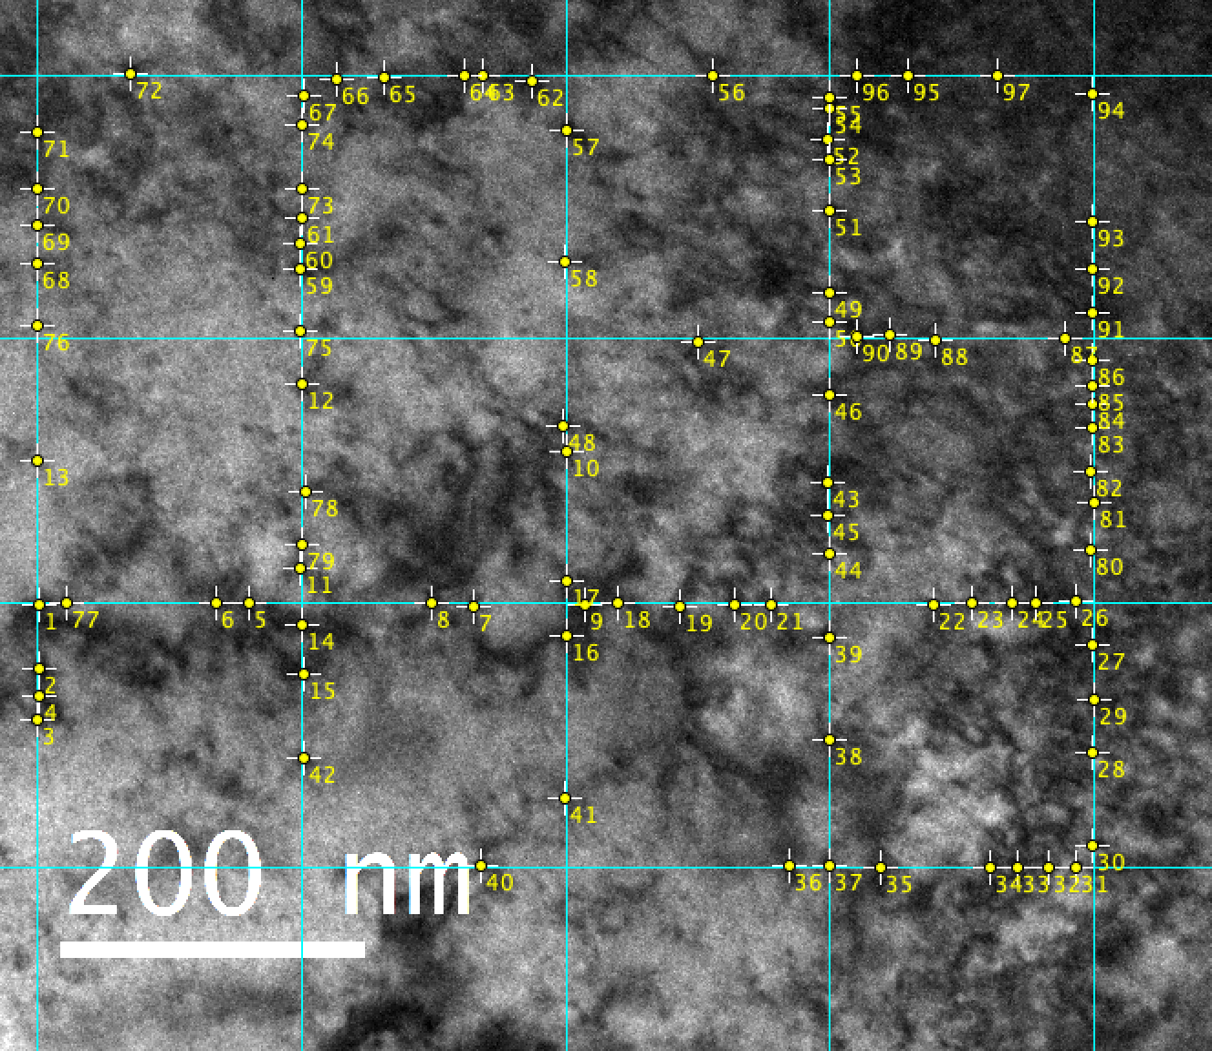
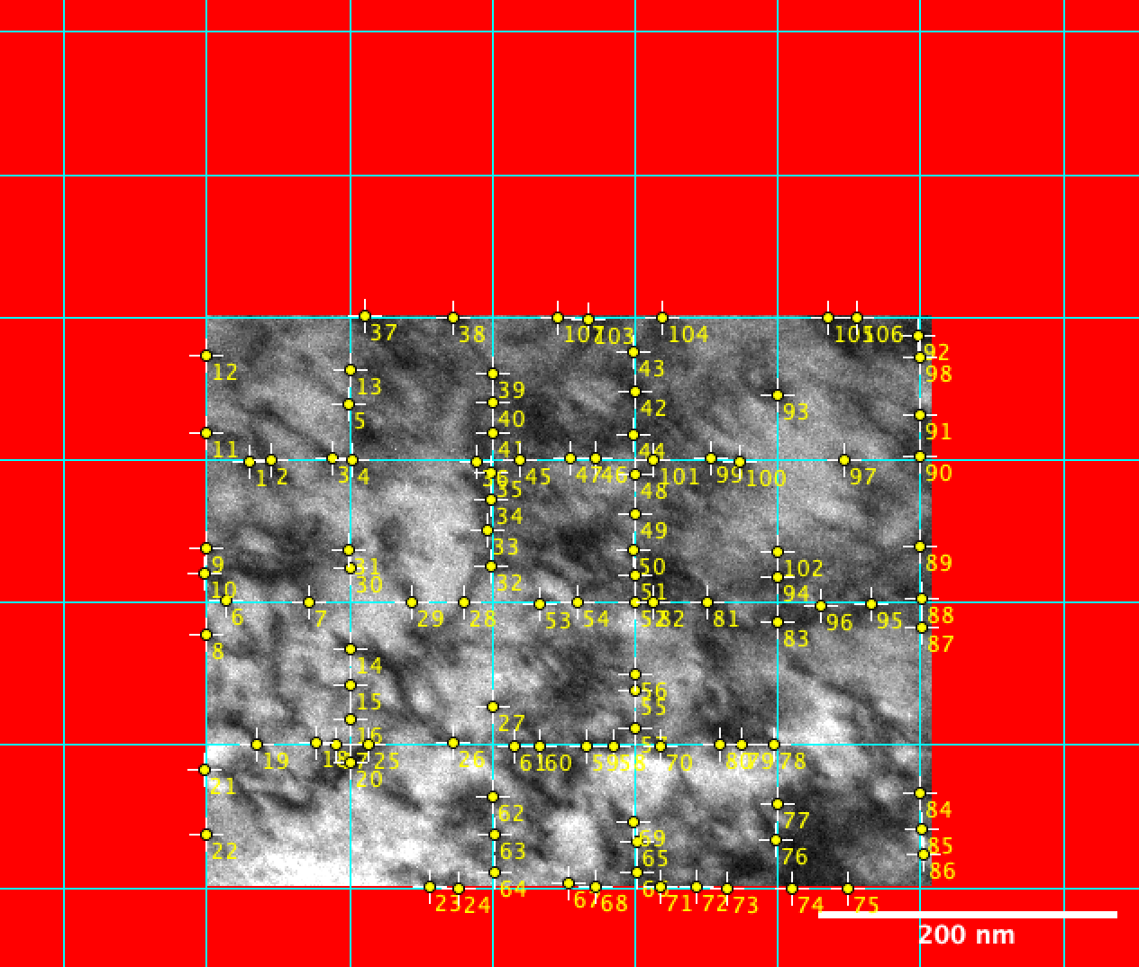
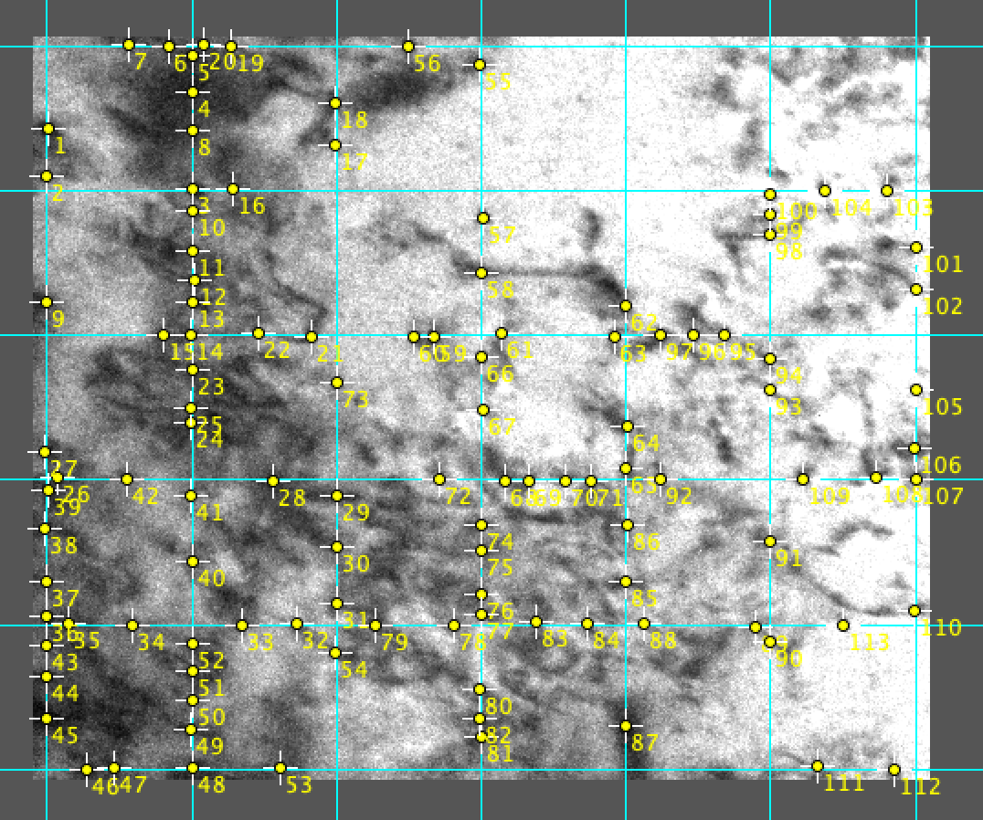
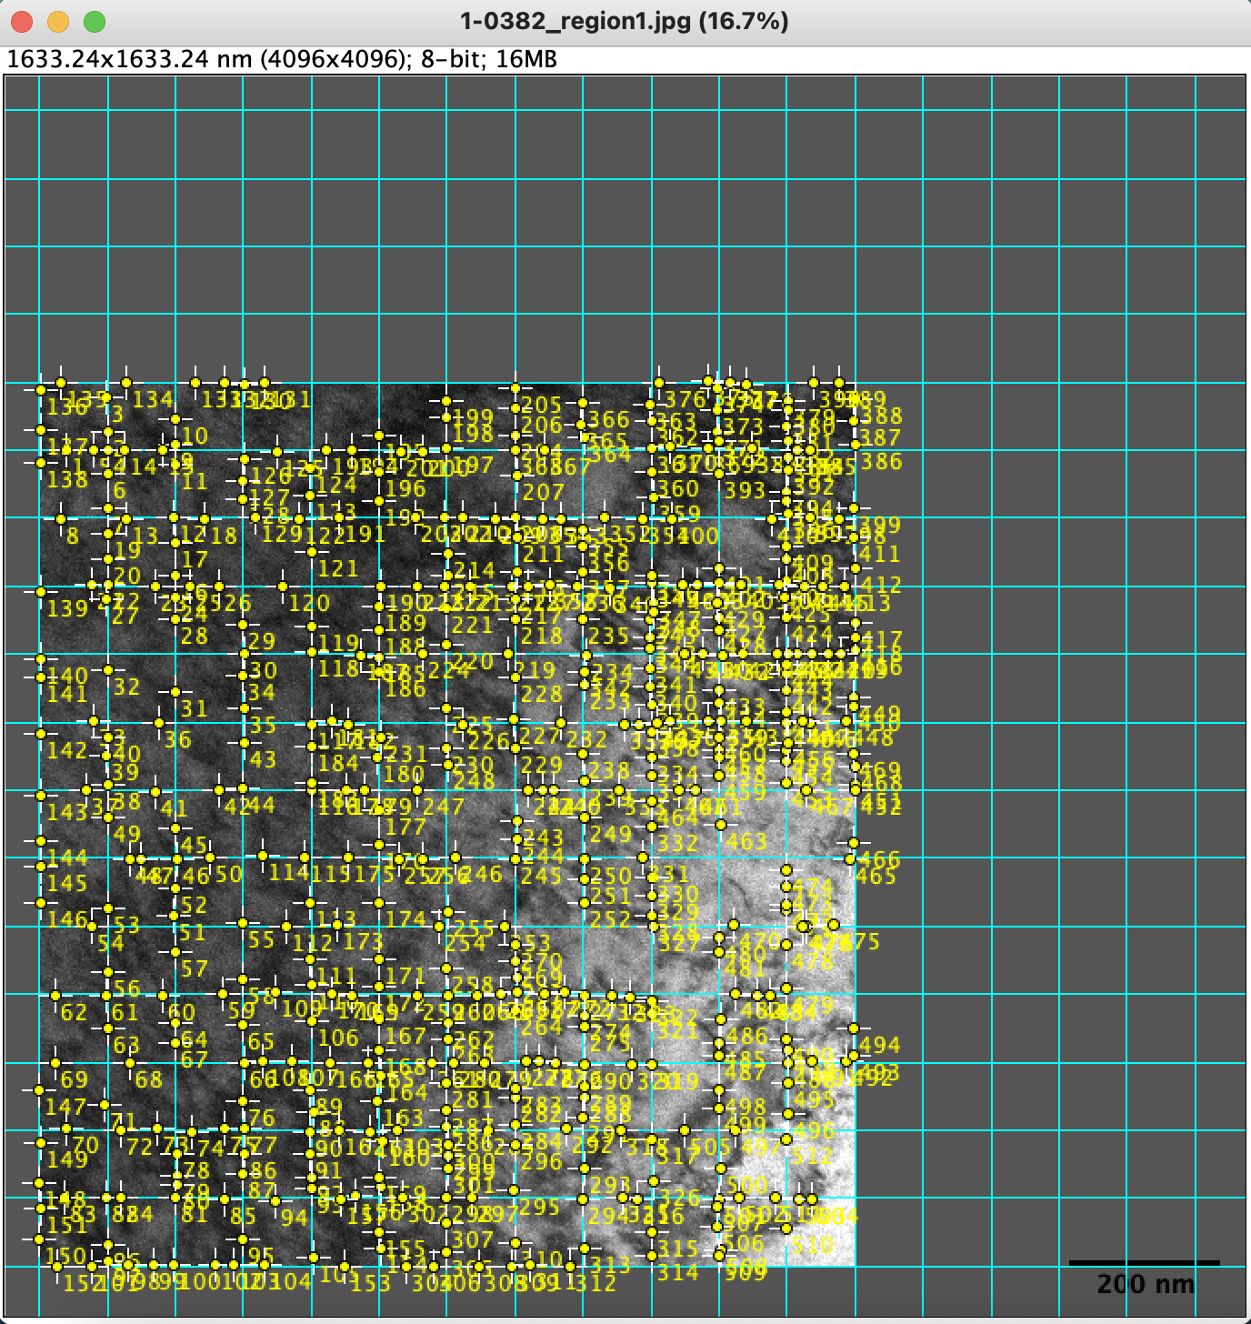
TEM DISLOCATION DENSITY — BOTTOM SPECIMEN (multi-method)
SHARED MEASUREMENT PARAMETERS
Foil thickness t | 200 | nm | 2.0000E-07 | m
Frame ID | Region | Number of grid lines per width | Number of grid lines per height | Width | Height, nm | L (m) | N intersections | ρ (m⁻²) | Note | Note2
1-0383_region1.png | Region-1 | 5 | 4.00 | 519.79 | 694.65 | 5.3776E-06 | 97 | 1.8038E+14 | The selected area is a rectangle | z.a. = [112]
1-0383_region2.png | Region-2 | 5 | 6.00 | 380.86 | 474.28 | 4.7500E-06 | 107 | 2.2526E+14
1-0383_region3.jpg | Region-3 | 7 | 7 | 567 | 567 | 3.9690E-06 | 112 | 2.8219E+14
1-0382-region1.jpg | Region-1 | 13 | 14.00 | 1073.23 | 1162.79 | 3.0231E-05 | 512 | 1.6936E+14

Average ρ_visible |  |  |  | 2.14E+14 | m⁻²
Standard deviation |  |  |  | 5.13E+13 | m⁻²

 | 1-0383_region1.png |  |  | 1-0383_region2.png |  |  |  |  | 1-0383_region3.png |  | 1-0382-region1.jpg

