Pendulum Points
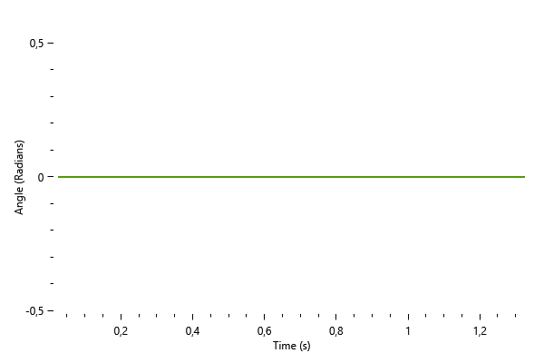
Time | Angle
0.026 | 0
0.052 | 0
0.078 | 0
0.104 | 0
0.13 | 0
0.156 | 0
0.182 | 0
0.208 | 0
0.234 | 0
0.26 | 0
0.286 | 0
0.312 | 0
0.338 | 0
0.364 | 0
0.39 | 0
0.416 | 0
0.442 | 0
0.468 | 0
0.494 | 0
0.52 | 0
0.546 | 0
0.572 | 0
0.598 | 0
0.624 | 0
0.65 | 0
0.676 | 0
0.702 | 0
0.728 | 0
0.754 | 0
0.78 | 0
0.806 | 0
0.832 | 0
0.858 | 0
0.884 | 0
0.91 | 0
0.936 | 0
0.962 | 0
0.988 | 0
1.014 | 0
1.04 | 0
1.066 | 0
1.092 | 0
1.118 | 0
1.144 | 0
1.17 | 0
1.196 | 0
1.222 | 0
1.248 | 0
1.274 | 0
1.3 | 0
1.326 | 0

