Sheet1
 |  |  |  |  |  |  |  | Business Model

 |  |  |  |  | Please note the prices stated below are per approximate basis and may not indicate the exact number

Business Expenditures

 |  |  |  |  |  |  |  |  | Revenue Model |  |  |  |  | Target Audience Distribution

 |  |  |  |  |  |  |  |  |  |  |  |  |  | Target Audience | Scalability Potential
 |  |  |  |  |  |  |  |  | Revenue Stream | Price (₹) | Units | Revenue |  | Retail Investors / Beginners | 60%
 | CAPEX (Capital Expenditure) |  |  |  | OPEX (Operational Expenditure) |  |  |  | Paying Users | 199 | 100 | 19900 |  | Professional Traders | 25%
 |  |  |  |  |  |  |  |  | Ads / Promotions in App | 5000 | 4 | 20000 |  | Institutional Investors | 15%

Target Audience Distribution (Approximate numbers)
 | Item | Quantity | Unit Cost (₹) | Total (₹) | Item | Monthly Cost (₹) | Annual Cost (₹) |  | Total |  |  | 39900
 | Laptop/PC | 4 | 50,000 | 400,000 | Cloud Server (AWS/Firebase) | 2,000 | 24,000
 | Software Licenses | – | 20,000 | 20,000 | Maintenance & Updates | 3,000 | 36,000
 | Initial Server Setup | – | 15,000 | 15,000 | Customer Support / Staff | 10,000 | 120,000
 | Domain & Hosting (1 yr) | – | 5,000 | 5,000 | Marketing | 5,000 | 60,000
 | Total CAPEX |  |  | 440,000 | Total OPEX | 20,000 | 240,000

Capex expenditure graph

 |  |  |  |  |  |  |  |  |  |  |  |  |  |  |  | Competitor analysis
 |  |  |  |  |  |  |  |  | Profit & Loss Table
 |  |  |  |  |  |  |  |  |  |  |  |  | 7 P's Marketing
 |  |  |  |  |  |  |  |  |  |  |  |  |  |  |  | Name | Webpage | Market Share (AUM) | AUM=Assets Under Management
 |  |  |  |  |  |  |  |  |  |  |  |  |  |  |  | Nippon India | https://coinstats.app/ | 3.46 billion
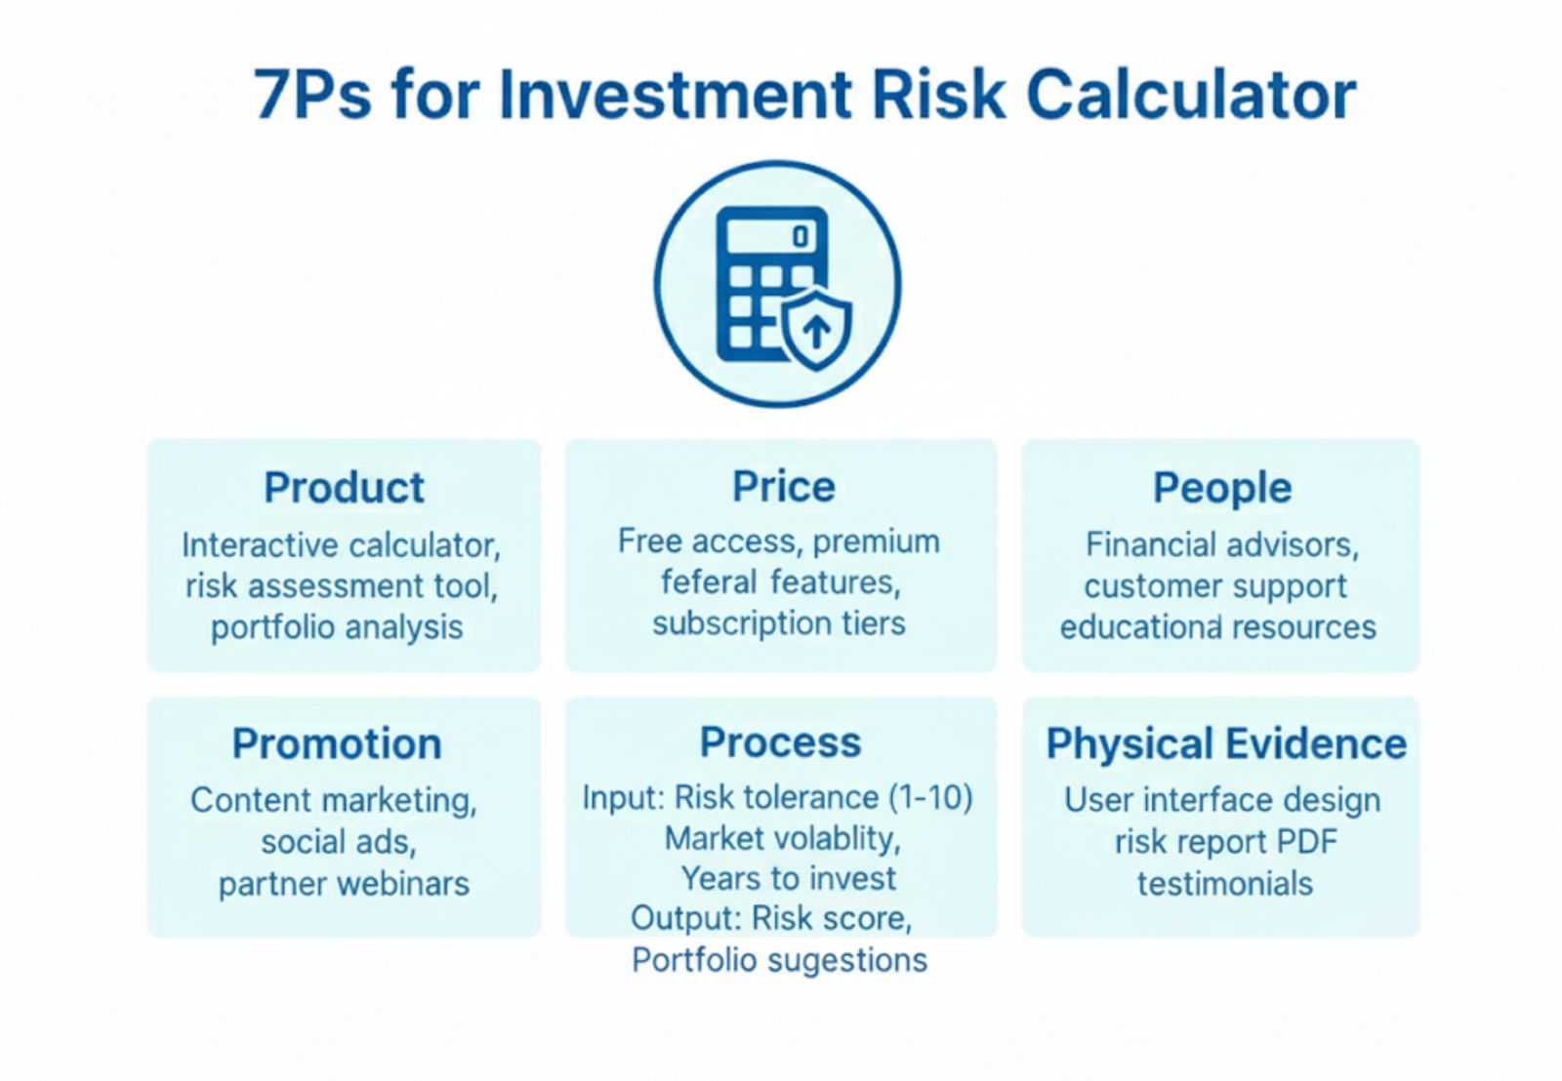
 | Summary |  |  |  |  |  |  |  | Metric | Value (₹) |  |  |  |  |  |  |  |  | Acknowledgements
 |  |  |  |  |  |  |  |  | Paying Users | 100 |  |  |  |  |  |  |  |  | source1
 |  |  |  |  |  |  |  |  | Subscription Fee/User | 199
 | Category | Year-1 (₹) |  |  |  |  |  |  | Adverstisements | 4
 | Total CAPEX | 440,000 |  |  |  |  |  |  | fee per/ads | 5000
 | Total OPEX | 240,000 |  |  |  |  |  |  | Monthly users Revenue | 19,900
 | Total Year-1 Cost | 680,000 |  |  |  |  |  |  | Monthly Ads Revenue | 20000
 |  |  |  |  |  |  |  |  | Annual Revenue | 478,800
 |  |  |  |  |  |  |  |  | Total OPEX | 240,000
 |  |  |  |  |  |  |  |  | Gross Profit | 238,800
 |  |  |  |  |  |  |  |  | EBITDA | -201,200
 |  |  |  |  |  |  |  |  | Taxes (15%) | 14820
 |  |  |  |  |  |  |  |  | Net Profit | -216,020

