Cover Page
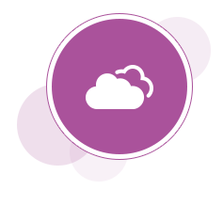

Oracle HCM Cloud
View HCM Reports - OTBI Subject Area to Table Mapping
Release 10

Document Overview
This workbook lists all of the HCM Cloud reports and analyses that come out-of-the-box with your application. You can customize any or all of these reports to meet your specific company requirements. Whatever role you play in your organization, there are analyses specifically designed to help make your job easier.

