Intro
Bounce rate | 46.55% |  | Avg. Session Duration per Source
Active users | 24,152 |  | google | 0:03:38
New users | 19,889 |  | Facebook | 0:00:57
 |  |  | Webinar | 00:00:50

Users by Channel |  |  | Engagement rate per session source
Organic Search | Active users | New Users | Google | 57.08%
Organic | 5,970 | 5,673 | Facebook | 48.17%
Social | 5,970 | 5,673 | Webinar | 39.50%
Unassigned | 5,620 | 3,888 | Direct | 59.35%
Paid Search | 4,017 | 3,387 | Instagram-Inuencer | 38.88%
Direct | 2,737 | 2,221
 |  |  | Bounce rate per session source
 |  |  | Google | 42.92%
 |  |  | Facebook | 51.83%
 |  |  | Webinar | 60.50%
 |  |  | Direct | 40.65%
 |  |  | Instagram-Inuencer | 61.12%

Users by Source | Active users | New Users
Google | 10.1K | 7.7K
Facebook | 5.2K | 5K
Webinar | 3.3K | 3.2K
Direct | 2.7K | 2.2K
Instagram-Inuencer | 342 | 307

Users by Medium | Active users | New Users
organic | 5.5K | 3.9K
cpc | 5K | 4.1K
none | 2.7K | 2.2K
Instagram | 2.7K | 2.6K
Interest-Bi | 1.7K | 1.6K

Users by Campaign | Active users | New Users
(organic) | 5,513 | 3,854
(direct) | 2,742 | 2,221
growth__fo | 1,980 | 1,958
AD-1 | 1,084 | 1,050
AI-ML-TN- | 859 | 836

Demography
Average session duration | 0:03:19
DAU / MAU | 0.03

Users by Device
Mobile | 72%
Desktop | 27.40%
Tablet | 0.6%

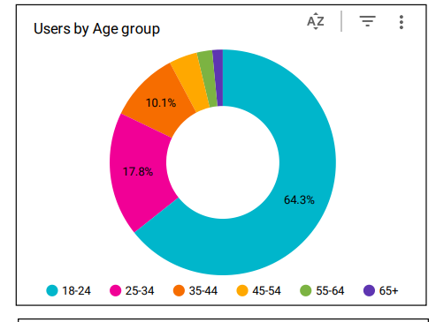
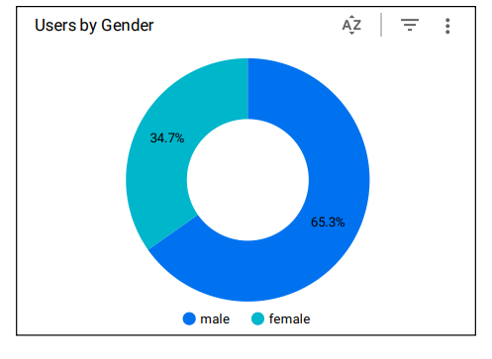
Users by State
Tamil Nadu | 8.5K
Telangana | 2.6K
Uttar Pradesh | 2.4K
Karnataka | 1.7K
Maharashtra | 1.6K

Users by City
Chennai | 4,940
Hyderabad | 2,419

(not set) | 1,544
Bengaluru | 1,532
Coimbatore | 1,413

