Details
No. | Topic ID | Topic | Overview | Pros | Cons | Price | Example/Image
Data Visualization And Reporting Tool
1 | DA1 | RStudio & Ggplot | Arguably R’s most powerful package, ggplot2 is a plotting package that provides helpful commands to create complex plots from data in a data frame. ggplot2 is inspired by the data visualization methodology called “the grammar of Graphics,” whose idea is to independently specify the components of the graph and then combine them. | 1. Simple and intuitive syntax. 2. Plots are visually appealing by default. 3. Provide for full customization. | 1. Inconsistent syntax compared to other R packages. 2. ggplot2 is often computationally slower than other R packages. 3. Limited flexibility to create certain visualizations. | R is a free software environment for statistical computing and graphics Data visualization with R and ggplot2 in R Programming Language also termed as Grammar of Graphics is a free, open-source, and easy-to-use visualization package widely used in R Programming Language | 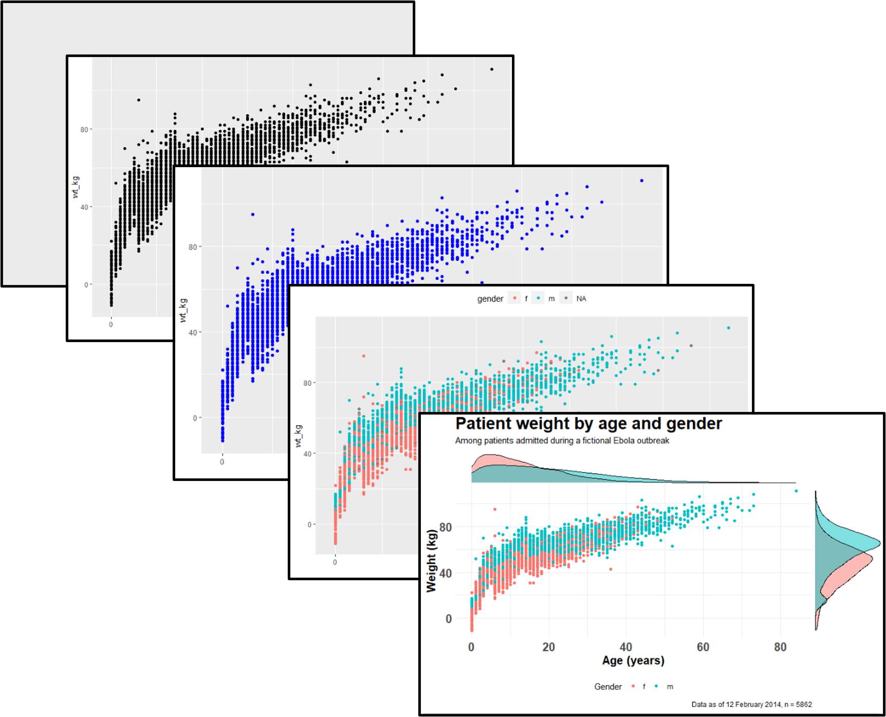
2 | DA2 | FINEREPORT | Design all sorts of complex reports and integrate them to your final system. This Manual has classified and summarized specific requirements from various industry users, typical template cases and integration solutions collected by FineReport during service. In addition, template design steps and solution processes will be described in details. | 1. No coding required 2. Good visualization library 3. Wide database option 4. Quick customization 5. Personal version is completely free | 1. Hard to customize according to need 2. Visuals cannot be embedded | Fanruan provides FineReport software free of charge, and users can use this software for functional testing and trial | 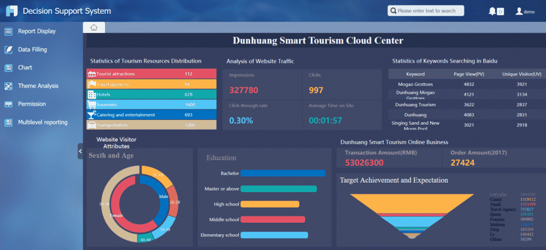
3 | DA3 | GOOGLE CHART |  |  |  | Google chart tools are powerful, simple to use, and free
4 | DA4 | GRAFANA |  |  |  | can sign up for your free Grafana Cloud account
5 | DA5 | TABLEAU | Tableau is a visual analytics platform transforming the way we use data to solve problems—empowering people and organizations to make the most of their data. | 1. Outstanding visual library 2. User friendly 3. Great performance 4. Conectivity to data 5. Poweful computation 6. Quick insights | 1. Inflexible pricing 2. No option for auto-refresh 3. Restrictive imports 4. Manual updates for static feature | Tableau Public is a free platform to explore, create, and publicly share data visualizations online. | 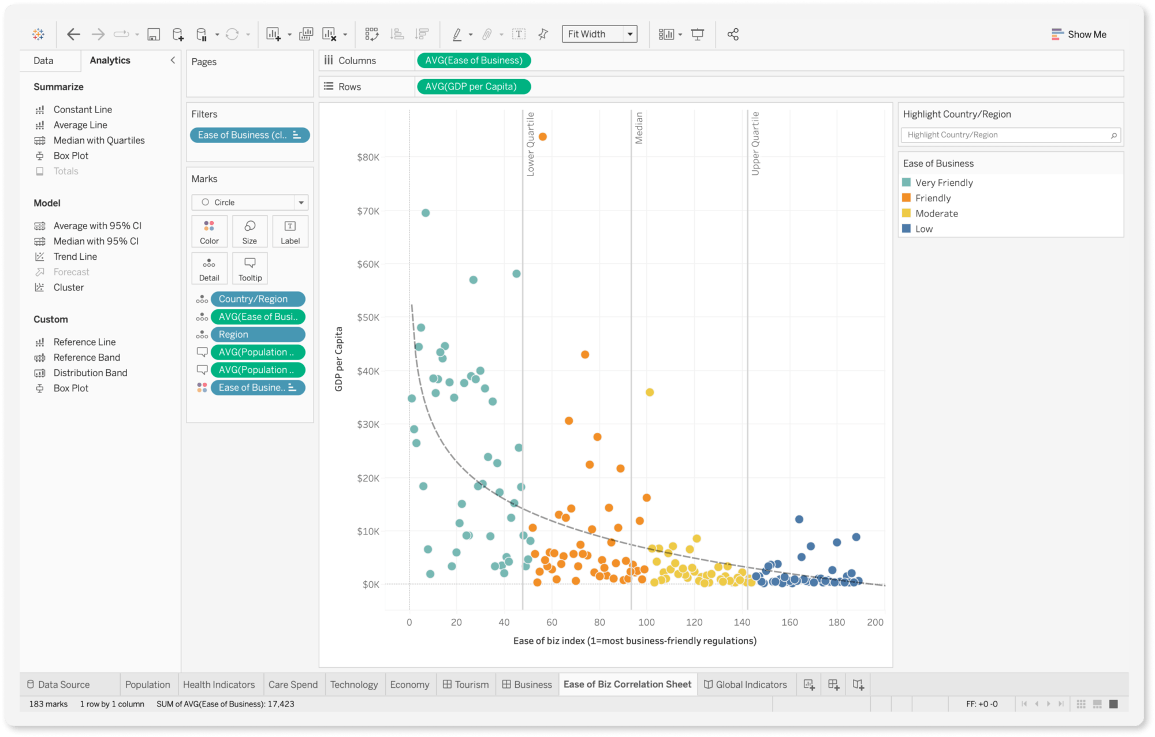
6 | DA6 | RAPIDMINER | RapidMiner is a data science platform that analyses the collective impact of an organization's data | 1. Intuitive User Interface 2. Versatile Operators 3. Extensive Support System | 1. Outdated User Interface 2. Difficulties in Finding Key Operators 3. Lack of Documentation for Operators | RapidMiner offers a Free Plan with limited features | 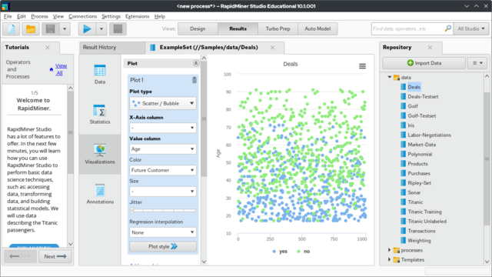
7 | DA7 | Seaborn, Bokeh vs Plotly | Seaborn’s a Python library that allows you to generate elegant graphs easily. Seaborn is based on matplotlib and provides a high-level interface for drawing attractive and informative statistical graphics. Matplotlib and Seaborn focus mostly on static visualization. By contrast, Bokeh’s major strength is interactivity. Bokeh is a powerful Python package for interactive data visualization. It enables you to go beyond static plots and allows stakeholders to interact with your visualizations and dig for their own insights. Plotly's Python graphing library makes interactive, publication-quality graphs | Seaborn 1. Quickly creates simple visualizations 2. Visualizations are by default aesthetically appealing. 3. Large collection of powerful graphs. 4. Well-defined documentation, with numerous examples. Bokeh 1. It creates interactive plots that change with the user interaction. 2. Easily Creates simple charts for complex use-cases. 3. VIsualizations are designed to be embedded in web browsers. | Seaborn 1. Customization options are limited. 2. Doesn’t provide interactive graphs. 3. Users may need to use matplotlib to optimize visualizations. Bokeh 1. Interactivity options for visualizations are plot. 2. Limited flexibility with it comes to designing plots. 3. Combination of Python and JavaScript can be cumbersome. | Seaborn (styled as “seaborn”) is an open-source Python library used for visualizing the explorative statistical plots of data Bokeh is BSD licensed, so you are free to use it whatever you like, be it academic, commercial, creating forks or derivatives, as long as you copy the BSD statement if you redistribute it Plotly for Python is free and open-source software, licensed under the MIT license | 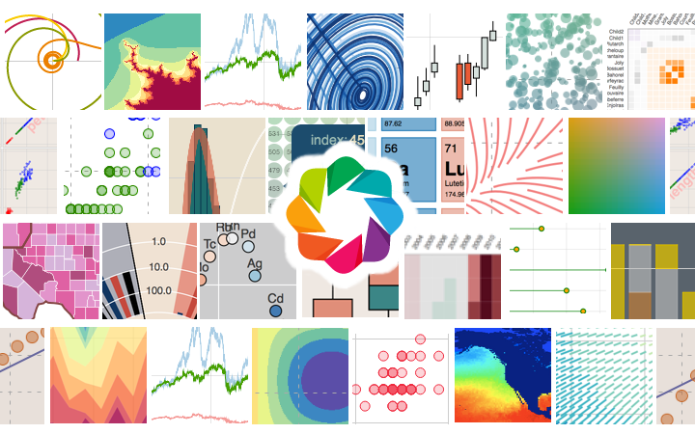
8 | DA8 | KNIME | KNIME is an open-source machine learning tool for data analytics, business intelligence, and text mining. The best part about KNIME is that it can integrate codes of programming languages like Python, Java, R, JavaScript, C++, etc | 1. Extraction, Transformation and Loading 2. Integration with Python 3. Connectivity with Databases | 1. Managing Date and Time functionality 2. Compatibility between Sever and API | KNIME Analytics Platform is free and open source, which ensures users remain on the bleeding edge of data science, 300+ connectors to data sources, and integrations to all popular machine learning libraries. | 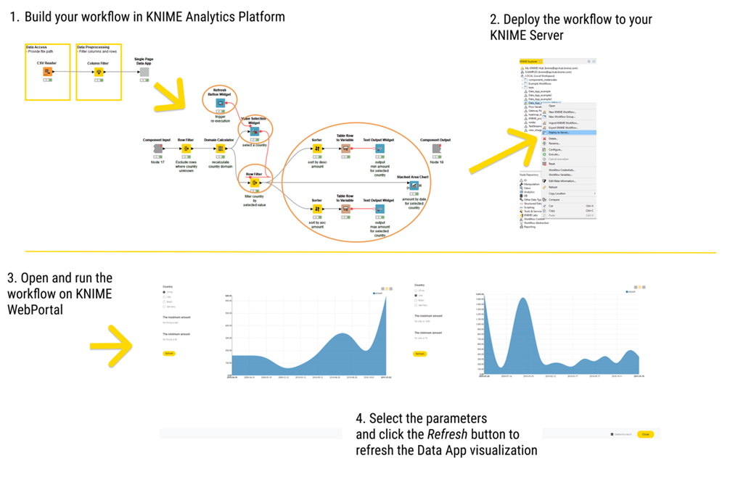
Data Processing
9 | DP1 | Apache Storm | Apache Storm is a distributed stream processing computation framework written predominantly in the Clojure programming language | 1. Real-time processing 2. Fault tolerance 3. Scalability 4. Flexibility | 1. Complexity 2. Learning curve 3. Operational overhead | Apache Storm is a free and open source distributed realtime computation system | 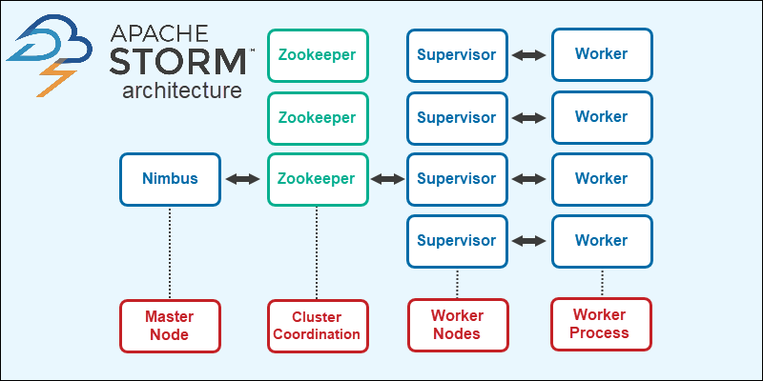
10 | DP2 | Apache Flink | Apache Flink is an open-source, unified stream-processing and batch-processing framework developed by the Apache Software Foundation. The core of Apache Flink is a distributed streaming data-flow engine written in Java and Scala. Flink executes arbitrary dataflow programs in a data-parallel and pipelined manner. | 1. Low Latency 2. High Throughput 3. Fault-Tolerance 4. Streaming and Batch Processing 5. Community Support | 1. Complexity 2. Memory Management 3. Limited Integration | Apache Flink is an open-source project and is free to use | 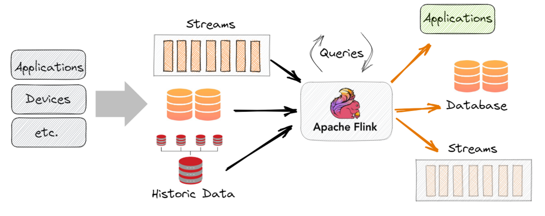
11 | DP3 | Apache Samza |  |  |  | Apache Samza is an open-source stream processing framework
12 | DP4 | Neptune | It allows you to log, store, organize, display, compare, and query all your model-building metadata in a single place. This includes metadata such as model metrics and parameters, model checkpoints, images, videos, audio files, data versions, interactive visualizations | 1. The ability to upload a wide range of data types 2. ability to log a rich variety of data from training runs and organize all the most essential information in a custom dashboard | 1. The integrations with other tools like PyTorch Lightning are occassionally buggy 2. There are desirable features missing from the UI | Neptune can be used as a hosted solution or deployed on your premises. There are a few plans available: Individual: Free (+ usage above free quota) Academia: Free Team: Paid | 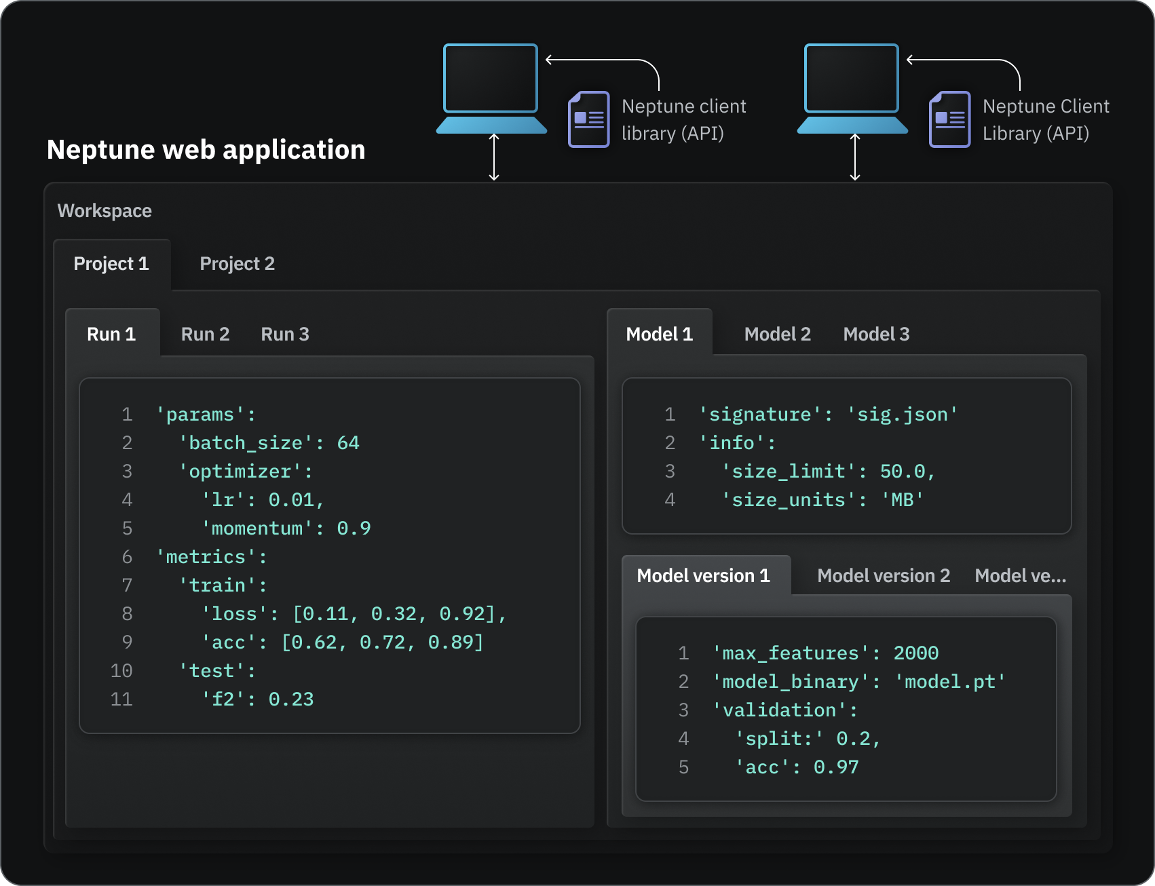
13 | DP5 | Weights and Biases | Weights & Biases, also known as WandB, is an MLOps tool for performance visualization and experimental tracking of machine learning models. It helps with automation, tracking, training, and improvement of ML models. | 1. Metrics Logging 2. Hyperparmeters Sweeps 3. Model Artifcats | 1. Dashboard lags when we log a lot of metrics 2. Improved support for matplotlib charts and documentation of wandb custom charts is not straghtforward | First 100 GB of Storage is free, with additional usage at $0.03 per GB, billed monthly | 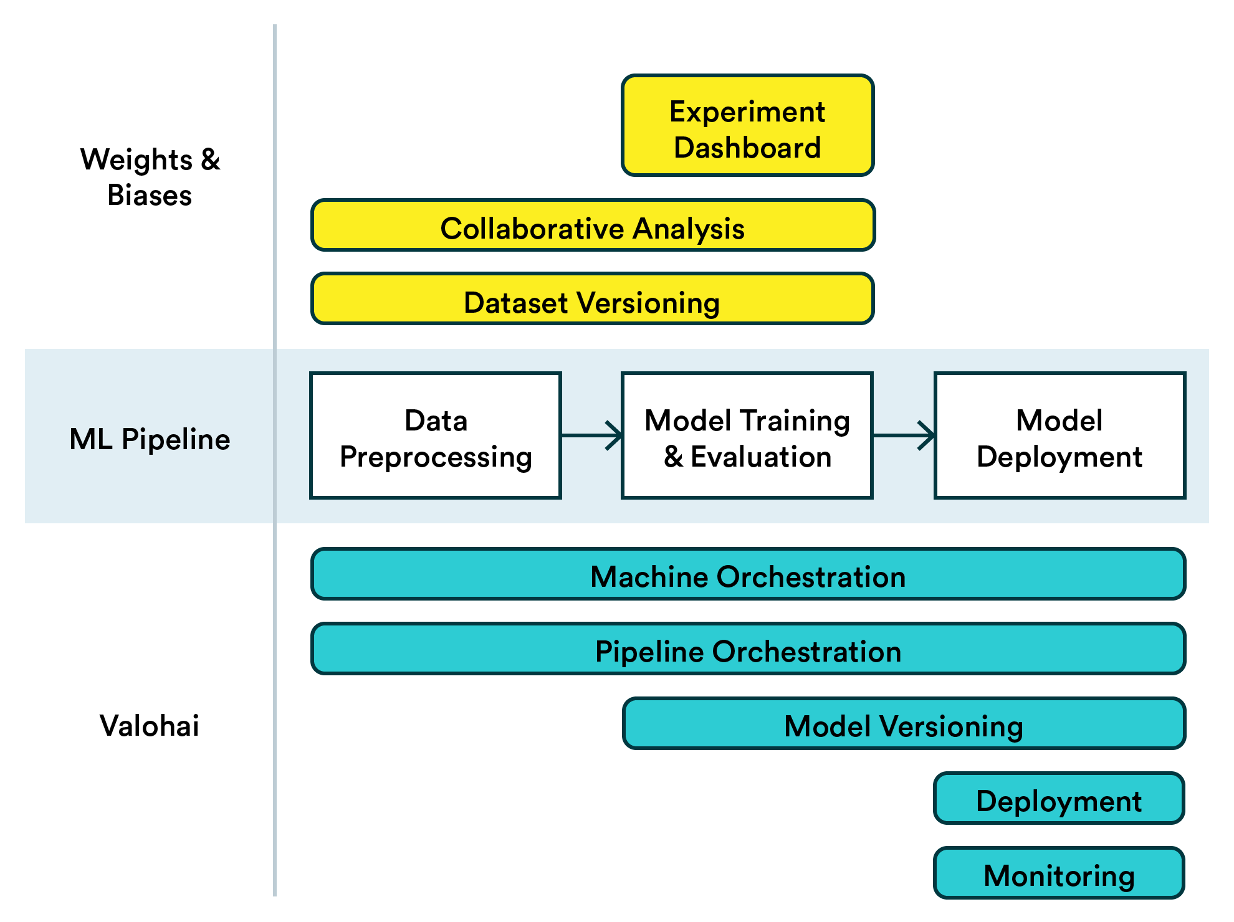
14 | DP6 | Kubeflow | Kubeflow is an open-source platform for machine learning and MLOps on Kubernetes introduced by Google. The different stages in a typical machine learning lifecycle are represented with different software components in Kubeflow, including model development, model training, model serving, and automated machine learning | It is excellent for real-time applications since it is extremely adaptable and provides low latency and great throughput. Additionally, it provides functions like model customization and monitoring. | Because of the configuration and administrative requirements, it is not recommended for small-scale applications | Kubeflow AI and MLOps at any scale Upgrades and security updates - all supported in the free, open source distribution. | 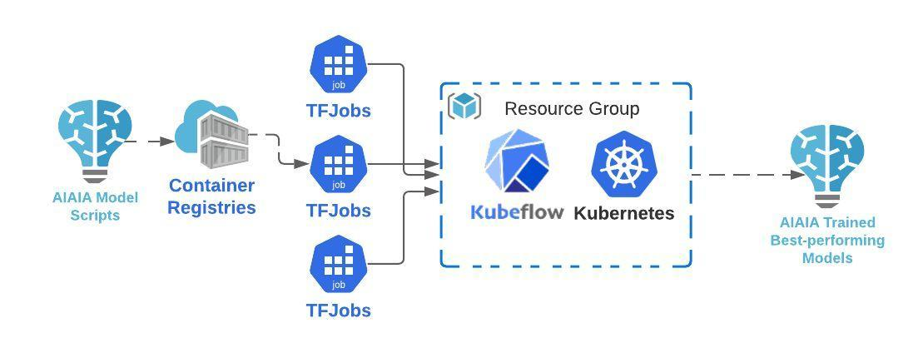
15 | DP7 | Apache Kafka |  |  |  | Apache Kafka is a free, open source message broker that provides high throughput, high availability, and low latency
16 | DP8 | RabbitMQ |  |  |  | RabbitMQ is a free, open-source and extensible message queuing Protocol
17 | DP9 | Apache Presto |  |  |  | Presto: Free, Open-Source SQL Query Engine for any Data
Machine Learning Tool
18 | ML1 | Keras | Keras is the high-level API of the TensorFlow platform. It provides an approachable, highly-productive interface for solving machine learning (ML) problems, with a focus on modern deep learning. Keras covers every step of the machine learning workflow, from data processing to hyperparameter tuning to deployment | 1. User-Friendly and Fast Deployment 2. Quality Documentation and Large Community Support 3. Pretrained models | 1. Problems in low-level API 2. Slower than its backend | Keras is a powerful and easy-to-use free open source Python library for developing and evaluating deep learning models | 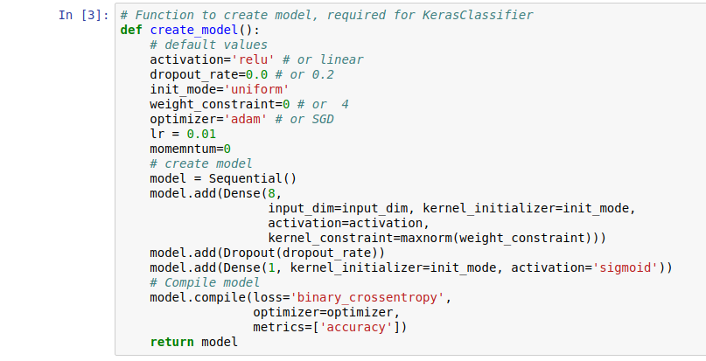
19 | ML2 | BigML | With its goal to make machine learning easy, simple, and beautiful for all users, BigML is one of the most comprehensive machine learning tools. It offers a managed platform to create and share your datasets and models | 1. Highly scalable 2. Cloud based 3. Easy to integrate and use | 1. Lack of engineering fearture 2. No easy interpretabilty of models | Free access to all BigML functionality. | 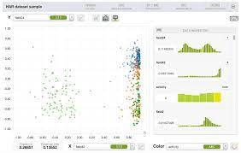
20 | ML3 | Shogun | Shogun is a machine learning tool that provides various algorithms and data structures to execute your project. A free machine learning tool, Shogun is programmed in C++ and is supported by Windows, Linux, UNIX, and Mac OS. It also offers support for many languages likes R, Ruby, Python, Scala, Lua, Java, and Octave | 1. Integrates easily with e-commerce platform 2. Drag and drop features | 1. Lack of Information 2. Lagging sometime | Shogun is a free, open-source machine learning software library written in C++ | 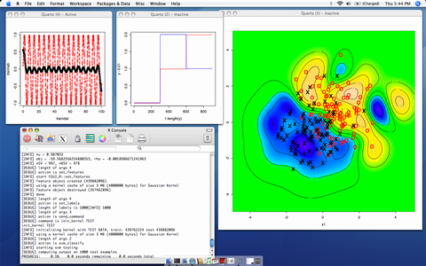
21 | ML4 | Caffe (Convolutional Architecture for Fast Feature Embedding) | Caffe is a deep learning framework developed by the Berkeley Vision and Learning Center (BVLC). It is written in C++ and CUDA and provides interfaces for Python and MATLAB. Caffe has been used in many applications such as image classification, segmentation, object detection, etc. | 1. Fast way to apply deep neural networks to the problem without writing a single line of code 2. Supports GPU training out-of-the-box 3. Pretty good Matlab and Python interface | 1. Multi-GPU training is partially supported but not all the different ways of doing that such as model/data parallelism etc. 2. All the machinery e.g. protobuf, layers etc. comes in the way once you try to define your own layer types | Caffe is a deep learning framework, originally developed at University of California, Berkeley. It is open source, under a BSD license | 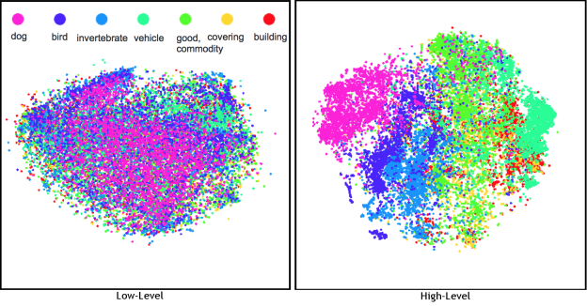
22 | ML5 | NVIDIA Triton Inference Server |  |  |  | Pricing for NVIDIA Triton Inference Server starts at Free.
23 | ML6 | Ray RLlib |  |  |  | Ray is an open-source unified compute framework that makes it easy to scale AI and Python workloads
24 | ML7 | A triple of LLMs: GPT-3, Megatron-Turing NLG, and Gemini |  |  |  | Note that you can pay to experience the tool
25 | ML8 | A triple of Image generation tools: Dall-e, Midjourney, and ImageGen |  |  |  | Note that you can pay to experience the tool
NoSQL Database
26 | NO1 | MongoDB | MongoDB is a source-available, cross-platform, document-oriented database program. Classified as a NoSQL database product, MongoDB utilizes JSON-like documents with optional schemas | 1. Performance Levels 2. High Speed and Higher Availability 3. Simplicity 4. Easy Environment and a Quick Set-up 5. Documentation | 1. Transactions 2. Joins 3. Indexing 4. High Memory Usage | MongoDB Community Server is the free and open-source version of the NoSQL database system | 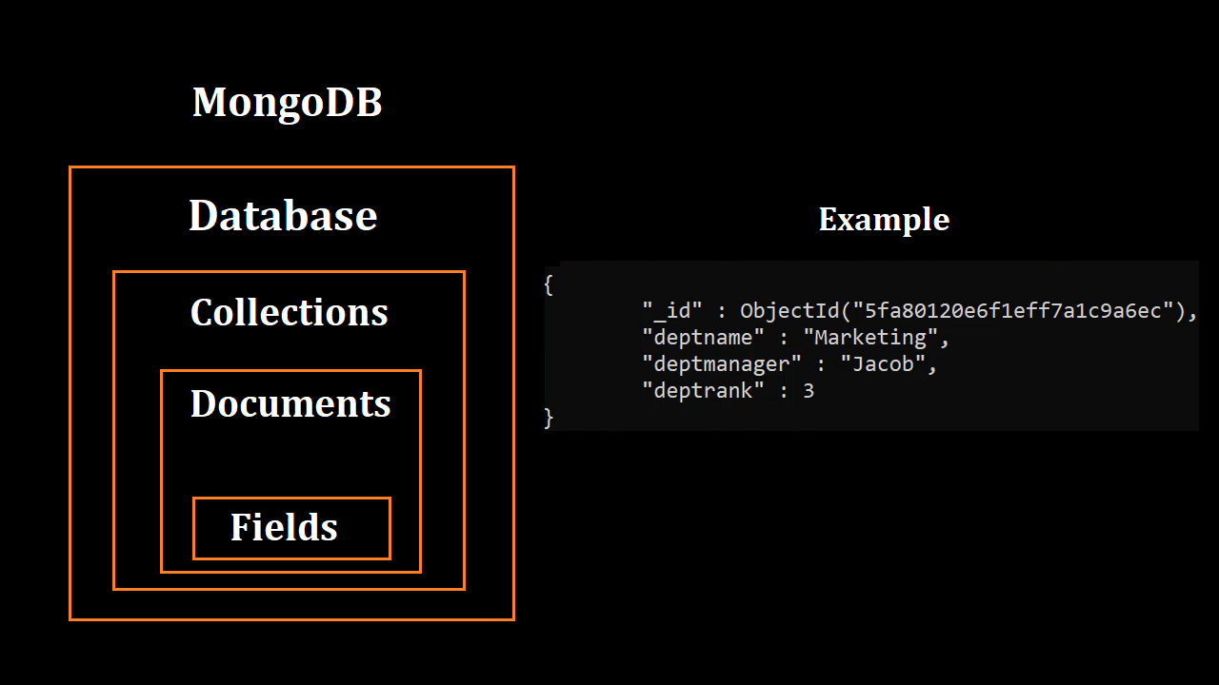
27 | NO2 | Apache CouchDB | Apache CouchDB is an open-source document-oriented NoSQL database, implemented in Erlang. CouchDB uses multiple formats and protocols to store, transfer, and process its data. It uses JSON to store data, JavaScript as its query language using MapReduce, and HTTP for an API. | 1. Document oriented database management 2. Able to store the SAME document in multiple database instances 3. Fast | 1. Uses an awkward engine 2. Fan Following | Unlike proprietary software that can risk “vendor lock-in,” CouchDB is open source, free to use | 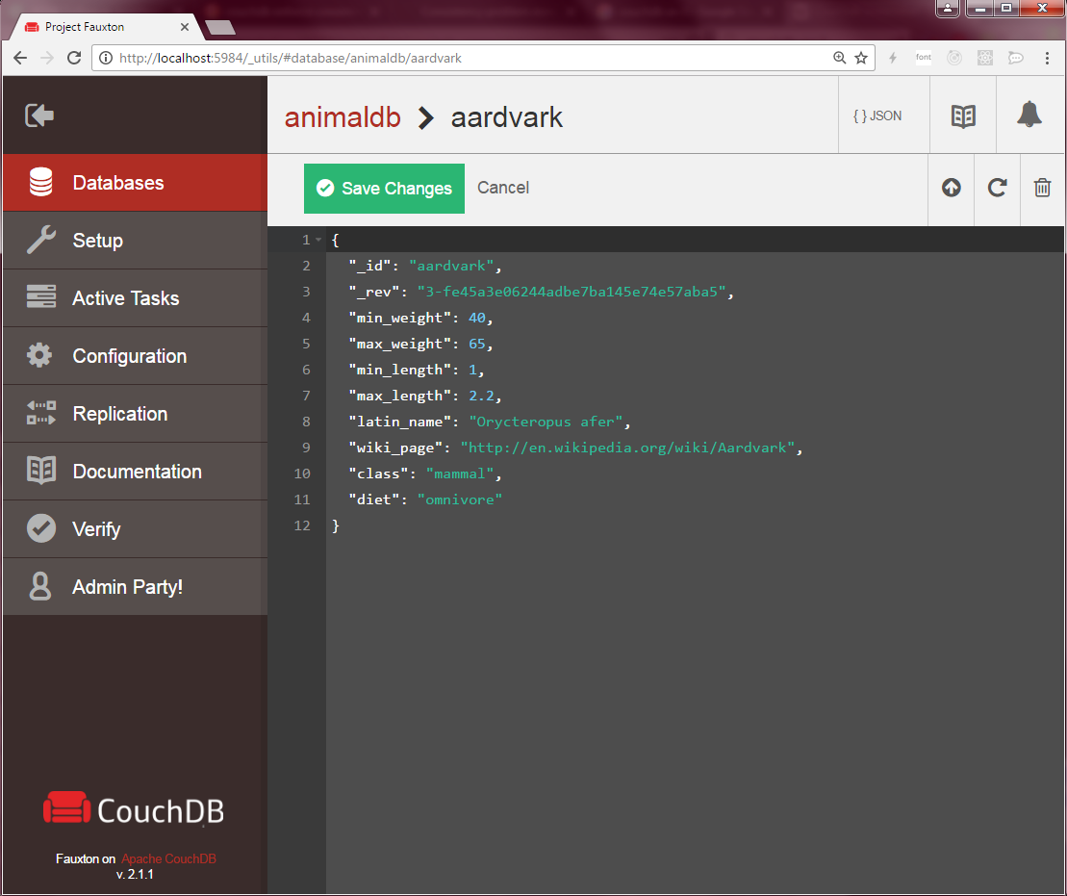
28 | NO3 | Neo4j |  |  |  | Neo4j Enterprise Edition is also available for free for a number of uses: Startups with <=50 employees can contact us to receive a free Startup License for Neo4j Enterprise, and anybody & everybody can get a free-for-development use (single-user, local desktop/ single machine) license via Neo4j Desktop
29 | NO4 | Redis |  |  |  | can use the full capabilities of Redis Enterprise with the free version
30 | NO5 | Riak | Riak is a distributed NoSQL key-value data store that offers high availability, fault tolerance, operational simplicity, and scalability. Riak moved to an entirely open-source project in August 2017, with many of the licensed Enterprise Edition features being incorporated. | 1. Highly available 2. Highly scalable 3. Very fast searching | 1. Reindex takes long time 2. Support is very lacking | Riak works well for us and requires almost no effort to maintain. It is free and has a huge community of developers and users. | 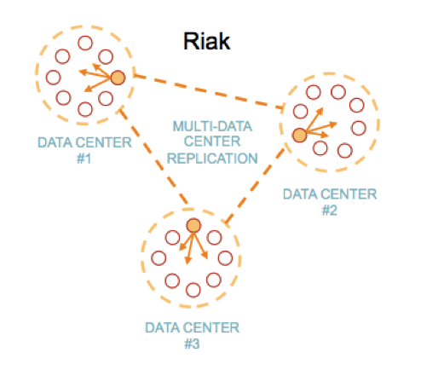
31 | NO6 | Cassandra |  |  |  | Cassandra is a free and open-source
32 | NO7 | Apache HBase | HBase is an open-source non-relational distributed database modeled after Google's Bigtable and written in Java. It is developed as part of Apache Software Foundation's Apache Hadoop project and runs on top of HDFS or Alluxio, providing Bigtable-like capabilities for Hadoop. | 1. Can handle a large amount of data 2. Speed 3. Java API for client access | 1. Replacement is not easy 2. No transaction feature 3. No default indexing | Apache HBase is an open-source, NoSQL, distributed big data store | 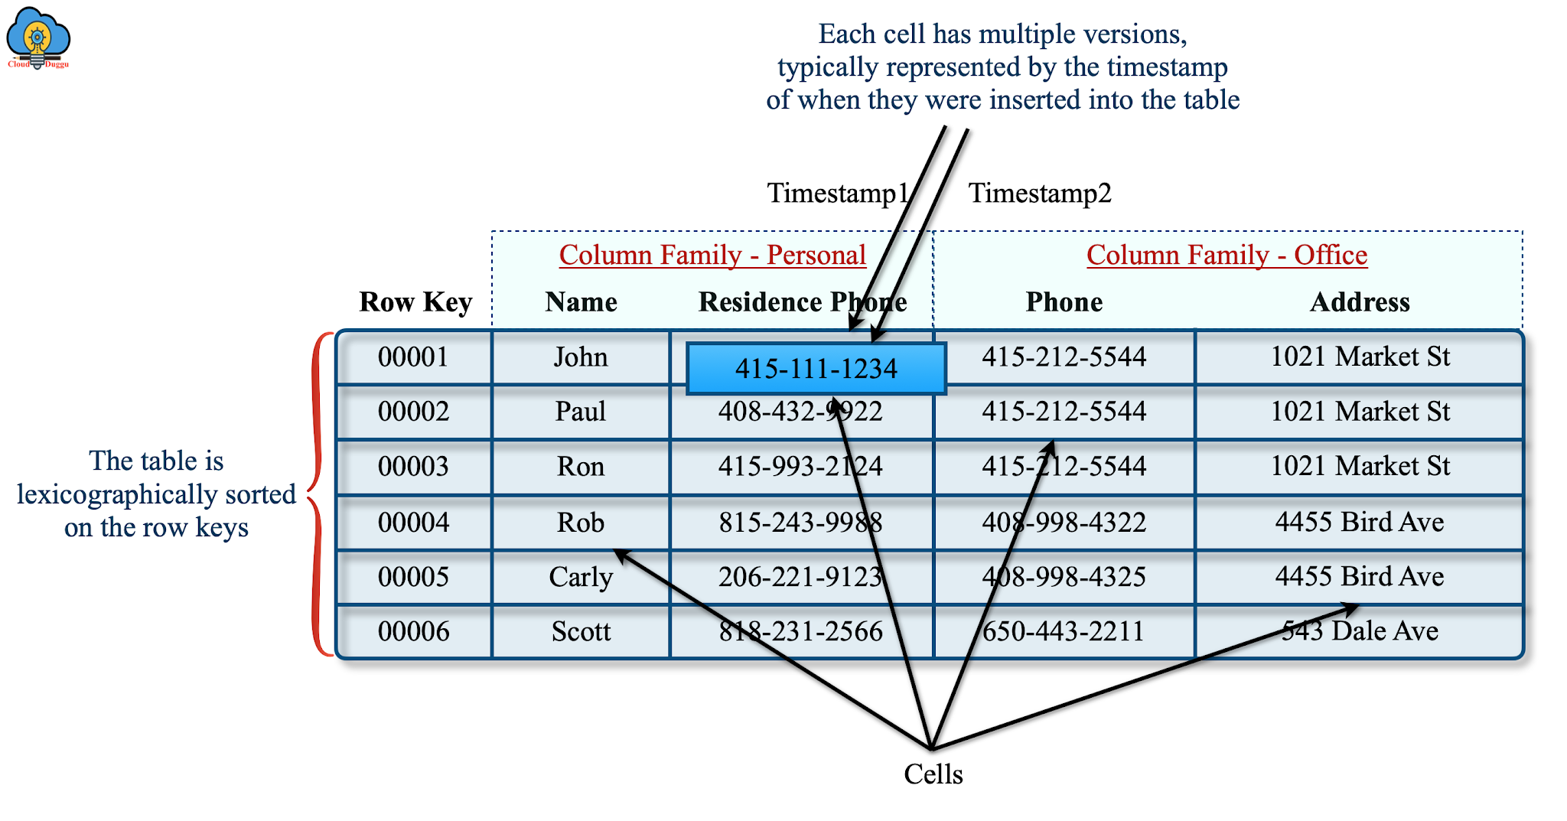
33 | NO8 | OrientDB | OrientDB is an open source NoSQL database management system written in Java. It is a Multi-model database, supporting graph, document, key/value, and object models, but the relationships are managed as in graph databases with direct connections between records | 1. Flexible and Easy to Use 2. Good Performance 3. Ideal Choice for Graph-based Applications | 1. Inadequate documentation 2. Difficulty scaling and using in production 3. Performance issues | There is absolutely no cost associated with using OrientDB Community Edition. OrientDB Community is free for commercial use. Comes with an Apache 2 Open Source License. | 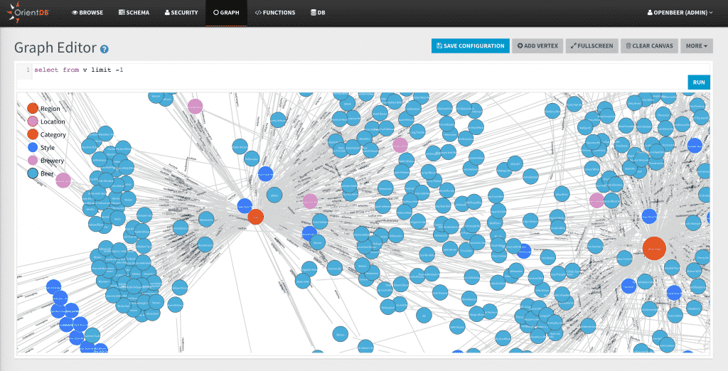
34 | NO9 | AllegroGraph |  |  |  | AllegroGraph Free Edition is a distributed

References: 1. https://www.solvexia.com/blog/data-processing-software 2. https://functionup.org/blog/what-are-5-best-data-processing-frameworks/ 3. https://www.knowledgehut.com/blog/big-data/5-best-data-processing-frameworks 4. https://www.youtube.com/watch?v=eG-EmWX6El4 5. https://www.youtube.com/watch?v=yHVhm3ftAoI 6. https://bigdataanalyticsnews.com/best-free-open-source-nosql-databases/ 7. Images: Google.com 8. Information/Knowledge: Quora, Wikipedia, Google 9. https://www.mygreatlearning.com/blog/most-popular-machine-learning-tools-you-should-know/ 10. https://www.datacamp.com/blog/12-of-the-best-data-visualizations-tools

