Team Hours
Team Working Hours
[ MATS SW Team ]

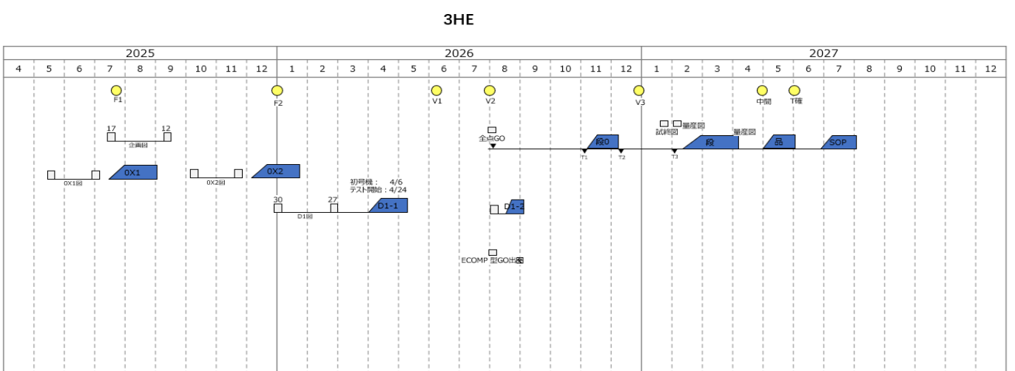
Product | Project Name | Activity | Hours / h | Lead | Support | Remark
E-Compressor | Honda 28M | SWE1. Requiremnet Analysis | 200 | Lilong Xu | Jason Zhang
 |  | SWE2. Architecture Design | 200 | Jason Zhang | Bin Huang
 |  | SWE3. Development | 200 |  |  | Done by supplier.
 |  | SWE4. Unit Test | 200 |  |  | Done by supplier.
 |  | SWE5. Integration Test | 200 |  |  | Done by supplier.
 |  | SWE6. Qualification Test | 200 | Bin Huang | Jason Zhang
 |  | Debug | 200 | Jason Zhang
 |  | Documentaion | 200 | Bin Huang
 |  | DV Support | 200 | Bin Huang
 |  | PV Support | 200 | Bin Huang
 |  | EOL Support
 | 36CC Platform | SWE1. Requiremnet Analysis | 200
 |  | SWE2. Architecture Design | 200
 |  | SWE3. Development | 200
 |  | SWE4. Unit Test | 200
 |  | SWE5. Integration Test | 200
 |  | SWE6. Qualification Test | 200
 |  | Debug
 |  | Documentaion | 200
 |  | DV Support | 200
 |  | PV Support | 200
 |  | EOL Support | 200
E-Pump | VW-Ecomp | SWE1. Requiremnet Analysis | 200
 |  | SWE2. Architecture Design | 200
 |  | SWE3. Development | 200
 |  | SWE4. Unit Test | 200
 |  | SWE5. Integration Test | 200
 |  | SWE6. Qualification Test | 200
 |  | Debug
 |  | Documentaion | 200
 |  | DV Support | 200
 |  | PV Support | 200
 |  | EOL Support | 200
 | xxx | SWE1. Requiremnet Analysis | 200
 |  | SWE2. Architecture Design | 200
 |  | SWE3. Development | 200
 |  | SWE4. Unit Test | 200
 |  | SWE5. Integration Test | 200
 |  | SWE6. Qualification Test | 200
 |  | Documentaion | 200
 |  | DV Support | 200
 |  | PV Support | 200
 |  | EOL Support | 200
 | Non-Project Task | Study | 200
 |  | Training | 200
 |  | Documentation | 200
 |  | Development | 200
 |  | Process Improvement
 |  | Toolchain Development
 |  | Requirement Analysis

VW
Return
VW
MAHLE Automotive Technologies (Suzhou) Co., Ltd. |  |  |  |  |  | Display_Week | 5 | 7-Jul-2025 |  |  |  |  |  |  | 14-Jul-2025 |  |  |  |  |  |  | 21-Jul-2025 |  |  |  |  |  |  | 28-Jul-2025 |  |  |  |  |  |  | 4-Aug-2025
 |  |  |  |  |  | START WORKING DATE | 1-Jul-2025 | 2025-07-07 | 2025-07-08 | 2025-07-09 | 2025-07-10 | 2025-07-11 | 2025-07-12 | 2025-07-13 | 2025-07-14 | 2025-07-15 | 2025-07-16 | 2025-07-17 | 2025-07-18 | 2025-07-19 | 2025-07-20 | 2025-07-21 | 2025-07-22 | 2025-07-23 | 2025-07-24 | 2025-07-25 | 2025-07-26 | 2025-07-27 | 2025-07-28 | 2025-07-29 | 2025-07-30 | 2025-07-31 | 2025-08-01 | 2025-08-02 | 2025-08-03 | 2025-08-04 | 2025-08-05 | 2025-08-06 | 2025-08-07 | 2025-08-08 | 2025-08-09 | 2025-08-10
Activity | Task Name | Start Date | End Date | Duration / d | Status | Owner | Comment | M | T | W | T | F | S | S | M | T | W | T | F | S | S | M | T | W | T | F | S | S | M | T | W | T | F | S | S | M | T | W | T | F | S | S
Acquisition
SWE1. Requiremnet Analysis | Review Requirements | 2025-07-18 | 2025-07-24 | 5 | In Progress | Min Xiong

P-Honda 28M
Return
Honda 28M
MAHLE Automotive Technologies (Suzhou) Co., Ltd. |  |  |  |  |  | Display_Week | 2 | 7-Jul-2025 |  |  |  |  |  |  | 14-Jul-2025 |  |  |  |  |  |  | 21-Jul-2025 |  |  |  |  |  |  | 28-Jul-2025 |  |  |  |  |  |  | 4-Aug-2025
 |  |  |  |  |  | START WORKING DATE | 1-Jul-2025 | 2025-07-07 | 2025-07-08 | 2025-07-09 | 2025-07-10 | 2025-07-11 | 2025-07-12 | 2025-07-13 | 2025-07-14 | 2025-07-15 | 2025-07-16 | 2025-07-17 | 2025-07-18 | 2025-07-19 | 2025-07-20 | 2025-07-21 | 2025-07-22 | 2025-07-23 | 2025-07-24 | 2025-07-25 | 2025-07-26 | 2025-07-27 | 2025-07-28 | 2025-07-29 | 2025-07-30 | 2025-07-31 | 2025-08-01 | 2025-08-02 | 2025-08-03 | 2025-08-04 | 2025-08-05 | 2025-08-06 | 2025-08-07 | 2025-08-08 | 2025-08-09 | 2025-08-10
Activity | Task Name | Start Date | End Date | Duration / d | Status | Owner | Comment | M | T | W | T | F | S | S | M | T | W | T | F | S | S | M | T | W | T | F | S | S | M | T | W | T | F | S | S | M | T | W | T | F | S | S
B Sample
SWE1. Requiremnet Analysis | 与HET评审CAN通讯通用需求 | 2025-07-16 | 2025-07-16 | 1 | Done | Jason Zhang | Min Xiong Support
SWE1. Requiremnet Analysis | Review网络安全附件9 RISK RANK | 2025-07-17 | 2025-07-18 | 2 | Done | Min Xiong | Jason Support
Documentaion | 向Honda提供CAN一致性说明材料 | 2025-07-12 | 2025-07-23 | 9 | In Progress | Jason Zhang
Documentaion | 向Dewey提供B样软件测试计划 | 2025-07-14 | 2025-07-14 | 1 | Done | Jason Zhang | 07/15：已根据Bin的反馈更新了测试计划
Documentaion | 向HET反馈静态代码分析报告格式是否可行 | 2025-07-18 | 2025-07-18 | 1 | In Progress | Jason Zhang
Documentaion | 确认当前HET实施的软件最新版DBC | 2025-07-16 | 2025-07-16 | 1 | Done | Jason Zhang | 0526版EXCEL
SWE1. Requiremnet Analysis | 与HET评审电机空转，堵转，缺相故障诊断 | 2025-07-17 | 2025-07-17 | 1 | Done | Lilong Xu | Min Xiong, Jason Support
SWE1. Requiremnet Analysis | 与Honda沟通CAN通用需求技术参数 | 2025-07-23 | 2025-07-23 | 1 | Done | Jason Zhang
SWE1. Requiremnet Analysis | 与Honda澄清网络安全需求 | 2025-07-23 | 2025-07-23 | 1 | Done | Jason Zhang
Documentaion | 更新诊断列表 | 2025-07-23 | 2025-07-24 | 2 | In Progress | Bin Huang

P-36CC Platform
Return
36CC Platform
MAHLE Automotive Technologies (Suzhou) Co., Ltd. |  |  |  |  |  | Display_Week | 5 | 7-Jul-2025 |  |  |  |  |  |  | 14-Jul-2025 |  |  |  |  |  |  | 21-Jul-2025 |  |  |  |  |  |  | 28-Jul-2025 |  |  |  |  |  |  | 4-Aug-2025
 |  |  |  |  |  | START WORKING DATE | 1-Jul-2025 | 2025-07-07 | 2025-07-08 | 2025-07-09 | 2025-07-10 | 2025-07-11 | 2025-07-12 | 2025-07-13 | 2025-07-14 | 2025-07-15 | 2025-07-16 | 2025-07-17 | 2025-07-18 | 2025-07-19 | 2025-07-20 | 2025-07-21 | 2025-07-22 | 2025-07-23 | 2025-07-24 | 2025-07-25 | 2025-07-26 | 2025-07-27 | 2025-07-28 | 2025-07-29 | 2025-07-30 | 2025-07-31 | 2025-08-01 | 2025-08-02 | 2025-08-03 | 2025-08-04 | 2025-08-05 | 2025-08-06 | 2025-08-07 | 2025-08-08 | 2025-08-09 | 2025-08-10
Activity | Task Name | Start Date | End Date | Duration / d | Status | Owner | Comment | M | T | W | T | F | S | S | M | T | W | T | F | S | S | M | T | W | T | F | S | S | M | T | W | T | F | S | S | M | T | W | T | F | S | S
B Sample
SWE1. Requiremnet Analysis | Review释放给首智的需求 | 2025-07-24 | 2025-07-28 | 3 | Done | Jason Zhang | Min Xiong Support

Non-Project_Task
Return
Non-Project Task
MAHLE Automotive Technologies (Suzhou) Co., Ltd. |  |  |  |  |  | Display_Week | 2 | 7-Jul-2025 |  |  |  |  |  |  | 14-Jul-2025 |  |  |  |  |  |  | 21-Jul-2025 |  |  |  |  |  |  | 28-Jul-2025 |  |  |  |  |  |  | 4-Aug-2025
 |  |  |  |  |  | START WORKING DATE | 1-Jul-2025 | 2025-07-07 | 2025-07-08 | 2025-07-09 | 2025-07-10 | 2025-07-11 | 2025-07-12 | 2025-07-13 | 2025-07-14 | 2025-07-15 | 2025-07-16 | 2025-07-17 | 2025-07-18 | 2025-07-19 | 2025-07-20 | 2025-07-21 | 2025-07-22 | 2025-07-23 | 2025-07-24 | 2025-07-25 | 2025-07-26 | 2025-07-27 | 2025-07-28 | 2025-07-29 | 2025-07-30 | 2025-07-31 | 2025-08-01 | 2025-08-02 | 2025-08-03 | 2025-08-04 | 2025-08-05 | 2025-08-06 | 2025-08-07 | 2025-08-08 | 2025-08-09 | 2025-08-10
Activity | Task Name | Start Date | End Date | Duration / d | Status | Owner | Comment | M | T | W | T | F | S | S | M | T | W | T | F | S | S | M | T | W | T | F | S | S | M | T | W | T | F | S | S | M | T | W | T | F | S | S
Toolchain Development | Motor Dyne Bench Solution | 2025-07-24 | 2025-07-28 | 3 | Not Start | Bin Huang
Toolchain Development | Online Working Hours System | 2025-07-11 | 2025-08-06 | 19 | In Progress | Feihao Liu
Development | Model Reference SW Architecture | 2025-07-23 | 2025-07-25 | 3 | In Progress | Shenglin Chen
Requirement Analysis | Analyze requirement on PPE | 2025-07-28 | 2025-08-29 | 25 | Not Start | Min Xiong
Process Improvement | SW Joint Development Process | 2025-07-24 | 2025-07-24 | 1 | In Progress | Jason Zhang

