Evidence Screenshots
Evidence ID | Related cases | Source PR / asset | Coverage and limits | Screenshot
IMG-01 | KS-T-024 | PR #391 docs/assets/readme/home-marketplace.jpg Source commit f55fc4e https://github.com/UOA-CS734-S2-2026/project-implementation-five-guys/blob/f55fc4e066bc7a755a55907dd4f29797d0805c7f/docs/assets/readme/home-marketplace.jpg | Marketplace images and prices are visible. | 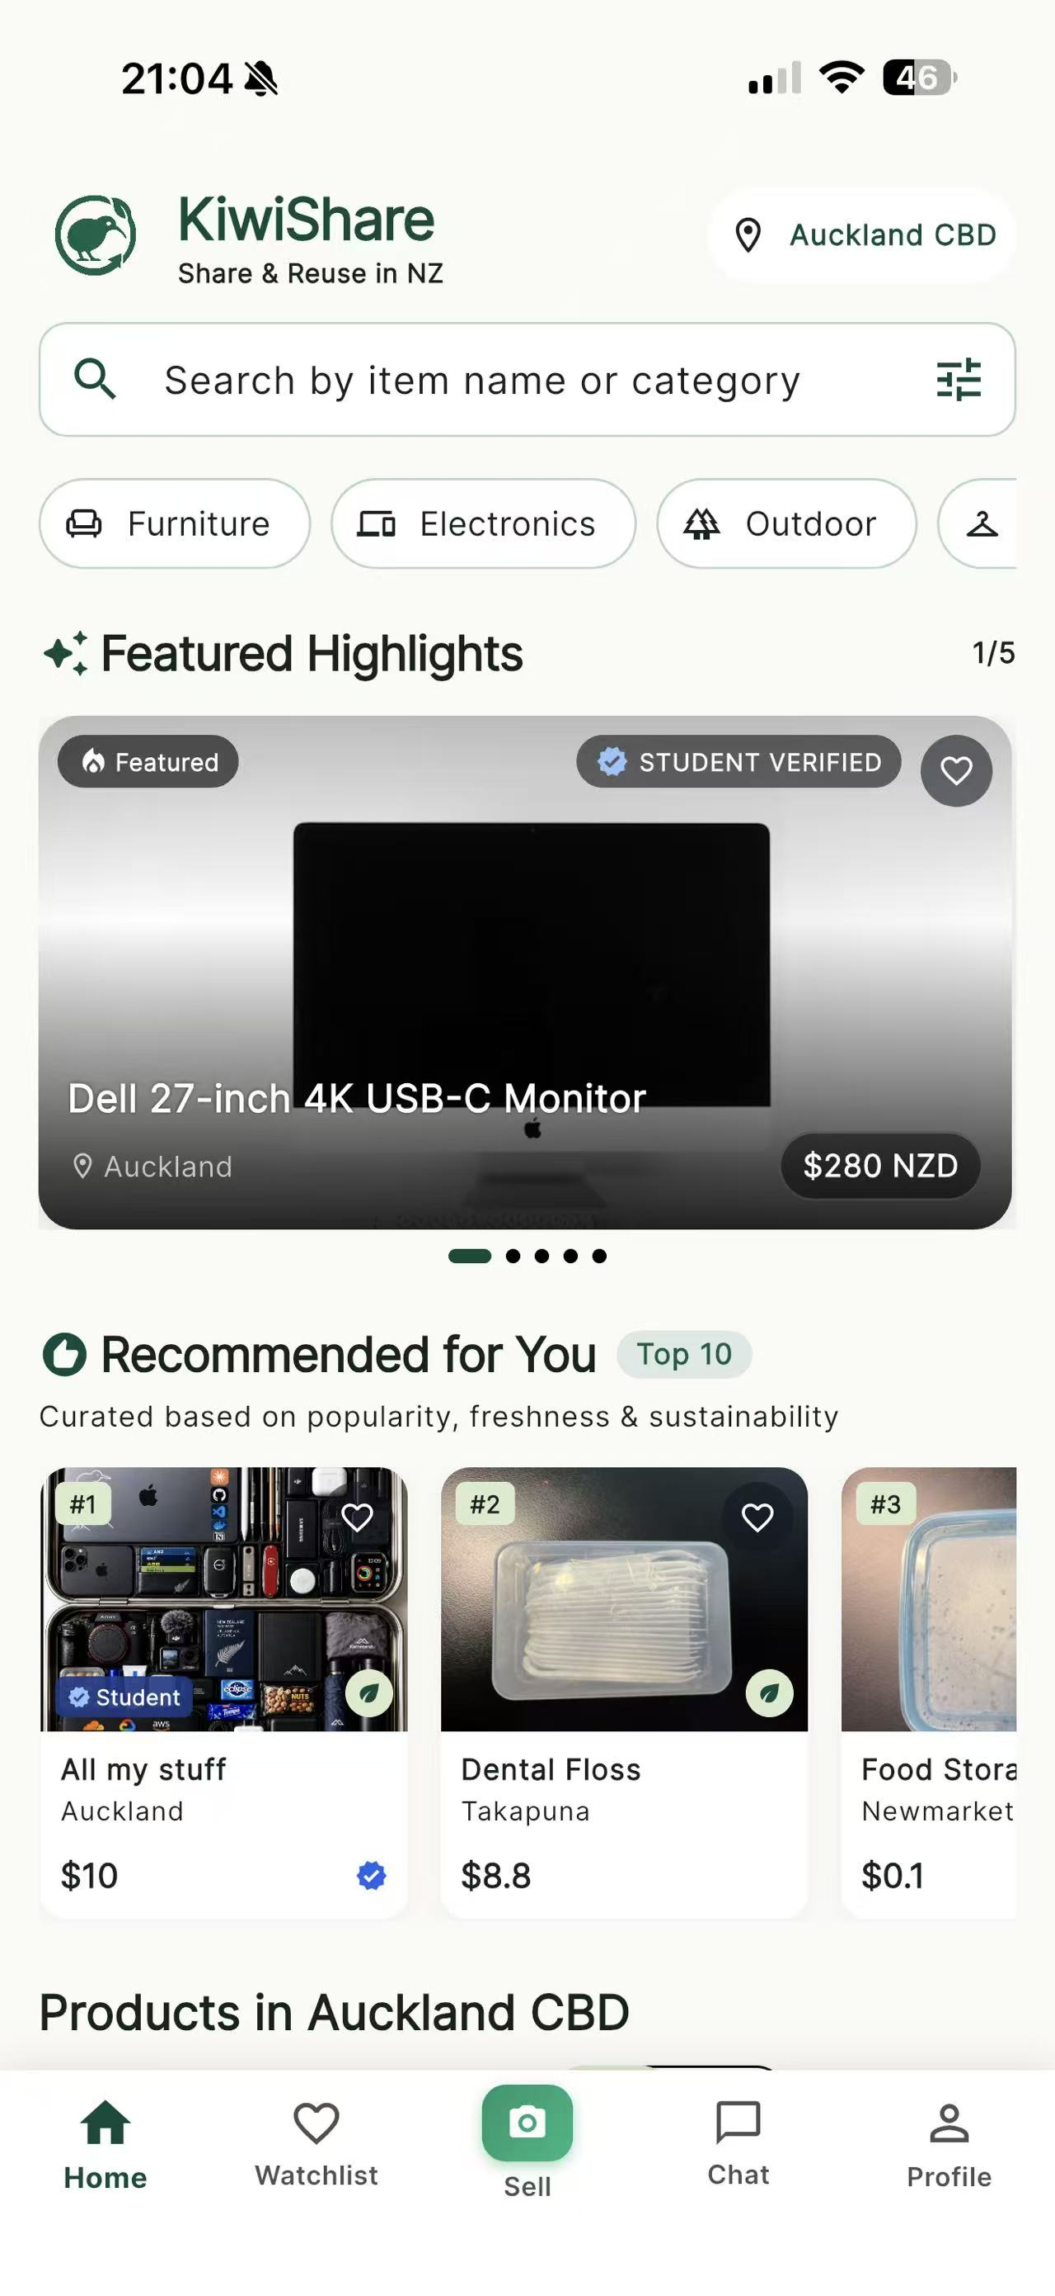
IMG-02 | KS-T-043 | PR #391 docs/assets/readme/meetup-awaiting-payment.jpg Source commit f55fc4e https://github.com/UOA-CS734-S2-2026/project-implementation-five-guys/blob/f55fc4e066bc7a755a55907dd4f29797d0805c7f/docs/assets/readme/meetup-awaiting-payment.jpg | Item context and scheduled meetup awaiting payment are visible. | 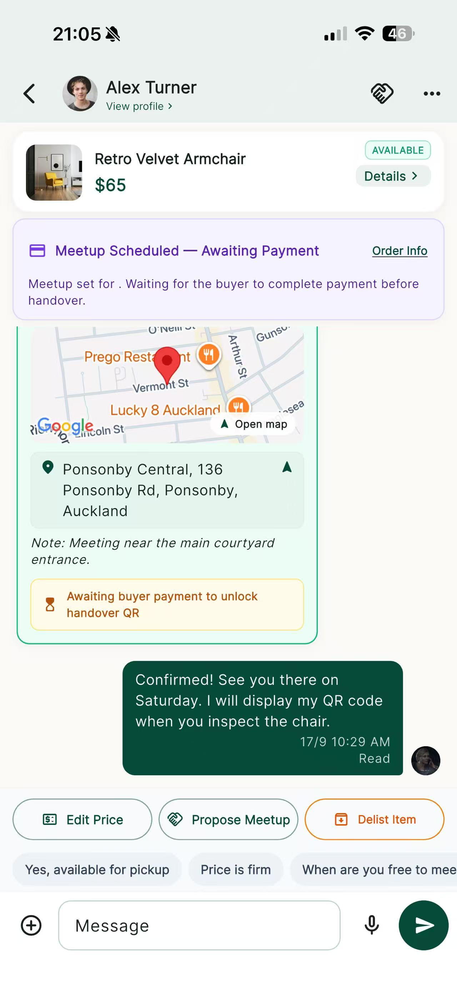
IMG-03 | KS-T-010 | PR #391 docs/assets/readme/profile-trust.jpg Source commit f55fc4e https://github.com/UOA-CS734-S2-2026/project-implementation-five-guys/blob/f55fc4e066bc7a755a55907dd4f29797d0805c7f/docs/assets/readme/profile-trust.jpg | Profile avatar, username, trust score and badges are visible. | 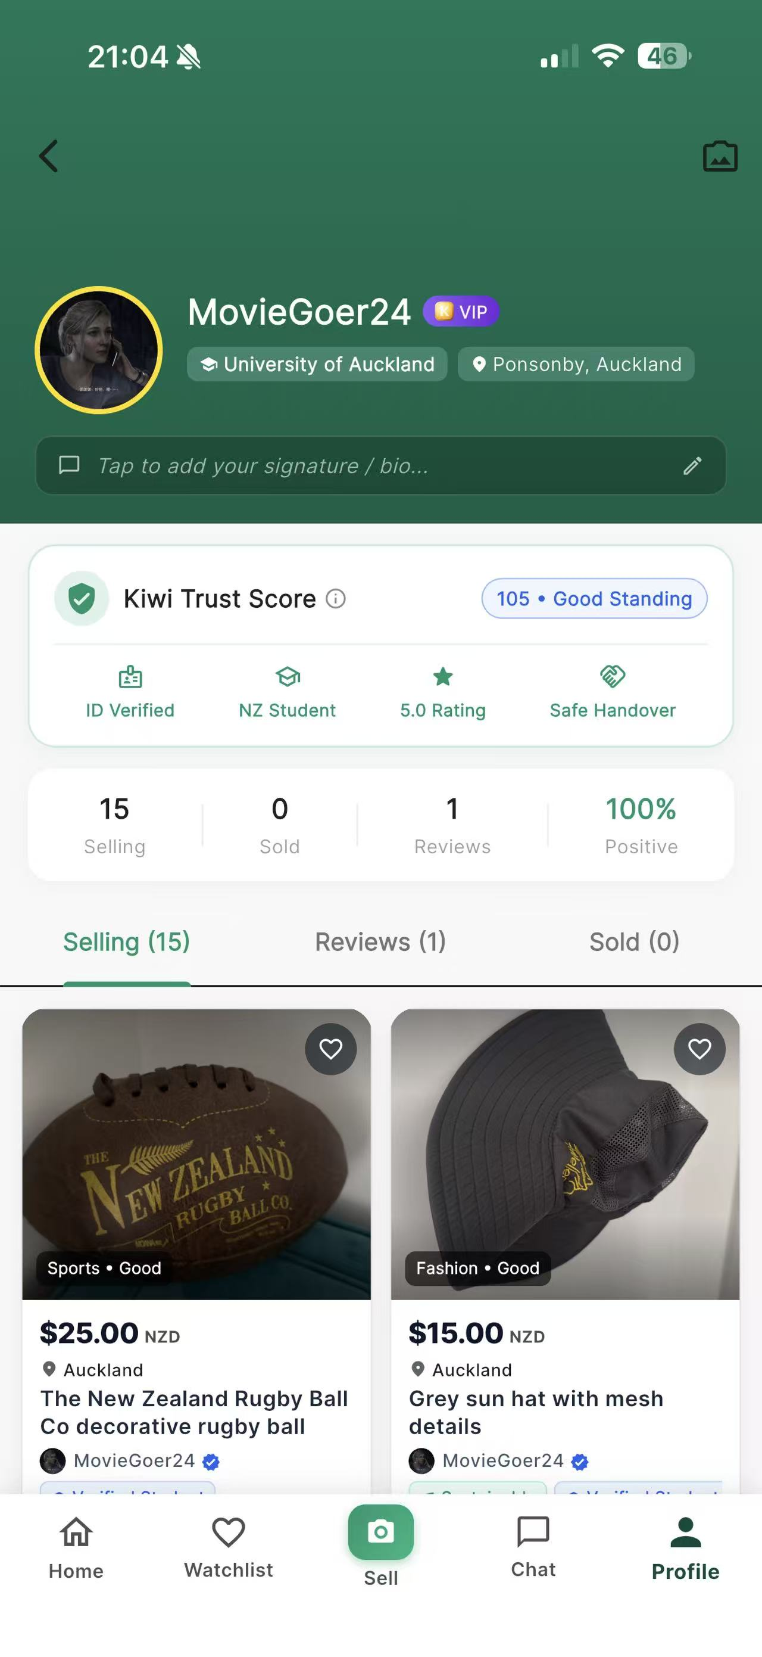
IMG-04 | KS-T-044, KS-T-046 | PR #391 docs/assets/readme/transaction-completed.jpg Source commit f55fc4e https://github.com/UOA-CS734-S2-2026/project-implementation-five-guys/blob/f55fc4e066bc7a755a55907dd4f29797d0805c7f/docs/assets/readme/transaction-completed.jpg | Completed transaction and released-funds states are visible. | 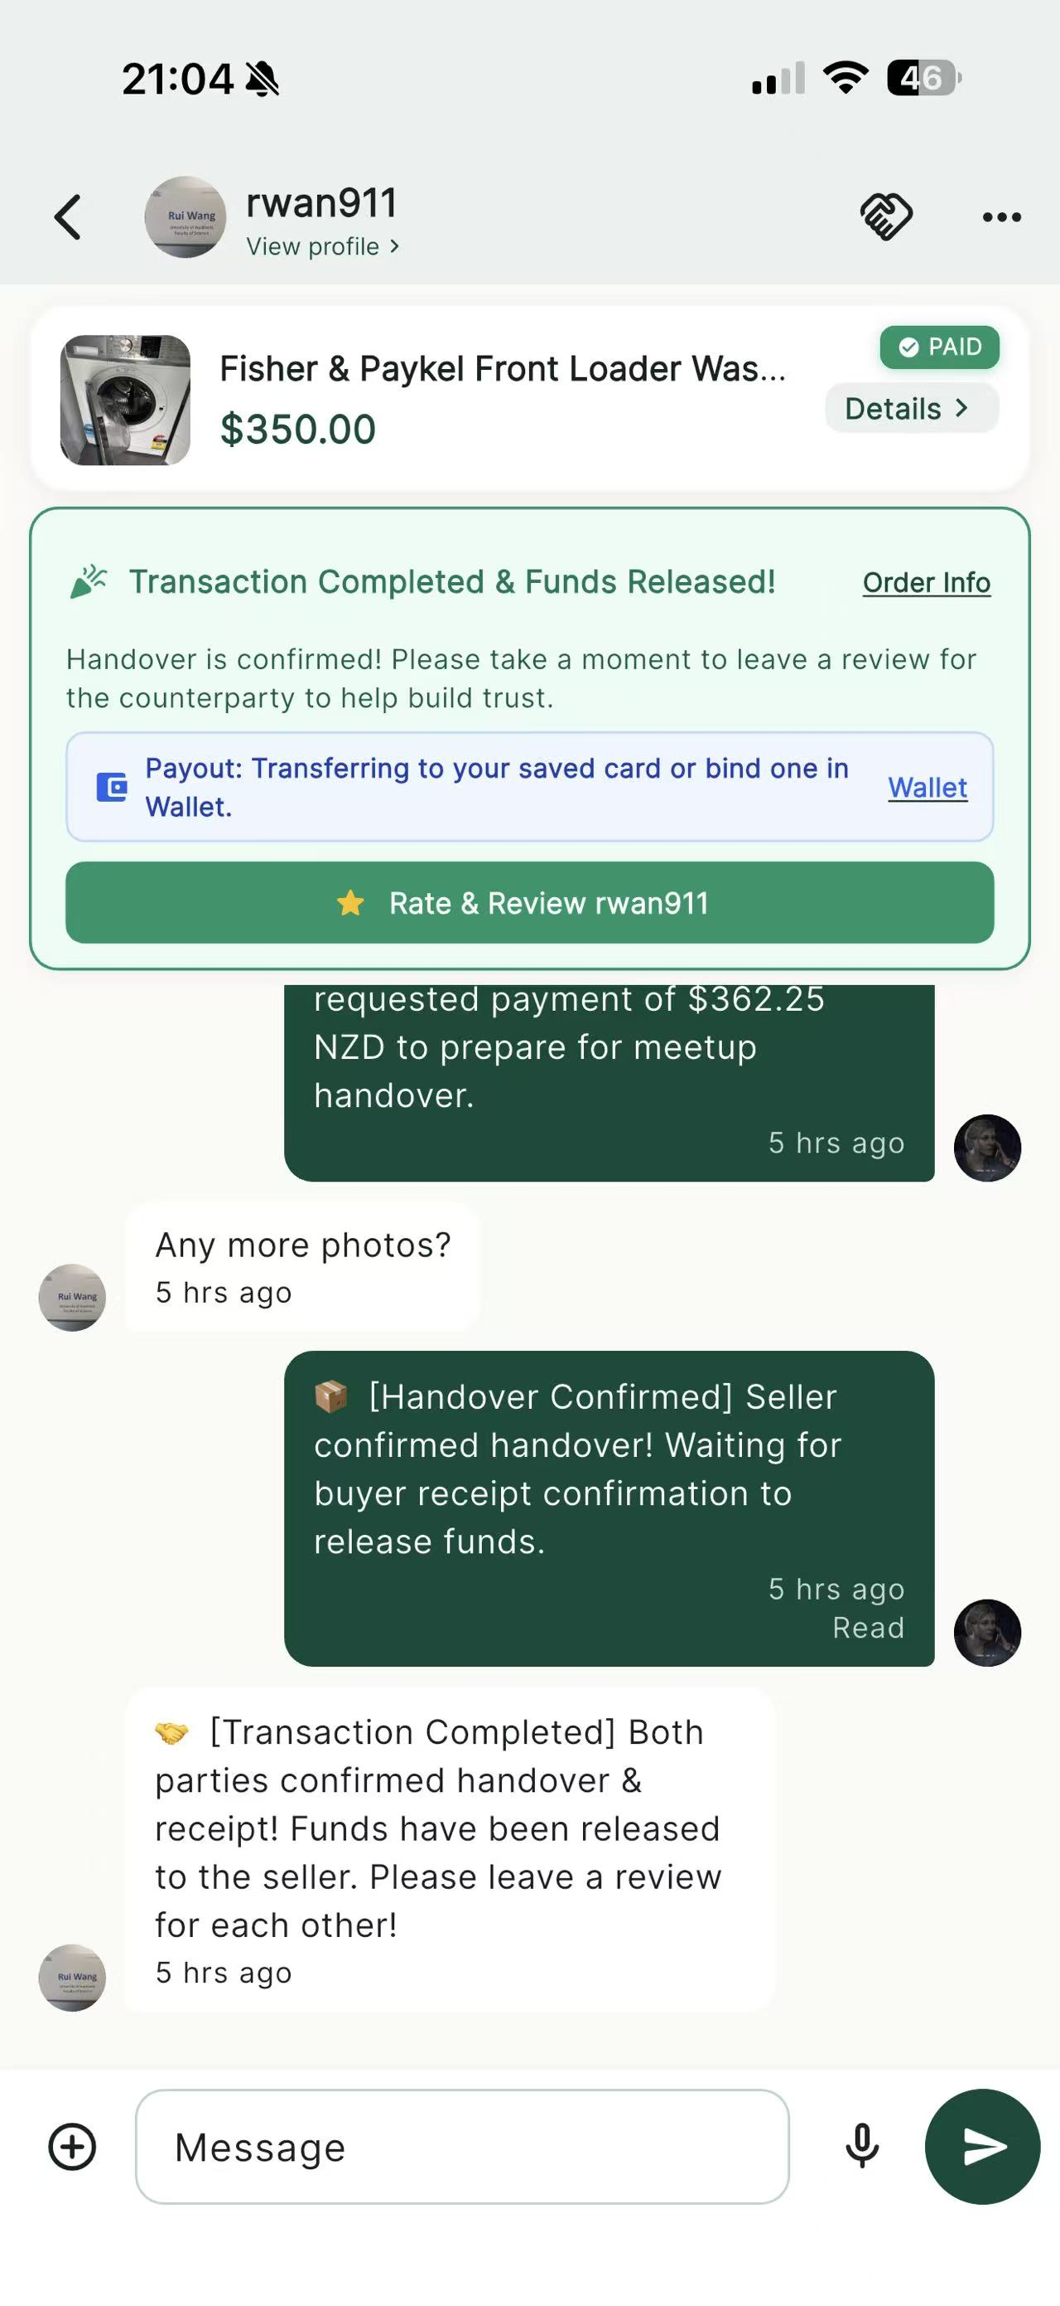
IMG-05 | KS-T-060 | PR #374 docs/dark-mode-home.png Source commit f55fc4e https://github.com/UOA-CS734-S2-2026/project-implementation-five-guys/blob/f55fc4e066bc7a755a55907dd4f29797d0805c7f/docs/dark-mode-home.png | Android emulator dark-mode Home is visible. | 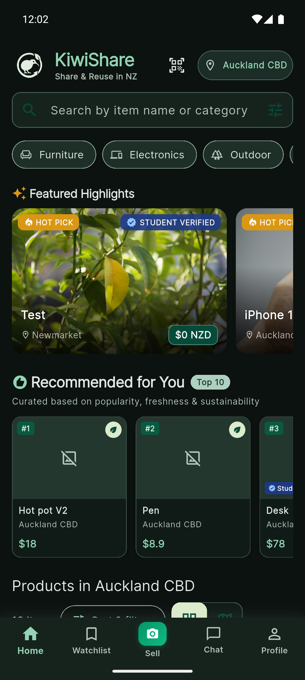
IMG-06 | KS-T-058 | PR #374 docs/dark-mode-login-sheet.png Source commit f55fc4e https://github.com/UOA-CS734-S2-2026/project-implementation-five-guys/blob/f55fc4e066bc7a755a55907dd4f29797d0805c7f/docs/dark-mode-login-sheet.png | Android emulator dark-mode login sheet is visible. | 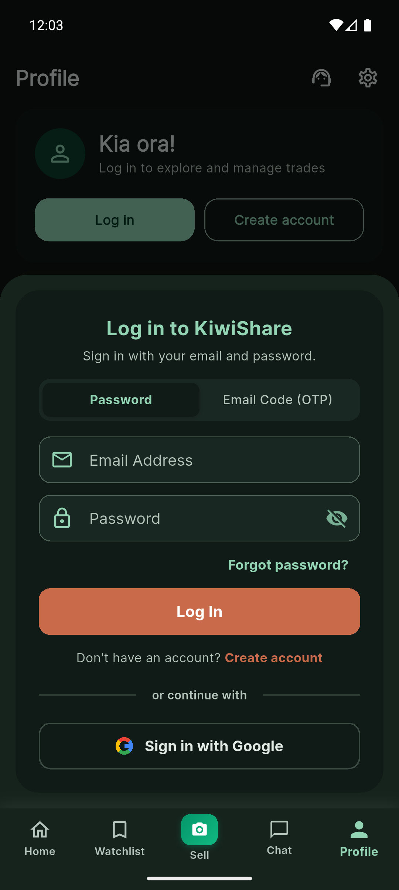
IMG-07 | KS-T-015, KS-T-061 | PR #374 docs/dark-mode-watchlist.png Source commit f55fc4e https://github.com/UOA-CS734-S2-2026/project-implementation-five-guys/blob/f55fc4e066bc7a755a55907dd4f29797d0805c7f/docs/dark-mode-watchlist.png | Android emulator dark-mode Watchlist error and Retry state are visible. | 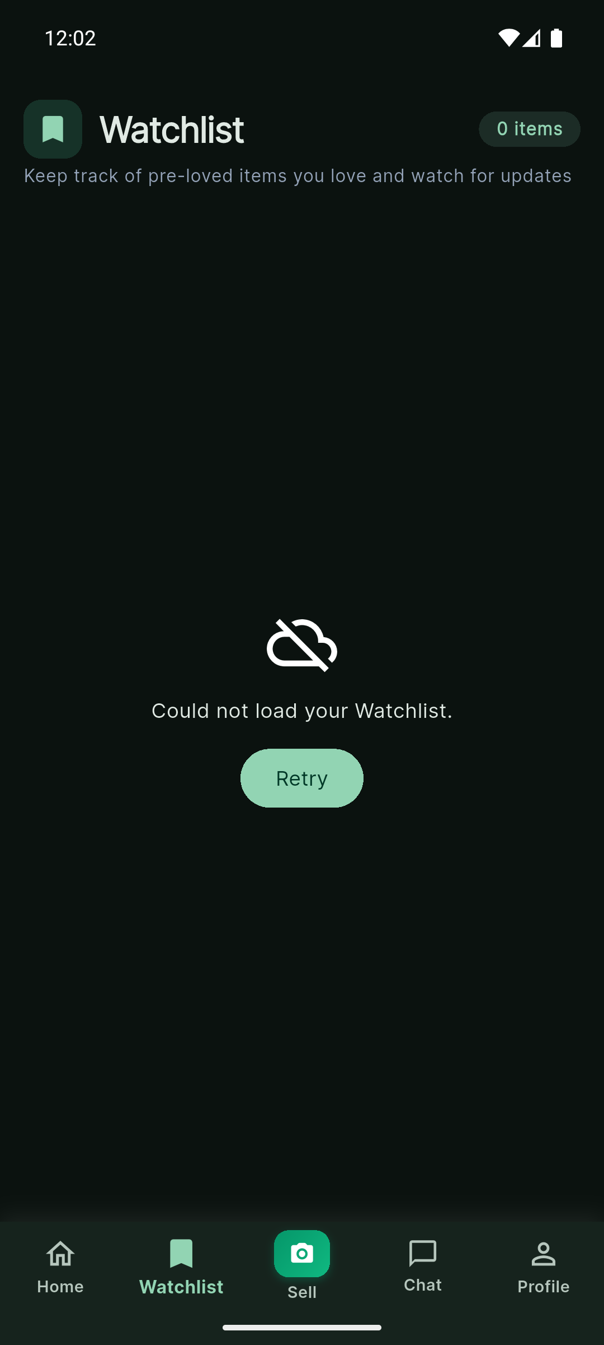
IMG-08 | KS-T-024 | PR #371 docs/screenshots/pr-371/compact-product-cards.png Source commit f55fc4e https://github.com/UOA-CS734-S2-2026/project-implementation-five-guys/blob/f55fc4e066bc7a755a55907dd4f29797d0805c7f/docs/screenshots/pr-371/compact-product-cards.png | Compact Home product cards are visible. | 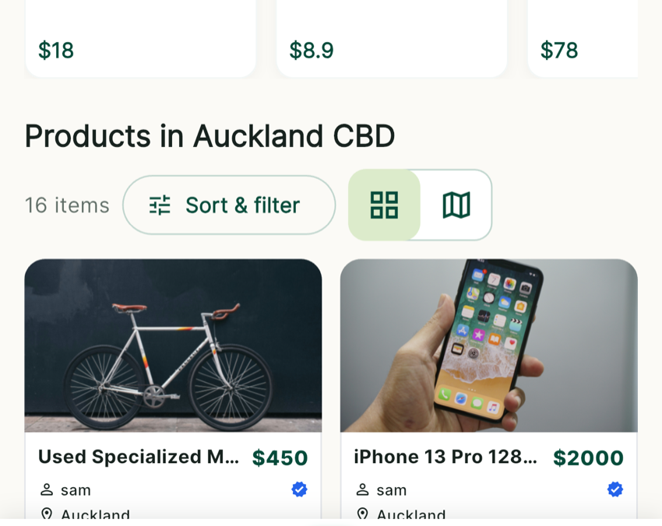
IMG-09 | KS-T-024 | PR #371 docs/screenshots/pr-371/home-overview.png Source commit f55fc4e https://github.com/UOA-CS734-S2-2026/project-implementation-five-guys/blob/f55fc4e066bc7a755a55907dd4f29797d0805c7f/docs/screenshots/pr-371/home-overview.png | Home overview is visible. | 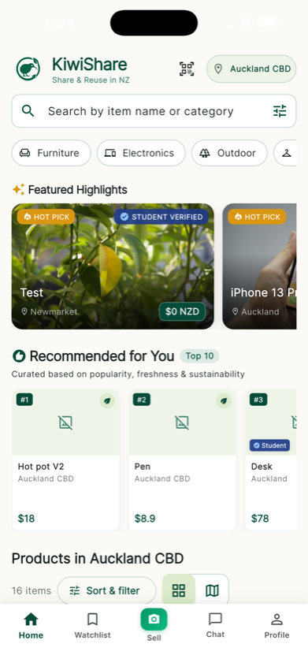
IMG-10 | KS-T-024 | PR #371 docs/screenshots/pr-371/location-normalization.png Source commit f55fc4e https://github.com/UOA-CS734-S2-2026/project-implementation-five-guys/blob/f55fc4e066bc7a755a55907dd4f29797d0805c7f/docs/screenshots/pr-371/location-normalization.png | Normalised locations on Home cards are visible. | 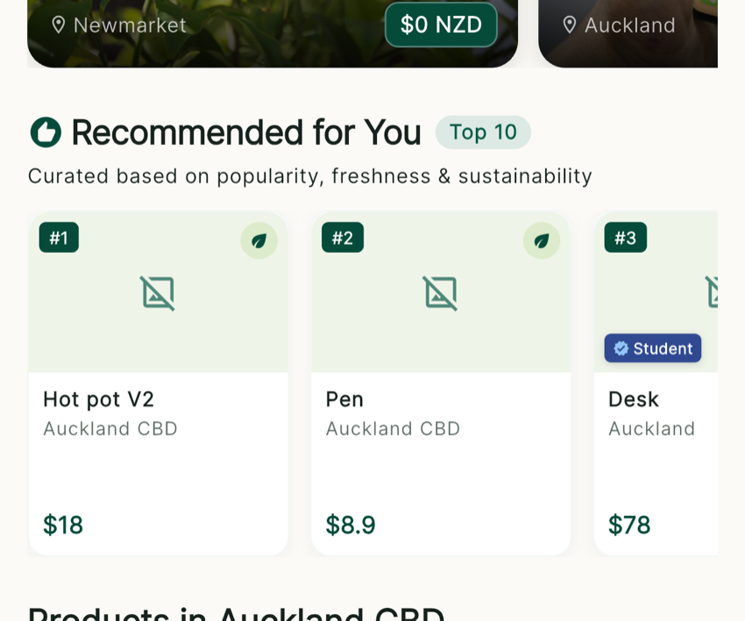
IMG-11 | KS-T-011, KS-T-014, KS-T-038 | PR #329 docs/testing-evidence/issues-301-302/after-chat-participant-avatars.jpg Source commit f55fc4e https://github.com/UOA-CS734-S2-2026/project-implementation-five-guys/blob/f55fc4e066bc7a755a55907dd4f29797d0805c7f/docs/testing-evidence/issues-301-302/after-chat-participant-avatars.jpg | Chat list shows participant photos, fallback initials and unread markers. | 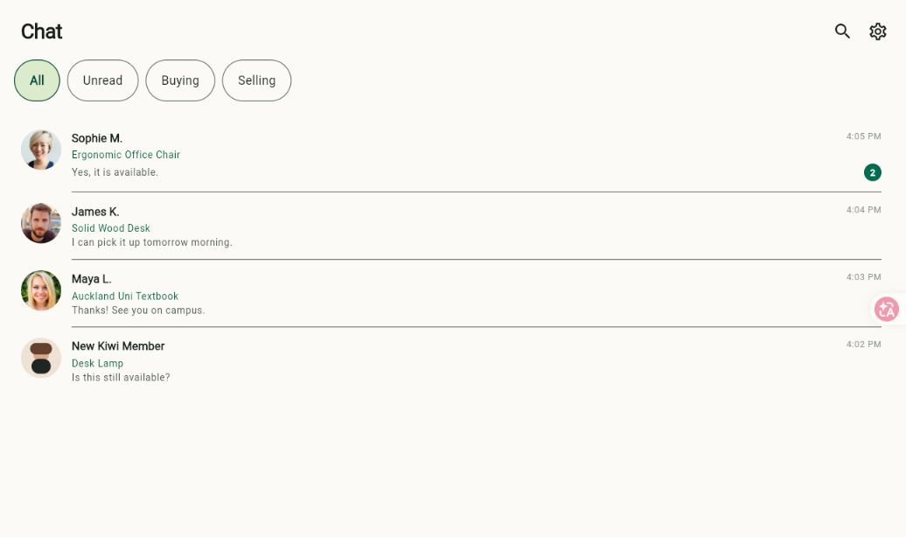
IMG-12 | KS-T-036, KS-T-037, KS-T-040 | PR #311 docs/testing-evidence/issues-301-302/after-voice-tap-bar.png Source commit f55fc4e https://github.com/UOA-CS734-S2-2026/project-implementation-five-guys/blob/f55fc4e066bc7a755a55907dd4f29797d0805c7f/docs/testing-evidence/issues-301-302/after-voice-tap-bar.png | Flutter Web voice composer, text messages and item context are visible. | 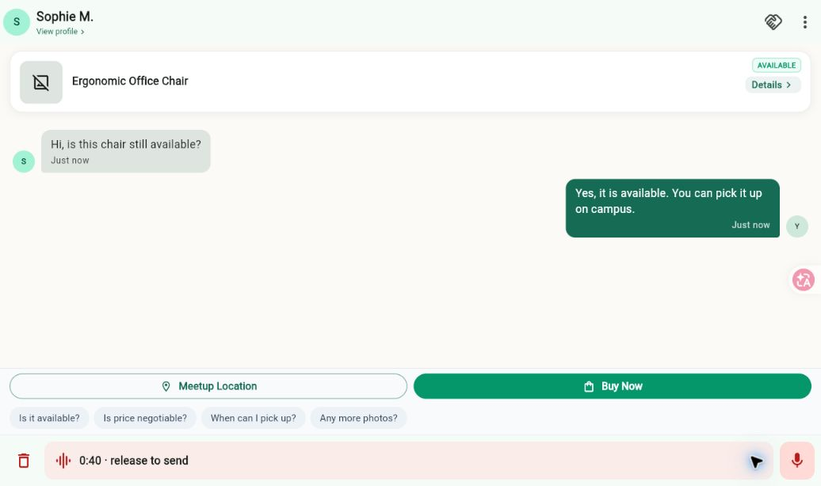
REF-01 | KS-T-007 | PR #309 https://github.com/UOA-CS734-S2-2026/project-implementation-five-guys/pull/309 | OTP password-reset screen is visible. | Screenshot attached in PR description. Attachment not downloaded or visually verified.
REF-02 | KS-T-008 | PR #239 https://github.com/UOA-CS734-S2-2026/project-implementation-five-guys/pull/239 | Change-password screenshot; PR #309 also describes spacing fix. Next-login behaviour is not established by this reference. | Screenshot attached in PR description. Attachment not downloaded or visually verified.
REF-03 | KS-T-012 | PR #239 https://github.com/UOA-CS734-S2-2026/project-implementation-five-guys/pull/239 | Before/after username screenshots. Other screens and latest release retest are not established by this reference. | Screenshot attached in PR description. Attachment not downloaded or visually verified.
REF-04 | KS-T-013 | PR #309 https://github.com/UOA-CS734-S2-2026/project-implementation-five-guys/pull/309 | Screenshot labelled length limit. Attachment not downloaded or visually verified. | Screenshot attached in PR description. Attachment not downloaded or visually verified.
REF-05 | KS-T-016 | PR #248 https://github.com/UOA-CS734-S2-2026/project-implementation-five-guys/pull/248 | Report-history screenshots. PR describes Android emulator verification against real database records. | Screenshot attached in PR description. Attachment not downloaded or visually verified.
REF-06 | KS-T-020 | PR #277 https://github.com/UOA-CS734-S2-2026/project-implementation-five-guys/pull/277 | PR documents AI drafting and includes nine iPhone Simulator screenshots. | Screenshot attached in PR description. Attachment not downloaded or visually verified.
REF-07 | KS-T-027 | PR #325 https://github.com/UOA-CS734-S2-2026/project-implementation-five-guys/pull/325 | Filter-badge fix and screenshot are recorded. | Screenshot attached in PR description. Attachment not downloaded or visually verified.
REF-08 | KS-T-030 | PR #181 https://github.com/UOA-CS734-S2-2026/project-implementation-five-guys/pull/181 | Product-detail reporting entry screenshots are recorded. | Screenshot attached in PR description. Attachment not downloaded or visually verified.
REF-09 | KS-T-032 | PR #372 https://github.com/UOA-CS734-S2-2026/project-implementation-five-guys/pull/372 | Four watchlist-heart screenshots are recorded. | Screenshot attached in PR description. Attachment not downloaded or visually verified.
REF-10 | KS-T-034 | PR #194 https://github.com/UOA-CS734-S2-2026/project-implementation-five-guys/pull/194 | Notification-permission screenshot is recorded. | Screenshot attached in PR description. Attachment not downloaded or visually verified.
REF-11 | KS-T-047 | PR #317 https://github.com/UOA-CS734-S2-2026/project-implementation-five-guys/pull/317 | Contextual report-form screenshot is recorded. | Screenshot attached in PR description. Attachment not downloaded or visually verified.
REF-12 | KS-T-059 | PR #265 https://github.com/UOA-CS734-S2-2026/project-implementation-five-guys/pull/265 | PR documents dark-mode contrast fixes and includes screenshots. | Screenshot attached in PR description. Attachment not downloaded or visually verified.
IMG-13 | KS-T-028 | User-supplied physical iPhone screenshot, 2026-10-03 | Sort/filter controls and selected price range are visible. Final result ordering is not fully established by this screenshot. | 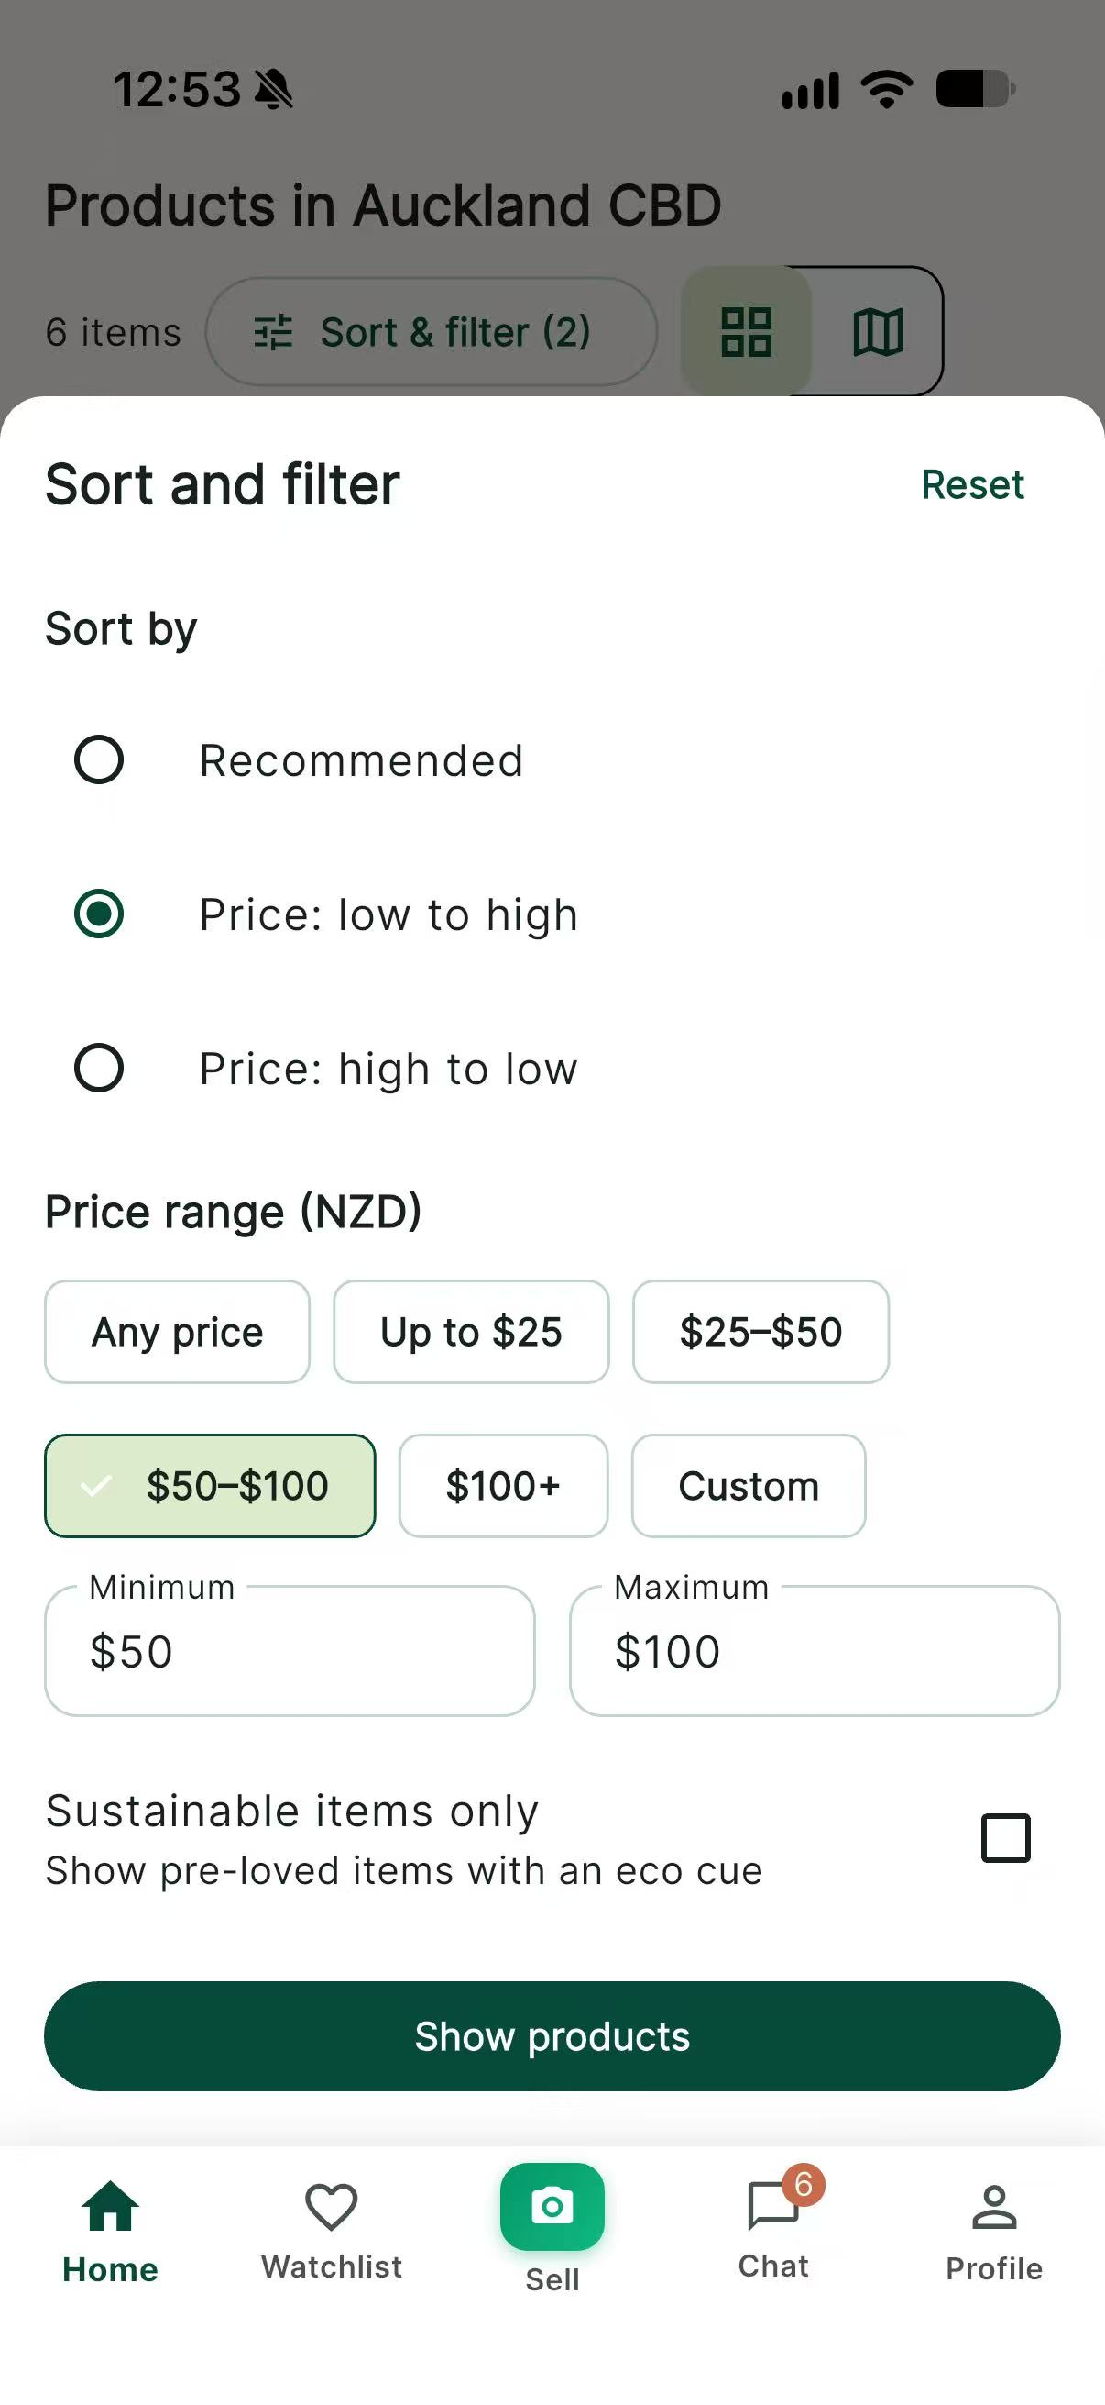
IMG-14 | KS-T-002, KS-T-024, KS-T-065 | User-supplied physical iPhone screenshot, 2026-10-03 | Authenticated Home feed and product content visibly load on a physical iPhone. | 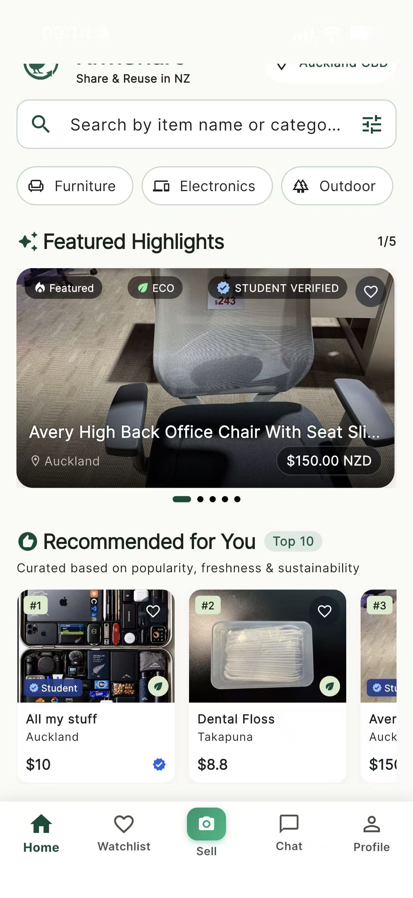
IMG-15 | KS-T-001 | User-supplied physical iPhone screenshot, privacy-redacted, 2026-10-03 | Three physical-iPhone screenshots show the empty registration form, privacy-redacted valid inputs, and the resulting signed-in Profile with the new display name, establishing successful account creation and login. | 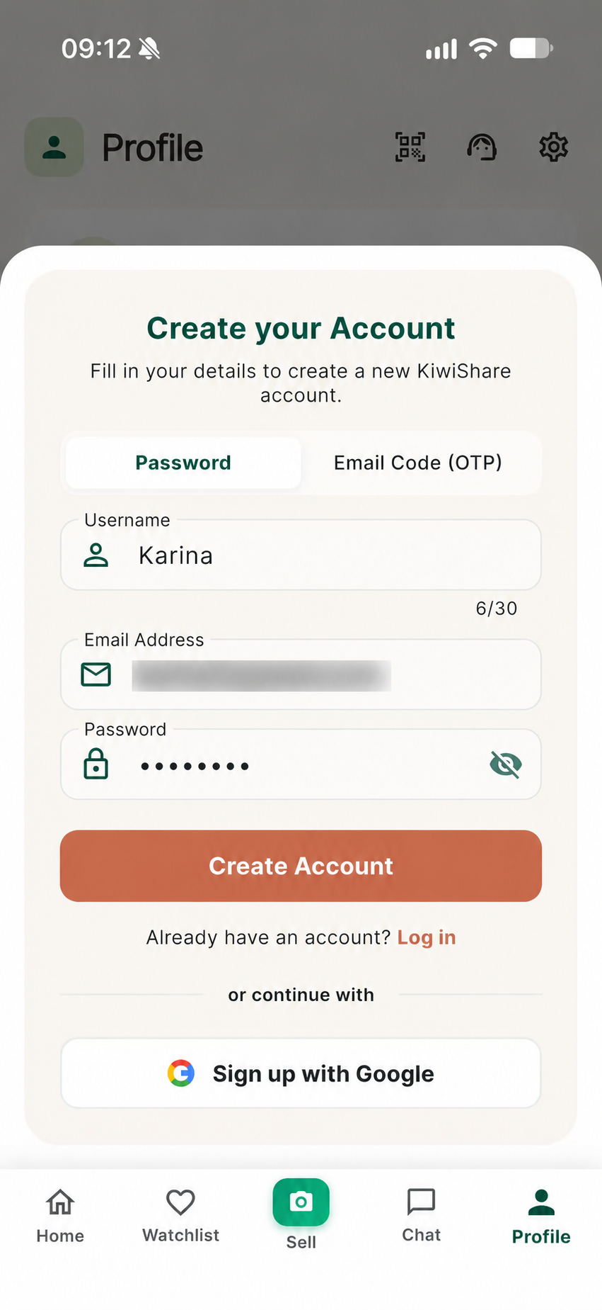 | 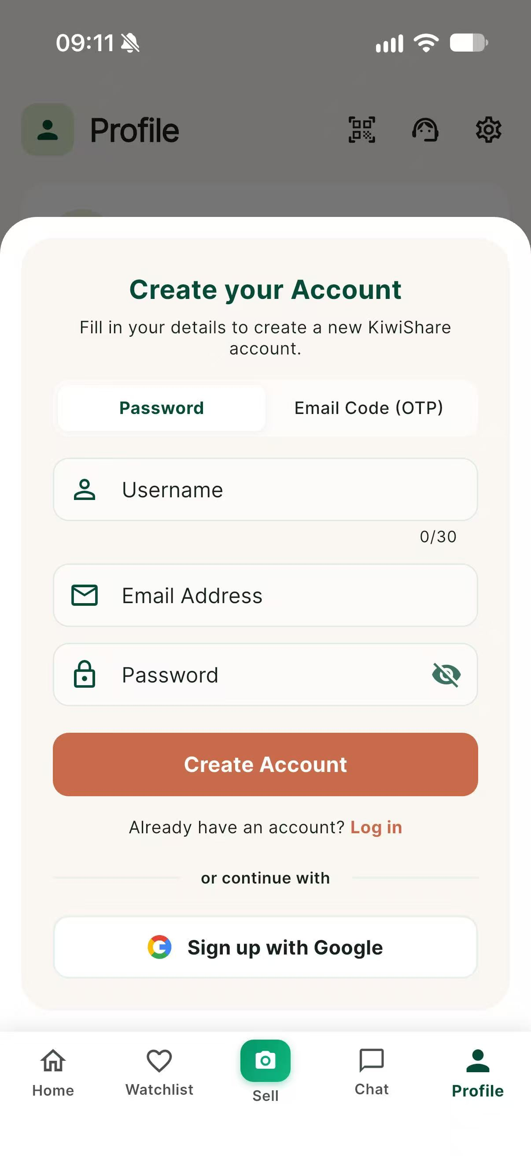 | 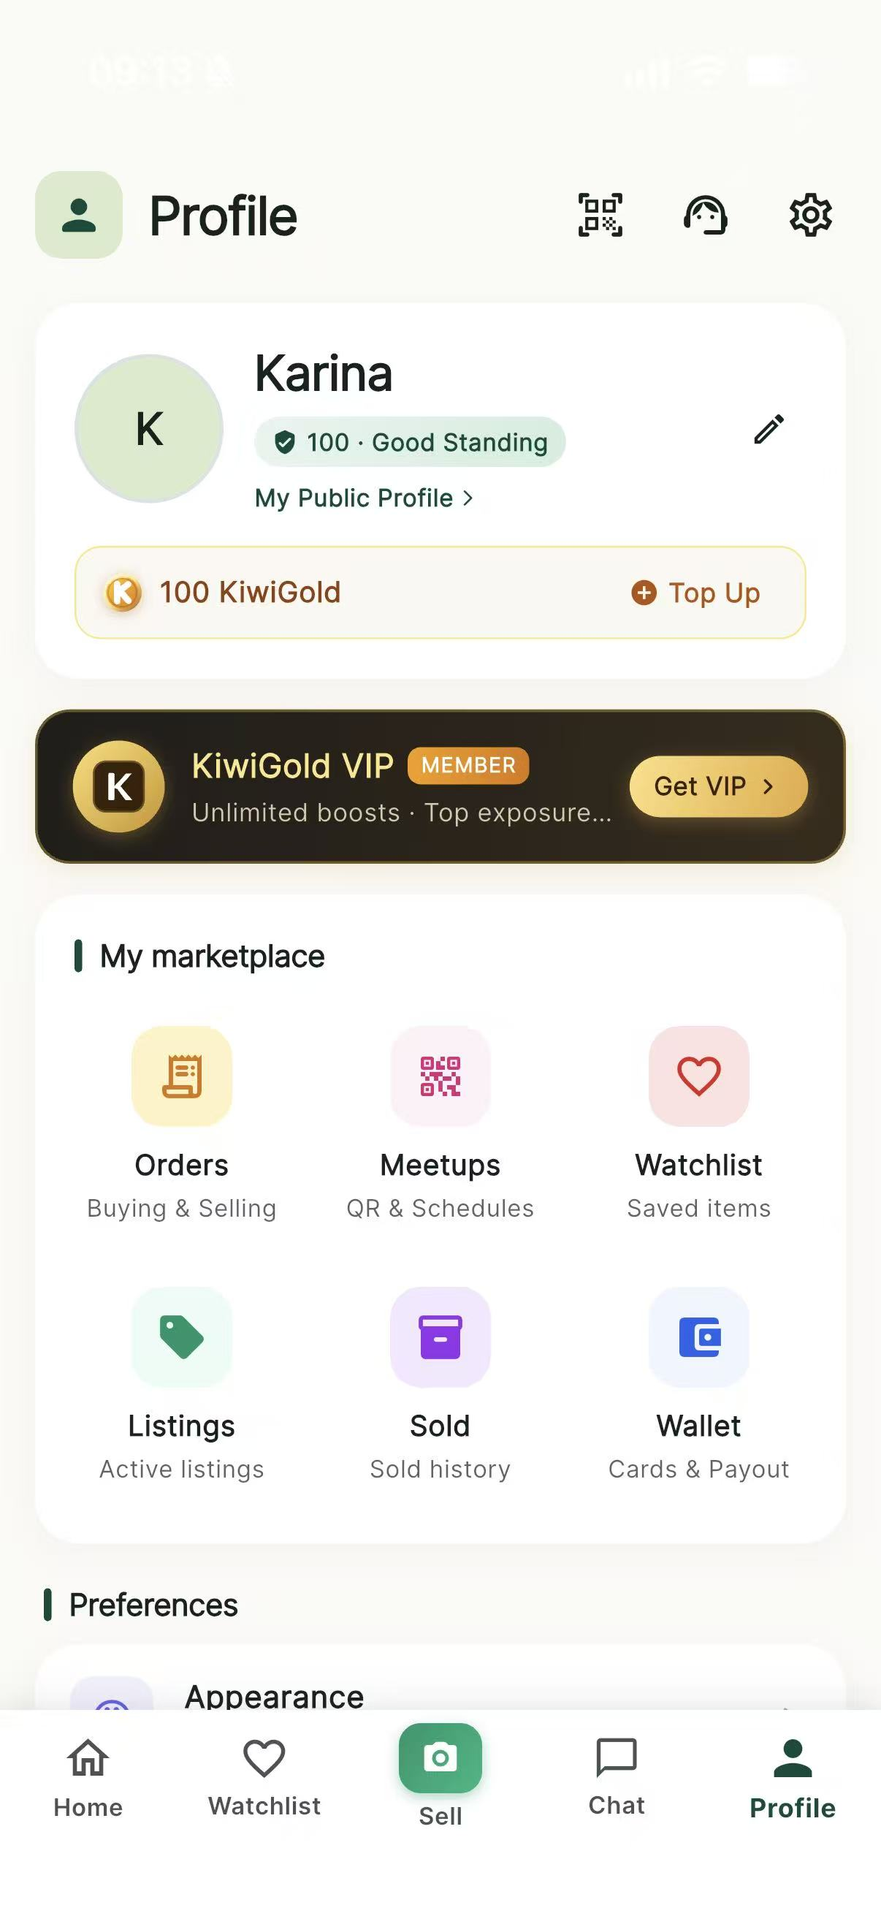
IMG-16 | KS-T-003 | User-supplied physical iPhone screenshot, privacy-redacted, 2026-10-03 | Invalid credentials are rejected with a clear error while the login screen remains available. | 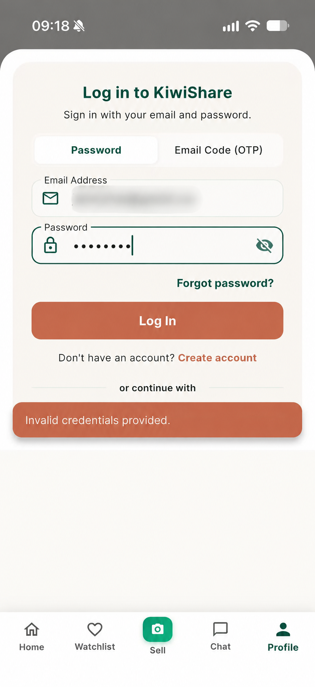
IMG-17 | KS-T-005 | User-supplied physical iPhone screenshots, privacy-redacted, 2026-10-03 | Sequence shows password-reset entry, email delivery with a one-time code, the reset form and OTP resend countdown. | 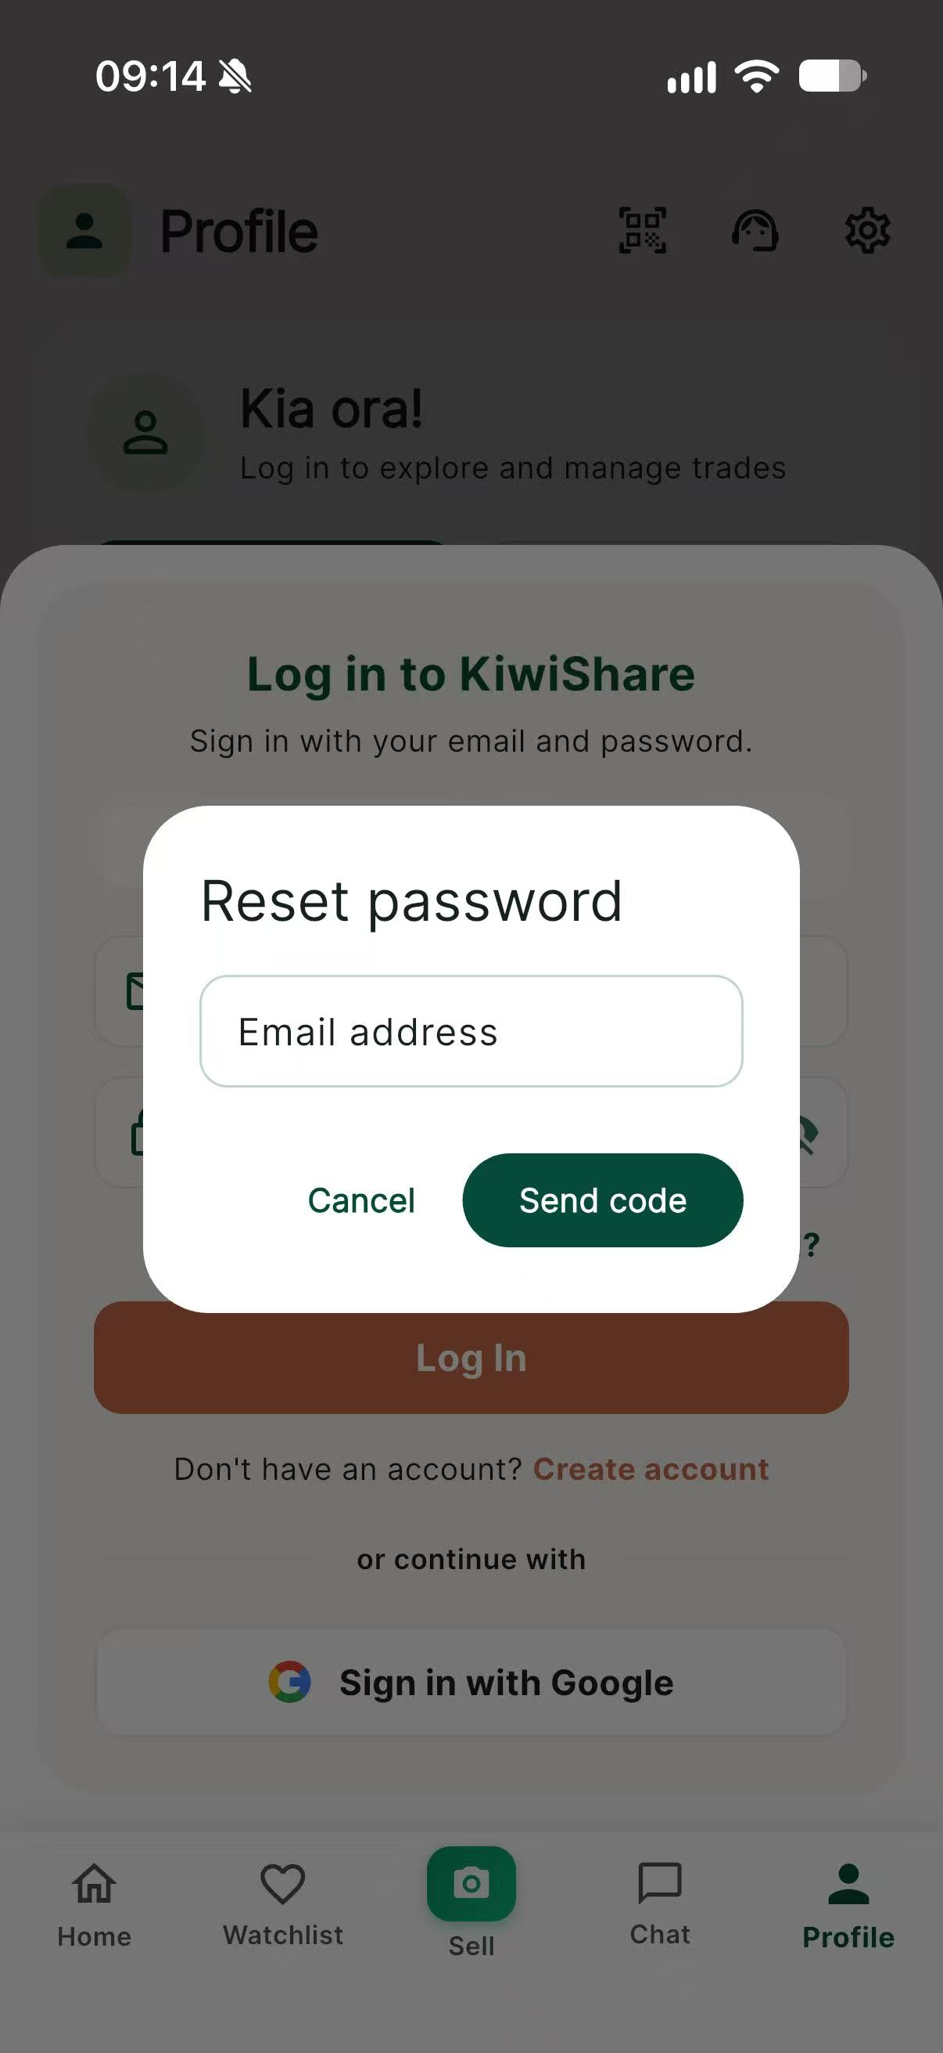 | 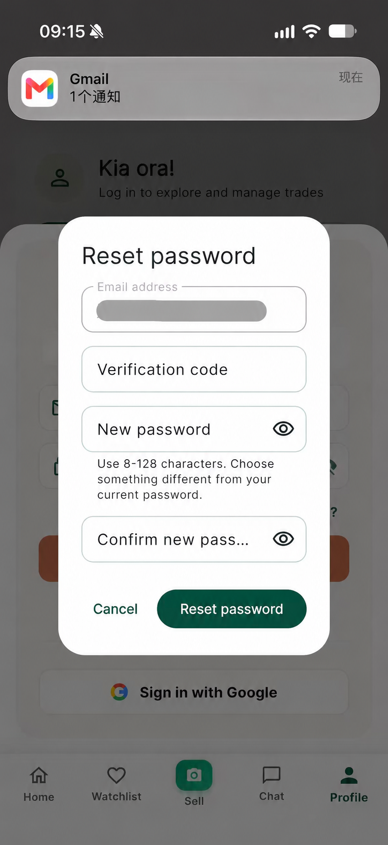 | 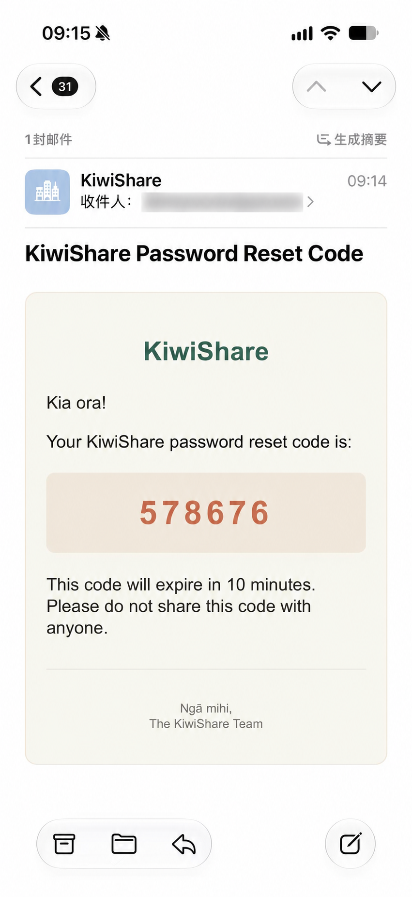 | 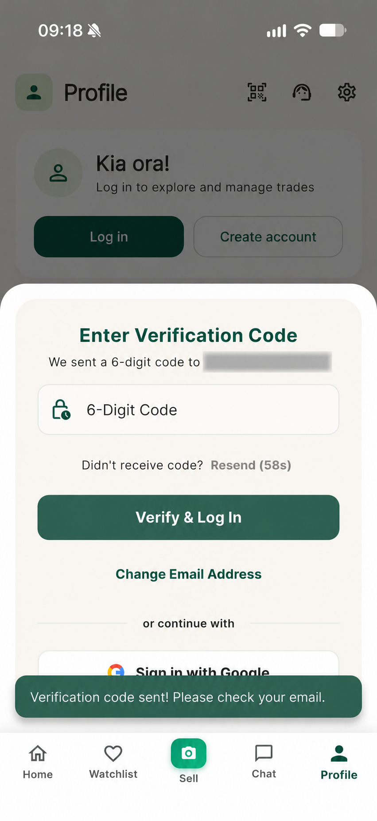
IMG-18 | KS-T-017, KS-T-018 | User-supplied physical iPhone screenshots, 2026-10-03 | Sequence shows the listing form, five uploaded photos, completed listing fields, live-success confirmation and the item in the owner's Selling list. | 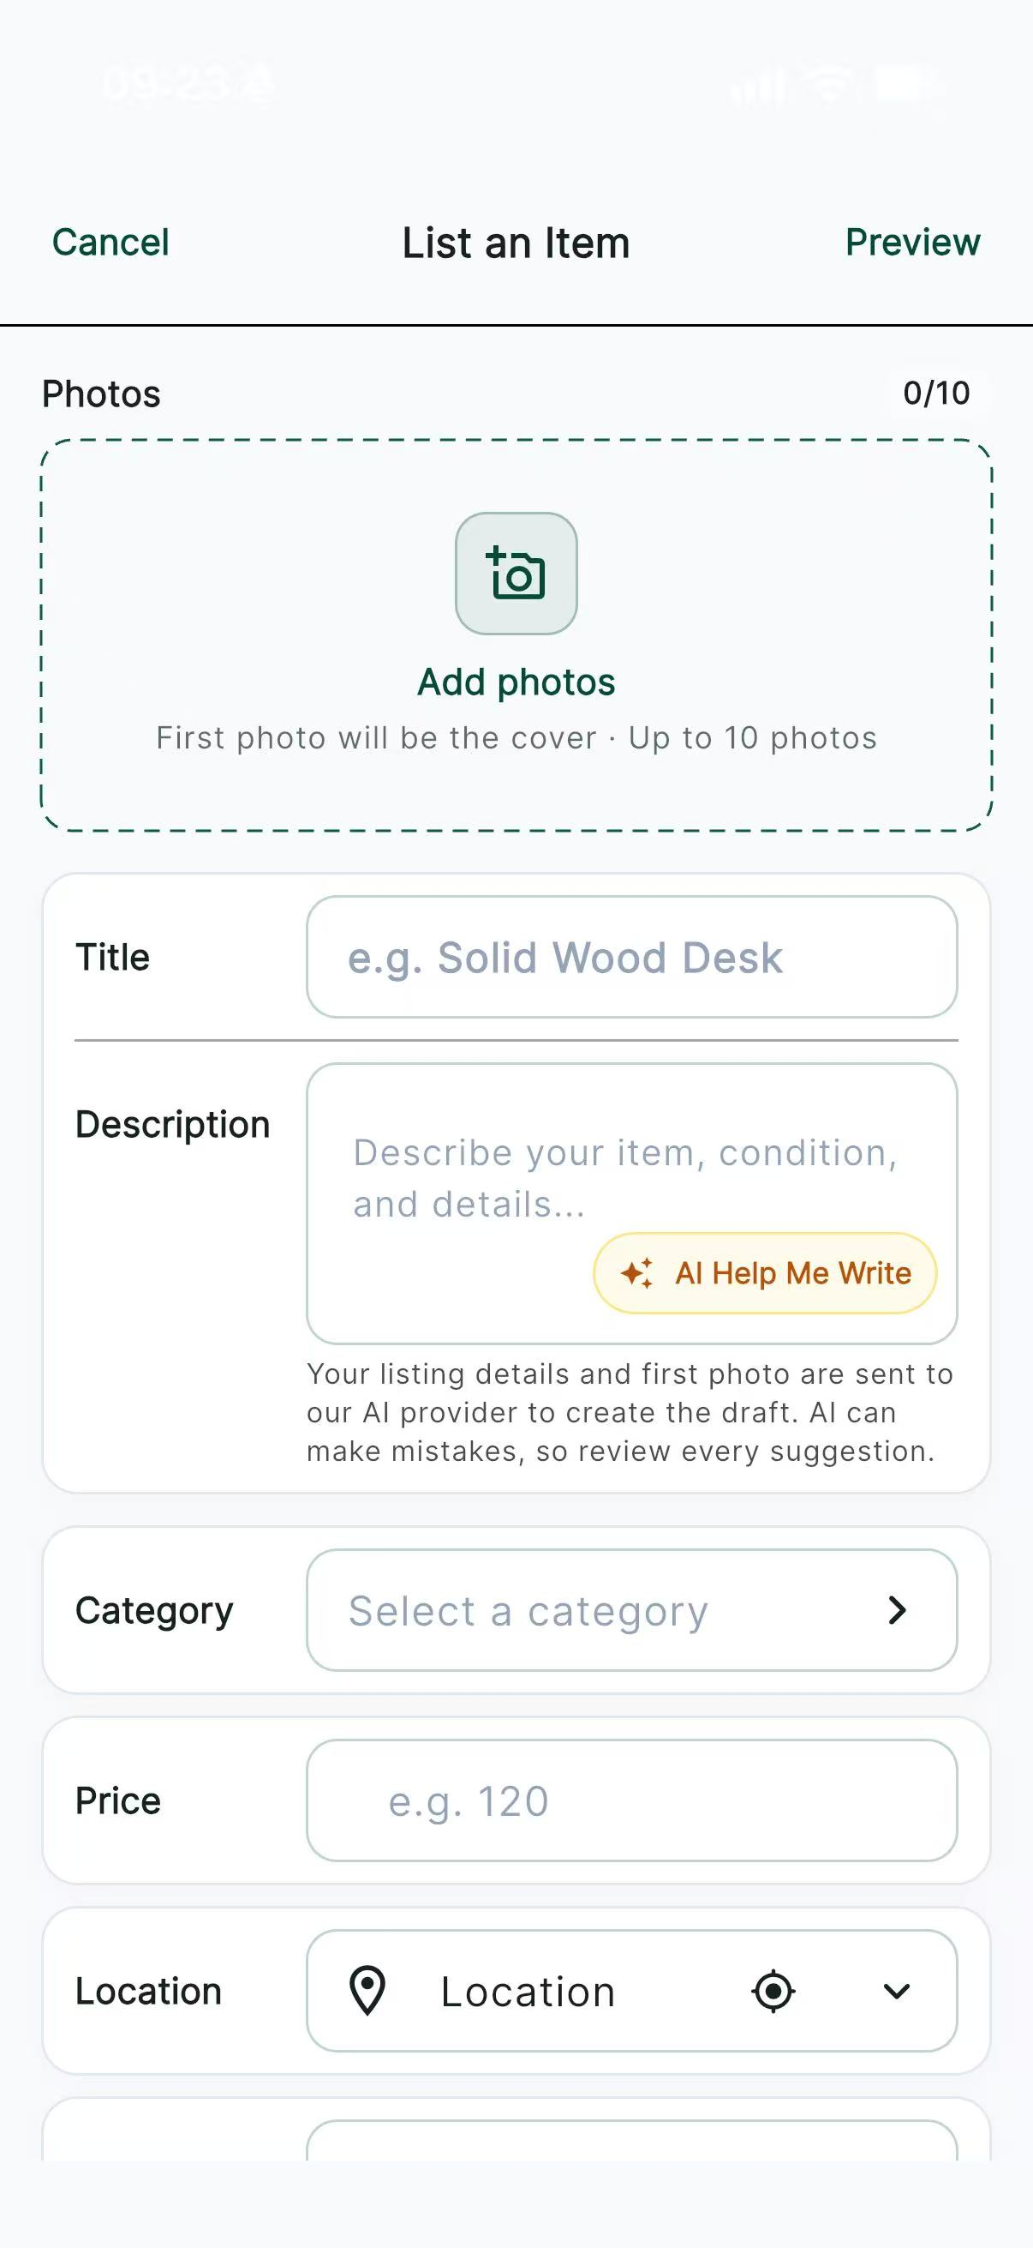 | 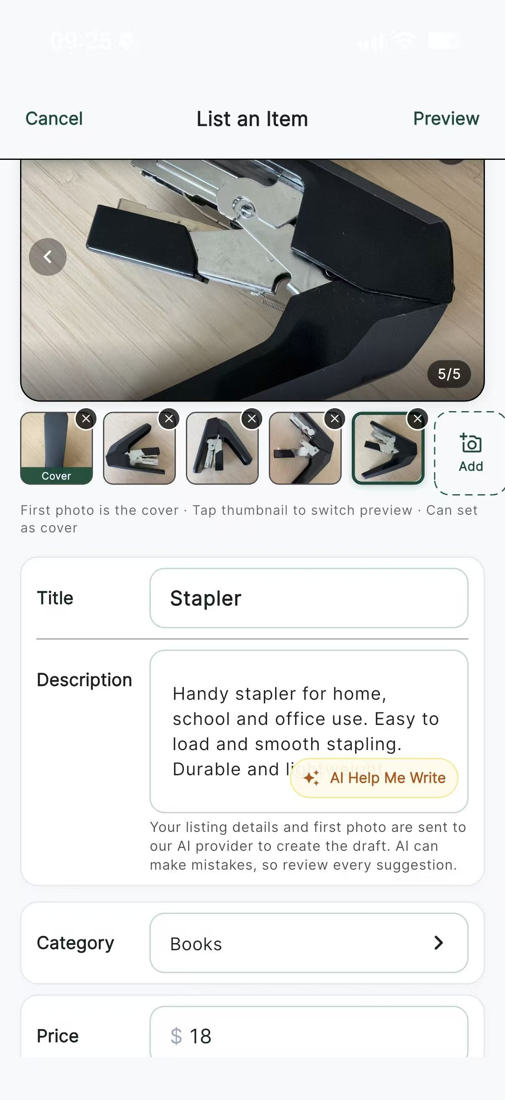 | 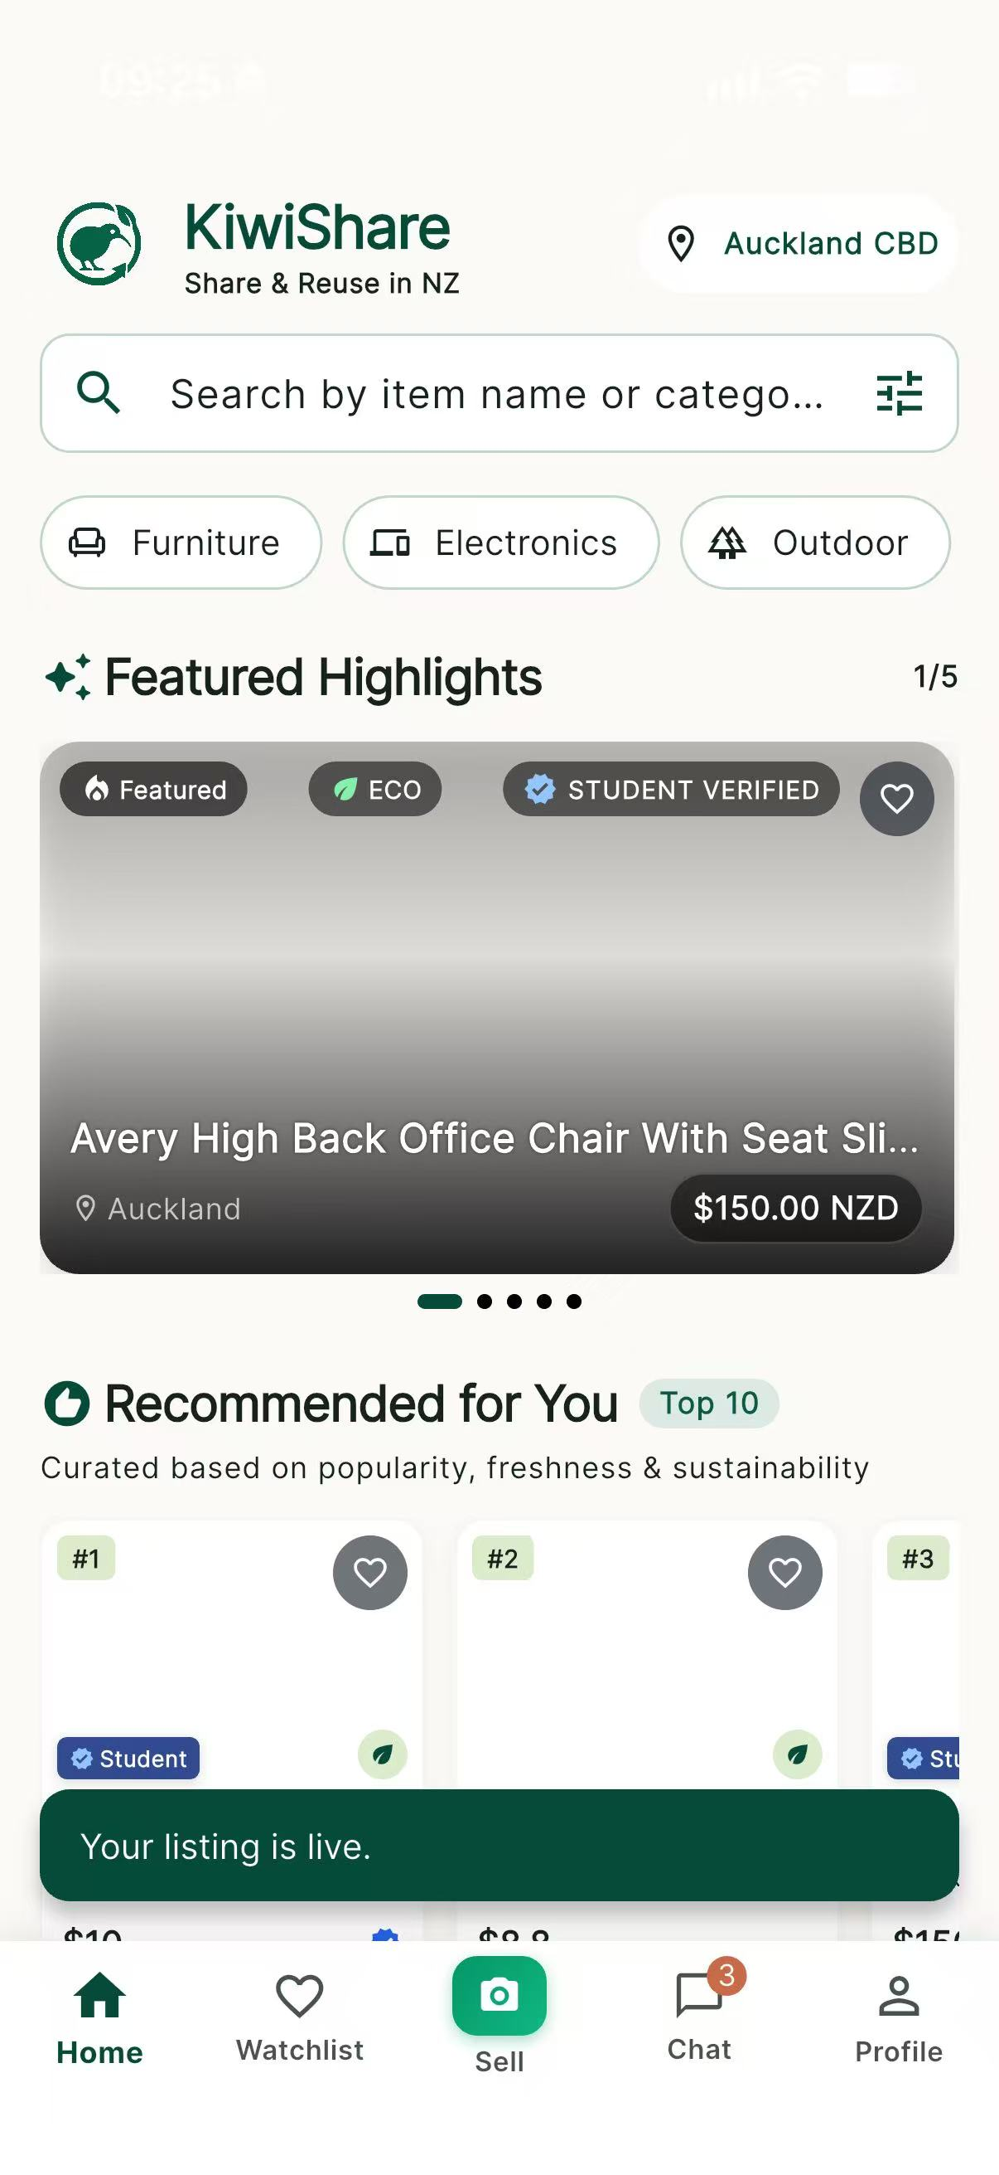 | 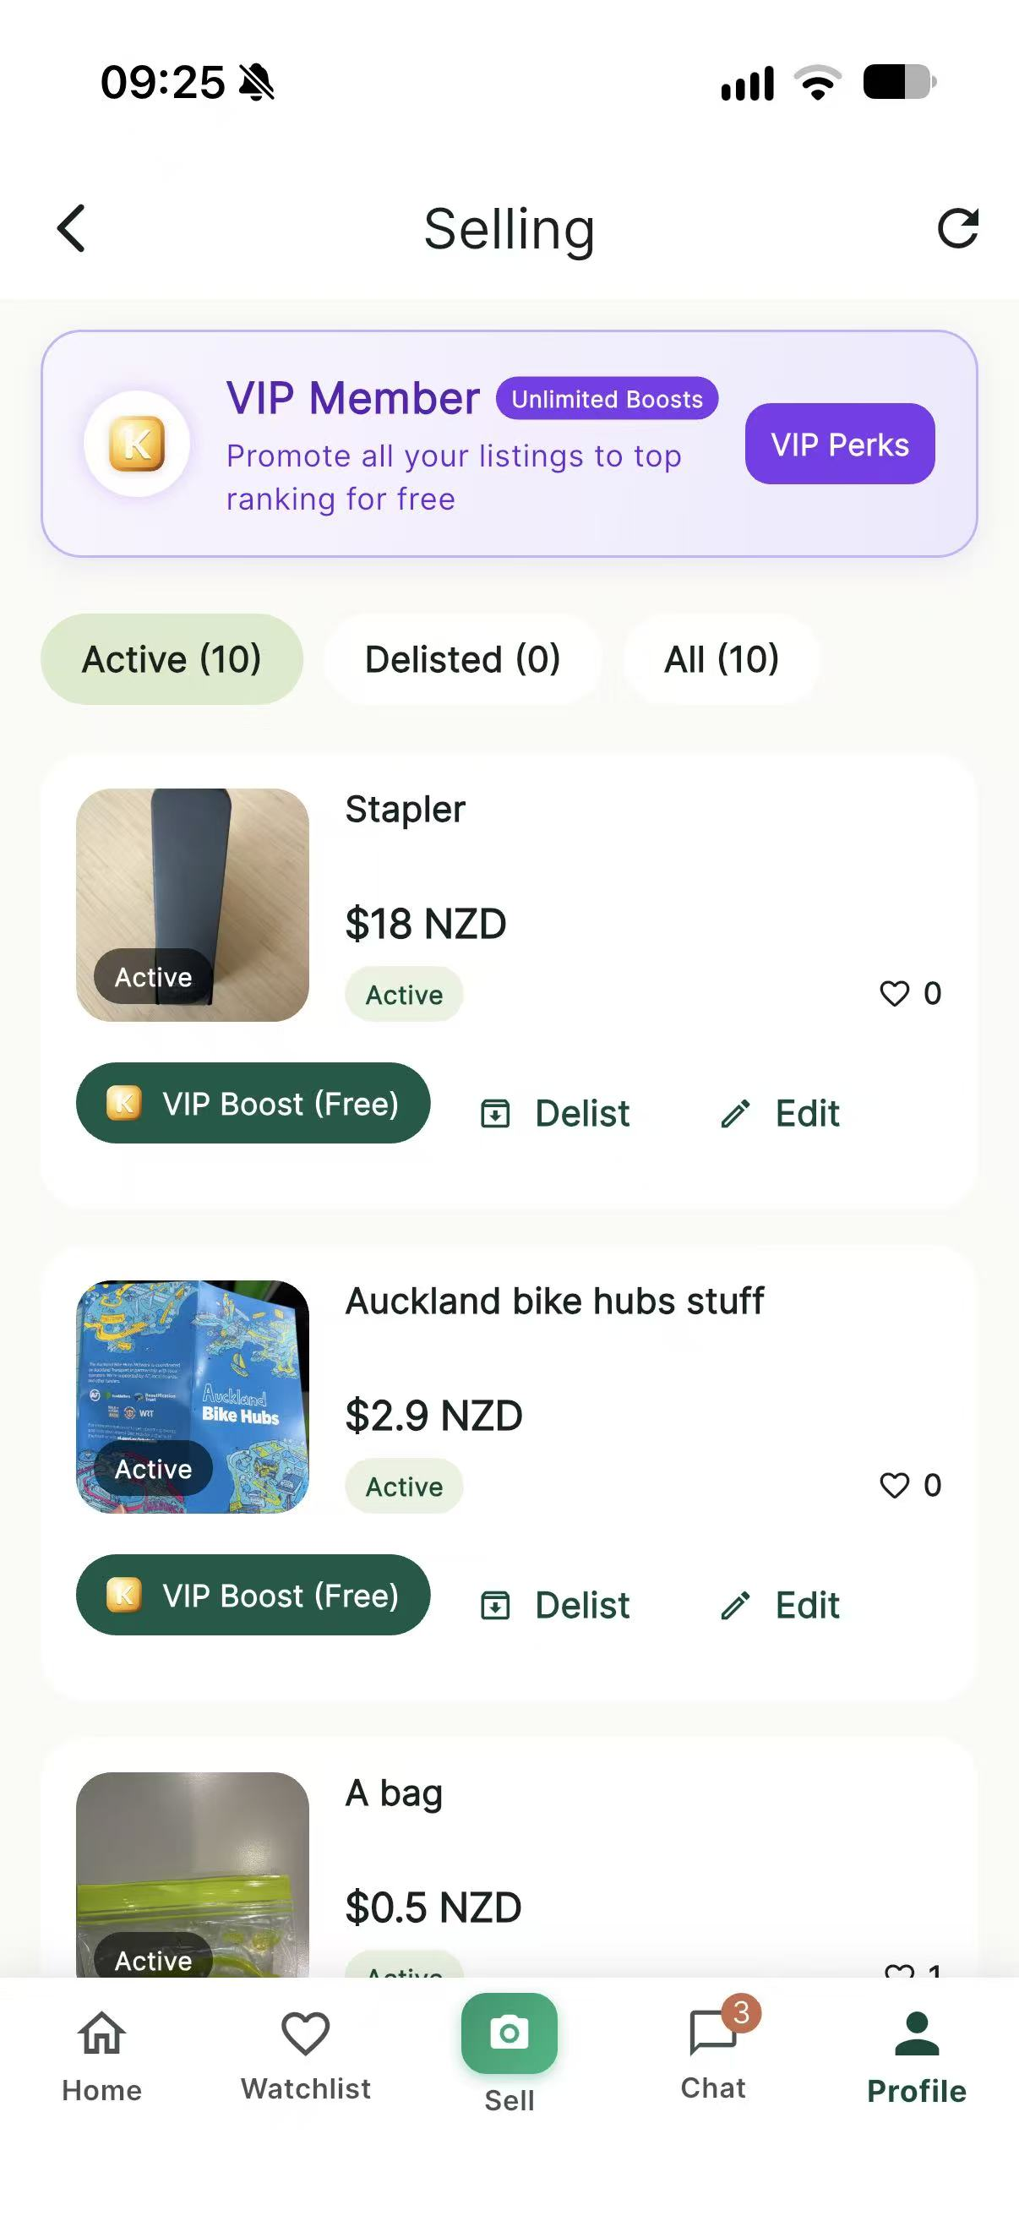
IMG-19 | KS-T-026 | User-supplied physical iPhone screenshots, 2026-10-03 | Sequence shows a search term, a matching product result and a no-match empty state. | 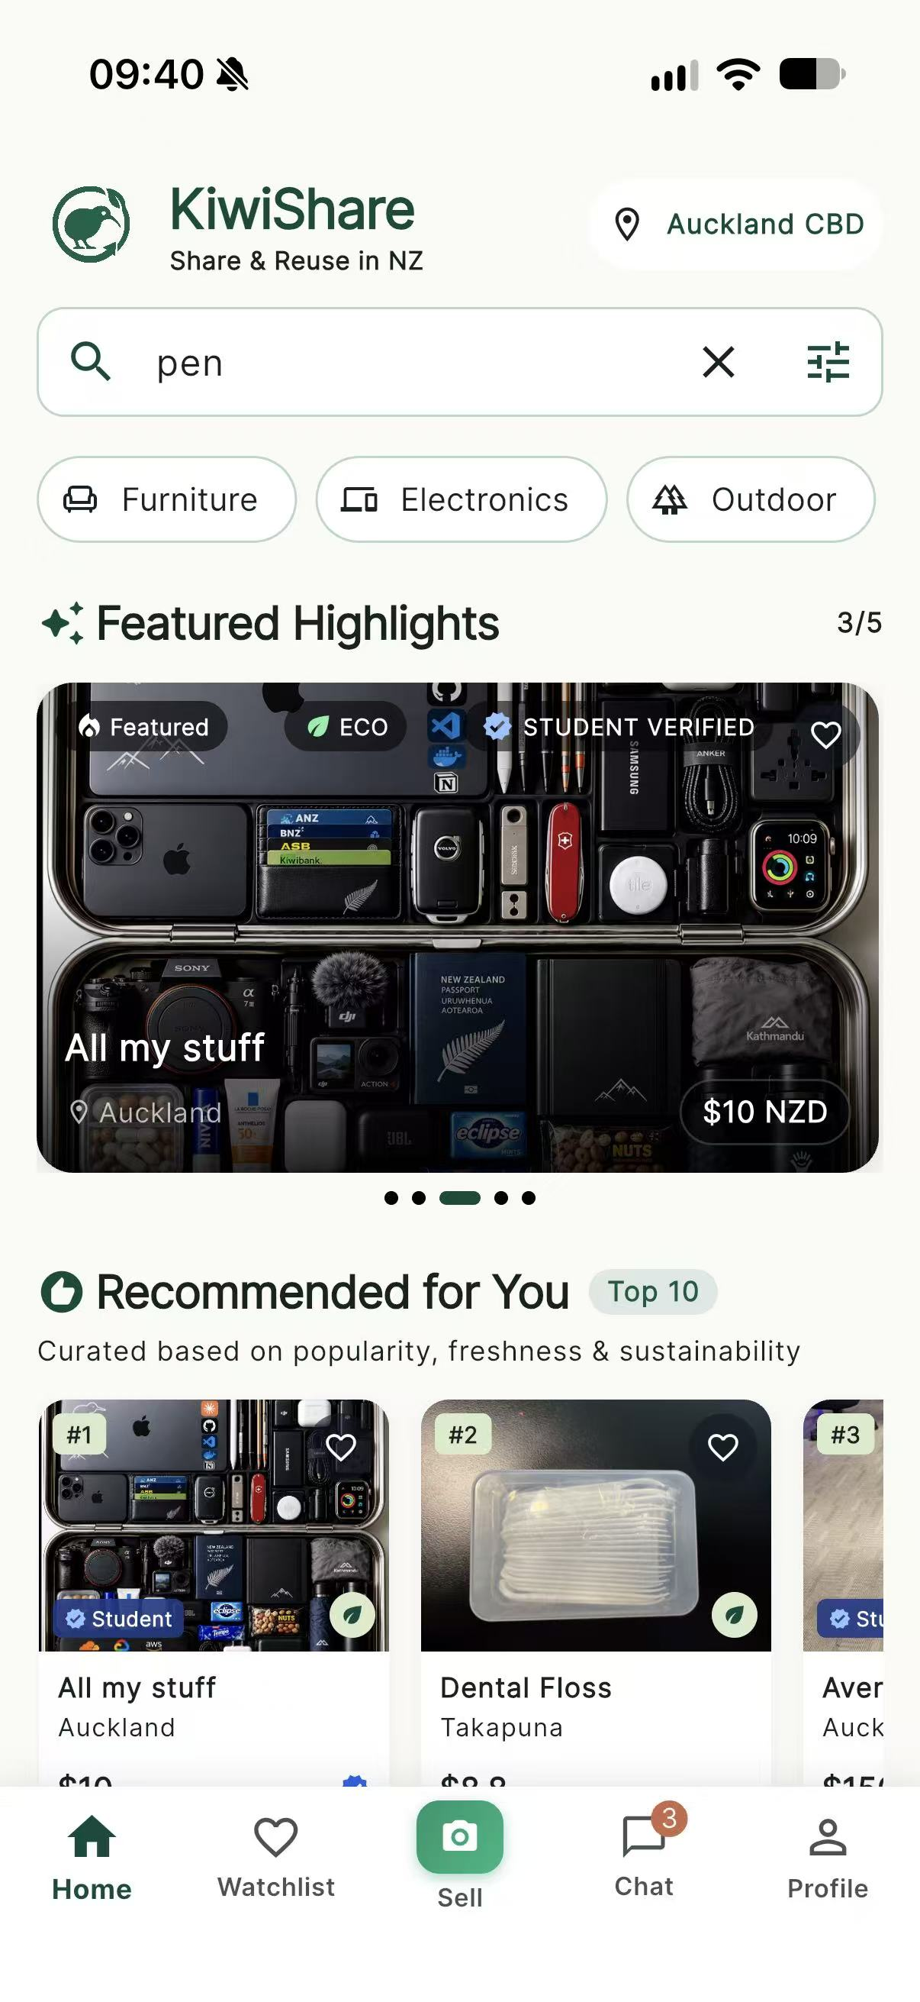 | 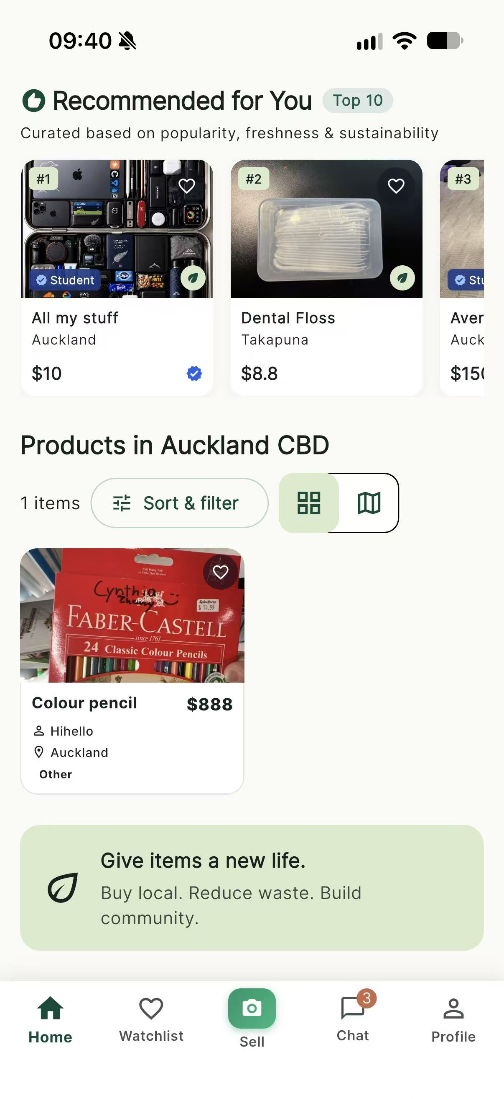 | 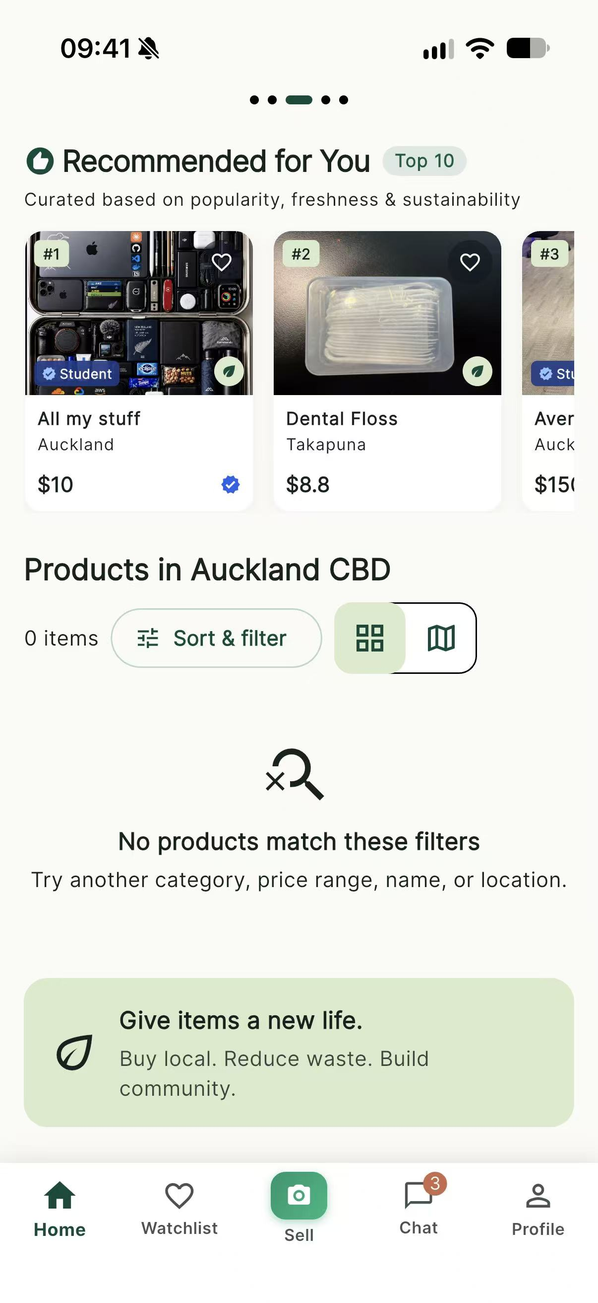
IMG-20 | KS-T-053 | User-supplied physical iPhone screenshot, privacy-redacted, 2026-10-03 | Published listing shows its image set, title, price, availability and owner context after reload. | 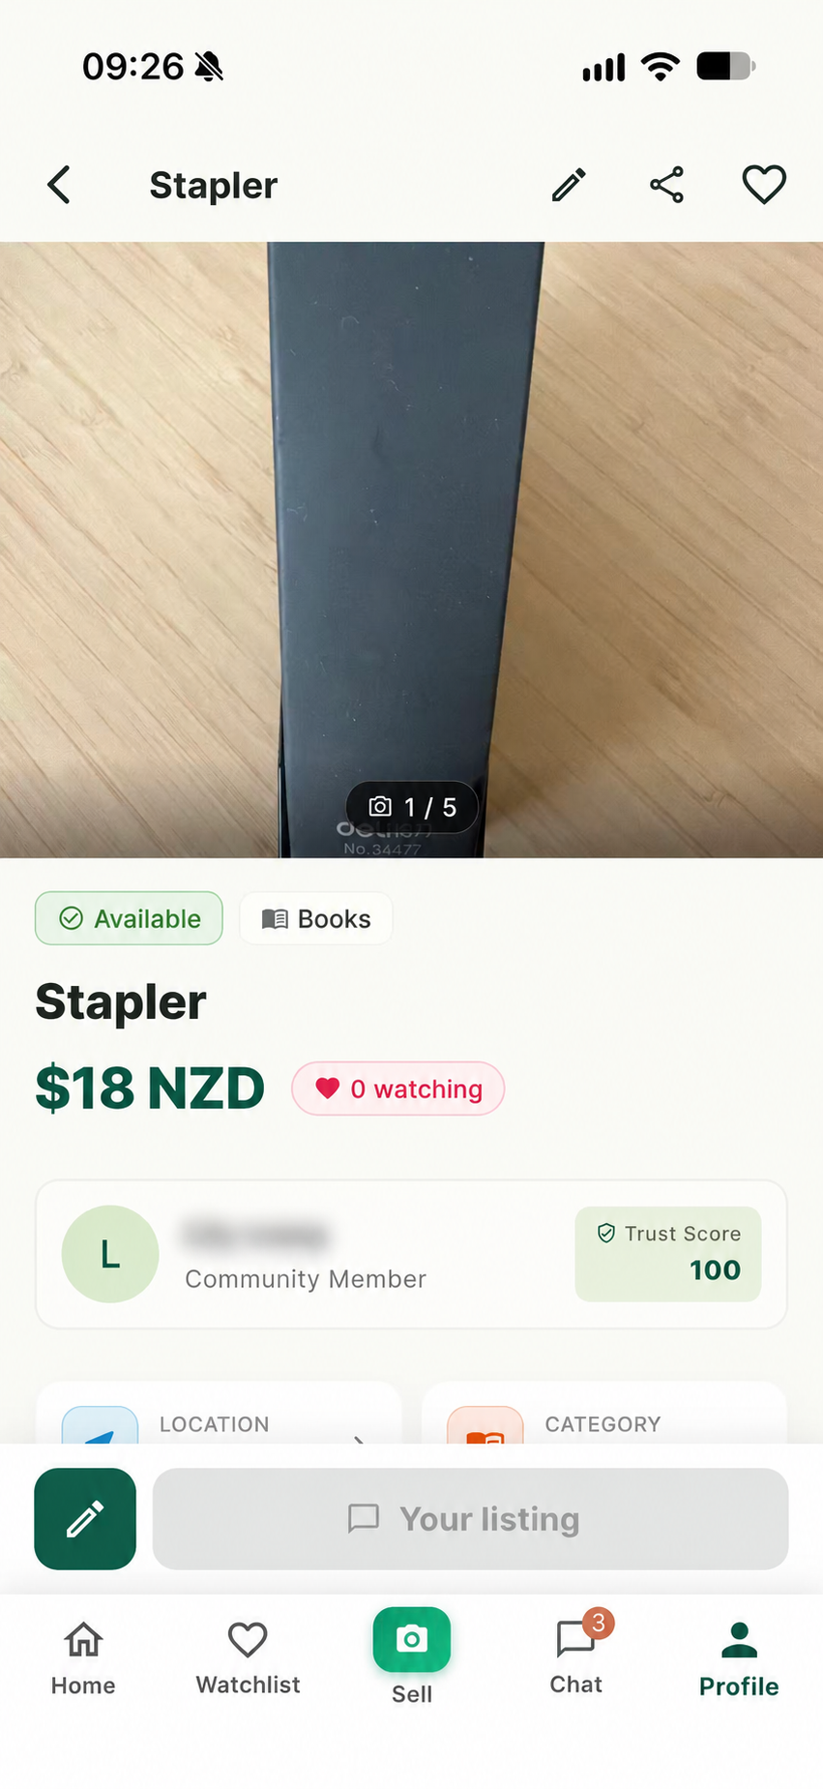
IMG-21 | KS-T-021 | User-supplied physical iPhone screenshot, 2026-10-03 | Required-field validation is visible for title, category and price, showing submission is blocked. | 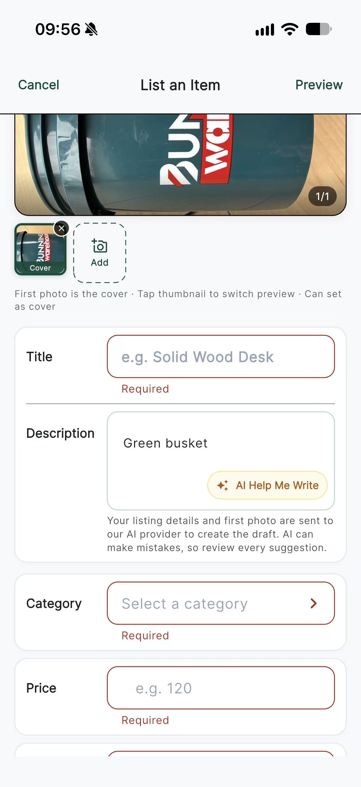
IMG-22 | KS-T-039 | User-supplied physical iPhone screenshot, 2026-10-03 | Photo message is uploaded and rendered in the chat conversation on a physical iPhone. | 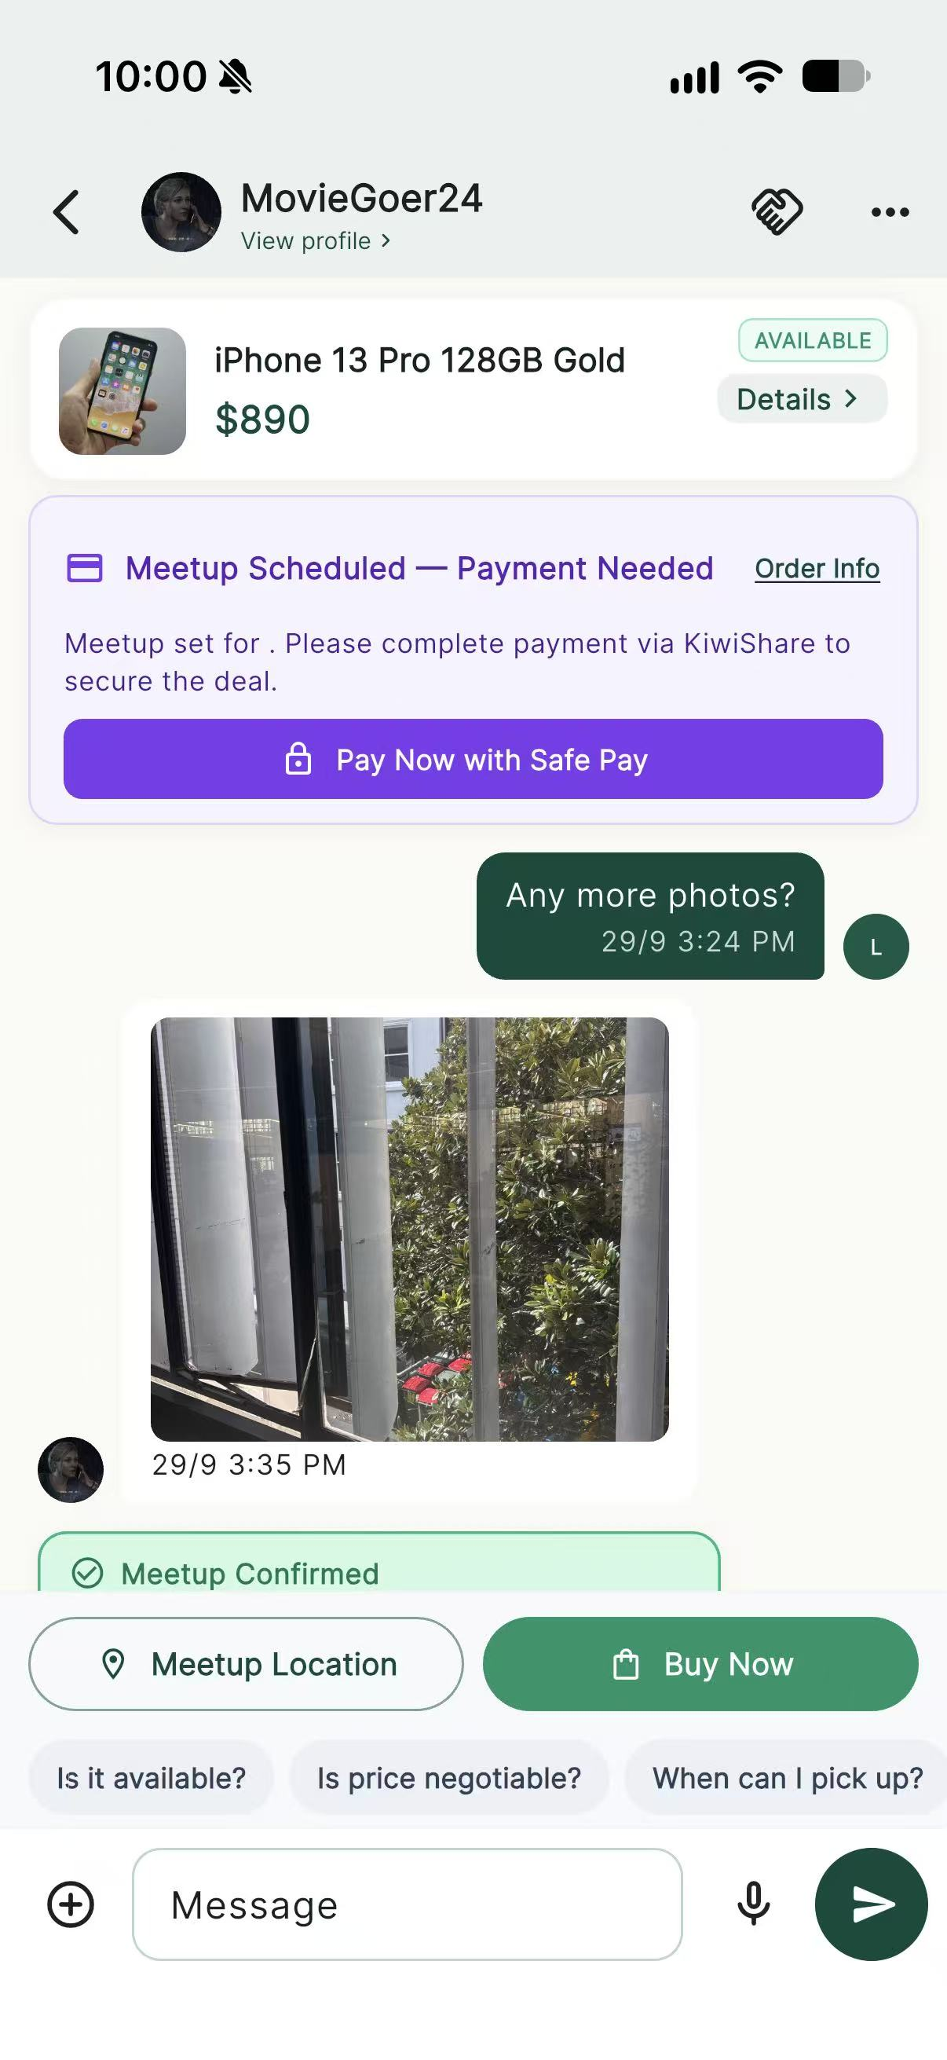
IMG-23 | KS-T-023 | User-supplied physical iPhone screenshot, 2026-10-03 | Item is visibly marked SOLD and unavailable on a physical iPhone. | 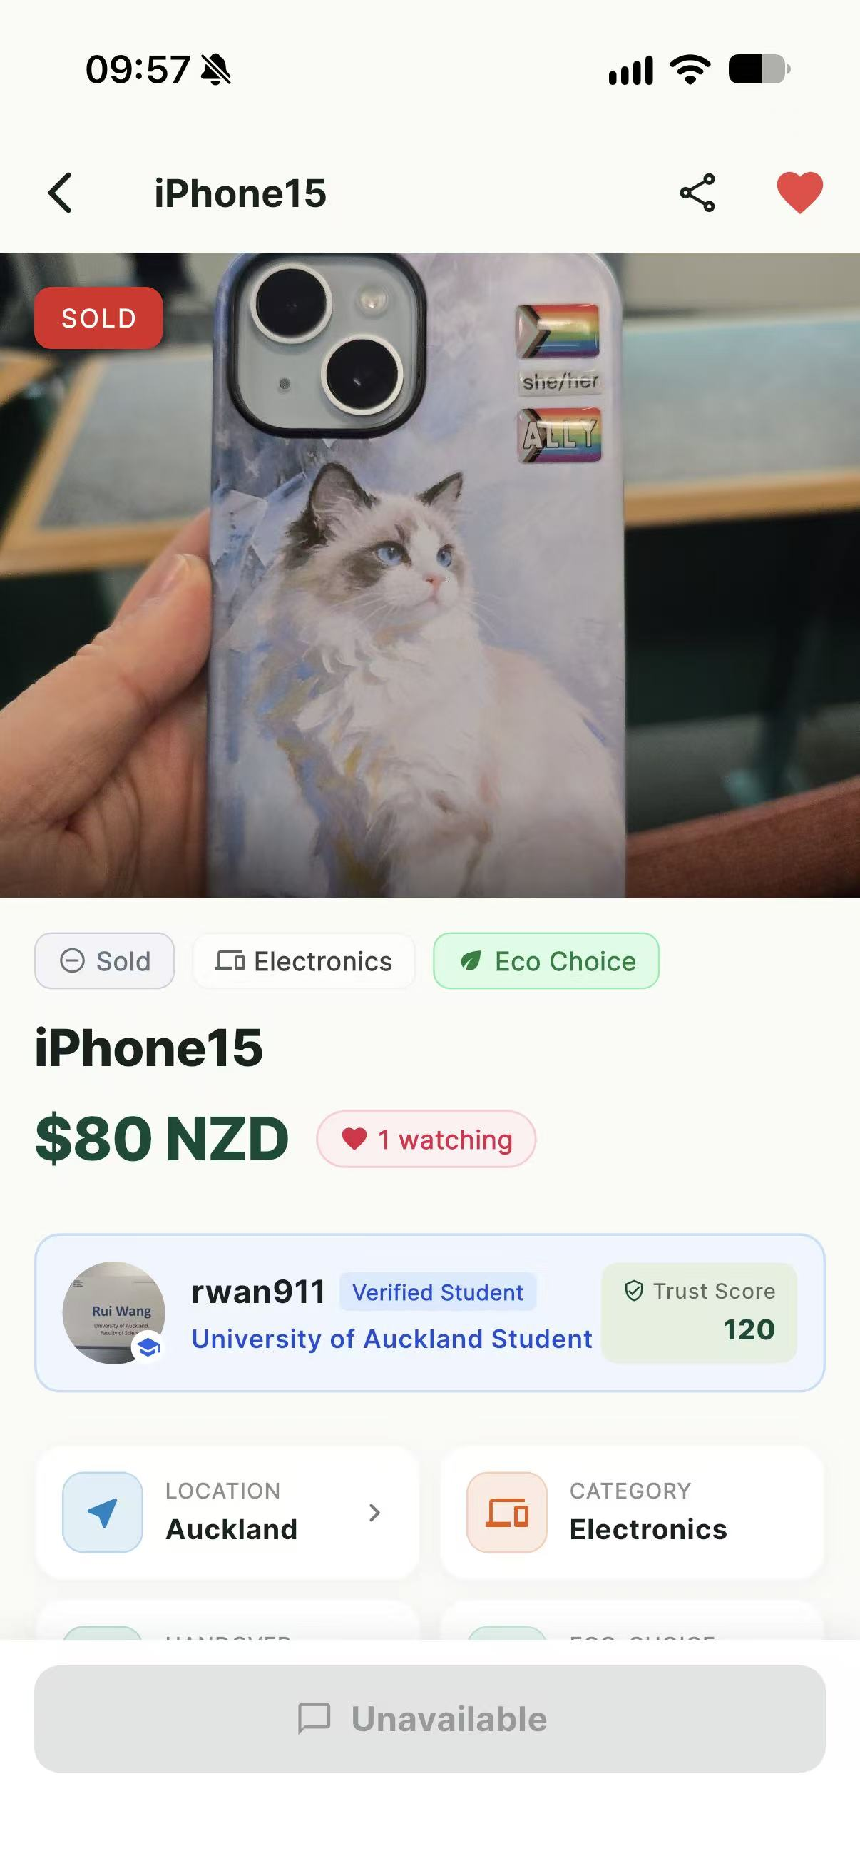
IMG-24 | KS-T-029 | User-supplied physical iPhone screenshot, 2026-10-03 | Airplane mode and clear category and product loading errors with Retry actions are visible. | 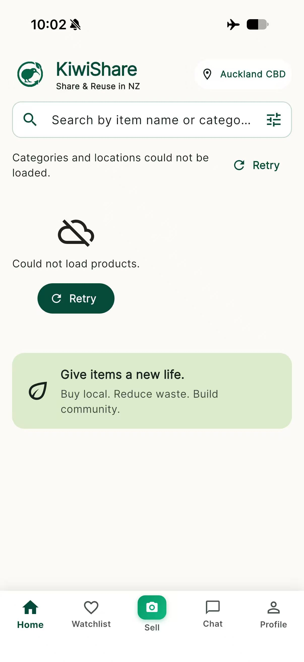
IMG-25 | KS-T-009 | User-supplied physical iPhone screenshot, 2026-10-03 | logout current user, then check the protected pages
IMG-25 | KS-T-006 | Team-supplied physical iPhone screenshots, privacy-redacted, 2026-10-03 | OTP email, invalid or expired OTP rejection, and resend countdown are visible. | 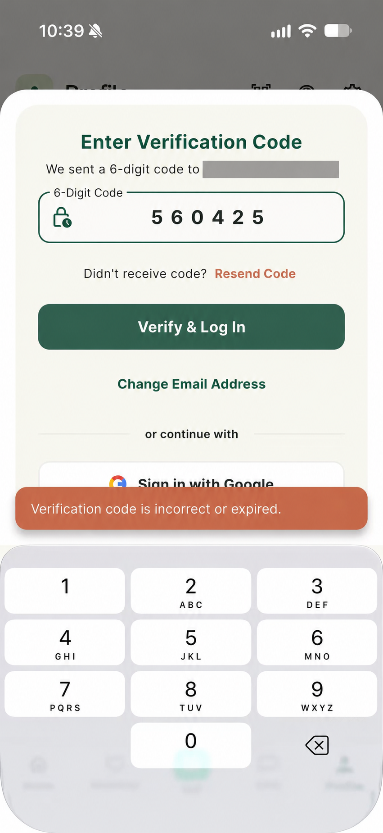 | 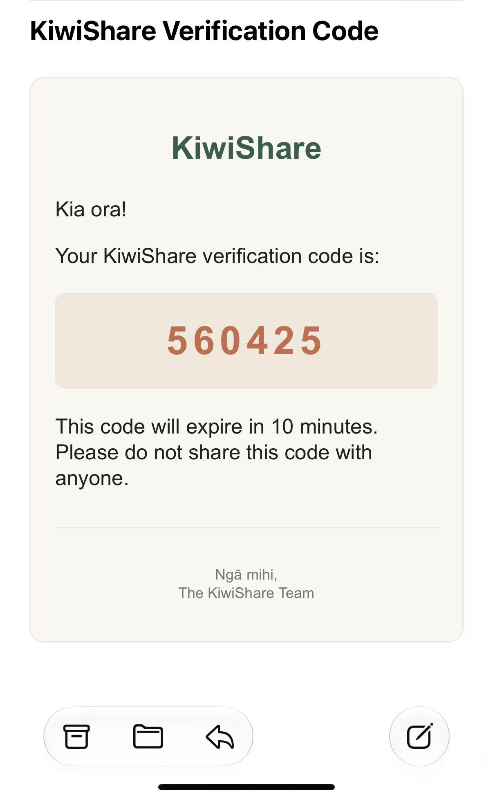 | 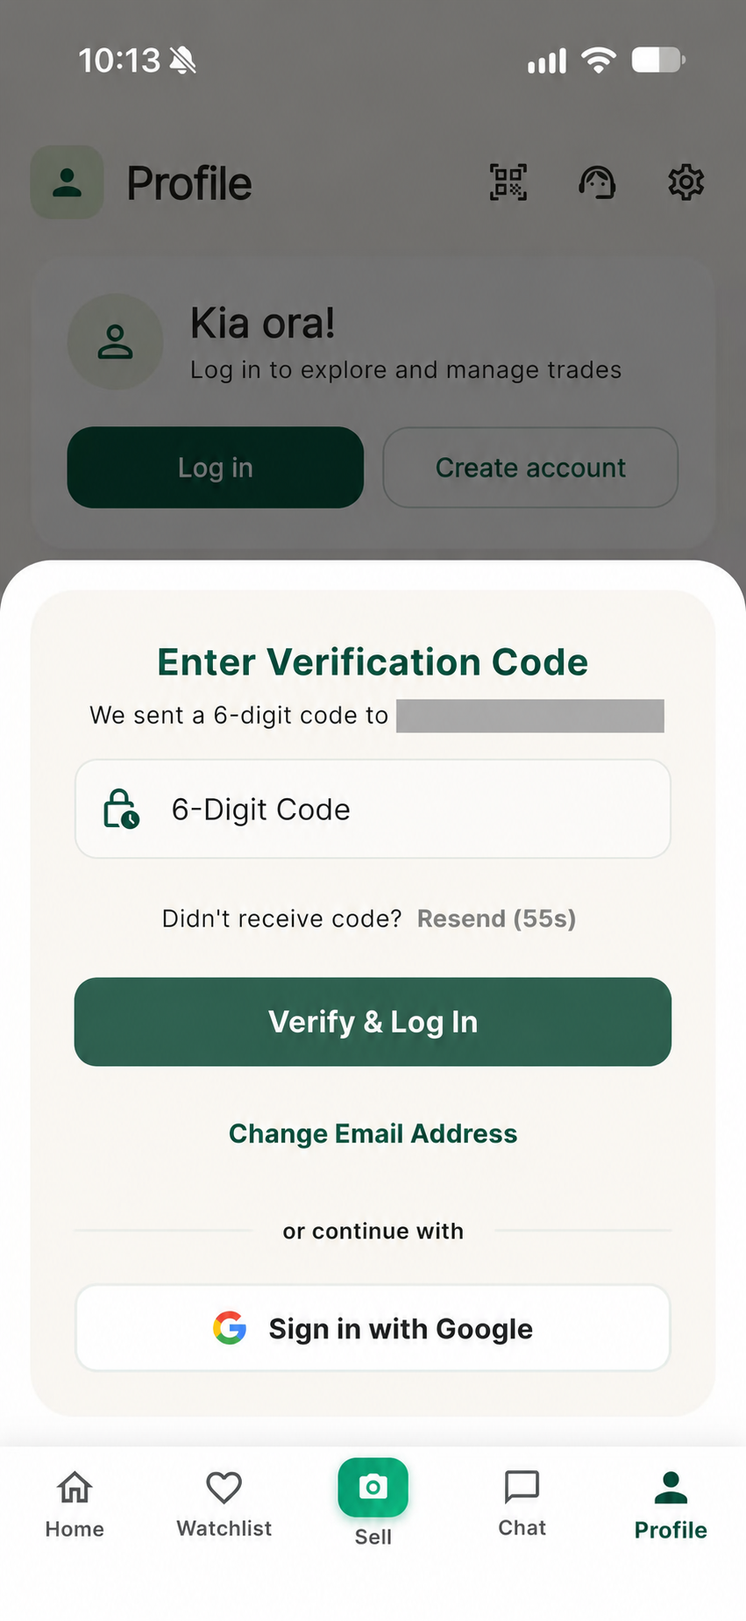
IMG-26 | KS-T-009 | Team-supplied physical iPhone screenshots, 2026-10-03 | Signed-out Chat and Watchlist screens require authentication before protected content is displayed. | 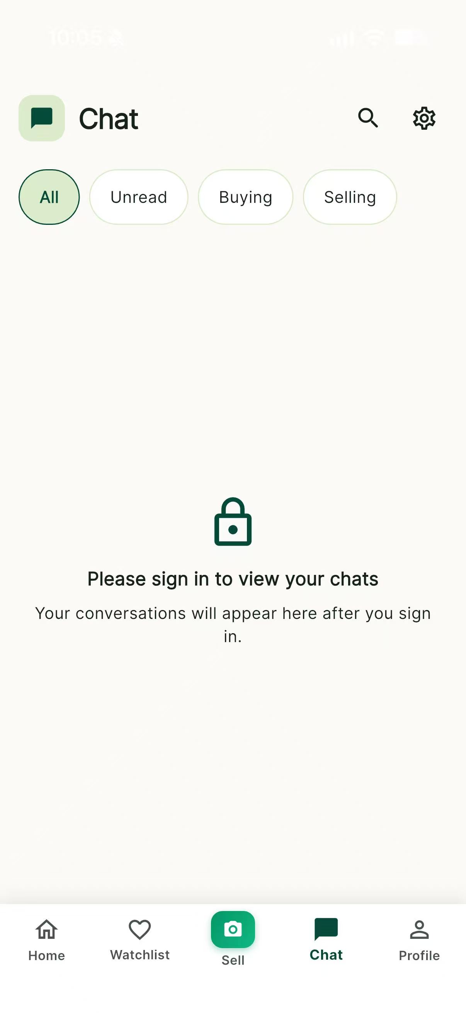 | 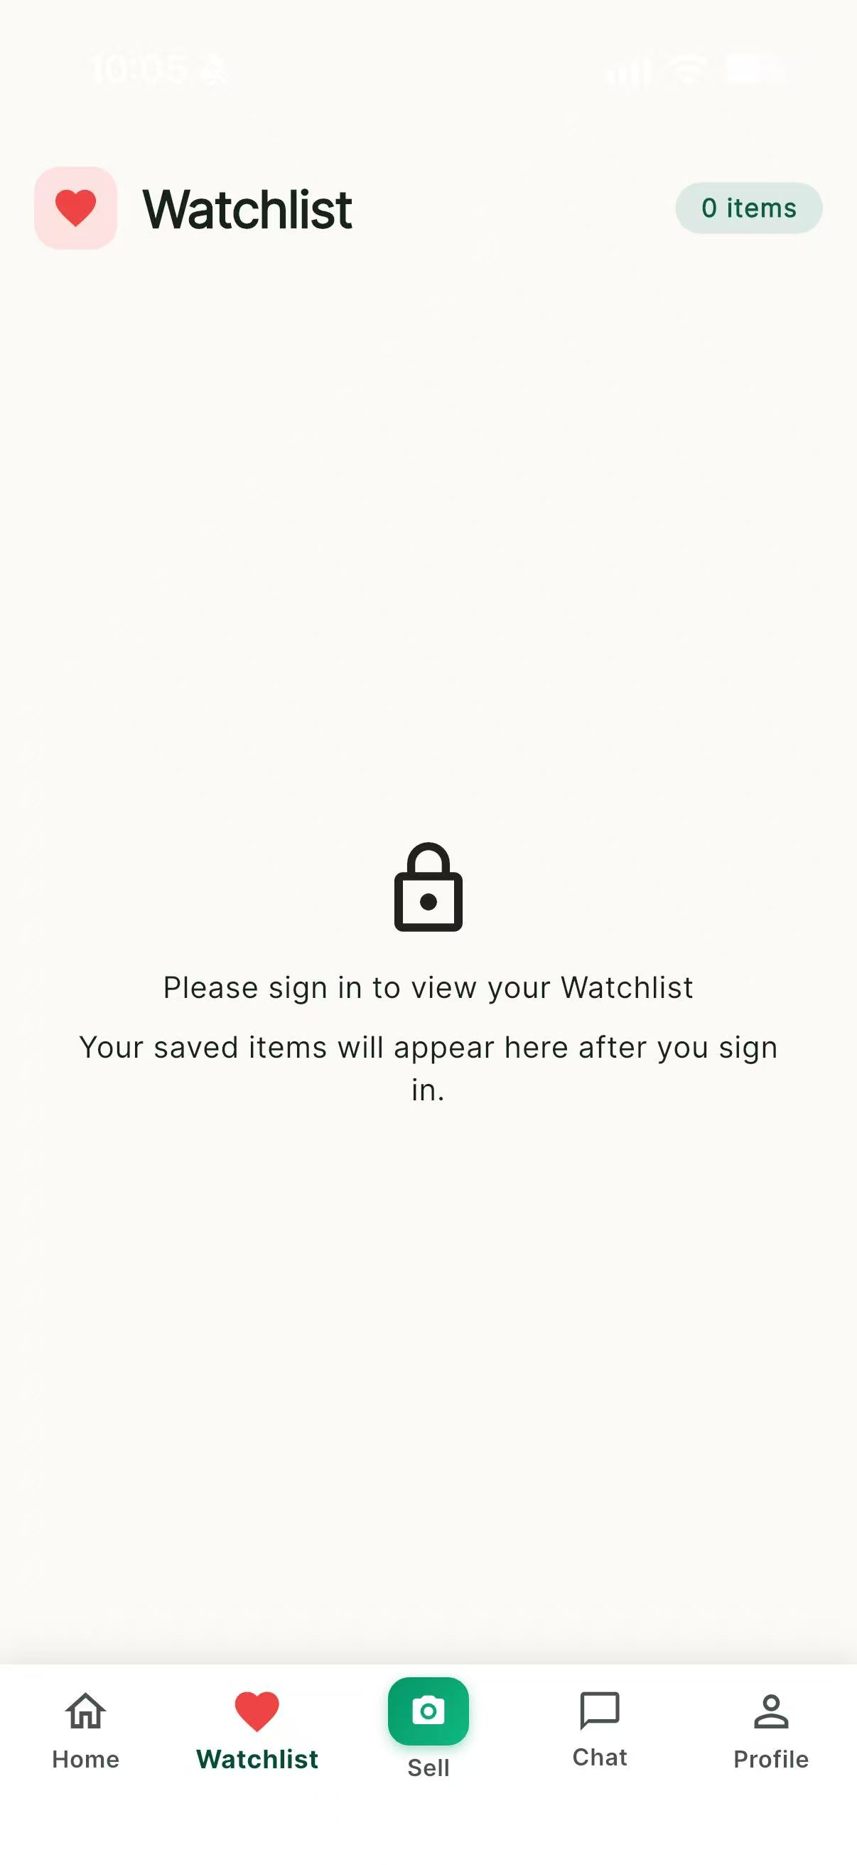
IMG-27 | KS-T-031; KS-T-070 | Production web smoke screenshots, 2026-10-03 | Production login, marketplace and item-detail pages load successfully; seller identity, verification and trust score are visible on item detail. | 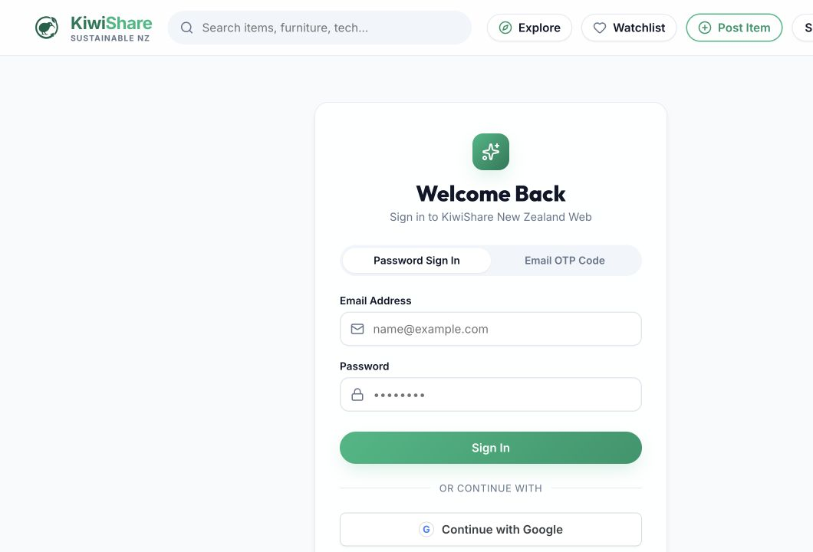 | 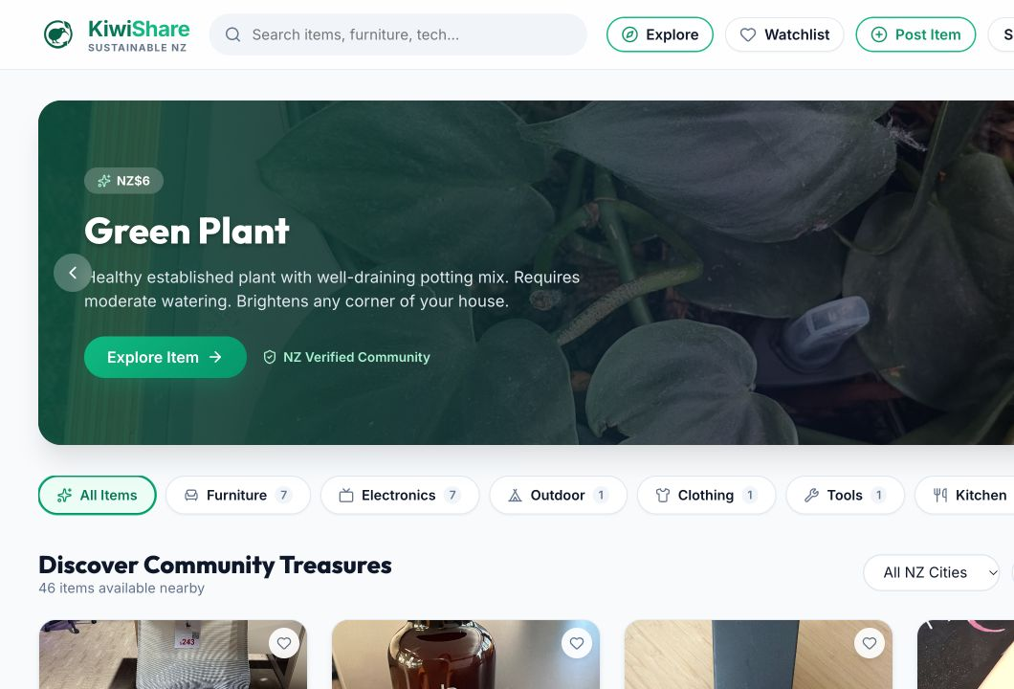 | 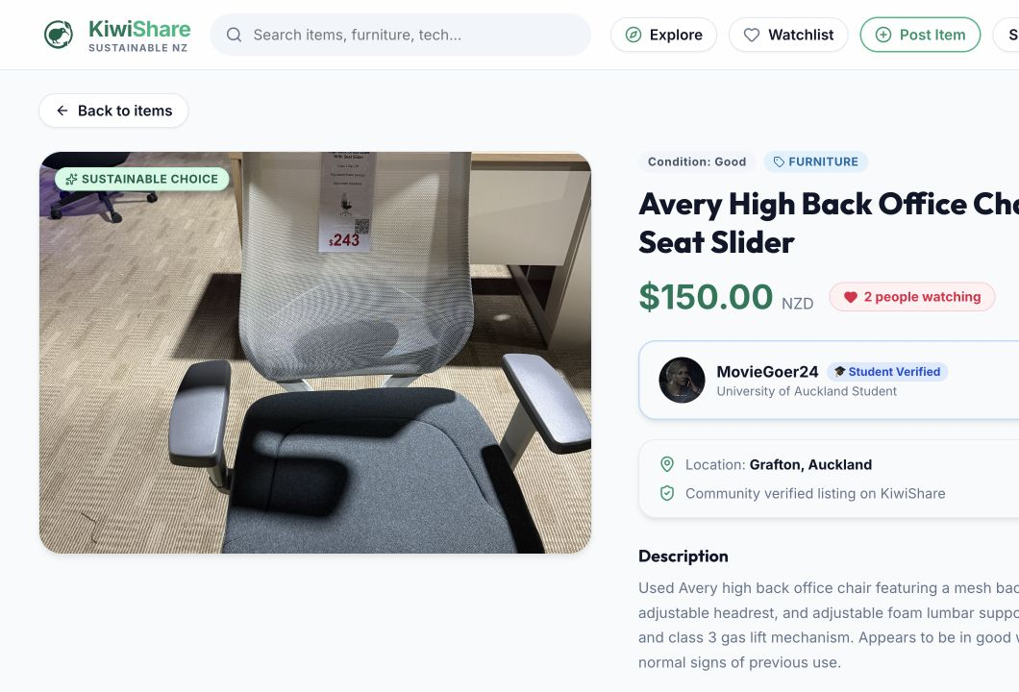
IMG-28 | KS-T-067 | Rui physical-iPhone test photographs, 2026-10-03 | Physical iPhone evidence shows authenticated order history, multiple payment and meetup states, invoice, QR handover, chat, trade location and an in-progress paid order. | 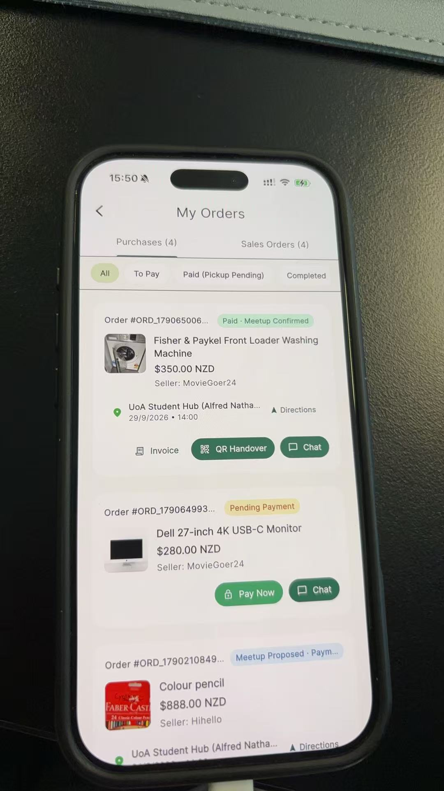 | 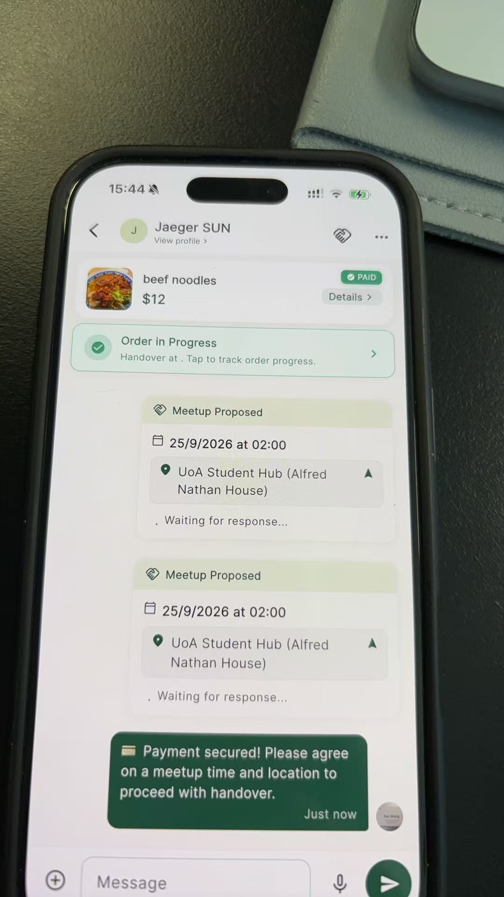
IMG-29 | KS-T-067 | Rui team-supplied iPhone and Android test evidence, 2026-10-03 | Evidence shows listing reporting, public seller identity and sold-item state on iPhone, plus submitted safety reports, authenticated profile and marketplace discovery on Android. | 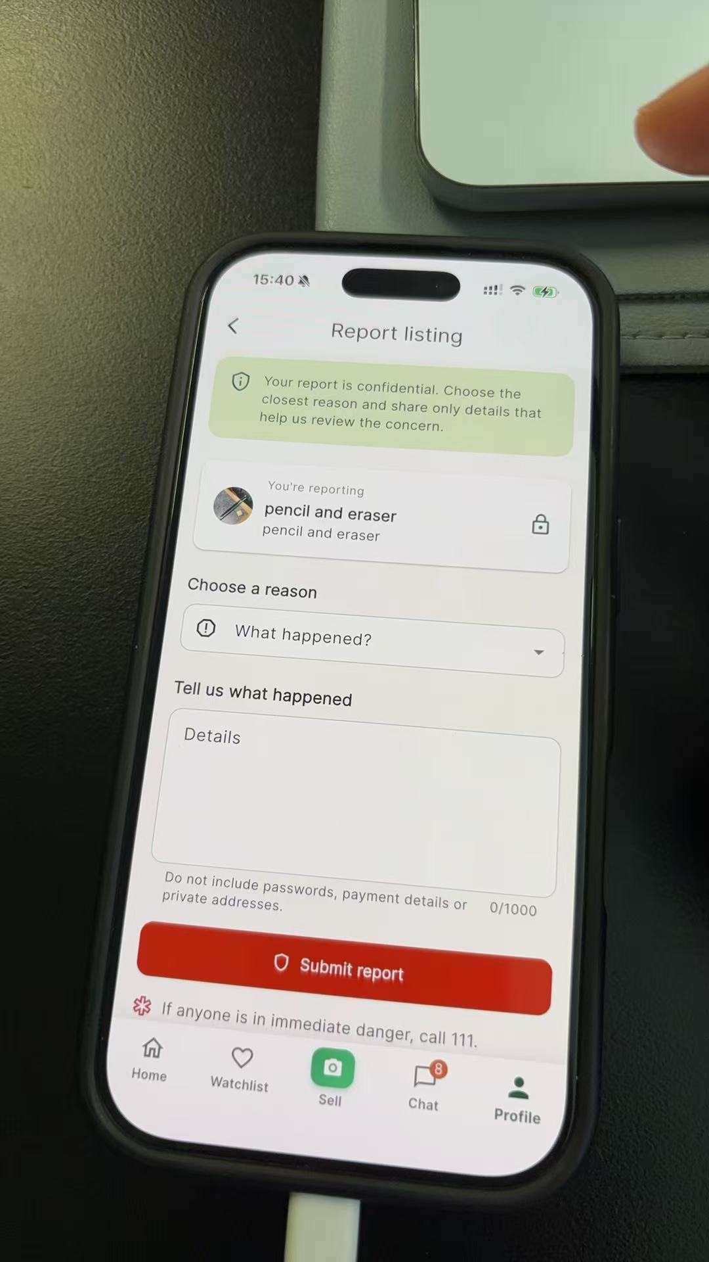 | 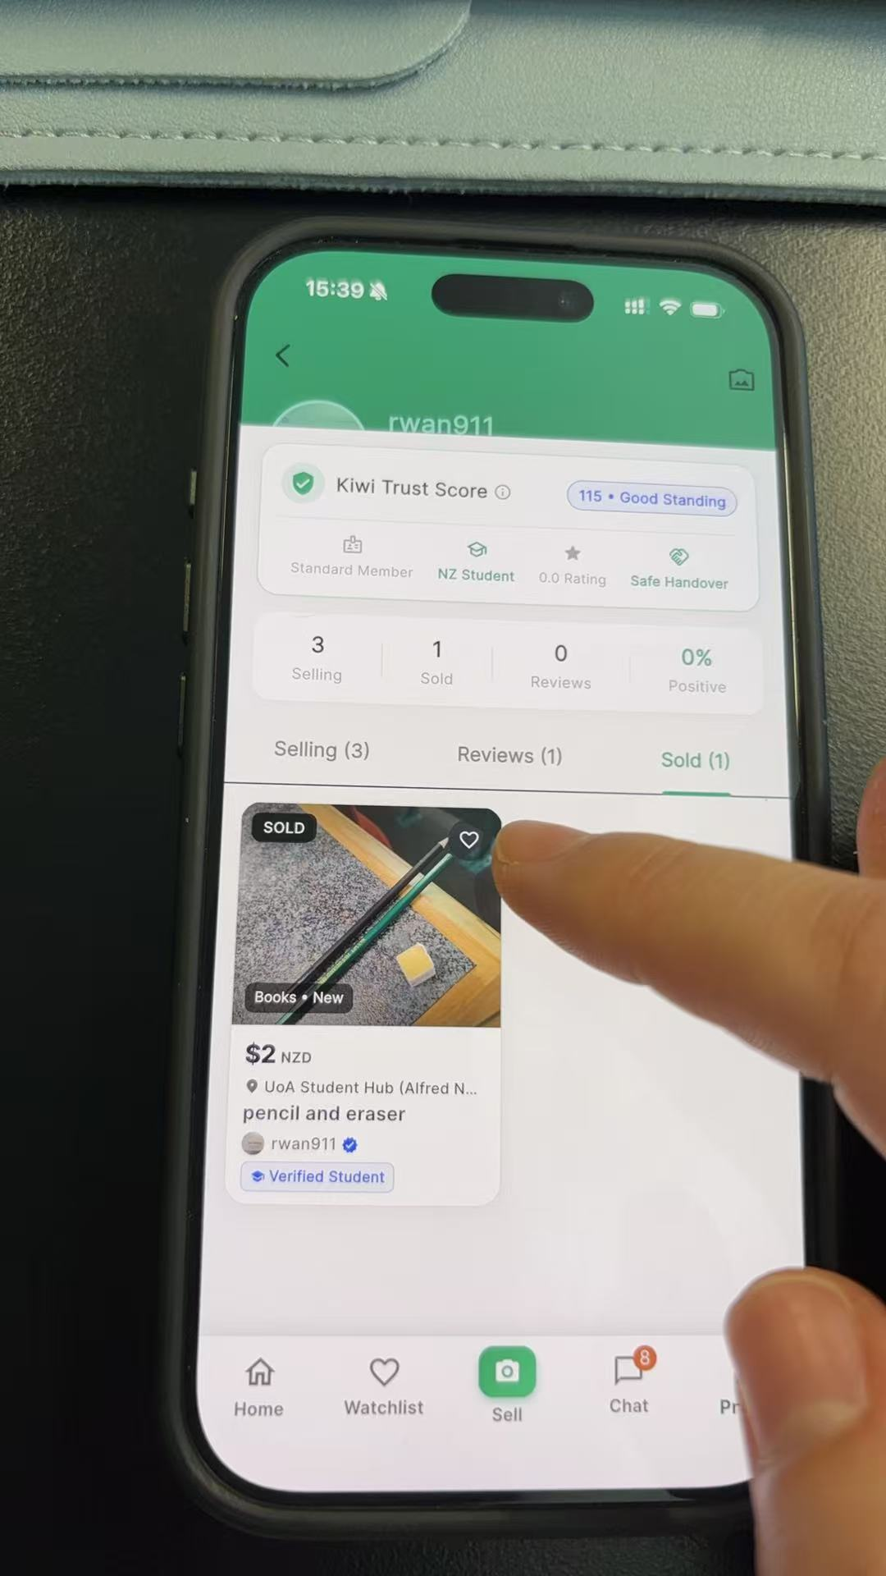 | 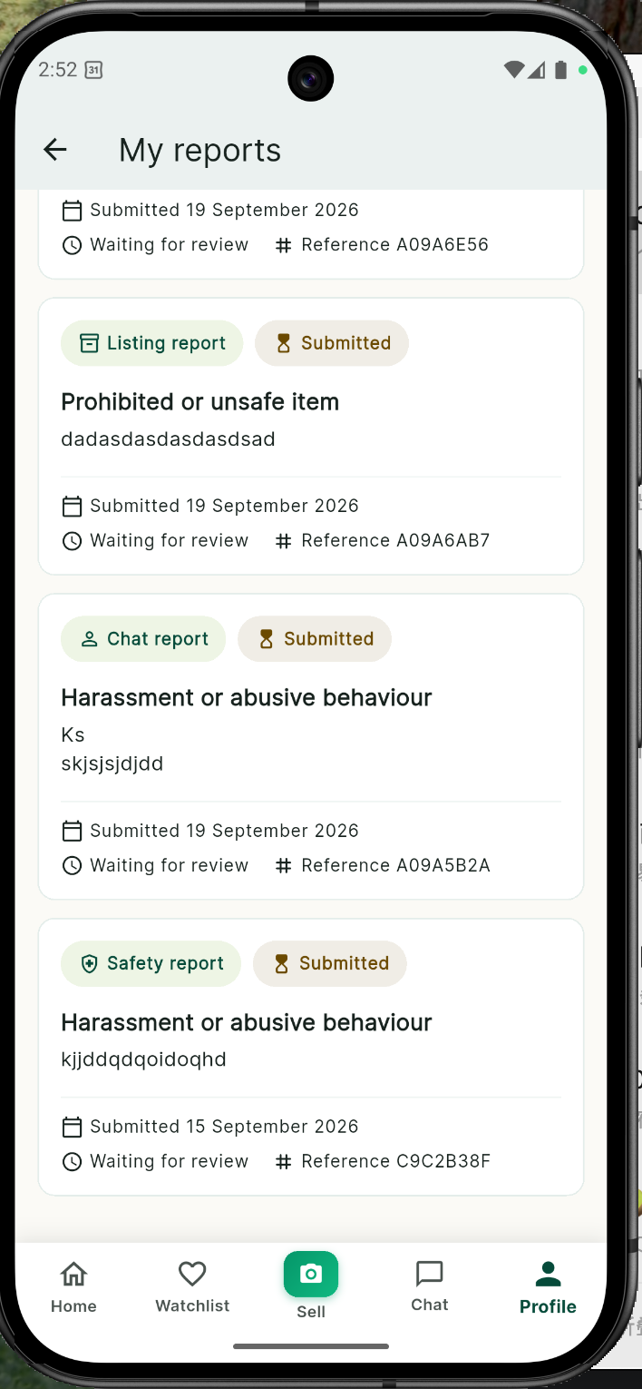 | 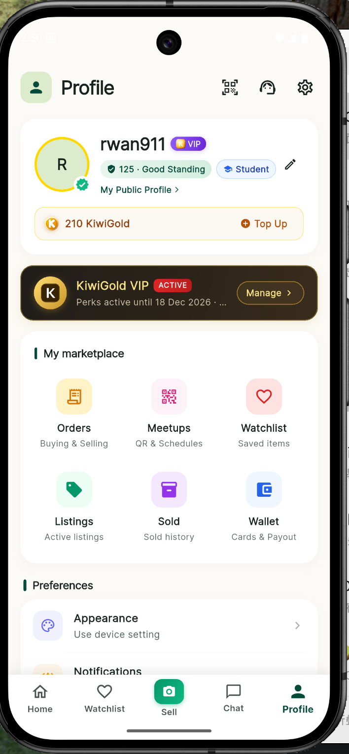 | 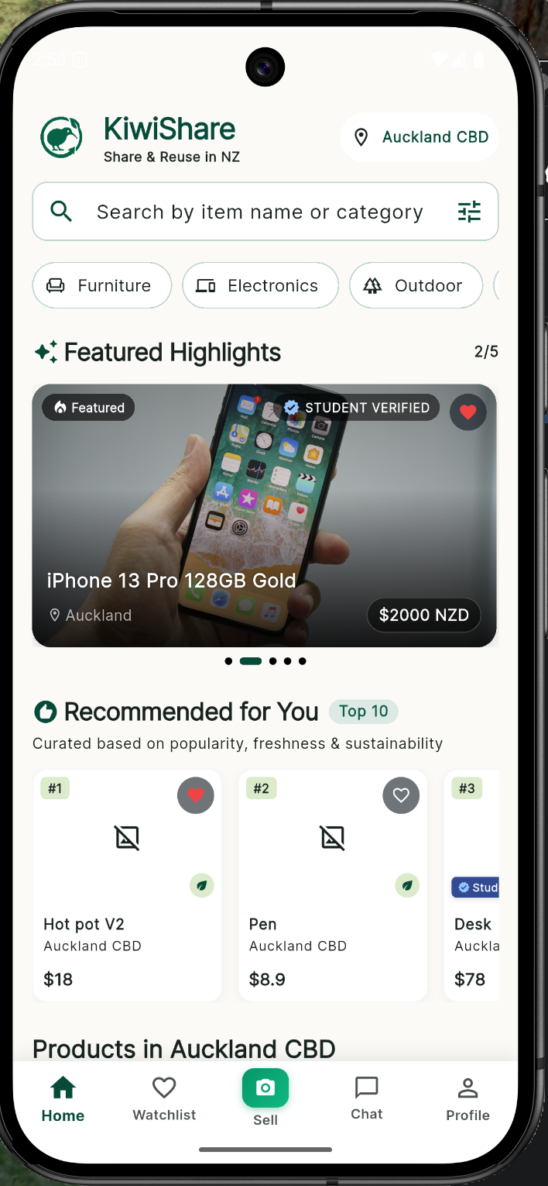
IMG-30 | KS-T-068 | Sam physical-iPhone test screenshot, 2026-10-03 | Physical-iPhone evidence shows an authenticated own-listing detail page, verified seller identity, watchlist protection for the owner's item, edit access and the disabled owner-chat state. | 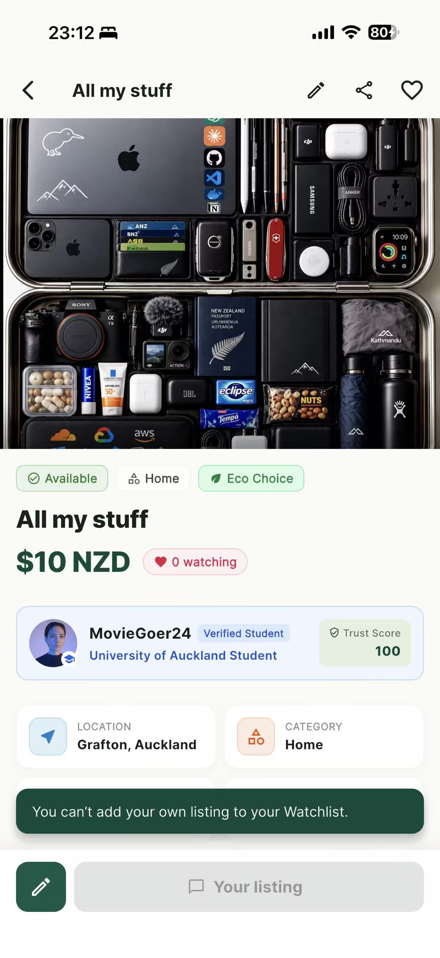
IMG-31 | KS-T-058; KS-T-060; KS-T-061 | Team-supplied Android dark-mode screenshots, 2026-10-03 | Android dark-mode evidence shows readable login controls, marketplace discovery content, navigation and a clear Watchlist error with Retry action.

