Диаграмма1
1 | 2.7 | 2.7
2 | 3.5 | 2.9
3 | 3.9 | 3.1
4 | 3.4 | 3.1
5 | 3.8 | 3.2
6 | 3.5 | 3.4
7 | 3.7 | 3.5
8 | 3.6 | 3.5
9 | 3.8 | 3.5
10 | 3.1 | 3.6
11 | 3.6 | 3.6
12 | 4.2 | 3.7
13 | 2.9 | 3.7
14 | 4.3 | 3.7
15 | 3.1 | 3.8
16 | 3.8 | 3.8
17 | 3.7 | 3.8
18 | 3.5 | 3.8
19 | 4.4 | 3.8
20 | 3.9 | 3.8
21 | 3.8 | 3.9
22 | 4 | 3.9
23 | 3.9 | 3.9
24 | 3.8 | 3.9
25 | 3.8 | 3.9
26 | 3.8 | 4
27 | 3.2 | 4.2
28 | 4.7 | 4.3
29 | 3.9 | 4.4
30 | 3.9 | 4.7

Лист1
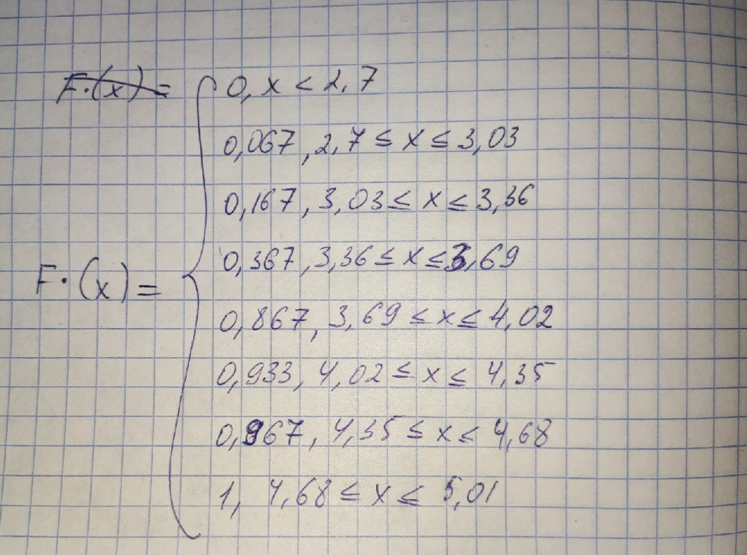
2.7 | 3.5 | 3.9 | 3.4 | 3.8 | 3.5 | 3.7 | 3.6 | 3.8 | 3.1 | 3.6 | 4.2 | 2.9 | 4.3 | 3.1 | 3.8 | 3.7 | 3.5 | 4.4 | 3.9 | 3.8 | 4 | 3.9 | 3.8 | 3.8 | 3.8 | 3.2 | 4.7 | 3.9 | 3.9
2.7 | 2.9 | 3.1 | 3.1 | 3.2 | 3.4 | 3.5 | 3.5 | 3.5 | 3.6 | 3.6 | 3.7 | 3.7 | 3.7 | 3.8 | 3.8 | 3.8 | 3.8 | 3.8 | 3.8 | 3.9 | 3.9 | 3.9 | 3.9 | 3.9 | 4 | 4.2 | 4.3 | 4.4 | 4.7

частотный ряд
2.7 | 2.9 | 3.1 | 3.2 | 3.4 | 3.5 | 3.6 | 3.7 | 3.8 | 3.9 | 4 | 4.2 | 4.3 | 4.4 | 4.7 | xi
1 | 1 | 2 | 1 | 1 | 3 | 2 | 3 | 6 | 5 | 1 | 1 | 1 | 1 | 1 | ni
0.033333333333 | 0.033333333333 | 0.066666666667 | 0.033333333333 | 0.033333333333 | 0.1 | 0.066666666667 | 0.1 | 0.2 | 0.16666666667 | 0.033333333333 | 0.033333333333 | 0.033333333333 | 0.033333333333 | 0.033333333333 | Wi

xmin | 2.7
xmax | 4.7

размах | 2
k | 6.00 |  |  |  |  |  |  |  |  | [2,7;3,03] | [3,03;3,36] | [3,36;3,69] | [3,69;4,02] | [4,02;4,35] | [4,35;4,68] | [4,68;5,01]
h | 0.33 |  |  |  |  |  |  |  |  | 2 | 3 | 6 | 15 | 2 | 1 | 1
 |  |  |  |  |  |  |  |  |  | 2.865 | 3.195 | 3.525 | 3.855 | 4.185 | 4.515 | 4.845
(2,7;3,03) | (3,03;3,36] | (3,36;3,69] | (3,69;4,02] | (4,02;4,35] | (4,35;4,68] | (4,68;5,01] |  |  |  | 2 | 3 | 6 | 15 | 2 | 1 | 1
4 | 2 | 9 | 12 | 2 | 2 | 1 | ni |  |  | 0.067 | 0.1 | 0.2 | 0.5 | 0.066666666667 | 0.033333333333 | 0.033333333333
 |  |  |  |  |  |  |  |  |  | 0.067 | 0.167 | 0.367 | 0.867 | 0.933 | 0.967 | 1.00
2.865 | 3.195 | 3.525 | 3.855 | 4.185 | 4.515 | 4.845 | xi |  |  | 2
4 | 2 | 9 | 12 | 2 | 2 | 1 | ni
0.13333333333 | 0.066666666667 | 0.3 | 0.4 | 0.066666666667 | 0.066666666667 | 0.033333333333 | Wi

