Import
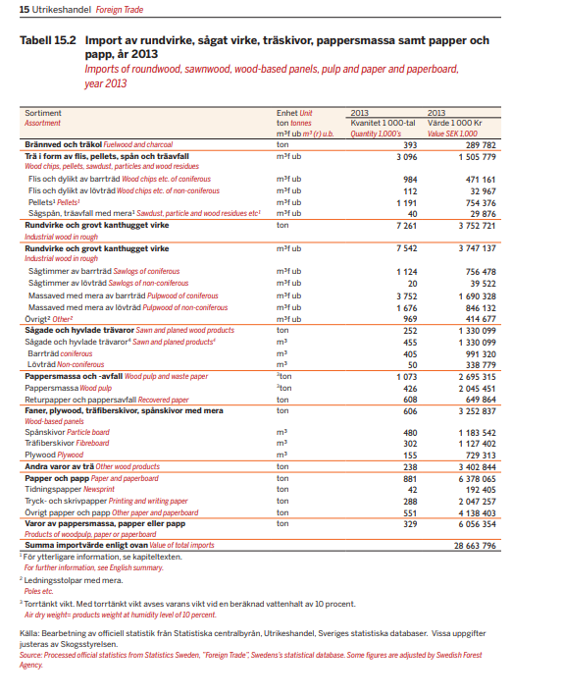
Skogsstyrelsen
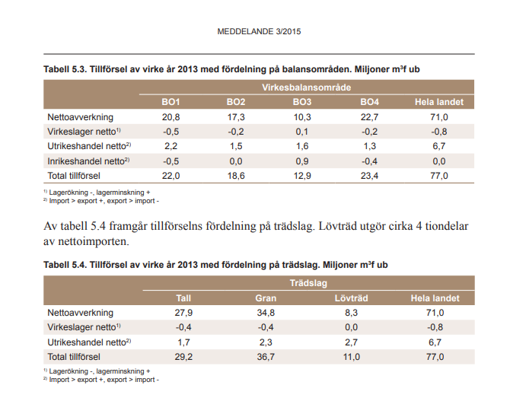

 |  | Fördelnig trsl
 |  | Tall | Gran | Löv
 |  | 1.7 | 2.3 | 2.7
 | Förd. Tim/mav |  |  |  | Dec | Barr | Löv
 | Tim | 0.4 | 0.5 |  | 0.23051681706 | 1124
 | Mav barr | 1.3 | 1.8 |  | 0.76948318294 | 3752
 | Mav löv |  |  | 2.7 |  |  | 1676

P&P
Åtgångstal (Jimmy) | Mekanisk | 2.4 | 0.42 | Gran |  |  |  | Åtgångstal | Mekanisk | 2.49 | 0.40 | Gran |  |  |  |  | Summa
 | Halvkemisk | 2.3 | 0.43 | Löv |  |  |  | The Nordic Forest Sector Model (NFSM): Data and Model Structure | Halvkemisk | 2.67 | 0.38 | Gran |  |  |  |  |  | Biometria | Skogsind.
 | Sulfat | 4.7 | 0.21 | Gran | Tall | Löv |  |  | Sulfat | 4.55 | 0.22 | Gran | Tall | Löv | https | //www.biometria.se/media/iktlg5wt/skogsindustrins-virkesfoerbrukning-och-produktion-2019.pdf | Mek + halvmek | 3210 | 3000
 | Sulfit | 4.7 | 0.21 | Gran | Tall |  |  |  | Sulfit | 6.25 | 0.16 | Gran | Tall | Löv | sista kolumnen medel 15-19 |  | Kemisk | 8780 | 9000
 | Dissolving | 4.7 | 0.21 | Löv |  |  |  |  | Dissolving | 6.25 | 0.16 | Gran | Tall | Löv |  |  | Summa | 11990 | 12000

 |  |  |  |  |  |  |  | Main use | Recovered paper quality | ASH/Filler content (%) | SweFor number |  |  |  |  |  | Supply skogsind.
Mechanical pulp, energy | MWh/bdt | -2.45 |  |  |  |  |  | Newsprint | ONP | 3-15 | 0.1 |  |  |  |  |  | Newsprint (1000 t y-1) | 900
 |  |  |  |  |  |  |  | Magazines and commercial adds | OMG | 25-35 | 0.3 |  |  |  |  |  | Other chem. (1000 t y-1) | 2800
 |  |  |  |  |  |  |  | Packaging | OCC | 5-15 | 0.1 |  |  |  |  |  | Other mech. (1000 t y-1)
Onarheim, K., Santos, S., Kangas, P., & Hankalin, V. (2017). |  |  |  |  |  |  |  | Computer print-outs | MOW | 15-35 | 0.3 |  |  |  |  |  | Packaging (1000 t y-1) | 5900
Kraft mill |  | adt/m3 |  |  |  |  |  | Tissue paper |  | 5 | 0.05 |  |  |  | https | //www.skogsindustrierna.se/om-skogsindustrin/branschstatistik/ | Chem. pulp (1000 t y-1) | 4300
M3 per adt | 5.8 | 0.1724137931 |  |  |  |  |  |  |  |  |  |  |  |  |  |  | Dissolving pulp (1000 t y-1)
Conventional (MWh/adt) | 1.127 |  |  |  |  |  |  |  |  |  |  |  |  |  |  |  | Mech. pulp (1000 t y-1) | 400
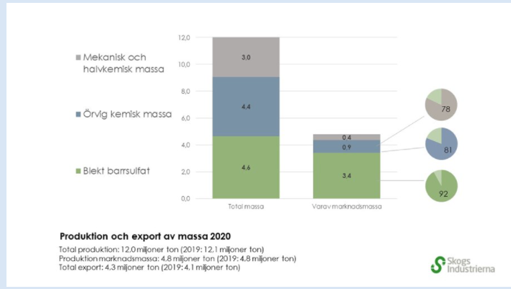
BECSS (MWh/adt) | 0.22 |  |  |  |  |  |  | Från skogsstatistisk årsbok 2014 |  |  |  |  |  |  |  |  | Summa | 14300
Integrated pulp and board mill |  |  |  |  |  |  |  | sulfit/fat | 0.20833333333 |  |  |  |  |  |  |  | Sawn wood (mill. m3sw y-1) | 18.4
M3 per adt | 7.9452054795 | 0.12586206897 |  |  |  |  |  | diss | 0.20833333333
Conventional (MWh/adt) | 0.66 |  |  |  |  |  |  | mech | 0.41666666667
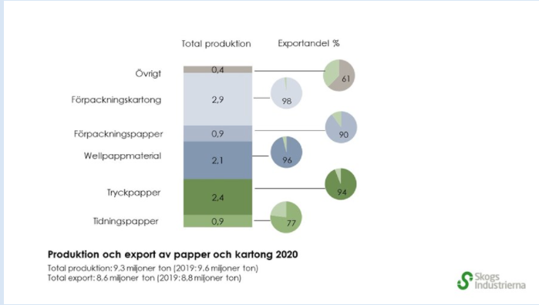
M3 per adt BECss | 8.1232876712 | 0.12310286678 |  |  |  |  |  | halv | 0.4347826087
BECSS (MWh/adt) | 0.22

MWh per tonTS (16.8 GJ of heating value per dry ton) | 4.67

 |  |  |  |  | Unit |  | ElP&P
Energy use | External electricity (bought) |  |  |  | GJ/ton | MWh/ton | MWh/ton
Chemical Pulping | Sulphate pulp, bleached, dried |  |  |  | 0.4 | 0.112 | -0.04
Chemical Pulping | Sulphate pulp, unbleached, dried |  |  |  | 0.9 | 0.252 | ?
Mechanical Pulping | Thermo‐ mechanical pulp, dried |  |  |  | 4.3 | 1.204 | 1.76
Other Pulping | Recycled paper, slush |  |  |  | 1.3 | 0.364 | -
Paper Making | Newsprint |  |  |  | 2.1 | 0.588
Paper Making | Kraft paper‐ board |  |  |  | 1.5 | 0.42

LogFunc
q0 | q | 1/E | A | B | e^-k | k | p0 | k
18600000 | -1 | 0.01 | 0.505 | 0.9801980198 | 0.98039279127 | -0.019801980198 | 2152 | -0.019801980198

 | q | p | E | ~q | q | E | q
 |  | 3873.8236954 |  |  |  |  | -2,043,956
 | 1600000 | 3698.6198487 | 1.3225974866 | -91.397849462 | 1600000 | 1.3225962393 | 1,600,000
 | 2100000 | 3670.3941586 | 1.2480602291 | -88.709677419 | 2100000 | 1.2480602291 | 2,100,000
 | 2600000 | 3641.0883255 | #VALUE! | -86.021505376 | 2600000 | #VALUE! | 2,600,000
 | 3100000 | 3610.6830654 | -14.229996724 | -83.333333333 | 3100000 | -14.229996724 | 3,100,000
 | 3600000 | 3579.1608516 | -15.491722621 | -80.64516129 | 3600000 | -15.491722621 | 3,600,000
 | 4100000 | 3546.5061258 | -13.016283308 | -77.956989247 | 4100000 | -13.016283308 | 4,100,000
 | 4600000 | 3512.7055146 | -11.106064445 | -75.268817204 | 4600000 | -11.106064445 | 4,600,000
 | 5100000 | 3477.7480488 | -9.5935583921 | -72.580645161 | 5100000 | -9.5935583921 | 5,100,000
 | 5600000 | 3441.6253841 | -8.371141454 | -69.892473118 | 5600000 | -8.371141454 | 5,600,000
 | 6100000 | 3404.3320201 | -7.3665284334 | -67.204301075 | 6100000 | -7.3665284334 | 6,100,000
 | 6600000 | 3365.8655168 | -6.5293843442 | -64.516129032 | 6600000 | -6.5293843442 | 6,600,000
 | 7100000 | 3326.2267047 | -5.8235932659 | -61.827956989 | 7100000 | -5.8235932659 | 7,100,000
 | 7600000 | 3285.4198859 | -5.2225790736 | -59.139784946 | 7600000 | -5.2225790736 | 7,600,000
 | 8100000 | 3243.4530244 | -4.7063593245 | -56.451612903 | 8100000 | -4.7063593245 | 8,100,000
 | 8600000 | 3200.3379209 | -4.2596269441 | -53.76344086 | 8600000 | -4.2596269441 | 8,600,000
 | 9100000 | 3156.0903701 | -3.8704643982 | -51.075268817 | 9100000 | -3.8704643982 | 9,100,000
 | 9600000 | 3110.7302971 | -3.5294597553 | -48.387096774 | 9600000 | -3.5294597553 | 9,600,000
 | 10100000 | 3064.2818701 | -3.229085365 | -45.698924731 | 10100000 | -3.229085365 | 10,100,000
 | 10600000 | 3016.7735849 | -2.9632524382 | -43.010752688 | 10600000 | -2.9632524382 | 10,600,000
 | 11100000 | 2968.2383208 | -2.7269860615 | -40.322580645 | 11100000 | -2.7269860615 | 11,100,000
 | 11600000 | 2918.7133632 | -2.5161843043 | -37.634408602 | 11600000 | -2.5161843043 | 11,600,000
 | 12100000 | 2868.2403912 | -2.3274370933 | -34.946236559 | 12100000 | -2.3274370933 | 12,100,000
 | 12600000 | 2816.8654288 | -2.1578882498 | -32.258064516 | 12600000 | -2.1578882498 | 12,600,000
 | 13100000 | 2764.6387573 | -2.0051291558 | -29.569892473 | 13100000 | -2.0051291558 | 13,100,000
 | 13600000 | 2711.614789 | -1.8671159075 | -26.88172043 | 13600000 | -1.8671159075 | 13,600,000
 | 14100000 | 2657.8518998 | -1.7421041242 | -24.193548387 | 14100000 | -1.7421041242 | 14,100,000
 | 14600000 | 2603.412224 | -1.6285971794 | -21.505376344 | 14600000 | -1.6285971794 | 14,600,000
 | 15100000 | 2548.3614083 | -1.5253047406 | -18.817204301 | 15100000 | -1.5253047406 | 15,100,000
 | 15600000 | 2492.7683299 | -1.4311093047 | -16.129032258 | 15600000 | -1.4311093047 | 15,600,000
 | 16100000 | 2436.7047786 | -1.3450389896 | -13.440860215 | 16100000 | -1.3450389896 | 16,100,000
 | 16600000 | 2380.2451063 | -1.2662452609 | -10.752688172 | 16600000 | -1.2662452609 | 16,600,000
 | 17100000 | 2323.4658478 | -1.1939845838 | -8.064516129 | 17100000 | -1.1939845838 | 17,100,000
 | 17600000 | 2266.4453156 | -1.127603219 | -5.376344086 | 17600000 | -1.127603219 | 17,600,000
 | 18100000 | 2209.2631745 | -1.0665245517 | -2.688172043 | 18100000 | -1.0665245517 | 18,100,000
 | 18600000 | 2152 | -1.0102384795 | 0 | 18600000 | -1.0102384795 | 18,600,000
 | 19100000 | 2094.7368255 | -0.95829247811 | 2.688172043 | 19100000 | -0.95829247811 | 19,100,000
 | 19600000 | 2037.5546844 | -0.91028404724 | 5.376344086 | 19600000 | -0.91028404724 | 19,600,000
 | 20100000 | 1980.5341522 | -0.86585429365 | 8.064516129 | 20100000 | -0.86585429365 | 20,100,000
 | 20600000 | 1923.7548937 | -0.82468245913 | 10.752688172 | 20600000 | -0.82468245913 | 20,600,000
 | 21100000 | 1867.2952214 | -0.78648123542 | 13.440860215 | 21100000 | -0.78648123542 | 21,100,000
 | 21600000 | 1811.2316701 | -0.75099273825 | 16.129032258 | 21600000 | -0.75099273825 | 21,600,000
 | 22100000 | 1755.6385917 | -0.71798503578 | 18.817204301 | 22100000 | -0.71798503578 | 22,100,000
 | 22600000 | 1700.587776 | -0.68724914505 | 21.505376344 | 22600000 | -0.78508915478 | 22,600,000
 | 23100000 | 1646.1481002 | -0.6585964253 | 24.193548387 | 23100000 | -0.6585964253 | 23,100,000
 | 23600000 | 1592.385211 | -0.63185630886 | 26.88172043 | 23600000 | -0.69999046613 | 23,600,000
 | 24100000 | 1539.3612427 | -0.60687432029 | 29.569892473 | 24100000 | -0.60687432029 | 24,100,000
 | 24600000 | 1487.1345712 | -0.58351034253 | 32.258064516 | 24600000 | -0.61289612645 | 24,600,000
 | 25100000 | 1435.7596088 | -0.56163709525 | 34.946236559 | 25100000 | -0.56163709525 | 25,100,000
 | 25600000 | 1385.2866368 | -0.54113879616 | 37.634408602 | 25600000 | -0.53837253083 | 25,600,000
 | 26100000 | 1335.7616792 | -0.52190998061 | 40.322580645 | 26100000 | -0.52190998061 | 26,100,000
 | 26600000 | 1287.2264151 | -0.50385445826 | 43.010752688 | 26600000 | -0.47443410228 | 26,600,000
 | 27100000 | 1239.7181299 | 0.94532328376 | 45.698924731 | 27100000 | 0.94532328376 | 27,100,000

BCCS
 |  |  |  |  |  | kt CO2/y | kton/y | ton CO2/ton output
PP-01 | Södra Cell Mönsterås | Pulp | Recovery boiler, Lime kiln | 1811 | 23 | 1834 | 700 | 2.62
PP-09 | Södra Cell Mörrum | Pulp | Recovery boiler, Lime kiln | 952 | 17 | 969 | 600 | 1.615
PP-02 | Stora Enso Skutskär | Pulp | Recovery boiler, Lime kiln | 1826 | 1 | 1826 | 500 | 3.652
PP-11 | Stora Enso Skoghall | Pulp and Paper | Recovery boiler, Lime kiln | 889 | 53 | 943 | 675 | 1.397037037
PP-14 | Stora Enso Nymölla | Pulp and Paper | Recovery boiler | 746 | 30 | 775 | 400 | 1.9375
PP-07 | Smurfit Kappa Kraftliner Piteå | Pulp and Paper | Recovery boiler, Lime kiln | 1120 | 13 | 1133 | 700 | 1.6185714286
PP-15 | SCA Munksund | Pulp and Paper | Recovery boiler, Lime kiln | 689 | 17 | 706 | 300 | 2.3533333333
PP-18 | Rottneros, Vallviks Bruk | Pulp | Recovery boiler, Lime kiln | 604 | 6 | 610 | 150 | 4.0666666667
PP-19 | Nordic Paper, Bäckhammar | Pulp and Paper | Recovery boiler, Lime kiln | 539 | 7 | 546 | 230 | 2.3739130435
PP-17 | Mondi Dynäs | Pulp and Paper | Recovery boiler, Lime kiln | 633 | 15 | 648 | 225 | 2.88
PP-03 | Metsä Board Husum | Pulp and Paper | Recovery boiler, Lime kiln | 1483 | 60 | 1543 | 650 | 2.3738461538
PP-12 | Holmen Iggesund | Pulp and Paper | Recovery boiler, Lime kiln | 884 | 27 | 911 | 540 | 1.687037037
PP-20 | Domsjö Fabriker | Pulp and Biorefinery | Recovery boiler | 476 | 11 | 487 | 260 | 1.8730769231
PP-08 | BillerudKorsnäs Skärblacka | Pulp and Paper | Recovery boiler, Lime kiln | 996 | 11 | 1007 | 460 | 2.1891304348
PP-13 | BillerudKorsnäs Karlsborg | Pulp and Paper | Recovery boiler, Lime kiln | 877 | 6 | 882 | 335 | 2.6328358209
PP-05 | BillerudKorsnäs Gävle | Pulp and Paper | Recovery boiler, Lime kiln | 1239 | 17 | 1256 | 755 | 1.6635761589
PP-04 | BillerudKorsnäs Gruvön | Pulp and Paper | Recovery boiler, Lime kiln | 1280 | 16 | 1296 | 500 | 2.592
PP-16 | BillerudKorsnäs Frövi | Pulp and Paper | Recovery boiler, Lime kiln | 682 | 14 | 696 | 150 | 4.64
PP-10 | Södra Cell Värö | Pulp | Recovery boiler, Lime kiln | 958 | 10 | 968 | 800 | 1.21
PP-06 | SCA Östrand | Pulp | Recovery boiler, Lime kiln | 1135 | 32 | 1166 | 900 | 1.2955555556
 |  |  |  |  |  | 20202 | 9830 | 2.06 | Average ton CO2/ton output
 |  |  |  |  |  | 0.83333333333 |  | 0.83 | MWh per ton CO2
 |  |  |  |  |  | 16,835,000 |  | 1.71 | MWh electricity per ton output
 |  |  |  |  |  |  | 16,835,000 |  | Total MWh
 |  |  |  |  |  |  |  | 0.91 | Onarheim MWh electricity per ton output - pulp mill
 |  |  |  |  |  |  |  | 0.44 | Onarheim MWh electricity per ton output - integrated

SetAside
Rapport 10•2015 Svante Claesson, Karl Duvemo, Anders Lundström, Per-Erik Wikberg Skogliga konsekvensanalyser 2015 – SKA 15 | Reserv | Volunt. | Hänsynsytor |  |  | Lodin et al.: Combining Climate Change Mitigation Scenarios with Current Forest Owner Behavior: A Scenario Study from a Region in Southern Sweden | Ret. patches | Ret. trees | Cost-effective age structure and geographical distribution of boreal forest reserves
Todays forestry | 3.6 | 5.8 | 7 |  |  | Final felling | 6 | 2 | if Age(ia,CurrJ,1) >= 100 then SetAsideIndex(ia) := 13.9*min(1,Dgv(ia,CurrJ,1)/40.) + 37.1*min(1,InitDeadAbove(ia)/20) ; | elseif Age(ia,CurrJ,1) >= 70 then SetAsideIndex(ia) := 13.3*min(1,Dgv(ia,CurrJ,1)/40.) + 29.6*min(1,InitDeadAbove(ia)/20) ; | elseif Age(ia,CurrJ,1) >= 40 then SetAsideIndex(ia) := 5.5*min(1,Dgv(ia,CurrJ,1)/40.) + 17.1*min(1,InitDeadAbove(ia)/20) ;
 |  |  |  |  |  | Set asides | 2 | 6
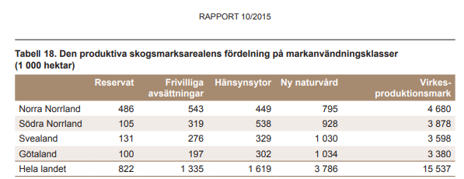
 |  |  |  |  |  |  | formal | volunt. | NUTS\Age | >40 | >70 | >100 |  |  | Tot areal | Setas./ha
 |  |  |  |  |  |  |  |  | 33 (Nb,Vb) | 0 | 148 | 574 | 722 | 34% | 6917 | 10%
 |  |  |  |  |  |  |  |  | 31,32 (Värml, Dal., Gävl., Väst.nrl., Jämtl. | 15 | 129 | 757 | 901 | 42% | 8704 | 10%
 |  |  |  |  |  |  |  |  | <30 | 14 | 219 | 283 | 516 | 24% | 6752 | 8%
 |  |  |  |  |  |  |  |  |  | 29 | 496 | 1614 | 2139
 |  |  |  | NNo | 1029 | 48% |  |  |  | 1% | 23% | 75%
 |  |  |  | SNo | 424 | 20%
 |  |  |  | Sveal. | 407 | 19%
 |  |  |  | Götal. | 297 | 14%
 |  |  |  |  | 2157

SawMill
Cost assessment |  |  |  | Exchange assessment
Costs | 828 | 309 | 303 |  | DM/m3 |  |  |  |  |  |  |  |  |  | DM/m3
 | Investering enl. kalkyl CHP | Rörlig kostnad (ej råvara) 2006 | Fixed costnad | Pine | 0.42 |  | m3fub | # | Från | Till | Flöde kt kol, 2020 |  |  | Pine | 0.42 |  | m3fub | # | Från | Till | Flöde kt kol, 2020
 | SEK/sv | SEK/sv | SEK/sv | Spruce | 0.40 |  | 24,274,800 | 1 | Sågtimmer Gran | Sågverk | 5517 |  |  | Spruce | 0.40 |  | 24,274,800 | 1 | Sågtimmer Gran | Sågverk | 5517
 |  |  |  | Birch | 0.51 |  | 15,236,571 | 2 | Sågtimmer Tall | Sågverk | 3636 |  |  | Birch | 0.51 |  | 15,236,571 | 2 | Sågtimmer Tall | Sågverk | 3636
Sawmills |  |  |  | C/DM | 0.50 |  | 11,664,400 | 3 | Sågverk | Sågad Gran | 2651 | 0.48051477252 | <-- utbyte | C/DM | 0.50 |  | 11,664,400 | 3 | Sågverk | Sågad Gran | 2651 | 0.48051477252 | <-- utbyte
Lön | SEK/h | 174.01 | <-- projektion by Lindholm | m3fub/m3f | 0.88 | x | 10,058,078 | 4 | Råflis | Papper- massa industri | 2330 |  |  | m3fub/m3f | 0.88 | x | 10,058,078 | 4 | Råflis | Papper- massa industri | 2330
Lön | SEK/h | 190 | SCB |  |  |  | 8,338,000 | 5 | Sågad Gran | Planhyvling | 1895 |  |  |  |  |  | 8,338,000 | 5 | Sågad Gran | Planhyvling | 1895
KPI2006-2020 |  | 1.18 |  |  |  |  | 7,320,762 | 6 | Sågverk | Sågad Tall | 1747 | 0.4804730473 | <-- utbyte |  |  |  | 7,320,762 | 6 | Sågverk | Sågad Tall | 1747 | 0.4804730473 | <-- utbyte
Depreciation time | y | 20 |  |  |  |  | 7,378,800 | 7 | Planhyvling | Planhyvlat virke | 1677 |  |  |  |  |  | 7,378,800 | 7 | Planhyvling | Planhyvlat virke | 1677
Avskrivning 2006 | SEK/sv | 61 |  |  |  | x | 7,032,021 | 8 | Sågverk | Spån+torrflis | 1629 |  |  |  |  | x | 7,032,021 | 8 | Sågverk | Spån+torrflis | 1629
Calcluating rate |  | 0.06 |  |  |  |  | 8,338,000 | 9 | Planhyvlat virke | Export | 1274 |  |  |  |  |  | 8,338,000 | 9 | Planhyvlat virke | Export | 1274
Investering enl. kalkyl CHP | SEK/sv | 828 |  |  |  |  | 5,137,524 | 10 | Sågad Tall | Export | 1226 |  |  |  |  |  | 5,137,524 | 10 | Sågad Tall | Export | 1226
Rörlig kostnad (ej råvara) 2006 | SEK/sv | 309 |  |  |  | x | 4,644,846 | 11 | Konstruktion/möbler | Inhemsk trävarukonsumtion | 1076 |  |  |  |  | x | 4,644,846 | 11 | Konstruktion/möbler | Inhemsk trävarukonsumtion | 1076
Fixed costnad | SEK/sv | 303 |  |  |  | x | 3,634,722 | 12 | Förbränning sågverk | Koldioxid | 842 |  |  |  |  | x | 3,634,722 | 12 | Förbränning sågverk | Koldioxid | 842
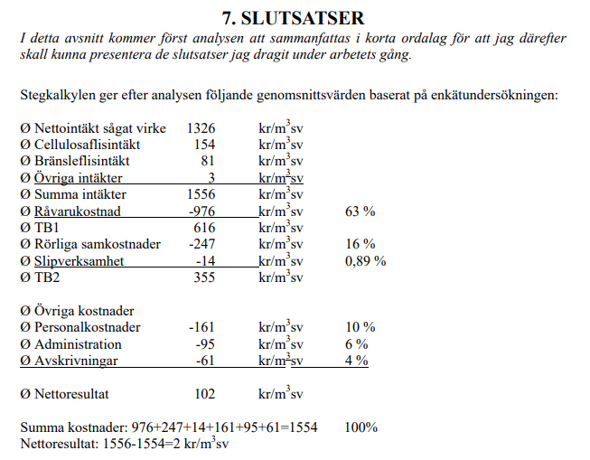
 |  |  |  |  |  | Andel G | 0.61 |  |  | C in --> | 9153 | 4398 | <-- summa utbyte |  |  | Andel G | 0.61 |  |  | C in --> | 9153 | 4398 | <-- summa utbyte
 |  |  |  |  | m3fub timmer --> |  | 39,511,371 |  |  | C ut --> | 9133 | 3576 | <-- summa export + konstr. o möbler |  | m3fub timmer --> |  | 39,511,371 |  |  | C ut --> | 9133 | 4332 | <-- summa export + konstr. o möbler
 |  |  |  | m3fub/m3fub --> |  | Chips | 25.5% |  |  | Diff --> | 20 | 822 | <-- Hyvling och andra förlusteer | m3fub/m3fub --> |  | Chips | 25.5% |  |  | Diff --> | 20 | 66 | <-- Hyvling och andra förlusteer
 |  |  |  | m3fub/m3fub --> |  | Sawdust | 17.8% |  |  |  |  |  |  | m3fub/m3fub --> |  | Sawdust | 17.8%
 |  |  |  | m3sv/m3fub --> |  | Sawn wood | 45.9% |  |  |  |  |  |  | m3sv/m3fub --> |  | Sawn wood | 48.0%
 |  |  |  |  |  | Sum | 89.1% |  |  |  |  |  |  |  |  | Sum | 91.3%

