IV FOB
COMMERCIAL INVOICE
Shipper/Exporter |  |  |  | Invoice No. | TYVN2026-21
TAE IL VN COMPANY LIMITED |  |  |  | Date of Invoice | 16/07/2026
PHU TAI II HAMLET, AN THANH COMMUNE, HAI PHONG CITY, VIET NAM
TEL: +84.02203950668
Consignee
TAE IL TRADING CO.,LTD |  |  |  | FOB HAIPHONG
7F 715, DAERYUNG TECHNO TOWN 3 CHA GASAN-DONG GEUMCHEON-GU,SEOUL,KOREA
TEL : 02-858-0150/ FAX : 02-858-0152
Notify Party/applicant
TAE IL TRADING CO.,LTD
7F 715, DAERYUNG TECHNO TOWN 3 CHA GASAN-DONG GEUMCHEON-GU,SEOUL,KOREA
Port of Loading |  | Final Destination |  | *MADE IN VIET NAM
HAIPHONG, VIETNAM |  | INCHEON , KOREA
Carrier
BY SEA
Vessel |  | Departure date
STARSHIP TAURUS 2613N |  | 19/07/2026
CONTAIER/SEAL: SEGU2499984/KMB707772/20"DC
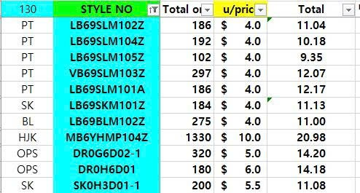
Description | Style No. | Quantity (PCS) | Unit | Fob /Price | Amount | HS CODE
WOMEN'S PANTS | LB69SLM102Z | 186 | PCS | $11.04 | $2,053.44 | 62046300 | 1
WOMEN'S PANTS | LB69SLM104Z | 191 | PCS | $10.18 | $1,944.38 | 62046300 | 2
WOMEN'S PANTS | LB69SLM105Z | 102 | PCS | $9.35 | $953.70 | 62046300 | 3
WOMEN'S PANTS | VB69SLM103Z | 296 | PCS | $12.07 | $3,572.72 | 62046300 | 4
WOMEN'S PANTS | LB69SLM101A | 186 | PCS | $12.17 | $2,263.62 | 62046300 | 5
WOMEN'S SKIRT | LB69SKM101Z | 184 | PCS | $11.13 | $2,047.92 | 62045300 | 6
WOMEN'S BLOUSE | LB69BLM102Z | 275 | PCS | $11.00 | $3,025.00 | 62064020 | 7
WOMEN'S JACKET | MB6YHMP104Z | 1,344 | PCS | $20.98 | $28,197.12 | 62043100 | 8
WOMEN'S DRESS | DR0G6D02 | 323 | PCS | $18.06 | $5,833.38 | 62044400 | 9
WOMEN'S DRESS | DR0H6D01 | 180 | PCS | $14.18 | $2,552.40 | 62044400 | 10
WOMEN'S SKIRT | SK0H3D01 | 200 | PCS | $11.08 | $2,216.00 | 62045990 | 11
WOMEN'S PANTS | BF6821C52 | 403 | PCS | $12.12 | $4,884.36 | 62046100 | 12
WOMEN'S PANTS | BF6821C54 | 491 | PCS | $11.49 | $5,641.59 | 62046300 | 13

TOTAL |  | 4,361 |  |  | $65,185.63

 |  | Signed by:
 |  | TAE IL VN COMPANY LIMITED

