Bai01
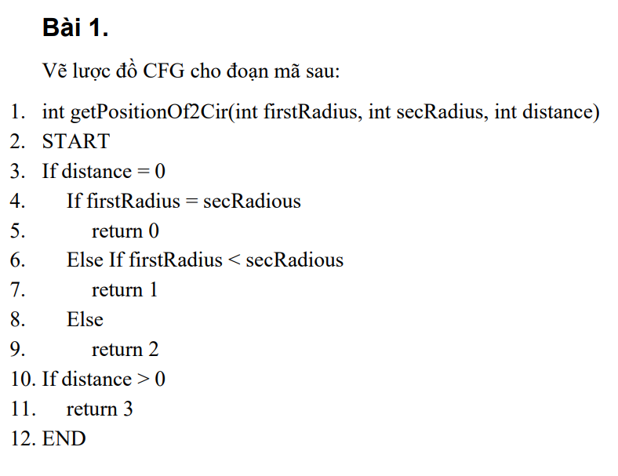

Lược đồ CFG

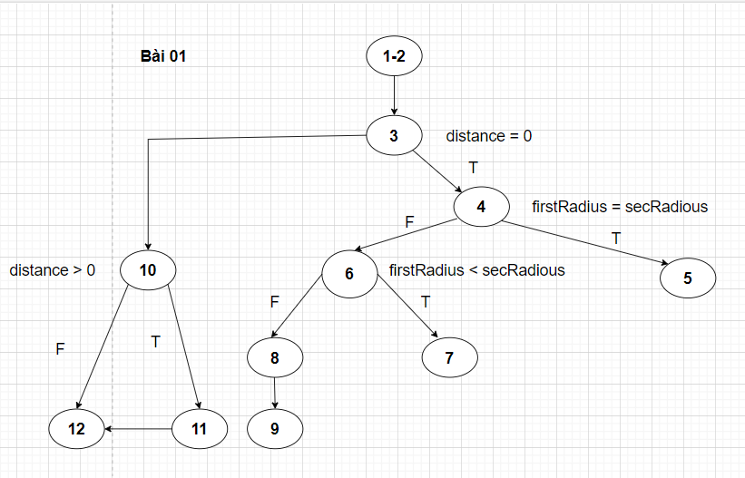

Bảng test case bao phủ nhánh 100%

# | Condition | Input |  |  | Line number excuted | Expected result | Actual Result | Status
 |  | distance | firstRadious | secRadious
1 | distance = 0 && firstRadius = secRadius | 0 | 5 | 5 | 1-2, 3, 4, 5 | 0 |  | P
2 | distance = 0 && firstRadius < secRadius | 0 | 5 | 6 | 1-2, 3, 4, 6, 7 | 1 |  | P
3 | distance = 0 && firstRadius > secRadius | 0 | 6 | 5 | 1-2, 3, 4, 6, 8, 9 | 2 |  | P
4 | distance > 0 | 15 | 1 | 2 | 1-2, 3, 10, 11 | 3 |  | P
5 | distance < 0 | -15 | 1 | 2 | 1-2, 3, 10, 12 | 0 |  | P

Bai02
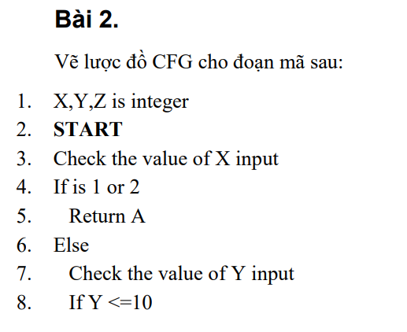

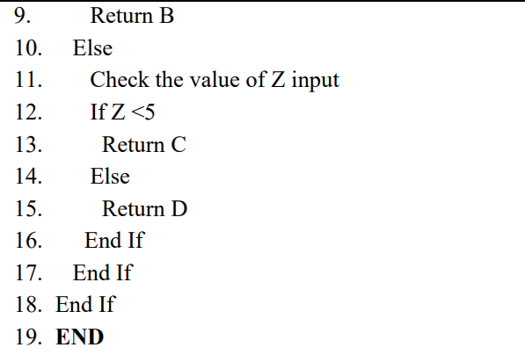

Lược đồ CFG
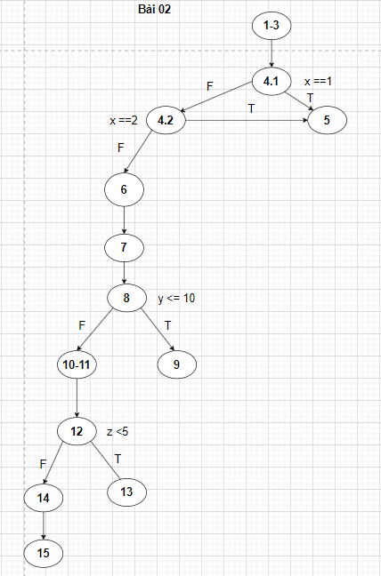

Bảng test case bao phủ nhánh 100%

# | Condition | Input |  |  | Line number excuted | Expected result | Actual Result | Status
 |  | X | Y | Z
1 | x = 1 | 1 | 2 | 3 | 1-3, 4,1, 5 | A |  | P
2 | x =2 | 2 | 1 | 3 | 1-3, 4,1, 4,2, 5 | A |  | P
3 | x!= 1 && x != 2 && y <= 10 | 3 | 5 | 4 | 1-3, 4,1, 4,2, 6, 7, 8, 9 | B |  | P
4 | x!= 1 && x != 2 && y > 10 && z <5 | 5 | 12 | 3 | 1-3, 4,1, 4,2, 6, 7, 8, 10-11, 12, 13 | C |  | P
5 | x!= 1 && x != 2 && y > 10 && z >= 5 | 5 | 12 | 7 | 1-3, 4,1, 4,2, 6, 7, 8, 10-11, 12, 14, 15 | D |  | P

Bai03
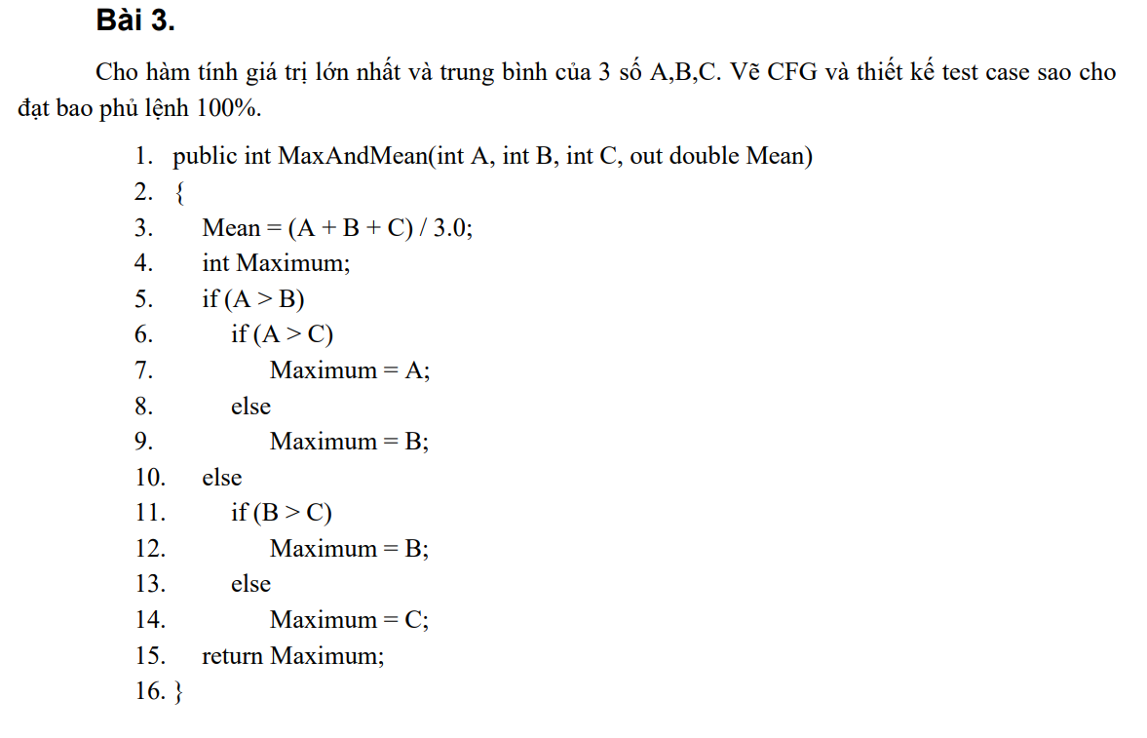

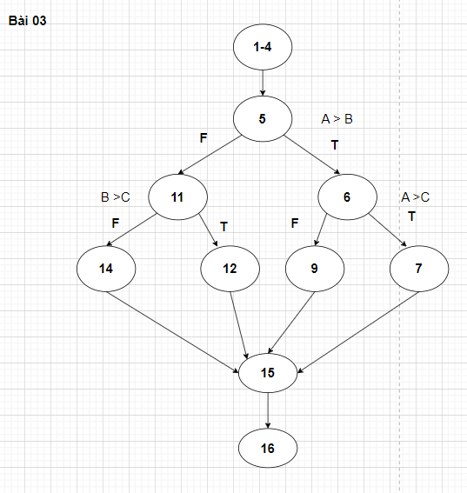
Lược đồ CFG

Bảng test case bao phủ lệnh 100%

# | Condition | Input |  |  | Line number excuted | Expected result |  | Actual Result | Status
 |  | A | B | C |  | Maximum | Mean
1 | A<=B && B <= C | 4 | 5 | 6 | 1-4, 5, 11, 14, 15, 16 | 6 | 5 |  | P
2 | A<=B && B > C | 3 | 5 | 4 | 1-4, 5, 11, 12, 15, 16 | 5 | 4 |  | P
3 | A>B && A<= C | 4 | 2 | 6 | 1-4, 5, 6, 9, 15, 16 | 6 | 4 | 2 | F
4 | A>B && A> C | 4 | 2 | 3 | 1-4, 5, 6, 7, 15, 16 | 4 | 3 |  | P

Bai04
Lược đồ CFG

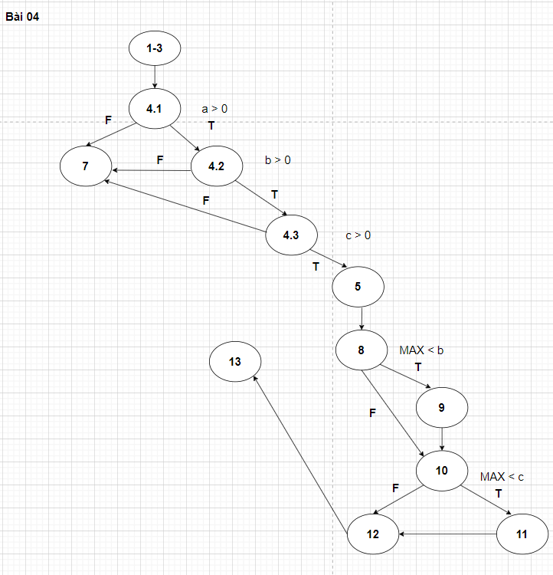

Bảng test case bao phủ nhánh 100%

# | Condition | Input |  |  | Line number excuted | Expected result | Actual Result | Status
 |  | a | b | c
1 | a <= 0 | -5 | 2 | 3 | 1-3, 4.1, 7 | 0 |  | P
2 | a > 0 && b <= 0 | 5 | -2 | 3 | 1-3, 4.1, 4.2, 7 | 0 |  | P
3 | a > 0 && b > 0 && c <= 0 | 5 | 2 | -3 | 1-3, 4.1, 4.2, 4.3, 7 | 0 |  | P
4 | a > 0 && b > 0 && c > 0 && MAX < b && MAX < c | 5 | 9 | 8 | 1-3, 4.1, 4.2, 4.3, 5, 8, 9, 10, 11, 12, 13 | 9 |  | P
5 | a > 0 && b > 0 && c > 0 && MAX < b && MAX >= c | 5 | 9 | 2 | 1-3, 4.1, 4.2, 4.3, 5, 8, 9, 10, 12, 13 | 9 |  | P
6 | a > 0 && b > 0 && c > 0 && MAX >= b && MAX < c | 5 | 3 | 8 | 1-3, 4.1, 4.2, 4.3, 5, 8, 10, 11, 12, 13 | 8 |  | P
7 | a > 0 && b > 0 && c > 0 && MAX >= b && MAX >= c | 5 | 3 | 2 | 1-3, 4.1, 4.2, 4.3, 5, 8, 10, 12, 13 | 5 |  | P

Bai05
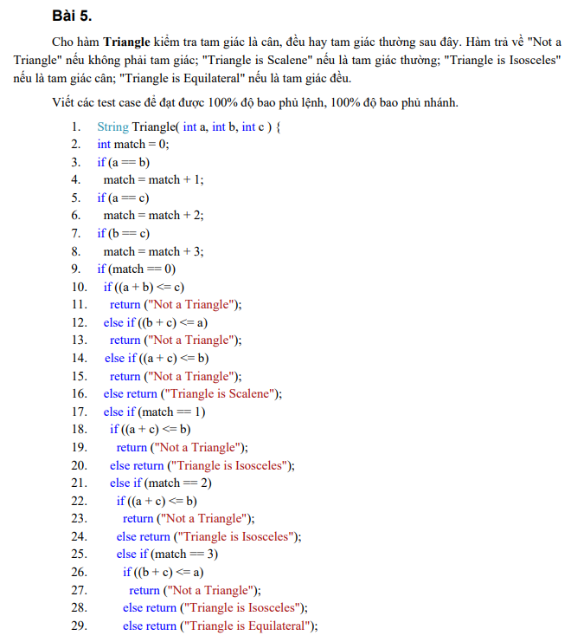

Lược đồ CFG

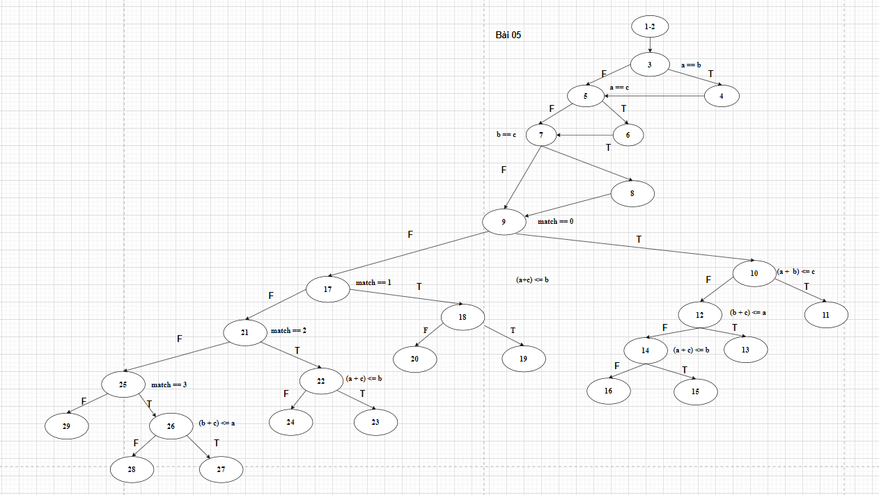

Bảng test case bao phủ nhánh 100%

# | Condition | Input |  |  | Line number excuted | Expected result | Actual Result | Status
 |  | a | b | c
1 | a = b && b =c && a= c | 2 | 2 | 2 | 1-2, 3, 4, 5, 6, 7, 8, 9, 17, 21, 25, 29 | Triangle is Equilateral
2 | a != b != c && a+ b <= c | 2 | 5 | 10 | 1-2, 3, 5, 7, 9, 10, 11 | Not a triangle
3 | a != b != c && a+ b > c && b +c < a | 6 | 2 | 3 | 1-2, 3, 5, 7, 9, 10, 12, 13 | Not a triangle
4 | a != b != c && a+ b > c && b +c >= a && a +c < b | 2 | 6 | 3 | 1-2, 3, 5, 7, 9, 10, 12, 14, 15 | Not a triangle
5 | a != b != c && a+ b > c && b +c >= a &&a +c >= b | 2 | 5 | 6 | 1-2, 3, 5, 7, 9, 10, 12, 14, 16 | Triangle is Scalence
6 | a =b && a != c && b != c && a +c <=b | 5 | 5 | -2 | 1-2, 3, 4, 5, 7, 9, 17, 18, 19 | Not a triangle
7 | a =b && a != c && b != c && a +c > b | 5 | 5 | 2 | 1-2, 3, 4, 5, 7, 9, 17, 18, 20 | Triangle is Isosceles
8 | a != b && a = c && b != c && a +c <= b | 2 | 5 | 2 | 1-2, 3, 5, 6, 7, 9, 17, 21, 22, 23 | Not a triangle
9 | a != b && a = c && b != c && a +c > b | 2 | 3 | 2 | 1-2, 3, 5, 6, 7, 9, 17, 21, 22, 24 | Triangle is Isosceles
10 | a!=b &&a!=c && b =c && b +c <= a | 7 | 3 | 3 | 1-2, 3, 5, 7, 8, 9, 25, 26, 27 | Not a triangle
11 | a!=b &&a!=c && b =c && b +c > a | 2 | 3 | 3 | 1-2, 3, 5, 7, 8, 9, 25, 26, 28 | Triangle is Isosceles

Bai06
Lược đồ CFG

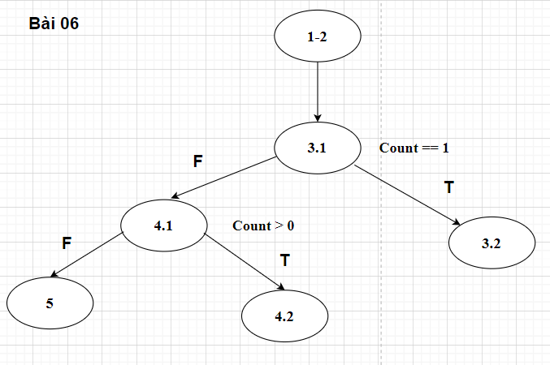

Bảng test case

# | Condition | Input |  | Line number excuted | Expected result | Actual Result | Status
 |  | Sum | Count
1 | Count ==1 | 5 | 1 | 1-2, 3.1, 3.2 | 5 |  | P
2 | Count != 1 && Count > 0 | 8 | 4 | 1-2, 3.1, 4.1, 4.2 | 2 |  | P
3 | Count != 1 && Count <= 0 | 8 | -5 | 1-2, 3.1, 4.1, 5 | 0 |  | P

Bai07
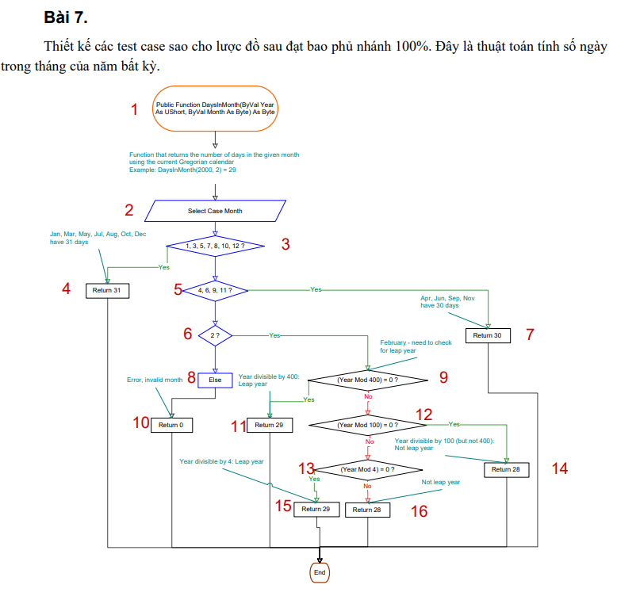

Bảng test case bao phủ nhánh 100%

# | Condition | Input |  | Line number excuted | Expected result | Actual Result | Status
 |  | Month | Year
1 | Month thuộc {1,3,5,7,8,10,12} | 3 | 2024 | 1, 2, 3, 4 | 31 |  | P
2 | Month thuộc {4, 6, 9, 11} | 6 | 2024 | 1, 2, 3, 5, 7 | 30 |  | P
3 | Month = 2 && Year % 400 = 0 | 2 | 2000 | 1, 2, 3, 5, 6, 9, 11 | 29 |  | P
4 | Month = 2 && Year % 400 != 0 && year % 100 = 0 | 2 | 1900 | 1, 2, 3, 5, 6, 9, 12, 14 | 28 |  | P
5 | Month = 2 && Year % 400 != 0 && year % 100 != 0 && Year % 4 =0 | 2 | 2024 | 1, 2, 3, 5, 6, 9, 12, 13, 15 | 29 | 28 | F
6 | Month = 2 && Year % 400 != 0 && year % 100 != 0 && Year % 4 !=0 | 2 | 2023 | 1, 2, 3, 5, 6, 9, 12, 13, 16 | 28 | 29 | F
7 | Month không thuộc {1,2,3,4,5,6,7,8,9,10,11,12} | 15 | 2024 | 1, 2, 3, 5, 6, 8, 10 | 0 |  | P

Bai08
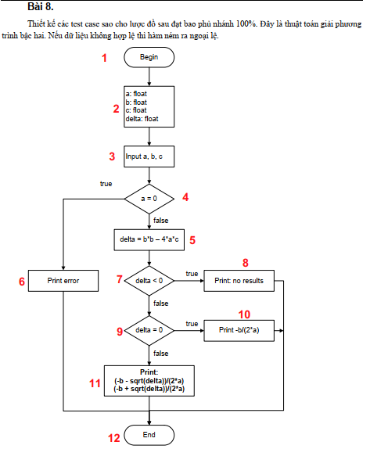

Bảng test case bao phủ nhánh 100%

# | Condition | Input |  |  | Line number excuted | Expected result | Actual Result | Status
 |  | a | b | c
1 | a =0 | 0 | 1 | 2 | 1, 2, 3, 4, 6, 12 | error |  | P
2 | a!=0 && delta < 0 | 1 | 2 | 3 | 1, 2, 3, 4, 5, 7, 8, 12 | no results |  | P
3 | a!=0 && delta = 0 | 1 | 4 | 4 | 1, 2, 3, 4, 5, 7, 9, 10, 12 | -2 |  | P
4 | a!=0 && delta > 0 | 1 | 5 | 1 | 1, 2, 3, 4, 5, 7, 9, 11, 12 | x1 =-4,7913 , x2=-0,2087 |  | P

Bai09
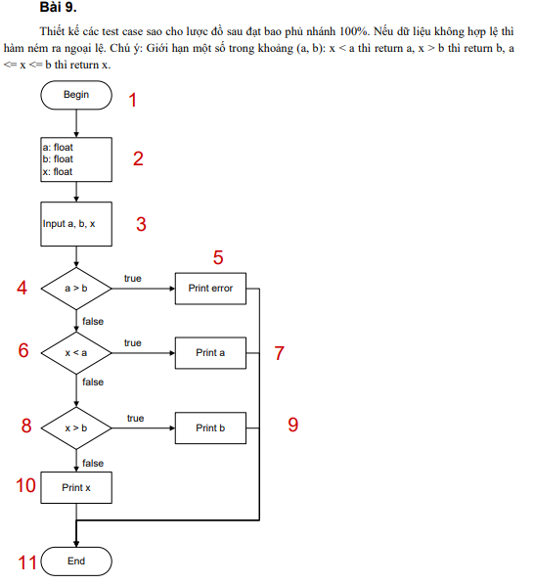

Bảng test case

# | Condition | Input |  |  | Line number excuted | Expected result | Actual Result | Status
 |  | a | b | x
1 | a > b | 5 | 1 | 2 | 1, 2, 3, 4, 5, 11 | error |  | P
2 | a <=b && x < a | 1 | 5 | -5 | 1, 2, 3, 4, 6, 7, 11 | 1 |  | P
3 | a <= b && x >= a && x > b | 1 | 5 | 8 | 1, 2, 3, 4, 6, 8, 9, 11 | 5 |  | P
4 | a <= b && x >= a && x <= b | 1 | 5 | 3 | 1, 2, 3, 4, 6, 8, 10, 11 | 3 |  | P

Bai10
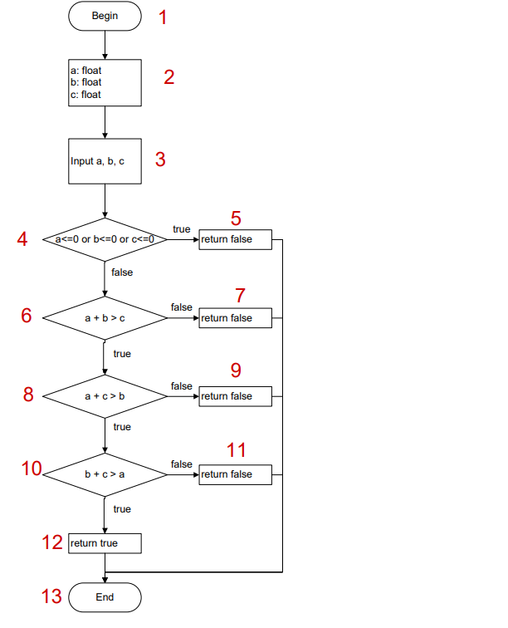

Bảng test case bao phủ nhánh 100%

# | Condition | Input |  |  | Line number excuted | Expected result | Actual Result | Status
 |  | a | b | c
1 | a <=0 or b<= 0 or c <= 0 | -5 | 1 | 2 | 1, 2, 3, 4, 5, 13 | FALSE |  | P
2 | a > 0 && b > 0 && c > 0 && a + b <= c | 2 | 3 | 6 | 1, 2, 3, 4, 6, 7, 13 | FALSE |  | P
3 | a > 0 && b > 0 && c > 0 && a + b > c && a+c <= b | 3 | 10 | 1 | 1, 2, 3, 4, 6, 8, 9, 13 | FALSE |  | P
4 | a > 0 && b > 0 && c > 0 && a + b > c && a+c > b && b +c <= a | 10 | 1 | 2 | 1, 2, 3, 4, 6, 8, 10, 11, 13 | FALSE |  | P
5 | a > 0 or b > 0 or c > 0 && a + b > c && a+c > b && b +c > a | 2 | 3 | 4 | 1, 2, 3, 4, 6, 8, 10, 12, 13 | TRUE |  | P

Bai11
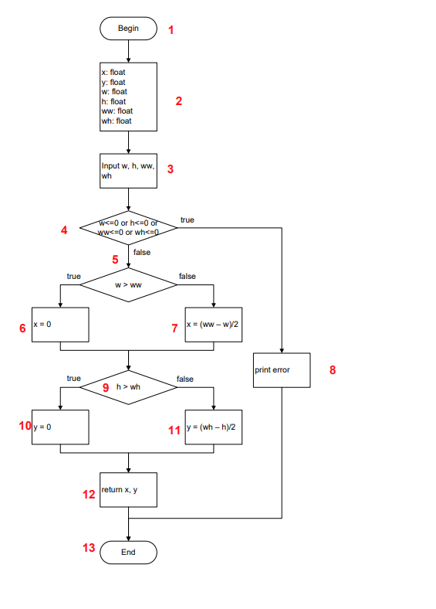

Bảng test case bao phủ nhánh 100%

# | Condition | Input |  |  |  | Line number excuted | Expected result |  | Actual Result | Status
 |  | w | h | ww | wh |  | x | y
1 | w <= 0 || h <= 0 || ww <= 0 || wh <= 0 | -5 | 3 | 4 | 5 | 1, 2, 3, 4, 8, 13 | error |  |  | P
2 | w > 0 && h > 0 && ww > 0 && wh >0 && w > ww && h > wh | 9 | 10 | 5 | 6 | 1, 2, 3, 4, 5, 6 , 9, 10, 12, 13 | 0 | 0 |  | P
3 | w > 0 && h > 0 && ww > 0 && wh >0 && w > ww && h <= wh | 9 | 6 | 5 | 10 | 1, 2, 3, 4, 5, 6, 9, 11, 12, 13 | 0 | 2 |  | P
4 | w > 0 && h > 0 && ww > 0 && wh >0 && w <= ww && h > wh | 5 | 7 | 9 | 4 | 1, 2, 3, 4, 5, 7, 9, 10, 12, 13 | 2 | 0 |  | P
5 | w > 0 && h > 0 && ww > 0 && wh >0 && w <= ww && h <= wh | 5 | 4 | 9 | 8 | 1, 2, 3, 4, 5, 7, 9, 11, 12, 13 | 2 | 2 |  | P

Bai12
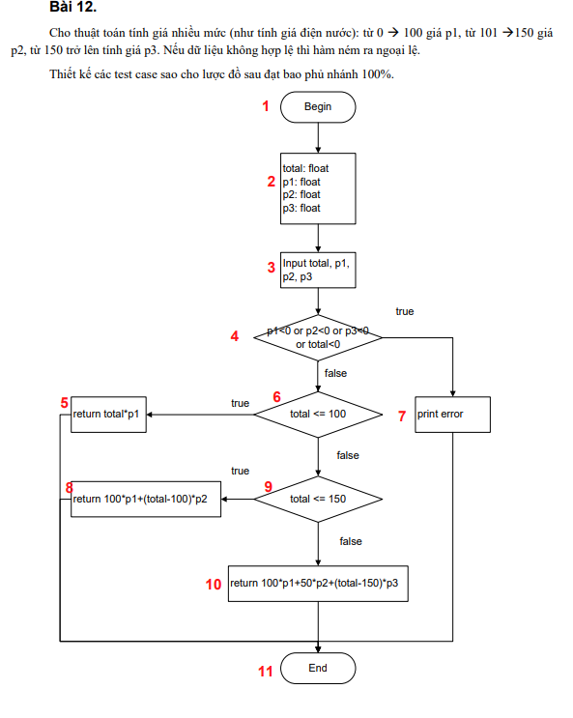

Bảng test case bao phủ nhánh 100%

# | Condition | Input |  |  |  | Line number excuted | Expected result | Actual Result | Status
 |  | p1 | p2 | p3 | total |  | total
1 | p1 < 0 || p2 < 0 || p3 <0 || total <0 | -5 | -6 | -7 | -18 | 1, 2, 3, 4, 7, 11 | error |  | P
2 | p1 >= 0 && p2 >= 0 && p3 >= 0 && total >= 0 && total <= 100 | 10 | 20 | 30 | 60 | 1, 2, 3, 4, 6, 5, 11 | 600 |  | P
3 | p1 >= 0 && p2 >= 0 && p3 >= 0 && total >= 0 && total > 100 && total <=150 | 20 | 40 | 60 | 120 | 1, 2, 3, 4, 6, 9, 8, 11 | 2800 |  | P
4 | p1 >= 0 && p2 >= 0 && p3 >= 0 && total >= 0 && total > 100 && total >150 | 60 | 40 | 70 | 170 | 1, 2, 3, 4, 6, 9, 10, 11 | 9400 |  | P

Bai13
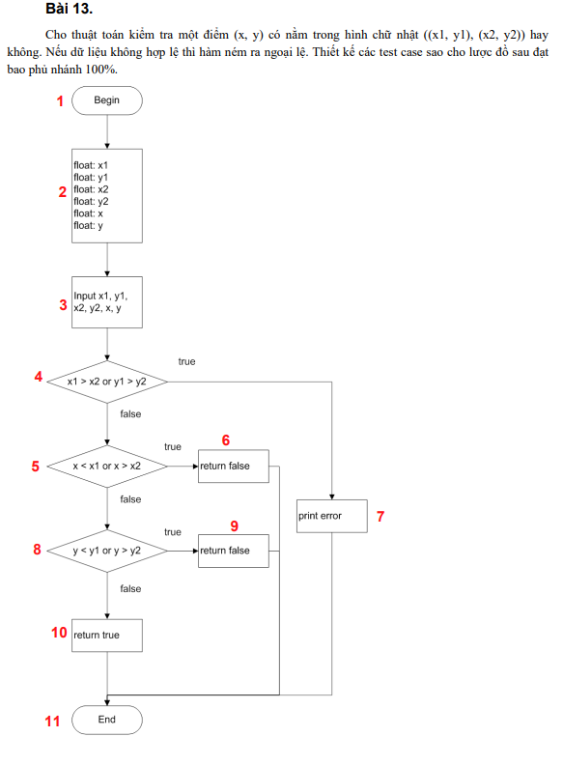

Bảng test case bao phủ nhánh 100%

# | Condition | Input |  |  |  |  |  | Line number excuted | Expected result | Actual Result | Status
 |  | x1 | y1 | x2 | y2 | x | y
1 | x1 > x2 || y1 > y2 | 9 | 1 | 2 | 3 | 4 | 5 | 1, 2, 3, 4, 7, 11 | error |  | P
2 | x1 <= x2 && y1 <= y2 && ( x < x1|| x > x2 ) | 2 | 3 | 5 | 6 | 1 | 4 | 1, 2, 3, 4, 5, 6, 11 | FALSE |  | P
3 | x1 <= x2 && y1 <= y2 && ( x >= x1&& x <= x2 ) && (y < y1 || y > y2 ) | 2 | 3 | 5 | 6 | 4 | 1 | 1, 2, 3, 4, 5, 8, 9, 11 | FALSE |  | P
4 | x1 <= x2 && y1 <= y2 && ( x >= x1&& x <= x2 ) && (y >= y1 && y <= y2 ) | 2 | 3 | 5 | 6 | 4 | 4 | 1, 2, 3, 4, 5, 8, 10, 11 | TRUE |  | P

Bai14
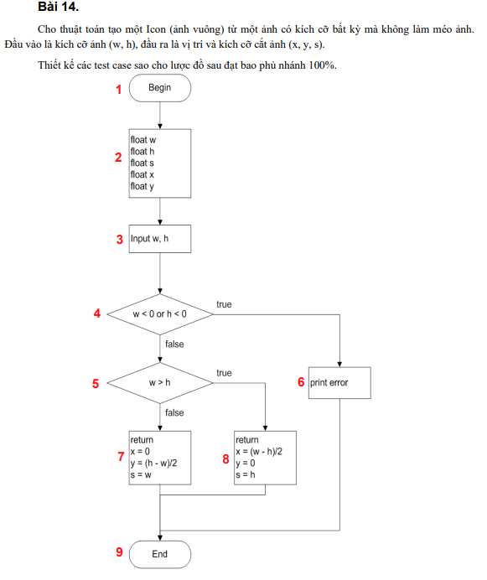

Bảng test case bao phủ nhánh 100%

# | Condition | Input |  | Line number excuted | Expected result |  |  | Actual Result | Status
 |  | w | h |  | s | x | y
1 | w < 0 || h < 0 | -5 | 6 | 1, 2, 3, 4, 6, 9 | error |  |  |  | P
2 | w >= 0 && h >= 0 && w >h | 6 | 3 | 1, 2, 3, 4, 5, 8, 9 | 3 | 1.5 | 0 |  | P
3 | w >= 0 && h >= 0 && w <= h | 3 | 6 | 1, 2, 3, 4, 5, 7, 9 | 3 | 0 | 1.5 |  | P

Bai15
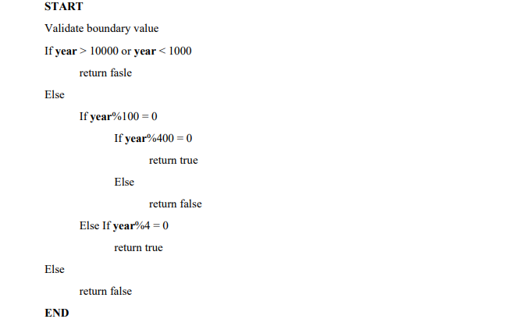

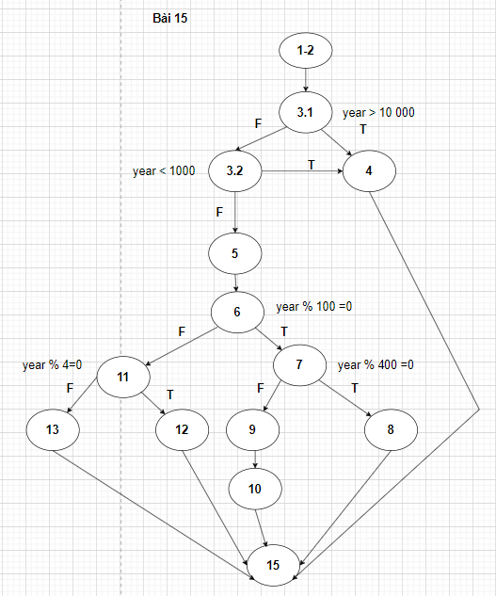
Lược đồ CFG

Bảng test case bao phủ nhánh 100%

# | Condition | Input | Line number excuted | Expected result | Actual Result | Status
 |  | year
1 | year > 10 000 | 15000 | 1-2, 3.1, 4, 15 | FALSE |  | P
2 | year < 1000 | 500 | 1-2, 3.1, 3.2, 4, 15 | FALSE |  | P
3 | year <= 10000 && year >= 1000 && year % 100 = 0 && year % 400 = 0 | 2000 | 1-2, 3.1, 3.2, 5, 6, 7, 8, 15 | TRUE |  | P
4 | year <= 10000 && year >= 1000 && year % 100 = 0 && year % 400 != 0 | 2100 | 1-2, 3.1, 3.2, 5, 6, 7, 9, 10, 15 | FALSE |  | P
5 | year <= 10000 && year >= 1000 && year % 100 != 0 && year % 4 = 0 | 2024 | 1-2, 3.1, 3.2, 5, 6, 11, 12, 15 | TRUE |  | P
6 | year <= 10000 && year >= 1000 && year % 100 != 0 && year % 4 != 0 | 2025 | 1-2, 3.1, 3.2, 5, 6, 11, 13, 15 | FALSE |  | P

Bai16
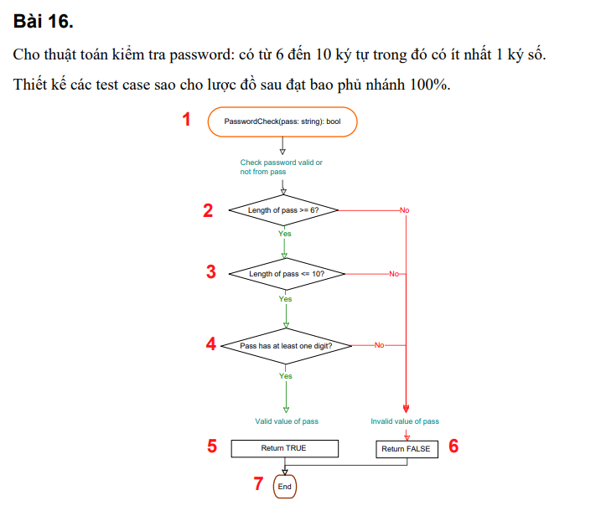

Bảng test case bao phủ nhánh 100%

# | Condition | Input | Line number excuted | Expected result | Actual Result | Status
 |  | pass
1 | length of pass >= 6 && length of pass <= 10 && pass has at least one digit | Knguyen1 | 1, 2, 3, 4, 5, 7 | TRUE |  | P
2 | Length of pass < 6 | Kn1 | 1, 2, 6, 7 | FALSE |  | P
3 | Length of pass > 10 | Khoinguyen112 | 1, 2, 3, 6, 7 | FALSE |  | P
4 | length of pass >= 6 && length of pass <= 10 && pass hasn't at least one digit | Knguyen | 1, 2, 3, 4, 6, 7 | FALSE |  | P

Bai17
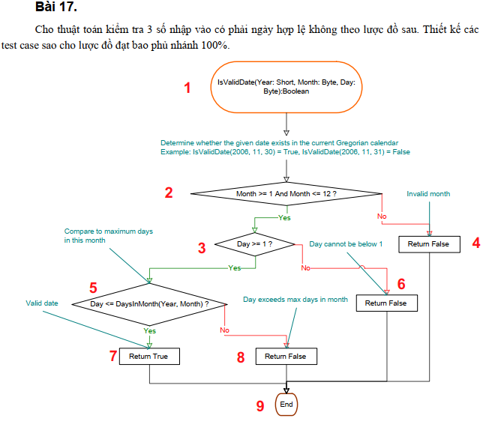

Bảng test case bao phủ nhánh 100%

# | Condition | Input |  |  | Line number excuted | Expected result | Actual Result | Status
 |  | Year | Month | Day
1 | Month >= 1 && Month <= 12 && Day >= 1 && Day <= DaysInMonth(Year,Month) | 2024 | 5 | 12 | 1, 2, 3, 5, 7, 9 | TRUE |  | P
2 | Month >= 1 && Month <= 12 && Day >= 1 && Day > DaysInMonth(Year,Month) | 2024 | 5 | 35 | 1, 2, 3, 5, 8, 9 | FALSE |  | P
3 | Month >= 1 && Month <= 12 && Day < 1 | 2024 | 5 | 0 | 1, 2, 3, 6, 9 | FALSE |  | P
4 | Month < 1 || Month > 12 | 2024 | 13 | 12 | 1, 2, 4, 9 | FALSE |  | P

Bai18
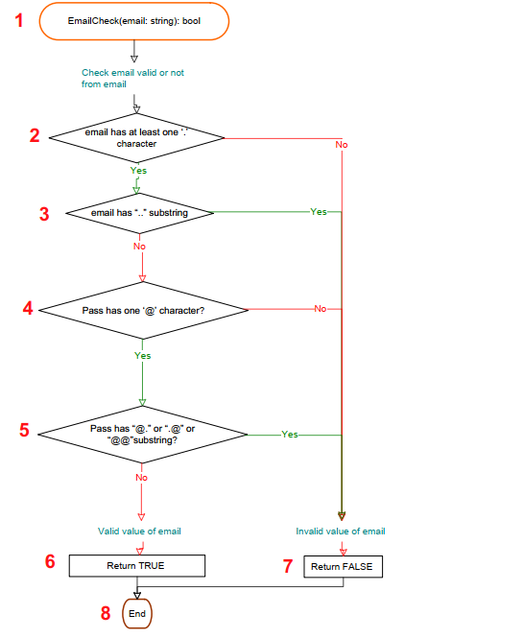

Bảng test case bao phủ nhánh 100%

# | Condition | Input | Line number excuted | Expected result | Actual Result | Status
 |  | email
1 | hasn't at least one '.' character | nguyen@gmailcom | 1, 2, 7, 8 | FALSE |  | P
2 | has at least one '.' character && email has ".." substring | nguyengmail..com | 1, 2, 3, 7, 8 | FALSE |  | P
3 | has at least one '.' character && email hasn't ".." substring && hasn't one '@' character | nguyengmail.com | 1, 2, 3 4, 7, 8 | FALSE |  | P
4 | has at least one '.' character && email hasn't ".." substring && has one '@' character && has '@.' || ".@" || "@@" substring | nguyengmail@@.com | 1, 2, 3 4, 5, 7, 8 | FALSE |  | P
5 | has at least one '.' character && email hasn't ".." substring && has one '@' character && hasn't '@.' || ".@" || "@@" substring | nguyen@gmail.com | 1, 2, 3 4, 5, 6, 8 | TRUE |  | P

Bai19
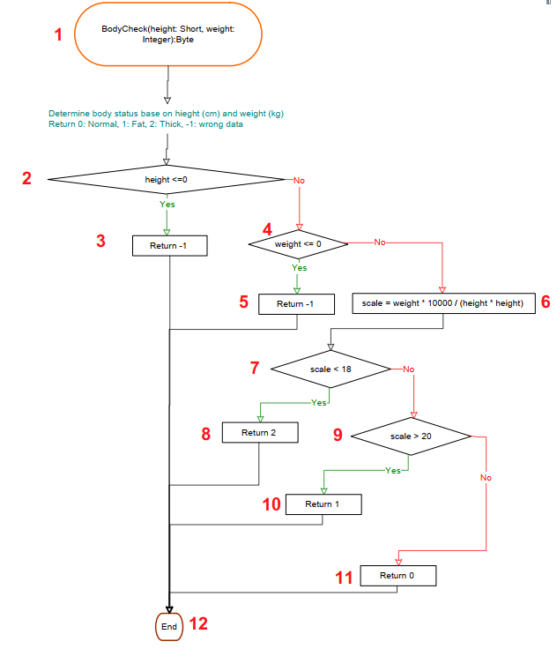

Bảng test case bao phủ nhánh 100%

# | Condition | Input |  | Line number excuted | Expected result | Actual Result | Status
 |  | height | weight
1 | height <=0 | -5 | 123 | 1, 2, 3 | -1 |  | P
2 | height > 0 && weight <= 0 | 12 | -5 | 1, 2, 4, 5 | -1 |  | P
3 | height > 0 && weight > 0 && scale <18 | 180 | 50 | 1, 2, 4, 6, 7, 8, 12 | 2 |  | P
4 | height > 0 && weight > 0 && scale >= 18 && scale >20 | 180 | 80 | 1, 2, 4, 6, 7, 9, 10, 12 | 1 |  | P
5 | height > 0 && weight > 0 && scale >= 18 && scale <= 20 | 180 | 60 | 1, 2, 4, 6, 7, 9, 11, 12 | 0 |  | P

Bai20
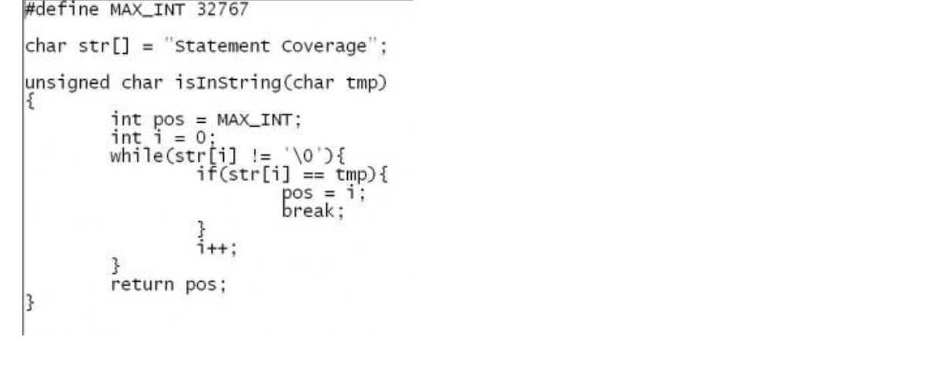

Lược đồ CFG
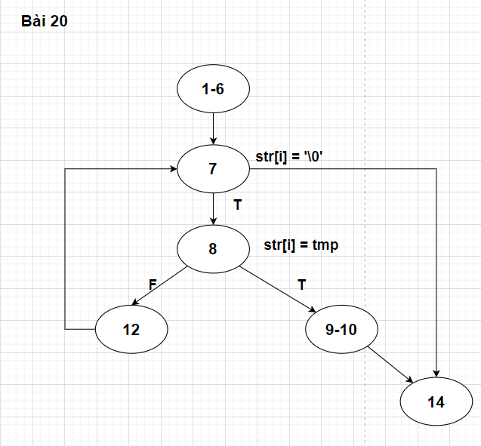

Bảng test case bao phủ nhánh 100%

# | Condition | Input | Line number excuted | Expected result | Error | Status
 |  | tmp
1 |  | f | 1-6, 7, 8, 12, 7, 14 | 32767 | while(str[i] != '\0') | F
2 |  | a | 1-6, 7, 8, 9-10, 14 | 2 |  | P

Bai21
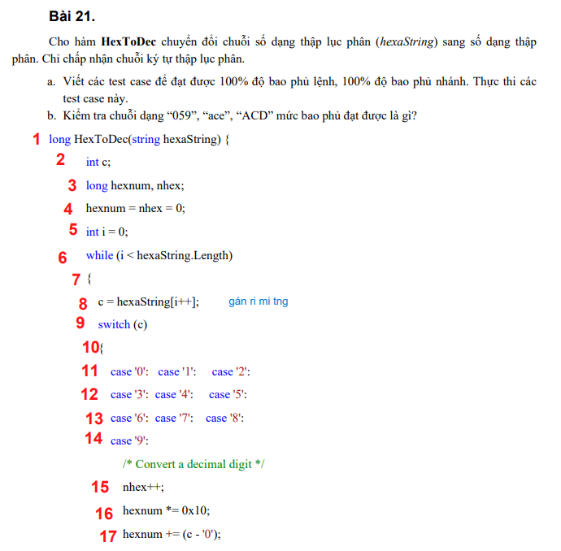

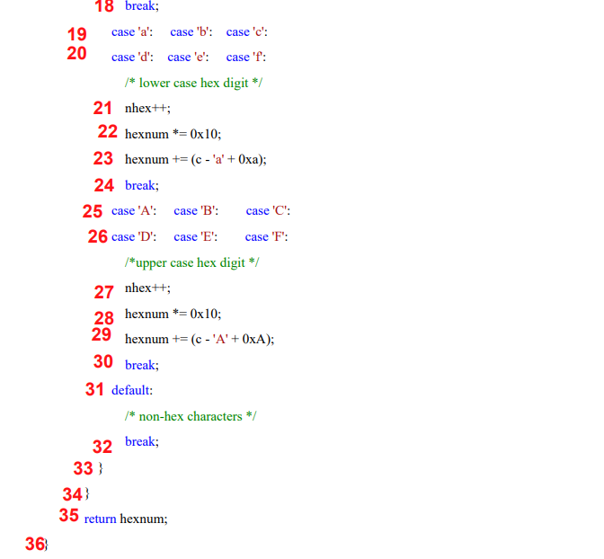

Lược đồ CFG

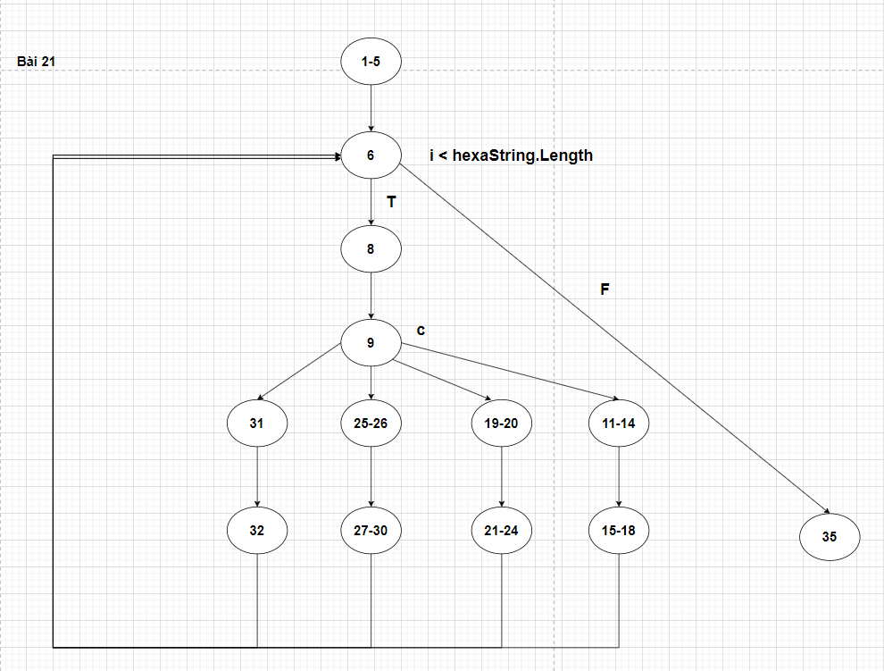

a)
Bảng test case bao phủ nhánh 100%

# | Input | Line number excuted | Expected result
 | hexaString
1 | 1G3 | 1-5, 6, 8, 9, 31, 32, 6, 35 | 1
2 | ACD | 1-5, 6, 8, 9, 25-26, 27-30, 6, 35 | 2765
3 | ace | 1-5, 6,8, 9, 19-20, 21-24, 6, 35 | 2766
4 | 059 | 1-5, 6, 8, 9, 11-14, 15-18, 6, 35 | 89

Bảng test case bao phủ lệnh 100%

# | Input | Line number excuted |  | Expected result
 | hexaString
1 | 7aCG | 1-5, 6, 8, 9, 11-14, 15-18, 6, 8, 9, 19-20, 21-24, 6, 8, 9, 25-26, 27-30, 6, 8, 9, 31, 32, 6, 35 |  | 1964

b) | Đạt mức bao phủ 83%

