Spulen
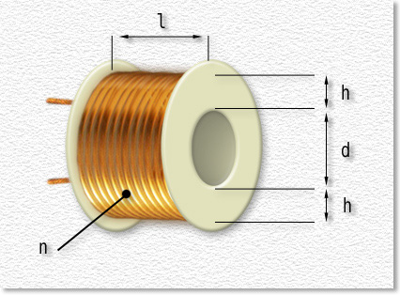
function spulm (nmx,hmx,imx,lmx) {
var nn = parseInt(nmx,10);
var hh = parseInt(hmx,10)/10;
var ii = parseInt(imx,10)/10;
var ll = parseInt(lmx,10)/10;
var dm = (ii+2*hh)*0.5;
var kk = (hh+ll)*2;
var sk = 1.035*10e-5;
var foo = 1e3;
var pfug = 1;
if ((nn <= 0) || (hh <= 0) || (ii <= 0) || (ll <= 0) ){
document.getElementById("kew_a").firstChild.nodeValue = "--";
return "Fehler";
} else {
if (dm/kk <= ll) {
pfug = parseInt(foo*Math.pow(nn,2)*dm*Math.sqrt(Math.pow(dm/kk,3),4)*sk);
} else {
pfug = parseInt(foo*Math.pow(nn,2)*dm*Math.sqrt(dm/kk,2)*sk);
}
var qq = Math.sqrt((hh*ll)/nn,2)*10;
document.getElementById("kew_a").firstChild.nodeValue = qq.toFixed(2);
return parseFloat(pfug/foo);
}} //-->

Windungen | Höhe | Innen | Länge | L | Drahtdurchm.
n | h | d | l
800 | 6 | 8.000 | 15.00 | 9.1 | 0.33

function spul (nx,dx,lx) {
var wid = parseInt(nx,10);
var drm = parseInt(dx,10);
var lng = parseInt(lx,10);
if ((wid <= 0) || (drm <= 0) || (lng <= 0)){
return "Fehler";
} else {
var xxx = parseInt((Math.pow(wid,2)*0.00395*Math.pow(drm/2,2))/(lng+0.45*drm)*100);
var yyy = parseFloat(xxx/100);
return yyy;
}}

Hallsensoren
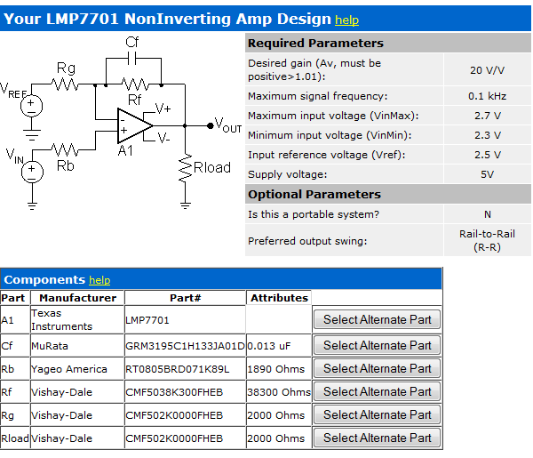
Hersteller | Bezeichnung | mv/G | V/T | Gain (1V/mT) | Vccmin | Vccmax | Nullpunkt(V) | Noise (µV) | Linearität | Bmax (mT) | Temp.Fehler | Distri | Gehäuse | Abmessungen | Preis/Stück | Bemerkungen
Honeywell | SS 495 A | 3.125 | 31.25 | 32.0 | 4.5 | 10.5 | 2.5 |  | -1% | 67 | 0.06% | Reichelt | TO-92 |  | 1.40 €
 | SS 495 A1 | 3.125 | 31.25 | 32.0 | 4.5 | 10.5 | 2.5 |  | -1% | 67 | 0.04% | Reichelt | TO-92 |  | 2.65 €
 | SS 496 A1 | 2.5 | 25 | 40.0 | 4.5 | 10.5 | 2.5 |  | -1% | 67 | 0.03% | Reichelt | TO-92 |  | 2.45 €
 | SS 59 ET | 1.4 | 14 | 71.4 | 2.7 | 6.5 | 2.5 |  | -0.70% | 100 | 0.10% | Reichelt | SOT-89 |  | 1.60 €
Allegro | UGN3503 | 1.3 | 13 | 76.9 | 4.5 | 6 | 2.5 | 90 | -1%..-2% | unlimited | ? | ? | Multi |  | ? | Original!
 | AT1326 | 2.5 | 25 | 40.0 | 4.5 | 5.5 | 2.5 | 3500 | 1.50% | ? | 5% | RS-Online | SIP-3 |  | 2.02 €
Melexis | 2SA-10 | 5 | 50 | 20.0 | 4.5 | 5.5 | VDD/2 |  | 0.20% | unlimited | 0.02% | eBay | SOIC8 |  | 2-5€ | discont' --> MLX91204
 | MLX90393 | 16bit 311..6211LSB/mT |  |  | 2.2 | 3.6 | - |  |  | 50 | 5% | as-electronic | QFN16 | 3x3x1 | 1.50 €

Konstruktion
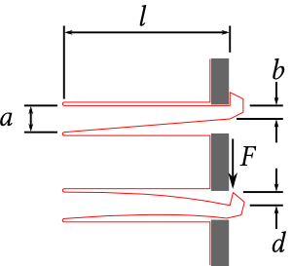

Slot width | a | 3 | mm
lever width | b | 2 | mm | a-b is the travel distance?
travel | d | 1.5 | mm
length | l | 10 | mm
sheet thickness | t | 3 | mm
young's module | E | 3300 | Mpa | (From Plexiglas Datasheet)
operating Force | F | 3.7125 | N
max. Stress | σmax | 8.25 | MPa
PullThrough Force | P | 24.75 | N

https://www.deferredprocrastination.co.uk/blog/2013/so-whats-a-practical-laser-cut-clip-size/

