2023Q4_HW_BUG討論
Bug ID | Project | Component | Status | Subject | 說明 | RD Comment | Author | Feature ID | Feature ID Detail | Counts | Created Time
117675 | SKY-602E3 | HW | Fixed | [HW-R0R4.0Z.01]AER/SEL check error during System stress test. | proper PCIe MUX/De-MUX setting(All 4dB-boost) is the final solution. | <1>有PCIe redriver的話，建議都是先量測好，再進入DQA Fucntion避免調值後要重測Reliability 測項。 <2>如果Redriver的Vendor無法Support驗証+Fine tune，建議提前預約SI資源做Rx訊號量測。 <3>關於X710 CRC Issue，AMD有提供Workaround但沒有解釋Reason or root cause, 目前RD端測試是PASS，CRC現階段不好預防，需用實測來確認。 Next action: RD Study使用Intel/AMD Margin tool跟用儀器量測的差異 (PS: Margin tool的數值結果會與終端Device如GPU/LAN Card相關) | Jenny3.Lin | HW-R0R4.0Z.01 | No PCIe AER error found during System Stress | 2 | 2023-11-09
117674 | SKY-602E3 | HW | Fixed | [HW-R0R2.0A.0Z.01]AER/SEL check error during OS reboot test. | proper PCIe MUX/De-MUX setting(All 4dB-boost) is the final solution. |  | Jenny3.Lin | HW-R0R2.0A.0Z.01 | No PCIe AER error found during reboot testing | 2 | 2023-11-09
117667 | SKY-602E3 | HW | Fixing | [HW-R0R3.0A.03]The device scan can not consistent with the default list then AER/SEL check error then onboard X710 have CRC error during DC power cycle. | only got CRC error when we applied the workaround solution for the X710 PCIe lane missing issue. |  | Jenny3.Lin | HW-R0R3.0A.03 | 確認每次開機都能scan到和default list(DefaultPCI.txt)一致 Device scan can be consistent with the default list during power cycle | 8 | 2023-11-09
117666 | SKY-602E3 | HW | Fixed | [HW-R0R3.0B.03]The device scan can not consistent with the default list and ipmitool not found during AC power cycle. | proper PCIe MUX/De-MUX setting(All 4dB-boost) is the final solution. |  | Jenny3.Lin | HW-R0R3.0B.03 | 確認每次開機都能scan到和default list(DefaultPCI.txt)一致 Device scan can be consistent with the default list during power cycle | 6 | 2023-11-09
118401 | HVS-6302 | HW | Fixing | [HW-R0R3.0A.03] FPGA device is disappeared during AC power cycle for 100 times. | Adjust the startup sequence of FPGA and SOM, allowing the FPGA to initiate before the SOM,so that the FPGA's DONE pin signal connect to SOM's PWR_OK | <1> 等FPGA Code ready再進DQA，因Schedule及FPGA一直在加Code加Feature，所以可行性不大 <2>EE/FPGA RD自行先測一下，再進DQA，因FPGA一直加功能，所以每一版如果都要先測一下，在人力Loading上也有其困難度 <3>早期都是用BIOS去設Delay，之後RD設計時也可以考慮此Solution的概念 (DONE pin connect PWR_OK，等FPGA Ready再往下走) Next action: RD協助確認改Solution前後PWR_OK的時間差距 | stephen.lee | HW-R0R3.0A.03 | 確認每次開機都能scan到和default list(DefaultPCI.txt)一致 Device scan can be consistent with the default list during power cycle | 8 | 2023-12-07
118160 | SKY-721E3 | HW | Clarifying | [BMC_I08-2.13][PSU Sensor]BMC sometimes can't get Specific PSU sensor value and let BMC generate unexpected SEL when DUT reset | 由於Vednor無法複製問題 ,因此Fail PSU 已退回等待有多餘系統複製issue給Vendor帶回分析 | 目前判斷跟BMC較無關，因其他PSU也不會，所以應該與FSP FSP2000-20FM與BMC相容性比較有關，需要研華提供系統給Vendor，確認可以複製後再請Vendor提供分析報告。 Next action: 查詢是否有其他案件也搭配此PSU，確認是否有相似問題。 | Vincent.Lin | BMC_I08-2.13 | PSU Sensor | 1 | 2023-12-01
118106 | VEGA-6321 | HW | Won't-fix | [BIOS-C04][Console support after BIOS POST End] DUT sometimes can't displayed BIOS release information when BIOS display AMI logo in HDMI output ,but always displayed on LCD panel. | PD / EE head那邊Chester會再另行告知，若沒問題就於bug review meeting上將此bug status改為won’t fix *後續標品VEGA-6321若有OEM/ODM新案需求，會By 客戶要求再更新 原因: 此bug跟螢幕種類之反應時間可能也有關係，若改了開機時間會被拉長 | 初期RD也有看到，但認知這只是個現象，知道DQA會當成BUG，則之後會先跟DQA溝通。 | Sherrie.Wu | BIOS-C04 | Console support after BIOS POST End | 3 | 2023-11-28
117865 | SKY-8134DU | HW | Clarifying | [HW-R0R3.0B.0Z.02] The DUT has MCE errors when using the EMR CPU. | 使用 EMR CPU 時 UPI BUS自動升級至20G,會出現 EMR ERROR.(SP CPU UPI 16G only) UPI BUS PCB 走 表層 所導致. EMR-UPI CPU0 Port 1 Rx 20.0Gb/s(原始無貼片) DEBUG: 表層貼上 導電布 鐵片 銅片 跑 intel IOMT tools report | <1> 此案當初用SPR的UPI 16G是Margin PASS，因此當使用EMR UPI走20G時就出現問題, 估計Short term solution表層貼片在24G可能還是有風險。 <2>高速訊號走表層特別容易會遇到串音(Cross Talk)和阻抗(Impedance)不匹配的問題，以後設計要避免。 <3>案子都建議RD端用Vendor提供的Margin tool確認訊號是否有Concern | apple.chi | HW-R0R3.0B.0Z.02 | No MCE error found during G3 testing | 1 | 2023-11-17
116846 | FWA-2013 | HW | Wait for next HW revision | [BMC_NE03-5][eSW Update - CPLD/FPGA]BMC always keeps reset , DUTcan't boot successful when use new firmware PSU to let BMC upgrade FPGA via web after power cycle | It should use PSU_PWR_OK to control on-switch in future as correct AUX circuit design. | <1>此案件是DC Jack跟ATX Co-lay的特殊設計，會在該案件的線路圖上加上Deisign note，設計要參考此線路時就有依據 <2> RD有在Redmine提供分析報告，有興趣可以直接看Analysis of FWA-2013 can not power on normally after FPGA upgrade via the web_20240131.ppt | Vincent.Lin | BMC_NE03-5 | eSW Update - CPLD/FPGA | 2 | 2023-10-06
118855 | VEGA-7030 | Mechanical | Ready for DQA test | [HW-M0M3.0A.02] Metal parts and spatial positioning can not impact the functionality of SATA SSDs | 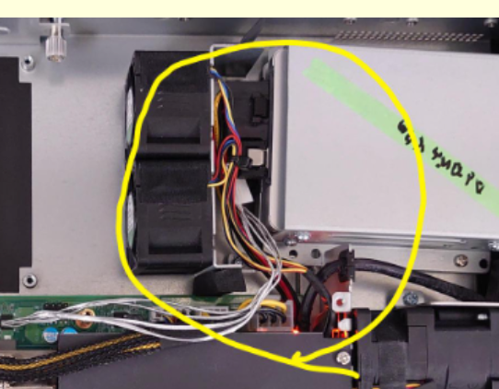 Increased cable space in DVT version. | <1>VEGA-7020的SKU是FAN/SSD只會出現一種，但VEGA-7030延用同樣的設計，但其SKU有FAN&SSD都要的，至於VEGA-7020初期為什麼沒有考慮已不可考。 <2>RD除了看2D圖外，也要確認整體3D圖 <3> COM cable是因為要共用料 (收斂料號)造成的問題，是因為PCB要改版，所以一併改Connector方向。 <4> SE團隊可以協助系統Cable survey，有需要可以與Charlie團隊合作 <5> ME需要註明組件設計公差，另外可以ME討論是否機構Margin要加大 | apple.chi | HW-M0M3.0A.02 | ME component works together in general condtion [在一般使用下,機構元件彼此合作無間] [ 沒有機構干涉] | 33 | 2023-12-12
118854 | VEGA-7030 | HW | Wait for next HW revision | [HW-M0M3.0A.02] The RISER8 PCIe cage presses against the COM serior bus cable. | 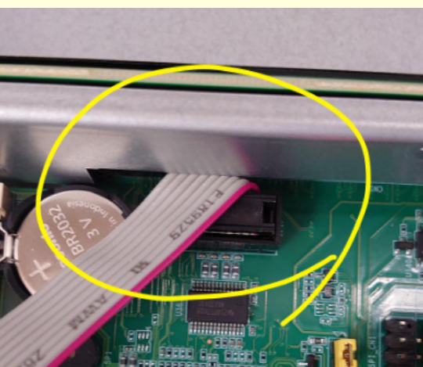 HW 將會進行COM PORT 180度翻轉避免干涉 |  | apple.chi | HW-M0M3.0A.02 | ME component works together in general condtion [在一般使用下,機構元件彼此合作無間] [ 沒有機構干涉] | 33 | 2023-12-12

