Skill Screenshots
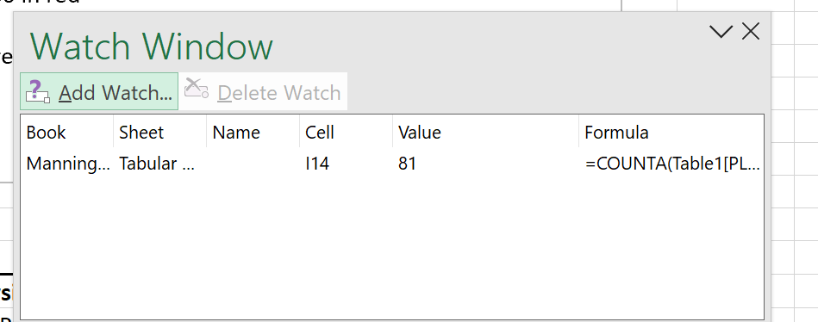

Skill Screenshots

Koby Manning
IDH 4547
Date of Creation: | 2023-02-12
Date of Viewing: | 2024-05-07
Quick Access Toolbar

Clipboard
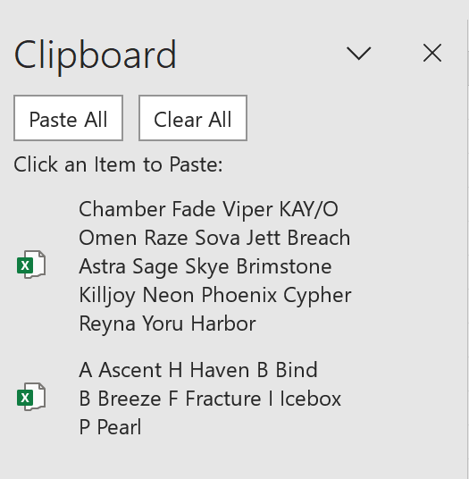

View with 2 worksheets
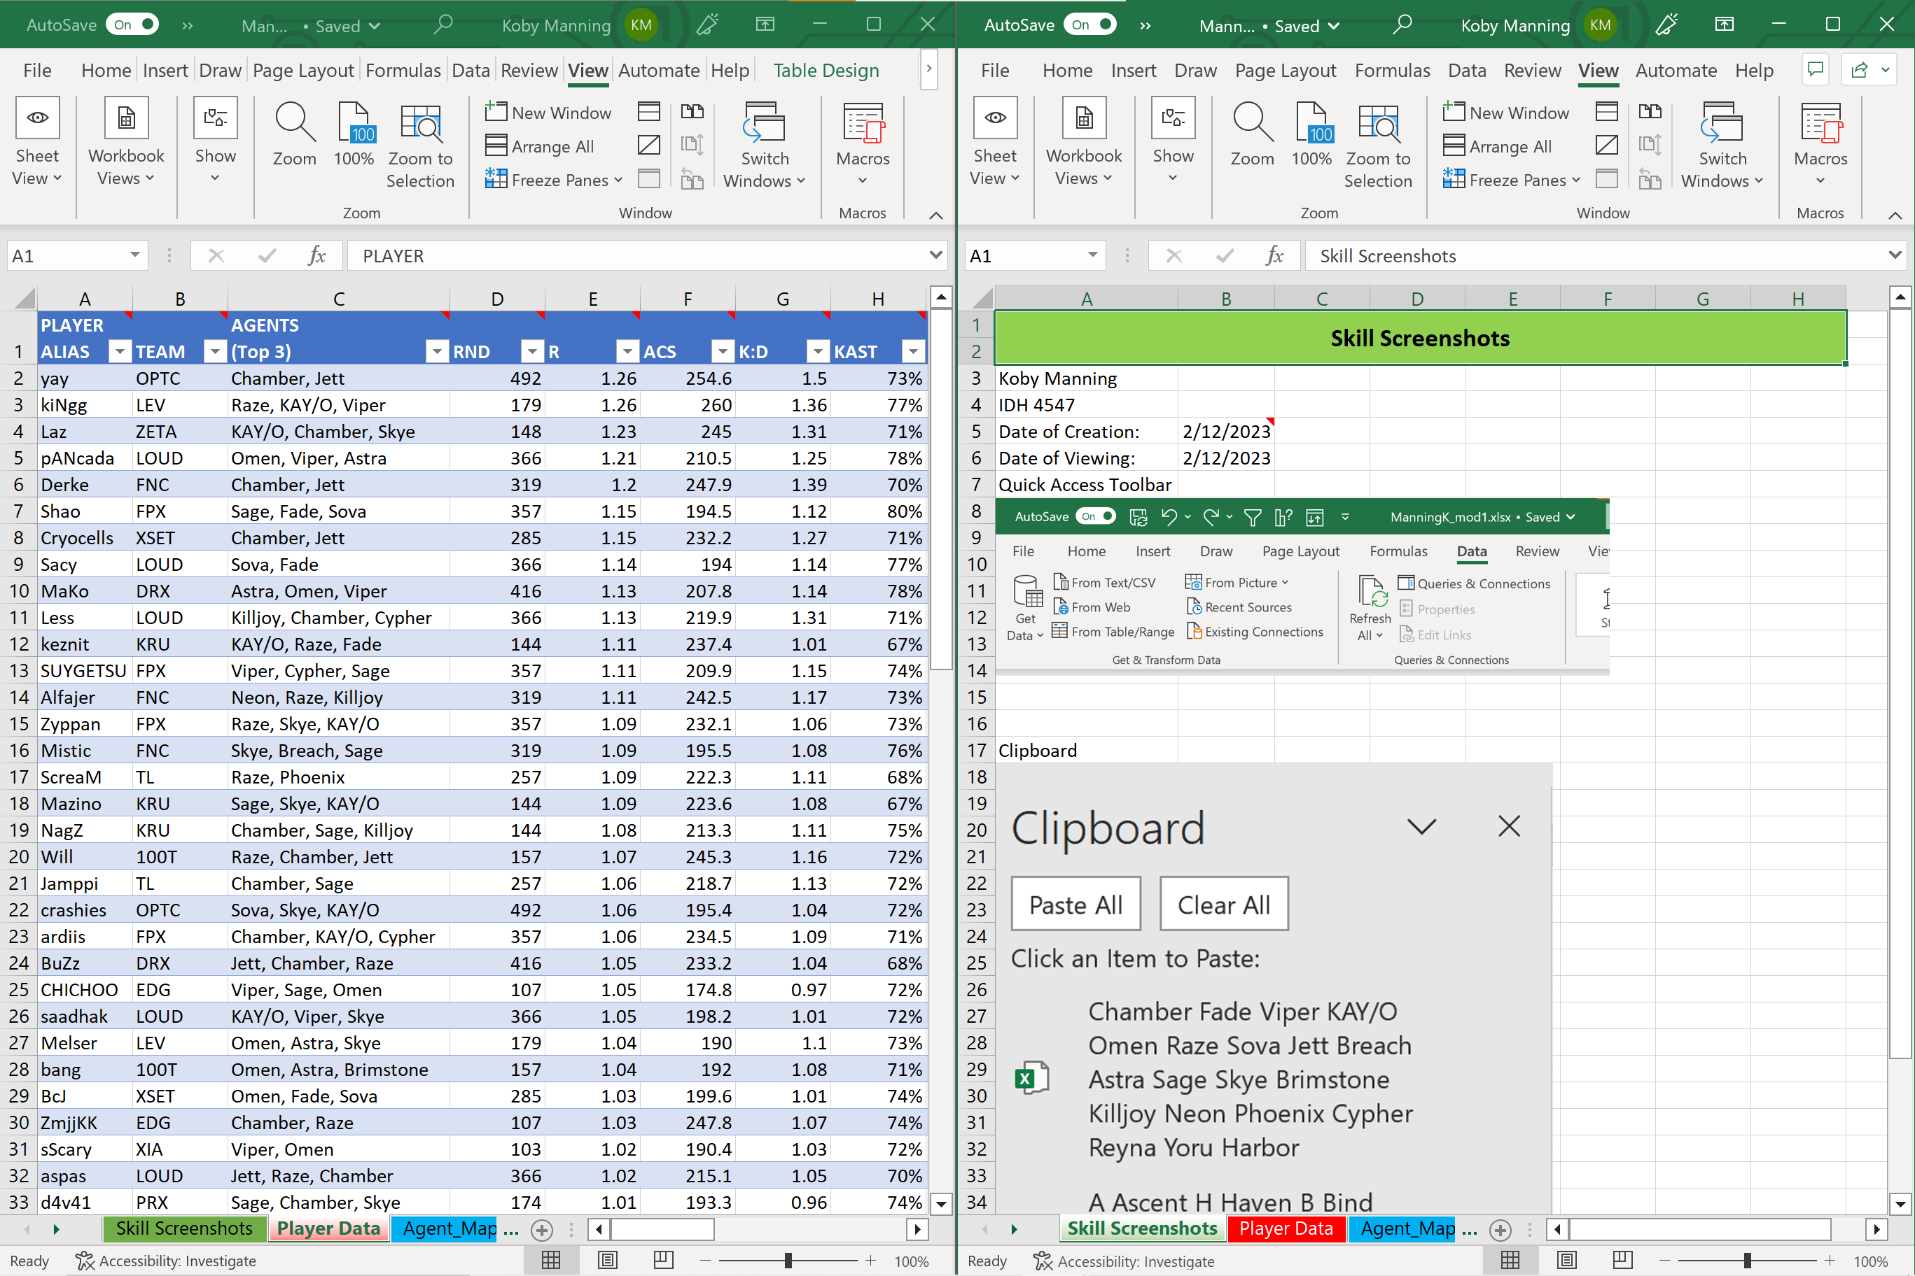

Sort a Table
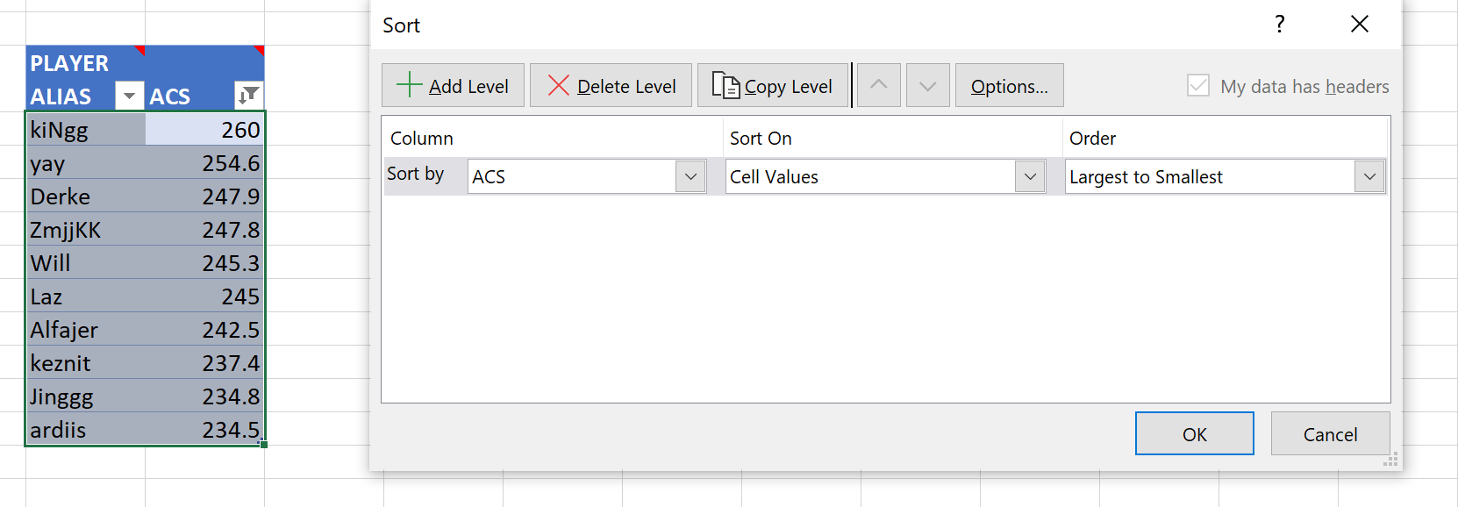

Format a Picture (solid white fill)
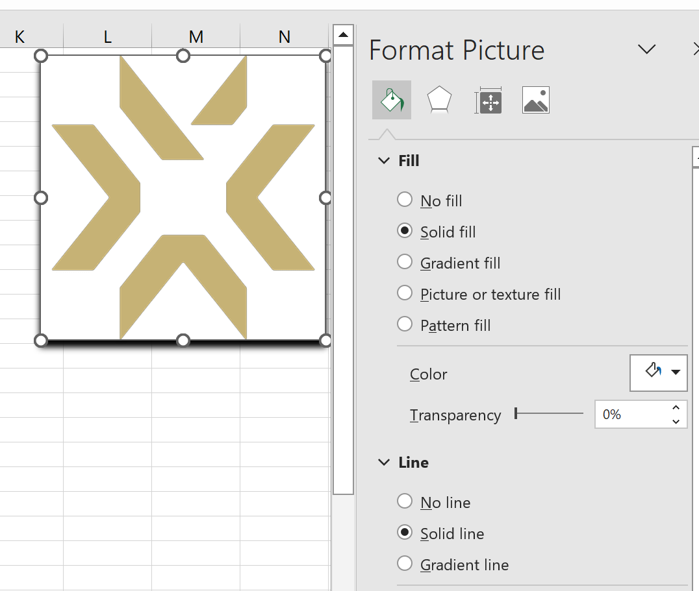

Format a Shape

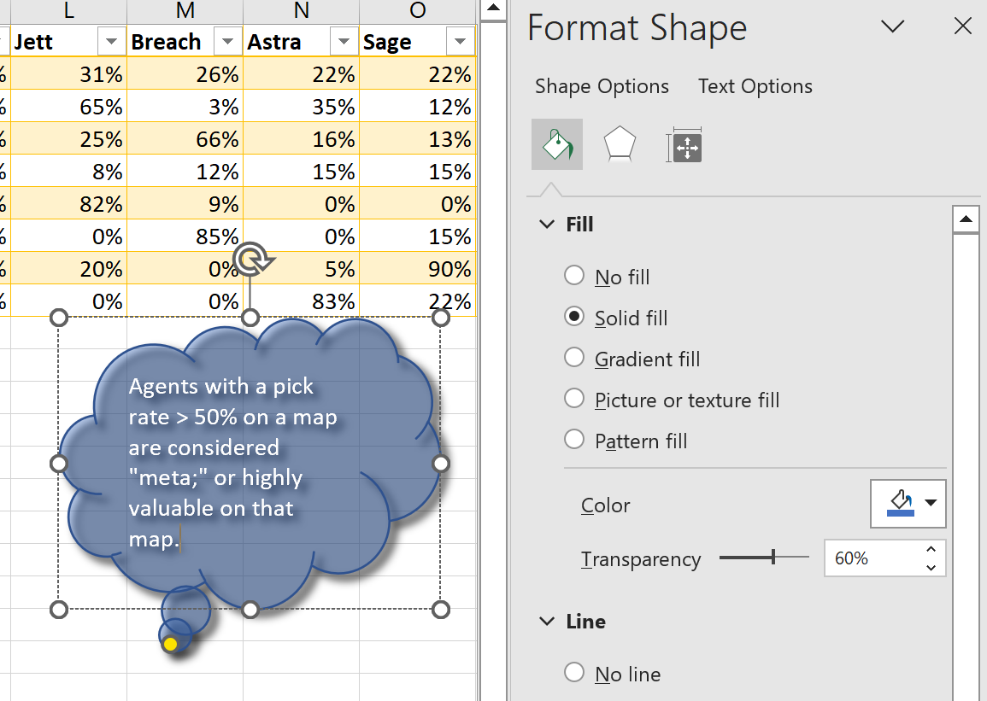

Watch window

Agent_Map Data
MAP | # | ATK WIN | DEF WIN | Chamber | Fade | Viper | KAY/O | Omen | Raze | Sova | Jett | Breach | Astra | Sage | Skye | Brimstone | Killjoy | Neon | Phoenix | Cypher | Reyna | Yoru | Harbor
 | 86 | 49% | 51% | 67% | 53% | 46% | 45% | 35% | 34% | 33% | 31% | 26% | 22% | 22% | 21% | 20% | 16% | 16% | 6% | 6% | 1% | 1% | 0%
A Ascent | 17 | 45% | 55% | 35% | 71% | 0% | 97% | 65% | 3% | 56% | 65% | 3% | 35% | 12% | 0% | 0% | 47% | 0% | 9% | 3% | 0% | 0% | 0%
H Haven | 16 | 48% | 52% | 78% | 84% | 3% | 6% | 84% | 53% | 6% | 25% | 66% | 16% | 13% | 13% | 0% | 25% | 6% | 9% | 6% | 6% | 0% | 0%
B Bind | 13 | 52% | 48% | 35% | 46% | 88% | 8% | 0% | 100% | 0% | 8% | 12% | 15% | 15% | 85% | 85% | 0% | 0% | 0% | 0% | 0% | 4% | 0%
B Breeze | 11 | 47% | 53% | 68% | 0% | 100% | 64% | 5% | 0% | 100% | 82% | 9% | 0% | 0% | 27% | 0% | 0% | 9% | 9% | 27% | 0% | 0% | 0%
F Fracture | 10 | 49% | 51% | 100% | 30% | 20% | 35% | 35% | 30% | 0% | 0% | 85% | 0% | 15% | 0% | 65% | 0% | 80% | 5% | 0% | 0% | 0% | 0%
I Icebox | 10 | 54% | 46% | 90% | 35% | 100% | 50% | 0% | 20% | 65% | 20% | 0% | 5% | 90% | 0% | 0% | 20% | 0% | 0% | 0% | 0% | 5% | 0%
P Pearl | 9 | 47% | 53% | 89% | 89% | 50% | 50% | 17% | 28% | 0% | 0% | 0% | 83% | 22% | 22% | 0% | 0% | 39% | 6% | 6% | 0% | 0% | 0%
Agents with a pick rate on a map higher than their overall pickrate are exceptionally viable on that map

Graph Analysis
Top 10 Players by ACS
PLAYER ALIAS | ACS
kiNgg | 260
yay | 254.6
Derke | 247.9
ZmjjKK | 247.8
Will | 245.3
Laz | 245
Alfajer | 242.5
keznit | 237.4
Jinggg | 234.8
ardiis | 234.5

VLR Rating vs ACS
1.26 | 260
1.26 | 254.6
1.23 | 245
1.21 | 210.5
1.2 | 247.9
1.15 | 232.2
1.15 | 194.5
1.14 | 194
1.13 | 219.9
1.13 | 207.8
1.11 | 242.5
1.11 | 237.4
1.11 | 209.9
1.09 | 223.6
1.09 | 195.5
1.09 | 222.3
1.09 | 232.1
1.08 | 213.3
1.07 | 245.3
1.06 | 234.5
1.06 | 195.4
1.06 | 218.7
1.05 | 233.2
1.05 | 174.8
1.05 | 198.2
1.04 | 192
1.04 | 190
1.03 | 199.6
1.03 | 247.8
1.02 | 215.1
1.02 | 190.4
1.01 | 182.2
1.01 | 193.3
1.01 | 179.9
1 | 224
1 | 221.7
0.99 | 188.5
0.98 | 159.1
0.98 | 172.8
0.98 | 203
0.98 | 219.8
0.96 | 222.4
0.96 | 174
0.95 | 170.4
0.95 | 200.6
0.95 | 180.9
0.95 | 185.2
0.95 | 195
0.94 | 174
0.94 | 215.9
...
VLR Rating vs KAST
 | KAST
1.26 | 77%
1.26 | 73%
1.23 | 71%
1.21 | 78%
1.2 | 70%
1.15 | 71%
1.15 | 80%
1.14 | 77%
1.13 | 71%
1.13 | 78%
1.11 | 73%
1.11 | 67%
1.11 | 74%
1.09 | 67%
1.09 | 76%
1.09 | 68%
1.09 | 73%
1.08 | 75%
1.07 | 72%
1.06 | 71%
1.06 | 72%
1.06 | 72%
1.05 | 68%
1.05 | 72%
1.05 | 72%
1.04 | 71%
1.04 | 73%
1.03 | 74%
1.03 | 74%
1.02 | 70%
1.02 | 72%
1.01 | 72%
1.01 | 74%
1.01 | 74%
1 | 73%
1 | 79%
0.99 | 72%
0.98 | 75%
0.98 | 71%
0.98 | 72%
0.98 | 67%
0.96 | 66%
0.96 | 70%
0.95 | 69%
0.95 | 65%
0.95 | 67%
0.95 | 72%
0.95 | 69%
0.94 | 69%
0.94 | 63%
...

Tabular Analysis
Players with more than 200 rounds played but without an ACS > 200 in red
Players with more than 200 rounds AND ACS > 200 in green
PLAYER ALIAS | RND | PLAYER ALIAS | ACS
yay | 492 | kiNgg | 260
crashies | 492 | yay | 254.6
Marved | 492 | Derke | 247.9
Victor | 492 | ZmjjKK | 247.8
FNS | 492 | Will | 245.3
MaKo | 416 | Laz | 245
BuZz | 416 | Alfajer | 242.5
stax | 416 | keznit | 237.4
Zest | 416 | Jinggg | 234.8
Rb | 416 | ardiis | 234.5
pANcada | 366 | BuZz | 233.2 | Analysis
Sacy | 366 | Cryocells | 232.2 | Total Players: | 81
Less | 366 | Zyppan | 232.1 | Missing Values: | 0
saadhak | 366 | dgzin | 224 | Total Rounds Played | 1874
aspas | 366 | Mazino | 223.6 | Mean Rounds Played | 200.92
Shao | 357 | Dep | 222.4
SUYGETSU | 357 | ScreaM | 222.3 | Mean ACS | 195.7
Zyppan | 357 | Smoggy | 221.7 | Median ACS | 192.4
ardiis | 357 | Less | 219.9 | Mode ACS | 174
ANGE1 | 357 | zekken | 219.8 | Maximum ACS | 260
Derke | 319 | Jamppi | 218.7 | Player | kiNgg
Alfajer | 319 | f0rsakeN | 215.9 | Minimum ACS | 136.9
Mistic | 319 | aspas | 215.1 | Player | crow
Boaster | 319 | NagZ | 213.3
Enzo | 319 | pANcada | 210.5 | FNS's ACS | 159.1
Cryocells | 285 | SUYGETSU | 209.9 | FNS's ACS Ranking | 77
BcJ | 285 | MaKo | 207.8
zekken | 285 | Victor | 203
AYRIN | 285 | Crws | 200.6 | 25th Highest ACS | 210.5
dephh | 285 |  |  | 95th Percentile ACS | 245.3
ScreaM | 257 |  |  | Number of Players in 95th percentile | 4
Jamppi | 257 |  |  | Mean ACS in the 95th percentile | 252.6
Nivera | 257
dimasick | 257
soulcas | 257

