Report_18-19
Expenses 2018/2019
 | Planned | Actual
Bank costs | 828.00 SEK | 1,100.00 SEK
Board celebration | 4,000.00 SEK | 2,930.00 SEK
CodeHubs | 7,100.00 SEK | 6,941.37 SEK
Infrastructure | 3,260.00 SEK | 0.00 SEK
Marketing | 11,940.00 SEK | 2,835.56 SEK
Office material | 500.00 SEK | 105.00 SEK
Inventory & Equipment | - SEK | 2,000.00 SEK
Travel expenses | 2,920.00 SEK | 800.00 SEK
Financial report 2018-09-01 until 2019-08-31
 | PLAN |  | ACTUAL
 | Income | Costs | Income | Costs
Savings start of last year | 13,587.52 SEK |  | 13,587.52 SEK
EXPENSES |  | 30,548.00 SEK |  | 63,480.94 SEK
Bank costs |  | 828.00 SEK |  | 1,100.00 SEK
Board celebration |  | 4,000.00 SEK |  | 2,930.00 SEK
CodeHubs |  | 7,100.00 SEK |  | 6,941.37 SEK
Infrastructure |  | 3,260.00 SEK |  | 0.00 SEK
Marketing |  | 11,940.00 SEK |  | 2,835.56 SEK
Office material |  | 500.00 SEK |  | 105.00 SEK
Inventory & Equipment |  | 0.00 SEK |  | 2,000.00 SEK
Event Costs |  | 0.00 SEK |  | 46,769.01 SEK
Travel expenses |  | 2,920.00 SEK |  | 800.00 SEK
Sponsorship | 22,325.00 SEK |  | 58,705.00 SEK
TOTAL | 35,912.52 SEK | 30,548.00 SEK | 72,292.52 SEK | 63,480.94 SEK
RESULT END OF YEAR | 5,364.52 SEK |  | 8,811.58 SEK
Sponsorship 2018/2019

Budget_19-20
Sponsorship 2019/2020
We need to calculate sponsorship/income

Savings last year | 8,007.41 SEK
Sponsorship/Income 19/20 | 19,300.00 SEK
Sponsorship Uni | 10,000.00 SEK
Selling inventory | 1,200.00 SEK
Studiefrämjandet | 3,500.00 SEK
Ny i Växjö (6 ppl) | 600.00 SEK
Lunch Lecture (4x) | 4,000.00 SEK
TOTAL | 27,307.41 SEK

Category | Subcategory | Budget
CodeHubs | Fika | 9,000.00 SEK
Equipment & Tools | Carts for carrying Fika | 500.00 SEK
Expenses
CodeHubs | 9,000.00 SEK
Equipment & Tools | 500.00 SEK
Event | 3,000.00 SEK
Marketing | 1,475.00 SEK
Infrastructure | 2,319.00 SEK
Bank costs | 1,100.00 SEK
Event | Board Celebration | 3,000.00 SEK
Marketing |  | 1,475.00 SEK
Infrastructure |  | 2,319.00 SEK
Bank costs | Bank fees | 1,100.00 SEK
TOTAL |  | 17,394.00 SEK
RESULT NEXT YEAR |  | 1,906.00 SEK
Savings for 20-21 |  | 9,913.41 SEK

Infrastructure
Communication tools
Website domain
Server hosting
Others

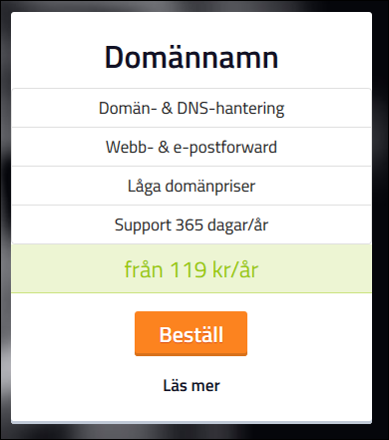
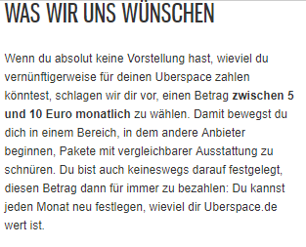
Website domain with binero |  |  | Uberspace - Mail hosting service:
 |  |  |  | Monthly fee | 100
 | Yearly fee | 119 |  | TOTAL | 1200

