Coil Calcs
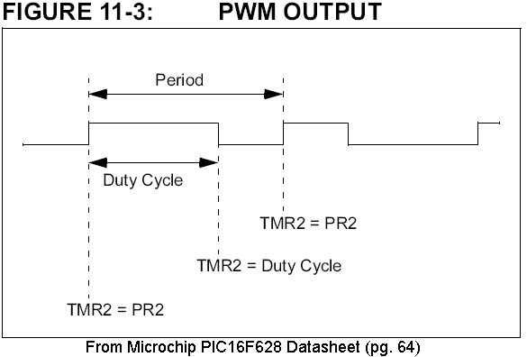
 | Table 1: Coil Calculations for High Voltage Power Supply.
 | Based on Microchip document TB053
Enter Values |  | Microchip Example | Mouser 18R104c | Mouser 22R104c | Mouser 18R104c | Mouser 22R104c | Mouser 18R334c | Mouser 22R334c | Joost

 | Volts(IN) | 9 | 5 | 5 | 12 | 12 | 12 | 12 | 5
 | Volts(OUT) | 170 | 180 | 180 | 180 | 180 | 180 | 180 | 180
 | Coil uH | 330 | 100 | 100 | 100 | 100 | 330 | 330 | 220
 | Coil Amps | 0.655 | 1.2 | 0.67 | 1.2 | 0.67 | 0.73 | 0.38 | 0.8
 | uH*I_Peak | 216.15 | 120 | 67 | 120 | 67 | 240.9 | 125.4 | 176
Coil Characteristics
 | Time to Charge (us)* | 24.02 | 24.00 | 13.40 | 10.00 | 5.58 | 20.08 | 10.45 | 35.20
 | Max Power (Watts) | 2.95 | 3.00 | 1.68 | 7.20 | 4.02 | 4.38 | 2.28 | 2.00
 | Max mA @Vout | 17.34 | 16.67 | 9.31 | 40.00 | 22.33 | 24.33 | 12.67 | 11.11
 | Fall time (us) | 1.34 | 0.69 | 0.38 | 0.71 | 0.40 | 1.43 | 0.75 | 1.01
 | * (Vin/L)*t=Ipeak used, Equation 6 in TB053 seems to be wrong.

 | Table 2. PWM Calculations
 | PICmicro Mid-Range MCU guide Page 14-10
 |  | Microchip Example | Mouser 18R104c | Mouser 22R104c | Mouser 18R104c | Mouser 22R104c | Mouser 18R334c | Mouser 22R334c | Arduino | Joost
 | Enter Values
 | Pic OSC (Mhz) | 20 | 8 | 8 | 8 | 8 | 8 | 8 | 80 | Freq [KHz] | 15.980113636 | analogWriteFreq(1000) // Default 1KHz
 | Prescaler | 1.00 | 1.00 | 1.00 | 1.00 | 1.00 | 1.00 | 1.00 | 1.00 | Range | 1024 | analogWriteRange(1024) // Default 1024
 | PFM Values |  |  |  |  |  |  |  |  | Period [us] | 62.58
Time to Charge | Duty Cycle (us) | N/A | 24.00 | 13.40 | 10.00 | 5.58 | 20.08 | 10.45 | 35.20 | Duty Cycle [%] | 75%
(CCPxCON/CCPRxL) | Duty Cycle Value | #VALUE! | 192 | 107 | 80 | 45 | 161 | 84 | 2816 | Duty Cycle [us] | 46.93
 | Min Period(us) (*1) | 12.80 | 32.00 | 17.87 | 13.33 | 7.44 | 26.77 | 13.93 | 46.93
 | Max Frequency (kHz) | 78.125 | 31.250 | 55.970 | 75.000 | 134.328 | 37.360 | 71.770 | 21.307
PR2 | Min Period Value | 63 | 63 | 35 | 26 | 14 | 53 | 27 | 938
 | Max PWM resolution *2 | 8 | 8 | 7 | 7 | 6 | 8 | 7 | 12
 | *1- Duty=75% of Minimum Period per app note, period= (Time to Charge + ((1/3)*Time to Charge))
 | *2- IN BITS, not relevant here. See page 14-9/14-10
 | *3 [OSC/3]*Duty Cycle(us)=PR2

Reference Voltage
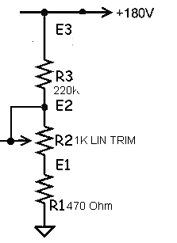
 | Table3. High Voltage Feedback Network Calculations

 | Volts | 180 | 180 | 180 | 180 | 180 | 180
 | R3 (Kohms) | 120 | 120 | 120 | 220 | 220 | 220
 | R2 (Lin/trim)K | 0 | 0.5 | 1 | 0 | 0.5 | 1
 | R1 (Kohms) | 0.47 | 0.47 | 0.47 | 0.47 | 0.47 | 0.47

 | E3 (Volts) | 180.00 | 180.00 | 180.00 | 180.00 | 180.00 | 180.00
*PIC sees this: | E2 (Volts) | 0.70 | 1.44 | 2.18 | 0.38 | 0.79 | 1.19
 | E1 (Volts) | 0.70 | 0.70 | 0.70 | 0.38 | 0.38 | 0.38
 | HV Feedback Ratio: |  | 124.711 |  |  | 227.804
 |  |  |  | Ex=V*((R1+R2+R3+...Rx)/(total resistance))
 |  |  |  | *Values in Kohms

 | Table 4. High Voltage Feedback ADC Set Value

 | Target Voltage |  | 180 | <-from above |  | 180
 | HV Feedback ratio |  | 124.711 | <-from above |  | 227.804
 | Reference Voltage |  | 5.1 | <-enter exact voltage |  | 5.1 |  | *Stolen from 555 Hi-V (version C) schematic - NEONIXIE-L
 | ADC steps |  | 1024 |  |  | 1024
 | HV Feedback value |  | 290 |  |  | 159 |  | NOTE: 555 Hi-V (ver. C) uses 220k-1k-.47k HV divider
 |  |  |  |  |  |  |  | NOTE: PIC DEFAULT DESIGN USES 120k-1k-.47K divider
 | Table 5. Supply Voltage Feedback Network Calculations

 | Volts | 2.5 | 3 | 6 | 9 | 12 | 16
 | R2 (Kohms) | 100 | 100 | 100 | 100 | 100 | 100
 | R1 (Kohms) | 10 | 10 | 10 | 10 | 10 | 10

 | E2 (Volts) | 2.500 | 3.000 | 6.000 | 9.000 | 12.000 | 16.000
*PIC sees this: | E1 (Volts) | 0.227 | 0.273 | 0.545 | 0.818 | 1.091 | 1.455
 | FB Ratio:** | 11.000 | 11.000 | 11.000 | 11.000 | 11.000 | 11.000
 |  |  |  | Ex=V*((R1+R2+R3+...Rx)/(total resistance))
 |  |  |  | *Values in Kohms
 |  |  |  | **Use calibration table 6 for better accuracy

 | Table 6. Supply Voltage Feedback Calibration

 | Vsupply (actual) |  | 5.1
 | Vfeedback(actual) |  | 0.48
 | Exact Supply FB Ratio |  | 10.625

