Задача 1
F= | 34 |  | Ограничения на пропускную способность: |  |  |  |  |  | Ограничения на "что вошло, то вышло": |  |  |  | Ограничения на
x12= | 20 |  |  | <= | 20 |  | >= | 0 | x12+x13-F=0 | 0 | = | 0
x13= | 14 |  |  | <= | 22 |  | >= | 0 | x12+x32-x23-x24-x26=0 | 0 | = | 0
x23= | 0 |  |  | <= | 4 |  | >= | 0 | x13+x23+x63-x32-x36-x35=0 | 0 | = | 0
x32= | 0 |  |  | <= | 2 |  | >= | 0 | x24+x64-x46-x47=0 | 0 | = | 0
x24= | 12 |  |  | <= | 12 |  | >= | 0 | x35+x65-x56-x57=0 | 0 | = | 0
x26= | 8 |  |  | <= | 10 |  | >= | 0 | x26+x36+x56+x46-x64-x63-x65-x67 = 0 | 0 | = | 0
x36= | 0 |  |  | <= | 10 |  | >= | 0 | x47+x67+x57-F=0 | 0 | = | 0
x63= | 0 |  |  | <= | 10 |  | >= | 0
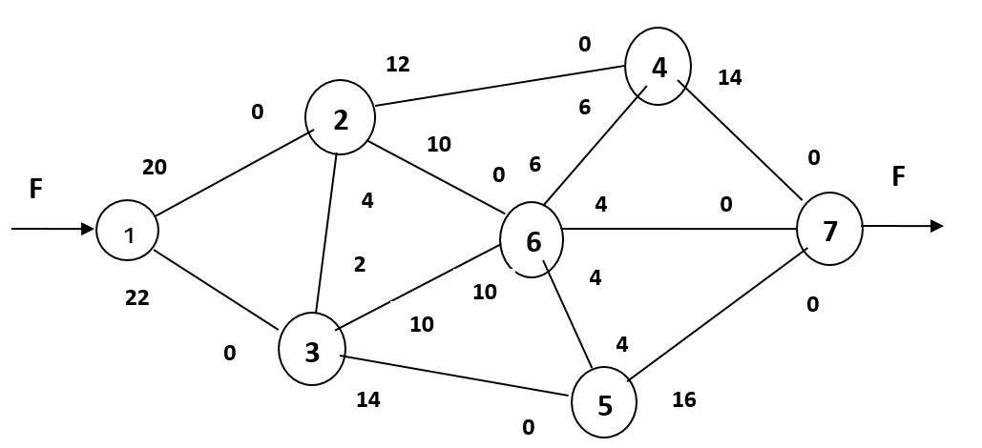
x46= | 0 |  |  | <= | 6 |  | >= | 0
x64= | 2 |  |  | <= | 6 |  | >= | 0
x47= | 14 |  |  | <= | 14 |  | >= | 0
x67= | 4 |  |  | <= | 4 |  | >= | 0
x35= | 14 |  |  | <= | 14 |  | >= | 0
x56= | 0 |  |  | <= | 4 |  | >= | 0
x65= | 2 |  |  | <= | 4 |  | >= | 0
x57= | 16 |  |  | <= | 16 |  | >= | 0

 |  | x12= | 0 |  | <= | 20
 |  | x21= | 0 |  | <= | 0
 |  | x13= | 0 |  | <= | 22
 |  | x31= | 0 |  | <= | 0
 |  | x23= | 0 |  | <= | 4
 |  | x32= | 0 |  | <= | 2
 |  | x24= | 0 |  | <= | 12
 |  | x42= | 0 |  | <= | 0
 |  | x26= | 0 |  | <= | 10
 |  | x62= | 0 |  | <= | 0
 |  | x36= | 0 |  | <= | 10
 |  | x63= | 0 |  | <= | 10
 |  | x46= | 0 |  | <= | 6
 |  | x64= | 0 |  | <= | 6
 |  | x47= | 0 |  | <= | 14
 |  | x74= | 0 |  | <= | 0
 |  | x67= | 0 |  | <= | 4
 |  | x76= | 0 |  | <= | 0
 |  | x35= | 0 |  | <= | 14
 |  | x53= | 0 |  | <= | 0
 |  | x56= | 0 |  | <= | 4
 |  | x65= | 0 |  | <= | 4
 |  | x57= | 0 |  | <= | 16
 |  | x75= | 0 |  | <= | 0

Задача 2
Целевая функция
F= | 385.000028

Определение переменных |  | Ограничение на пропускую способность |  |  | Ограничение на "всё, что вошло, должно выйти"
x12= | 13 | x12 | <= | 15 | x12 + x13 <= 20 | 20.000001 | <= | 20
x13= | 7.000001 | x13 | <= | 8 | x12 - x23 - x25 - x24 = 0 | 0 | = | 0
x23= | 0 | x23 | <= | infinity | x13 + x23 + x53 - x34 - x35 = 0 | 0 | = | 0
x24= | 3 | x24 | <= | 4 | x24 +x34 - x45 = 5 | 5 | = | 5
x25= | 10 | x25 | <= | 10 | x35 + x25 + x45 - x53= 15 | 15.000001 | = | 15
x34= | 2.000001 | x34 | <= | 15
x35= | 5 | x35 | <= | 5
x45= | 1.00E-06 | x45 | <= | infinity
x53= | 0 | x53 | <= | 5
(20)
5, 4
(15)
4, 4
1
2
4
3
5
(5)
12, 15
12, *
5, *
9, 10
2, 15
5, 5
14, 8

Задача 3
Целевая функция
F= | 30

Определение переменных |  |  |  |  |  | Ограничения
x12= | 0 |  |  |  |  | x12 + x13 = 1 |  |  | 1 | = | 1
x13= | 1 |  |  |  |  | x12 + x32 - x24 - x27 = 0 |  |  | 0 | = | 0
x24= | 0 |  |  |  |  | x13 - x32 - x34 - x35 = 0 |  |  | 0 | = | 0
x27= | 0 |  |  |  |  | x24 + x34 - x45 - x47 = 0 |  |  | 0 | = | 0
x32= | 0 |  |  |  |  | x35 + x45 - x56 = 0 |  |  | 0 | = | 0
x34= | 0 |  |  |  |  | x56 - x67 = 0 |  |  | 0 | = | 0
x35= | 1 |  |  |  |  | x27 + x47 + x67 = 1 |  |  | 1 | = | 1
x45= | 0
x47= | 0
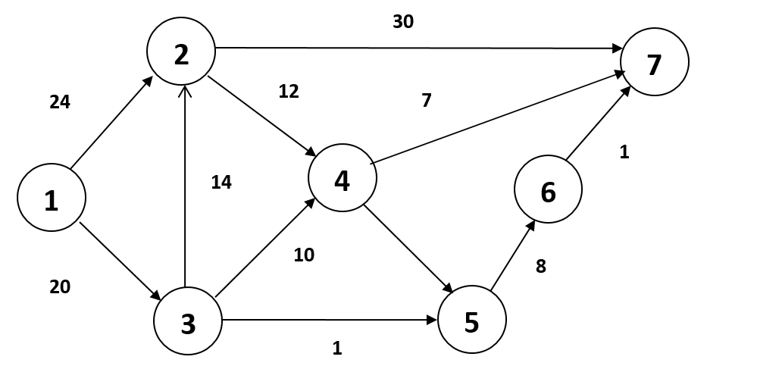
x56= | 1
x67= | 1

Путь: 1 - 3 - 5 - 6 - 7

F= | 43 | (к мин.)
 |  | Пропускная способность дуг
x12= | 1 | 1 | <= | 24 | 1 | >= | 0 | x12+x13 - F =1 |  |  | 1 | = | 1
x13= | 0 | 0 | <= | 20 | 0 | >= | 0 | x12+x32-x24-x27=0 |  |  | 0 | = | 0
x32= | 0 | 0 | <= | 14 | 0 | >= | 0 | x13-x32-x34-x35=0 |  |  | 0 | = | 0
x27= | 0 | 0 | <= | 30 | 0 | >= | 0 | x24+x34-x47-x45=0 |  |  | 0 | = | 0
x24= | 1 | 1 | <= | 12 | 1 | >= | 0 | x34+x45-x56=0 |  |  | 0 | = | 0
x34= | 0 | 0 | <= | 10 | 0 | >= | 0 | x56-x67=0 |  |  | 0 | = | 0
x35= | 0 | 0 | <= | 1 | 0 | >= | 0 | x67+x47+x27=0 |  |  | 1 | = | 1
x45= | 0 | 0 | <= | 6 | 0 | >= | 0
x47= | 1 | 1 | <= | 7 | 1 | >= | 0
x56= | 0 | 0 | <= | 8 | 0 | >= | 0
x67= | 0 | 0 | <= | 1 | 0 | >= | 0

