Аркуш1
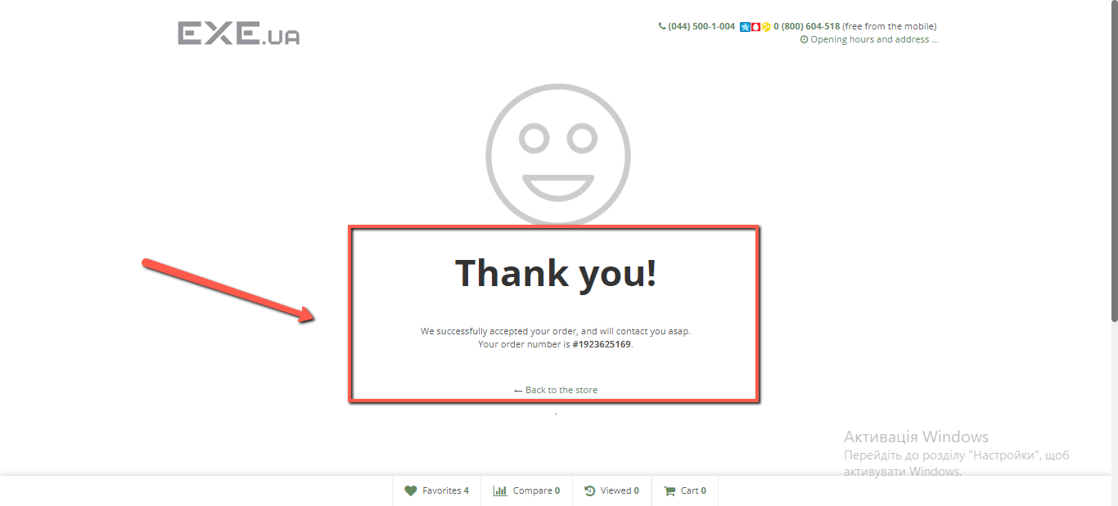
Bug reports
ID | 1 | 2 | 3 | 4 | 5
Summary | Lack of opportunity to select a three-digit number of products in the shopping cart when making a purchase | Lack of translation in the footer section of the site after selecting the Russian language | It is allowed to enter invalid data in the email field during registration | Negative price values ​​are allowed in filtering the price of goods | The procedure for ordering goods in the cart is allowed without entering the delivery date
Pre-conditions | Open https://exe.ua/ua site | Open https://exe.ua/ua site | Open https://exe.ua/ua site | Open https://exe.ua/ua site | Open https://exe.ua/ua site
Steps | Choose any good | In the settings in the header, select the Russian language | Open Sign up form | Choose any good in the catalog | Choose any good in the catalog
 | Add good in the shopping cart | Go down to the footer of the site | Enter valid name: Олена | Choose the price filter | Add good in a Cart
 | Open shopping cart |  | Enter valid middle name: Вікторіна | Enter the price from -1 to 1000 | Click Checkout button
 | Try to change the number of products by entering a three-digit number |  | Enter valid last name: Петрова |  | Enter a valid phone number
 |  |  | Enter invalid email: Юлія@gmail.com |  | Enter a valid email
 |  |  | Enter valid phone number: +38 (000) 000-00-00 |  | Enter a valid last name
 |  |  | Enter password: 123456 |  | Enter a valid first name
 |  |  | Confirm password: 123456 |  | Enter a valid middle name
 |  |  | Enter captcha is shown below |  | Leave form shipping and delivery empty
 |  |  | Click the Sign Up button
Expected result | The site allows to choose the required number of products | After choosing another language, all the text on the site is translated | The e-mail form allows only valid data to be entered | Product price filtering starts with a positive number | Without entering the delivery address, it is not possible to complete the purchase
Actual result | The site does not allow you to select more than 99 products | After choosing another language, some sections of the site remain untranslated | In the e-mail form, it is allowed to enter data in Cyrillic | Product price filtering starts with a negative number | It is possible to complete the purchase without entering the delivery address,
Post-conditions
Environment | Google Chrome 116.0.5845.141 | Google Chrome 116.0.5845.141 | Google Chrome 116.0.5845.141 | Google Chrome 116.0.5845.141 | Google Chrome 116.0.5845.141
Severity | Low | Low | Medium | Low | Medium
Priority | Low | Low | Low | Low | Medium
Type of bug | Usability | Localization | Functional | Functional | Functional
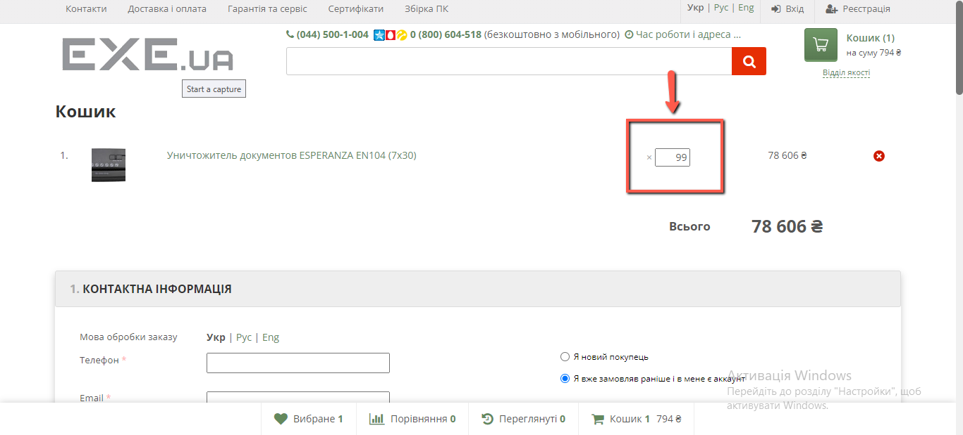
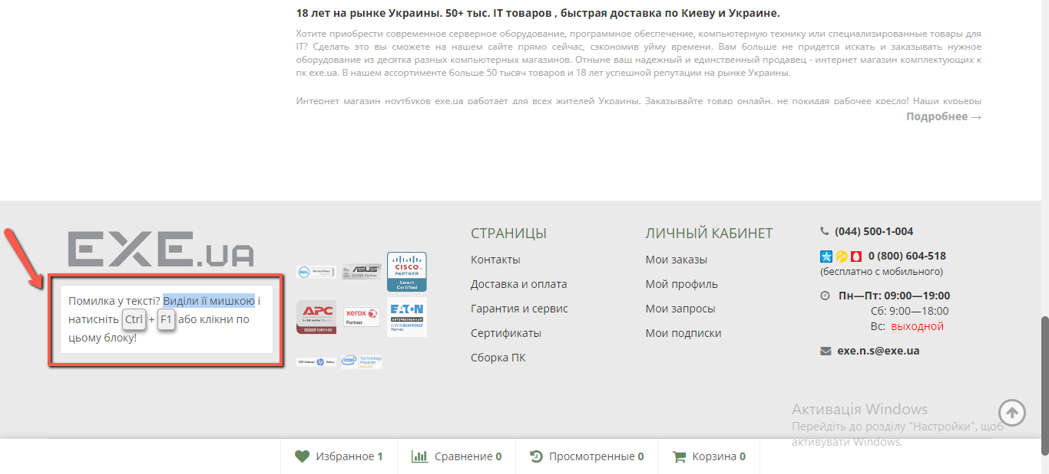
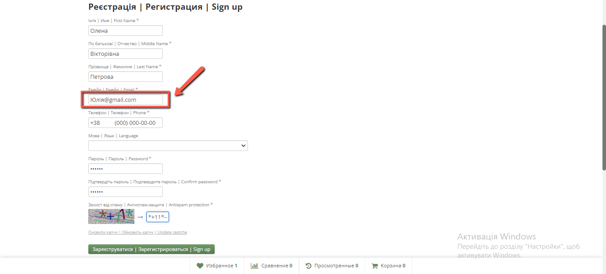
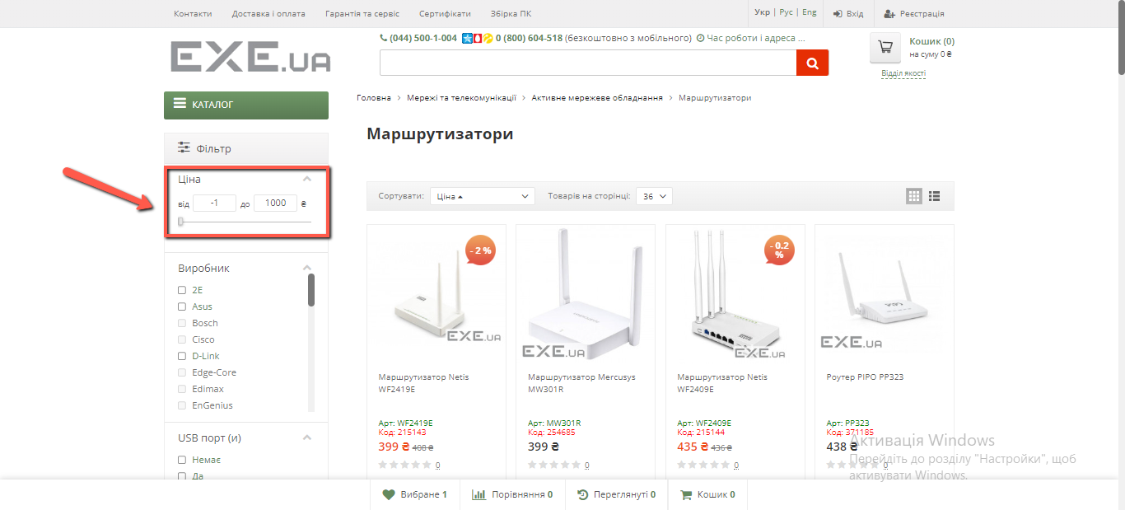
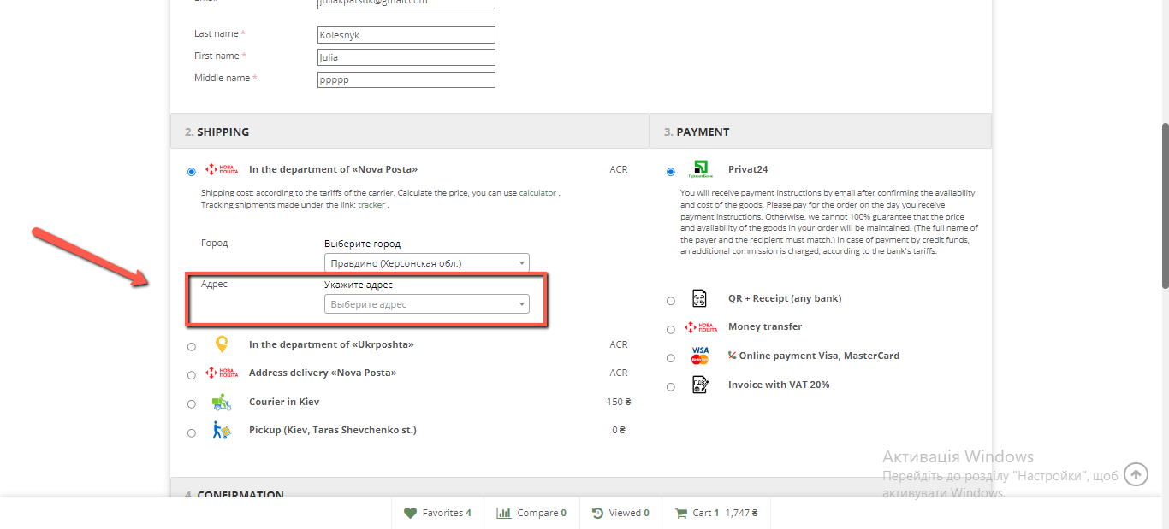
Attachments

