Sheet1
 | 0.1 | 0.2 | 0.3 | 0.4 | 0.5 | 0.6 | 0.7 | 0.8 | 0.9 | 1.0
Unpruned | 31.46% | 9.62% | 8.97% | 9.17% | 8.60% | 8.92% | 8.37% | 7.42% | 6.22% | 1.25%
HeP | 3.52% | 3.10% | 8.26% | 12.08% | 14.64% | 16.03% | 15.58% | 12.66% | 11.69% | 2.46%
DDECn | 3.00% | 3.54% | 7.99% | 13.10% | 14.42% | 16.18% | 15.84% | 14.85% | 9.79% | 1.29%
HeF | 2.45% | 5.27% | 10.60% | 15.57% | 14.82% | 14.21% | 14.13% | 10.73% | 10.09% | 2.13%
DDECy | 2.42% | 6.22% | 7.95% | 10.44% | 14.81% | 17.01% | 16.97% | 13.71% | 8.87% | 1.59%
No. of Internodes after pruning
Light distribution inside the tree crown

Unpruned | 18618
HeP | 7810
DDECn | 5715
HeF | 5741
DDECy | 4867

 | 0.1 | 0.2 | 0.3 | 0.4 | 0.5 | 0.6 | 0.7 | 0.8 | 0.9 | 1.0
DDECn 1. st | 34.48% | 11.07% | 11.17% | 10.30% | 8.71% | 8.27% | 6.89% | 5.43% | 3.34% | 0.34%
DDECn 2. st | 3.00% | 3.54% | 7.99% | 13.10% | 14.42% | 16.18% | 15.84% | 14.85% | 9.79% | 1.29%
DDECy 1. st | 39.93% | 11.26% | 10.04% | 9.08% | 7.78% | 7.85% | 6.81% | 4.49% | 2.36% | 0.39%
DDECy 2. st | 2.42% | 6.22% | 7.95% | 10.44% | 14.81% | 17.01% | 16.97% | 13.71% | 8.87% | 1.59%

 | 0.1 | 0.2 | 0.3 | 0.4 | 0.5 | 0.6 | 0.7 | 0.8 | 0.9 | 1.0
DDECy 1. st | 39.93% | 11.26% | 10.04% | 9.08% | 7.78% | 7.85% | 6.81% | 4.49% | 2.36% | 0.39%
DDECy 2. st | 2.42% | 6.22% | 7.95% | 10.44% | 14.81% | 17.01% | 16.97% | 13.71% | 8.87% | 1.59%
 | BinDECn 1. st | BinDECn 2. st | DDECy 1. st | DDECy 2. st
0.1 |  |  | 39.93% | 2.42%
0.2 |  |  | 11.26% | 6.22%
0.3 |  |  | 10.04% | 7.95%
0.4 |  |  | 9.08% | 10.44%
0.5 |  |  | 7.78% | 14.81%
0.6 |  |  | 7.85% | 17.01%
0.7 |  |  | 6.81% | 16.97%
0.8 |  |  | 4.49% | 13.71%
0.9 |  |  | 2.36% | 8.87%
1.0 |  |  | 0.39% | 1.59%

Sheet2
0.10 | 0.20 | 0.30 | 0.40 | 0.50 | 0.60 | 0.70 | 0.80 | 0.90 | 1.00
31.4562% | 9.6181% | 8.9690% | 9.1745% | 8.6011% | 8.9203% | 8.3739% | 7.4164% | 6.2209% | 1.2496%
34.4784% | 11.0729% | 11.1746% | 10.2981% | 8.7096% | 8.2714% | 6.8863% | 5.4308% | 3.3414% | 0.3365%

Sheet3
 | 0-0.1 | 0.1-0.2 | 0.1-0.2 | 0.2-0.3 | 0.3-0.4 | 0.4-0.5 | 0.5-0.6 | 0.6-0.7 | 0.7-0.8 | 0.9-1.0
Light Distribution | 31.46% | 9.62% | 8.97% | 9.17% | 8.60% | 8.92% | 8.37% | 7.42% | 6.22% | 1.25%

 | 0-0.1 | 0.1-0.2 | 0.1-0.2 | 0.2-0.3 | 0.3-0.4 | 0.4-0.5 | 0.5-0.6 | 0.6-0.7 | 0.7-0.8 | 0.9-1.0
Light Distribution | 34.48% | 11.07% | 11.17% | 10.30% | 8.71% | 8.27% | 6.89% | 5.43% | 3.34% | 0.34%

 | 0-0.1 | 0.1-0.2 | 0.1-0.2 | 0.2-0.3 | 0.3-0.4 | 0.4-0.5 | 0.5-0.6 | 0.6-0.7 | 0.7-0.8 | 0.9-1.0
Light Distribution | 3.00% | 3.54% | 7.99% | 13.10% | 14.42% | 16.18% | 15.84% | 14.85% | 9.79% | 1.29%

Sheet4
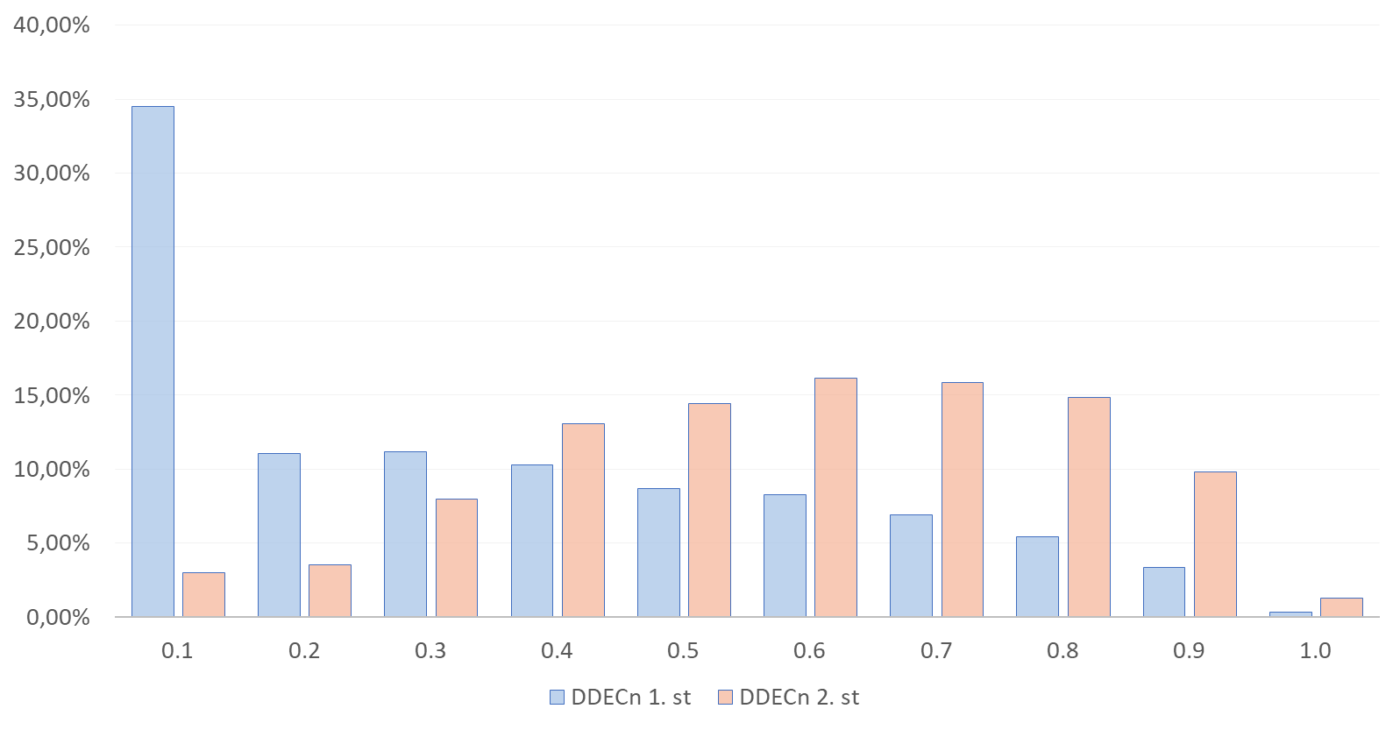
 | 0.1 | 0.2 | 0.3 | 0.4 | 0.5 | 0.6 | 0.7 | 0.8 | 0.9 | 1.0
BinDECy 1. st | 39.93% | 11.26% | 10.04% | 9.08% | 7.78% | 7.85% | 6.81% | 4.49% | 2.36% | 0.39%
BinDECy 2. st | 2.42% | 6.22% | 7.95% | 10.44% | 14.81% | 17.01% | 16.97% | 13.71% | 8.87% | 1.59%

 | BinDECn 1. st | BinDECn 2. st | BinDECy 1. st | BinDECy 2. st
0.1 |  |  | 39.93% | 2.42%
0.2 |  |  | 11.26% | 6.22%
0.3 |  |  | 10.04% | 7.95%
0.4 |  |  | 9.08% | 10.44%
0.5 |  |  | 7.78% | 14.81%
0.6 |  |  | 7.85% | 17.01%
0.7 |  |  | 6.81% | 16.97%
0.8 |  |  | 4.49% | 13.71%
0.9 |  |  | 2.36% | 8.87%
1.0 |  |  | 0.39% | 1.59%

