Sheet1
Sl no | Botonical/scientific name | General/Trade name | Family | Parts used | Chemical components | Uses | Image
961 | Ipomoea purga Hayne | Jalap | CONVOLVULACEAE | Roots/Tubers | Resin glycosides (such as jalapin) Alkaloids | It has purgative action. | 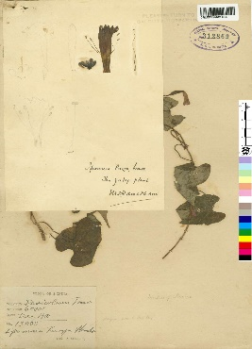
962 | Ipomoea purpurea (L.) RothE Morning Glory (Eng.) | Morning Glory (Eng.) | CONVOLVULACEAE | Seeds Leaves Roots | Alkaloids (e.g., lysergic acid amide) Flavonoids Glycosides Phenolic compounds Resins Fatty acids Terpenoids | It has purgative and antisyphilitic properties | 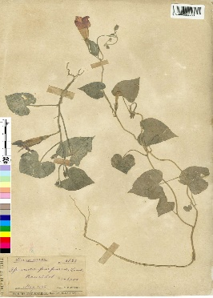
963 | Ipomoea quamoclit L. | Kamalata | CONVOLVULACEAE | Leaves Seeds | Alkaloids Flavonoids Glycosides Tannins Saponins Phenolic compounds | Leaves pounded and applied to hemorrhoids, carbuncles. Roots used as a sternutatory. | 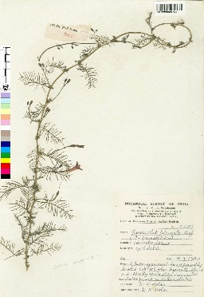
964 | Ipomoea sepiaria Roxb. ex Koen. | Bankalmi | CONVOLVULACEAE | Whole plant Leaves Roots | Alkaloids Flavonoids Tannins Saponins Steroids Glycosides | It has diuretic and deobstruent propereties and is used as antidote to arsenic poisoning | 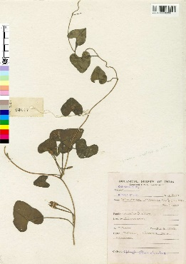
965 | Ipomoea tuberosa L. | Spanish Arbour-vine (Eng.) | CONVOLVULACEAE | Roots Leaves | Alkaloids Flavonoids Glycosides Tannins Saponins Phenolic compounds Steroids | Used as a purgative. | 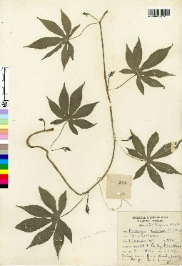
966 | Ipomoea violacea L. | Kinarwel (Mar.) | CONVOLVULACEAE | Seeds | Lysergic acid amide (LSA) Isoergine Ergometrine Chanoclavine Elymoclavine | Leaves pounded and applied to cuts and wounds. | 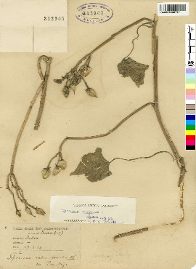
967 | Iris domestica (L.) Goldblatt & Mabb. | Leopard lily (Eng.) | IRIDACEAE | Rhizomes Roots | Flavonoids Iridin Tectoridin Saponins Isoflavones | Rhizomes used in tonsillitis, pulmonary and liver complaints. Also used for laryngeal tumours and breast cancer. Pulp from the stem used as a stomachic. | 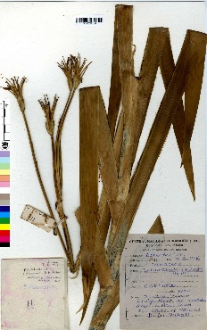
968 | Ixora arborea Roxb. ex Sm. | Kota-gandhal, Nevari | RUBIACEAE | Bark Leaves Flowers |  | Decoction of bark is used for treatment of general debility and anaemia.
969 | Ixora coccinea L. | Rangan, Rookmini | RUBIACEAE | Leaves, flowers | Flavonoids Tannins Steroids Saponins Glycosides Alkaloids | Roots are stomachic and sedative and used in loss of appetite, hiccup, diarrhoea and dysentery. They possess astringent and antiseptic properties . It is applied to sores and chronic ulcers. Flowers are given in dysentery, leucorrhoea, dysmenorrhoea, hemoptysis, and catarrhal bronchitis.Decoction is used for eye troubles and act as a vulnerary. | 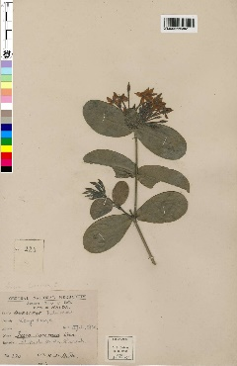
970 | Ixora nigricans R.Br. ex Wight & Arn. | Katkura (Mar.) | RUBIACEAE | Leaves, flowers | Triterpenoids, flavonoids, alkaloids | Leaves are antidysenteric. | 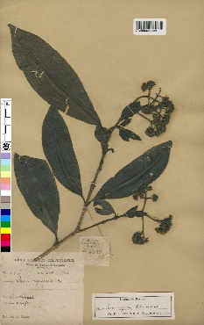
971 | Jasminum angustifolium Vahl. | Banmallica, Mwari | OLEACEAE | Flowers | Essential oils, including benzyl acetate, benzyl benzoate, linalool, and benzyl alcohol | Leaf extract used as emetic in case of poisoning and root extract used in treatment of ringworm. | 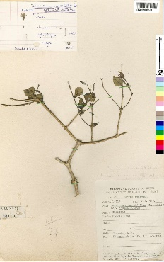
972 | Jasminum arborescens Roxb. | Bela, Chameli | OLEACEAE | Leaves, flowers, roots | Essential oils, flavonoids, phenolic compounds | Leaves are used in the treatment of bronchitis and stomachic infections. | 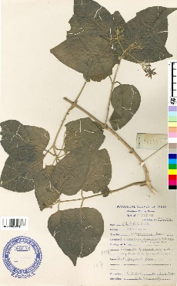
973 | Jasminum azoricum L. | Malati (Beng.) | OLEACEAE | Flowers | Essential oil containing compounds such as benzyl acetate, linalool, benzyl alcohol, and methyl anthranilate. | Bark yields a bitter glucoside | 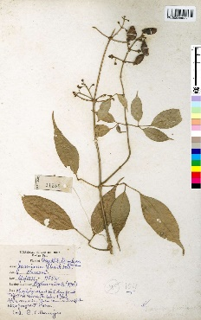
974 | Jasminum grandiflorum L. | Chameli, Jati | OLEACEAE | Flowers | Essential oil containing mainly benzyl acetate, benzyl alcohol, linalool, benzyl benzoate, and other compound | Plant has emmenagogue, anthelmintic, and diuretic properties. Leaf juice is used for treatment of corns and mouth ulcers. | 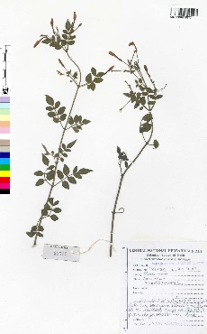
975 | asminum multiflorum (Burm.f.) Andrews | hameli, Kunda | OLEACEAE | Aerial parts | Alkaloids, flavonoids, saponins, tannins | Dried leaves used in the treatment of ulcers.
976 | Jasminum officinale L. | Chameli, Jati | OLEACEAE | Flowers, leaves | Essential oil (mainly containing benzyl acetate, linalool, benzyl alcohol, methyl anthranilate, and other compounds), flavonoids, coumarins | Plant has emmenagogue, anthelmintic, and diuretic properties. Leaf juice is used for treatment of corns and mouth ulcers.
977 | Jasminum ritchiei C.B.Clarke | Karumullai (Tam.) | OLEACEAE | Leaves Flowers | Jasminoside A Jasminoside B Jasminoside C Jasminoside D Jasminoside E Jasminoside F | Leaves are used in tooth-ache relief and flowers used in treatment of piles.
978 | Jasminum rottlerianum Wall. ex A.DC. | Vanamalliga (Sans.) | OLEACEAE | Leaves, flowers | Essential oils Flavonoids Alkaloids | Leaves and flowers used in the treatment of eczema. | 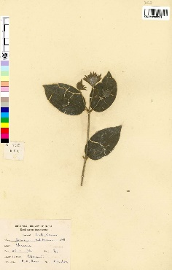
979 | Jasminum sambac (L.) Aiton | Banmallika, Chamba | OLEACEAE | Flowers | Essential oil containing compounds such as benzyl acetate, linalool, benzyl alcohol, methyl anthranilate, indole, and skatole | Leaf and root extract used in the preparation of eye lotions. | 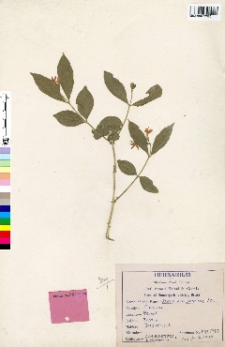
980 | Jasminum scandens Vahl | Hare lahara (Nepal) | OLEACEAE | Leaves, flowers | Essential oil, flavonoids, alkaloids | Root extract used in ringworm treatment. | 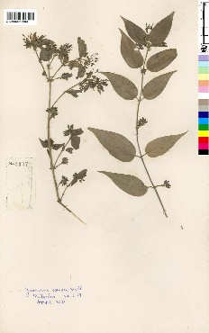
981 | Jateorhiza palmata Miers | Kalamb-ki-jar | ENISPERMACEAE | Roots | Alkaloids such as palmatine, jateorrhizine, columbamine, and isocorydine | The drug known as-Calumba, Columba, or Columbo the source or obtained from the roots. It is a bitter tonic and stomachic. It is useful in combination with other tonics, cathartics and aromatics, in atonic dyspepsia, gastric irritability, diarrhoea and dysentery, and vomiting attending on pregnancy. On sores powdered Calumba is applied. | 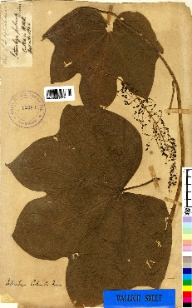
982 | Jatropha curcas L. | Bagbherenda, Jangli-arandi | EUPHORBIACEAE | Seeds | Lipids (mainly triglycerides) Proteins Phorbol esters Free fatty acids | Curcas oil obtained from seeds, it is used as a powerful purgative, sciatica, dropsy, paralysis and as ointment for skin troubles and rheumatism. Curcas oil is also employed as an abortifacent and Juice of the plant useful in scabies, eczema, and ringworm. The leaves of the plants have rubefacient and lactagogue properties. | 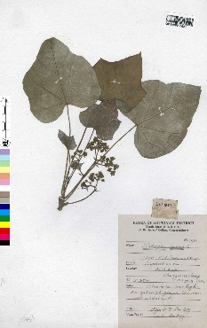
983 | Jatropha glandulifera Roxb. | Janglie-randi, Undarbibi | EUPHORBIACEAE | Seeds | Jatropholone A, jatropholone B, jatropholone C, jatropholone D, jatropholone E, jatropholone F, jatropholone G, jatropholone H, jatropholone I, jatropholone J, jatropholone K, jatropholone L | The seeds contians a fixed oil having purgative properties and applied in rheumatism and paralytic problems. The root grounded with water, is prescribed to children suffering from abdominal enlargement. also it induces purging and reduces glandular swellings. | 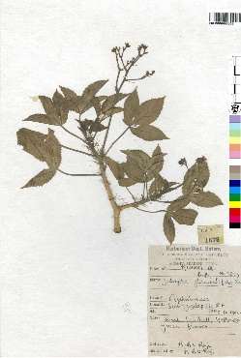
984 | Jatropha gossypifolia Roxb. | Bherenda, Verenda | EUPHORBIACEAE | Leaves, seeds | Leaves: Triterpenoids, alkaloids, flavonoids Seeds: Lipids, proteins, toxic phorbol esters | For leprosy the roots of the plant is used. The decoction of leaves is having purgative and stomachic properties. For ulcers latex is employed. The leaves are prescribed as febrifuge in intermittent fevers.For swollen mammae is it also used. The bark decoction is utilized as emmenagogue. The seeds are having purgative and emetic properties. The bark constitute an alkaloid jatrophine which is similar to quinine. | 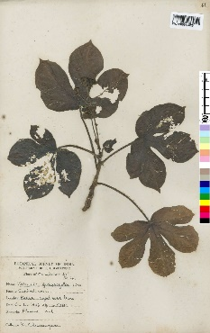
985 | Jatropha multifida L. | Bhadradanti (Sans.) | EUPHORBIACEAE | Seeds, Leaves, Roots | Seeds - Lipids, Proteins, Carbohydrates Leaves - Alkaloids, Flavonoids, Tannins Roots - Alkaloids, Terpenoids, Saponins | Decoction of roots given for indigestion and colic. Seeds contain a fixed oil used as an illuminant. Leaves purgative, also sed in scabies. Roasted seeds used forreating fevers and venereal diseases, but they are dangerously cathartic, used in criminal poisoning. | 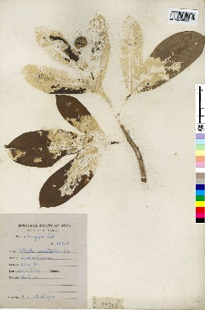
986 | Jatropha nana Dalzell & A.Gibson | Kirkundi (Mar.) | EUPHORBIACEAE | Leaves, seeds | Jatropholone, jatropholone A, jatropholone B, jatropholone C, jatropholone D, jatropholone E, jatropholone F | The juice is employed for ophthalmia.
987 | Juglans regia L. | Akhrot, Akrut (Trade) | JUGLANDACEAE | Leaves Bark Nuts | Leaves: Juglone, tannins, flavonoids Bark: Juglone, juglandic acids, tannins Nuts: Fatty acids (oleic acid, linoleic acid), proteins, carbohydrates | Leaves are used as astringent, tonic and anthelmintic.
988 | Juncellus inundatus (Roxb.) C.B.Clarke | Pati | CYPERACEAE | Leaves, stems, roots | Alkaloids, flavonoids, tannins | Tubers tonic and stimulant.
989 | Juncus effusus L. | Matting Rush (Eng.) | JUNCACEAE | Rhizome, stems | Flavonoids, phenolic compounds, alkaloids, saponins, tannins | Pith decoction is antilithic, pectoral, and discutient, diuretic and depurative.
990 | Juniperus communis L. | Aaraar, Haubera | CUPRESSACEAE | Berries, leaves | Berries: α-pinene, sabinene, myrcene, limonene, β-pinene, δ-3-carene, α-terpinene, terpinen-4-ol, bornyl acetat e , Leaves: α-pinene, sabinene, myrcene, limonene, β-pinene, δ-3-carene, α-terpinene, terpinen-4-ol, bornyl acetate | The fruits and essential oil of the plant are considered as carminative, diuretic and stimulant which is used in dropsy, disorders of urino-genital tract and cutaneous diseases.
991 | Juniperus polycarpus C.Koch | Dhup | CUPRESSACEAE | Leaves Bark Berries | Essential oils (including α-pinene, β-pinene, limonene, myrcene, and sabinene) Flavonoids Tannins Resins | Fruits are carminative, diuretic and used in treating dropsy, disorders of urino-genital tract and cutaneous diseases.
992 | Juniperus recurva Buch.-Ham. ex D.Don | Chukboo (Sikkim) | CUPRESSACEAE | Leaves Fruits | Essential oils Monoterpenes Sesquiterpenes Diterpenes | Smoke from the green wood is said to be emetic. | 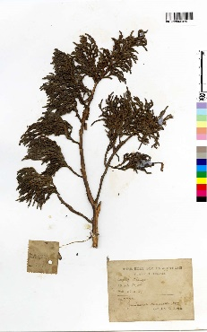
993 | Jurinea dolomiaea Boiss. | Dhoop Lakkad | ASTERACEAE | Whole plant | Sesquiterpene lactones, flavonoids, phenolics | The bruised root is applied to eruptions and decoction is used in colic. It is applied in puerperal fever.
994 | Justicia adhatoda L. | Arusha | ACANTHACEAE | Leaves, roots | Leaves: Vasicine, vasicinone, vasicinol, vasicinolone, adhatonine Roots: Vasicine, vasicinone, vasicinol, vasicinolone, adhatonine | Root and leaves are used to treat cough, chronic bronchitis, asthma and phthisis. Leaves are used to treat rheumatism,fresh wounds, urticaria, jaundice, dyspepsia, neuralgia. Ayurvedic medicine is used for treating bronchitis, thombocytopenia, pyorrhea, bleeding disorder, bleeding piles, cough, dysuria, skin diseases, cardiac debility,fever. | 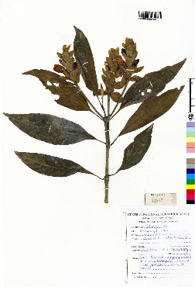
995 | Justicia betonica L. | Tellarantu (Tel.) | ACANTHACEAE | Leaves, stems, and roots. | Contains flavonoids (e.g., quercetin, apigenin), phenolic acids (e.g., caffeic acid), triterpenoid saponins, alkaloids, and essential oils (e.g., pinene, limonene). | Applied in boils and swellings and also used in diarrhoea. | 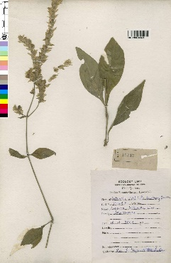
996 | Justicia gendarussa Burm.f. | Udisanbhalu, Nilinargandi | ACANTHACEAE | Leaves, stems, roots | Flavonoids Alkaloids Triterpenoids Steroids Saponins Tannins Glycosides | It is used as febrifuge, emetic, emmenagogue, diaphoretic. Infusion of leaves are used in cephalagia, hemiplegia and facial paralysis. Juice of leaves stops internal haemorrhage. Fresh leaves are used in oedema of beriberi and rheumatism. | 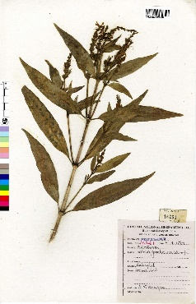
997 | Justicia procumbens L. | Karambal (Mar.) | ACANTHACEAE | Leaves, stems, roots | Leaves: Phenolic compounds Flavonoids Triterpenoids Alkaloids Stems: Phenolic compounds Flavonoids Triterpenoids Alkaloids Roots: Phenolic compounds Flavonoids Triterpenoids Alkaloids | Has Laxative, diaphoretic, diuretic, expectorant, anthelmintic, and febrifugic properties. Also used in asthma, cough rheumatism,lumbago, and flatulence. | 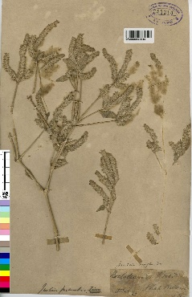
998 | Kaempferia rotunda L. | Bhui-champa | ZINGIBERACEAE | Rhizome | Essential oils, flavonoids, phenolic compounds, terpenoids, alkaloids | Decoction is applied to wounds with coagulated blood and with any purulent, and also taken for purifying blood and removing pus from the body.
999 | Kalanchoe integra (Medik.) Kuntze | Haiza, Rungru | CRASSULACEAE | Leaves, stems, flowers | Flavonoids, phenolic compounds, alkaloids, triterpenoids, steroids | Juice of leaves is purgative and tonic. Leaves are burnt and applied to abscesses.
1000 | Kalanchoe laciniata (L.) Pers. | Hamsagar | CRASSULACEAE | Leaves, stems | Flavonoids, phenolic compounds, triterpenoids | Leaves are styptic, astringent and antiseptic.Leaf juice is used for diarrhoea, dysentery, lithiasis and phthisis. | 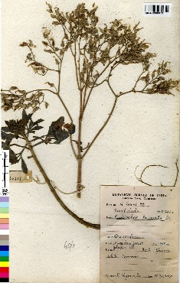
1001 | Kedrostis rostrata (Rottl.) Cogn. | Kukumadunda (Tel.) | CUCURBITACEAE | Leaves, stems, and roots. | Flavonoids, saponins, tannins, alkaloids. | Roots are used in treatment of asthma and piles. | 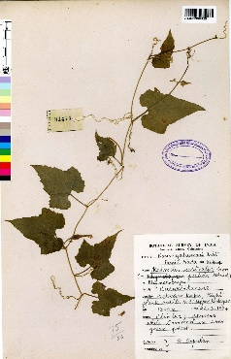
1002 | Kendelia rheedii Wight & Arn. | Goria (Beng.) | RHIZOPHORACEAE | Roots | Alkaloids (including (+)-solenopsin A, (+)-kendine, (+)-kendamide A, (-)-kendamine, and kendine oxide), triterpenoids | The bark is mixed with dried ginger or long pepper and rosewater and is helpful in curing diabetes. | 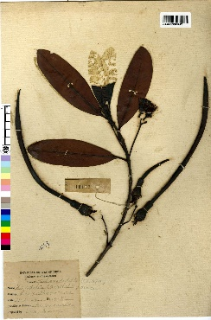
1003 | Kickxia ramosissima (Wall.) Janch. | Bhintgalodi (Guj.) | SCROPHULARIACEAE | Leaves, stems | Flavonoids, triterpenoids, saponins, alkaloids | Used in treating diabetes.
1004 | Kigelia pinnata (Jacq.) DC. | Common Sausage Tree (Eng.) | BIGNONIACEAE | Fruit Bark | Flavonoids Alkaloids Glycosides Saponins Tannins | Fruits are used for dressing syphilitic sores and act as purgative. Bark is used in treating rheumatism, dysentery and venereal diseases.
1005 | Kingiodendron pinnatum (Roxb. ex DC.) Harms. | Madayan samprani (Tam.) | CAESALPINIACEAE | Leaves, bark, roots | Leaves: Alkaloids, flavonoids, phenolics, tannins, saponins Bark: Alkaloids, flavonoids, phenolics, tannins Roots: Alkaloids, flavonoids, phenolics, tannins | Oil, gum and resin used in catarrhal conditions of the genitourinary and respiratory tracts; also for treating sores. | 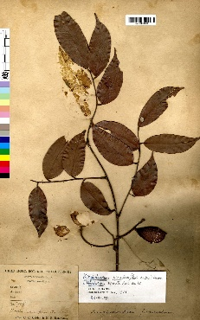
1006 | Kirganelia reticulata (Poir.) Baill. | Panjuli, Makhi | EUPHORBIACEAE | Leaves, roots | Alkaloids Flavonoids Tannins Terpenoids Saponins | The leaves of the plant is consider of having diuretic properties. The juice of the leaves with camphor and cubebs are given for bleeding gums. It is also utilized for diarrhoea in infants. For astringent, attenuant and diuretic the bark of the plant is used. | 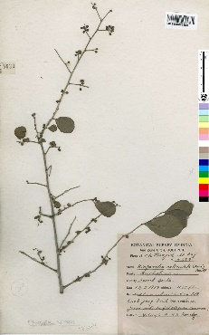
1007 | Kleinhovia hospita L. | Bola (Beng.) | STERCULIACEAE | Leaves, seeds, bark | Leaves: Flavonoids, tannins, saponins, alkaloids Seeds: Saponins, alkaloids, flavonoids Bark: Tannins, alkaloids | Decoction of leaves useful in skin eruptions and scabies. Leaf juice applied as eye-wash. | 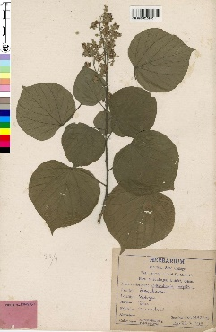
1008 | Knema angustifolia (Roxb.) Warb. | Mota-pasuti (Assam) | MYRISTICACEAE | Bark, Seeds | Bark: Coumarins, Phenolic compounds, Flavonoids, Terpenoids Seeds: Fatty acids, Essential oils | The plant is employed as astringent, used in dysentery, and also in mouth sores it is being applied.
1009 | Kochia indica Wight | Kaura-ro (Punjab) | CHENOPODIACEAE | Whole plant | Alkaloids Flavonoids Saponins Tannins | The plant is used as a cardiac stimulant.
1010 | Kochia scoparia (L.) Schrad. | Ti Fu (Chinese) | CHENOPODIACEAE | Aerial parts (leaves, stems, and flowers) | Flavonoids Phenolic acids Alkaloids Terpenoids Saponins Tannins | Fruits and leaves are used as a cardio-tonic and diuretic. | 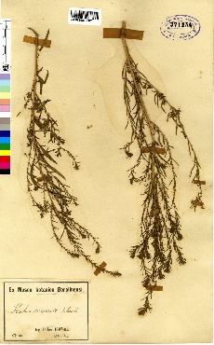
1011 | Kokoona zeylanica Thwaites | Kokum (Ceylon) | CELASTRACEAE | Leaves | The chemical composition of Kokoona zeylanica leaves includes alkaloids, flavonoids, phenolics, tannins, saponins, and glycosides. | Bark powdered is used in headache. | 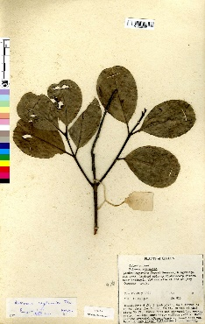
1012 | Krameria triandra Ruiz & Pav. | Ratanya (Malay) | POLYGALACEAE | Root | Tannins, flavonoids, phenolic compounds | Used in treating diarrhoea, haemorrhages, mucous discharges in menstrual disorders and urine incontinence. | 
1013 | Kydia calycina Roxb. | Pula, Choupultea | MALVACEAE | Roots, leaves, bark | Alkaloids, flavonoids, tannins, saponins, glycosides, steroids | Santal people pound the leaves and apply it on body in pain. | 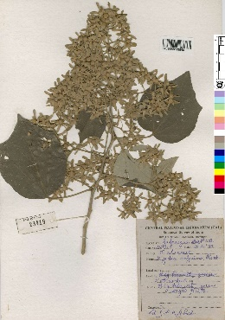
1014 | Kyllinga brevifolia Rottb. | Nirbisi | CYPERACEAE | Whole plant | Flavonoids, alkaloids, saponins | Leaves used in diarrhoea. Roots and rhizomes aromatic.
1015 | Kyllinga nemoralis (Forst.) Dandy ex Hutcins. & Dalziel | White water sedge (Eng.) | CYPERACEAE | Whole plant | The chemical composition of Kyllinga nemoralis includes flavonoids, alkaloids, saponins, tannins, and phenolic compounds. | Aromatic rhizomes used as a diuretic, refrigerant, demulcent and tonic; also given in fevers and diabetes to relieve thirst.
1016 | Lablab purpureus (L.) Sweet | Bhatvas, Shimi | FABACEAE | Seeds, leaves, pods | Proteins, carbohydrates, lipids, fibers, vitamins, minerals | Seeds use as febrifuge, stomachic, antispasmodic, antifungal. | 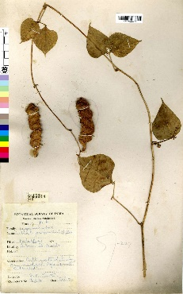
1017 | Lactuca indica L. | Salad | ASTERACEAE | Leaves | Lactucin, lactucopicrin, lactucin-15-oxalate, lactucopicrin-15-oxalate | It is tonic and possess digestive and depurative properties.
1018 | Lactuca remotiflora DC. | Undirachakan (Mar.) | ASTERACEAE | Leaves, seeds | Flavonoids, phenolic compounds, alkaloids | It is used treatment of chronic obstructions of liver and bowels. It is used as diuretic in calculous infections.
1019 | Lactuca runcinata DC. | Undirachakan (Mar.) | ASTERACEAE | Leaves | Lactucin, lactucopicrin, lactucerin, flavonoids, coumarins | It is diuretic, tonic, and slightly aperient.
1020 | Lactuca sativa L. | Kahu, Salad | ASTERACEAE | Leaves | Lactucin, lactucopicrin, lactucin-8'-O-glucoside, lactucopicrin-8'-O-glucoside, lactucin-15-oxalate, lactucopicrin-15-oxalate, lactucin-8'-O-malonate, lactucopicrin-8'-O-malonate, lactucin-15-oxalyl-lactucopicrin, lactucopicrin-15-oxalyl-lactucopicrin | It yields lactucarium which is used as hypnotic in treatment of bronchitis and asthma. | 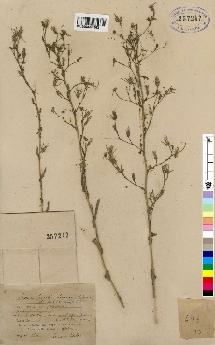
1021 | Lactuca scariola L. | Kahu | ASTERACEAE | Leaves | Flavonoids, coumarins, sesquiterpene lactones, alkaloids | It yields lactucarium which is used as hypnotic in treatment of bronchitis and asthma. | 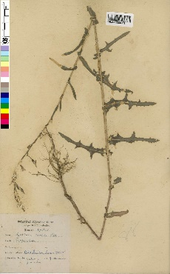
1022 | Lagenandra toxicaria Dalzell | Maravara tsjembu (Tam.) | ARACEAE | Leaves, roots | Alkaloids, flavonoids, saponins | It's very poisonous, and used in remedy for itch. | 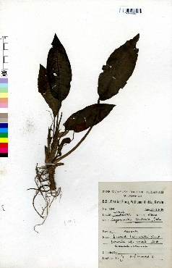
1023 | Lagenaria siceraria (Molina) Standl. | Kaddu, Lauki | CUCURBITACEAE | Fruit, seeds, leaves | Fruit: Saponins, flavonoids, alkaloids, tannins, glycosides, phenols Seeds: Linoleic acid, oleic acid, palmitic acid, stearic acid, cucurbitacins, cucurbitacin glycosides Leaves: Flavonoids, alkaloids, tannins, saponins, glycosides | Fruit pulp is used in cooling, diuretic, and antibilious. Seeds are used in dropsy and as anthelmintic. Oil is used for headache.
1024 | Lagerstroemia indica L. | Pharash, Telingachina | LYTHRACEAE | Leaves, Bark | Tannins, Flavonoids, Phenolic compounds | : Bark is stimulant and febrifuge. Bark, leaves, and flowers are purgative and hydragogue. Roots are astringent, fruits are used as a local application for apththae of mouth. | 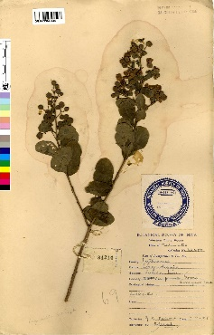
1025 | Lagerstroemia speciosa (L.) Pers. | Jarul | LYTHRACEAE | Leaves, Bark | Tannins, Flavonoids, Phenolics, Alkaloids | Leaves are purgative, diuretic, and deobstruent. Decoction of dried fruits as well as of leaves are used in treatment of diabetes. | 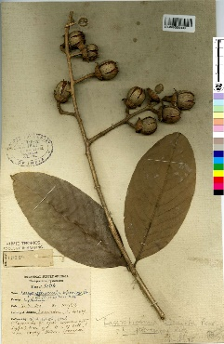
1026 | Lallemantia royleana (Wall. ex Benth.) Benth. | Gharei, Kashmalu | LAMIACEAE | Aerial parts | Flavonoids, phenolic acids, triterpenoids | Seeds used in relieving flatulence and constipation. | 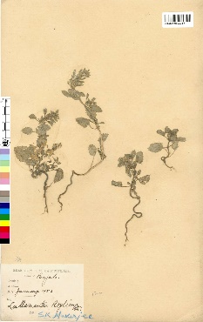
1027 | Laminaria saccharina Lam. | Sea belt (Eng.) | PHAEOPHYCEAE | Thallus | Alginate, Laminarin, Fucoidan, Mannitol | A syrup of saccharine obtained from the plant combined with decoction of quince seeds is given for goitre (Bronchocele) it is also given in scrofulous and syphilitic infections. A simple infusion made by steeping the seaweed in cold water overnight a simple infusion is obtained which is taken in the morning on an empty stomach to cure bronchocele.
1028 | Lamium album L. | White Deadnettle (Eng.) | LAMIACEAE | Aerial parts (leaves, stems, flowers) | Flavonoids, tannins, triterpenoids, phenolic acids, iridoid glycosides | The decoction of the plant is used in haemorrhages of uterus and nose. The plant is used as astringent. The roots are employed in resolvent and vulnerary. The flowers are used as mild astringent, hemostatic, hypnotic, depurative, and tonic. Leaves are rich in carotene and is edible.
1029 | Lamium amplexicaule L. | Henbit (Eng.) | LAMIACEAE | Leaves, flowers | Flavonoids, phenolic acids, triterpenoids, saponins | The plant is having stimulant, laxative, diaphoretic, antirheumatic, and cephelic properties. It is considered of cause poisoning of the cattle.
1030 | Lamprachaenium microcephalum Benth. | Brahma-dandi (Bombay) | ASTERACEAE | Whole plant | Flavonoids, alkaloids, tannins, saponins | It has antiseptic properties.
1031 | Lannea coromandelica (Houtt.) Merr. | Jhingan, Kaimil | ASTERACEAE | Bark, leaves, fruits | Triterpenes Flavonoids Phenolic compounds Tannins Steroids Alkaloids | Bark used in gout; decoction for aphthae of the mouth and for toothache. Gum given in asthma; as a cordial to women during lactation. | 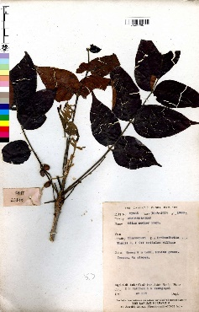
1032 | Lasia spinosa (L.) Thwaites | Kanta kachu (Beng.) | ARACEAE | Roots, leaves, stems | Alkaloids, flavonoids, tannins, saponins | Plant used in colic, rheumatism, and intestinal diseases. | 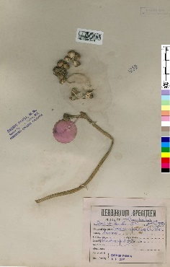
1033 | Lathyrus aphaca L. | Janglimatar | FABACEAE | Seeds, leaves | Seeds: Lathyrane diterpenes, amino acids (including β-N-oxalyl-l-α,β-diaminopropionic acid), lipids, carbohydrates Leaves: Alkaloids (aphacine), flavonoids, tannins, saponins | Ripe seeds produce narcotic effect. Flowers resolvent. Herb considered to be one of the possible causes for lathyrism.
1034 | Lathyrus odoratus L. | Sweet Pea (Eng.) | FABACEAE | Seeds, flowers | Flavonoids, alkaloids, saponins | Seeds good source of vitamin A. | 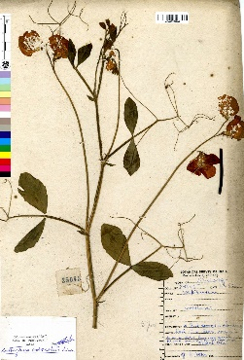
1035 | Lathyrus pratensis L. | Meadow vetchling (Eng.) | FABACEAE | Aerial parts (leaves, stems, flowers) | Alkaloids (lupanine, sparteine) Flavonoids (quercetin, kaempferol) Phenolic acids (caffeic acid, chlorogenic acid) Saponins | Seeds used as a resolvent.
1036 | Lathyrus sativus L. | Khesari, Latri | FABACEAE | Seeds | Lathyrine, β-N-oxalyl-L-α,β-diaminopropionic acid (ODAP), proteins, carbohydrates, fats | Seeds toxic. Prolonged consumption results in paralysis of legs, both in animals and human beings, known as lathyrism.
1037 | Lathyrus sphaericus Retz. | Red grass pea (Eng.) | FABACEAE | Seeds | Lathyrus toxin | Seeds poisonous.
1038 | Launaea asplenifolia (Willd.) Hook.f. | Titlia | ASTERACEAE | Leaves, roots | Flavonoids, phenolic acids, alkaloids, saponins | Roots are an important constituent of galactagogue drugs. | 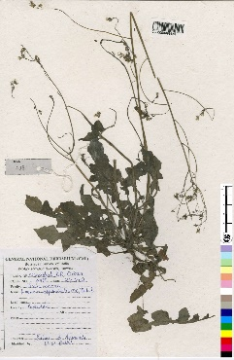
1039 | Launaea resedifolia (L.) Kuntze | Divided-leaved Sow Thistle (eng.) | ASTERACEAE | Leaves, stems | Flavonoids, phenolics, alkaloids, terpenoids | Decoction is used in constipation. Plant is considered galactagogue.
1040 | Launaea sarmentosa (Willd.) Alston | Sagar pathari (Mar.) | ASTERACEAE | Leaves, stems | Flavonoids, phenolics, saponins | It is tonic, soporific, diuretic, and aperient.
1041 | Laurentia longiflora (L.) Endl. | Madam Fate (Eng.) | Leaves, stems, flowers | Alkaloids, flavonoids, phenolics, saponins, tannins |  | An unidentified alkaloid is obtained from this plant is used in respiratory diseases.

