📈 Flux Commerciaux
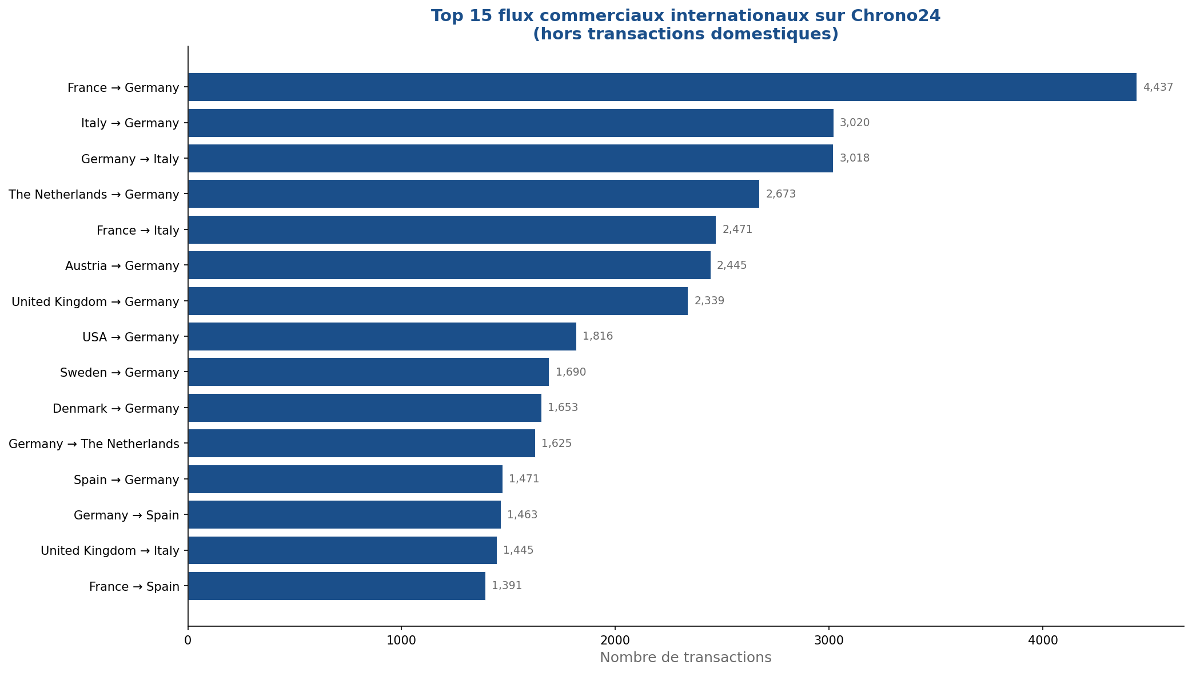
📈 TOP 20 FLUX COMMERCIAUX INTERNATIONAUX
# | Pays Acheteur | Pays Vendeur | Nb Transactions | Note Globale | Score Livraison | Score Communication | Part du total
1 | France | Germany | 4437 | 4.812 | 4.811 | 4.781 | 11.4%
2 | Italy | Germany | 3020 | 4.812 | 4.814 | 4.788 | 7.7%
3 | Germany | Italy | 3018 | 4.784 | 4.796 | 4.765 | 7.7%
4 | The Netherlands | Germany | 2673 | 4.812 | 4.809 | 4.782 | 6.8%
5 | France | Italy | 2471 | 4.776 | 4.789 | 4.754 | 6.3%
6 | Austria | Germany | 2445 | 4.813 | 4.807 | 4.776 | 6.3%
7 | United Kingdom | Germany | 2339 | 4.82 | 4.821 | 4.797 | 6.0%
8 | USA | Germany | 1816 | 4.82 | 4.82 | 4.802 | 4.7%
9 | Sweden | Germany | 1690 | 4.815 | 4.818 | 4.786 | 4.3%
10 | Denmark | Germany | 1653 | 4.811 | 4.809 | 4.771 | 4.2%
11 | Germany | The Netherlands | 1625 | 4.863 | 4.879 | 4.878 | 4.2%
12 | Spain | Germany | 1471 | 4.8 | 4.799 | 4.77 | 3.8%
13 | Germany | Spain | 1463 | 4.789 | 4.798 | 4.772 | 3.7%
14 | United Kingdom | Italy | 1445 | 4.777 | 4.793 | 4.762 | 3.7%
15 | France | Spain | 1391 | 4.787 | 4.797 | 4.766 | 3.6%
16 | Germany | United Kingdom | 1373 | 4.85 | 4.839 | 4.84 | 3.5%
17 | Belgium | Germany | 1212 | 4.807 | 4.804 | 4.779 | 3.1%
18 | Hungary | Germany | 1198 | 4.794 | 4.79 | 4.745 | 3.1%
19 | France | United Kingdom | 1187 | 4.842 | 4.83 | 4.829 | 3.0%
20 | USA | Italy | 1120 | 4.801 | 4.813 | 4.787 | 2.9%

🌍 Géographie
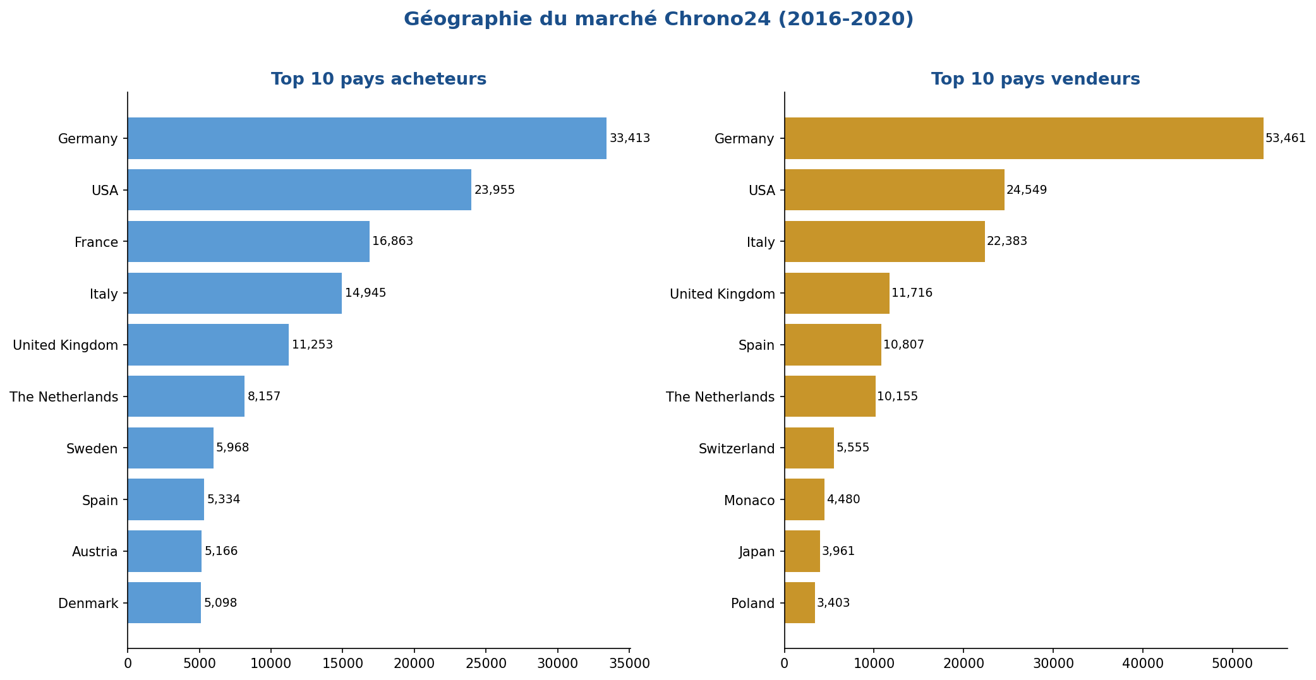
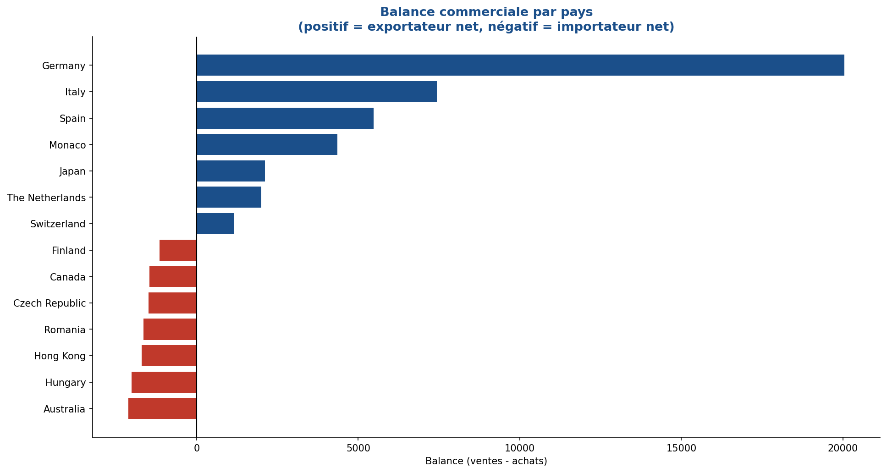
🌍 ANALYSE GÉOGRAPHIQUE DES FLUX
TOP 10 PAYS ACHETEURS |  |  |  | TOP 10 PAYS VENDEURS
Pays | Nb achats | Part (%) |  | Pays | Nb ventes | Part (%)
Germany | 33413 | 19.0% |  | Germany | 53461 | 30.4%
USA | 23955 | 13.6% |  | USA | 24549 | 14.0%
France | 16863 | 9.6% |  | Italy | 22383 | 12.7%
Italy | 14945 | 8.5% |  | United Kingdom | 11716 | 6.7%
United Kingdom | 11253 | 6.4% |  | Spain | 10807 | 6.1%
The Netherlands | 8157 | 4.6% |  | The Netherlands | 10155 | 5.8%
Sweden | 5968 | 3.4% |  | Switzerland | 5555 | 3.2%
Spain | 5334 | 3.0% |  | Monaco | 4480 | 2.5%
Austria | 5166 | 2.9% |  | Japan | 3961 | 2.3%
Denmark | 5098 | 2.9% |  | Poland | 3403 | 1.9%

BALANCE COMMERCIALE (ventes - achats)
Pays | Ventes | Achats | Balance | Statut
Germany | 53461 | 33413 | 20048 | 🟢 Exportateur net
Italy | 22383 | 14945 | 7438 | 🟢 Exportateur net
Spain | 10807 | 5334 | 5473 | 🟢 Exportateur net
Monaco | 4480 | 127 | 4353 | 🟢 Exportateur net
Japan | 3961 | 1848 | 2113 | 🟢 Exportateur net
The Netherlands | 10155 | 8157 | 1998 | 🟢 Exportateur net
Latvia | 1323 | 162 | 1161 | 🟢 Exportateur net
Switzerland | 5555 | 4411 | 1144 | 🟢 Exportateur net
USA | 24549 | 23955 | 594 | 🟢 Exportateur net
United Kingdom | 11716 | 11253 | 463 | 🟢 Exportateur net
Singapore | 1598 | 1247 | 351 | 🟢 Exportateur net
Poland | 3403 | 3125 | 278 | 🟢 Exportateur net
Luxembourg | 925 | 728 | 197 | 🟢 Exportateur net
UAE | 349 | 921 | -572 | 🔴 Importateur net
Greece | 537 | 1112 | -575 | 🔴 Importateur net

⭐ Satisfaction
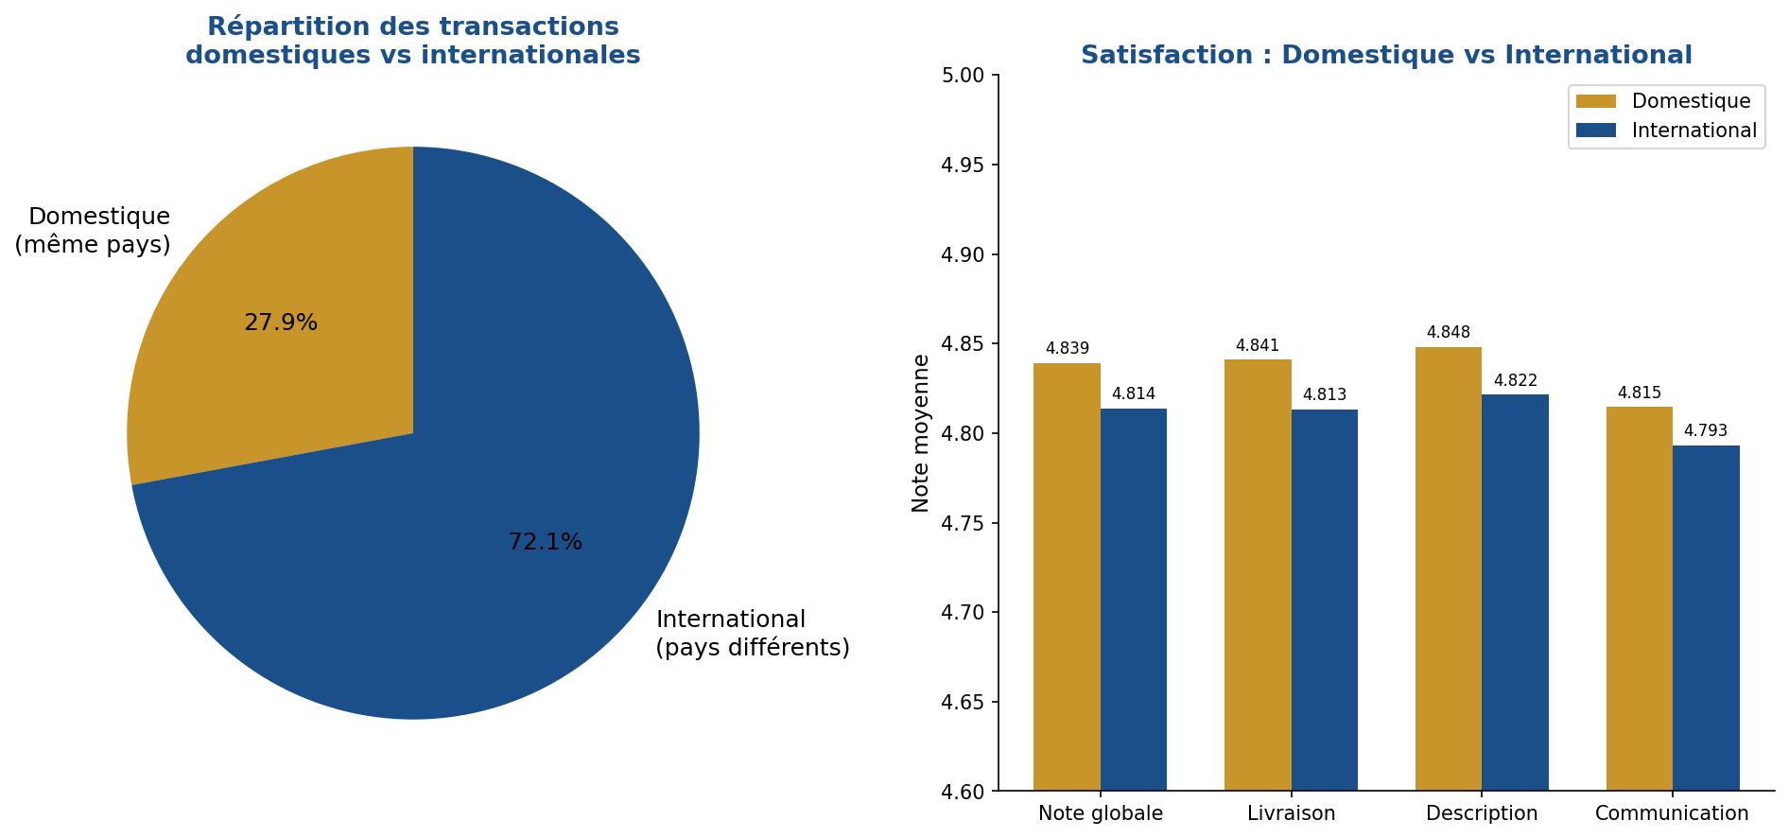
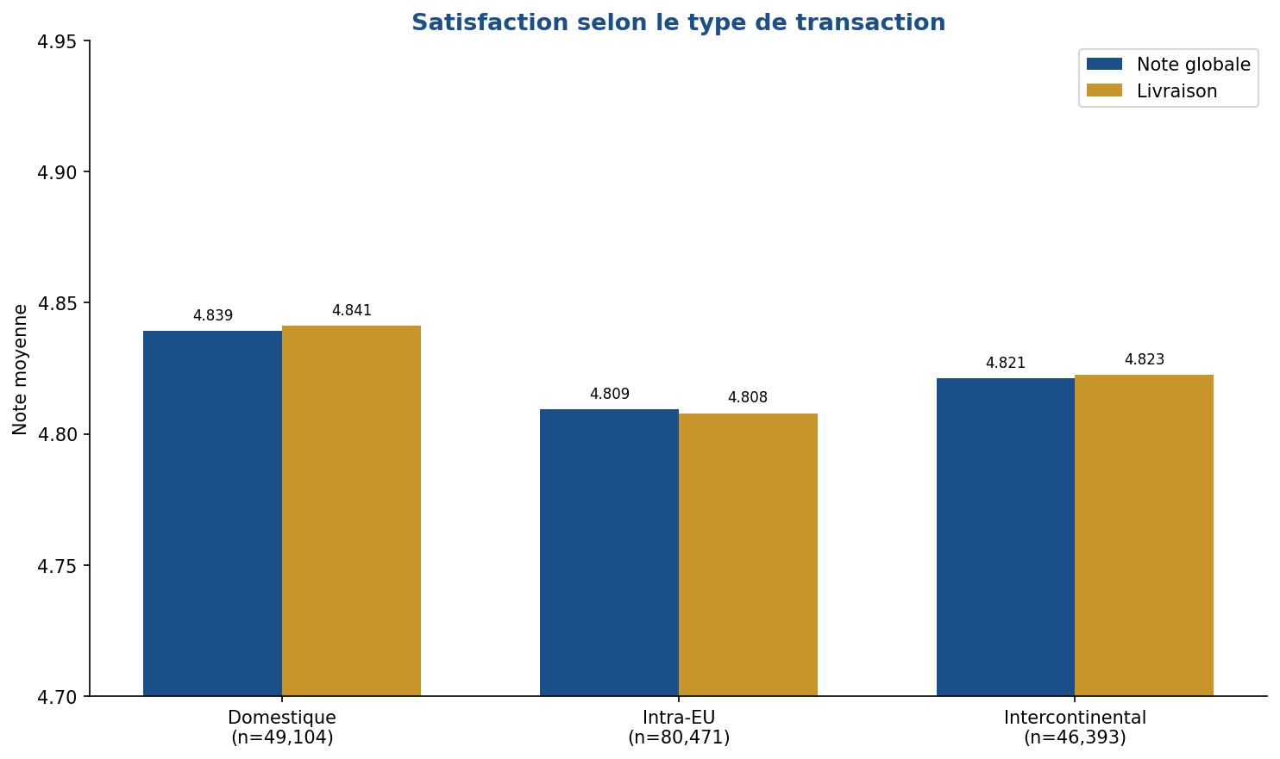
⭐ ANALYSE DE LA SATISFACTION CLIENT SELON LES FLUX
DOMESTIC vs INTERNATIONAL
Type | Note Globale | Livraison | Description | Communication
✈️ International | 4.814 | 4.813 | 4.822 | 4.793
🏠 Domestique | 4.839 | 4.841 | 4.848 | 4.815

PAR TYPE DE TRANSACTION (Domestique / Intra-EU / Intercontinental)
Type | Nb transactions | Note Globale | Livraison | Description | Communication
Domestique | 49,104 | 4.839 | 4.841 | 4.848 | 4.815
Intercontinental | 46,393 | 4.821 | 4.823 | 4.825 | 4.804
Intra-EU | 80,471 | 4.809 | 4.808 | 4.819 | 4.787

TOP 10 PAYS VENDEURS PAR SATISFACTION
Pays vendeur | Nb transactions | Note Globale | Livraison | Description | Communication
🥇 Lithuania | 770 | 4.9 | 4.888 | 4.812 | 4.9
🥈 The Netherlands | 10,155 | 4.871 | 4.885 | 4.839 | 4.892
🥉 Sweden | 1,580 | 4.87 | 4.8 | 4.863 | 4.816
USA | 24,549 | 4.867 | 4.88 | 4.849 | 4.849
Canada | 509 | 4.849 | 4.87 | 4.843 | 4.778
United Kingdom | 11,716 | 4.848 | 4.842 | 4.833 | 4.839
Hong Kong | 1,214 | 4.844 | 4.847 | 4.888 | 4.831
Greece | 537 | 4.844 | 4.875 | 4.801 | 4.883
Japan | 3,961 | 4.839 | 4.857 | 4.85 | 4.821
Portugal | 978 | 4.837 | 4.85 | 4.84 | 4.845

📅 Évolution
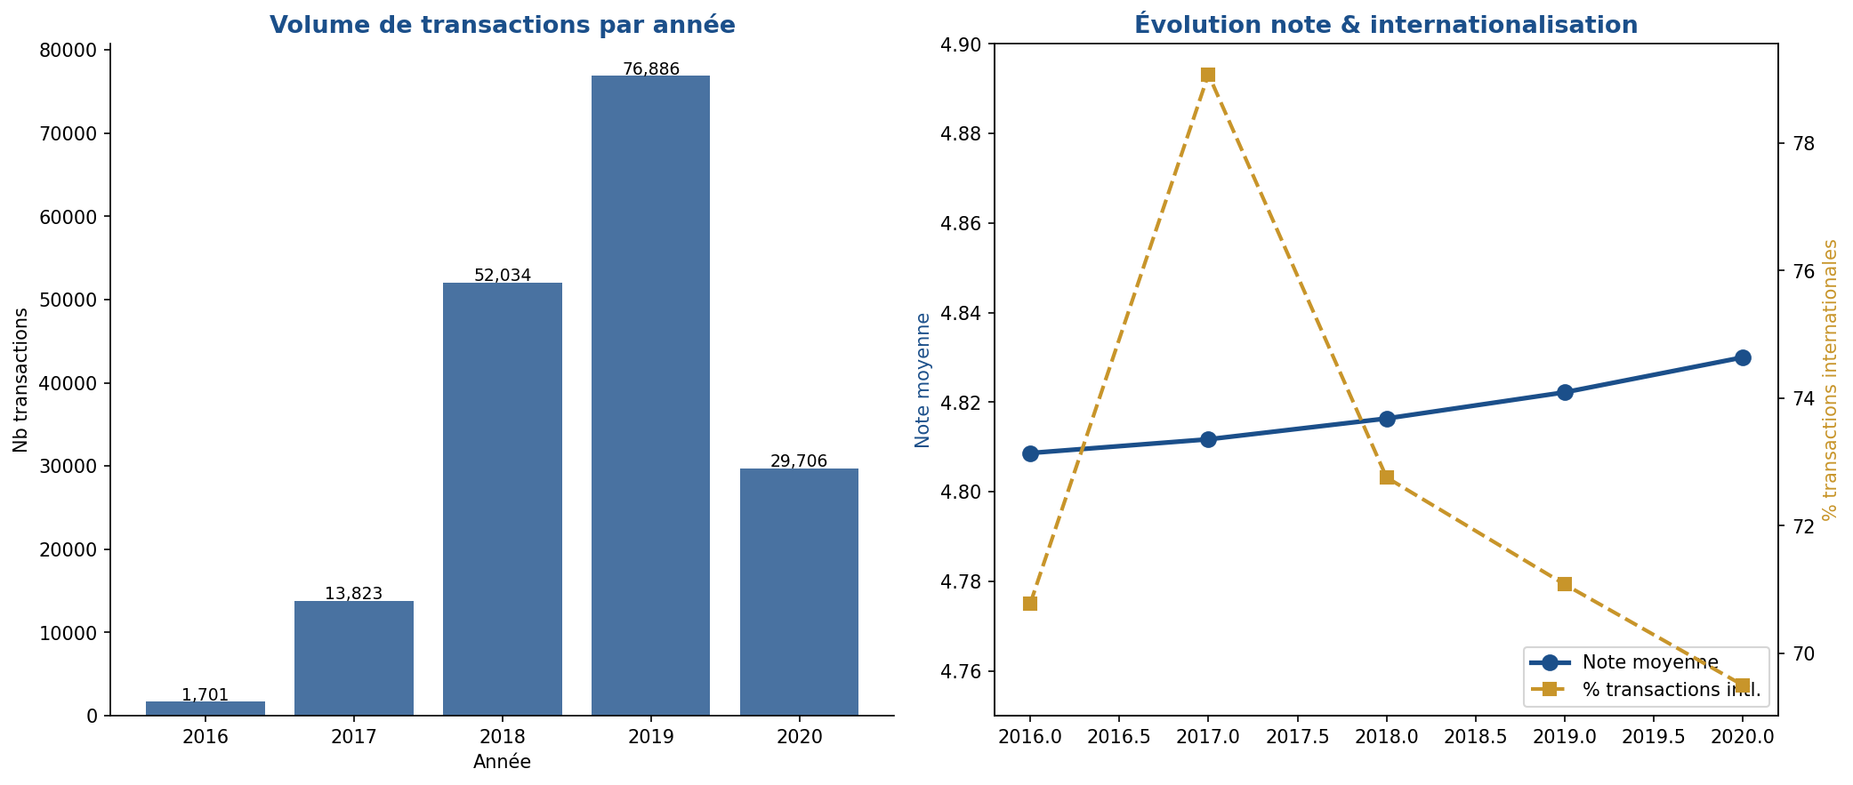
📅 ÉVOLUTION TEMPORELLE 2016-2020
Année | Nb transactions | Note globale | Score livraison | % International | Nb vendeurs
2016 | 1,701 | 4.809 | 4.81 | 70.8% | 268
2017 | 13,823 | 4.812 | 4.816 | 79.1% | 1097
2018 | 52,034 | 4.816 | 4.818 | 72.8% | 1774
2019 | 76,886 | 4.822 | 4.821 | 71.1% | 2195
2020 | 29,706 | 4.83 | 4.828 | 69.5% | 1970

⌚ Marques
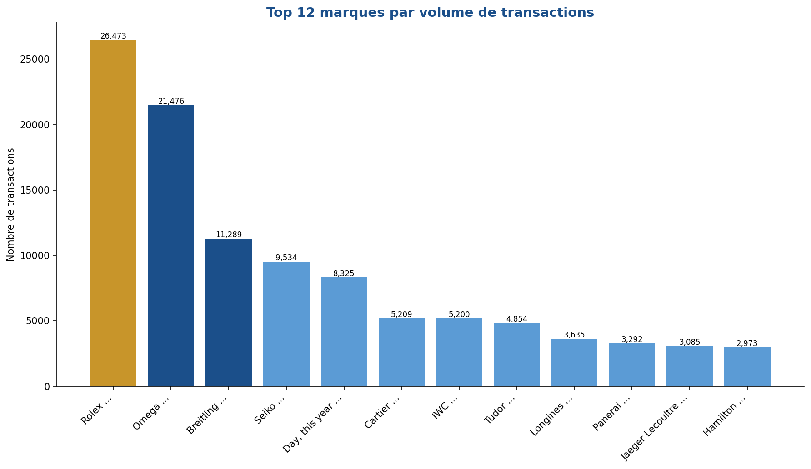
⌚ ANALYSE PAR MARQUE
Marque | Nb transactions | Part (%) | Note globale | % Ventes intl.
Rolex ... | 26,473 | 15.0% | 4.821 | 66.1%
Omega ... | 21,476 | 12.2% | 4.826 | 69.4%
Breitling ... | 11,289 | 6.4% | 4.827 | 66.4%
Seiko ... | 9,534 | 5.4% | 4.829 | 82.0%
Day, this year ... | 8,325 | 4.7% | 4.811 | 69.8%
Cartier ... | 5,209 | 3.0% | 4.785 | 73.1%
IWC ... | 5,200 | 3.0% | 4.828 | 70.9%
Tudor ... | 4,854 | 2.8% | 4.843 | 68.1%
Longines ... | 3,635 | 2.1% | 4.813 | 75.8%
Panerai ... | 3,292 | 1.9% | 4.85 | 63.1%
Jaeger Lecoultre ... | 3,085 | 1.8% | 4.815 | 78.6%
Hamilton ... | 2,973 | 1.7% | 4.774 | 68.8%
Oris ... | 2,775 | 1.6% | 4.824 | 73.8%
Zenith ... | 2,467 | 1.4% | 4.823 | 81.9%
Citizen ... | 2,363 | 1.3% | 4.831 | 74.5%

