1. Title Page
Instacart Market Analysis

Project Name: Instantcart Market Analysis
Date: 08/08/2022
Analyst Name: Thang Tran

Contents: | Resources
Population Flow | Customers Data Set
Consistency checks | Data Dictionary
Wrangling steps | "The Instacart Online Grocery Shopping Dataset 2017”, Accessed from https://www.instacart.com/datasets/grocery-shopping-2017 on 08/08/2022.
Column derivations | Population By Regoin
Visualizations
Recommendations

2. Population Flow
Population Flow

Exclusion flag
Condition: max_order < 5
Obervations to be removed: 1,440,295
Final total count of order_products_all: 30,964,564

Orders_products_combined
Orders_products_merged
Orders_products_all

Total: 32,434,489
Total: 32,404,859
Total: 32,404,859

1.) The grey boxes in the first row of the population flow represent the original data sets as they were when you downloaded them. In the Total fields you need to add the count of the rows when you imported the data set into Jupyter.
2.) The second row of boxes (coloured) represents the data sets after you manipulated them, e.g., removed missing values and duplicates. In the Total fields you need to add the count of the rows after conducting these operations. This offers a visual oveview of how the data flows throughout the data consistency checks.
3.) The third row, where also the arrows are coloured, represents the merges you performed between the datasets. In the Total fields you need to add the count of the rows in the merged datasets, so that you end up with the final dataset (in the red box). Keep in mind the final dataset should be without exclusions (based on the exclusion flag).

3. Consistency checks
Consistency Checks

Datasets | Columns | Missing values | Missing Values Treatment | Duplicates
orders | days_since_prior_order | 206,209 | Leave as is | 0

order_products_prior |  | 0 |  | 0

products | product_name | 16 | dropped | 5

customers | first_name | 11,259 | Leave as is | 0

4. Wrangling steps
Wrangling Steps

Dataset | Columns dropped | Columns renamed | Columns' type changed | Comment/Reason | PII Data
orders | eval_set | user_id -> customer_id | order_id | int64 -> int32; downcast | first_name
 |  | order_dow -> order_day_of _week | customer_id | int64 -> int32; downcast | last_name
 |  |  | order_number | int64 -> int8; downcast
 |  |  | order_day_of_week | int64 -> int8; downcast
 |  |  | order_hour_of_day | int64 -> int8; downcast

order_products_prior |  |  | order_id | int64 -> int32; downcast
 |  |  | product_id | int64 -> int32; downcast
 |  |  | add_to_cart_order | int64 -> int16; downcast
 |  |  | reordered | int64 -> int8; downcast

products |  |  | product_id | int64 -> int32; dowcast
 |  |  | product_name | object -> str
 |  |  | aisle_id | int64 -> int16; dowcast
 |  |  | department_id | int64 -> int8; downcast
 |  |  | prices | int64 -> int32; dowcast

customers | date_joined | user_id -> customer_id | customer_id | int64 -> int32; downcast
 | first_name | First Name -> first_name | gender | object -> category; downcast
 | last_name | Surname -> last_name | state | object -> category; downcast
 |  | Gender -> gender | age | int64 -> int8; downcast
 |  | STATE -> state | n_dependants | int64 -> int8; downcast
 |  | Age -> age | fam_status | object -> category; downcast
 |  |  | income | int64 -> int32; downcast

5. Column derivations
Column Derivations & Aggregations

In this tab you should add tables below that the frequences of flags/label variables that you produced after deriving them. NB: don't do this for continuous variables, only for flags.
Dataset | New column | Column/s it was derived from | Conditions | Counts
Instacart_Data (combeind data) | price_range | prices | Low_range product : prices <= 5 | 12,301,357
 |  |  | Mid-range product : prices > 5 & <= 15 | 19,710,469
 |  |  | High-range product : prices > 15 | 393,033

 | busiest_day | order_day_of_week | Busiest_day = 0 (Saturday) | 6,204,182
 |  |  | Least busy day = 4 (Wednesday) | 3,783,802
 |  |  | Regularly busy != 0 & 4 (Other days) | 22,416,875

 | busiest_hour | order_hour_of_week | Most orders in [10,11,14,15,13,12,16,9] | 21,118,071
 |  |  | Average orders in [17,8,18,19,20,7,21,22] | 9,997,651
 |  |  | Fewest orders in [23,6,0,1,5,2,4,3] | 1,289,137

 | max_order | customer_id & order_number | groupby(['customer_id'])['order_number'].transform(np.max) | 32,404,859

 | loyalty_flag | max_order | Loyal customer : max_order > 40 | 10,284,093
 |  |  | Regular customer : max_order <= 40 & > 10 | 15,876,776
 |  |  | New customer : max_order <= 10 | 6,243,990

 | average_price | customer_id & prices | groupby(['customer_id'])['prices'].transform(np.mean) | 32,404,859

 | spending_flag | average_prices | Low spender : average_price < 10 | 31,837,216
 |  |  | High spender : average_price >= 10 | 567,643

 | median_days_since_prior_order | customer_id & days_since_prior_order | groupby(['customer_id'])['days_since_prior_order'].transform(np.mean) | 32,404,859

 | order_frequency_flag | median_days_since_prior_order | Non-frequent customer : median_days_since_prior_order > 20 | 3,415,113
 |  |  | Regular customer : median_days_since_prior_order <= 20 & > 10 | 12,521,159
 |  |  | Frequent customer : median_days_since_prior_order <= 10 | 16,468,582

6. Visualizations
Visualisations

In this tab you should include all the visualtions from Exercises 4.9 and 4.10, alongside the questions from the project brief that they answer. Include any commentary on the relationship between different variables.

 |  |  | Order Days & Hours |  |  |  |  |  |  |  |  |  |  |  |  |  |  |  |  |  |  | Products & Departments

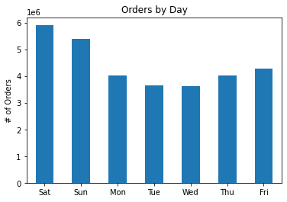
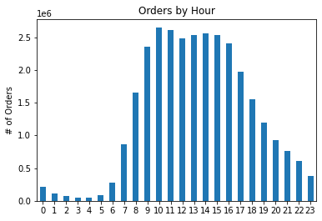
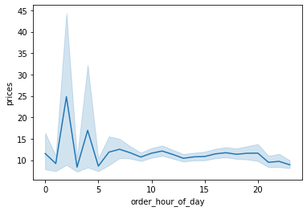
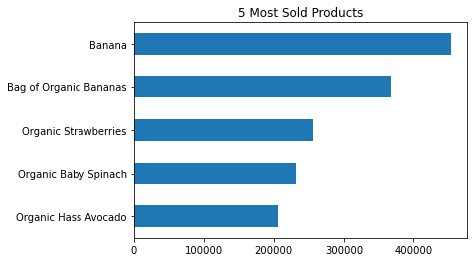
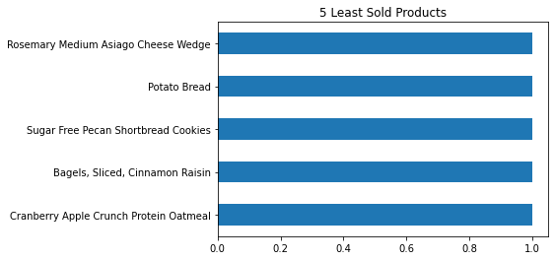
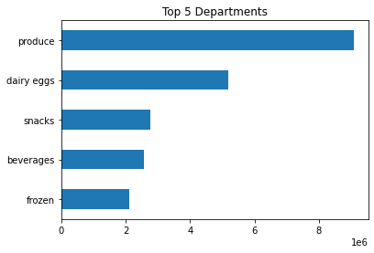
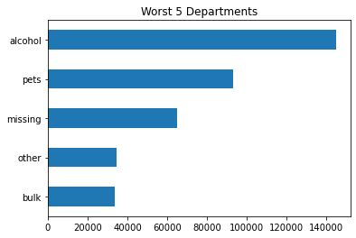
 |  |  |  |  |  |  |  |  | Most Expensive by Hour

 | Sat - most & Wed - least |  |  | Busy 9am - 4pm |  |  |  | 1am - 5am is the most spent hour |  |  |  |  |  |  | Banana - most popular |  |  |  |  | Many rarely ordered products |  |  |  |  |  |  |  | Produce - most popular |  |  | Bulk - least popular

 |  |  |  |  |  |  | Customer Loyalty |  |  |  |  |  |  |  |  |  |  |  |  |  |  |  |  |  |  |  | Income & Price Range
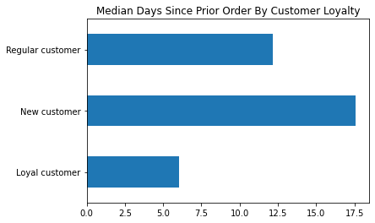
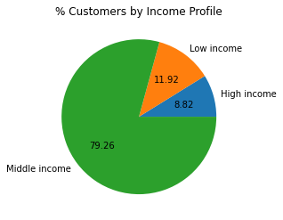
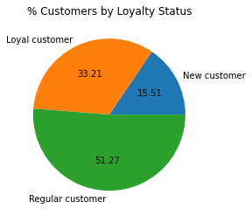
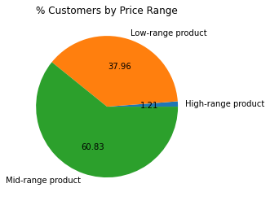
 |  | Customer Loyalty: Order Frequency & Prices |  |  |  |  |  |  |  | Customer Loyalty by Region |  |  |  |  |  |  |  |  |  |  |  |  |  |  |  | Order Frequncy by Income Group
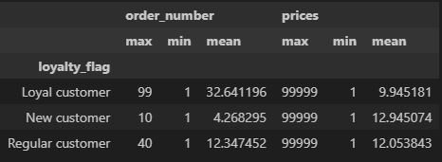
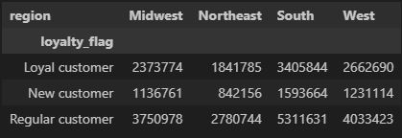
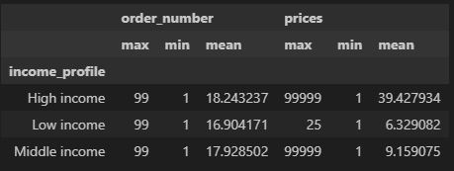

 |  | more loyal customer order more frequently |  |  |  |  |  |  |  | more customers in south
 |  | new customers spend the most on average |  |  |  |  |  |  |  | less customers in Northeast
51% Regular customers |  |  |  |  |  |  |  |  |  |  |  |  |  | more loyal customers come back more often |  |  |  |  |  |  | 79% Middle income |  |  |  | High income spends significantly more on average |  |  |  |  | 61% Mid-range product

 |  |  |  |  |  |  |  |  |  |  |  | Customer Profiles by Region

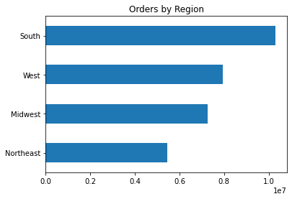
 |  |  |  |  | Departments by Region |  |  |  |  |  | Order Frequency by Region |  |  |  | Income Profile by Region |  | Spending Habit by Region |  |  |  |  |  | Family Status by Region
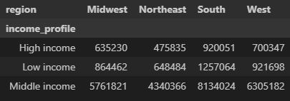
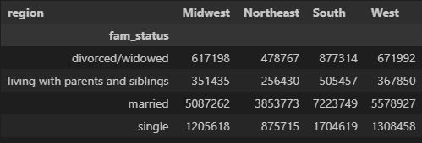

 |  |  |  |  |  |  |  |  |  |  |  |  | Age, Family Status, & Order Frequency
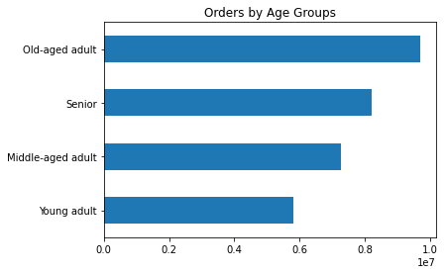
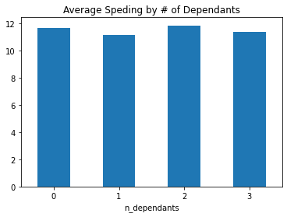
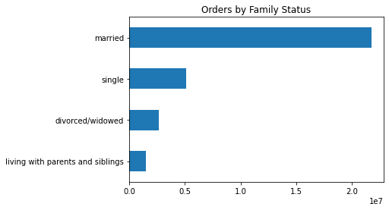
 |  |  |  |  |  |  |  |  |  |  |  |  |  |  |  | Average Age by Family Status |  |  | Order Freqeuncy & Price |  |  |  |  |  | Order Frequnency by Family Status |  |  |  | Order Frequency by Spending Habit
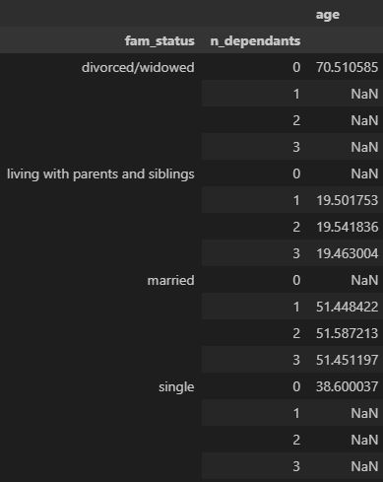
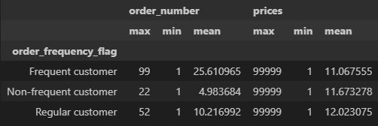
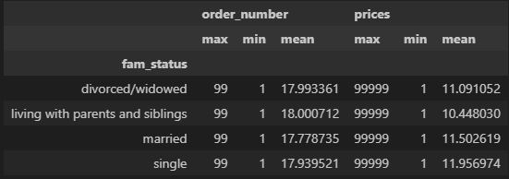

 |  |  |  |  |  |  |  |  |  |  |  |  |  |  |  |  |  |  |  |  |  |  |  |  |  |  |  |  | High spenders order more as well
 |  |  |  |  |  |  |  |  |  |  |  |  |  |  |  |  |  | regular customers spend more on average

 |  |  |  |  |  |  |  |  |  |  |  |  |  |  |  |  |  |  |  |  |  |  |  | Customers living with paretns & siblings order more
 |  |  |  |  |  |  |  |  |  |  |  |  |  |  |  |  |  |  |  |  |  |  |  | but they spend the least on average
 | married customers order significantly more |  |  |  |  | older customers order more |  |  |  | No difference in average spending between dependants

 |  |  |  |  |  |  |  |  |  |  |  |  |  |  | divoced/widowed customers are the oldest

7. Recommendations
Recommendations

In this tab you should include any recommendations you would made to Instcart in terms of their marketing strategy based on the questions posed in the brief. Every key question has been covered in the Tasks of the Exercises - here you need to add an item - a visualisation or table/crosstable that is showing the answer in the data, acompanied by a comment from you. Please, list the questions below and add the answer underneath.

Question | Answer | Chart Title (refer to 6. Visualizations) | Recommendation
1. What are the busiest days of the week? | The weekend is the busiest. Middle of the weekdays are least busy. | Order by Day | Focus ads on Tuesday & Wednesday
2. What are the busiest hours of the day? | It's very busy from 9am to 3pm. | Order by Hour | Focus ads early in the morning (before 9 am) & late-afternoon
3. What are the most-spent hours of the day? | Customers spend the most during the night from 12am to 5 am. | Most Expensive by Hour | Advertise high-ranged products as customers are more likely to spend more during these hours.
4. What is a good price range? | 61% of all products are mid-ranged products. Only 1.2% are high-ragned products. | % Customers by Price Range | Customers prefer cheaper products. There could be Incenstives for customers ordering more expnsive products.
5. What are the best & worst products by orders? | Banana is the most ordered product & Cranberry Apple Crunch Protein Oatmeal is one of the least ordered products. | 5 Most Sold Products, 5 Least Sold Products | Focus ads on worst perfoming products & departments.
6. What are the best & worst departments by orders? | Produce is the best & Bulk is the worst performing departments. | Top 5 Departments, Worst 5 Departments
7. How do orders compare by customer loyalty? | 51% of all customers are regular customers. 15% are new customers. | % Customers by Loyalty Status | Focus acquring new customers.
8. What are the ordering habits by customer loyalty? | Loyal customers spend less while new customers spend the most on average. However, loyal customers come back in within a week compared to new customers who come back within 3 weeks on average. | Customer Loyalty: Order Frequency & Prices, Median Days Since Prior Order By Customer Loyalty | Incentivise loyal customers by spending more.
9. How do orders compare by region? | South region has the most orders & Northeast has the least orders. | Orders By Region | Although this may have to do with diffrerence in population sizes, Northeast region could use more ads effort. *Refer to 'Population by Region' in 1. Title Page*
10. What are the ordering habits by customer profiles in each region? | Overall, South has the most orders and the highest number of customers & Northeast has the least orders and customers across all custmomer profiles. | Customer Profiles by Region section
11. How do orders compare by age group? | The number of orders & ages are directly related. | Orders by Age Groups | Focus ads catered to younger audience.
12. How do orders compare by income group? | 79% of all customers belong to middle-income group. 8.8% belong to high-income groups. | Orders by Income Groups | N/A
13. Is there connection between age & family status? What is the ordering habits? | Divorced & Widowed customers have no dependants & have average age of 70. Customers living with parents/siblings have up to 3 dependants & have average age of 19. Married customers have up to 3 dependants & have average age of 51. Single customers have no dependants & have average age of 38. | Family Status & Age

