Sheet1
h | x | y
0.1 | 0 | 1
0.1 | 0.1 | -2.3
0.1 | 0.2 | 5.29
0.1 | 0.3 | -12.167
0.1 | 0.4 | 27.9841

h = 1
My Version |  |  | Wikipedia Version
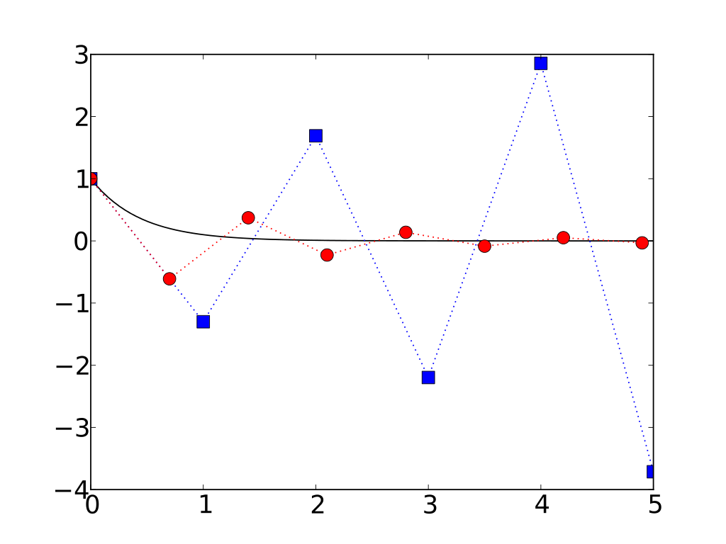

h = 0.1

