BOM
Item | Part Number | Thumbnail | BOM Structure | Unit QTY | QTY | Stock Number | Description | REV
1 | HUG - obecny | 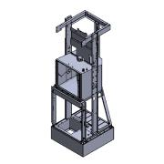 | Normal | Each | 1 |  | STEP AP214 | ANY
1.1 | 502960500 | 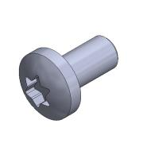 | Normal | Each | 2 |  |  | ANY
1.2 | 502277700 | 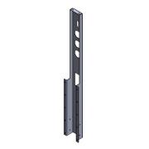 | Normal | Each | 1 |  |  | ANY
1.3 | 499555900 | 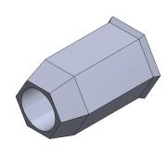 | Normal | Each | 10 |  |  | ANY
1.4 | 502217800 | 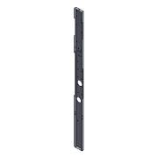 | Normal | Each | 2 |  |  | ANY
1.5 | 502238900 | 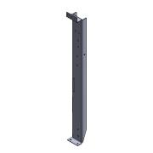 | Normal | Each | 1 |  |  | ANY
1.6 | 503464500 | 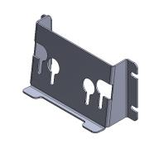 | Normal | Each | 1 |  |  | ANY
1.7 | 502912300 | 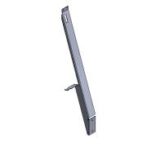 | Normal | Each | 1 |  |  | ANY
1.8 | 498984200 | 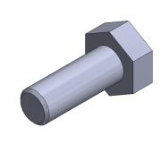 | Normal | Each | 29 |  |  | ANY
1.9 | 502299100 | 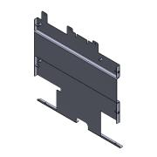 | Normal | Each | 1 |  |  | ANY
1.9.1 | 502279100 | 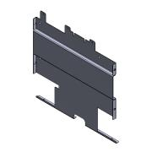 | Normal | Each | 1 |  |  | ANY
1.9.2 | 499555900 |  | Normal | Each | 7 |  |  | ANY
1.10 | 502299200 | 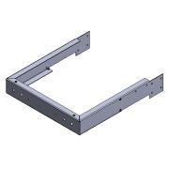 | Normal | Each | 1 |  |  | ANY
1.10.1 | 499555900 |  | Normal | Each | 8 |  |  | ANY
1.10.2 | 502278900 |  | Normal | Each | 1 |  |  | ANY
1.11 | 6001384102_502299520 | 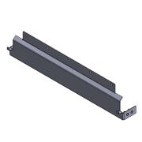 | Normal | Each | 1 |  |  | ANY
1.11.1 | 6001384101 |  | Normal | Each | 1 |  |  | ANY
1.11.2 | 499555900 |  | Normal | Each | 4 |  |  | ANY
1.12 | 6001237702_503464602 | 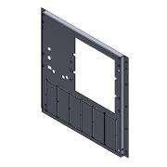 | Normal | Each | 1 |  |  | ANY
1.12.1 | 499555900 |  | Normal | Each | 15 |  |  | ANY
1.12.2 | 6001237701 |  | Normal | Each | 1 |  |  | ANY
1.12.3 | 499555800 | 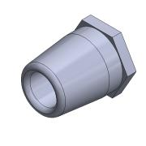 | Normal | Each | 10 |  |  | ANY
1.13 | 6001499201 | 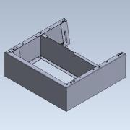 | Normal | Each | 1 |  |  | ANY
1.13.1 | 6001499901 | 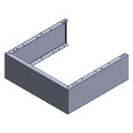 | Normal | Each | 1 |  |  | ANY
1.13.2 | 6001237501 | 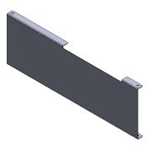 | Normal | Each | 1 |  |  | ANY
1.13.3 | 498943104 | 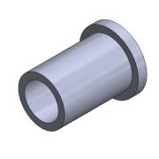 | Normal | Each | 4 |  |  | ANY
1.13.4 | 499555900 |  | Normal | Each | 16 |  |  | ANY
1.13.5 | 499396700 | 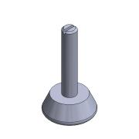 | Normal | Each | 4 |  |  | ANY
1.13.6 | 6001499801 | 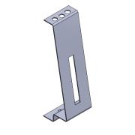 | Normal | Each | 4 |  |  | ANY
1.14 | 502300620_502300620 | 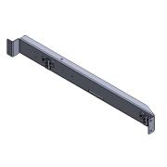 | Normal | Each | 1 |  |  | ANY
1.14.1 | 502238900 |  | Normal | Each | 1 |  |  | ANY
1.14.2 | 499555800 |  | Normal | Each | 4 |  |  | ANY
1.14.3 | 502128200 | 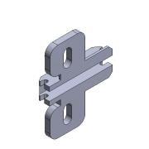 | Normal | Each | 2 |  |  | ANY
1.14.4 | 499764400 | 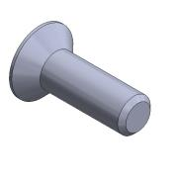 | Normal | Each | 4 |  |  | ANY
1.15 | 5800295 | 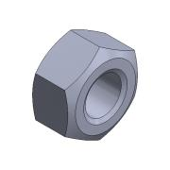 | Normal | Each | 11 |  |  | ANY
1.16 | 503090600 | 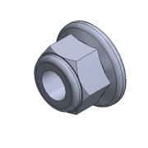 | Normal | Each | 34 |  |  | ANY
1.17 | 502321200 | 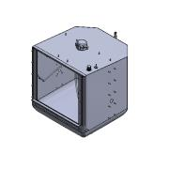 | Normal | Each | 1 |  |  | ANY
1.17.1 | 502228002 | 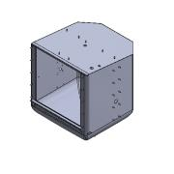 | Normal | Each | 1 |  |  | ANY
1.17.1.1 | 502227800 | 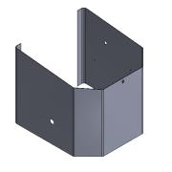 | Normal | Each | 1 |  |  | ANY
1.17.1.2 | 502228100 | 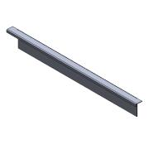 | Normal | Each | 1 |  |  | ANY
1.17.1.3 | 502227901 | 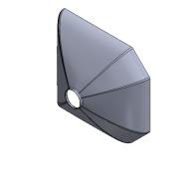 | Normal | Each | 1 |  |  | ANY
1.17.1.4 | 502293400 | 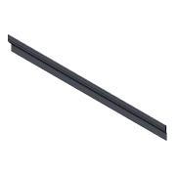 | Normal | Each | 1 |  |  | ANY
1.17.1.5 | 502293500 | 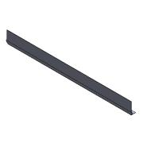 | Normal | Each | 2 |  |  | ANY
1.17.1.6 | 932176 | 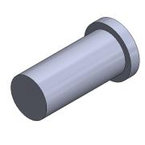 | Normal | Each | 61 |  |  | ANY
1.17.1.7 | 502247600 | 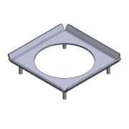 | Normal | Each | 1 |  |  | ANY
1.17.1.7.1 | 502247500 | 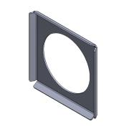 | Normal | Each | 1 |  |  | ANY
1.17.1.7.2 | 498932900 | 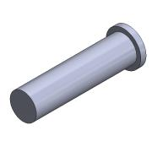 | Normal | Each | 4 |  |  | ANY
1.17.1.8 | 502227700_Domyślna_Obrobiona_ | 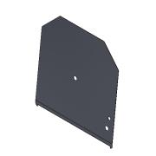 | Normal | Each | 1 |  |  | ANY
1.17.2 | 468628700 | 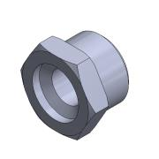 | Normal | Each | 1 |  |  | ANY
1.17.3 | 468852500 | 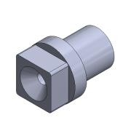 | Normal | Each | 1 |  |  | ANY
1.17.4 | 502049000 | 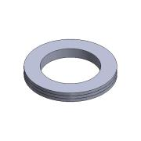 | Normal | Each | 2 |  |  | ANY
1.17.5 | 502104400 | 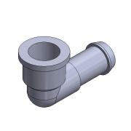 | Normal | Each | 2 |  |  | ANY
1.17.6 | 499386902 | 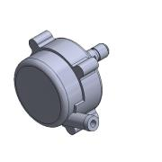 | Normal | Each | 1 |  |  | ANY
1.17.7 | 499638000 | 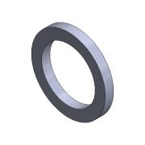 | Normal | Each | 1 |  |  | ANY
1.17.8 | 500904900 | 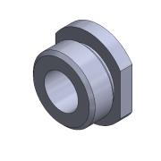 | Normal | Each | 1 |  |  | ANY
1.17.9 | 500904701 | 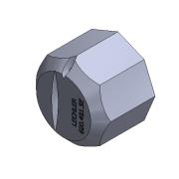 | Normal | Each | 1 |  |  | ANY
1.17.10 | 5800295 |  | Normal | Each | 2 |  |  | ANY
1.17.11 | 930532 | 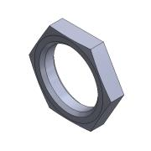 | Normal | Each | 1 |  |  | ANY
1.17.12 | 930307 | 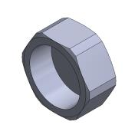 | Normal | Each | 1 |  |  | ANY
1.17.13 | 501661500 | 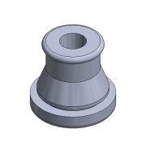 | Normal | Each | 1 |  |  | ANY
1.17.14 | 501074200 | 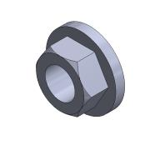 | Normal | Each | 2 |  |  | ANY
1.17.15 | 150178300 |  | Normal | Each | 2 |  |  | ANY
1.17.16 | 502400500 |  | Normal | Each | 2 |  |  | ANY
1.17.17 | 500608700 |  | Normal | Each | 1 |  |  | ANY
1.17.18 | 501195000 |  | Normal | Each | 1 |  |  | ANY
1.17.19 | 6001755901 |  | Normal | Each | 1 |  |  | ANY
1.17.20 | 503219700 |  | Normal | Each | 1 |  |  | ANY
1.17.20.1 | 503220200 |  | Normal | Each | 1 |  |  | ANY
1.17.20.2 | 503220400 |  | Normal | Each | 1 |  |  | ANY
1.17.21 | 502726600 |  | Normal | Each | 1 |  |  | ANY
1.17.22 | 502726000 |  | Normal | Each | 1 |  |  | ANY
2 | 536235 ADN-20-10-A-P-A---(asm_0) |  | Purchased | Each | 1 |  | ADN-compact cylinder
2.1 | 536233 ADN-10-P---(Z) |  | Purchased | Each | 1 |  | ADN-(Z)-Compact cylinder - Z
2.2 | 536233 ADN-10-P-A_(KS) |  | Purchased | Each | 1 |  | ADN-(KS)-Compact cylinder - piston rod
3 | 3111 SG-M8 |  | Purchased | Each | 1 |  | SG-rod clevis
3.1 | 3111 SG-M8---(GK) |  | Purchased | Each | 1 |  | SG-(GK)-rod clevis
3.2 | DIN-439-B - M8(F) |  | Purchased | Each | 1 |  | DIN-439 Form B-Hex nut
3.3 | 204292 FKB-8X16 |  | Purchased | Each | 1 |  | SG-Bolt-bolt
4 | ISO 4762 - M6 x 20 |  | Purchased | Each | 4 |  | Hexagon Socket Head Cap Screw
5 | BILDDB_VECTOR_GRAPHIC_RGB_STP_V (4) |  | Normal | Each | 2 |  | STEP AP214
6 | podłoga |  | Normal | Each | 1
7 | 00418-W-211-000-R00 |  | Normal | Each | 1 | 00418-W-211-000-R00 | WSPORNIK 12
7.1 | 00418-W-211-400-R00 |  | Normal | Each | 1 | 00418-W-211-400-R00 | BLACHA 10MM
7.2 | 00418-W-211-100-R00 |  | Normal | Each | 1 | 00418-W-211-100-R00 | BLACHA 10MM
7.3 | 00418-W-211-101-R00 |  | Normal | Each | 1 | 00418-W-211-101-R00 | BLACHA 10MM
8 | 00418-W-212-000-R00 |  | Normal | Each | 1 | 00418-W-212-000-R00 | WSPORNIK 13
8.1 | 00418-W-211-400-R00 |  | Normal | Each | 1 | 00418-W-211-400-R00 | BLACHA 10MM
8.2 | 00418-W-211-100-R00 |  | Normal | Each | 1 | 00418-W-211-100-R00 | BLACHA 10MM
8.3 | 00418-W-211-101-R00 |  | Normal | Each | 1 | 00418-W-211-101-R00 | BLACHA 10MM
9 | 00418-W-100-000-R00 |  | Normal | Each | 1 |  | PLATFORMA GÓRNA - ZŁOŻENIE
9.1 | 00418-W-200-000-R00 |  | Normal | Each | 2 | 00418-W-200-000-R00 | WSPORNIK 01 | 00
9.1.1 | 00418-W-200-400-R00 |  | Normal | Each | 1 | 00418-W-200-400-R00 | BLACHA 12MM | 00
9.1.2 | 00418-W-200-401-R00 |  | Normal | Each | 1 | 00418-W-200-401-R00 | BLACHA 16MM | 00
9.1.3 | 00418-W-200-600-R00 |  | Normal | Each | 1 | 00418-W-200-600-R00 | PROFIL 30X30X3
9.2 | 00418-W-201-000-R00 |  | Normal | Each | 1 | 00418-W-201-000-R00 | WSPORNIK 02 | 00
9.2.1 | 00418-W-201-404-R00 |  | Normal | Each | 1 | 00418-W-201-404-R00 | BLACHA 16MM
9.2.2 | 00418-W-201-405-R00 |  | Normal | Each | 1 | 00418-W-201-405-R00 | KOSTKA 50X50
9.2.3 | 00418-W-201-102-R00 |  | Normal | Each | 1 | 00418-W-201-102-R00 | BLACHA 5MM
9.2.4 | 00418-W-201-601-R00 |  | Normal | Each | 1 | 00418-W-201-601-R00 | PROFIL 50X30X3
9.2.5 | 00418-W-201-103-R00 |  | Normal | Each | 1 | 00418-W-201-103-R00 | BLACHA 2MM
9.3 | 00418-W-202-000-R00 |  | Normal | Each | 1 | 00418-W-202-000-R00 | WSPORNIK 03 | 00
9.3.1 | 00418-W-201-404-R00 |  | Normal | Each | 1 | 00418-W-201-404-R00 | BLACHA 16MM
9.3.2 | 00418-W-201-405-R00 |  | Normal | Each | 1 | 00418-W-201-405-R00 | KOSTKA 50X50
9.3.3 | 00418-W-201-601-R00 |  | Normal | Each | 1 | 00418-W-201-601-R00 | PROFIL 50X30X3
9.3.4 | 00418-W-201-102-R00 |  | Normal | Each | 1 | 00418-W-201-102-R00 | BLACHA 5MM
9.3.5 | 00418-W-201-103-R00 |  | Normal | Each | 1 | 00418-W-201-103-R00 | BLACHA 2MM
9.4 | 00418-W-203-000-R00 |  | Normal | Each | 1 | 00418-W-203-000-R00 | WSPORNIK 04 | 00
9.4.1 | 00418-W-201-404-R00 |  | Normal | Each | 1 | 00418-W-201-404-R00 | BLACHA 16MM
9.4.2 | 00418-W-201-601-R00 |  | Normal | Each | 1 | 00418-W-201-601-R00 | PROFIL 50X30X3
9.4.3 | 00418-W-201-102-R00 |  | Normal | Each | 1 | 00418-W-201-102-R00 | BLACHA 5MM
9.4.4 | 00418-W-201-405-R00 |  | Normal | Each | 2 | 00418-W-201-405-R00 | KOSTKA 50X50
9.4.5 | 00418-W-201-103-R00 |  | Normal | Each | 1 | 00418-W-201-103-R00 | BLACHA 2MM
9.5 | 00418-W-204-000-R00 |  | Normal | Each | 1 | 00418-W-204-000-R00 | WSPORNIK 05 | 00
9.5.1 | 00418-W-201-404-R00 |  | Normal | Each | 1 | 00418-W-201-404-R00 | BLACHA 16MM
9.5.2 | 00418-W-201-601-R00 |  | Normal | Each | 1 | 00418-W-201-601-R00 | PROFIL 50X30X3
9.5.3 | 00418-W-201-102-R00 |  | Normal | Each | 1 | 00418-W-201-102-R00 | BLACHA 5MM
9.5.4 | 00418-W-201-405-R00 |  | Normal | Each | 2 | 00418-W-201-405-R00 | KOSTKA 50X50
9.5.5 | 00418-W-201-103-R00 |  | Normal | Each | 1 | 00418-W-201-103-R00 | BLACHA 2MM
9.6 | 00418-W-205-000-R00 |  | Normal | Each | 2 | 00418-W-205-000-R00 | WSPORNIK 06 | 00
9.6.1 | 00418-W-205-406-R00 |  | Normal | Each | 1 | 00418-W-205-406-R00 | BLACHA 16MM
9.6.2 | 00418-W-205-602-R00 |  | Normal | Each | 1 | 00418-W-205-602-R00 | PROFIL 50X50X3
9.6.3 | 00418-W-205-407-R00 |  | Normal | Each | 1 | 00418-W-205-407-R00 | BLACHA 8MM
9.6.4 | 00418-W-205-104-R00 |  | Normal | Each | 1 | 00418-W-205-104-R00 | BLACHA 2MM
9.7 | 00418-W-213-000-R00 |  | Normal | Each | 1 | 00418-W-213-000-R00 | WSPORNIK 14 | 00
9.7.1 | 00418-W-213-100-R00 |  | Normal | Each | 1 | 00418-W-213-100-R00 | BLACHA 4MM
9.7.2 | 00418-W-213-600-R00 |  | Normal | Each | 1 | 00418-W-213-600-R00 | PROFIL 20X20X2
9.7.3 | 00418-W-213-101-R0 |  | Normal | Each | 1 | 00418-W-213-101-R0 | BLACHA 5MM
9.8 | 00418-W-206-000-R00 |  | Normal | Each | 1 | 00418-W-206-000-R00 | WSPORNIK 07 | 00
9.8.1 | 00418-W-206-408-R00 |  | Normal | Each | 1 | 00418-W-206-408-R00 | BLACHA 20MM
9.8.2 | 00418-W-206-409-R00 |  | Normal | Each | 1 | 00418-W-206-409-R00 | BLACHA 16MM
9.8.3 | 00418-W-206-603-R00 |  | Normal | Each | 1 | 00418-W-206-603-R00 | PROFIL 50X30X3
9.8.4 | 00418-W-206-105-R00 |  | Normal | Each | 1 | 00418-W-206-105-R00 | BLACHA 6MM
9.8.5 | 00418-W-201-103-R00 |  | Normal | Each | 1 | 00418-W-201-103-R00 | BLACHA 2MM
9.9 | 00418-W-207-000-R00 |  | Normal | Each | 1 | 00418-W-207-000-R00 | WSPORNIK 08 | 00
9.9.1 | 00418-W-206-408-R00 |  | Normal | Each | 1 | 00418-W-206-408-R00 | BLACHA 20MM
9.9.2 | 00418-W-206-409-R00 |  | Normal | Each | 1 | 00418-W-206-409-R00 | BLACHA 16MM
9.9.3 | 00418-W-206-603-R00 |  | Normal | Each | 1 | 00418-W-206-603-R00 | PROFIL 50X30X3
9.9.4 | 00418-W-206-105-R00 |  | Normal | Each | 1 | 00418-W-206-105-R00 | BLACHA 6MM
9.9.5 | 00418-W-201-103-R00 |  | Normal | Each | 1 | 00418-W-201-103-R00 | BLACHA 2MM
9.10 | 00418-W-208-000-R00 |  | Normal | Each | 1 | 00418-W-208-000-R00 | WSPORNIK 09 | 00
9.10.1 | 00418-W-208-400-R00 |  | Normal | Each | 2 | 00418-W-208-400-R00 | BLACHA 14MM
9.10.2 | 00418-W-208-401-R00 |  | Normal | Each | 1 | 00418-W-208-401-R00 | BLACHA 15MM
9.10.3 | 00418-W-208-600-R00 |  | Normal | Each | 1 | 00418-W-208-600-R00 | PROFIL 50X30X3
9.10.4 | 00418-W-208-601-R00 |  | Normal | Each | 1 | 00418-W-208-601-R00 | PROFIL 50X30X3
9.10.5 | 00418-W-208-602-R00 |  | Normal | Each | 2 | 00418-W-208-602-R00 | PROFIL 30X30X3
9.10.6 | 00418-W-201-103-R00 |  | Normal | Each | 3 | 00418-W-201-103-R00 | BLACHA 2MM
9.11 | 00418-W-215-000-R00 |  | Normal | Each | 1 | 00418-W-215-000-R00 | WSPORNIK 16 | 00
9.11.1 | 00418-W-215-400-R00 |  | Normal | Each | 1 | 00418-W-215-400-R00 | BLACHA 16MM
9.11.2 | 00418-W-215-600-R00 |  | Normal | Each | 1 | 00418-W-215-600-R00 | PROFIL 40X40X3
9.11.3 | 00418-W-215-100-R00 |  | Normal | Each | 1 | 00418-W-215-100-R00 | BLACHA 8MM
9.11.4 | 00418-W-215-401-R00 |  | Normal | Each | 1 | 00418-W-215-401-R00 | KOSTKA USTALAJĄCA
9.11.5 | 00418-W-215-101-R00 |  | Normal | Each | 1 | 00418-W-215-101-R00 | BLACHA 2MM
9.12 | 00418-W-209-000-R00 |  | Normal | Each | 1 | 00418-W-209-000-R00 | WSPORNIK 10 | 00
9.12.1 | 00418-W-209-200-R00 |  | Normal | Each | 1 | 00418-W-209-200-R00 | BLACHA 3MM
9.12.2 | 00418-W-209-100-R00 |  | Normal | Each | 1 | 00418-W-209-100-R00 | BLACHA 2MM
9.13 | 00418-W-210-000-R00 |  | Normal | Each | 1 | 00418-W-210-000-R00 | WSPORNIK 11 | 00
9.13.1 | 00418-W-209-100-R00 |  | Normal | Each | 1 | 00418-W-209-100-R00 | BLACHA 2MM
9.13.2 | 00418-W-210-200-R00 |  | Normal | Each | 1 | 00418-W-210-200-R00 | BLACHA 3MM
9.14 | 00418-W-100-412-R00 |  | Normal | Each | 1 | 00418-W-100-412-R00 | BLACHA 30MM | 00
9.15 | 00418-W-100-401-R00 |  | Normal | Each | 2 | 00418-W-100-401-R00 | KOSTKA PODPOROWA | 00
9.16 | 00418-W-100-406-R00 |  | Normal | Each | 2 | 00418-W-100-406-R00 | PODPORA | 00
9.17 | 00418-W-100-409-R00 |  | Normal | Each | 2 | 00418-W-100-409-R00 | BLACHA 25MM | 00
9.18 | 00418-W-100-407-R00 |  | Normal | Each | 8 | 00418-W-100-407-R00 | KOSTKA USTALAJĄCA | 00
9.19 | 00418-W-100-402-R00 |  | Normal | Each | 4 | 00418-W-100-402-R00 | KOSTKA POZYCJONUJĄCA | 00
9.20 | 00418-W-100-400-R00 |  | Normal | Each | 2 | 00418-W-100-400-R00 | BLACHA 11MM | 00
9.21 | 00418-W-100-413-R00 |  | Normal | Each | 1 | 00418-W-100-413-R00 | PODPORA | 00
9.22 | 00418-W-100-403-R00 |  | Normal | Each | 2 | 00418-W-100-403-R00 | KOSTKA POZYCJONUJĄCA | 00
9.23 | 00418-W-100-404-R00 |  | Normal | Each | 2 | 00418-W-100-404-R00 | KOSTKA POZYCJONUJĄCA | 00
9.24 | 00418-W-100-411-R00 |  | Normal | Each | 8 | 00418-W-100-411-R00 | PODKŁADKA | 00
9.25 | 00418-W-100-405-R00 |  | Normal | Each | 1 | 00418-W-100-405-R00 | KOSTKA RUCHOMA | 00
9.26 | 00418-W-100-408-R00 |  | Normal | Each | 1 | 00418-W-100-408-R00 | KOSTKA 30MM | 00
9.27 | 00418-W-100-100-R00 |  | Normal | Each | 6 | 00418-W-100-100-R00 | SHIM 0,5MM | 00
9.28 | 00418-W-100-101-R00 |  | Normal | Each | 15 | 00418-W-100-101-R00 | SHIM 1MM | 00
9.29 | 00418-W-100-102-R00 |  | Normal | Each | 4 | 00418-W-100-102-R00 | SHIM 2MM | 00
9.30 | 00418-W-100-103-R00 |  | Normal | Each | 28 | 00418-W-100-103-R00 | SHIM 1MM | 00
9.31 | 00418-W-100-104-R00 |  | Normal | Each | 14 | 00418-W-100-104-R00 | SHIM 2MM | 00
9.32 | 00418-W-100-105-R00 |  | Normal | Each | 26 | 00418-W-100-105-R00 | SHIM 0,5MM | 00
9.33 | 00418-W-100-106-R00 |  | Normal | Each | 5 | 00418-W-100-106-R00 | SHIM 1MM | 00
9.34 | DIN 6325-6M6-32-ST |  | Purchased | Each | 12 |  | Kołki walcowe
9.35 | DIN 6325-6M6-36-ST |  | Purchased | Each | 4 |  | Kołki walcowe
9.36 | DIN 6325-5M6-28-ST |  | Purchased | Each | 4 |  | Kołki walcowe
9.37 | DIN 6325-5M6-24-ST |  | Purchased | Each | 4 |  | Kołki walcowe
9.38 | DIN 6325-6M6-45-ST |  | Purchased | Each | 2 |  | Kołki walcowe
9.39 | DIN 127 - A 6 |  | Purchased | Each | 61 |  | Spring Washer
9.40 | ISO 4762 - M6 x 30 |  | Purchased | Each | 17 |  | Hexagon Socket Head Cap Screw
9.41 | ISO 7089 - 6 |  | Purchased | Each | 37 |  | Plain washers - Normal series - Product grade A
9.42 | ISO 7089 - 8 |  | Purchased | Each | 44 |  | Plain washers - Normal series - Product grade A
9.43 | DIN 127 - A 8 |  | Purchased | Each | 36 |  | Spring Washer
9.44 | ISO 4762 - M8 x 35 |  | Purchased | Each | 30 |  | Hexagon Socket Head Cap Screw
9.45 | 00418-W-216-000-R00 |  | Normal | Each | 1 | 00418-W-216-000-R00 | WSPORNIK 17 | 00
9.45.1 | 00418-W-216-400-R00 |  | Normal | Each | 1 | 00418-W-200-400-R00 | BLACHA 8MM | 00
9.45.2 | 00418-W-216-600-R00 |  | Normal | Each | 1 | 00418-W-216-600-R00 | PROFIL 50X50X3
9.45.3 | 00418-W-216-100-R00 |  | Normal | Each | 1 | 00418-W-216-100-R00 | BLACHA 5MM
9.46 | 00418-W-100-414-R00 |  | Normal | Each | 1 | 00418-W-100-414-R00 | PODSTAWKA | 00
9.47 | 00418-W-100-415-R00 |  | Normal | Each | 1 | 00418-W-100-415-R00 | PŁYTA ALU | 00
9.48 | ISO 10642 - M6 x 25 |  | Purchased | Each | 4 |  | Hexagon socket countersunk head cap screws
9.49 | 536271 ADN-32-20-A-P-A |  | Purchased | Each | 2 | 536271 | ADN-compact cylinder
9.49.1 | 536267 ADN-20-P---(Z) |  | Purchased | Each | 1 |  | ADN-(Z)-Compact cylinder - Z
9.49.2 | 536267 ADN-20-P-A_(KS) |  | Purchased | Each | 1 |  | ADN-(KS)-Compact cylinder - piston rod
9.50 | 00418-W-100-418-R00 |  | Normal | Each | 2 | 00418-W-100-418-R00 | KOSTKA DOLNA | 00
9.51 | 00418-W-100-419-R00 |  | Normal | Each | 2 | 00418-W-100-419-R00 | KOSTKA OBROTOWA | 00
9.52 | 00418-W-100-420-R00 |  | Normal | Each | 2 | 00418-W-100-420-R00 | PŁYTA BOCZNA | 00
9.53 | 00418-W-100-416-R00 |  | Normal | Each | 2 | 00418-W-100-416-R00 | WAŁEK FI10 | 00
9.54 | 00418-W-100-417-R00 |  | Normal | Each | 2 | 00418-W-100-417-R00 | WAŁEK FI10 | 00
9.55 | 174390 SNCB-32 |  | Purchased | Each | 2 | 174390 | SNCB-Swivel flange
9.55.1 | 174390 SNCB-32---(SF_00) |  | Purchased | Each | 1 |  | SNCB-(SF)-swivel flange
9.55.2 | DIN-912 - M6x20(F) |  | Purchased | Each | 4 |  | DIN-912-Cylinder screw
9.55.3 | 369041 BZ-10-046,0-AA (55) |  | Purchased | Each | 1 |  | BZ-...-AA-Bolt
9.55.4 | 210029 10 SXN 08 VERZINKT:SL |  | Purchased | Each | 2 |  | SXN-SL-Sicherung
9.56 | 00418-W-100-410-R00 |  | Normal | Each | 1 | 00418-W-100-410-R00 | BLACHA 30MM | 00
9.57 | 537249 HNA-80 |  | Purchased | Each | 1 | 537249 | HNA-Foot mounting
9.57.1 | 537249 HNA-80---(1) |  | Purchased | Each | 2 |  | HNA---(1)-Foot mounting
9.57.2 | DIN-912 - M10x25(F) |  | Purchased | Each | 4 |  | DIN-912-Cylinder screw
9.58 | 536358 ADN-80-40-A-P-A |  | Purchased | Each | 1 | 536358 | ADN-compact cylinder
9.58.1 | 536351 ADN-40-P---(Z) |  | Purchased | Each | 1 |  | ADN-(Z)-Compact cylinder - Z
9.58.2 | 536351 ADN-40-P-A_(KS) |  | Purchased | Each | 1 |  | ADN-(KS)-Compact cylinder - piston rod
9.58.3 | DIN-439-B - M16x1_5(F) |  | Purchased | Each | 1 |  | DIN-439 Form B-Hex nut
9.59 | 6142 FK-M16X1,5 |  | Purchased | Each | 1 | 6142 | FK-self-aligning rod coupler
9.59.1 | 6142 FK-M16X1,5---(GE) |  | Purchased | Each | 1 |  | FK-(GE)-housing
9.59.2 | 6142 FK-M16X1,5---(0BO) |  | Purchased | Each | 1 |  | FK-(BO)-Ball Stud
9.59.3 | DIN-439-B - M16x1_5(F) |  | Purchased | Each | 1 |  | DIN-439 Form B-Hex nut
9.59.4 | 6142 FK-M16X1,5---(BU) |  | Purchased | Each | 1 |  | FK-(BU)-bush
9.59.5 | 6142 FK-M16X1,5---(MU) |  | Purchased | Each | 1 |  | FK-(MU)-nut
9.59.6 | 6142 FK-M16X1,5---(KG) |  | Purchased | Each | 2 |  | FK-(KG)-Scheibe, Kugel
9.60 | ISO 4762 - M6 x 40 |  | Purchased | Each | 14 |  | Hexagon Socket Head Cap Screw
9.61 | ISO 4762 - M6 x 50 |  | Purchased | Each | 4 |  | Hexagon Socket Head Cap Screw
9.62 | ISO 4762 - M8 x 80 |  | Purchased | Each | 2 |  | Hexagon Socket Head Cap Screw
9.63 | GN 615.3-M12-K |  | Purchased | Each | 2 |  | Zatrzask
9.64 | ISO 4762 - M8 x 50 |  | Purchased | Each | 1 |  | Hexagon Socket Head Cap Screw
9.65 | ISO 4762 - M8 x 40 |  | Purchased | Each | 8 |  | Hexagon Socket Head Cap Screw
9.66 | ISO 4762 - M6 x 25 |  | Purchased | Each | 4 |  | Hexagon Socket Head Cap Screw
9.67 | ISO 4762 - M6 x 35 |  | Purchased | Each | 2 |  | Hexagon Socket Head Cap Screw
9.68 | ISO 4017 - M6 x 25 |  | Purchased | Each | 8 |  | Hexagon head screws
9.69 | ISO 7089 - 10 |  | Purchased | Each | 4 |  | Plain washers - Normal series - Product grade A
9.70 | ISO 4017 - M10 x 25 |  | Purchased | Each | 2 |  | Hexagon head screws
9.71 | ISO 4017 - M10 x 30(3) |  | Purchased | Each | 2 |  | Hexagon head screws
9.72 | ISO 4762 - M6 x 30 |  | Purchased | Each | 1 |  | Hexagon Socket Head Cap Screw
9.73 | ISO 4762 - M8 x 30 |  | Purchased | Each | 8 |  | Hexagon Socket Head Cap Screw
9.74 | ISO 10642 - M8 x 20 |  | Purchased | Each | 1 |  | Hexagon socket countersunk head cap screws
9.75 | 00418-W-214-000-R00 |  | Normal | Each | 1 | 00418-W-214-000-R00 | WSPORNIK 15 | 00
9.75.1 | 00418-W-214-100-R00 |  | Normal | Each | 1 | 00418-W-214-100-R00 | BLACHA 10MM
9.75.2 | 00418-W-214-101-R00 |  | Normal | Each | 2 | 00418-W-214-101-R00 | BLACHA 10MM
9.76 | GN 605-M8-30-A |  | Purchased | Each | 4 |  | Wkręt dociskowy
9.77 | 2007208-M |  | Purchased | Each | 1 | 2007208-M | Trzpień
9.78 | ISO 4762 - M6 x 20 |  | Purchased | Each | 20 |  | Hexagon Socket Head Cap Screw
9.79 | 8068726 VFOE-LE-T-G18-Q6 |  | Purchased | Each | 14 | 8068726 | VFOE-LE-one-way flow control valve
9.79.1 | 8068726 VFOE-LE-T-G18-Q6---(highp) |  | Purchased | Each | 1 |  | VFOE-LE_p-one-way flow control valve
9.79.2 | 33840 OL-1/8 |  | Purchased | Each | 1 |  | OL-sealing ring
9.80 | 536300 ADN-40-10-I-P-A |  | Purchased | Each | 2 | 536300 | ADN-compact cylinder
9.80.1 | 536288 ADN-10-P---(Z) |  | Purchased | Each | 1 |  | ADN-(Z)-Compact cylinder - Z
9.80.2 | 536288 ADN-10-P-I_(KS) |  | Purchased | Each | 1 |  | ADN-(KS)-Compact cylinder - piston rod
9.81 | 572851 ADN-50-70-A-P-A |  | Purchased | Each | 1 | 572851 | ADN-compact cylinder
9.81.1 | 536309 ADN-70-P---(Z) |  | Purchased | Each | 1 |  | ADN-(Z)-Compact cylinder - Z
9.81.2 | 536309 ADN-70-P-A_(KS) |  | Purchased | Each | 1 |  | ADN-(KS)-Compact cylinder - piston rod
9.82 | 9262 SGS-M12x1,25 |  | Purchased | Each | 1 | 9262 | SGS-rod eye
9.82.1 | 9262 SGS-M12x1,25---(S_0_0_0) |  | Purchased | Each | 1 |  | SGS-(S)-rod eye
9.82.2 | DIN-439-B - M12x1.25(F) |  | Purchased | Each | 1 |  | DIN-439 Form B-Hex nut
9.83 | 00418-W-100-421-R00 |  | Normal | Each | 2 | 00418-W-100-421-R00 | BLACHA 12MM | 00
9.84 | 00418-W-100-422-R00 |  | Normal | Each | 1 | 00418-W-100-422-R00 | KOSTKA RUCHOMA | 00
9.85 | 174392 SNCB-50 |  | Purchased | Each | 1 | 174392 | SNCB-Swivel flange
9.85.1 | 174392 SNCB-50---(SF_00) |  | Purchased | Each | 1 |  | SNCB-(SF)-swivel flange
9.85.2 | DIN-912 - M8x20(F) |  | Purchased | Each | 4 |  | DIN-912-Cylinder screw
9.85.3 | 369043 BZ-12-061,0-AA (71) |  | Purchased | Each | 1 |  | BZ-...-AA-Bolt
9.85.4 | 209821 12 SXN 08 VERZINKT:SL |  | Purchased | Each | 2 |  | SXN-SL-Sicherung
9.86 | ISO 4762 - M6 x 55 |  | Purchased | Each | 6 |  | Hexagon Socket Head Cap Screw
9.87 | DIN 6325-5M6-50-ST |  | Purchased | Each | 4 |  | Kołki walcowe
9.88 | DIN 6325-6M6-28-ST |  | Purchased | Each | 4 |  | Kołki walcowe
9.89 | 00418-W-100-423-R00 |  | Normal | Each | 1 | 00418-W-100-423-R00 | WAŁEK FI12 | 00
9.90 | 00418-W-100-424-R00 |  | Normal | Each | 1 | 00418-W-100-424-R00 | BLACHA 8MM | 00
9.91 | 00418-W-100-425-R00 |  | Normal | Each | 1 | 00418-W-100-425-R00 | PRĘT POZYCJONUJĄCY | 00
9.92 | 00418-W-100-426-R00 |  | Normal | Each | 1 | 00418-W-100-426-R00 | PRĘT POZYCJONUJĄCY | 00
9.93 | ISO 10642 - M8 x 60 |  | Purchased | Each | 1 |  | Hexagon socket countersunk head cap screws
9.94 | ISO 10642 - M8 x 25 |  | Purchased | Each | 2 |  | Hexagon socket countersunk head cap screws
9.95 | ISO 4017 - M6 x 12 |  | Purchased | Each | 4 |  | Hexagon head screws
9.96 | DIN 6912 - M6 x 20 |  | Purchased | Each | 8 |  | Cylinder Head Cap Screw
9.97 | DIN 6912 - M8 x 30 |  | Purchased | Each | 4 |  | Cylinder Head Cap Screw
9.98 | 00418-W-100-427-R00 |  | Normal | Each | 1 | 00418-W-100-427-R00 | KOSTKA RUCHOMA | 00
9.99 | 00418-W-100-428-R00 |  | Normal | Each | 1 | 00418-W-100-428-R00 | TRZPIEŃ USTALAJĄCY | 00
9.100 | DIN 471 - 12x1 |  | Purchased | Each | 2 |  | Retaining rings for shaft
9.101 | DIN 471 - 10x1 |  | Purchased | Each | 4 |  | Retaining rings for shaft
9.102 | 00418-W-100-200-R00 |  | Normal | Each | 1 | 00418-W-100-200-R00 | MOCOWANIE CZUJNIKA | 00
9.103 | 00418-W-100-429-R00 |  | Normal | Each | 1 | 00418-W-100-429-R00 | WAŁEK FI8 | 00
9.104 | DIN 471 - 8x0.8 |  | Purchased | Each | 2 |  | Retaining rings for shaft
9.105 | 00418-W-217-000-R00 |  | Normal | Each | 2 | 00418-W-217-000-R00 | CZĘŚĆ ROZPOROWA | 00
9.105.1 | 00418-W-217-400-R00 |  | Normal | Each | 1 | 00418-W-217-400-R00 | BLACHA 3MM
9.105.2 | 00418-W-217-600-R00 |  | Normal | Each | 1 | 00418-W-217-600-R00 | PRĘT M8
9.106 | ISO 4035 - M8 |  | Purchased | Each | 2 |  | Hexagon thin nuts (chamfered) - Product grades A and B
9.107 | ISO 10642 - M8 x 50 |  | Purchased | Each | 6 |  | Hexagon socket countersunk head cap screws
9.108 | ISO 10642 - M8 x 40 |  | Purchased | Each | 2 |  | Hexagon socket countersunk head cap screws
9.109 | ISO 4762 - M6 x 16 |  | Purchased | Each | 1 |  | Hexagon Socket Head Cap Screw
9.110 | 807-UE-open |  | Purchased | Each | 1 | 807-UE | Dociskacz pneumatyczny
9.111 | DIN 6325-12M6-32-ST |  | Purchased | Each | 1 |  | Kołki walcowe
9.112 | DIN 6325-10M6-32-ST |  | Purchased | Each | 1 |  | Kołki walcowe
9.113 | DIN 6325-5M6-32-ST |  | Purchased | Each | 2 |  | Kołki walcowe
9.114 | ISO 10642 - M5 x 16 |  | Purchased | Each | 8 |  | Hexagon socket countersunk head cap screws
9.115 | ISO 10642 - M5 x 25 |  | Purchased | Each | 8 |  | Hexagon socket countersunk head cap screws
9.116 | ISO 10642 - M5 x 20 |  | Purchased | Each | 16 |  | Hexagon socket countersunk head cap screws
9.117 | 9261 SGS-M10x1,25---(0_0) |  | Purchased | Each | 2 |  | SGS-rod eye
9.117.1 | 9261 SGS-M10x1,25---(S_0_0_0) |  | Purchased | Each | 1 |  | SGS-(S)-rod eye
9.117.2 | DIN-439-B - M10x1.25(F) |  | Purchased | Each | 1 |  | DIN-439 Form B-Hex nut
9.118 | 33890 LNG-32 |  | Purchased | Each | 2 |  | LNG-Clevis foot mounting
9.119 | 33892 LNG-50 |  | Purchased | Each | 1 |  | LNG-Clevis foot mounting
9.120 | 00418-W-100-430-R00 |  | Normal | Each | 1 | 00418-W-100-430-R00 | KOSTKA BLOKUJĄCA
9.121 | IME08-02BPSZT0K |  | Normal | Each | 1 |  | STEP AP214
10 | 537792 SNCL-20 |  | Purchased | Each | 1 |  | SNCL-Swivel flange
10.1 | 537792 SNCL-20---(L) |  | Purchased | Each | 1 |  | SNCL-(L)-Swivel flange
10.2 | DIN-912 - M5x20(F) |  | Purchased | Each | 4 |  | DIN-912-Cylinder screw
11 | 6059 LBN-20_25 |  | Purchased | Each | 1 |  | LBN-clevis foot
11.1 | 6059 LBN-20_25---(L) |  | Purchased | Each | 1 |  | LBN-(L)-clevis foot
11.2 | 369456 BZ-08-025,0-AA (32) |  | Purchased | Each | 1 |  | BZ-...-AA-Bolt
11.3 | 210028 8 SXN 08 VERZINKT:SL |  | Purchased | Each | 2 |  | SXN-SL-Sicherung
12 | 00418-W-000-400-R00 |  | Normal | Each | 1 | 00418-W-000-400-R00 | KOSTKA 40MM
13 | IME18-20NPSZC0S |  | Normal | Each | 4 |  | STEP AP214
14 | BEF-WN-M18-S053005 |  | Normal | Each | 3 |  | STEP AP214 | ANY
15 | 180-101-PSB-600x975x400_500 |  | Normal | Each | 1
16 | 00418-W-218-000-R00 |  | Normal | Each | 1 |  | SPAWANIE - STÓŁ NOŻYCOWY HYDRAULICZNY
16.1 | LIFTING TABLE 05-085 1350x800 |  | Normal | Each | 1 | M1-010090-D1 | 05-085 M1-010090-D1
16.2 | 00418-W-218-400-R00 |  | Normal | Each | 2 | 00418-W-218-400-R00 | BLACHA 30MM
16.3 | 00418-W-219-000-R00 |  | Normal | Each | 1 |  | WZMOCNIENIE STOŁU NOŻYCOWEGO
16.3.1 | 00418-W-219-200-R00 |  | Normal | Each | 1 |  | BLACHA WZMACNIAJĄCA
16.3.2 | 00418-W-219-100-R00 |  | Normal | Each | 2 |  | BLACHA 3MM
16.3.3 | 00418-W-219-600-R00 |  | Normal | Each | 2 | 50 x 50 x 3 | PROFIL 50X50X3
16.3.4 | 00418-W-219-400-R00--BLACHA 8MM |  | Normal | Each | 2 | 00418-W-216-100-R00 | BLACHA 8MM
16.3.5 | 00418-W-219-401-R00--BLACHA 15MM |  | Normal | Each | 2 | 00418-W-219-401-R00 | BLACHA 15MM
16.3.6 | 00418-W-219-101-R00 |  | Normal | Each | 2 |  | BLACHA 4MM
16.4 | 00418-W-218-300-R00 |  | Normal | Each | 2 | L40x40x5 | Kątownik L40x40x5
16.5 | 00418-W-218-301-R00 |  | Normal | Each | 1 | DIN EN 10056-1 - L40x40x5-60 | KĄTOWNIK L40x40x5
16.6 | 00418-W-218-302-R00 |  | Normal | Each | 1 | DIN EN 10056-1 - L40x40x5-60 | KĄTOWNIK L40X40X5
17 | 00418-W-220-000-R00--STÓŁ SPAWANY OBROTOWY |  | Normal | Each | 1 |  | STÓŁ SPAWANY OBROTOWY
17.1 | 00418-W-220-200-R00--BLACHA 4MM |  | Normal | Each | 1 | 00418-W-220-200-R00 | BLACHA 4MM
17.2 | 00418-W-220-100-R00 |  | Normal | Each | 1 | 00418-W-220-100-R00 | BLACHA 4MM
17.3 | 00418-W-220-400-R00 |  | Normal | Each | 2 | 00418-W-220-400-R00 | BLACHA 10MM
17.4 | 00418-W-220-401-R00 |  | Normal | Each | 1 | 00418-W-220-401-R00 | BLACHA 10MM
17.5 | 00418-W-220-101-R00--BLACHA 3MM |  | Normal | Each | 2
17.6 | 00418-W-220-201-R00 |  | Normal | Each | 1 | 00418-W-220-201-R00 | BLACHA 5MM
17.7 | 00418-W-220-402-R00 |  | Normal | Each | 4 |  | BLACHA 10MM
17.8 | 00418-W-220-202-R00 |  | Normal | Each | 1 | 00418-W-220-202-R00 | BLACHA 5MM
17.9 | 00418-W-220-203-R00 |  | Normal | Each | 2 | 00418-W-220-203-R00 | BLACHA 5MM
17.10 | 00418-W-220-600-R00--PROFIL 100X100X6 |  | Normal | Each | 1 | 100 x 100 x 8
17.11 | 00418-W-220-403-R00--BLACHA 15MM |  | Normal | Each | 2
17.12 | 00418-W-220-102-R00--BLACHA 4MM |  | Normal | Each | 1 | 00418-W-220-100-R00 | BLACHA 4MM
17.13 | 00418-W-220-204-R00 |  | Normal | Each | 1 | 00418-W-220-204-R00 | BLACHA 5MM
17.14 | 00418-W-220-404-R00 |  | Normal | Each | 2 | 00418-W-000-403-R00 | BLACHA 15MM
17.15 | 00418-W-220-205-R00 |  | Normal | Each | 1 | 00418-W-220-205-R00 | BLACHA 5MM
17.16 | 00418-W-220-206-R00 |  | Normal | Each | 2 | 00418-W-220-206-R00 | BLACHA 2MM
17.17 | 00418-W-220-405-R00 |  | Normal | Each | 2 |  | BLACHA 12MM
17.18 | 00418-W-220-207-R00 |  | Normal | Each | 1 |  | BLACHA 6MM
18 | 00418-W-221-000-R00 |  | Normal | Each | 2 |  | SWORZEŃ FI25
18.1 | 00418-W-221-400-R00 |  | Normal | Each | 1 |  | WAŁEK FI25
18.2 | 00418-W-221-401-R00 |  | Normal | Each | 1 |  | BLACHA 4MM
19 | ISO 7089 - 8 |  | Purchased | Each | 2 |  | Plain washers - Normal series - Product grade A
20 | DIN 127 - A 8 |  | Purchased | Each | 6 |  | Spring Washer
21 | ISO 4017 - M8 x 20 |  | Purchased | Each | 2 |  | Hexagon head screws
22 | 00418-W-101-000-R00 |  | Normal | Each | 1 |  | RAMKA BEZPIECZEŃSTWA
22.1 | R-HW4002_4006-7 |  | Normal | Each | 4 | R-HW4002_4006-7 | Plate
22.2 | Rubber plate |  | Normal | Each | 4 | R-HW2001-2006-6 | Rubber plate
22.3 | DIN 7991 - M3x8 |  | Purchased | Each | 16 |  | Hexagon socket countersunk head cap screws
22.4 | ISO 7089 - 3 |  | Purchased | Each | 16 |  | Plain washers - Normal series - Product grade A
22.5 | ISO 4032 - M3 |  | Purchased | Each | 16 |  | Hexagon nuts, style 1 - Product grades A and B
22.6 | Profil ALU_01 |  | Normal | Each | 2 | RLV400x-60 | Profil ALU_01
22.7 | Profil ALU_02 |  | Normal | Each | 2 | RLV400X-60 | Profil ALU_02
22.8 | Wyłacznik bezpieczeństwa RHW100X-68 |  | Normal | Each | 4 | RHW100X-68 | Wyłacznik bezpieczeństwa
22.9 | 00418-W-101-400-R00 |  | Normal | Each | 8 |  | KOSTKA BLOKUJĄCA
22.10 | ISO 4762 - M4 x 25 |  | Purchased | Each | 8 |  | Hex. socket head cap screw M4 x 25
22.11 | 00418-W-101-100-R00 |  | Normal | Each | 4 | 00418-W-101-100-R00 | BLACHA 3MM
22.12 | 00418-W-101-200-R00 |  | Normal | Each | 4 |  | BLACHA 3MM
22.13 | ISO 7089 - 4 |  | Purchased | Each | 8 |  | Plain washers - Normal series - Product grade A
22.14 | DIN 127 - A 4 |  | Purchased | Each | 8 |  | Spring Washer
22.15 | ISO 4017 - M4 x 8 |  | Purchased | Each | 8 |  | Hex-Head Bolt
22.16 | 00418-W-101-201-R00 |  | Normal | Each | 4 |  | BLACHA 3MM
22.17 | ISO 4017 - M5 x 20 |  | Purchased | Each | 4 |  | Hex-Head Bolt
22.18 | ISO 7089 - 5 |  | Purchased | Each | 8 |  | Plain washers - Normal series - Product grade A
22.19 | DIN 127 - A 5 |  | Purchased | Each | 8 |  | Spring Washer
22.20 | DIN 933 - M5 x 10 |  | Purchased | Each | 8 |  | Hex-Head Bolt
23 | ISO 7089 - 6 |  | Purchased | Each | 12 |  | Podkładki okrągłe - Szereg normalny - Klasa dokładności A
24 | DIN 127 - A 6 |  | Purchased | Each | 12 |  | Spring lock washer 6
25 | ISO 4762 - M6 x 10 |  | Purchased | Each | 8 |  | Śruba z łbem o zmniejszonych z gniazdem sześciokątnym
26 | ISO 7089 - 10 |  | Purchased | Each | 17 |  | Podkładki okrągłe - Szereg normalny - Klasa dokładności A
27 | ISO 4034 - M10 |  | Purchased | Each | 17 |  | Nakrętki sześciokątne - Klasa dokładności C
28 | DIN 7991 - M10x40 |  | Purchased | Each | 18 |  | Śruby z łbem krytym z gniazdem sześciokątnym
29 | Siłownik hydrauliczny UCJ2-MZ-20-X5-63_36-180 |  | Normal | Each | 1
29.1 | Cylinder hydrauliczny 63 Typ UCJ1_UCJ2 |  | Normal | Each | 1
29.2 | Tłok hydrauliczny 63 Typ UCJ1_UCJ2 |  | Normal | Each | 1
29.3 | Ucho 63 Typ UU1_UU2 |  | Normal | Each | 1
30 | VTUX-A-P-APA-US6J-XLRVAWBGYBG5AXR |  | Normal | Each | 1 | VTUX-A-P-APA-US6J-XLRVAWBGYBG5AXR | VTUX-A-P-APA-US6J-XLRVAWBGYBG5AXR
31 | 00418-W-000-401-R00 |  | Normal | Each | 4 |  | TULEJKA DYSTANSOWA
32 | 00418-W-000-402-R00 |  | Normal | Each | 2 |  | SWORZEŃ MOCUJĄCY
33 | 00418-W-000-404-R00 |  | Normal | Each | 2 |  | BLACHA 12MM
34 | 00418-W-000-405-R00 |  | Normal | Each | 2 |  | SWORZEŃ MOCUJĄCY
35 | DIN 471 - 15x1 |  | Purchased | Each | 2 |  | Retaining rings for shaft
36 | ISO 4017 - M14 x 50 |  | Purchased | Each | 2 |  | Hex-Head Bolt
37 | ISO 4032 - M14 |  | Purchased | Each | 2 |  | Hex Nut
38 | DIN 6921 - M6 x 25 |  | Purchased | Each | 2 |  | Hexagon Flange Bolt
39 | DIN 125 - A 6.4 |  | Purchased | Each | 2 |  | Washer 6
40 | ISO 4032 - M6 |  | Purchased | Each | 2 |  | Hex Nut
41 | 00418-W-000-200-R00 |  | Normal | Each | 2 | 00418-W-000-200-R00 | BLACHA 1,5MM
42 | DIN 6921 - M5 x 10 |  | Purchased | Each | 6 |  | Hexagon Flange Bolt
43 | Leveling Foot, Stainless Steel GN 439.5-50-M10-70-70 |  | Normal | Each | 2 |  | STEP AP214
44 | Body |  | Normal | Each | 2 | MSM-2530-30 | Tuleja ślizgowa
45 | HMS zasilacz |  | Normal | Each | 1
46 | DIN 125 - A 8.4 |  | Purchased | Each | 8 |  | Washer 8
47 | ISO 4017 - M8 x 30 |  | Purchased | Each | 4 |  | Hex-Head Bolt
48 | ISO 4034 - M8 |  | Purchased | Each | 4 |  | Hexagon nuts - Product grade C
49 | 1_34m_E300_075_075 |  | Normal | Each | 1 |  | STEP AP214
50 | DIN 471 - 30x1.5 |  | Purchased | Each | 2 |  | Retaining rings for shaft
51 | Majk |  | Normal | Each | 1 |  |  | ANY
52 | Ochraniacz kabli jednokomorowy |  | Normal | Each | 1 | ON-CZ1-KA | Ochraniacz kabli jednokomorowy
53 | 00418-W-000-201-R00 |  | Normal | Each | 1 |  | BLACHA 1,5MM

