Sheet2
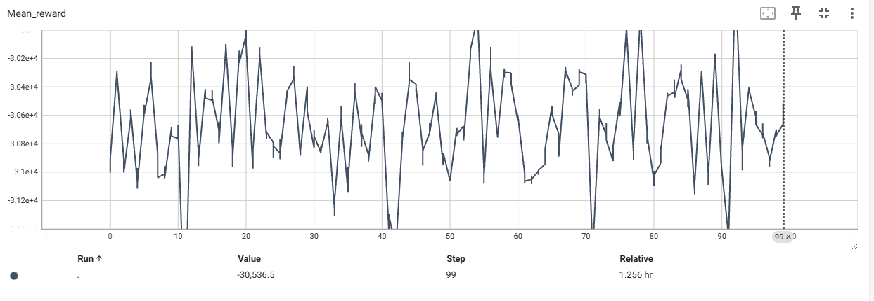
 | Alpha | Beta | LR_Gamma | kl-penalty | GAMMA | Num_Outer_iter | meta_parameter_update | inner_epoch | num_tasks
test 196 | 3.00E-03 | 0.01 | 0.9 | 0.0005 | 0.99 | 100 | 5 | 5 | 10

Sheet3
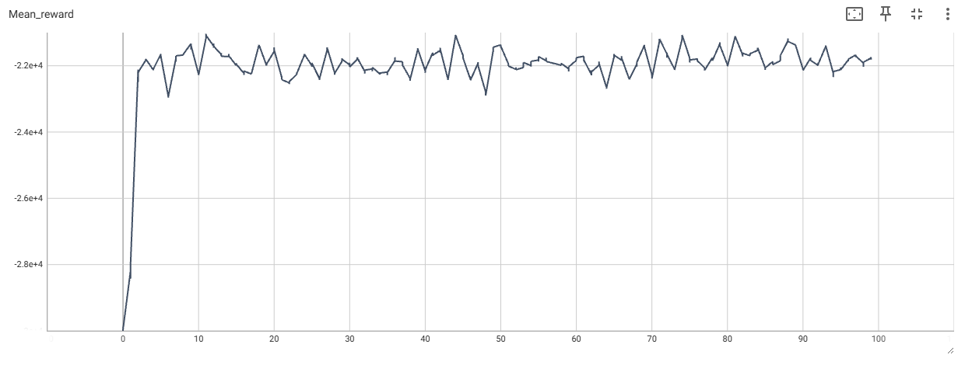
 | Alpha | Beta | LR_Gamma | kl-penalty | GAMMA | Num_Outer_iter | meta_parameter_update | inner_loop | num_tasks
test 196 | 3.00E-03 | 0.01 | 0.9 | 0.0005 | 0.99 | 100 | 5 | 5 | 10

