Landing_Add_Module
[Test Case on Web R1] 開発 |  | 大項目分類 | Landing_Add_Module | 中項目分類 |  | 担当者 |  | 項 | 1/1

試験番号 |  | 試験名称 |  |  |  | 異常項目数 | 14 | 試験項目数 |  | 4

項 | テスト条件 |  |  |  | 確認内容 |  |  |  |  |  | TestRound
 |  |  |  |  |  |  |  |  |  |  | Code Revision
 |  |  |  |  |  |  |  |  |  |  | 処理結果／状態 | 確認結果
1 | 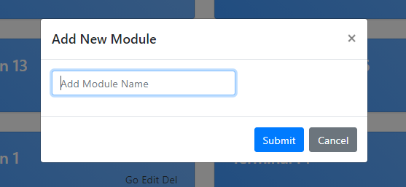 条件：A1 Test Steps 1. Click add new module. 2. Input empty module "" 3. Submit button |  |  |  | 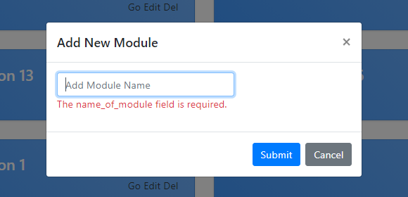 確認： 1. After test step no.3 , Check input value is empty then display alert box "the name of module field is required". |  |  |  |  |  |  | 確 認 日 | 2020-12-17 | 結 果 | OK | 承 認 | Korkit C.

2 | 条件：A2,B1,C1 Test Steps 1. Click add new module. 2. Input module name "t5" 3. Submit button |  |  |  | 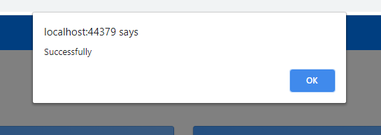 確認： 1. After test step no.3 , Check input value is valid then save to database and display alert box "Successfully". |  |  |  |  |  |  | 確 認 日 | 2020-12-17 | 結 果 | OK | 承 認 | Korkit C.

3 | 条件：A2,B1,C2 Test Steps 1. Click add new module. 2. Input module name "t" |  |  |  | 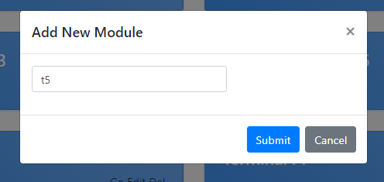 確認： 1. After test step no.2 , click cancel button. |  |  |  |  |  |  | 確 認 日 | 2020-12-17 | 結 果 | OK | 承 認 | Korkit C.

4 | 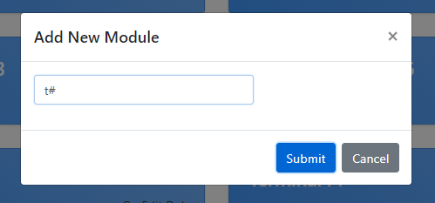 条件：A2,B2,C1 Test Steps 1. Click add new module. 2. Input module name "t#" 3. Submit button |  |  |  | 確認： 1. After test step no.3 , Check input value is invalid then display alert box "Special char is invalid". |  |  |  |  |  |  | 確 認 日 | 2020-12-17 | 結 果 | OK | 承 認 | Korkit C.

5 | 条件：A2,B2,C2 Test Steps 1. Click add new module name. 2. Input module name "t#" |  |  |  | 確認： 1. After test step no.3 , Click cancel button. |  |  |  |  |  |  | 確 認 日 | 2020-12-17 | 結 果 | OK | 承 認 | Korkit C.

6 | 条件：A3,B1,C1 Test Steps 1. Click add new module. 2. Input module name "tttttttttt5" 3. Submit button |  |  |  | 確認： 1. After test step no.3 , Check input value is valid then display alert box "Successfully". |  |  |  |  |  |  | 確 認 日 | 2020-12-17 | 結 果 | OK | 承 認 | Korkit C.

7 | 条件：A3,B1,C2 Test Steps 1. Click add new module. 2. Input module name "tttttttttt5" |  |  |  | 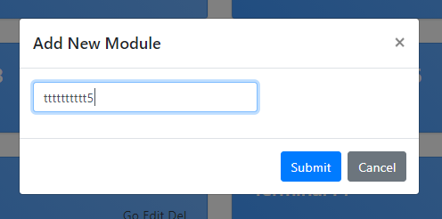 確認： 1. After test step no.2 , Click cancel button. |  |  |  |  |  |  | 確 認 日 | 2020-12-17 | 結 果 | OK | 承 認 | Korkit C.

8 | 条件：A3,B2,C1 Test Steps 1. Click add new module name. 2. Input module name "tttttttttt#" 3. Submit button |  |  |  | 確認： 1. After test step no.3 , Check input value is invalid then display alert box "Special char is invalid". |  |  |  |  |  |  | 確 認 日 | 2020-12-17 | 結 果 | OK | 承 認 | Korkit C.

9 | 条件：A3,B2,C2 Test Steps 1. Click add new module name. 2. Input module name "tttttttttt#" |  |  |  | 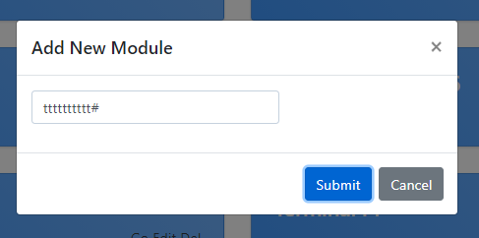 確認： 1. After test step no.2 , Click cancel button. |  |  |  |  |  |  | 確 認 日 | 2020-12-17 | 結 果 | OK | 承 認 | Korkit C.

10 | 条件：A4,B1,C1 Test Steps 1. Click add new module name. 2. Input module name "Fw0zvq8 RhSEoQMmORiKorGJojLD J4pTouve8UH1y5J9KPqqk1n" 3. Submit button |  |  |  | 確認： 1. After test step no.3 , Check input value is valid then display alert box "Successfully". |  |  |  |  |  |  | 確 認 日 | 2020-12-17 | 結 果 | OK | 承 認 | Korkit C.

11 | 条件：A4,B1,C2 Test Steps 1. Click add new module name. 2. Input module name "Fw0zvq8 RhSEoQMmORiKorGJojLD J4pTouve8UH1y5J9KPqqk1n" |  |  |  | 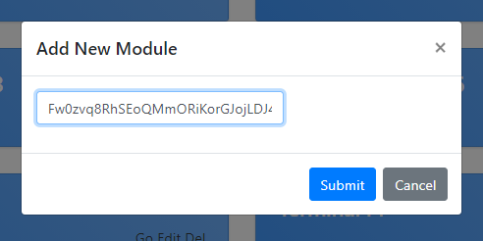 確認： 1. After test step no.2 , Click cancel button. |  |  |  |  |  |  | 確 認 日 | 2020-12-17 | 結 果 | OK | 承 認 | Korkit C.

12 | 条件：A4,B2,C1 Test Steps 1. Click add new module name. 2. Input module name "Fw0zvq8 RhSEoQMmORiKorGJojLD J4pTouve8UH1y5J9KPqqk1n#" 3. Submit button |  |  |  | 確認： 1. After test step no.3 , Check input value is invalid then display alert box "Special char is invalid". |  |  |  |  |  |  | 確 認 日 | 2020-12-17 | 結 果 | OK | 承 認 | Korkit C.

13 | 条件：A4,B2,C2 Test Steps 1. Click add new module name. 2. Input module name "Fw0zvq8 RhSEoQMmORiKorGJojLD J4pTouve8UH1y5J9KPqqk1n#" |  |  |  | 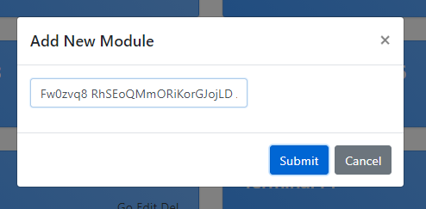 確認： 1. After test step no.2 , Click cancel button. |  |  |  |  |  |  | 確 認 日 | 2020-12-17 | 結 果 | OK | 承 認 | Korkit C.

14 | 条件：A5,B1,C1 Test Steps 1. Click add new module name. 2. Input module name "6Xaqbo hmqOceKLMbCDV krudzgiIbEAPV6nHwXURPSuvw QxHWMTA5Xr2blAe3v1vWu qfKIJVlLd4Jiz5a8WVnCS4iD yN7HOl3Csf8" 3.Submit button |  |  |  | 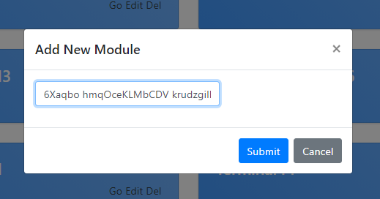 確認： 1.Cannot add more than 50 values on html pages. |  |  |  |  |  |  | 確 認 日 | 2020-12-17 | 結 果 | OK | 承 認 | Korkit C.

15 | 条件：A5,B1,C2 Test Steps 1. Click add new module name. 2. Input module name "6Xaqbo hmqOceKLMbCDV krudzgiIbEAPV6nHwXURPSuvw QxHWMTA5Xr2blAe3v1vWu qfKIJVlLd4Jiz5a8WVnCS4iD yN7HOl3Csf85" |  |  |  | 確認： 1.Cannot add more than 50 values on html pages. 2.click cancel button |  |  |  |  |  |  | 確 認 日 | 2020-12-17 | 結 果 | OK | 承 認 | Korkit C.

16 | 条件：A5,B2,C1 Test Steps 1. Click add new module name. 2. Input module name "6Xaqbo hmqOceKLMbCDV krudzgiIbEAPV6nHwXURPSuvw QxHWMTA5Xr2blAe3v1vWu qfKIJVlLd4Jiz5a8WVnCS4iD yN7HOl3Csf8#" 3. Submit button |  |  |  | 確認： 1.Cannot add more than 50 values on html pages. |  |  |  |  |  |  | 確 認 日 | 2020-12-17 | 結 果 | OK | 承 認 | Korkit C.

17 | 条件：A5,B2,C2 Test Steps 1. Click add new module name. 2. Input module name "6Xaqbo hmqOceKLMbCDV krudzgiIbEAPV6nHwXURPSuvw QxHWMTA5Xr2blAe3v1vWu qfKIJVlLd4Jiz5a8WVnCS4iD yN7HOl3Csf8#" |  |  |  | 確認： 1.Cannot add more than 50 values on html pages. 2.click cancel button |  |  |  |  |  |  | 確 認 日 | 2020-12-17 | 結 果 | OK | 承 認 | Korkit C.

18 |  条件：A3,B2,C1 Test Steps 1. Click add new module name. 2. Input module name "tttttttttt12" 3. Submit button |  |  |  | 確認： 1. After test step no.3 , Check input value is valid then display alert box "Successfully". |  |  |  |  |  |  | 確 認 日 | 2020-12-17 | 結 果 | OK | 承 認 | Korkit C.

19 | 条件：A3,B2,C1 Test Steps 1. Click add new module name. 2. Input module name "tttttttttt12" 3. Submit button |  |  |  | 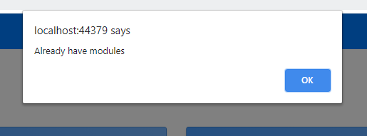 確認： 1. After test step no.3 , Check input value is duplicate then display alert box "Already have module". |  |  |  |  |  |  | 確 認 日 | 2020-12-17 | 結 果 | OK | 承 認 | Korkit C.

 |  |  |  |  |  |  |  |  |  |  |  | 確 認 日 |  | 結 果 |  | 承 認

 |  |  |  |  |  |  |  |  |  |  |  | 確 認 日 |  | 結 果 |  | 承 認

特 記 事 項

RTM_Add_RTM
[Test Case on Web R1]] 開発 |  | 大項目分類 | RTM_Add_RTM | 中項目分類 |  | 担当者 |  | 項 | 1/3

試験番号 |  | 試験名称 |  |  |  | 異常項目数 | 6 | 試験項目数 |  | 1

項 | テスト条件 |  |  |  | 確認内容 |  |  |  |  |  | TestRound |  |  |  |  |  |  | TestRound |  |  |  | TestRound
 |  |  |  |  |  |  |  |  |  |  | Code Revision |  |  |  |  |  |  | Code Revision |  |  |  | Code Revision
 |  |  |  |  |  |  |  |  |  |  | 処理結果／状態 | 確認結果 |  |  |  |  |  | 処理結果／状態 | 確認結果 |  |  | 処理結果／状態 | 確認結果
1 | 条件：A1,B1,C1,D1,E1,F1,G1 Test Steps 1. After click go in landing 2. all Input other is empty "" 3. date = 12/16/2020 4. Click Add button |  |  |  | 確認： 1. After test step no.4 , Check input value is empty then display alert box validation is required |  |  |  |  |  |  | 確 認 日 | 2020-12-18 | 結 果 | OK | 承 認 | Korkit C. |  | 確 認 日 | 結 果 | 承 認 |  | 確 認 日 | 結 果 | 承 認

2 | 条件：A1,B1,C2,D2,E2,F2,G2 Test Steps 1. After click go in landing 2. all Input other is empty "" 3.design spec = 1 4.program module = "t" 5.test refer = 1 7.status range = "t" 8. date = 12/16/2020 9. Click Add button |  |  |  | 確認： 1. After test step no.9 , Check input value is empty then display alert box validation is required |  |  |  |  |  |  | 確 認 日 | 2020-12-18 | 結 果 | OK | 承 認 | Korkit C. |  | 確 認 日 | 結 果 | 承 認 |  | 確 認 日 | 結 果 | 承 認

3 | 条件：A1,B1,C3,D3,E3,F3,G3 Test Steps 1. After click go in landing 2. all Input other is empty "" 3.design spec = 2 4.program module = "tttttttttt" 5.test refer = 2 7.status range = "tttttttttt" 8. date = 20/10/2020 9. Click Add button Cannot selete calendar invalid format. |  |  |  | 確認： 1. After test step no.9 , Check input value is empty then display alert box validation is required |  |  |  |  |  |  | 確 認 日 | 2020-12-18 | 結 果 | OK | 承 認 | Korkit C. |  | 確 認 日 | 結 果 | 承 認 |  | 確 認 日 | 結 果 | 承 認

4 | 条件：A1,B1,C4,D4,E4,F4,G4 Test Steps 1. After click go in landing 2. all Input other is empty "" 3.design spec = 1000 4.program module = "Fw0zvq8RhSEoQMmORiKorGJojLDJ4pTouve8UH1y5J9KPqqk1n" 5.test refer = 1000 7.status range = "Fw0zvq8RhSEoQMmORiKorGJojLDJ4pTouve8UH1y5J9KPqqk1n" 8. date = 20/10/2020 9. Click Add button Cannot selete calendar invalid format. |  |  |  | 確認： 1. After test step no.9 , Check input value is empty then display alert box validation is required |  |  |  |  |  |  | 確 認 日 | 2020-12-18 | 結 果 | OK | 承 認 | Korkit C. |  | 確 認 日 | 結 果 | 承 認 |  | 確 認 日 | 結 果 | 承 認

5 | 条件：A1,B1,C5,D5,E5,F5,G5 Test Steps 1. After click go in landing 2. all Input other is empty "" 3.design spec = 12345 4.program module = "6XaqbohmqOceKLMbCDVkrudzgiIbEAPV6nHwXURPSuvwQxHWMTA5Xr2blAe3v1vWuqfKIJVlLd4Jiz5a8WVnCS4iDyN7HOl3Csf8" 5.test refer = 12345 7.status range = "6XaqbohmqOceKLMbCDVkrudzgiIbEAPV6nHwXURPSuvwQxHWMTA5Xr2blAe3v1vWuqfKIJVlLd4Jiz5a8WVnCS4iDyN7HOl3Csf8" 8. date = 20/10/2020 9. Click Add button Cannot selete calendar invalid format. Cannot add design spec,test refer more then 1000 Cannot add program module,status more then 50 |  |  |  | 確認： 1. After test step no.9 , Check input value is empty then display alert box validation is required |  |  |  |  |  |  | 確 認 日 | 2020-12-18 | 結 果 | OK | 承 認 | Korkit C. |  | 確 認 日 | 結 果 | 承 認 |  | 確 認 日 | 結 果 | 承 認

6 | 条件：A2,B2,C1,D1,E1,F1,G1 Test Steps 1. After click go in landing 2.all Input other is empty "" 3. test description = "t" 4. comment = "t" 5. program module =1 6. test refer =1 7.status range = "t" 8. Click Add button |  |  |  | 確認： 1. After test step no.8 , Check input value is empty then display alert box validation is required |  |  |  |  |  |  | 確 認 日 | 2020-12-18 | 結 果 | OK | 承 認 | Korkit C. |  | 確 認 日 | 結 果 | 承 認 |  | 確 認 日 | 結 果 | 承 認

7 | 条件：A2,B2,C2,D2,E2,F2,G2 Test Steps 1.After click go in landing 2.all Input other is empty "" 3.test description = "t" 4. comment = "t" 5.design spec = 1 6.program module = "t" 7.test refer = 1 8.status range = "t" 9. date = 12/16/2020 10. Click Add button |  |  |  | 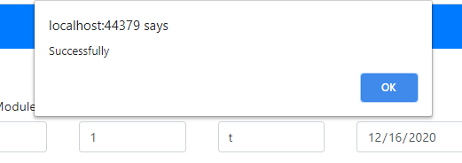 確認：1. After test step no.10, Check input data is valid then display alert box "Successfully". |  |  |  |  |  |  | 確 認 日 | 2020-12-18 | 結 果 | OK | 承 認 | Korkit C. |  | 確 認 日 | 結 果 | 承 認 |  | 確 認 日 | 結 果 | 承 認

8 | 条件：A2,B2,C3,D3,E3,F3,G3 Test Steps 1. After click go in landing 2. all Input other empty "" 3.design spec = 2 4.test description = "t" 5. comment = "t" 6.program module = "tttttttttt" 7.test refer = 2 8.status range = "tttttttttt" 9. date = 20/10/2020 10. Click Add button |  |  |  | 確認： |  |  |  |  |  |  | 確 認 日 |  | 結 果 |  | 承 認 |  |  | 確 認 日 | 結 果 | 承 認 |  | 確 認 日 | 結 果 | 承 認

9 | 条件：A2,B2,C4,D4,E4,F4,G4 Test Steps 1. After click go in landing 2. all Input other is empty "" 3.design spec = 1000 4.test description = "t" 5. comment = "t" 6.program module = "Fw0zvq8RhSEoQMmORiKorGJojLDJ4pTouve8UH1y5J9KPqqk1n" 7.test refer = 1000 8.status range = "Fw0zvq8RhSEoQMmORiKorGJojLDJ4pTouve8UH1y5J9KPqqk1n" 9. Click Add button |  |  |  | 確認： |  |  |  |  |  |  | 確 認 日 |  | 結 果 |  | 承 認 |  |  | 確 認 日 | 結 果 | 承 認 |  | 確 認 日 | 結 果 | 承 認

10 | 条件：A2,B2,C5,D5,E5,F5,G5 Test Steps 1. After click go in landing 2. all Input other is empty "" 3.design spec = 12345 4.test description = "t" 5. comment = "t" 6.program module = "6XaqbohmqOceKLMbCDVkrudzgiIbEAPV6nHwXURPSuvwQxHWMTA5Xr2blAe3v1vWuqfKIJVlLd4Jiz5a8WVnCS4iDyN7HOl3Csf8" 7.test refer = 12345 8.status range = "6XaqbohmqOceKLMbCDVkrudzgiIbEAPV6nHwXURPSuvwQxHWMTA5Xr2blAe3v1vWuqfKIJVlLd4Jiz5a8WVnCS4iDyN7HOl3Csf8" 9. date = 12/16/2020 10. Click Add button |  |  |  | 確認： |  |  |  |  |  |  | 確 認 日 |  | 結 果 |  | 承 認 |  |  | 確 認 日 | 結 果 | 承 認 |  | 確 認 日 | 結 果 | 承 認

11 | 条件：A3,B3,C1,D1,E1,F1,G1 Test Steps 1. After click go in landing 2.all Input other is empty "" 3. test description = "tttttttttt" 4. comment = "tttttttttt" 5. program module =1 6. test refer =1 7.status range = "t" 8. Click Add button |  |  |  | 確認： |  |  |  |  |  |  | 確 認 日 |  | 結 果 |  | 承 認 |  |  | 確 認 日 | 結 果 | 承 認 |  | 確 認 日 | 結 果 | 承 認

12 | 条件：A3,B3,C2,D2,E2,F2,G2 Test Steps 1.After click go in landing 2.all Input other is empty "" 3.test description = "tttttttttt" 4. comment = "tttttttttt" 5.design spec = 1 6.program module = "t" 7.test refer = 1 8.status range = "t" 9. date = 12/16/2020 10. Click Add button |  |  |  | 確認： |  |  |  |  |  |  | 確 認 日 |  | 結 果 |  | 承 認 |  |  | 確 認 日 | 結 果 | 承 認 |  | 確 認 日 | 結 果 | 承 認

13 | 条件：A3,B3,C3,D3,E3,F3,G3 Test Steps 1. After click go in landing 2. all Input other empty "" 3.design spec = 2 4.test description = "tttttttttt" 5. comment = "tttttttttt" 6.program module = "tttttttttt" 7.test refer = 2 8.status range = "tttttttttt" 9. date = 20/10/2020 10. Click Add button |  |  |  | 確認： |  |  |  |  |  |  | 確 認 日 |  | 結 果 |  | 承 認 |  |  | 確 認 日 | 結 果 | 承 認 |  | 確 認 日 | 結 果 | 承 認

14 | 条件：A3,B3,C4,D4,E4,F4,G4 Test Steps 1. After click go in landing 2. all Input other is empty "" 3.design spec = 1000 4.test description = "tttttttttt" 5. comment = "tttttttttt" 6.program module = "Fw0zvq8RhSEoQMmORiKorGJojLDJ4pTouve8UH1y5J9KPqqk1n" 7.test refer = 1000 8.status range = "Fw0zvq8RhSEoQMmORiKorGJojLDJ4pTouve8UH1y5J9KPqqk1n" 9. Click Add button |  |  |  | 確認： |  |  |  |  |  |  | 確 認 日 |  | 結 果 |  | 承 認 |  |  | 確 認 日 | 結 果 | 承 認 |  | 確 認 日 | 結 果 | 承 認

15 | 条件：A3,B3,C5,D5,E5,F5,G5 Test Steps 1. After click go in landing 2. all Input other is empty "" 3.design spec = 12345 4.test description = "tttttttttt" 5. comment = "tttttttttt" 6.program module = "6XaqbohmqOceKLMbCDVkrudzgiIbEAPV6nHwXURPSuvwQxHWMTA5Xr2blAe3v1vWuqfKIJVlLd4Jiz5a8WVnCS4iDyN7HOl3Csf8" 7.test refer = 12345 8.status range = "6XaqbohmqOceKLMbCDVkrudzgiIbEAPV6nHwXURPSuvwQxHWMTA5Xr2blAe3v1vWuqfKIJVlLd4Jiz5a8WVnCS4iDyN7HOl3Csf8" 9. date = 12/16/2020 10. Click Add button |  |  |  | 確認： |  |  |  |  |  |  | 確 認 日 |  | 結 果 |  | 承 認 |  |  | 確 認 日 | 結 果 | 承 認 |  | 確 認 日 | 結 果 | 承 認

16 | 条件：A4,B4,C1,D1,E1,F1,G1 Test Steps |  |  |  | 確認： |  |  |  |  |  |  | 確 認 日 |  | 結 果 |  | 承 認 |  |  | 確 認 日 | 結 果 | 承 認 |  | 確 認 日 | 結 果 | 承 認

17 | 条件：A4,B4,C2,D2,E2,F2,G2 Test Steps |  |  |  | 確認： |  |  |  |  |  |  | 確 認 日 |  | 結 果 |  | 承 認 |  |  | 確 認 日 | 結 果 | 承 認 |  | 確 認 日 | 結 果 | 承 認

18 | 条件：A4,B4,C3,D3,E3,F3,G3 Test Steps |  |  |  | 確認： |  |  |  |  |  |  | 確 認 日 |  | 結 果 |  | 承 認 |  |  | 確 認 日 | 結 果 | 承 認 |  | 確 認 日 | 結 果 | 承 認

19 | 条件：A4,B4,C4,D4,E4,F4,G4 Test Steps |  |  |  | 確認： |  |  |  |  |  |  | 確 認 日 |  | 結 果 |  | 承 認 |  |  | 確 認 日 | 結 果 | 承 認 |  | 確 認 日 | 結 果 | 承 認

20 | 条件：A4,B4,C5,D5,E5,F5,G5 Test Steps |  |  |  | 確認： |  |  |  |  |  |  | 確 認 日 |  | 結 果 |  | 承 認 |  |  | 確 認 日 | 結 果 | 承 認 |  | 確 認 日 | 結 果 | 承 認

21 | 条件：A5,B5,C1,D1,E1,F1,G1 Test Steps |  |  |  | 確認： |  |  |  |  |  |  | 確 認 日 |  | 結 果 |  | 承 認 |  |  | 確 認 日 | 結 果 | 承 認 |  | 確 認 日 | 結 果 | 承 認

22 | 条件：A5,B5,C2,D2,E2,F2,G2 Test Steps |  |  |  | 確認： |  |  |  |  |  |  | 確 認 日 |  | 結 果 |  | 承 認 |  |  | 確 認 日 | 結 果 | 承 認 |  | 確 認 日 | 結 果 | 承 認

23 | 条件：A5,B5,C3,D3,E3,F3,G3 Test Steps |  |  |  | 確認： |  |  |  |  |  |  | 確 認 日 |  | 結 果 |  | 承 認 |  |  | 確 認 日 | 結 果 | 承 認 |  | 確 認 日 | 結 果 | 承 認

24 | 条件：A5,B5,C4,D4,E4,F4,G4 Test Steps |  |  |  | 確認： |  |  |  |  |  |  | 確 認 日 |  | 結 果 |  | 承 認 |  |  | 確 認 日 | 結 果 | 承 認 |  | 確 認 日 | 結 果 | 承 認

25 | 条件：A5,B5,C5,D5,E5,F5,G5 Test Steps |  |  |  | 確認： |  |  |  |  |  |  | 確 認 日 |  | 結 果 |  | 承 認 |  |  | 確 認 日 | 結 果 | 承 認 |  | 確 認 日 | 結 果 | 承 認

特 記 事 項

Test Case on Web R1 開発 |  | 大項目分類 | #REF! | 中項目分類 |  | 担当者 |  | 項 | 2/3

試験番号 |  | 試験名称 |  |  |  | 異常項目数 |  | 試験項目数

項 | テスト条件 |  |  |  | 確認内容 |  |  |  |  |  | TestRound |  |  |  |  |  |  | TestRound |  |  |  | TestRound
 |  |  |  |  |  |  |  |  |  |  | Code Revision |  |  |  |  |  |  | Code Revision |  |  |  | Code Revision
 |  |  |  |  |  |  |  |  |  |  | 処理結果／状態 | 確認結果 |  |  |  |  |  | 処理結果／状態 | 確認結果 |  |  | 処理結果／状態 | 確認結果
1 | 条件： |  |  |  | 確認： |  |  |  |  |  |  | 確 認 日 |  | 結 果 |  | 承 認 |  |  | 確 認 日 | 結 果 | 承 認 |  | 確 認 日 | 結 果 | 承 認

2 | 条件： |  |  |  | 確認： |  |  |  |  |  |  | 確 認 日 |  | 結 果 |  | 承 認 |  |  | 確 認 日 | 結 果 | 承 認 |  | 確 認 日 | 結 果 | 承 認

3 | 条件： |  |  |  | 確認： |  |  |  |  |  |  | 確 認 日 |  | 結 果 |  | 承 認 |  |  | 確 認 日 | 結 果 | 承 認 |  | 確 認 日 | 結 果 | 承 認

4 | 条件： |  |  |  | 確認： |  |  |  |  |  |  | 確 認 日 |  | 結 果 |  | 承 認 |  |  | 確 認 日 | 結 果 | 承 認 |  | 確 認 日 | 結 果 | 承 認

5 | 条件： |  |  |  | 確認： |  |  |  |  |  |  | 確 認 日 |  | 結 果 |  | 承 認 |  |  | 確 認 日 | 結 果 | 承 認 |  | 確 認 日 | 結 果 | 承 認

6 | 条件： |  |  |  | 確認： |  |  |  |  |  |  | 確 認 日 |  | 結 果 |  | 承 認 |  |  | 確 認 日 | 結 果 | 承 認 |  | 確 認 日 | 結 果 | 承 認

特 記 事 項

Test Case on Web R1 開発 |  | 大項目分類 | #REF! | 中項目分類 |  | 担当者 |  | 項 | 3/3

試験番号 |  | 試験名称 |  |  |  | 異常項目数 |  | 試験項目数

項 | テスト条件 |  |  |  | 確認内容 |  |  |  |  |  | TestRound |  |  |  |  |  |  | TestRound |  |  |  | TestRound
 |  |  |  |  |  |  |  |  |  |  | Code Revision |  |  |  |  |  |  | Code Revision |  |  |  | Code Revision
 |  |  |  |  |  |  |  |  |  |  | 処理結果／状態 | 確認結果 |  |  |  |  |  | 処理結果／状態 | 確認結果 |  |  | 処理結果／状態 | 確認結果
10 | 条件： |  |  |  | 確認： |  |  |  |  |  |  | 確 認 日 |  | 結 果 |  | 承 認 |  |  | 確 認 日 | 結 果 | 承 認 |  | 確 認 日 | 結 果 | 承 認

11 | 条件： |  |  |  | 確認： |  |  |  |  |  |  | 確 認 日 |  | 結 果 |  | 承 認 |  |  | 確 認 日 | 結 果 | 承 認 |  | 確 認 日 | 結 果 | 承 認

12 | 条件： |  |  |  | 確認： |  |  |  |  |  |  | 確 認 日 |  | 結 果 |  | 承 認 |  |  | 確 認 日 | 結 果 | 承 認 |  | 確 認 日 | 結 果 | 承 認

13 | 条件： |  |  |  | 確認： |  |  |  |  |  |  | 確 認 日 |  | 結 果 |  | 承 認 |  |  | 確 認 日 | 結 果 | 承 認 |  | 確 認 日 | 結 果 | 承 認

14 | 条件： |  |  |  | 確認： |  |  |  |  |  |  | 確 認 日 |  | 結 果 |  | 承 認 |  |  | 確 認 日 | 結 果 | 承 認 |  | 確 認 日 | 結 果 | 承 認

15 | 条件： |  |  |  | 確認： |  |  |  |  |  |  | 確 認 日 |  | 結 果 |  | 承 認 |  |  | 確 認 日 | 結 果 | 承 認 |  | 確 認 日 | 結 果 | 承 認

特 記 事 項

Landing_Delete_Module
[Test Case on Web R1] 開発 |  | 大項目分類 | Landing_Delete_Module | 中項目分類 |  | 担当者 |  | 項 | 1/3

試験番号 |  | 試験名称 |  |  |  | 異常項目数 | 1 | 試験項目数 |  | 1

項 | テスト条件 |  |  |  | 確認内容 |  |  |  |  |  | TestRound |  |  |  |  |  |  | TestRound |  |  |  | TestRound
 |  |  |  |  |  |  |  |  |  |  | Code Revision |  |  |  |  |  |  | Code Revision |  |  |  | Code Revision
 |  |  |  |  |  |  |  |  |  |  | 処理結果／状態 | 確認結果 |  |  |  |  |  | 処理結果／状態 | 確認結果 |  |  | 処理結果／状態 | 確認結果
1 | 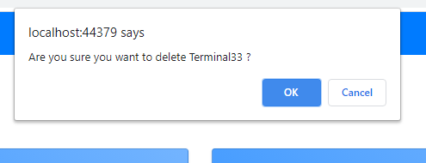 条件：A1 Test Steps 1. Click Del module name. 2. Display alert box confirm delete ? 3. ok button |  |  |  | 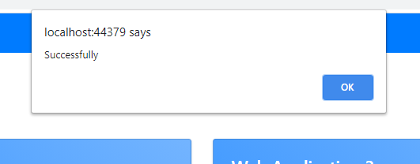 確認：1. After test step no.3 , Check delete event is valid then display alert box "Successfully". |  |  |  |  |  |  | 確 認 日 | 2020-12-17 | 結 果 | OK | 承 認 | Korkit C. |  | 確 認 日 | 結 果 | 承 認 |  | 確 認 日 | 結 果 | 承 認

2 | 条件：A2 Test Steps 1. Click Del module name. 2. Display alert box confirm delete ? 3. Cancel button |  |  |  | 確認：1. After test step no.3 , Disable delete alert box |  |  |  |  |  |  | 確 認 日 | 2020-12-17 | 結 果 | OK | 承 認 | Korkit C. |  | 確 認 日 | 結 果 | 承 認 |  | 確 認 日 | 結 果 | 承 認

3 | 条件： |  |  |  | 確認： |  |  |  |  |  |  | 確 認 日 |  | 結 果 |  | 承 認 |  |  | 確 認 日 | 結 果 | 承 認 |  | 確 認 日 | 結 果 | 承 認

特 記 事 項

Test Case on Web R1 開発 |  | 大項目分類 | #REF! | 中項目分類 |  | 担当者 |  | 項 | 2/3

試験番号 |  | 試験名称 |  |  |  | 異常項目数 |  | 試験項目数

項 | テスト条件 |  |  |  | 確認内容 |  |  |  |  |  | TestRound |  |  |  |  |  |  | TestRound |  |  |  | TestRound
 |  |  |  |  |  |  |  |  |  |  | Code Revision |  |  |  |  |  |  | Code Revision |  |  |  | Code Revision
 |  |  |  |  |  |  |  |  |  |  | 処理結果／状態 | 確認結果 |  |  |  |  |  | 処理結果／状態 | 確認結果 |  |  | 処理結果／状態 | 確認結果
1 | 条件： |  |  |  | 確認： |  |  |  |  |  |  | 確 認 日 |  | 結 果 |  | 承 認 |  |  | 確 認 日 | 結 果 | 承 認 |  | 確 認 日 | 結 果 | 承 認

2 | 条件： |  |  |  | 確認： |  |  |  |  |  |  | 確 認 日 |  | 結 果 |  | 承 認 |  |  | 確 認 日 | 結 果 | 承 認 |  | 確 認 日 | 結 果 | 承 認

3 | 条件： |  |  |  | 確認： |  |  |  |  |  |  | 確 認 日 |  | 結 果 |  | 承 認 |  |  | 確 認 日 | 結 果 | 承 認 |  | 確 認 日 | 結 果 | 承 認

4 | 条件： |  |  |  | 確認： |  |  |  |  |  |  | 確 認 日 |  | 結 果 |  | 承 認 |  |  | 確 認 日 | 結 果 | 承 認 |  | 確 認 日 | 結 果 | 承 認

5 | 条件： |  |  |  | 確認： |  |  |  |  |  |  | 確 認 日 |  | 結 果 |  | 承 認 |  |  | 確 認 日 | 結 果 | 承 認 |  | 確 認 日 | 結 果 | 承 認

6 | 条件： |  |  |  | 確認： |  |  |  |  |  |  | 確 認 日 |  | 結 果 |  | 承 認 |  |  | 確 認 日 | 結 果 | 承 認 |  | 確 認 日 | 結 果 | 承 認

特 記 事 項

Test Case on Web R1 開発 |  | 大項目分類 | #REF! | 中項目分類 |  | 担当者 |  | 項 | 3/3

試験番号 |  | 試験名称 |  |  |  | 異常項目数 |  | 試験項目数

項 | テスト条件 |  |  |  | 確認内容 |  |  |  |  |  | TestRound |  |  |  |  |  |  | TestRound |  |  |  | TestRound
 |  |  |  |  |  |  |  |  |  |  | Code Revision |  |  |  |  |  |  | Code Revision |  |  |  | Code Revision
 |  |  |  |  |  |  |  |  |  |  | 処理結果／状態 | 確認結果 |  |  |  |  |  | 処理結果／状態 | 確認結果 |  |  | 処理結果／状態 | 確認結果
1 | 条件： |  |  |  | 確認： |  |  |  |  |  |  | 確 認 日 |  | 結 果 |  | 承 認 |  |  | 確 認 日 | 結 果 | 承 認 |  | 確 認 日 | 結 果 | 承 認

2 | 条件： |  |  |  | 確認： |  |  |  |  |  |  | 確 認 日 |  | 結 果 |  | 承 認 |  |  | 確 認 日 | 結 果 | 承 認 |  | 確 認 日 | 結 果 | 承 認

3 | 条件： |  |  |  | 確認： |  |  |  |  |  |  | 確 認 日 |  | 結 果 |  | 承 認 |  |  | 確 認 日 | 結 果 | 承 認 |  | 確 認 日 | 結 果 | 承 認

4 | 条件： |  |  |  | 確認： |  |  |  |  |  |  | 確 認 日 |  | 結 果 |  | 承 認 |  |  | 確 認 日 | 結 果 | 承 認 |  | 確 認 日 | 結 果 | 承 認

5 | 条件： |  |  |  | 確認： |  |  |  |  |  |  | 確 認 日 |  | 結 果 |  | 承 認 |  |  | 確 認 日 | 結 果 | 承 認 |  | 確 認 日 | 結 果 | 承 認

6 | 条件： |  |  |  | 確認： |  |  |  |  |  |  | 確 認 日 |  | 結 果 |  | 承 認 |  |  | 確 認 日 | 結 果 | 承 認 |  | 確 認 日 | 結 果 | 承 認

特 記 事 項

RTM_Delete_RTM
[Test Case on Web R1] 開発 |  | 大項目分類 | RTM_Delete_RTM | 中項目分類 |  | 担当者 |  | 項 | 1/3

試験番号 |  | 試験名称 |  |  |  | 異常項目数 | 1 | 試験項目数 |  | 1

項 | テスト条件 |  |  |  | 確認内容 |  |  |  |  |  | TestRound |  |  |  |  |  |  | TestRound |  |  |  | TestRound
 |  |  |  |  |  |  |  |  |  |  | Code Revision |  |  |  |  |  |  | Code Revision |  |  |  | Code Revision
 |  |  |  |  |  |  |  |  |  |  | 処理結果／状態 | 確認結果 |  |  |  |  |  | 処理結果／状態 | 確認結果 |  |  | 処理結果／状態 | 確認結果
1 | 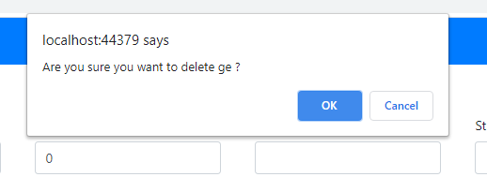 条件：A1 Test Steps 1. Click delete RTM. 2. Display alert box confirm delete ? 3. ok button |  |  |  | 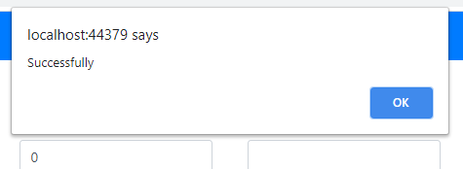 確認：1. After test step no.3 , Check delete event is valid then display alert box "Successfully". |  |  |  |  |  |  | 確 認 日 | 2020-12-17 | 結 果 | OK | 承 認 | Korkit C. |  | 確 認 日 | 結 果 | 承 認 |  | 確 認 日 | 結 果 | 承 認

2 | 条件：A2 Test Steps 1. Click delete RTM. 2. Display alert box confirm delete ? 3. Cancel button |  |  |  | 確認：1. After test step no.3 , Disable delete alert box |  |  |  |  |  |  | 確 認 日 | 2020-12-17 | 結 果 | OK | 承 認 | Korkit C. |  | 確 認 日 | 結 果 | 承 認 |  | 確 認 日 | 結 果 | 承 認

3 | 条件： |  |  |  | 確認： |  |  |  |  |  |  | 確 認 日 |  | 結 果 |  | 承 認 |  |  | 確 認 日 | 結 果 | 承 認 |  | 確 認 日 | 結 果 | 承 認

特 記 事 項

Test Case on Web R1 開発 |  | 大項目分類 | #REF! | 中項目分類 |  | 担当者 |  | 項 | 2/3

試験番号 |  | 試験名称 |  |  |  | 異常項目数 |  | 試験項目数

項 | テスト条件 |  |  |  | 確認内容 |  |  |  |  |  | TestRound |  |  |  |  |  |  | TestRound |  |  |  | TestRound
 |  |  |  |  |  |  |  |  |  |  | Code Revision |  |  |  |  |  |  | Code Revision |  |  |  | Code Revision
 |  |  |  |  |  |  |  |  |  |  | 処理結果／状態 | 確認結果 |  |  |  |  |  | 処理結果／状態 | 確認結果 |  |  | 処理結果／状態 | 確認結果
1 | 条件： |  |  |  | 確認： |  |  |  |  |  |  | 確 認 日 |  | 結 果 |  | 承 認 |  |  | 確 認 日 | 結 果 | 承 認 |  | 確 認 日 | 結 果 | 承 認

2 | 条件： |  |  |  | 確認： |  |  |  |  |  |  | 確 認 日 |  | 結 果 |  | 承 認 |  |  | 確 認 日 | 結 果 | 承 認 |  | 確 認 日 | 結 果 | 承 認

3 | 条件： |  |  |  | 確認： |  |  |  |  |  |  | 確 認 日 |  | 結 果 |  | 承 認 |  |  | 確 認 日 | 結 果 | 承 認 |  | 確 認 日 | 結 果 | 承 認

4 | 条件： |  |  |  | 確認： |  |  |  |  |  |  | 確 認 日 |  | 結 果 |  | 承 認 |  |  | 確 認 日 | 結 果 | 承 認 |  | 確 認 日 | 結 果 | 承 認

5 | 条件： |  |  |  | 確認： |  |  |  |  |  |  | 確 認 日 |  | 結 果 |  | 承 認 |  |  | 確 認 日 | 結 果 | 承 認 |  | 確 認 日 | 結 果 | 承 認

6 | 条件： |  |  |  | 確認： |  |  |  |  |  |  | 確 認 日 |  | 結 果 |  | 承 認 |  |  | 確 認 日 | 結 果 | 承 認 |  | 確 認 日 | 結 果 | 承 認

特 記 事 項

Test Case on Web R1 開発 |  | 大項目分類 | #REF! | 中項目分類 |  | 担当者 |  | 項 | 3/3

試験番号 |  | 試験名称 |  |  |  | 異常項目数 |  | 試験項目数

項 | テスト条件 |  |  |  | 確認内容 |  |  |  |  |  | TestRound |  |  |  |  |  |  | TestRound |  |  |  | TestRound
 |  |  |  |  |  |  |  |  |  |  | Code Revision |  |  |  |  |  |  | Code Revision |  |  |  | Code Revision
 |  |  |  |  |  |  |  |  |  |  | 処理結果／状態 | 確認結果 |  |  |  |  |  | 処理結果／状態 | 確認結果 |  |  | 処理結果／状態 | 確認結果
1 | 条件： |  |  |  | 確認： |  |  |  |  |  |  | 確 認 日 |  | 結 果 |  | 承 認 |  |  | 確 認 日 | 結 果 | 承 認 |  | 確 認 日 | 結 果 | 承 認

2 | 条件： |  |  |  | 確認： |  |  |  |  |  |  | 確 認 日 |  | 結 果 |  | 承 認 |  |  | 確 認 日 | 結 果 | 承 認 |  | 確 認 日 | 結 果 | 承 認

3 | 条件： |  |  |  | 確認： |  |  |  |  |  |  | 確 認 日 |  | 結 果 |  | 承 認 |  |  | 確 認 日 | 結 果 | 承 認 |  | 確 認 日 | 結 果 | 承 認

4 | 条件： |  |  |  | 確認： |  |  |  |  |  |  | 確 認 日 |  | 結 果 |  | 承 認 |  |  | 確 認 日 | 結 果 | 承 認 |  | 確 認 日 | 結 果 | 承 認

5 | 条件： |  |  |  | 確認： |  |  |  |  |  |  | 確 認 日 |  | 結 果 |  | 承 認 |  |  | 確 認 日 | 結 果 | 承 認 |  | 確 認 日 | 結 果 | 承 認

6 | 条件： |  |  |  | 確認： |  |  |  |  |  |  | 確 認 日 |  | 結 果 |  | 承 認 |  |  | 確 認 日 | 結 果 | 承 認 |  | 確 認 日 | 結 果 | 承 認

特 記 事 項

TestScenario_Add_Factors
[Test Case on Web R1] 開発 |  | 大項目分類 | TestScenario_Add_Factors | 中項目分類 |  | 担当者 |  | 項 | 1/1

試験番号 |  | 試験名称 |  |  |  | 異常項目数 | 3 | 試験項目数 |  | 3

項 | テスト条件 |  |  |  | 確認内容 |  |  |  |  |  | TestRound |  |  |  |  |  |  | TestRound |  |  |  | TestRound
 |  |  |  |  |  |  |  |  |  |  | Code Revision |  |  |  |  |  |  | Code Revision |  |  |  | Code Revision
 |  |  |  |  |  |  |  |  |  |  | 処理結果／状態 | 確認結果 |  |  |  |  |  | 処理結果／状態 | 確認結果 |  |  | 処理結果／状態 | 確認結果
1 | 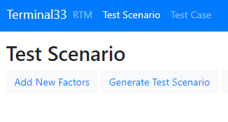 条件：A1 Test Steps 1. Click Add New Factors 2. Input Factors name 3. Add button |  |  |  | 確認：1. After test step no.3 , Check value input is empty then Display alert box "this fn_name field is required" |  |  |  |  |  |  | 確 認 日 | 2020-11-11 | 結 果 | OK | 承 認 | Korkt C. |  | 確 認 日 | 結 果 | 承 認 |  | 確 認 日 | 結 果 | 承 認

2 | 条件：A2 Test Steps 1. Click Add New Factors 2. Input Factors name "t" 3. Add button |  |  |  | 確認： 1. After test step no.3 , Check input value is valid then display alert box "Successfully". |  |  |  |  |  |  | 確 認 日 | 2020-11-11 | 結 果 | OK | 承 認 | Korkt C. |  | 確 認 日 | 結 果 | 承 認 |  | 確 認 日 | 結 果 | 承 認

3 | 条件：A3 Test Steps 1. Click Add New Factors 2. Input Factors name "tttttttttt" 3. Add button |  |  |  | 確認： 1. After test step no.3 , Check input value is valid then display alert box "Successfully". |  |  |  |  |  |  | 確 認 日 | 2020-11-12 | 結 果 | OK | 承 認 | Korkt C. |  | 確 認 日 | 結 果 | 承 認 |  | 確 認 日 | 結 果 | 承 認

4 | 条件：A4 Test Steps 1. Click Add New Factors 2. Input Factors name " Fw0zvq8 RhSEoQMmORiKo rGJojLDJ4pTouve8U H1y5J9KPqqk1n" 3. Add button |  |  |  | 確認： 1. After test step no.3 , Check input value is valid then display alert box "Successfully". |  |  |  |  |  |  | 確 認 日 | 2020-11-12 | 結 果 | OK | 承 認 | Korkt C. |  | 確 認 日 | 結 果 | 承 認 |  | 確 認 日 | 結 果 | 承 認

5 | 条件：A5 Test Steps 1. Click Add New Factors 2. Input Factors name "6Xaqbo hmqOceKLMbCDV krudzgiIbEAPV6nHwXURPSuvw QxHWMTA5Xr2blAe3v1vWu qfKIJVlLd4Jiz5a8WVnCS4iDyN7HOl3Csf8" 3. Add button |  |  |  | 確認： 1.Cannot add more than 50 values on html pages. |  |  |  |  |  |  | 確 認 日 | 2020-11-12 | 結 果 | OK | 承 認 | Korkt C. |  | 確 認 日 | 結 果 | 承 認 |  | 確 認 日 | 結 果 | 承 認

6 | 条件：A3 Test Steps 1. Click Add New Factors 2. Input Factors name " tttttttttt" 3. Add button |  |  |  | 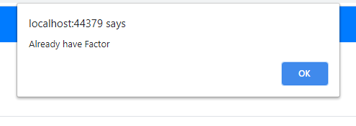 確認： 1. After test step no.3 , Check input value is duplicate then display alert box "Already have Factors". |  |  |  |  |  |  | 確 認 日 | 2020-11-12 | 結 果 | OK | 承 認 | Korkt C. |  | 確 認 日 | 結 果 | 承 認 |  | 確 認 日 | 結 果 | 承 認

TestScenario_Add_Items
[Test Case on Web R1] 開発 |  | 大項目分類 | TestScenario_Add_Factors | 中項目分類 |  | 担当者 |  | 項 | 1/1

試験番号 |  | 試験名称 |  |  |  | 異常項目数 | 3 | 試験項目数 |  | 3

項 | テスト条件 |  |  |  | 確認内容 |  |  |  |  |  | TestRound |  |  |  |  |  |  | TestRound |  |  |  | TestRound
 |  |  |  |  |  |  |  |  |  |  | Code Revision |  |  |  |  |  |  | Code Revision |  |  |  | Code Revision
 |  |  |  |  |  |  |  |  |  |  | 処理結果／状態 | 確認結果 |  |  |  |  |  | 処理結果／状態 | 確認結果 |  |  | 処理結果／状態 | 確認結果
1 | 条件：A1 Test Steps 1. Click Add New Items 2. Input Items name 3. Add button |  |  |  | 確認：1. After test step no.3 , Check value input is empty then Display alert box "this item field is required" |  |  |  |  |  |  | 確 認 日 | 2020-11-11 | 結 果 | OK | 承 認 | Korkt C. |  | 確 認 日 | 結 果 | 承 認 |  | 確 認 日 | 結 果 | 承 認

2 | 条件：A2 Test Steps 1. Click Add New Items 2. Input Items name "t" 3. Add button |  |  |  | 確認： 1. After test step no.3 , Check input value is valid then display alert box "Successfully". |  |  |  |  |  |  | 確 認 日 | 2020-11-11 | 結 果 | OK | 承 認 | Korkt C. |  | 確 認 日 | 結 果 | 承 認 |  | 確 認 日 | 結 果 | 承 認

3 | 条件：A3 Test Steps 1. Click Add New Items 2. Input Factors name "tttttttttt" 3. Add button |  |  |  | 確認： 1. After test step no.3 , Check input value is valid then display alert box "Successfully". |  |  |  |  |  |  | 確 認 日 | 2020-11-12 | 結 果 | OK | 承 認 | Korkt C. |  | 確 認 日 | 結 果 | 承 認 |  | 確 認 日 | 結 果 | 承 認

4 | 条件：A4 Test Steps 1. Click Add New Items 2. Input Items name " Fw0zvq8 RhSEoQMmORiKo rGJojLDJ4pTouve8U H1y5J9KPqqk1n" 3. Add button |  |  |  | 確認： 1. After test step no.3 , Check input value is valid then display alert box "Successfully". |  |  |  |  |  |  | 確 認 日 | 2020-11-12 | 結 果 | OK | 承 認 | Korkt C. |  | 確 認 日 | 結 果 | 承 認 |  | 確 認 日 | 結 果 | 承 認

5 | 条件：A5 Test Steps 1. Click Add New Items 2. Input Factors name "6Xaqbo hmqOceKLMbCDV krudzgiIbEAPV6nHwXURPSuvw QxHWMTA5Xr2blAe3v1vWu qfKIJVlLd4Jiz5a8WVnCS4iDyN7HOl3Csf8" 3. Add button |  |  |  | 確認： 1.Cannot add more than 50 values on html pages. |  |  |  |  |  |  | 確 認 日 | 2020-11-12 | 結 果 | OK | 承 認 | Korkt C. |  | 確 認 日 | 結 果 | 承 認 |  | 確 認 日 | 結 果 | 承 認

6 | 条件：A3 Test Steps 1. Click Add New Iems 2. Input Factors name " tttttttttt" 3. Add button |  |  |  | 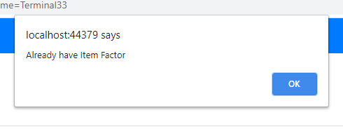 確認： 1. After test step no.3 , Check input value is duplicate then display alert box "Already have Items Factors". |  |  |  |  |  |  | 確 認 日 | 2020-11-12 | 結 果 | OK | 承 認 | Korkt C. |  | 確 認 日 | 結 果 | 承 認 |  | 確 認 日 | 結 果 | 承 認

TestScenario_Delete_Factors
[Test Case on Web R1] 開発 |  | 大項目分類 | TestScenario_Delete_Factors | 中項目分類 |  | 担当者 |  | 項 | 1/3

試験番号 |  | 試験名称 |  |  |  | 異常項目数 | 1 | 試験項目数 |  | 1

項 | テスト条件 |  |  |  | 確認内容 |  |  |  |  |  | TestRound |  |  |  | TestRound |  |  |  | TestRound
 |  |  |  |  |  |  |  |  |  |  | Code Revision |  |  |  | Code Revision |  |  |  | Code Revision
 |  |  |  |  |  |  |  |  |  |  | 処理結果／状態 | 確認結果 |  |  | 処理結果／状態 | 確認結果 |  |  | 処理結果／状態 | 確認結果
1 | 条件：A1 Test Steps 1. Click delete factors. 2. Display alert box confirm delete ? 3. ok button |  |  |  | 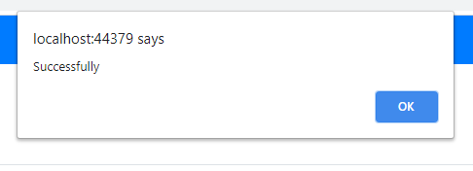 確認：1. After test step no.3 , Check delete event is valid then display alert box "Successfully". |  |  |  |  |  |  | 確 認 日 | 結 果 | 承 認 |  | 確 認 日 | 結 果 | 承 認 |  | 確 認 日 | 結 果 | 承 認

2 | 条件：A2 Test Steps 1. Click delete factors. 2. Display alert box confirm delete ? 3. Cancel button |  |  |  | 確認：1. After test step no.3 , Disable delete alert box |  |  |  |  |  |  | 確 認 日 | 結 果 | 承 認 |  | 確 認 日 | 結 果 | 承 認 |  | 確 認 日 | 結 果 | 承 認

3 | 条件： |  |  |  | 確認： |  |  |  |  |  |  | 確 認 日 | 結 果 | 承 認 |  | 確 認 日 | 結 果 | 承 認 |  | 確 認 日 | 結 果 | 承 認

特 記 事 項

Test Case on Web R1 開発 |  | 大項目分類 | #REF! | 中項目分類 |  | 担当者 |  | 項 | 2/3

試験番号 |  | 試験名称 |  |  |  | 異常項目数 |  | 試験項目数

項 | テスト条件 |  |  |  | 確認内容 |  |  |  |  |  | TestRound |  |  |  | TestRound |  |  |  | TestRound
 |  |  |  |  |  |  |  |  |  |  | Code Revision |  |  |  | Code Revision |  |  |  | Code Revision
 |  |  |  |  |  |  |  |  |  |  | 処理結果／状態 | 確認結果 |  |  | 処理結果／状態 | 確認結果 |  |  | 処理結果／状態 | 確認結果
1 | 条件： |  |  |  | 確認： |  |  |  |  |  |  | 確 認 日 | 結 果 | 承 認 |  | 確 認 日 | 結 果 | 承 認 |  | 確 認 日 | 結 果 | 承 認

2 | 条件： |  |  |  | 確認： |  |  |  |  |  |  | 確 認 日 | 結 果 | 承 認 |  | 確 認 日 | 結 果 | 承 認 |  | 確 認 日 | 結 果 | 承 認

3 | 条件： |  |  |  | 確認： |  |  |  |  |  |  | 確 認 日 | 結 果 | 承 認 |  | 確 認 日 | 結 果 | 承 認 |  | 確 認 日 | 結 果 | 承 認

4 | 条件： |  |  |  | 確認： |  |  |  |  |  |  | 確 認 日 | 結 果 | 承 認 |  | 確 認 日 | 結 果 | 承 認 |  | 確 認 日 | 結 果 | 承 認

5 | 条件： |  |  |  | 確認： |  |  |  |  |  |  | 確 認 日 | 結 果 | 承 認 |  | 確 認 日 | 結 果 | 承 認 |  | 確 認 日 | 結 果 | 承 認

6 | 条件： |  |  |  | 確認： |  |  |  |  |  |  | 確 認 日 | 結 果 | 承 認 |  | 確 認 日 | 結 果 | 承 認 |  | 確 認 日 | 結 果 | 承 認

特 記 事 項

Test Case on Web R1 開発 |  | 大項目分類 | #REF! | 中項目分類 |  | 担当者 |  | 項 | 3/3

試験番号 |  | 試験名称 |  |  |  | 異常項目数 |  | 試験項目数

項 | テスト条件 |  |  |  | 確認内容 |  |  |  |  |  | TestRound |  |  |  | TestRound |  |  |  | TestRound
 |  |  |  |  |  |  |  |  |  |  | Code Revision |  |  |  | Code Revision |  |  |  | Code Revision
 |  |  |  |  |  |  |  |  |  |  | 処理結果／状態 | 確認結果 |  |  | 処理結果／状態 | 確認結果 |  |  | 処理結果／状態 | 確認結果
1 | 条件： |  |  |  | 確認： |  |  |  |  |  |  | 確 認 日 | 結 果 | 承 認 |  | 確 認 日 | 結 果 | 承 認 |  | 確 認 日 | 結 果 | 承 認

2 | 条件： |  |  |  | 確認： |  |  |  |  |  |  | 確 認 日 | 結 果 | 承 認 |  | 確 認 日 | 結 果 | 承 認 |  | 確 認 日 | 結 果 | 承 認

3 | 条件： |  |  |  | 確認： |  |  |  |  |  |  | 確 認 日 | 結 果 | 承 認 |  | 確 認 日 | 結 果 | 承 認 |  | 確 認 日 | 結 果 | 承 認

4 | 条件： |  |  |  | 確認： |  |  |  |  |  |  | 確 認 日 | 結 果 | 承 認 |  | 確 認 日 | 結 果 | 承 認 |  | 確 認 日 | 結 果 | 承 認

5 | 条件： |  |  |  | 確認： |  |  |  |  |  |  | 確 認 日 | 結 果 | 承 認 |  | 確 認 日 | 結 果 | 承 認 |  | 確 認 日 | 結 果 | 承 認

6 | 条件： |  |  |  | 確認： |  |  |  |  |  |  | 確 認 日 | 結 果 | 承 認 |  | 確 認 日 | 結 果 | 承 認 |  | 確 認 日 | 結 果 | 承 認

特 記 事 項

TestScenario_Delete_Items
[Test Case on Web R1] 開発 |  | 大項目分類 | TestScenario_Delete_items | 中項目分類 |  | 担当者 |  | 項 | 1/3

試験番号 |  | 試験名称 |  |  |  | 異常項目数 | 1 | 試験項目数 |  | 1

項 | テスト条件 |  |  |  | 確認内容 |  |  |  |  |  | TestRound |  |  |  | TestRound |  |  |  | TestRound
 |  |  |  |  |  |  |  |  |  |  | Code Revision |  |  |  | Code Revision |  |  |  | Code Revision
 |  |  |  |  |  |  |  |  |  |  | 処理結果／状態 | 確認結果 |  |  | 処理結果／状態 | 確認結果 |  |  | 処理結果／状態 | 確認結果
1 | 条件：A1 Test Steps 1. Click delete items. 2. Display alert box confirm delete ? 3. ok button |  |  |  | 確認：1. After test step no.3 , Check delete event is valid then display alert box "Successfully". |  |  |  |  |  |  | 確 認 日 | 結 果 | 承 認 |  | 確 認 日 | 結 果 | 承 認 |  | 確 認 日 | 結 果 | 承 認

2 | 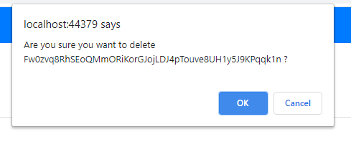 条件：A2 Test Steps 1. Click delete items. 2. Display alert box confirm delete ? 3. Cancel button |  |  |  | 確認：1. After test step no.3 , Disable delete alert box |  |  |  |  |  |  | 確 認 日 | 結 果 | 承 認 |  | 確 認 日 | 結 果 | 承 認 |  | 確 認 日 | 結 果 | 承 認

3 | 条件： |  |  |  | 確認： |  |  |  |  |  |  | 確 認 日 | 結 果 | 承 認 |  | 確 認 日 | 結 果 | 承 認 |  | 確 認 日 | 結 果 | 承 認

特 記 事 項

Test Case on Web R1 開発 |  | 大項目分類 | #REF! | 中項目分類 |  | 担当者 |  | 項 | 2/3

試験番号 |  | 試験名称 |  |  |  | 異常項目数 |  | 試験項目数

項 | テスト条件 |  |  |  | 確認内容 |  |  |  |  |  | TestRound |  |  |  | TestRound |  |  |  | TestRound
 |  |  |  |  |  |  |  |  |  |  | Code Revision |  |  |  | Code Revision |  |  |  | Code Revision
 |  |  |  |  |  |  |  |  |  |  | 処理結果／状態 | 確認結果 |  |  | 処理結果／状態 | 確認結果 |  |  | 処理結果／状態 | 確認結果
1 | 条件： |  |  |  | 確認： |  |  |  |  |  |  | 確 認 日 | 結 果 | 承 認 |  | 確 認 日 | 結 果 | 承 認 |  | 確 認 日 | 結 果 | 承 認

2 | 条件： |  |  |  | 確認： |  |  |  |  |  |  | 確 認 日 | 結 果 | 承 認 |  | 確 認 日 | 結 果 | 承 認 |  | 確 認 日 | 結 果 | 承 認

3 | 条件： |  |  |  | 確認： |  |  |  |  |  |  | 確 認 日 | 結 果 | 承 認 |  | 確 認 日 | 結 果 | 承 認 |  | 確 認 日 | 結 果 | 承 認

4 | 条件： |  |  |  | 確認： |  |  |  |  |  |  | 確 認 日 | 結 果 | 承 認 |  | 確 認 日 | 結 果 | 承 認 |  | 確 認 日 | 結 果 | 承 認

5 | 条件： |  |  |  | 確認： |  |  |  |  |  |  | 確 認 日 | 結 果 | 承 認 |  | 確 認 日 | 結 果 | 承 認 |  | 確 認 日 | 結 果 | 承 認

6 | 条件： |  |  |  | 確認： |  |  |  |  |  |  | 確 認 日 | 結 果 | 承 認 |  | 確 認 日 | 結 果 | 承 認 |  | 確 認 日 | 結 果 | 承 認

特 記 事 項

Test Case on Web R1 開発 |  | 大項目分類 | #REF! | 中項目分類 |  | 担当者 |  | 項 | 3/3

試験番号 |  | 試験名称 |  |  |  | 異常項目数 |  | 試験項目数

項 | テスト条件 |  |  |  | 確認内容 |  |  |  |  |  | TestRound |  |  |  | TestRound |  |  |  | TestRound
 |  |  |  |  |  |  |  |  |  |  | Code Revision |  |  |  | Code Revision |  |  |  | Code Revision
 |  |  |  |  |  |  |  |  |  |  | 処理結果／状態 | 確認結果 |  |  | 処理結果／状態 | 確認結果 |  |  | 処理結果／状態 | 確認結果
1 | 条件： |  |  |  | 確認： |  |  |  |  |  |  | 確 認 日 | 結 果 | 承 認 |  | 確 認 日 | 結 果 | 承 認 |  | 確 認 日 | 結 果 | 承 認

2 | 条件： |  |  |  | 確認： |  |  |  |  |  |  | 確 認 日 | 結 果 | 承 認 |  | 確 認 日 | 結 果 | 承 認 |  | 確 認 日 | 結 果 | 承 認

3 | 条件： |  |  |  | 確認： |  |  |  |  |  |  | 確 認 日 | 結 果 | 承 認 |  | 確 認 日 | 結 果 | 承 認 |  | 確 認 日 | 結 果 | 承 認

4 | 条件： |  |  |  | 確認： |  |  |  |  |  |  | 確 認 日 | 結 果 | 承 認 |  | 確 認 日 | 結 果 | 承 認 |  | 確 認 日 | 結 果 | 承 認

5 | 条件： |  |  |  | 確認： |  |  |  |  |  |  | 確 認 日 | 結 果 | 承 認 |  | 確 認 日 | 結 果 | 承 認 |  | 確 認 日 | 結 果 | 承 認

6 | 条件： |  |  |  | 確認： |  |  |  |  |  |  | 確 認 日 | 結 果 | 承 認 |  | 確 認 日 | 結 果 | 承 認 |  | 確 認 日 | 結 果 | 承 認

特 記 事 項

TestCase_Add_TestCase
[Test Case on Web R1] 開発 |  | 大項目分類 | TestCase_Add_TestCase | 中項目分類 |  | 担当者 |  | 項 | 1/3

試験番号 |  | 試験名称 |  |  |  | 異常項目数 | 2 | 試験項目数 |  | 1

項 | テスト条件 |  |  |  | 確認内容 |  |  |  |  |  | TestRound |  |  |  |  |  |  | TestRound |  |  |  | TestRound
 |  |  |  |  |  |  |  |  |  |  | Code Revision |  |  |  |  |  |  | Code Revision |  |  |  | Code Revision
 |  |  |  |  |  |  |  |  |  |  | 処理結果／状態 | 確認結果 |  |  |  |  |  | 処理結果／状態 | 確認結果 |  |  | 処理結果／状態 | 確認結果
1 | 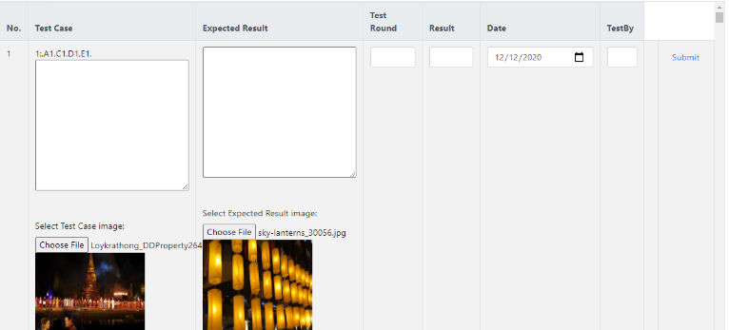 条件：A1,B1,C1,D1,E1,F1,G1,H1 Test Steps 1. Click test case on navbar 2. all Input other is empty "" 3. date = 12/12/2020 4. test case = choose file 5. expected = choose file 6. Submit button |  |  |  | 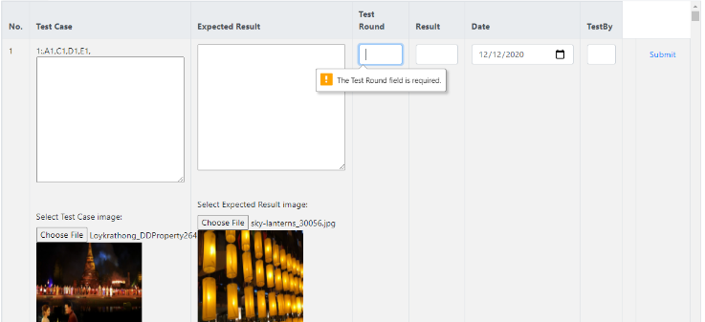 確認：1. After test step no.6 , Check input value is empty then display alert box validation is required |  |  |  |  |  |  | 確 認 日 | 2020-12-18 | 結 果 | OK | 承 認 | Korkit C. |  | 確 認 日 | 結 果 | 承 認 |  | 確 認 日 | 結 果 | 承 認

2 | 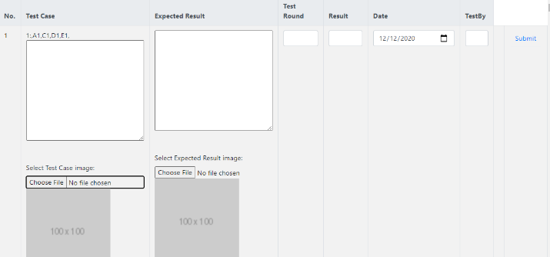 条件：A1,B1,C1,D1,E2,F1,G2,H2 Test Steps 1. Click test case on navbar 2. all Input other is empty "" 3. date = 20/12/2020 4. test case = not choose file 5. expected = not choose file 6. Submit button Cannot selete calendar invalid format. |  |  |  | 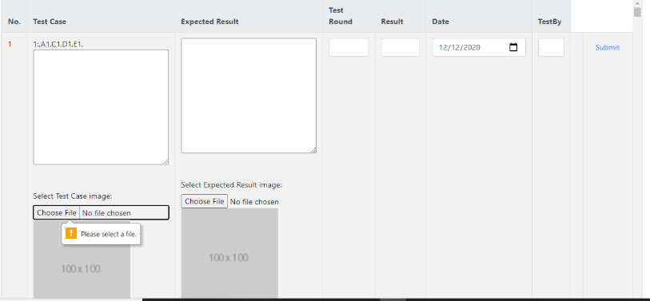 確認：1. After test step no.6 , Check input value is empty then display alert box validation is required |  |  |  |  |  |  | 確 認 日 | 2020-12-19 | 結 果 | OK | 承 認 | Korkit C. |  | 確 認 日 | 結 果 | 承 認 |  | 確 認 日 | 結 果 | 承 認

3 | 条件：A1,B2,C2,D2,E1,F2,G1,H1 Test Steps 1. Click test case on navbar 2. all Input other is empty "" 3. date = 12/12/2020 4. expected result = "e" 5. test round = "r" 6. result = "u" 7. test by = "p" 8. test case = choose file 9. expected = choose file 10. Submit button |  |  |  | 確認： |  |  |  |  |  |  | 確 認 日 |  | 結 果 |  | 承 認 |  |  | 確 認 日 | 結 果 | 承 認 |  | 確 認 日 | 結 果 | 承 認

4 | 条件：A1,B2,C2,D2,E2,F2,G2,H2 Test Steps 1. Click test case on navbar 2. all Input other is empty "" 3. date = 20/12/2020 4. expected result = "e" 5. test round = "r" 6. result = "u" 7. test by = "p" 8. test case = not choose file 9. expected = not choose file 10. Submit button |  |  |  | 確認： |  |  |  |  |  |  | 確 認 日 |  | 結 果 |  | 承 認 |  |  | 確 認 日 | 結 果 | 承 認 |  | 確 認 日 | 結 果 | 承 認

5 | 条件：A1,B3,C3,D3,E1,F3,G1,H1 Test Steps 1. Click test case on navbar 2. all Input other is empty "" 3. date = 12/12/2020 4. expected result = "eeeeeeeeee" 5. test round = "rrrrrrrrrr" 6. result = "uuuuuuuuuu" 7. test by = "pppppppppp" 8. test case = choose file 9. expected = choose file 10. Submit button |  |  |  | 確認： |  |  |  |  |  |  | 確 認 日 |  | 結 果 |  | 承 認 |  |  | 確 認 日 | 結 果 | 承 認 |  | 確 認 日 | 結 果 | 承 認

6 | 条件：A1,B3,C3,D3,E2,F3,G2,H2 Test Steps 1. Click test case on navbar 2. all Input other is empty "" 3. date = 20/12/2020 4. expected result = "eeeeeeeeee" 5. test round = "rrrrrrrrrr" 6. result = "uuuuuuuuuu" 7. test by = "pppppppppp" 8. test case = not choose file 9. expected = not choose file 10. Submit button |  |  |  | 確認： |  |  |  |  |  |  | 確 認 日 |  | 結 果 |  | 承 認 |  |  | 確 認 日 | 結 果 | 承 認 |  | 確 認 日 | 結 果 | 承 認

7 | 条件：A1,B4,C4,D4,E1,F4,G1,H1 Test Steps 1. Click test case on navbar 2. all Input other is empty "" 3. date = 12/12/2020 4. expected result = ref in REF sheet column A5 5. test round = ref in REF sheet column A3 6. result = ref in REF sheet column A5 7. test by = ref in REF sheet column A3 8. test case = choose file 9. expected = choose file 10. Submit button |  |  |  | 確認： |  |  |  |  |  |  | 確 認 日 |  | 結 果 |  | 承 認 |  |  | 確 認 日 | 結 果 | 承 認 |  | 確 認 日 | 結 果 | 承 認

8 | 条件：A1,B4,C4,D4,E2,F4,G2,H2 Test Steps 1. Click test case on navbar 2. all Input other is empty "" 3. date = 20/12/2020 4. expected result = ref in REF sheet column A5 5. test round = ref in REF sheet column A3 6. result = ref in REF sheet column A5 7. test by = ref in REF sheet column A3 8. test case = not choose file 9. expected = not choose file 10. Submit button |  |  |  | 確認： |  |  |  |  |  |  | 確 認 日 |  | 結 果 |  | 承 認 |  |  | 確 認 日 | 結 果 | 承 認 |  | 確 認 日 | 結 果 | 承 認

9 | 条件：A1,B5,C5,D5,E1,F5,G1,H1 Test Steps 1. Click test case on navbar 2. all Input other is empty "" 3. date = 12/12/2020 4. expected result = ref in REF sheet column A6 5. test round = ref in REF sheet column A8 6. result = ref in REF sheet column A6 7. test by = ref in REF sheet column A8 8. test case = choose file 9. expected = choose file 10. Submit button |  |  |  | 確認： |  |  |  |  |  |  | 確 認 日 |  | 結 果 |  | 承 認 |  |  | 確 認 日 | 結 果 | 承 認 |  | 確 認 日 | 結 果 | 承 認

10 | 条件：A1,B5,C5,D5,E2,F5,G2,H2 Test Steps 1. Click test case on navbar 2. all Input other is empty "" 3. date = 20/12/2020 4. expected result = ref in REF sheet column A6 5. test round = ref in REF sheet column A8 6. result = ref in REF sheet column A6 7. test by = ref in REF sheet column A8 8. test case = not choose file 9. expected = not choose file 10. Submit button |  |  |  | 確認： |  |  |  |  |  |  | 確 認 日 |  | 結 果 |  | 承 認 |  |  | 確 認 日 | 結 果 | 承 認 |  | 確 認 日 | 結 果 | 承 認

11 | 条件：A2,B1,C1,D1,E2,F1,G1,H2 Test Steps 1. Click test case on navbar 2. all Input other is empty "" 3. date = 20/12/2020 4. test case = choose file 5. expected = choose file 6. test case = "t" 7. Submit button |  |  |  | 確認： |  |  |  |  |  |  | 確 認 日 |  | 結 果 |  | 承 認 |  |  | 確 認 日 | 結 果 | 承 認 |  | 確 認 日 | 結 果 | 承 認

12 | 条件：A2,B1,C1,D1,E2,F1,G2,H2 Test Steps 1. Click test case on navbar 2. all Input other is empty "" 3. date = 20/12/2020 4. test case = not choose file 5. expected = not choose file 6. test case = "t" 7. Submit button |  |  |  | 確認： |  |  |  |  |  |  | 確 認 日 |  | 結 果 |  | 承 認 |  |  | 確 認 日 | 結 果 | 承 認 |  | 確 認 日 | 結 果 | 承 認

13 | 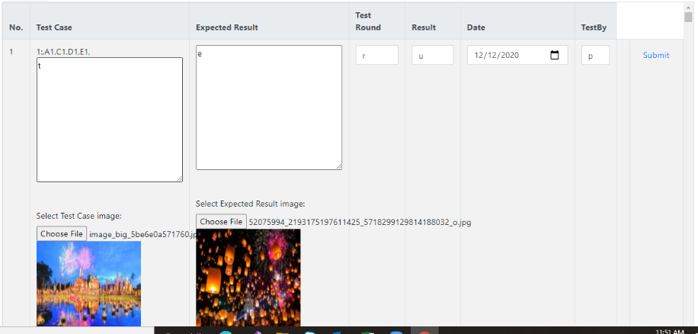 条件：A2,B2,C2,D2,E1,F2,G1,H1 Test Steps 1. Click test case on navbar 2. all Input other is empty "" 3. test case = "t" 3. date = 12/12/2020 4. expected result = "e" 5. test round = "r" 6. result = "u" 7. test by = "p" 8. test case = choose file 9. expected = choose file 10. Submit button |  |  |  | 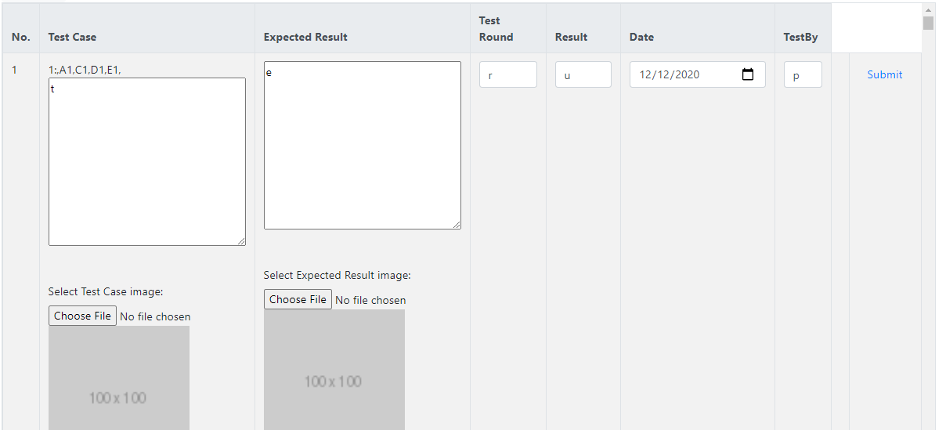 確認： 1. After test step no.10 , Check input value is valid cannot display alert box after save data and display image |  |  |  |  |  |  | 確 認 日 | 2020-12-19 | 結 果 | NG | 承 認 | Korkit C. |  | 確 認 日 | 結 果 | 承 認 |  | 確 認 日 | 結 果 | 承 認

14 | 条件：A2,B2,C2,D2,E2,F2,G2,H2 Test Steps 1. Click test case on navbar 2. all Input other is empty "" 3. test case = "t" 3. date = 20/12/2020 4. expected result = "e" 5. test round = "r" 6. result = "u" 7. test by = "p" 8. test case = not choose file 9. expected = not choose file 10. Submit button |  |  |  | 確認： |  |  |  |  |  |  | 確 認 日 |  | 結 果 |  | 承 認 |  |  | 確 認 日 | 結 果 | 承 認 |  | 確 認 日 | 結 果 | 承 認

15 | 条件：A2,B3,C3,D3,E1,F3,G1,H1 Test Steps 1. Click test case on navbar 2. all Input other is empty "" 3. test case = "t" 4. date = 12/12/2020 5. expected result = "eeeeeeeeee" 6. test round = "rrrrrrrrrr" 7. result = "uuuuuuuuuu" 8. test by = "pppppppppp" 9. test case = choose file 10. expected = choose file 11. Submit button |  |  |  | 確認： |  |  |  |  |  |  | 確 認 日 |  | 結 果 |  | 承 認 |  |  | 確 認 日 | 結 果 | 承 認 |  | 確 認 日 | 結 果 | 承 認

16 | 条件：A2,B3,C3,D3,E2,F3,G2,H2 Test Steps 1. Click test case on navbar 2. all Input other is empty "" 3. test case = "t" 4. date = 20/12/2020 5. expected result = "eeeeeeeeee" 6. test round = "rrrrrrrrrr" 7. result = "uuuuuuuuuu" 8. test by = "pppppppppp" 9. test case = not choose file 10. expected = not choose file 11. Submit button |  |  |  | 確認： |  |  |  |  |  |  | 確 認 日 |  | 結 果 |  | 承 認 |  |  | 確 認 日 | 結 果 | 承 認 |  | 確 認 日 | 結 果 | 承 認

17 | 条件：A2,B4,C4,D4,E1,F4,G1,H1 Test Steps |  |  |  | 確認： |  |  |  |  |  |  | 確 認 日 |  | 結 果 |  | 承 認 |  |  | 確 認 日 | 結 果 | 承 認 |  | 確 認 日 | 結 果 | 承 認

18 | 条件：A2,B4,C4,D4,E2,F4,G2,H2 Test Steps |  |  |  | 確認： |  |  |  |  |  |  | 確 認 日 |  | 結 果 |  | 承 認 |  |  | 確 認 日 | 結 果 | 承 認 |  | 確 認 日 | 結 果 | 承 認

19 | 条件：A2,B5,C5,D5,E1,F5,G1,H1 Test Steps |  |  |  | 確認： |  |  |  |  |  |  | 確 認 日 |  | 結 果 |  | 承 認 |  |  | 確 認 日 | 結 果 | 承 認 |  | 確 認 日 | 結 果 | 承 認

20 | 条件：A2,B5,C5,D5,E2,F5,G2,H2 Test Steps |  |  |  | 確認： |  |  |  |  |  |  | 確 認 日 |  | 結 果 |  | 承 認 |  |  | 確 認 日 | 結 果 | 承 認 |  | 確 認 日 | 結 果 | 承 認

21 | 条件： Test Steps |  |  |  | 確認： |  |  |  |  |  |  | 確 認 日 |  | 結 果 |  | 承 認 |  |  | 確 認 日 | 結 果 | 承 認 |  | 確 認 日 | 結 果 | 承 認

22 | 条件： Test Steps |  |  |  | 確認： |  |  |  |  |  |  | 確 認 日 |  | 結 果 |  | 承 認 |  |  | 確 認 日 | 結 果 | 承 認 |  | 確 認 日 | 結 果 | 承 認

23 | 条件： Test Steps |  |  |  | 確認： |  |  |  |  |  |  | 確 認 日 |  | 結 果 |  | 承 認 |  |  | 確 認 日 | 結 果 | 承 認 |  | 確 認 日 | 結 果 | 承 認

24 | 条件： Test Steps |  |  |  | 確認： |  |  |  |  |  |  | 確 認 日 |  | 結 果 |  | 承 認 |  |  | 確 認 日 | 結 果 | 承 認 |  | 確 認 日 | 結 果 | 承 認

25 | 条件： Test Steps |  |  |  | 確認： |  |  |  |  |  |  | 確 認 日 |  | 結 果 |  | 承 認 |  |  | 確 認 日 | 結 果 | 承 認 |  | 確 認 日 | 結 果 | 承 認

特 記 事 項

Test Case on Web R1 開発 |  | 大項目分類 | #REF! | 中項目分類 |  | 担当者 |  | 項 | 2/3

試験番号 |  | 試験名称 |  |  |  | 異常項目数 |  | 試験項目数

項 | テスト条件 |  |  |  | 確認内容 |  |  |  |  |  | TestRound |  |  |  |  |  |  | TestRound |  |  |  | TestRound
 |  |  |  |  |  |  |  |  |  |  | Code Revision |  |  |  |  |  |  | Code Revision |  |  |  | Code Revision
 |  |  |  |  |  |  |  |  |  |  | 処理結果／状態 | 確認結果 |  |  |  |  |  | 処理結果／状態 | 確認結果 |  |  | 処理結果／状態 | 確認結果
1 | 条件： |  |  |  | 確認： |  |  |  |  |  |  | 確 認 日 |  | 結 果 |  | 承 認 |  |  | 確 認 日 | 結 果 | 承 認 |  | 確 認 日 | 結 果 | 承 認

2 | 条件： |  |  |  | 確認： |  |  |  |  |  |  | 確 認 日 |  | 結 果 |  | 承 認 |  |  | 確 認 日 | 結 果 | 承 認 |  | 確 認 日 | 結 果 | 承 認

3 | 条件： |  |  |  | 確認： |  |  |  |  |  |  | 確 認 日 |  | 結 果 |  | 承 認 |  |  | 確 認 日 | 結 果 | 承 認 |  | 確 認 日 | 結 果 | 承 認

4 | 条件： |  |  |  | 確認： |  |  |  |  |  |  | 確 認 日 |  | 結 果 |  | 承 認 |  |  | 確 認 日 | 結 果 | 承 認 |  | 確 認 日 | 結 果 | 承 認

5 | 条件： |  |  |  | 確認： |  |  |  |  |  |  | 確 認 日 |  | 結 果 |  | 承 認 |  |  | 確 認 日 | 結 果 | 承 認 |  | 確 認 日 | 結 果 | 承 認

6 | 条件： |  |  |  | 確認： |  |  |  |  |  |  | 確 認 日 |  | 結 果 |  | 承 認 |  |  | 確 認 日 | 結 果 | 承 認 |  | 確 認 日 | 結 果 | 承 認

特 記 事 項

Test Case on Web R1 開発 |  | 大項目分類 | #REF! | 中項目分類 |  | 担当者 |  | 項 | 3/3

試験番号 |  | 試験名称 |  |  |  | 異常項目数 |  | 試験項目数

項 | テスト条件 |  |  |  | 確認内容 |  |  |  |  |  | TestRound |  |  |  |  |  |  | TestRound |  |  |  | TestRound
 |  |  |  |  |  |  |  |  |  |  | Code Revision |  |  |  |  |  |  | Code Revision |  |  |  | Code Revision
 |  |  |  |  |  |  |  |  |  |  | 処理結果／状態 | 確認結果 |  |  |  |  |  | 処理結果／状態 | 確認結果 |  |  | 処理結果／状態 | 確認結果
1 | 条件： |  |  |  | 確認： |  |  |  |  |  |  | 確 認 日 |  | 結 果 |  | 承 認 |  |  | 確 認 日 | 結 果 | 承 認 |  | 確 認 日 | 結 果 | 承 認

2 | 条件： |  |  |  | 確認： |  |  |  |  |  |  | 確 認 日 |  | 結 果 |  | 承 認 |  |  | 確 認 日 | 結 果 | 承 認 |  | 確 認 日 | 結 果 | 承 認

3 | 条件： |  |  |  | 確認： |  |  |  |  |  |  | 確 認 日 |  | 結 果 |  | 承 認 |  |  | 確 認 日 | 結 果 | 承 認 |  | 確 認 日 | 結 果 | 承 認

4 | 条件： |  |  |  | 確認： |  |  |  |  |  |  | 確 認 日 |  | 結 果 |  | 承 認 |  |  | 確 認 日 | 結 果 | 承 認 |  | 確 認 日 | 結 果 | 承 認

5 | 条件： |  |  |  | 確認： |  |  |  |  |  |  | 確 認 日 |  | 結 果 |  | 承 認 |  |  | 確 認 日 | 結 果 | 承 認 |  | 確 認 日 | 結 果 | 承 認

6 | 条件： |  |  |  | 確認： |  |  |  |  |  |  | 確 認 日 |  | 結 果 |  | 承 認 |  |  | 確 認 日 | 結 果 | 承 認 |  | 確 認 日 | 結 果 | 承 認

特 記 事 項

