Pivot_Tables
Count of Purchased Bike | Column Labels |  |  |  |  |  | Count of Purchased Bike | Column Labels
Row Labels | No | Yes | Grand Total |  |  |  | Row Labels | No | Yes | Grand Total
0-50K | 259 | 234 | 493 |  |  |  | 1.Partial High Singleschool | 56 | 22 | 78
51K-100K | 235 | 220 | 455 |  |  |  | 2.High Singlechool | 102 | 82 | 184
more than 100K | 37 | 41 | 78 |  |  |  | 3.Partial College | 151 | 127 | 278
Grand Total | 531 | 495 | 1026 |  |  |  | 4.Graduate Degree | 80 | 95 | 175
Bike Purchases per Income
 |  |  |  |  |  |  | 5.Bachelors | 142 | 169 | 311
 |  |  |  |  |  |  | Grand Total | 531 | 495 | 1026
Bike Purchases per education level

Count of Purchased Bike | Column Labels
Row Labels | No | Yes | Grand Total
0-29 | 48 | 37 | 85
30-39 | 126 | 185 | 311
40-49 | 174 | 147 | 321
50-59 | 103 | 89 | 192 |  |  |  | Count of Purchased Bike | Column Labels
60-70 | 74 | 32 | 106 |  |  |  | Row Labels | No | Yes | Grand Total
70 upwards | 6 | 5 | 11 |  |  |  | Clerical | 92 | 95 | 187
Grand Total | 531 | 495 | 1026 |  |  |  | Management | 101 | 73 | 174
Bike Purchases by Age
 |  |  |  |  |  |  | Manual | 67 | 59 | 126
 |  |  |  |  |  |  | Professional | 130 | 150 | 280
 |  |  |  |  |  |  | Single Skilled Manual | 141 | 118 | 259
 |  |  |  |  |  |  | Grand Total | 531 | 495 | 1026
Bike Purchases by Occupation

Count of Purchased Bike | Column Labels
Row Labels | No | Yes | Grand Total
0-1 Miles | 171 | 207 | 378
1-2 Miles | 93 | 83 | 176
2-5 Miles | 67 | 95 | 162
5-10 Miles | 120 | 77 | 197
10 Miles upwards | 80 | 33 | 113
Grand Total | 531 | 495 | 1026
Bike Purchases by commute distance
 |  |  |  |  | Count of Purchased Bike | Column Labels
 |  |  |  |  | Row Labels | Yes | Grand Total
 |  |  |  |  | Europe | 156 | 156
 |  |  |  |  | North America | 220 | 220
 |  |  |  |  | Pacific | 119 | 119
Bike Purchases per Region
 |  |  |  |  | Grand Total | 495 | 495

Bike Purchases by Occupation

 |  |  |  | Count of Purchased Bike | Column Labels
 |  |  |  | Row Labels | No | Yes | Grand Total
 |  |  |  | Clerical | 92 | 95 | 187
 |  |  |  | Management | 101 | 73 | 174
 |  |  |  | Manual | 67 | 59 | 126
 |  |  |  | Professional | 130 | 150 | 280
 |  |  |  | Single Skilled Manual | 141 | 118 | 259
 |  |  |  | Grand Total | 531 | 495 | 1026

Dashboard
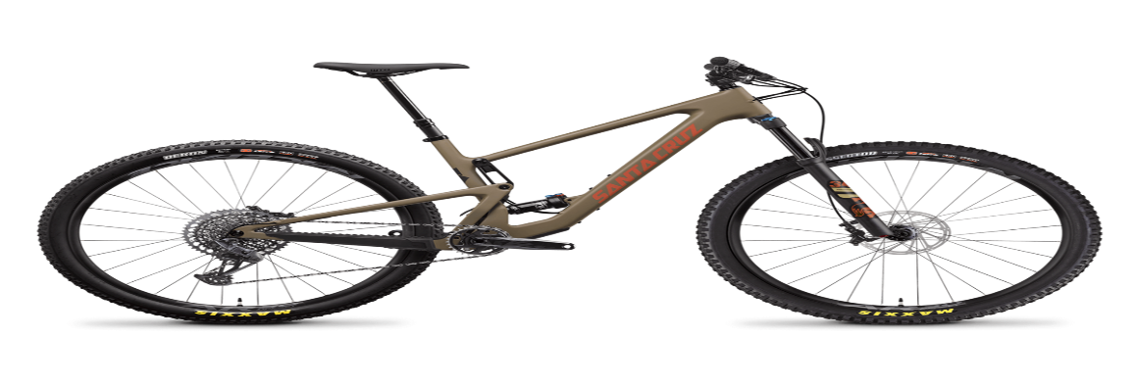 Bike Store Dashboard

Bike Purchases per Income
 | No | Yes
0-50K | 259 | 234
51K-100K | 235 | 220
more than 100K | 37 | 41
Bike Purchases by Age
 | No | Yes
0-29 | 48 | 37
30-39 | 126 | 185
40-49 | 174 | 147
50-59 | 103 | 89
60-70 | 74 | 32
70 upwards | 6 | 5
Bike Purchases by commute distance
 | No | Yes
0-1 Miles | 171 | 207
1-2 Miles | 93 | 83
2-5 Miles | 67 | 95
5-10 Miles | 120 | 77
10 Miles upwards | 80 | 33

Bike Purchases per Region
 | Yes
Europe | 156
North America | 220
Pacific | 119
Bike Purchases per education level
 | No | Yes
1.Partial High Singleschool | 56 | 22
2.High Singlechool | 102 | 82
3.Partial College | 151 | 127
4.Graduate Degree | 80 | 95
5.Bachelors | 142 | 169
Bike Purchases by Occupation
 | No | Yes
Clerical | 92 | 95
Management | 101 | 73
Manual | 67 | 59
Professional | 130 | 150
Single Skilled Manual | 141 | 118

