At UR-001
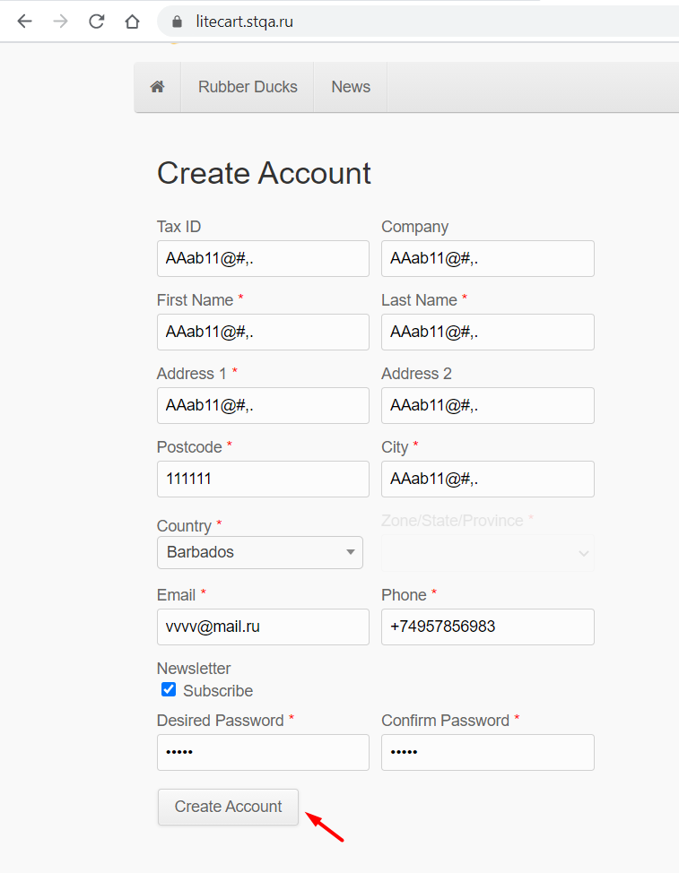
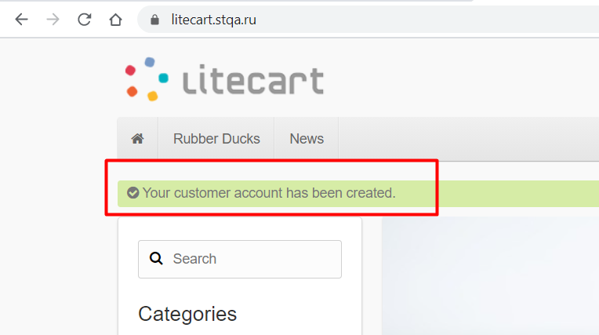
Actual result
Step 1. | Step 2.
 |  | Back to bug report

At UR-002
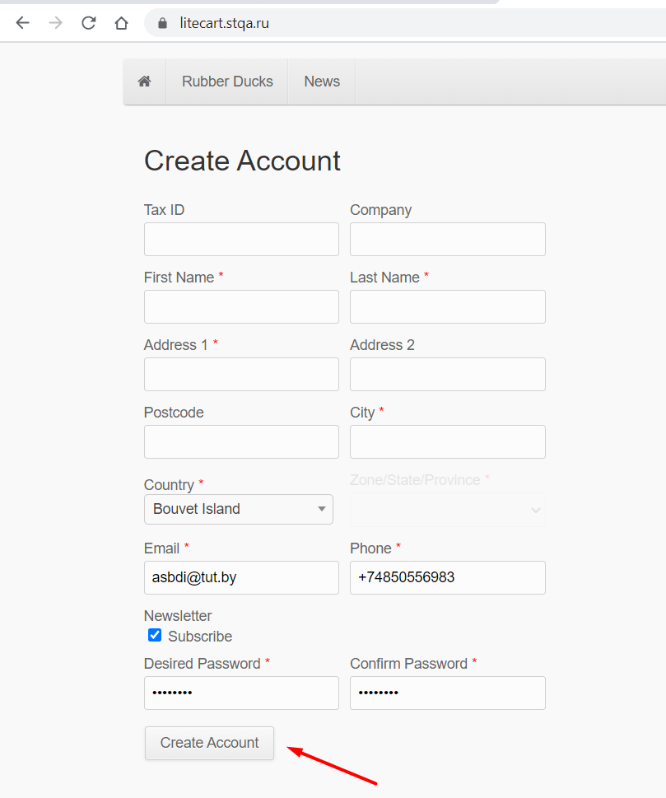
Actual result
Step 1. | Step 2.
 |  | Back to bug report

At UR-003
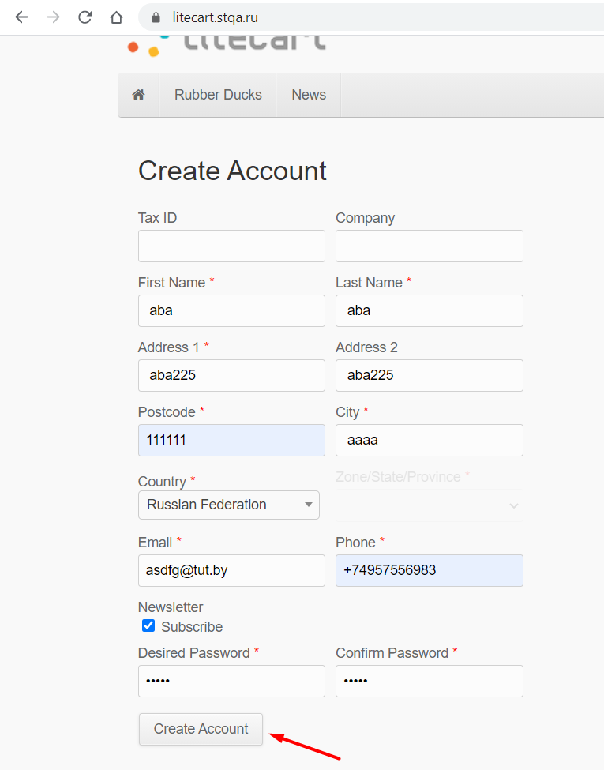
Actual result
Step 1. | Step 2.
 |  | Back to bug report

At UR-004
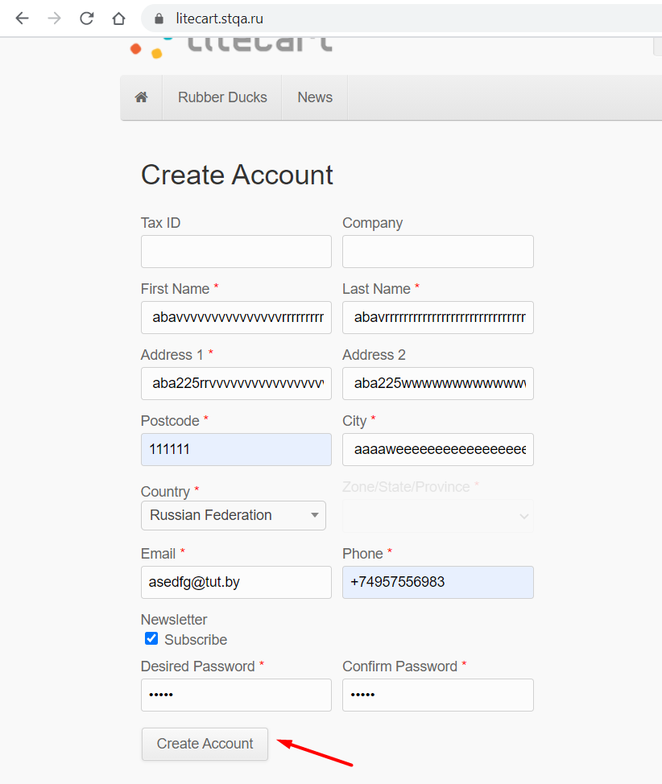
Actual result
Step 1. | Step 2.
 |  | Back to bug report

At UR-005
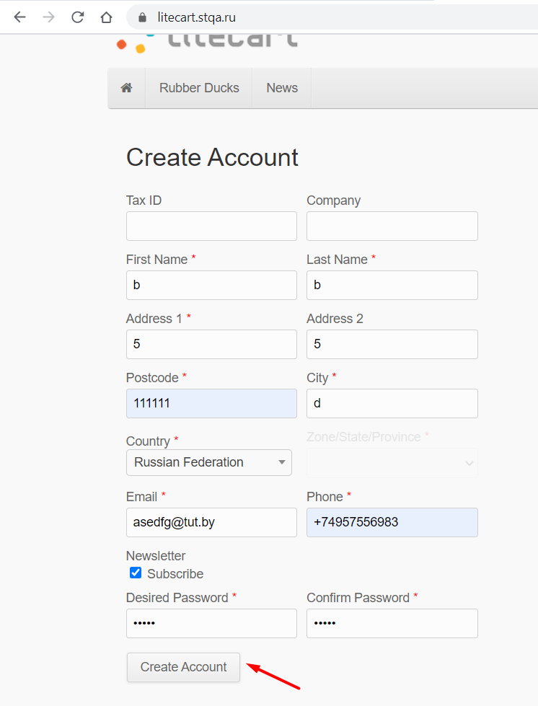
Actual result
Step 1. | Step 2.
 |  | Back to bug report

At UR-006
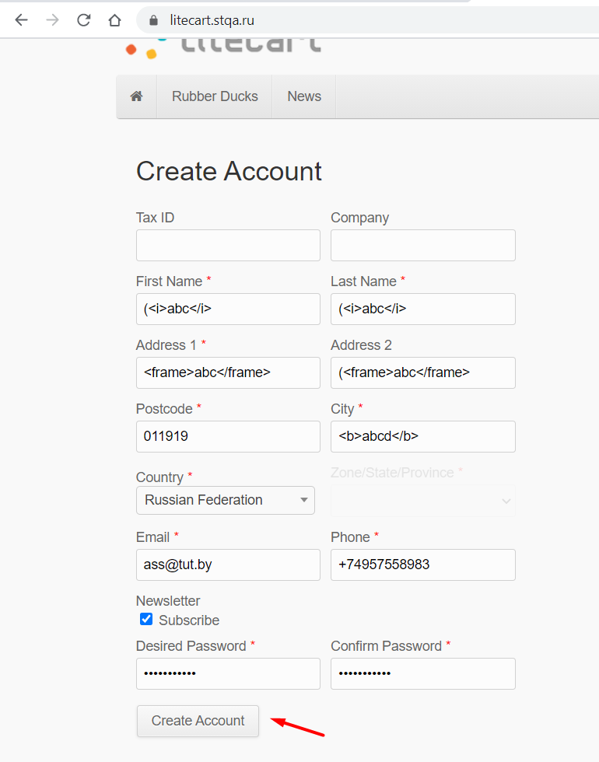
Actual result
Step 1. | Step 2.
 |  | Back to bug report

At UR-007
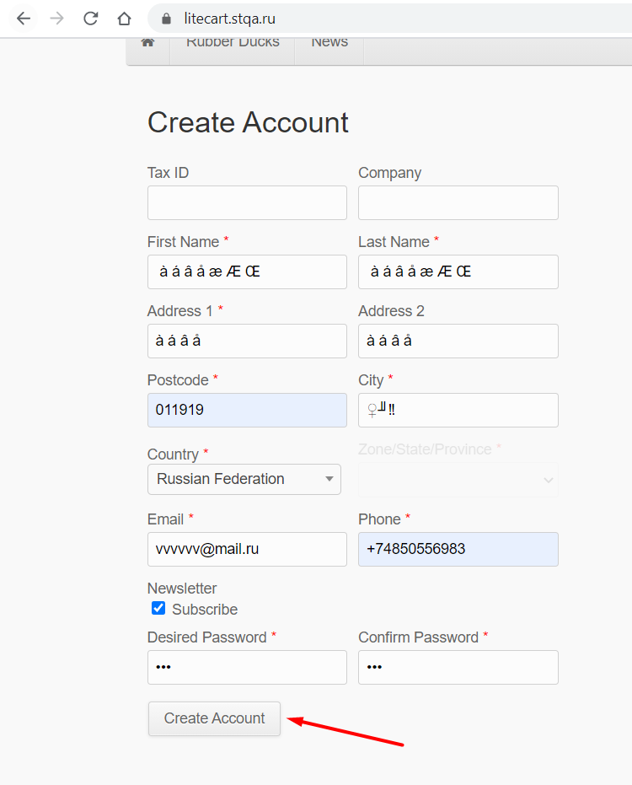
Actual result
Step 1. | Step 2.
 |  | Back to bug report

At UR-008
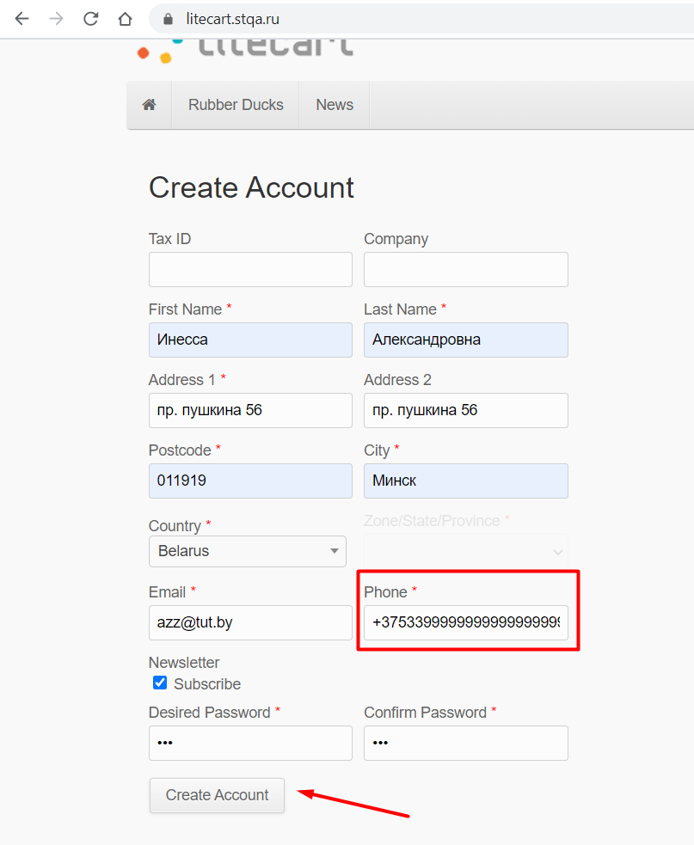
Actual result
Step 1. | Step 2.
 |  | Back to bug report

At UR-009
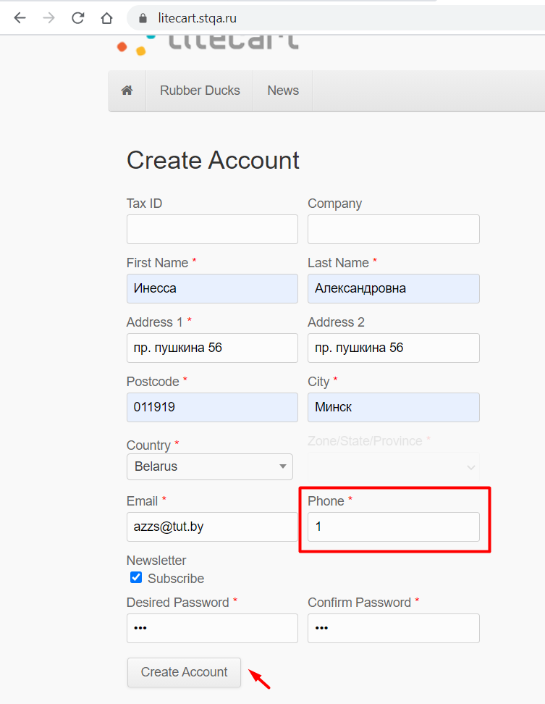
Actual result
Step 1. | Step 2.
 |  | Back to bug report

At UR-010
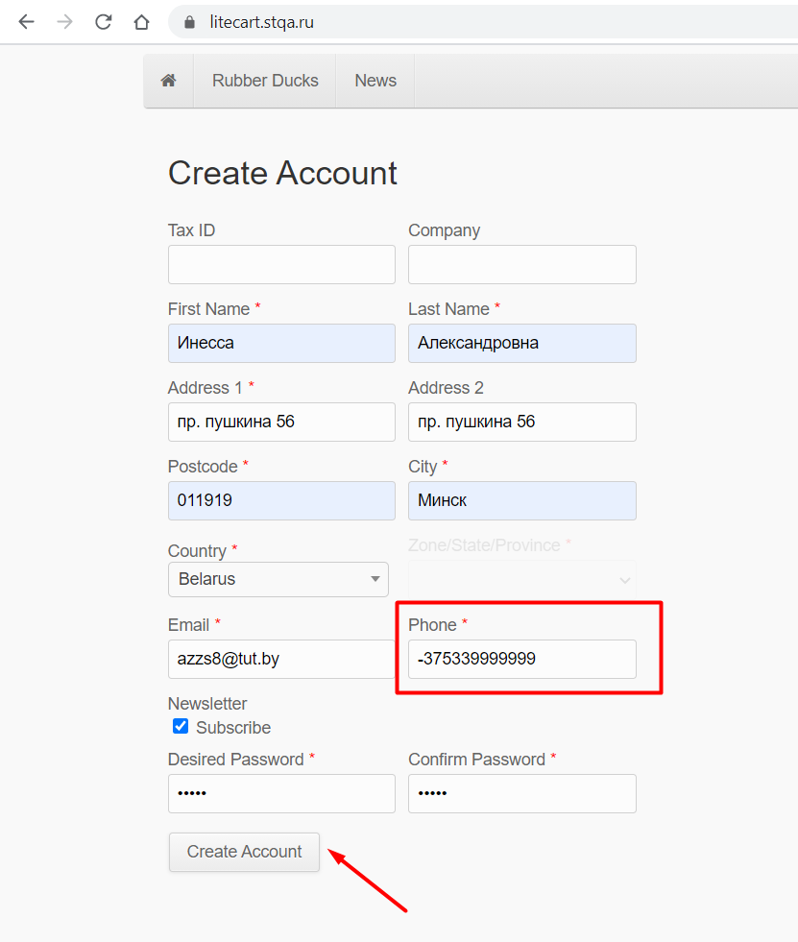
Actual result
Step 1. | Step 2. | Back to bug report

At UR-011
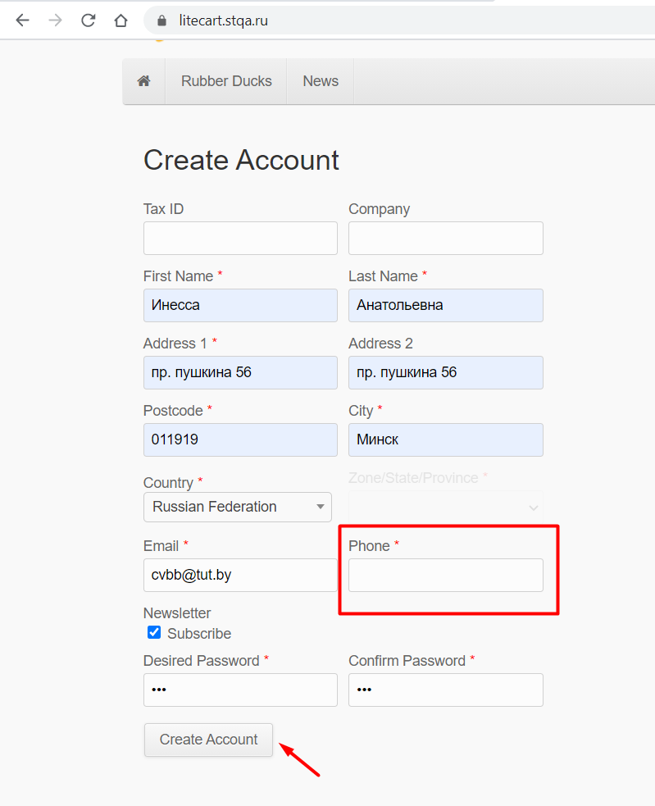
Actual result
Step 1. | Step 2. | Back to bug report

At UR-012
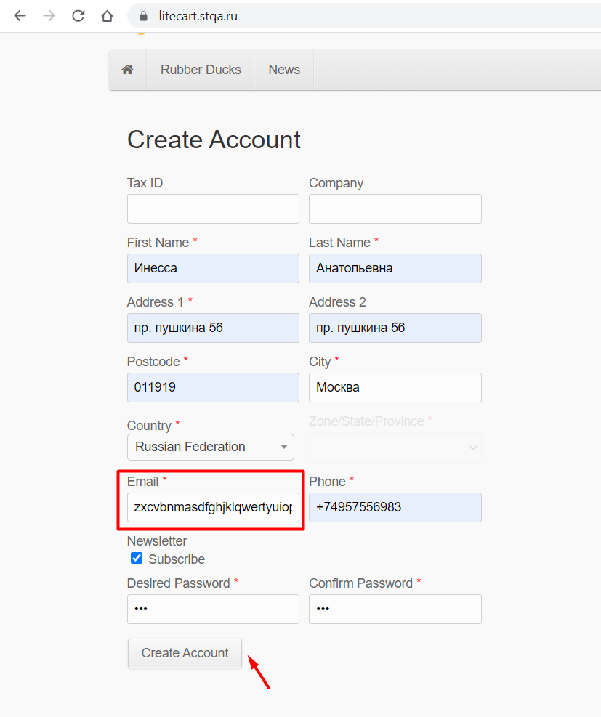
Actual result
Step 1. | Step 2. | Back to bug report

At UR-013
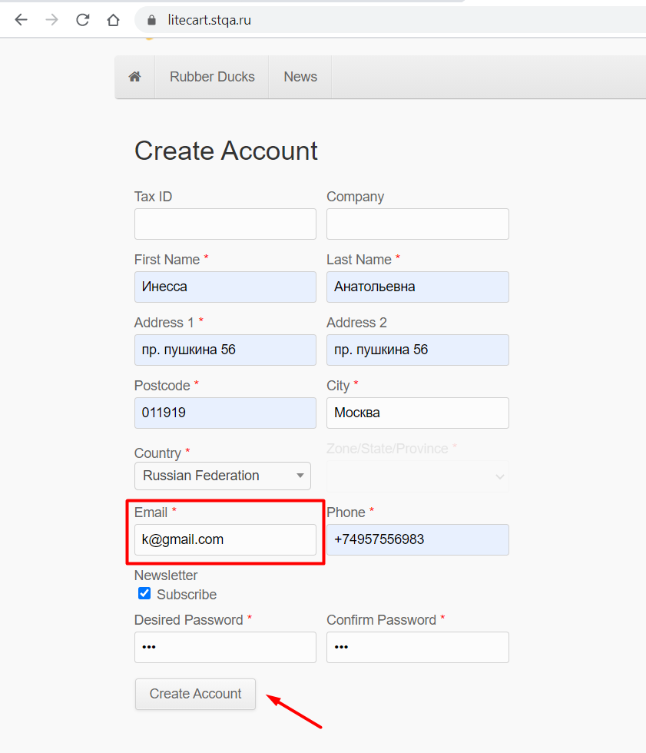
Actual result
Step 1. | Step 2. | Back to bug report

At UR-014
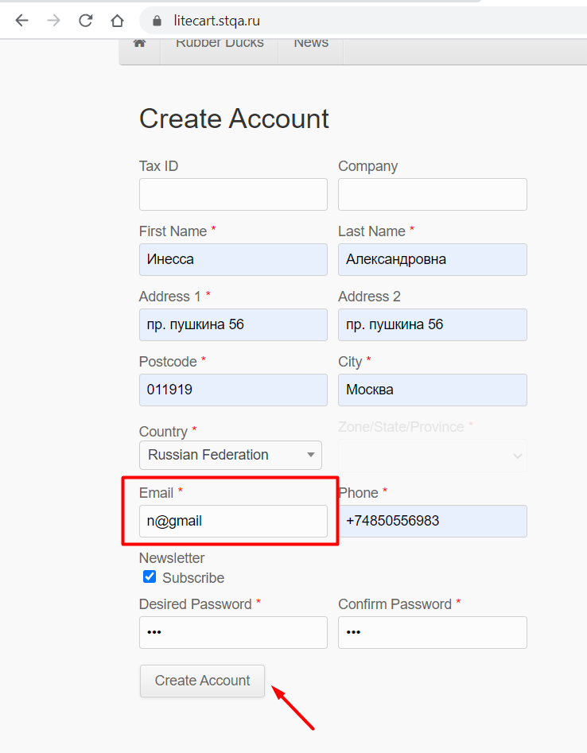
Actual result
Step 1. | Step 2. | Back to bug report

At UR-015
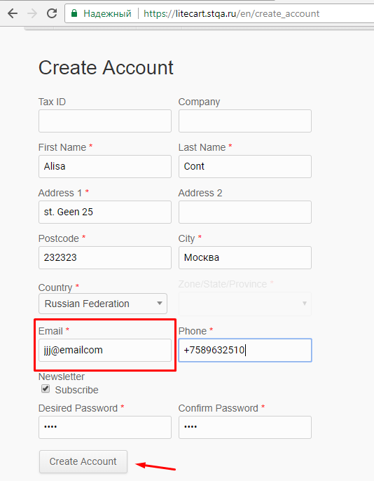
Actual result
Step 1. | Step 2. | Back to bug report

At UR-016
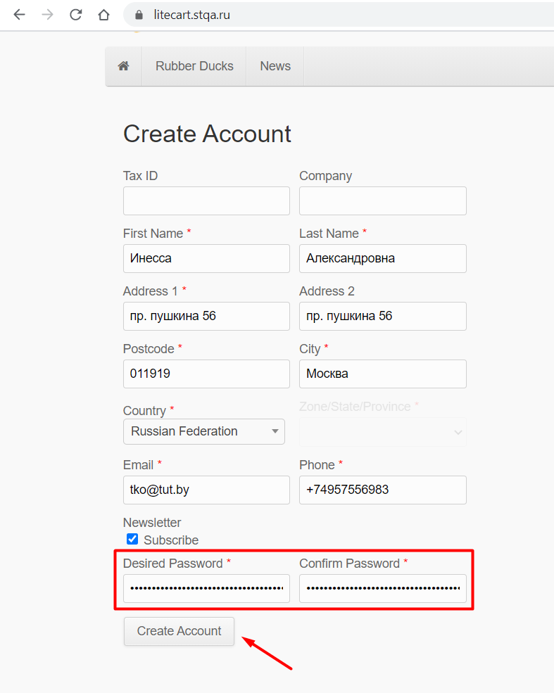
Actual result
Step 1. | Step 2. | Back to bug report

At UR-017
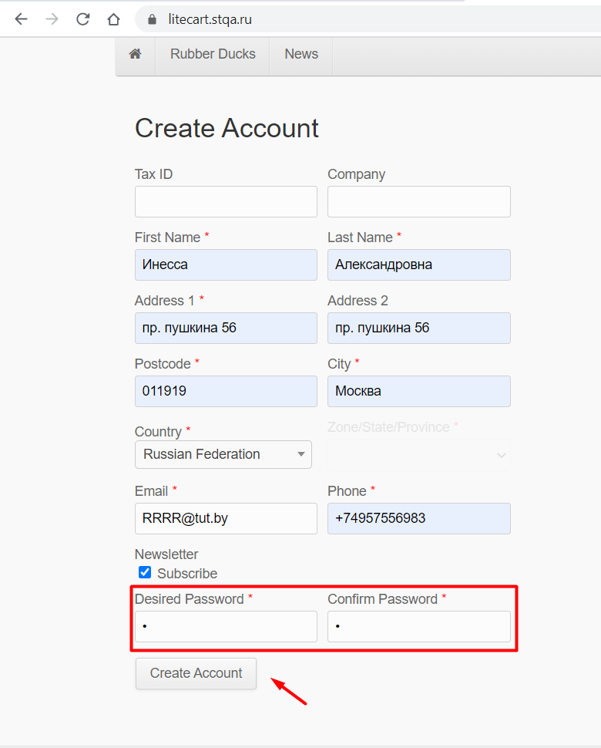
Actual result
Step 1. | Step 2. | Back to bug report

At UR-018
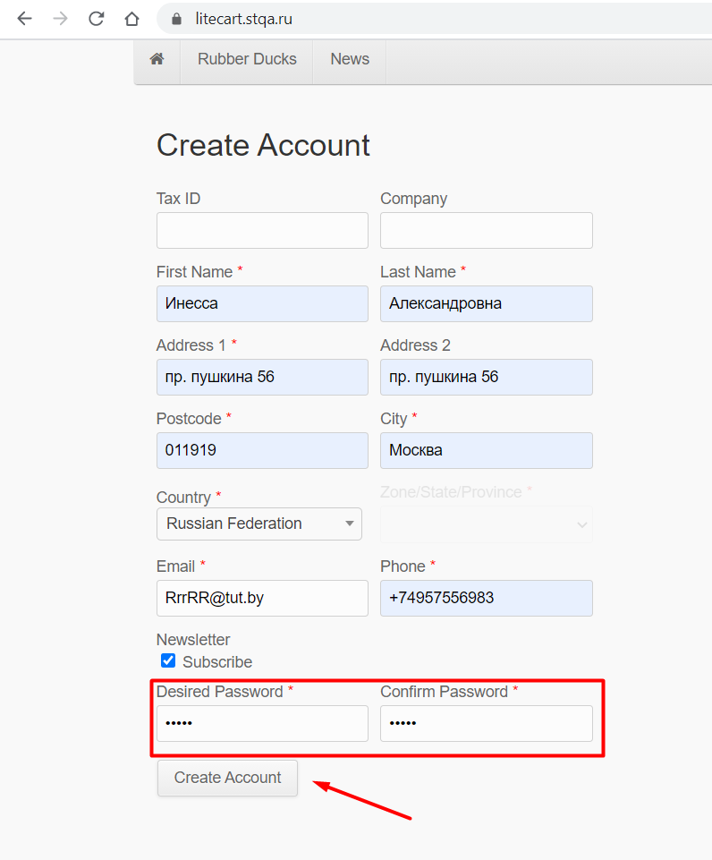
Actual result
Step 1. | Step 2. | Back to bug report

At UR-019
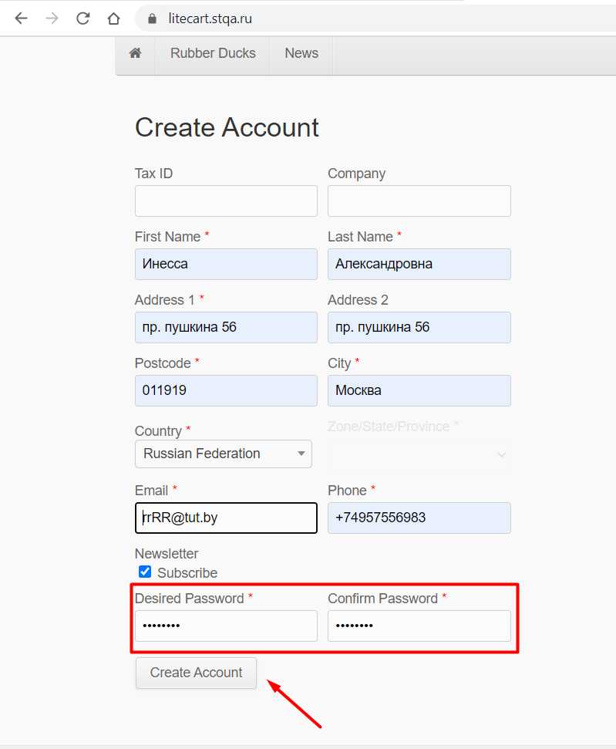
Actual result
Step 1. | Step 2. | Back to bug report

At UR-020
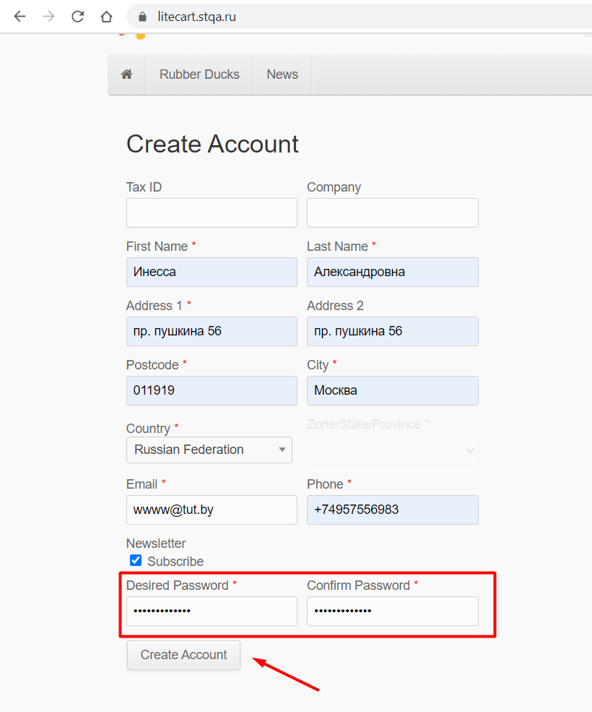
Actual result
Step 1. | Step 2. | Back to bug report

At UR-021
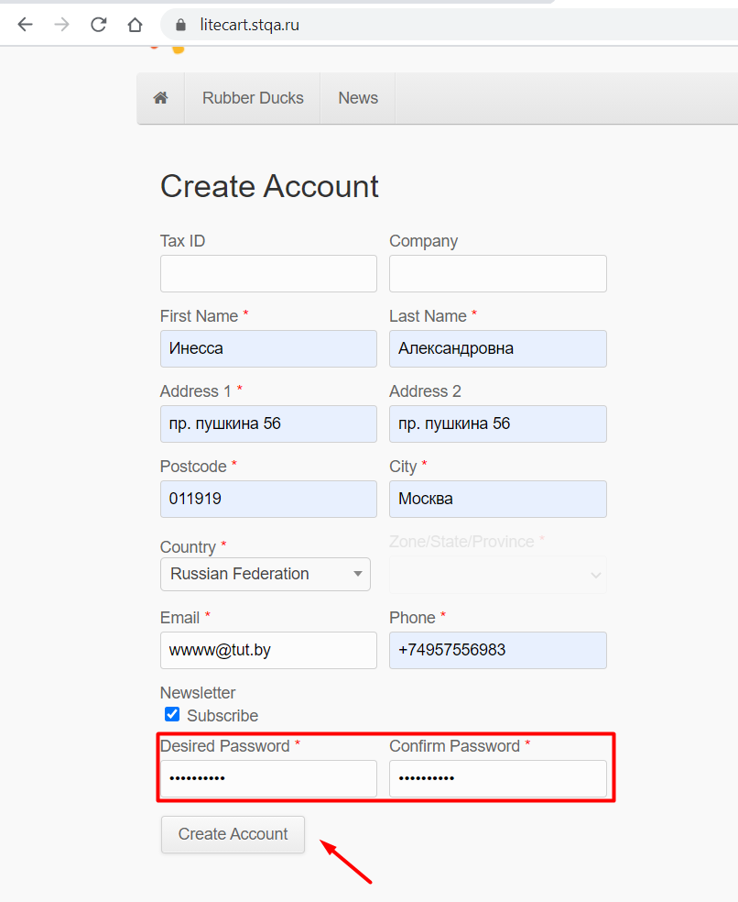
Actual result
Step 1. | Step 2. | Back to bug report

At L-022
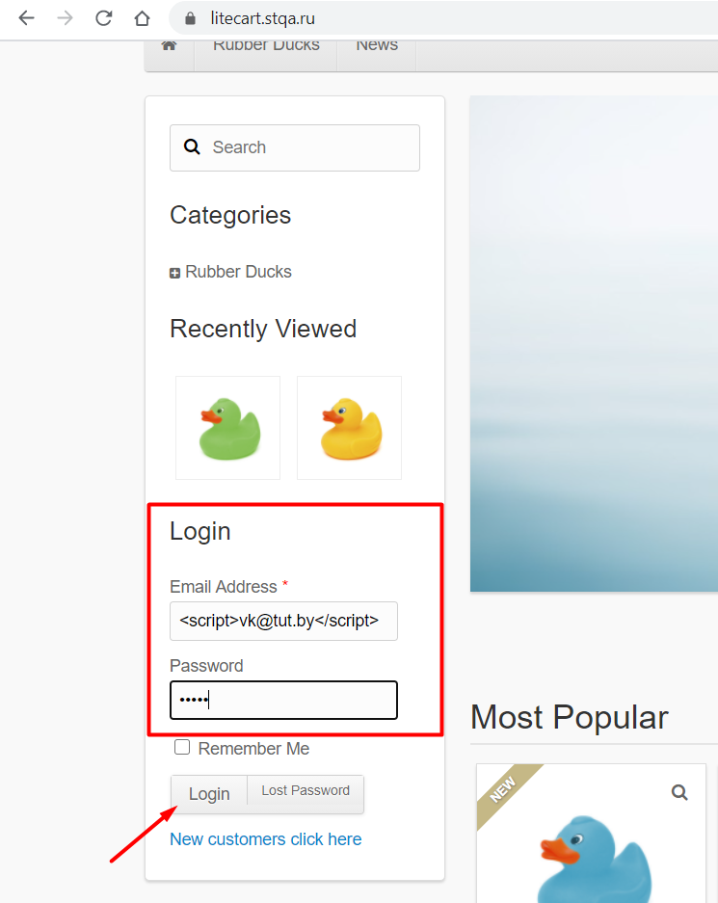
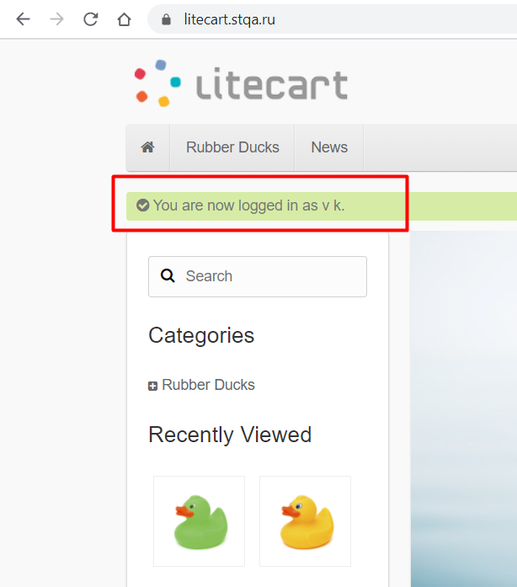
Actual result
Step 1. | Step 2. | Back to bug report

At L-023
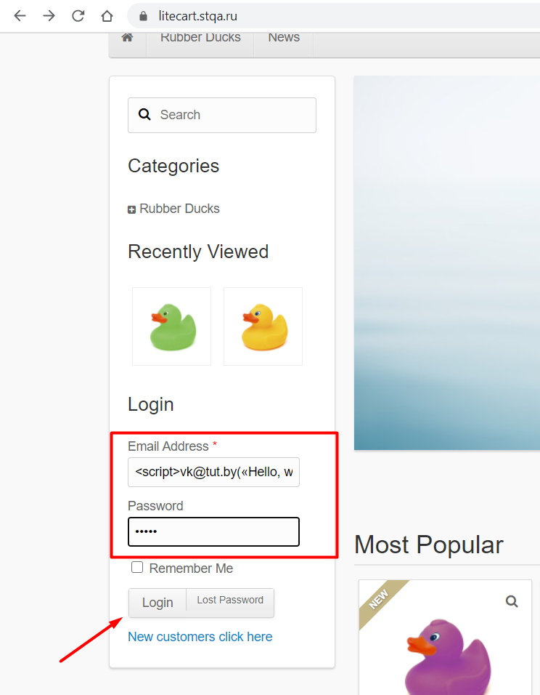

Actual result
Step 1. | Step 2. | Back to bug report

At L-024
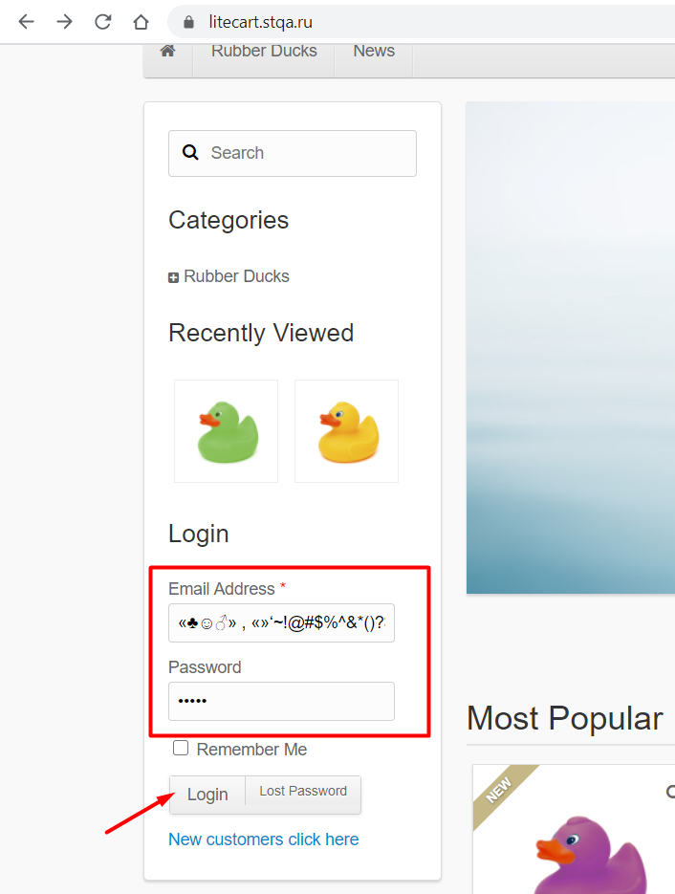
Actual result
Step 1. | Step 2. | Back to bug report

At Sr-025
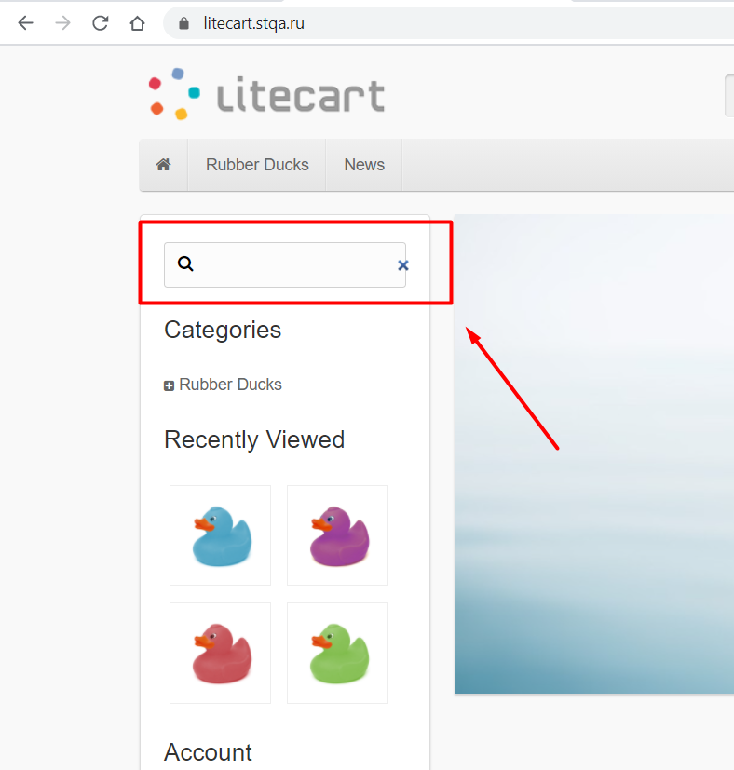
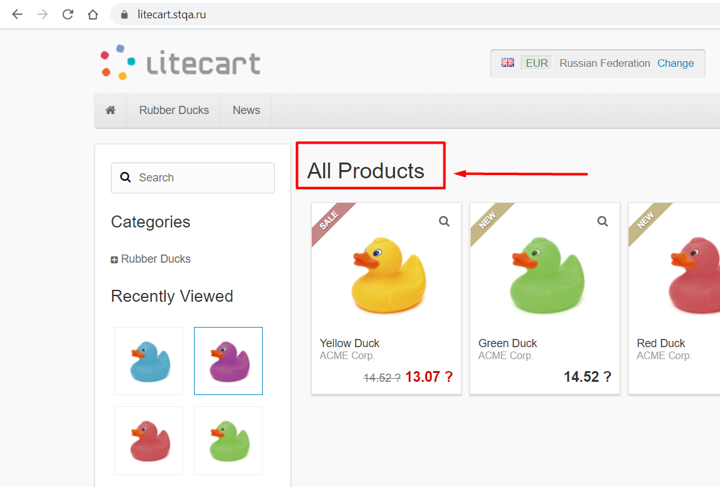
Actual result
Step 1. | Step 2. | Back to bug report

At Sr-026
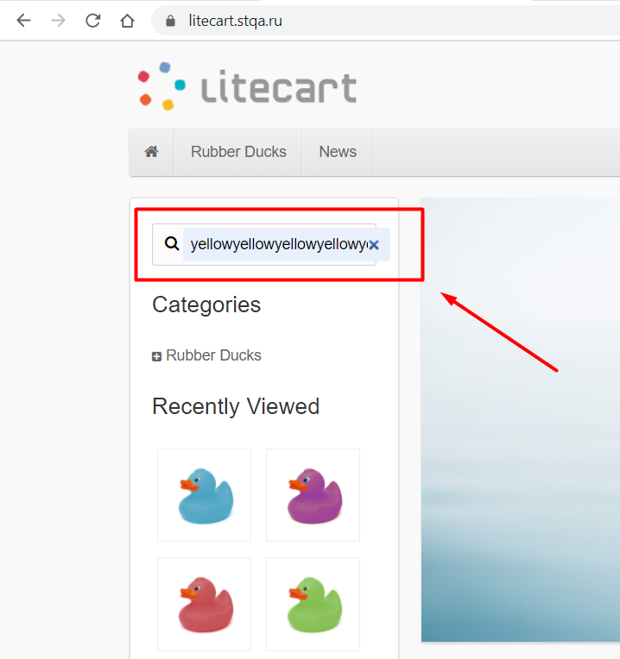
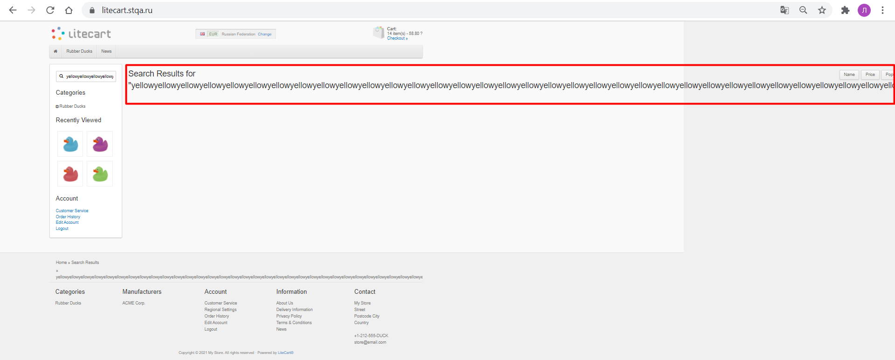
Actual result
Step 1. | Step 2. | Back to bug report

At Sr-027
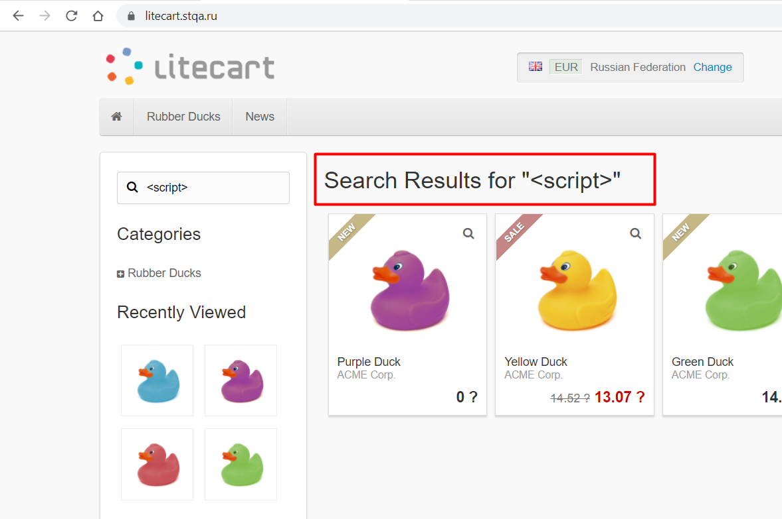
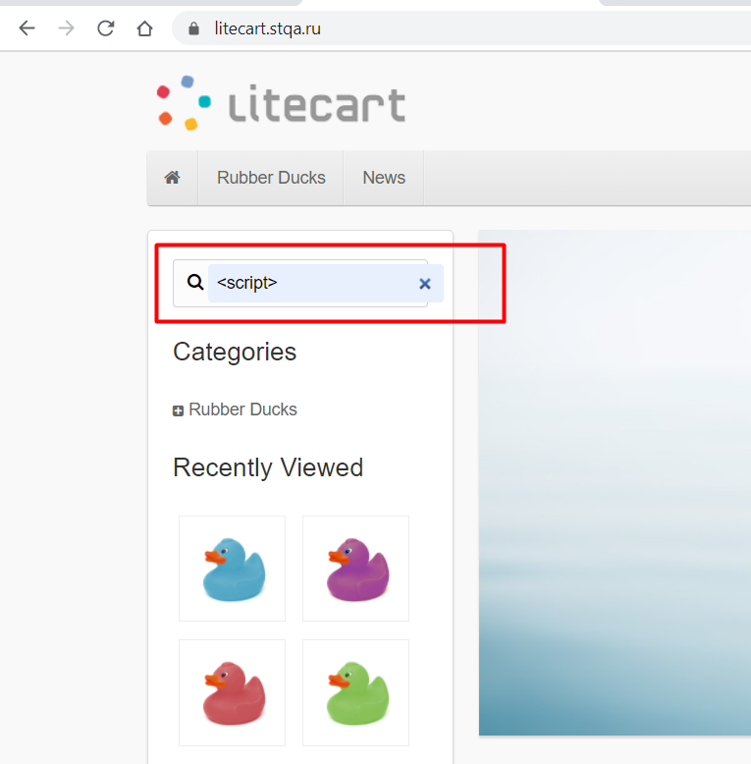
Actual result
Step 1. | Step 2. | Back to bug report

At Sr-028
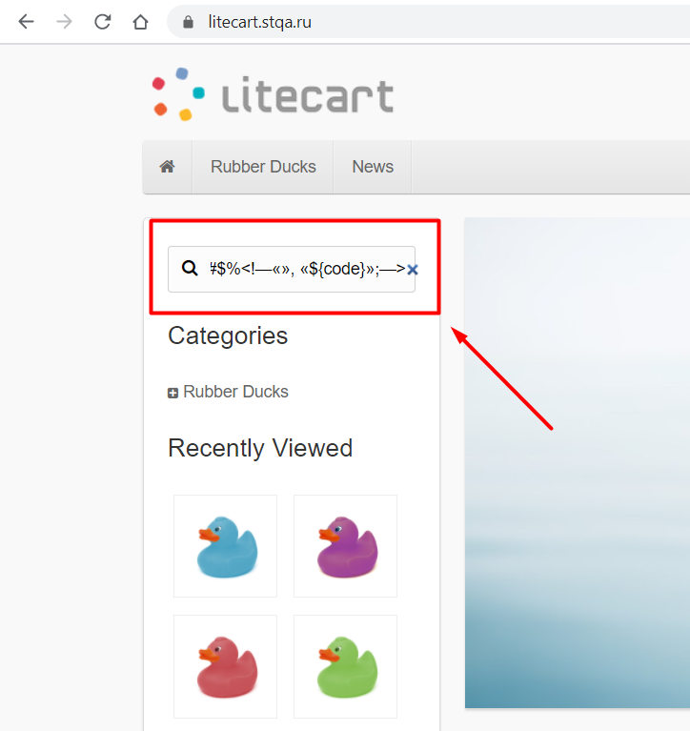
Actual result
Step 1. | Step 2. | Back to bug report

At CU-029
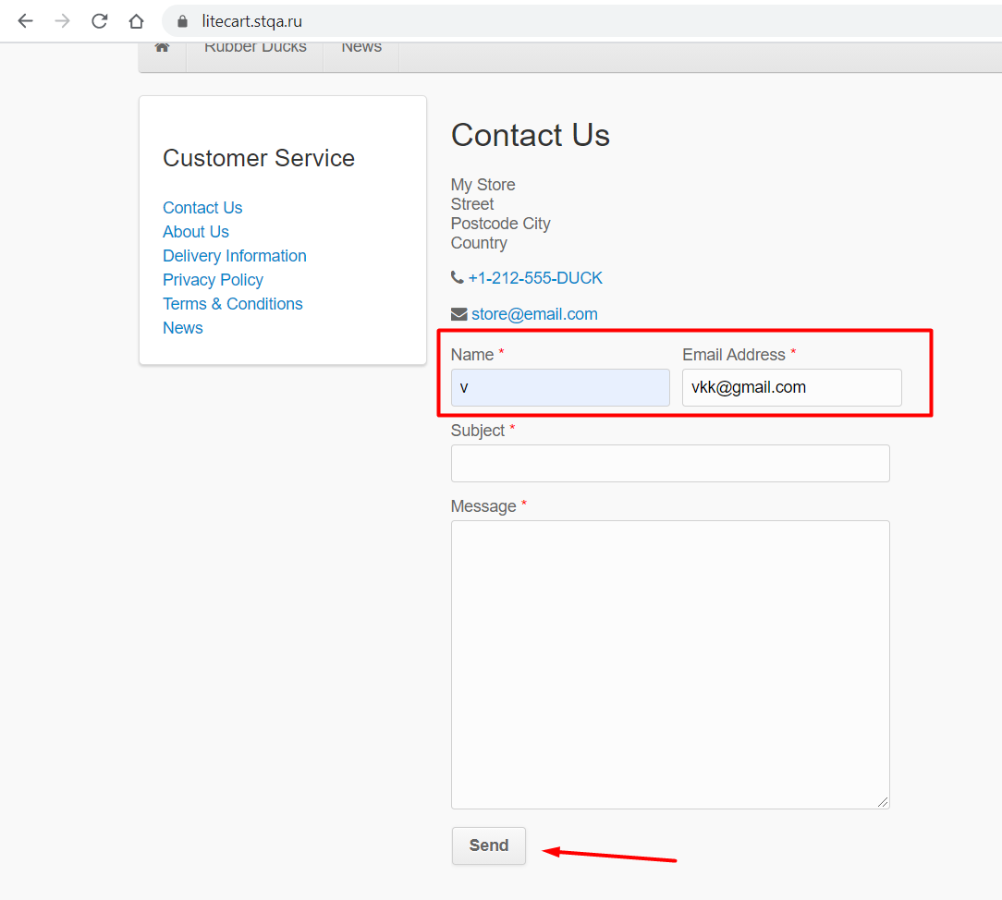
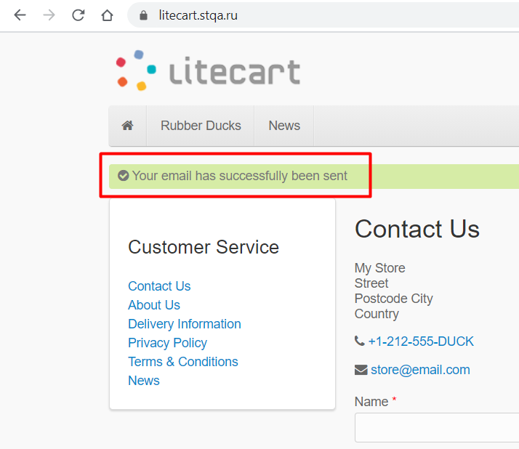
Actual result
Step 1. | Step 2. | Back to bug report

At CU-030
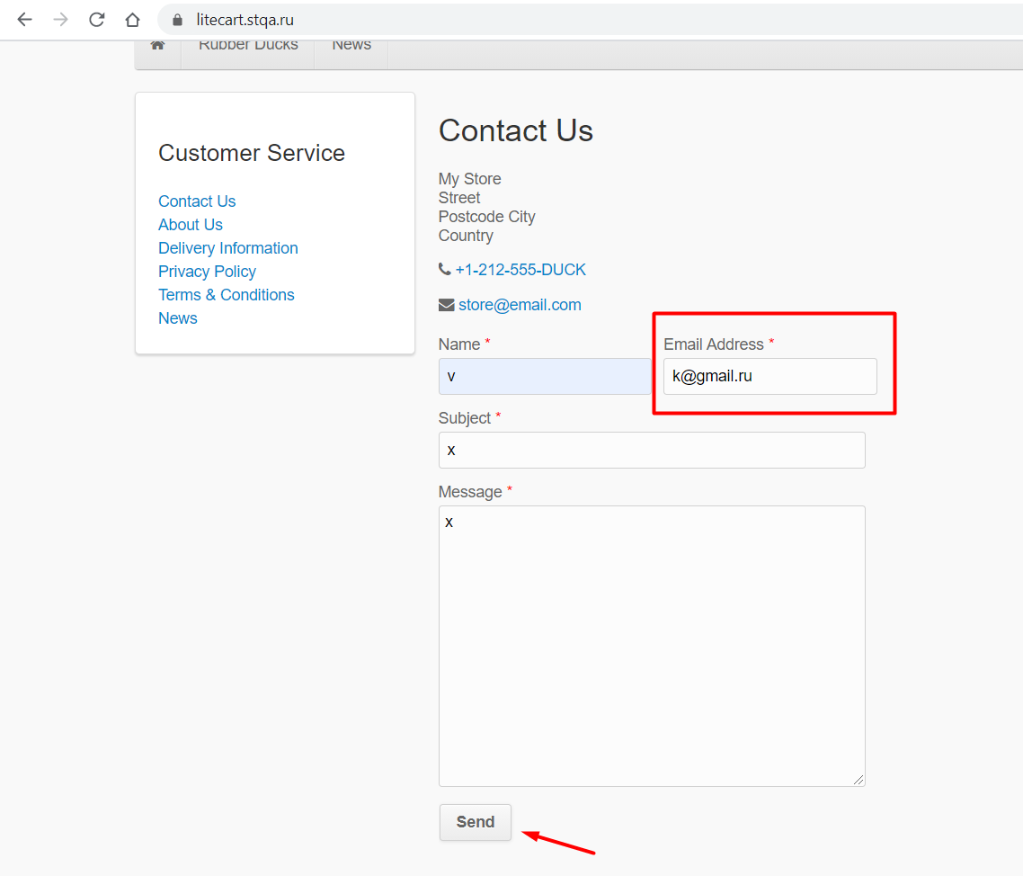
Actual result
Step 1. | Step 2. | Back to bug report

At CU-031
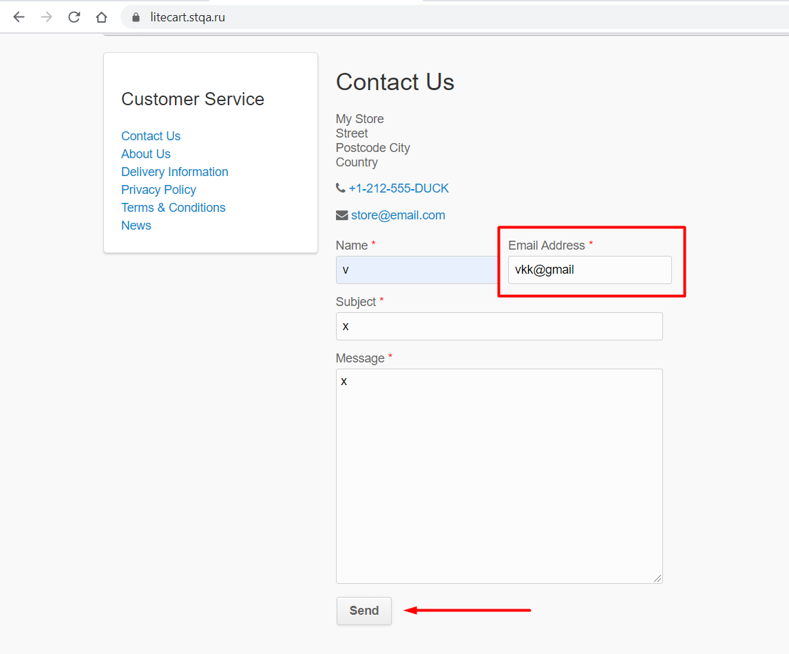
Actual result
Step 1. | Step 2. | Back to bug report

At CU-032
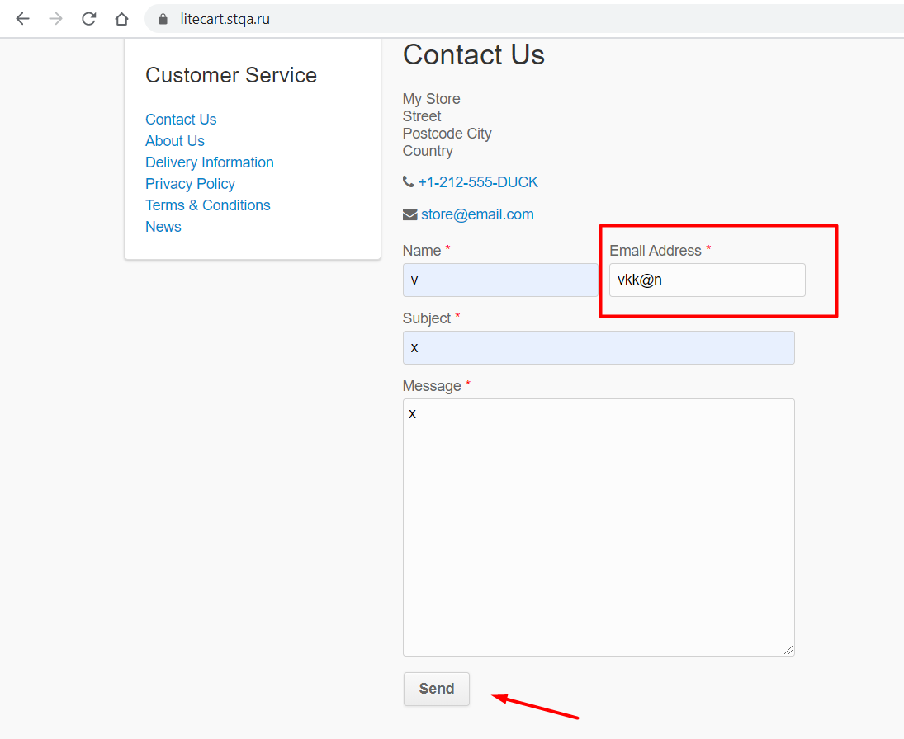
Actual result
Step 1. | Step 2. | Back to bug report

At CU-033
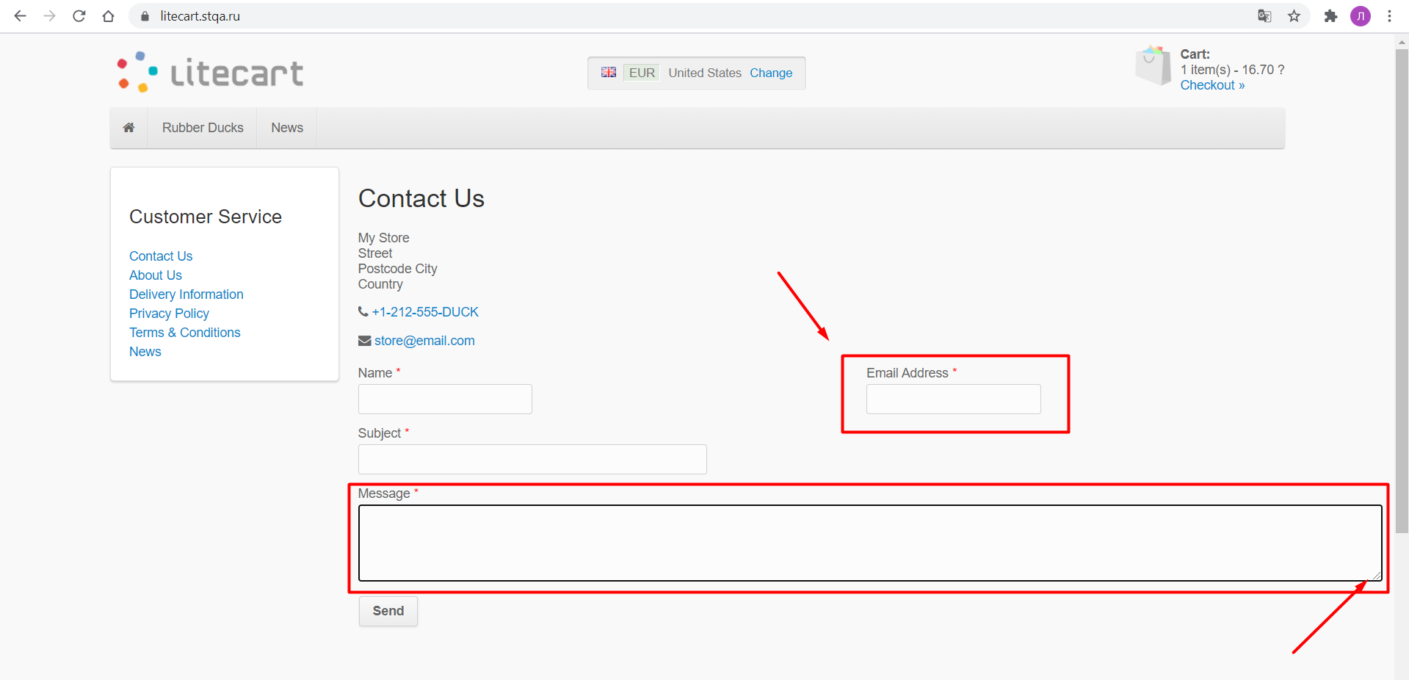
Actual result
Step 1. | Back to bug report

