At UR-001
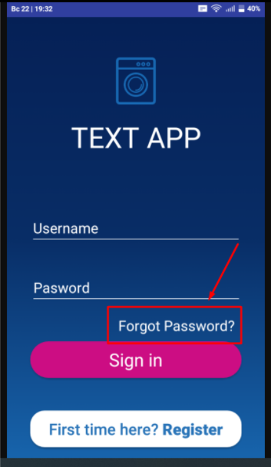
Actual result
Step 1.
 | Back to bug report

At UR-002
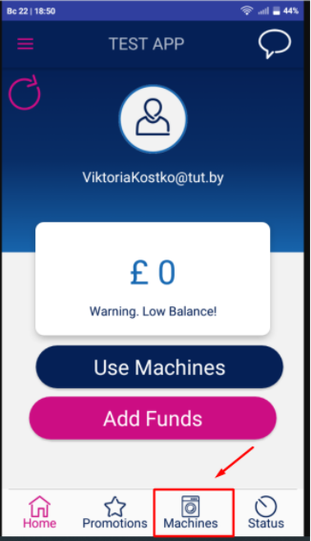
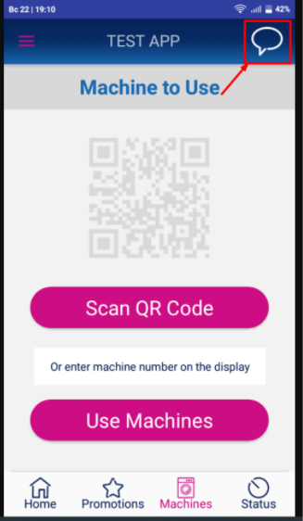
Actual result
Step 1. | Step 2.
 |  | Back to bug report

At UR-003
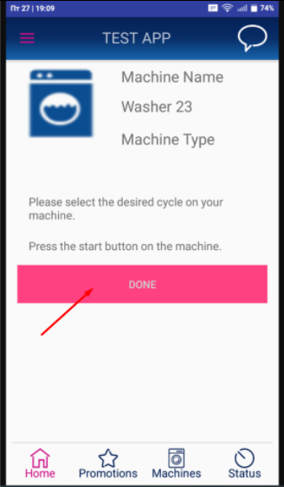
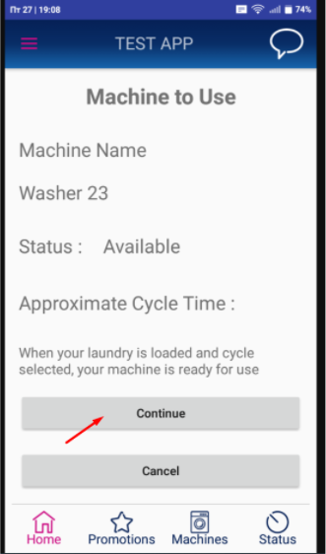
Actual result
Step 1. | Step 2.
 |  | Back to bug report

At UR-004
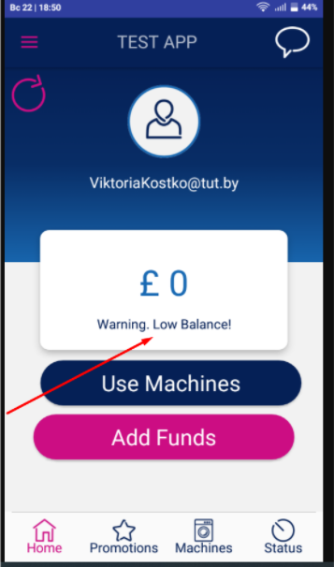
Actual result
Step 1.
 | Back to bug report

At UR-005
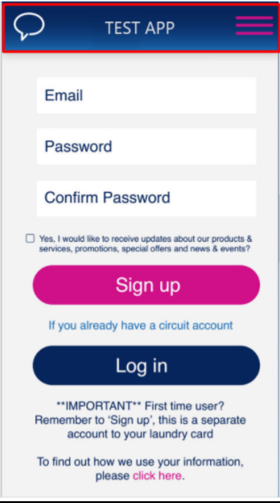

Actual result
Step 1. | Expected result
 |  | Back to bug report

At UR-006
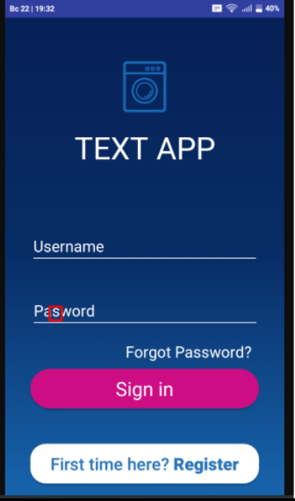
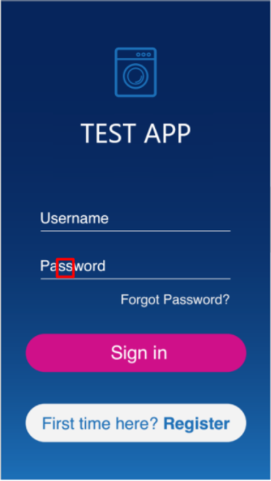
Actual result
Step 1. | Expected result
 |  | Back to bug report

At UR-007
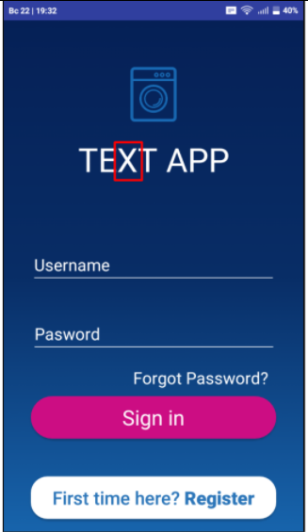
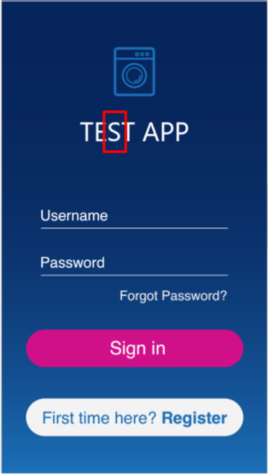
Actual result
Step 1. | Expected result
 |  | Back to bug report

At UR-008
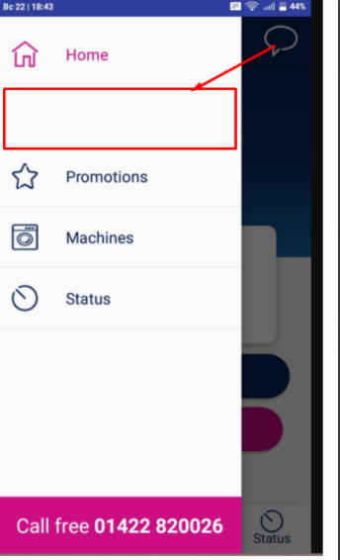

Actual result
Step 1. | Expected result
 |  | Back to bug report

At UR-009
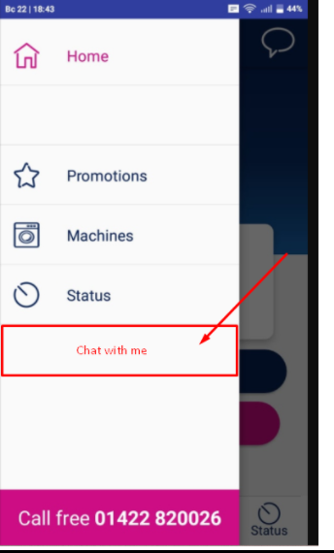

Actual result
Step 1. | Expected result
 |  | Back to bug report

At UR-010
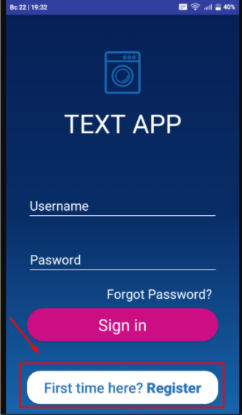

Actual result
Step 1. | Step 2. | Back to bug report

