At UR-001
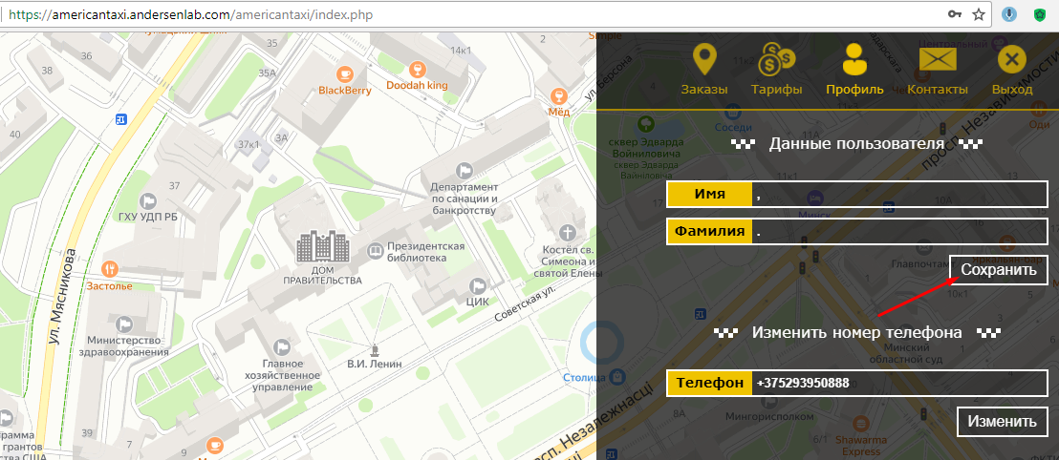
Actual result
Step 1.
 | Back to bug report

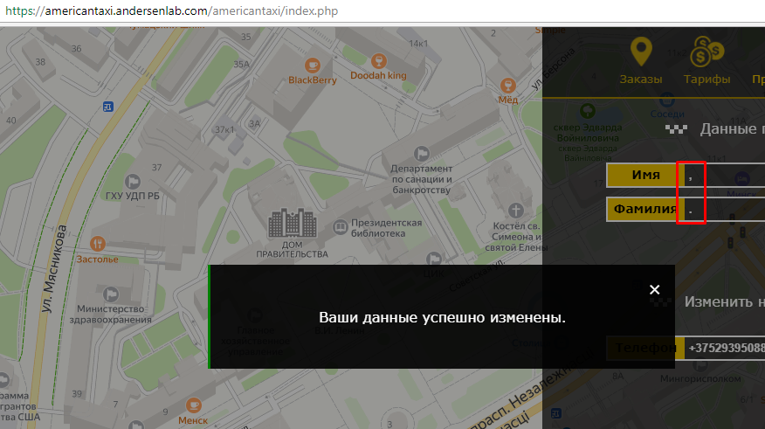
Step 2.

At UR-002
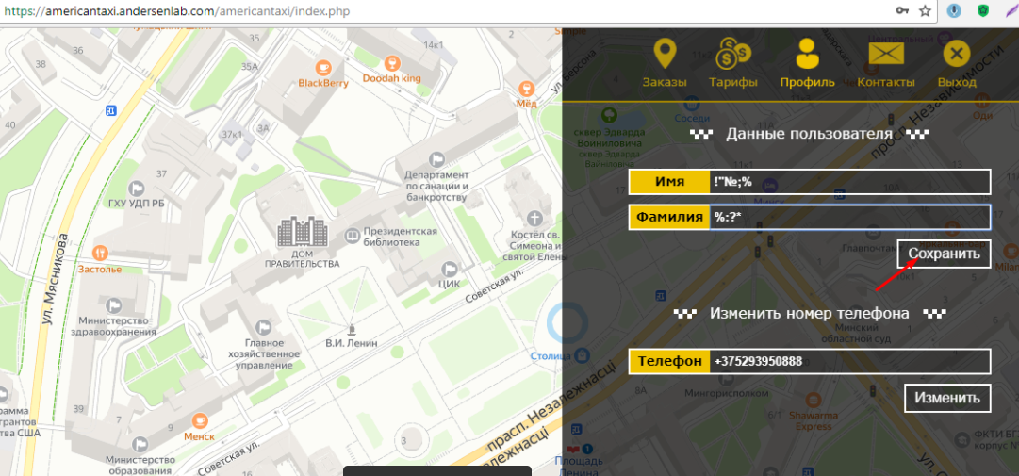
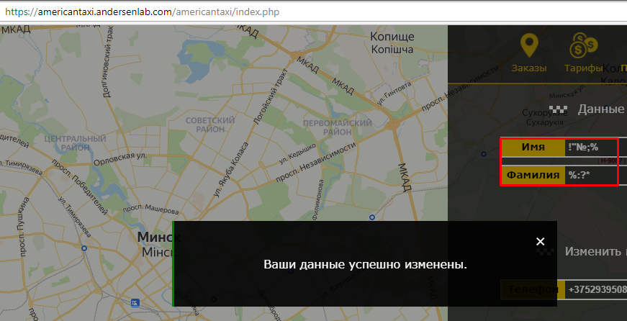
Actual result
Step 1. | Step 2.
 |  | Back to bug report

At UR-003
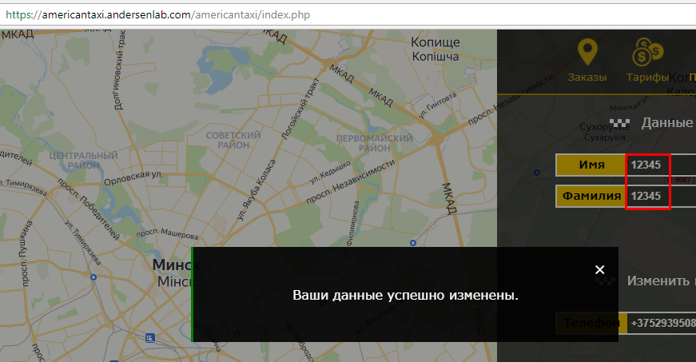
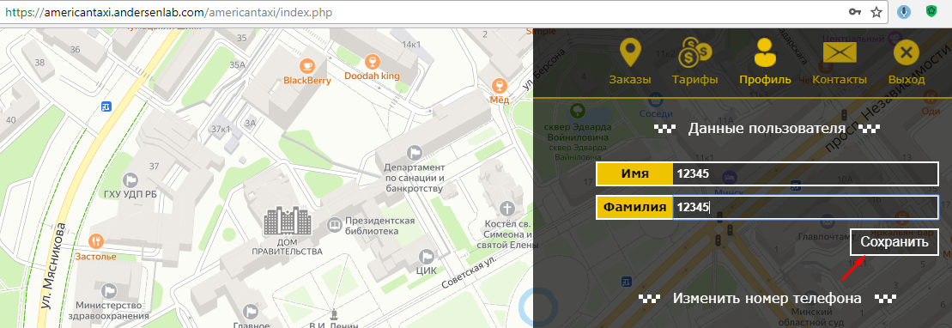
Actual result
Step 1.
 |  | Back to bug report

 | Step 2.

At UR-004
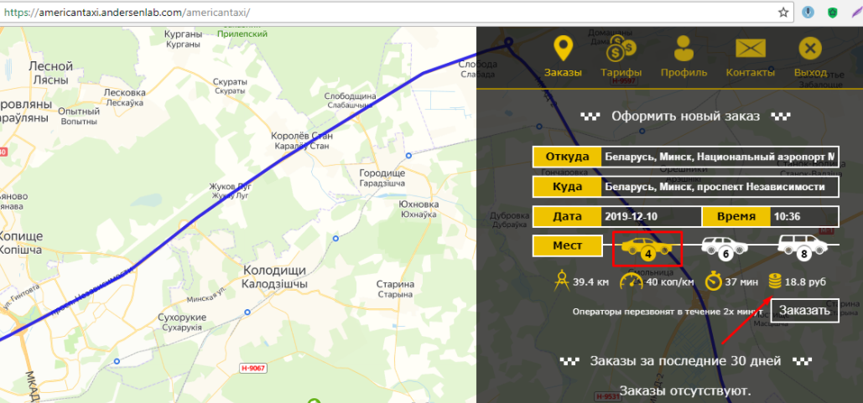
Actual result
Step 1.
 | Step 3. | Back to bug report

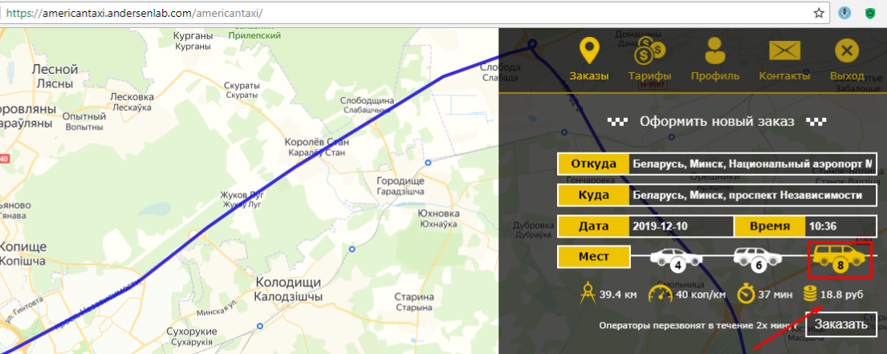

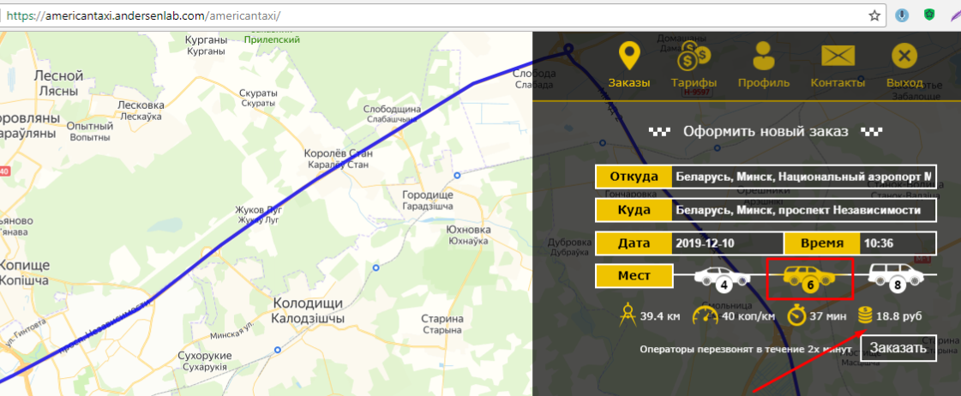
Step 2.

At UR-005

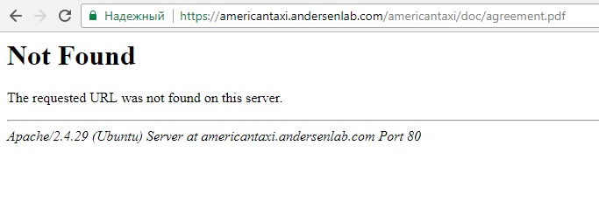
Actual result
Step 1. | Step 2.
 |  | Back to bug report

