Sheet1

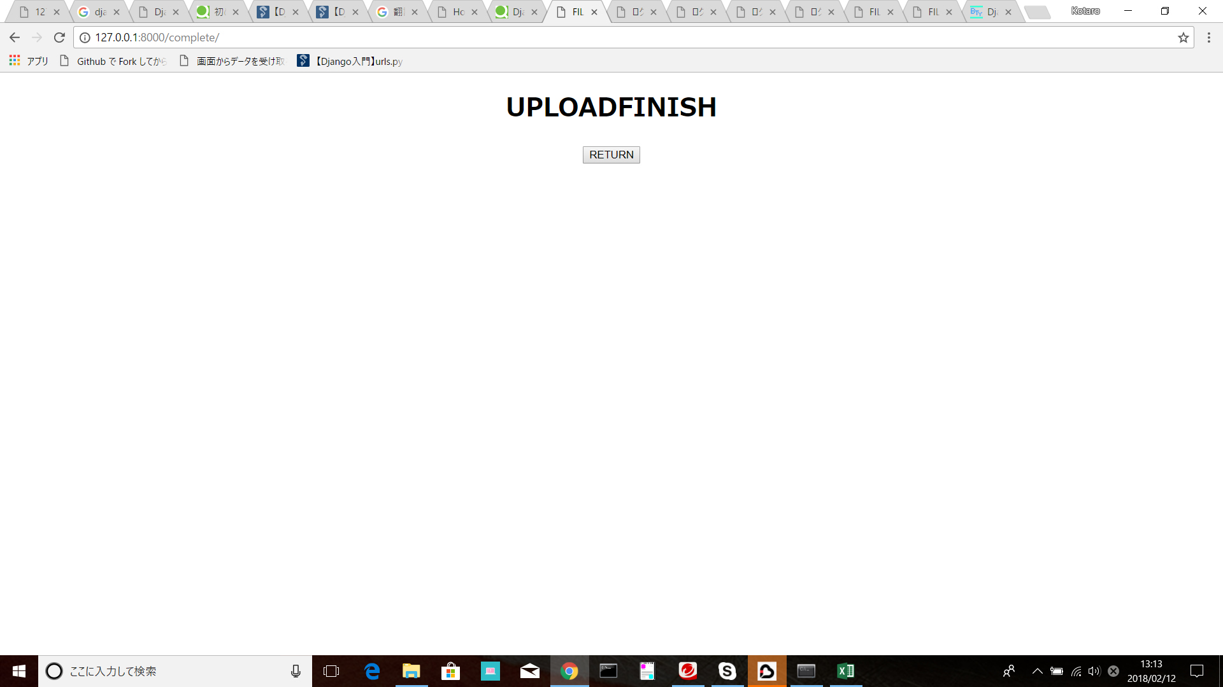
https://qiita.com/nnsnodnb/items/f7b1b0b7f2099e403947

