VoltageDivider_ADC
Signal Calculator for check on table provided Argent
R1 (kOhm) | 18 | kOhm fixed resistor |  |  |  |  |  |  |  | Reordered based on signal strength for 5V, 10kOhm |  |  |  |  |  |  |  |  | R2 tolerance | 5% |  |  | Adjusted sensorMin and sensorMax to avoid signal overlap in signals WRT tolerances
Vin | 3.31 | volts into circuit |  |  |  |  |  |  |  | NOTE: This table much be copied, pasted as values, and reordered from Table 2 if R1 is modified, so just keep it at 10K
TABLE 1 |  |  |  | TABLE 2 |  |  |  |  |  | TABLE 3 |  |  |  |  | TABLE 4 = f(TABLE 3)
order | Angle | R2 (kOhm) | Vout | order | Angle | Direction | Voltage | cenAnalog |  | order | Angle | Direction | V centered on | cenAnalong | order | Angle | Direction | V expected | cenAnalong | minAnalog | maxAnalog | Signal Overlap | order | Angle | Direction | V expected | sensorExp | sensorMin | sensorMax
0 | 0 | 33.000 | 2.14 | 0 | 0 | N | 2.14 | 661.94 |  | 5 | 112.5 | ESE | 0.32 | 65.85 | 0.32 | 112.5 | ESE | 0.32 | 66 | 63 | 69 |  | 5 | 112.5 | ESE | 0.32 | 66 | 63 | 69
1 | 22.5 | 6.570 | 0.89 | 1 | 22.5 | NNE | 0.89 | 273.55 |  | 3 | 67.5 | ENE | 0.41 | 83.69 | 0.41 | 67.5 | ENE | 0.41 | 84 | 80 | 88 |  | 3 | 67.5 | ENE | 0.41 | 84 | 80 | 88
2 | 45.0 | 8.200 | 1.04 | 2 | 45 | NE | 1.04 | 320.18 |  | 4 | 90 | E | 0.45 | 93.00 | 0.45 | 90 | E | 0.45 | 93 | 88 | 98 | 1 | 4 | 90 | E | 0.45 | 93 | 89 | 98
3 | 67.5 | 0.891 | 0.16 | 3 | 67.5 | ENE | 0.16 | 48.25 |  | 7 | 157.5 | SSE | 0.62 | 126.42 | 0.62 | 157.5 | SSE | 0.62 | 126 | 120 | 132 |  | 7 | 157.5 | SSE | 0.62 | 126 | 120 | 133
4 | 90.0 | 1.000 | 0.17 | 4 | 90 | E | 0.17 | 53.84 |  | 6 | 135 | SE | 0.90 | 184.48 | 0.9 | 135 | SE | 0.9 | 184 | 175 | 193 |  | 6 | 135 | SE | 0.9 | 184 | 175 | 194
5 | 112.5 | 0.688 | 0.12 | 5 | 112.5 | ESE | 0.12 | 37.66 |  | 9 | 202.5 | SSW | 1.19 | 244.46 | 1.19 | 202.5 | SSW | 1.19 | 244 | 232 | 256 |  | 9 | 202.5 | SSW | 1.19 | 244 | 232 | 257
6 | 135.0 | 2.200 | 0.36 | 6 | 135 | SE | 0.36 | 111.42 |  | 8 | 180 | S | 1.40 | 287.03 | 1.4 | 180 | S | 1.4 | 287 | 273 | 301 |  | 8 | 180 | S | 1.4 | 287 | 273 | 301
7 | 157.5 | 1.410 | 0.24 | 7 | 157.5 | SSE | 0.24 | 74.31 |  | 1 | 22.5 | NNE | 1.98 | 405.62 | 1.98 | 22.5 | NNE | 1.98 | 406 | 386 | 426 |  | 1 | 22.5 | NNE | 1.98 | 406 | 385 | 426
8 | 180.0 | 3.900 | 0.59 | 8 | 180 | S | 0.59 | 182.18 |  | 2 | 45 | NE | 2.25 | 460.91 | 2.25 | 45 | NE | 2.25 | 461 | 438 | 484 |  | 2 | 45 | NE | 2.25 | 461 | 438 | 484
9 | 202.5 | 3.140 | 0.49 | 9 | 202.5 | SSW | 0.49 | 151.95 |  | 11 | 247.5 | WSW | 2.93 | 598.87 | 2.93 | 247.5 | WSW | 2.93 | 599 | 569 | 629 |  | 11 | 247.5 | WSW | 2.93 | 599 | 569 | 612
10 | 225.0 | 16.000 | 1.56 | 10 | 225 | SW | 1.56 | 481.41 |  | 10 | 225 | SW | 3.08 | 629.54 | 3.08 | 225 | SW | 3.08 | 630 | 599 | 662 | 1 | 10 | 225 | SW | 3.08 | 630 | 613 | 661
11 | 247.5 | 14.120 | 1.46 | 11 | 247.5 | WSW | 1.46 | 449.71 |  | 15 | 337.5 | NNW | 3.43 | 702.11 | 3.43 | 337.5 | NNW | 3.43 | 702 | 667 | 737 |  | 15 | 337.5 | NNW | 3.43 | 702 | 667 | 737
12 | 270.0 | 120.000 | 2.88 | 12 | 270 | W | 2.88 | 889.57 |  | 0 | 0 | N | 3.84 | 785.09 | 3.84 | 0 | N | 3.84 | 785 | 746 | 824 |  | 0 | 0 | N | 3.84 | 785 | 746 | 811
13 | 292.5 | 42.120 | 2.32 | 13 | 292.5 | WNW | 2.32 | 716.71 |  | 13 | 292.5 | WNW | 4.04 | 826.72 | 4.04 | 292.5 | WNW | 4.04 | 827 | 786 | 868 | 1 | 13 | 292.5 | WNW | 4.04 | 827 | 812 | 868
14 | 315.0 | 64.900 | 2.59 | 14 | 315 | NW | 2.59 | 800.88 |  | 14 | 315 | NW | 4.33 | 886.42 | 4.33 | 270 | W | 4.33 | 886 | 842 | 930 | 1 | 14 | 315 | NW | 4.33 | 886 | 869 | 930
15 | 337.5 | 21.880 | 1.82 | 15 | 337.5 | NNW | 1.82 | 561.26 |  | 12 | 270 | W | 4.62 | 944.31 | 4.62 | 315 | NW | 4.62 | 944 | 897 | 991 | 1 | 12 | 270 | W | 4.62 | 945 | 931 | 993

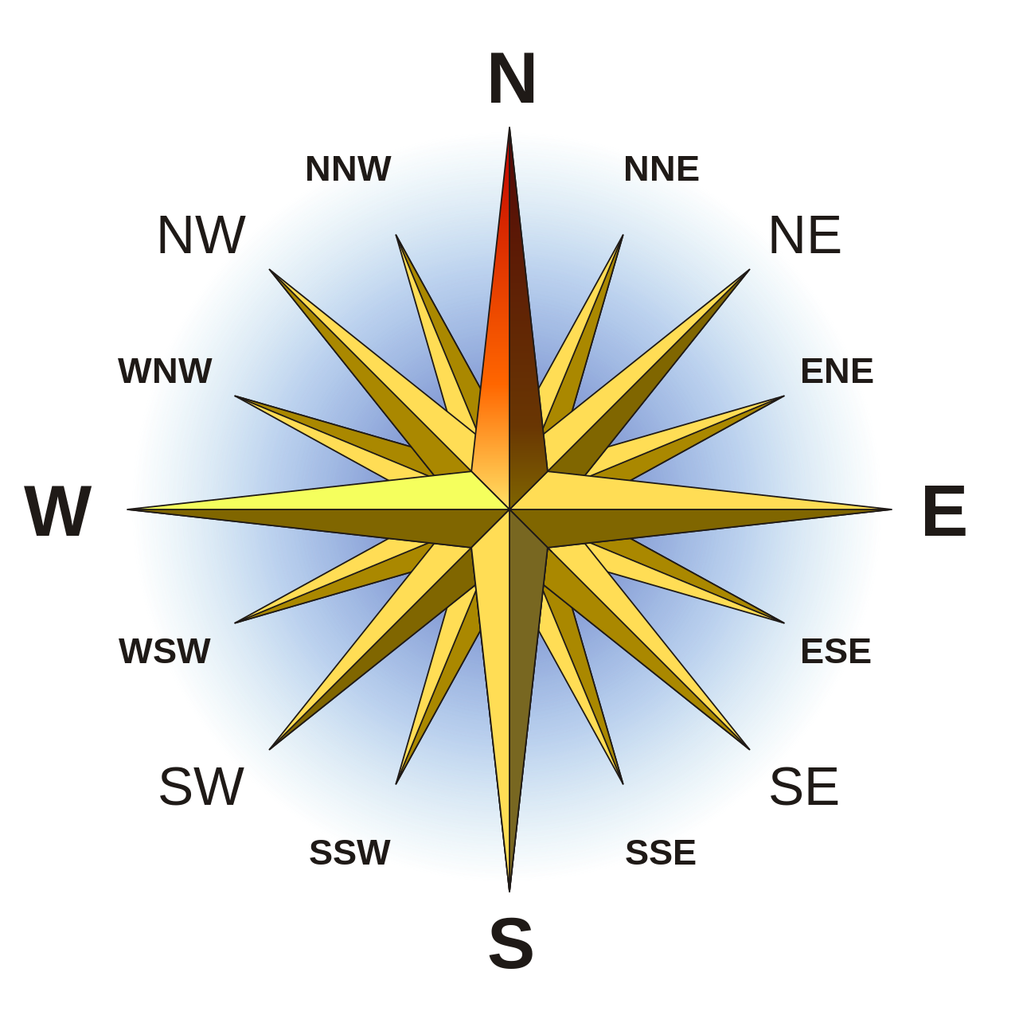

 |  |  |  |  | corrected to 4.33; table corrected in latest releases

 |  |  |  |  |  |  | 0 | 0 | N | 3.84 | 785.09
 |  |  |  |  |  |  | 1 | 22.5 | NNE | 1.98 | 405.62
 |  |  |  |  |  |  | 2 | 45 | NE | 2.25 | 460.91
 |  |  |  |  |  |  | 3 | 67.5 | ENE | 0.41 | 83.69
 |  |  |  |  |  |  | 4 | 90 | E | 0.45 | 93.00
 |  |  |  |  |  |  | 5 | 112.5 | ESE | 0.32 | 65.85
 |  |  |  |  |  |  | 6 | 135 | SE | 0.90 | 184.48
 |  |  |  |  |  |  | 7 | 157.5 | SSE | 0.62 | 126.42
 |  |  |  |  |  |  | 8 | 180 | S | 1.40 | 287.03
 |  |  |  |  |  |  | 9 | 202.5 | SSW | 1.19 | 244.46
 |  |  |  |  |  |  | 10 | 225 | SW | 3.08 | 629.54
 |  |  |  |  |  |  | 11 | 247.5 | WSW | 2.93 | 598.87
 |  |  |  |  |  |  | 12 | 270 | W | 4.62 | 944.31
 |  |  |  |  |  |  | 13 | 292.5 | WNW | 4.04 | 826.72
 |  |  |  |  |  |  | 14 | 315 | NW | 4.33 | 886.42
 |  |  |  |  |  |  | 15 | 337.5 | NNW | 3.43 | 702.11

