Bug report
Bug reports on the results of passing tests
Product: Trello.com Environment: Prod, version 21H1 Windows 10
ID | Summary | Description | Steps to reproduse | Severity | Priority | Workaround | Attachments | Status
1 | Avatars of all users are not displayed in the side menu | Actual result: Avatars of all users are not displayed in the side menu Expected result: Avatars of all users are displayed in the side menu | 1. Open the screenshot Trello 2. Look at the avatars list of the side menu | Critical | Normal | None | 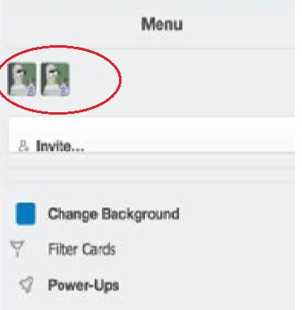 | Submitted
2 | Misspelling in a word "user story" in menu "In progress" | Actual result: Displays "Use story" Expected result: Displays "User story" | 1. Open the screenshot Trello 2. Look at the "In progress" list of the side menu | Hight | Normal | None | 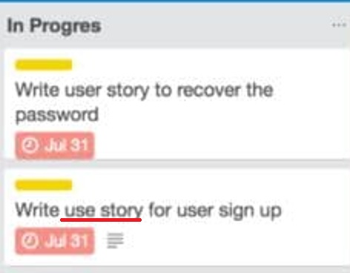 | Submitted
3 | An overdue deadline is displayed twice in a column done | Actual result: An overdue deadline is displayed twice in a column done Expected result: An overdue deadline is displayed once | 1. Open the screenshot Trello 2. Look in the block for an overdue deadline | Critical | Normal | None |  | Submitted
4 | An empty note is displayed in the archive column | Actual result: An empty note is displayed in the archive column Expected result: Empty columns are not displayed | 1. Open the screenshot Trello 2. See column archive | Critical | Normal | None | 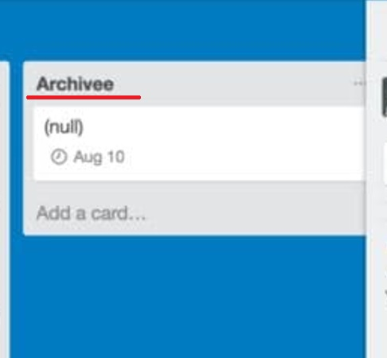 | Submitted
5 | Misspelling in a word "design" in menu "Done" | Actual result: Displays "Deisgn" Expected result: Displays "Design" | 1. Open the screenshot Trello 2. Look at the "Done" list of the side menu | Hight | Normal | None | 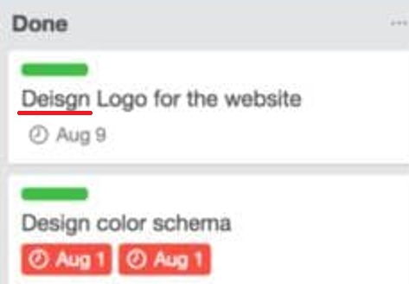 | Submitted
6 | The text on the "Invite..." button in the menu field is not centered | Actual result: The text on the "Invite..." button in the menu field is not centered Expected result: The text on the "Invite..." button is centered | 1. Open the screenshot Trello 2. Look at the [Invite...] button in the menu field | Hight | Low | None | 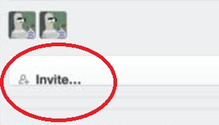 | Submitted
7 | Filter card label has shifted to the left in the side menu | Actual result: Filter card label has shifted to the left in the side menu Expected result: Filter card label is not shifted to the left in the menu | 1. Open the screenshot Trello 2. Look at the filter card label | Hight | Low | None | 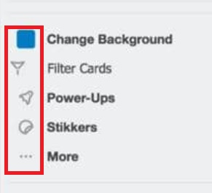 | Submitted
8 | Filter card link font is not bold in the side menu | Actual result: Filter card link font is not bold in the side menu Expected result: Filter card link font in bold | 1. Open the screenshot Trello 2. Look at the filter card link | Hight | Normal | None | 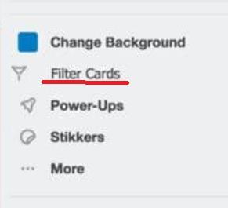 | Submitted
9 | Activity list not sorted by date in the side menu | Actual result: Activity list not sorted by date in the side menu Expected result: Activity list sorted by date in the side menu | 1. Open the screenshot Trello 2. Look at activity in the side menu | Critical | High | None | 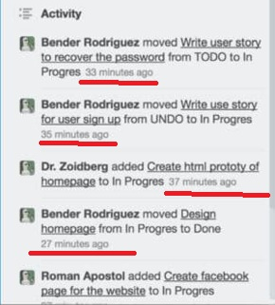 | Submitted
10 | Misspelling in a word "In Progress" in menu | Actual result: Displays "In Progres" Expected result: Displays "In Progress" | 1. Open the screenshot Trello 2. Look at the "In Progres" list of the side menu | Hight | Normal | None | 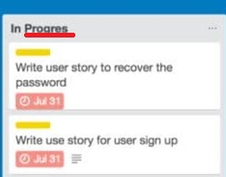 | Submitted

