UC-Specific
UC-Timetracking and FP-Calculation – BFFL
 |  |  | Timetracking |  |  |  | FP-Calculating
Nr. | UC-Name | UC Description | Docu. | Dev. | Test | Total | DETs | RETs | FTRs | FP
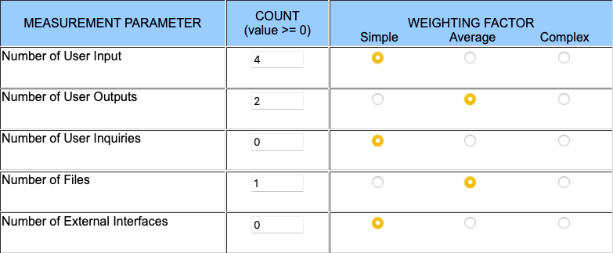
1 | IAM | Login, Authentication, Token-Issuing etc. | 00:00 | 32:00 | 00:00 | 32.00 |  |  |  | 31.68
 |  |  | Number of User Inputs: |  |  |  | 2 |  | 1
 |  |  | Number of User Outputs: |  |  |  | 16+ |  | 1
 |  |  | Number of User Inquiries |  |  |  | N/A |  | N/A
 |  |  | Number of Files |  |  |  | 20-50 | 2
 |  |  | Number of External Files |  |  |  | N/A | N/A
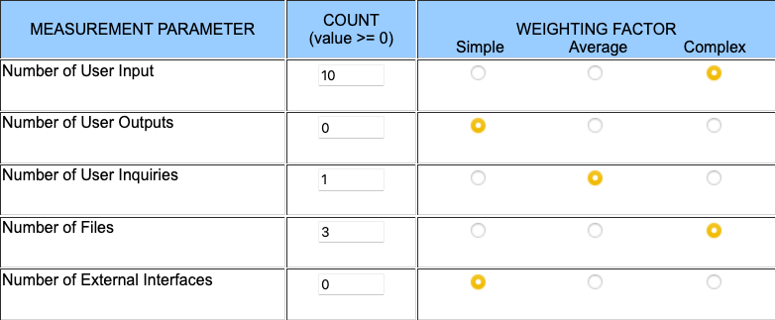
2 | Create ShortURL | FE- and BE-Functionality for CRUD-Operation CREATE | 00:00 | 00:00 | 00:00 | 106.83 |  |  |  | 107.91
 |  |  | Number of User Inputs: |  |  |  | 15+ |  | 3
 |  |  | Number of User Outputs: |  |  |  | N/A |  | N/A
 |  |  | Number of User Inquiries |  |  |  | 17+ |  | 3
 |  |  | Number of Files |  |  |  | 20+ | 8
 |  |  | Number of External Files |  |  |  | N/A | N/A
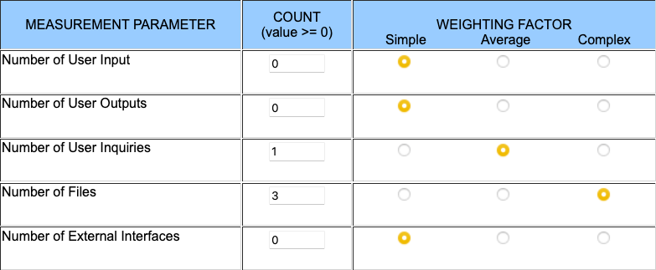
3 | Show ShortURL | FE- and BE-Functionality for CRUD-Operation READ | 00:00 | 00:00 | 00:00 | 34.75 |  |  |  | 48.51
 |  |  | Number of User Inputs: |  |  |  | N/A |  | N/A
 |  |  | Number of User Outputs: |  |  |  | N/A |  | N/A
 |  |  | Number of User Inquiries |  |  |  | 17+ |  | 3
 |  |  | Number of Files |  |  |  | 20+ | 8
 |  |  | Number of External Files |  |  |  | N/A | N/A
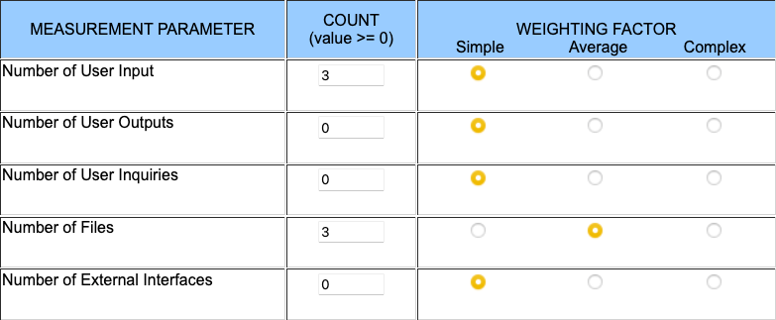
4 | Delete ShortURL | FE- and BE-Functionality for CRUD-Operation DELETE | 00:00 | 00:00 | 00:00 | 18.50 |  |  |  | 38.61
 |  |  | Number of User Inputs: |  |  |  | 0 |  | 0
 |  |  | Number of User Outputs: |  |  |  | N/A |  | N/A
 |  |  | Number of User Inquiries |  |  |  | N/A |  | N/A
 |  |  | Number of Files |  |  |  | 14 | 6
 |  |  | Number of External Files |  |  |  | N/A | N/A
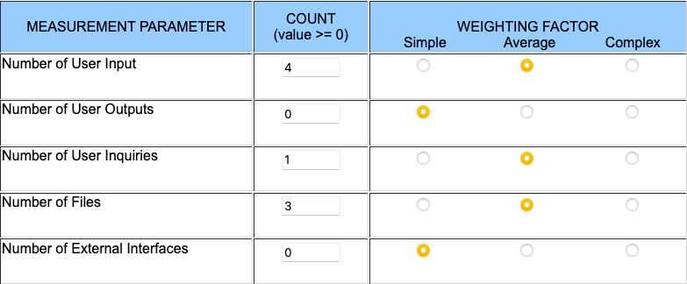
5 | Update ShortURL | FE- and BE-Functionality for CRUD-Operation UPDATE | 00:00 | 00:00 | 00:00 | 49.01 |  |  |  | 49.5
 |  |  | Number of User Inputs: |  |  |  | 1-15+ |  | 1-3
 |  |  | Number of User Outputs: |  |  |  | N/A |  | N/A
 |  |  | Number of User Inquiries |  |  |  | 17+ |  | 3
 |  |  | Number of Files |  |  |  | 4-15+ | 3-8
 |  |  | Number of External Files |  |  |  | N/A | N/A
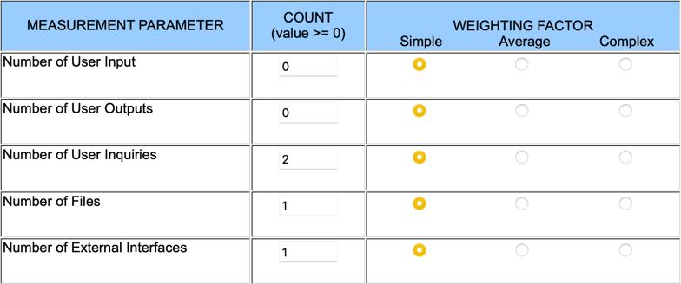
6 | Use ShortURL | FE- and BE-Functionality for Usage of ShortURLs | 00:30 | 06:00 | 00:00 | 6.50 |  |  |  | 17.82
 |  |  | Number of User Inputs: |  |  |  | N/A |  | N/A
 |  |  | Number of User Outputs: |  |  |  | N/A |  | N/A
 |  |  | Number of User Inquiries |  |  |  | 2 |  | 1
 |  |  | Number of Files |  |  |  | 3 | 2
 |  |  | Number of External Files |  |  |  | 1 | 1

Project-Specific
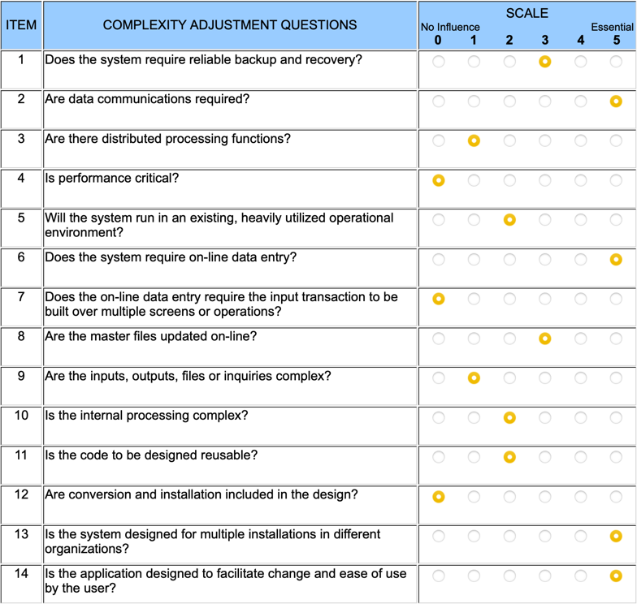

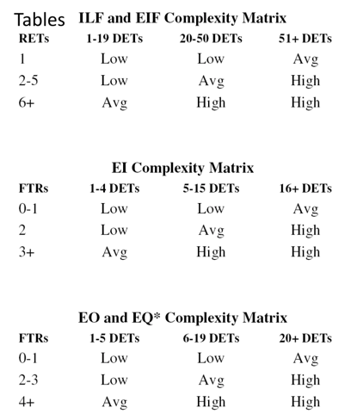

Chart
 | Finished UCs |  | Unfinished UCs |  | Avg
0.00 | 0.00 | 81.00 | 107.91 | 0.00 | 0.00
6.50 | 17.82 |  |  | 90.00 | 120.00
18.50 | 38.61 | 37.50 | 49.50
32.00 | 31.68
34.75 | 48.51
x | y
0.00 | 0.00
6.50 | 17.82
18.50 | 38.61
32.00 | 31.68
34.75 | 48.51

x | y
81.00 | 107.91

37.50 | 49.50

0.00 | 0.00
90.00 | 120.00

