Bug Report 1
ID | #1
Reporter: | Alex Kraynov | Assignee: |  | Status: | New
Type: | Functional | Severity: | Minor | Priority: | High
Browser: | Google Chrome 110.0.5481.178 | OS: | Windows | OS version | 10
Summary: | The user cannot go to the main page by clicking on the GoIT logo in the header
Description:

Pre-conditions:
1 | Open https://qa-autocheck-test.goit.global/?token=d5fcc3783ba50fcac78b5a5ea8e4d69f6fe51ed8368bc618a58a846ad8b03a63&block=xyz01ab35
2
Steps to reproduce:
1 | Click on GoIt logo in page header
2
3
4
Actual result:
https://goiteens.com/ opens in new page

Expected result:
https://goit.global/ua-ru/ opens in new page
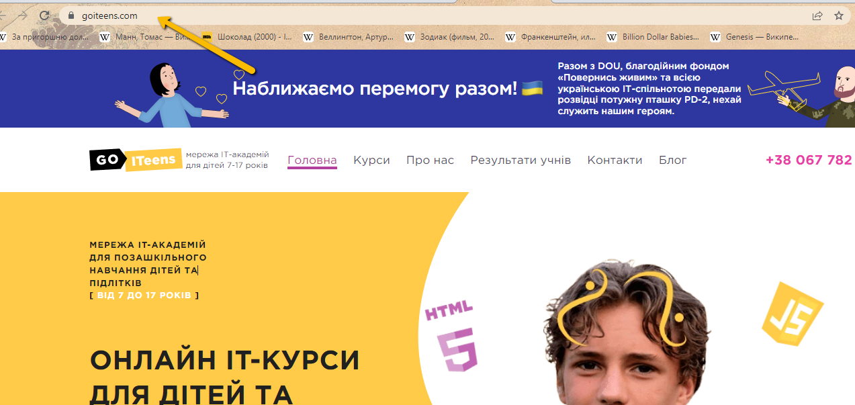
Attachments:
Additional info:

Bug Report 5
ID | #5
Reporter: | Alex Kraynov | Assignee: |  | Status: | New
Type: | Functional | Severity: | Minor | Priority: | High
Browser: | Google Chrome 110.0.5481.178 | OS: | Windows | OS version | 10
Summary: | Clicking on the "Приховати теорію та завдання" button collapses the adjacent modules
Description:

Pre-conditions:
1 | Open https://qa-autocheck-test.goit.global/?token=d5fcc3783ba50fcac78b5a5ea8e4d69f6fe51ed8368bc618a58a846ad8b03a63&block=xyz01ab35
2
Steps to reproduce:
1 | Click on "Приховати теорію та завдання"
2
3
4
Actual result:
The theory section is hidden, the editor and results windows are partially collapsed

Expected result:
The theory section is hidden and the editor window expands to the full width of the page. The button shrinks to an icon with no text.

Attachments: | 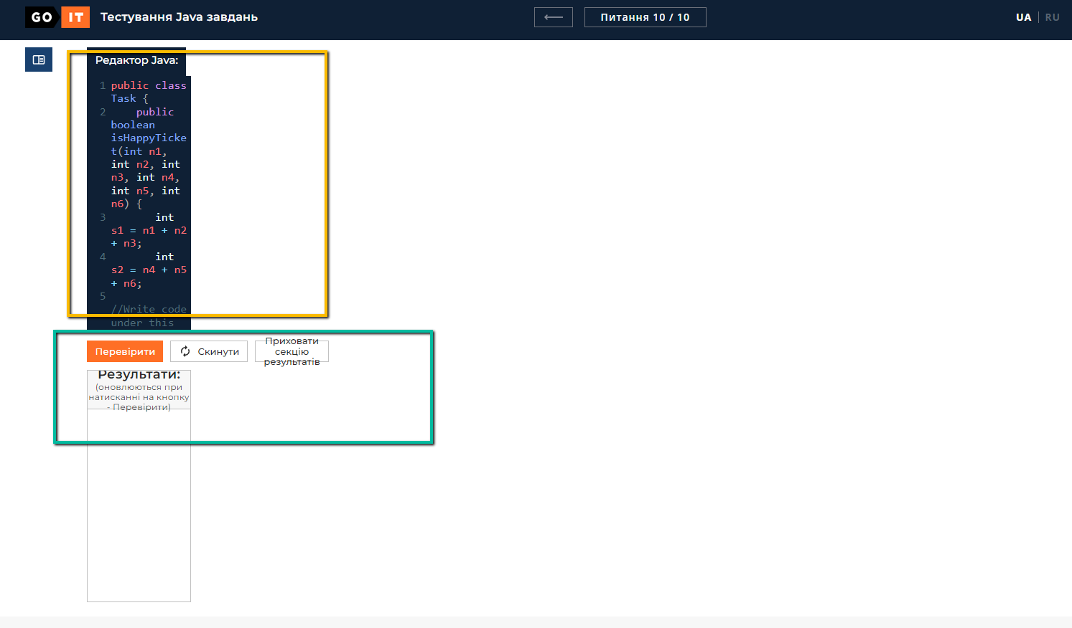
Additional info:

Bug Report 11
ID | #11
Reporter: | Alex Kraynov | Assignee: |  | Status: | New
Type: | UI | Severity: | Major | Priority: | Medium
Browser: | Google Chrome 110.0.5481.178 | OS: | Windows | OS version | 10
Summary: | "Приховати секцію результатів" section does not collapse correctly
Description:

Pre-conditions:
1 | Open https://qa-autocheck-test.goit.global/?token=d5fcc3783ba50fcac78b5a5ea8e4d69f6fe51ed8368bc618a58a846ad8b03a63&block=xyz01ab35
2
Steps to reproduce:
1 | Click on "Приховати секцію результатів"
2
3
4
Actual result:
The validation menu moves to the middle of the code editor, the text of the "Скинути"and "Показати секцію результатів" buttons merges with the background

Expected result:
When you click the "Приховати секцію результатів" button, the results section is collapsed, the code editor window expands to the full height of the page body, the validation menu moves to the bottom of the page, the button text changes to "Показати секцію результатів".

Attachments: | 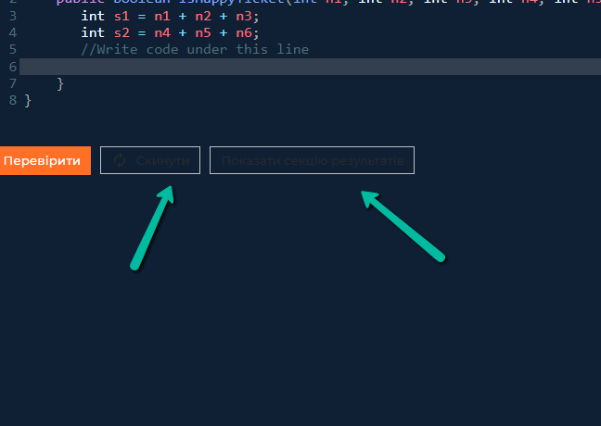
Additional info:

Bug Report 12
ID | #12
Reporter: | Alex Kraynov | Assignee: |  | Status: | New
Type: | Functional | Severity: | Minor | Priority: | High
Browser: | Google Chrome 110.0.5481.178 | OS: | Windows | OS version | 10
Summary: | The user does not see the privacy policy modal window after clicking on the "Політика конфіденційності" clickable text in the footer
Description:

Pre-conditions:
1 | Open https://qa-autocheck-test.goit.global/?token=d5fcc3783ba50fcac78b5a5ea8e4d69f6fe51ed8368bc618a58a846ad8b03a63&block=xyz01ab35
2
Steps to reproduce:
1 | click on "Політика конфіденційності"
2 | Close the modal window by clicking on the cross in the upper right corner, the gray background or the "Esc" key.
3
4
Actual result:
The modal does not include a privacy policy in the language of the corresponding highlighted localization indicator. Clicking on the cross in the upper corner does not close the window

Expected result:
A modal window opens with information about the privacy policy in the language corresponding to the illuminated localization indicator in the header.
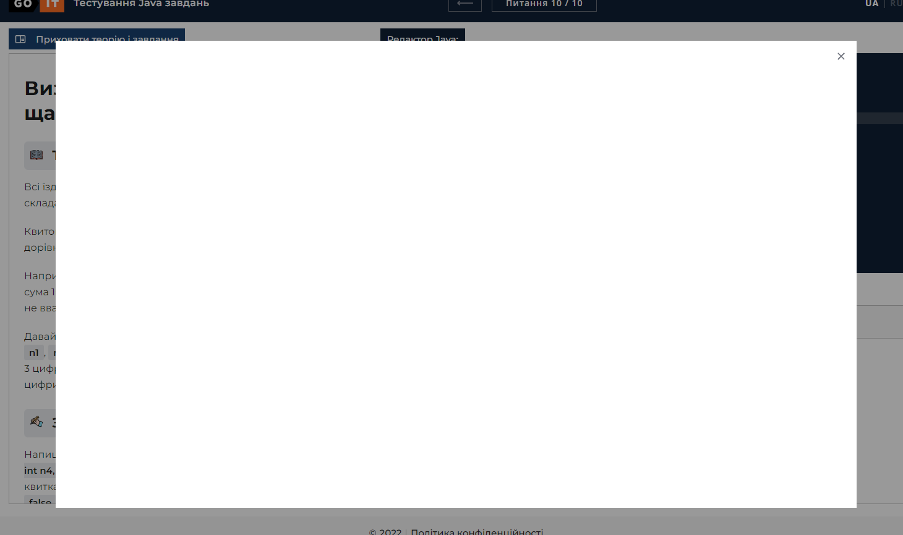
Attachments:
Additional info:
Pressing "Esc" and clicking outside the window closes it.

