Sheet2
STORM MANHOLES |  |  |  | POWER MANHOLES |  |  |  | SEWER MANHOLES
SL.NO | TCS TYPE | ACCESS SHAFT DIMENSION (B × L) (mm) | CLEAR OPENING (mm) | TYPE | L | W | IMAGE | S.No | Type | Dia | Height
1 | 25M, 17M & 12M | 750 × 1200 | 560 | TYPE-13 | 3.75 | 2.2 |  | 1 | A | 900 | 1650
2 | 15.6M & 9M | 600 × 1200 | 500 |  | 3 | 2.2 |  | 2 | B | 1200 | 2290
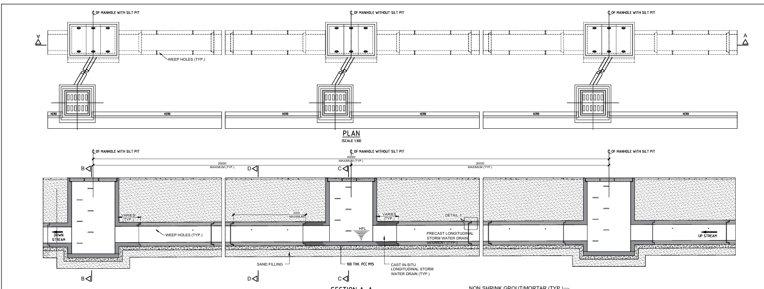
 |  |  |  |  | 2.5 | 2.2 |  | 3 | C | 1500 | 5000
 |  |  |  |  | 2.2 | 2.2 |  | 4 | D | 1800 | 8000
 |  |  |  | TYPE-14 (CROSSING) | 3.75 | 2.2
 |  |  |  |  | 3 | 2.2
 |  |  |  |  | 2.5 | 2.2
 |  |  |  |  | 2.2 | 2.2
 |  |  |  | TYPE-15 (DEVIATION) | 2.5 | 2.2
 |  |  |  |  | 3 | 2.2
 |  |  |  |  | 3.75 | 2.2
 |  |  |  | TYPE-16 (D-CONFIGURATION) | 3 | 2.2
 |  |  |  | TYPE-17 (12m-ROW) | 3.75 | 1.25
 |  |  |  |  | 3 | 1.25
 |  |  |  |  | 2.5 | 1.25
STORM |  |  |  | TYPE-18 (9m-ROW) | 3.75 | 1.3
INLET CHAMBERS |  | DRAINS |  |  | 2.5 | 1.3
600 X 600 |  | VARIES |  |  | 2.2 | 1.3
 |  |  |  | TYPE-18 (9m-ROW) CROSSING | 3 | 1.3
 |  |  |  |  | 2.5 | 1.3
 |  |  |  |  | 2.2 | 1.3

