GameOfficials Instructions
Go to Game Officials Reports
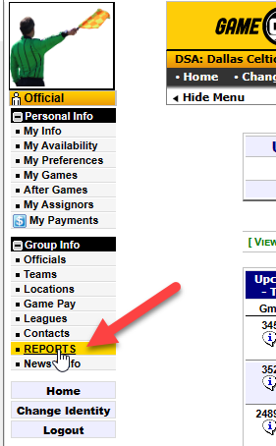

Choose Officials Schedule - Full Game Details

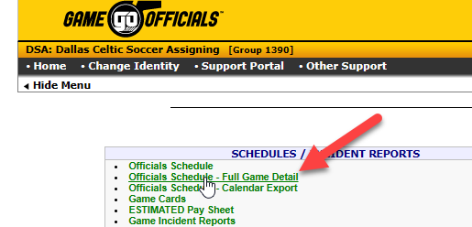

Choose whatever you need (Next 7 days is easy)

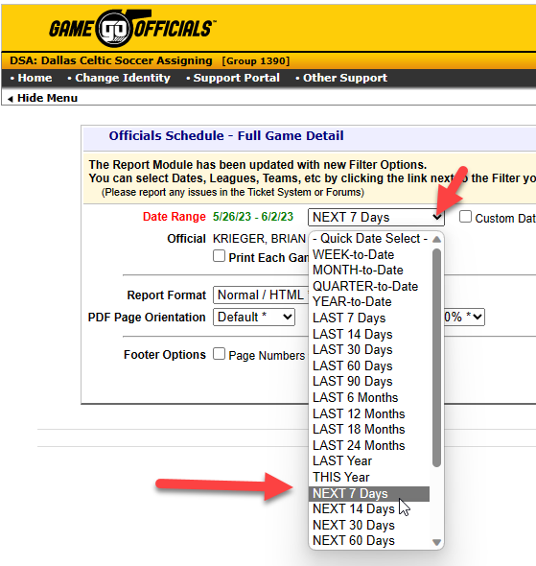

Get Report
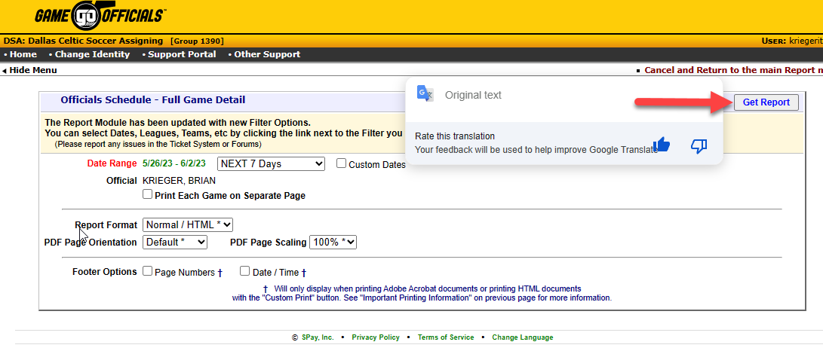

Export to excel

Open in Excel
Choose "yes" when prompted about format and extension not matching

Select all data on the sheet (easiest to do is click the little box in the upper left corner.

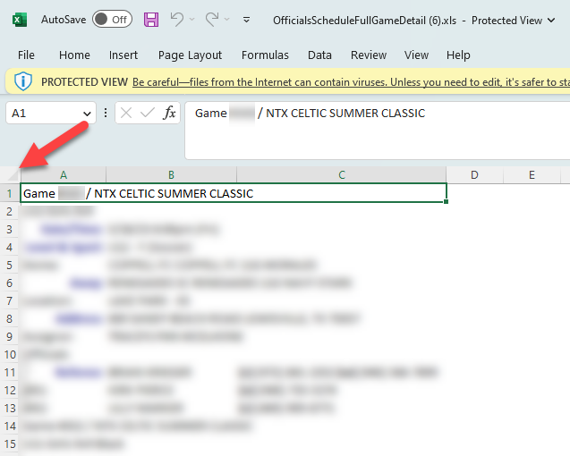

Copy (Ctrl+C)

Navigate to the Copy GO Full Game Details Here sheet in this workbook…..

Select the first cell in the upper left corner….
It kind of looks like it is selecting more than one cell. No worries. Just pick the top cell you can all the way to the left!
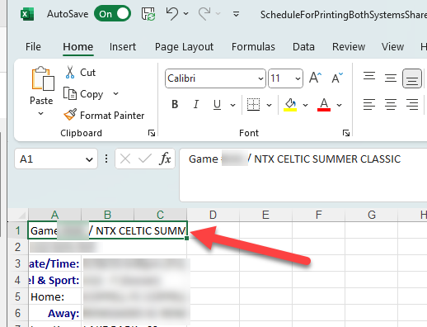

Go to GO Cards sheet.

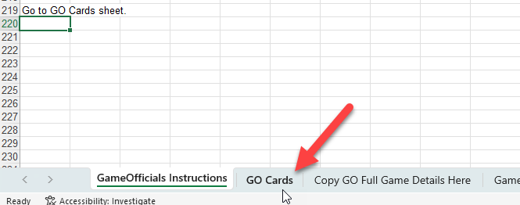

Ctrl+P to print

Set up your printer to print on 4X6 cards and it should break each game to a single 4X6.
I print on both sides to maximize usage.

Arbiter Instructions
Go to Arbiter Schedule

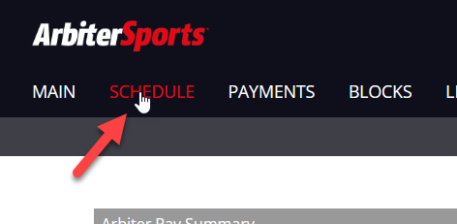

Enter your Print Schedule dates

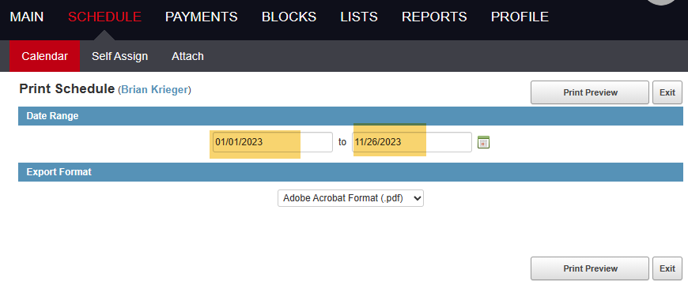

Select Excel from the type drop-down….

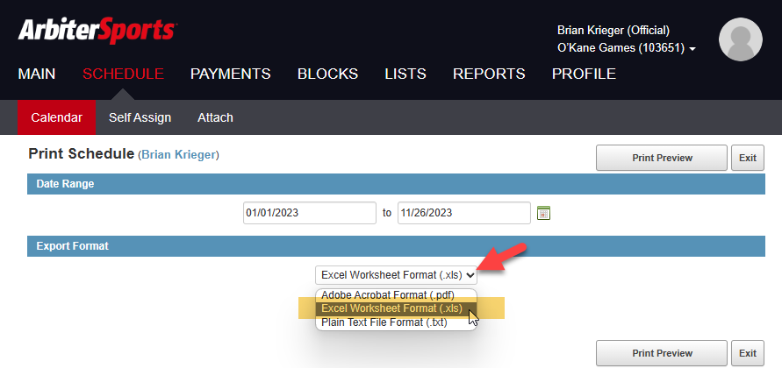

Print Preview

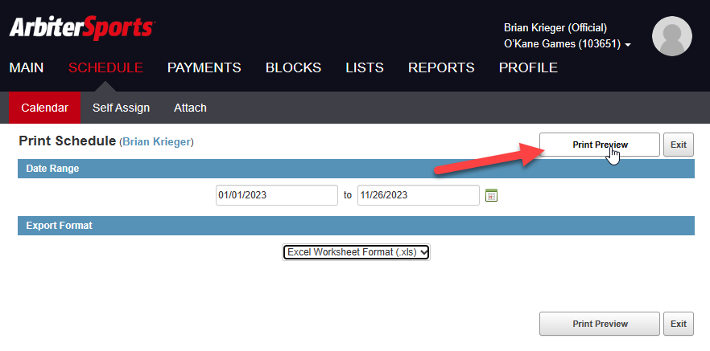

Open the resulting excel file.
Select all data on the sheet (easiest to do is click the little box in the upper left corner.

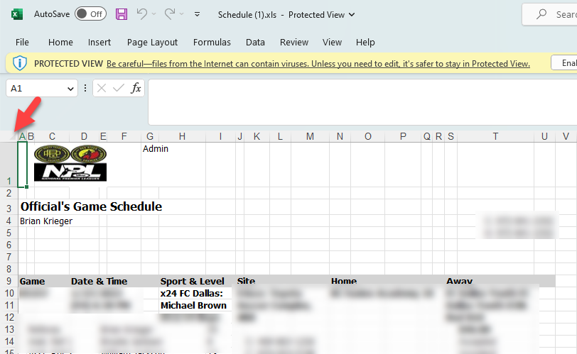

Copy (Ctrl+C)

Navigate to eh Copy Arbiter Schedule Here tab in this file.

 | Or…..
Select the first cell in the upper left corner….

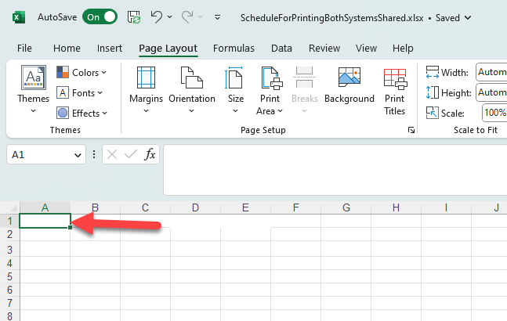

Go to Game Card Arbiter

Ctrl+P to print

Set up your printer to print on 4X6 cards and it should break each game to a single 4X6.
I print on both sides to maximize usage.

