Calculations + Graph
 | P1 | P2 | P3 | P4 | P5
SET SIZE 5 | 0.96911606562 | 1.2416364563 | 1.043073898 | 0.99129483601 | 1.0117439622 |  | 1.051373044
SET SIZE 10 | 0.99068068151 | 1.0840173109 | 1.0965814433 | 1.1310332391 | 0.98317385828 |  | 1.057097307
 |  |  |  |  |  |  | SET SIZE 5 | SET SIZE 10
 |  |  |  |  |  |  | 1.051 | 1.057

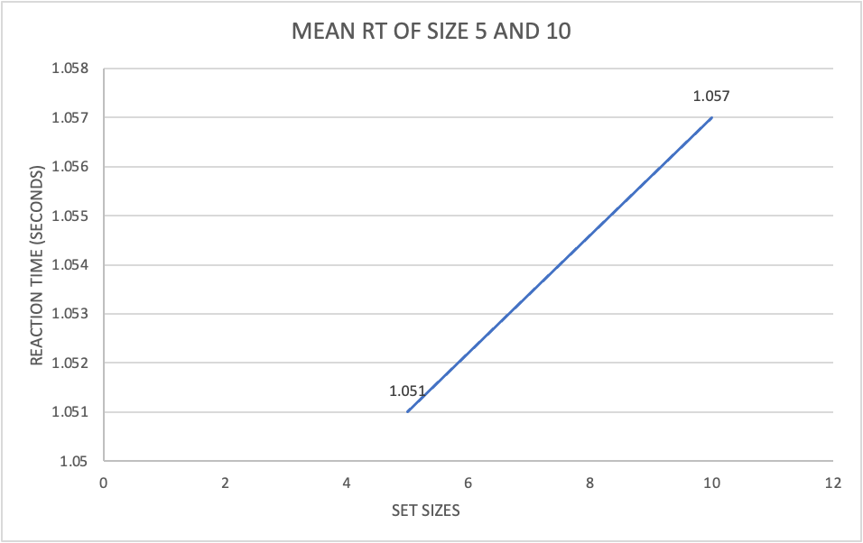
 |  |  |  |  |  | SLOPE | 0.0012

