correlation analysis
Mitigation Cost | Severity Score
15641.39 | 2.65
18641 | 1.65
28729.42 | 3.68
17867.72 | 1.24
1128.9 | 4.46
3122.04 | 2.79
38462.48 | 2.43
12389.52 | 2.75
8150.81 | 2.8
25624.63 | 1.87
1574.46 | 2.35
21820.33 | 1.65
35338.9 | 4.93
10825.04 | 2.85
41448.65 | 3.44
37340.04 | 2.28
35119.36 | 3.06
5917.59 | 1.47
4610.07 | 4.74
8334.11 | 2.52
18507.1 | 3.7
28686.1 | 2.64 |  |  | Mitigation Cost | Severity Score
46372.57 | 4.17 | correlation analysis | Mitigation Cost | 1
48672.16 | 3.25 |  | Severity Score | -0.019079200645 | 1
23126.82 | 1.99
27877.16 | 3.02
15020.68 | 3.09
14302.21 | 2.69
6154.32 | 2.63
16064.2 | 4.96
48974.53 | 3
41988.69 | 4.3
36298.29 | 4.35
17051.44 | 2.21
24005.91 | 1.36
32851.84 | 2.53
6418.03 | 3.28
37622.37 | 1.83
19755.26 | 4.34
26456.8 | 2.54
1638.56 | 4.99
46150.98 | 1.57
9285.79 | 1.64
42286.97 | 2.07
37020.07 | 2.78
7403.11 | 3.16
18459.42 | 4.88
35308.12 | 4.92
29391.59 | 2.05
23463.26 | 4.97
46242.69 | 4.9
33205.79 | 3.05
14941.49 | 1.64
38891.27 | 3.2
35451.57 | 2.98
7707.89 | 1.93
5730.2 | 1.72
22820.77 | 2.34
20667.41 | 2.73
16233.81 | 4.39
25630.67 | 1.17
19110.57 | 2.97
44854.75 | 2.28
13555.39 | 2.28
42549.98 | 1.75
45244.31 | 1.87
43521.85 | 1.52
48977.84 | 1.42
4468.3 | 2.55
43039.12 | 4.25
1948.06 | 3.05
49816.79 | 1.33
36491.99 | 1.09
11963.23 | 2.51
46168.92 | 3.77
37648.96 | 4.64
17635.86 | 1.89
19159.94 | 2.73
24038.87 | 2.8
12699.31 | 3.08
35199.91 | 3.51
4450.26 | 2.24
13921.46 | 3.02
2358.6 | 2.82
13492.41 | 1.54
29371.75 | 2.46
8328.1 | 1.7
16594.3 | 4.28
5857.13 | 1.22
45752.86 | 1.8
43710.21 | 2.78
42434.33 | 1.36
21244.87 | 3.45
3675.58 | 1.8
11692.68 | 3.36
21638.49 | 3.67
23853.69 | 2.15
35349.16 | 4.06
39899.18 | 4.11
49754.23 | 3.21
3667.41 | 3.02
727.16 | 2.52
17689.46 | 4.27
25196.93 | 4.35
48658.59 | 3.15
6749.46 | 1.62
40693.24 | 2.41
22018.14 | 4.1
871.39 | 3.71
47750.95 | 4.23
1009.47 | 2.92
15456.49 | 4.78
23220.03 | 4.13
28005.09 | 2.22
8159.9 | 2.26
23460.36 | 3.3
11856.12 | 2.29
10770.98 | 3.36
12466.28 | 2.1
26866.03 | 1.94
2150.96 | 2.87
36223.96 | 3.35
9742.63 | 1.8
18339.69 | 4.95
10202.61 | 3.13
6368.11 | 3.24
35226.12 | 4.96
15984.58 | 4.37
12954.79 | 3.2
18818.8 | 4.18
8548.74 | 4.03
22655.52 | 4.88
17820.27 | 1.23
34962.45 | 3.49
20257.64 | 2.72
4216.69 | 4.73
4885.12 | 1.84
33004.93 | 1.84
22939.76 | 4.61
11529.33 | 1.18
2455.34 | 3.6
17702.21 | 3.02
35961.89 | 3.38
11707.55 | 1.03
20990.14 | 2.21
21578.69 | 3.06
22220.35 | 2.26
5557.18 | 1.2
18897.9 | 3.5
33801.13 | 3.98
22501.21 | 2.03
22816.91 | 4.6
43692.44 | 3.53
2842.32 | 1.7
21207.84 | 2.09
11481.91 | 4.42
7968.88 | 1.63
1192.02 | 4.62
23305.07 | 4.09
30752.25 | 4.54
17982.55 | 4.96
36413.04 | 2.7
22025.67 | 4.26
48347.82 | 1.43
15597.6 | 4.11
46246.99 | 1.78
4362.33 | 1.53
12762.97 | 1.39
39339.46 | 1.89
37878.86 | 2.75
28539.73 | 1.11
32875.97 | 4.47
6194.72 | 4.82
33878.66 | 3.34
27886.48 | 1.53
13439.6 | 3.23
8896.58 | 2.22
30003.83 | 1.47
6007.88 | 1.42
41184.42 | 3.85
45166.63 | 1.44
49312.56 | 1.27
15058.99 | 2
33112.54 | 1.33
12696.17 | 4.35
10101.32 | 1.05
3959.63 | 2.31
48610.1 | 1.37
24294.18 | 3.52
17185.14 | 2.1
9938.19 | 4.63
27291.64 | 4.47
34726.98 | 2.84
17767.86 | 1.5
8503.51 | 4.18
1864.61 | 4.79
29992.36 | 1.29
16432.48 | 2.56
24272.98 | 4.92
23098.28 | 1.45
47129.42 | 3.1
21627.2 | 3.05
19356.44 | 2.26
17808.12 | 4.29
18708.37 | 3.64
1140.81 | 3.52
4068.77 | 1.35
46348.74 | 4.16
33236.72 | 4.38
31915.15 | 3.52
21268.2 | 1.83
6044.56 | 1.42
37871.86 | 4.46
2169.67 | 3.48
48284.27 | 3.5
15743.83 | 4.6
48874.78 | 3.08
28251.95 | 2.57
16211.41 | 4.54
10523.2 | 3.8
11337.12 | 4.34
48516.66 | 4.24
9313.23 | 1.88
34069.97 | 3.93
41238.47 | 1.94
43014.43 | 3.4
12746.5 | 1.85
22320.26 | 3.65
35186.57 | 3.57
27332.19 | 4.77
4140.69 | 4.9
40566.01 | 3.73
23283.51 | 2.47
40027.62 | 3.48
9109.05 | 4.17
21558.98 | 1.4
9380.8 | 4.85
5199.63 | 4.58
16033.81 | 1.28
11617.27 | 3.85
34880.76 | 3.46
12500.99 | 3.35
20062.85 | 3.02
15916.69 | 4.86
13674.37 | 2.78
31423.66 | 1.21
33235.79 | 1.11
40687.35 | 1.5
26262.72 | 3.03
3255.82 | 4.56
9308.27 | 2.31
9465.41 | 4.24
16124.1 | 4.78
7477.83 | 4
28064.75 | 2.53
20304.06 | 3.94
13599.13 | 2.57
32068.89 | 4.99
27008.06 | 4.49
12193.1 | 3.29
17323.88 | 4
28682.37 | 3.71
29034.77 | 4.71
13111.06 | 2
15856.94 | 1.54
43970.83 | 1.95
9889.32 | 2.13
5669.07 | 2.32
614.79 | 4.22
23196.89 | 4.8
1107.96 | 2.46
26871.84 | 4.53
14355.86 | 2.16
31076.46 | 2.17
2211.22 | 4.68
40140.22 | 1.22
16571.9 | 1.7
9313.98 | 2.62
46536.84 | 2.32
49696.08 | 2.79
17064.29 | 2.38
47504.34 | 1.84
22685.57 | 4.75
16734.65 | 1.31
20236.63 | 1.32
2543.92 | 4.61
11983.1 | 3.29
39543.34 | 1.94
7901.21 | 1.56
46791.02 | 3.14
18568.82 | 3.19
12531.68 | 3.17
22409.1 | 2.77
27731.33 | 2.14
20890.75 | 4.52
29943.66 | 1.51
45018.2 | 4.74
23373.69 | 4.73
2064.37 | 4.94
36085.08 | 3.43
39700.98 | 2.96
23931.3 | 3.39
34709.49 | 1.67
12775.37 | 2.88
29347.82 | 4.56
32958.44 | 3.36
28130.97 | 1.97
47976.06 | 1.08
48358.74 | 4.97
45759.27 | 3.38
729.26 | 1.96
47789.43 | 2.82
39726.38 | 1.61
28554.88 | 4.62
20545.89 | 4.81
20289.74 | 1.46
23633.65 | 3.13
19695.19 | 2.83
27038.67 | 1.48
36092.22 | 3.34
43496.86 | 4.5
49459.08 | 1.52
43700.43 | 2.3
7073.11 | 3.26
24287.15 | 2.71
29001.51 | 1.14
38783.45 | 1.04
8370.63 | 1.89
45349.12 | 3.47
12301.76 | 1.51
46152.44 | 4.65
34513.73 | 4.62
15008.99 | 1.12
9139.04 | 4.28
43951.45 | 2.84
28185.38 | 2.66
7252.87 | 2.11
998.92 | 2.74
42203.31 | 4.17
24529.09 | 1.19
8680.06 | 4.76
13676.14 | 4
14941.99 | 3.59
38257.72 | 3.07
21326 | 2.93
22359.57 | 2.06
2995.87 | 1.77
23970.64 | 2.29
669.28 | 1.78
35808.25 | 2.83
46591.55 | 1.21
44131 | 2.11
45584.44 | 1.95
21663.62 | 3.21
22044.39 | 4.65
35970.91 | 3.65
18859.05 | 3.41
45063.86 | 3.06
42816.62 | 2.61
33904.17 | 4.65
8002.7 | 1.22
49444.32 | 1.73
1991.39 | 2.84
30276.56 | 1
49920.85 | 2.64
20253.67 | 3.6
21246.11 | 1.26
8395.08 | 2.74
45855.7 | 2.34
42319.98 | 2.01
4640.46 | 1.57
42956.61 | 4.69
32814.03 | 2.86
7053.91 | 3.16
44591.6 | 2.93
1666.28 | 3.62
32293.93 | 4.38
26155.35 | 1.3
7724.35 | 4.17
37162.18 | 3.24
34272.6 | 3.53
16760.59 | 1.76
35912.94 | 2.69
1818.22 | 3.25
19751.24 | 4.53
12816.3 | 2.56
25839.84 | 4.35
43252.73 | 2.56
20827.15 | 1.63
7484.9 | 2.69
6544.92 | 4.87
12117.1 | 3.4
42896.7 | 3.54
13762.82 | 2.9
8067.15 | 2.49
16718.1 | 4.77
8317.94 | 1.45
15061.96 | 1.3
5272.26 | 1.21
13031.61 | 1.24
13044.14 | 2.48
48229.6 | 4.51
11857.44 | 3.61
3333.89 | 3.02
33132.49 | 1.83
17779.48 | 1.29
43785.82 | 1.28
45344.27 | 1.13
22867.39 | 3.33
33181.67 | 2.74
39241.71 | 2.99
37536.98 | 2.49
1789.37 | 2.57
23495.86 | 2.3
13877.79 | 1.69
12259.84 | 2.97
24574.93 | 1.75
48855.05 | 4.61
20957.33 | 4.36
4190.23 | 3.02
47533.6 | 1.04
23513.99 | 3.86
3836.23 | 1.07
27133.91 | 3.36
47085.71 | 2.2
16250.7 | 2.93
46368.69 | 2.15
32433.58 | 3.53
13614.65 | 4.1
44484.9 | 4.27
16671.86 | 1.89
11154.76 | 1.18
18077.48 | 3.3
13466.96 | 2.26
10932.33 | 2.71
4934.79 | 2.96
16188.42 | 4.93
23141.73 | 3.74
7646.5 | 1.44
14693.03 | 1.78
24135.37 | 1.31
42146.19 | 2.82
31359.59 | 4.09
29766.42 | 3.47
4497.93 | 3.15
25624 | 2.8
29024.68 | 2.94
5236.18 | 2.39
2038.59 | 4.5
49329.83 | 1.36
22514.61 | 1.18
28803.44 | 3.14
32946.05 | 4.51
45490.67 | 2.53
23318.5 | 2.59
49935.2 | 3.11
43826.21 | 2
18608.31 | 1.68
27108.06 | 4.07
47838.5 | 4.78
15488.49 | 2.18
26794.6 | 2.07
5404.53 | 1.59
22840.71 | 3.91
37229.39 | 1.74
16656.62 | 3.75
7227.72 | 2.16
15132.2 | 3.61
48828.52 | 4.48
10761.33 | 4.17
18918.41 | 1.01
20488.03 | 2.31
25388.2 | 3.24
10480.87 | 4.61
7654.57 | 2.49
42534.97 | 3.84
37099.96 | 1.64
36128.12 | 2.69
24420.02 | 4.49
47533.18 | 2.91
572.72 | 3.8
1403.39 | 2.4
28910.82 | 3.03
4830.62 | 3.55
11871.85 | 1.33
39868.64 | 2.54
25024.39 | 4.77
35480.34 | 1.16
33974.7 | 2.85
2091.69 | 3.8
49523.75 | 1.65
28232.01 | 4.2
15062.86 | 1.37
31956.9 | 1.1
13048.02 | 3.84
44188.53 | 4.88
11252.19 | 4.42
12168.03 | 1.51
35761.68 | 3.07
17576.77 | 3.06

regresssion analysis
SUMMARY OUTPUT

Regression Statistics
Multiple R | 0.019270262618
R Square | 0.00037134302138
Adjusted R Square | -0.0016440373354
Standard Error | 14379.63738
Observations | 498

ANOVA
 | df | SS | MS | F | Significance F
Regression | 1 | 38099047.129 | 38099047.129 | 0.18425456025 | 0.66792853551
Residual | 496 | 1.025598897E+11 | 206773971.17
Total | 497 | 1.0259798875E+11

 | Coefficients | Standard Error | t Stat | P-value | Lower 95% | Upper 95% | Lower 95.0% | Upper 95.0%
Intercept | 24306.330002 | 1764.6206711 | 13.77425211 | 8.7944641366E-37 | 20839.276922 | 27773.383083 | 20839.276922 | 27773.383083
2.65 | -240.4167987 | 560.08725119 | -0.42924883256 | 0.66792853551 | -1340.8528648 | 860.01926741 | -1340.8528648 | 860.01926741

severity
 |  |  |  |  |  | Back to Index

Sum of Severity Score
Row Labels | Critical | High | Low | Medium | Grand Total
Closed | 140.13 | 87.82 | 152.41 | 142.46 | 522.82
Accept | 44.16 | 21.34 | 41.14 | 44.08 | 150.72
Avoid | 30.84 | 10.93 | 33.53 | 27.33 | 102.63
Mitigate | 32.93 | 23.46 | 46.36 | 30.12 | 132.87
Transfer | 32.2 | 32.09 | 31.38 | 40.93 | 136.6
In Progress | 131.3 | 133.98 | 151.23 | 97.26 | 513.77 |  | Back to Index
Accept | 35.59 | 36.47 | 46.4 | 22.94 | 141.4
Avoid | 48.42 | 47.54 | 38.26 | 20.98 | 155.2
Mitigate | 21.3 | 19.56 | 25.47 | 32.8 | 99.13
Transfer | 25.99 | 30.41 | 41.1 | 20.54 | 118.04
Open | 97.05 | 104.72 | 105.82 | 122.19 | 429.78
Accept | 20.68 | 34.24 | 35.16 | 19.32 | 109.4
Avoid | 33.87 | 17.76 | 29.63 | 35.95 | 117.21
Mitigate | 22.87 | 27.67 | 23.86 | 30.3 | 104.7
Transfer | 19.63 | 25.05 | 17.17 | 36.62 | 98.47
Grand Total | 368.48 | 326.52 | 409.46 | 361.91 | 1466.37

probability
 |  |  |  |  |  | Back to Index

Sum of Probability (%)
Row Labels | Accept | Avoid | Mitigate | Transfer | Grand Total
Critical | 1466 | 1702 | 1316 | 1500 | 5984
Closed | 749 | 449 | 417 | 464 | 2079
In Progress | 462 | 767 | 349 | 498 | 2076
Open | 255 | 486 | 550 | 538 | 1829
High | 1447 | 1521 | 903 | 1400 | 5271
Closed | 377 | 318 | 365 | 424 | 1484 |  | Back to Index
In Progress | 534 | 869 | 159 | 453 | 2015
Open | 536 | 334 | 379 | 523 | 1772
Low | 2406 | 1697 | 1167 | 1533 | 6803
Closed | 741 | 552 | 595 | 508 | 2396
In Progress | 823 | 668 | 266 | 688 | 2445
Open | 842 | 477 | 306 | 337 | 1962
Medium | 1268 | 1519 | 1876 | 1568 | 6231
Closed | 628 | 526 | 594 | 557 | 2305
In Progress | 341 | 546 | 656 | 409 | 1952
Open | 299 | 447 | 626 | 602 | 1974
Grand Total | 6587 | 6439 | 5262 | 6001 | 24289

mitigation
 |  |  |  |  |  | Back to Index

Sum of Mitigation Cost
Row Labels | Accept | Avoid | Mitigate | Transfer | Grand Total
Closed | 1314359.49 | 863013.92 | 1035780.99 | 1086306.97 | 4299461.37
Critical | 375237.29 | 246005.72 | 230466.31 | 307573.13 | 1159282.45
High | 195217.09 | 82258.32 | 228209.33 | 283401.52 | 789086.26
Low | 404616.49 | 247620.42 | 291565.45 | 217791.95 | 1161594.31
Medium | 339288.62 | 287129.46 | 285539.9 | 277540.37 | 1189498.35
In Progress | 1011404.18 | 1254988.79 | 856851.64 | 1011515.59 | 4134760.2 |  | Back to Index
Critical | 168990 | 307417.46 | 197313.05 | 193498.17 | 867218.68
High | 276623.78 | 388289.19 | 164652.78 | 294497.67 | 1124063.42
Low | 343983.89 | 321160.63 | 168935.93 | 315046.03 | 1149126.48
Medium | 221806.51 | 238121.51 | 325949.88 | 208473.72 | 994351.62
Open | 874164.29 | 756736.49 | 813168.14 | 908312.81 | 3352381.73
Critical | 153133.88 | 286832.45 | 142542.17 | 203575.09 | 786083.59
High | 219582.86 | 54480.52 | 235353.78 | 249001.93 | 758419.09
Low | 358376.89 | 199911.45 | 172834.64 | 158605.74 | 889728.72
Medium | 143070.66 | 215512.07 | 262437.55 | 297130.05 | 918150.33
Grand Total | 3199927.96 | 2874739.2 | 2705800.77 | 3006135.37 | 11786603.3

result
 |  |  |  |  |  |  |  |  | Back to Index

 | Sum of Probability (%) |  |  |  | Sum of Mitigation Cost |  |  |  | Sum of Severity Score |  |  |  | Total Sum of Probability (%) | Total Sum of Mitigation Cost | Total Sum of Severity Score
Row Labels | Accept | Avoid | Mitigate | Transfer | Accept | Avoid | Mitigate | Transfer | Accept | Avoid | Mitigate | Transfer
Critical | 1466 | 1702 | 1316 | 1500 | 697361.17 | 840255.63 | 570321.53 | 704646.39 | 100.43 | 113.13 | 77.1 | 77.82 | 5984 | 2812584.72 | 368.48
Closed | 749 | 449 | 417 | 464 | 375237.29 | 246005.72 | 230466.31 | 307573.13 | 44.16 | 30.84 | 32.93 | 32.2 | 2079 | 1159282.45 | 140.13
In Progress | 462 | 767 | 349 | 498 | 168990 | 307417.46 | 197313.05 | 193498.17 | 35.59 | 48.42 | 21.3 | 25.99 | 2076 | 867218.68 | 131.3
Open | 255 | 486 | 550 | 538 | 153133.88 | 286832.45 | 142542.17 | 203575.09 | 20.68 | 33.87 | 22.87 | 19.63 | 1829 | 786083.59 | 97.05
High | 1447 | 1521 | 903 | 1400 | 691423.73 | 525028.03 | 628215.89 | 826901.12 | 92.05 | 76.23 | 70.69 | 87.55 | 5271 | 2671568.77 | 326.52 | Back to Index
Closed | 377 | 318 | 365 | 424 | 195217.09 | 82258.32 | 228209.33 | 283401.52 | 21.34 | 10.93 | 23.46 | 32.09 | 1484 | 789086.26 | 87.82
In Progress | 534 | 869 | 159 | 453 | 276623.78 | 388289.19 | 164652.78 | 294497.67 | 36.47 | 47.54 | 19.56 | 30.41 | 2015 | 1124063.42 | 133.98
Open | 536 | 334 | 379 | 523 | 219582.86 | 54480.52 | 235353.78 | 249001.93 | 34.24 | 17.76 | 27.67 | 25.05 | 1772 | 758419.09 | 104.72
Low | 2406 | 1697 | 1167 | 1533 | 1106977.27 | 768692.5 | 633336.02 | 691443.72 | 122.7 | 101.42 | 95.69 | 89.65 | 6803 | 3200449.51 | 409.46
Closed | 741 | 552 | 595 | 508 | 404616.49 | 247620.42 | 291565.45 | 217791.95 | 41.14 | 33.53 | 46.36 | 31.38 | 2396 | 1161594.31 | 152.41
In Progress | 823 | 668 | 266 | 688 | 343983.89 | 321160.63 | 168935.93 | 315046.03 | 46.4 | 38.26 | 25.47 | 41.1 | 2445 | 1149126.48 | 151.23
Open | 842 | 477 | 306 | 337 | 358376.89 | 199911.45 | 172834.64 | 158605.74 | 35.16 | 29.63 | 23.86 | 17.17 | 1962 | 889728.72 | 105.82
Medium | 1268 | 1519 | 1876 | 1568 | 704165.79 | 740763.04 | 873927.33 | 783144.14 | 86.34 | 84.26 | 93.22 | 98.09 | 6231 | 3102000.3 | 361.91
Closed | 628 | 526 | 594 | 557 | 339288.62 | 287129.46 | 285539.9 | 277540.37 | 44.08 | 27.33 | 30.12 | 40.93 | 2305 | 1189498.35 | 142.46
In Progress | 341 | 546 | 656 | 409 | 221806.51 | 238121.51 | 325949.88 | 208473.72 | 22.94 | 20.98 | 32.8 | 20.54 | 1952 | 994351.62 | 97.26
Open | 299 | 447 | 626 | 602 | 143070.66 | 215512.07 | 262437.55 | 297130.05 | 19.32 | 35.95 | 30.3 | 36.62 | 1974 | 918150.33 | 122.19
Grand Total | 6587 | 6439 | 5262 | 6001 | 3199927.96 | 2874739.2 | 2705800.77 | 3006135.37 | 401.52 | 375.04 | 336.7 | 353.11 | 24289 | 11786603.3 | 1466.37

dashbord
 | Accept | Avoid | Mitigate | Transfer
Closed | 749 | 449 | 417 | 464
In Progress | 462 | 767 | 349 | 498
Open | 255 | 486 | 550 | 538
Closed | 377 | 318 | 365 | 424
In Progress | 534 | 869 | 159 | 453
Open | 536 | 334 | 379 | 523
Closed | 741 | 552 | 595 | 508
In Progress | 823 | 668 | 266 | 688
Open | 842 | 477 | 306 | 337
Closed | 628 | 526 | 594 | 557
In Progress | 341 | 546 | 656 | 409
Open | 299 | 447 | 626 | 602
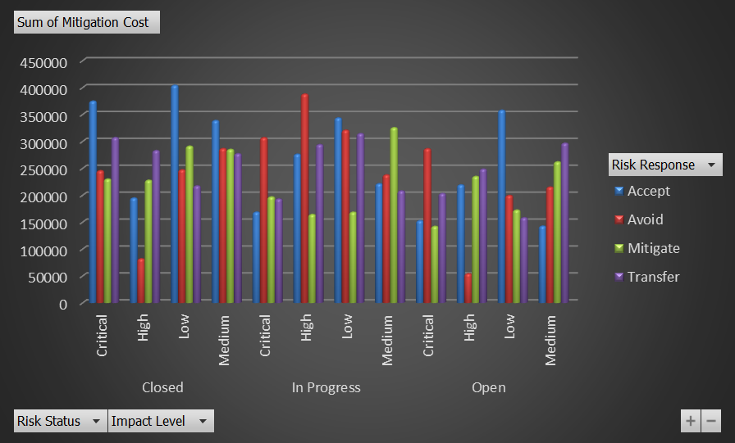
Back to Index

 | Back to Index

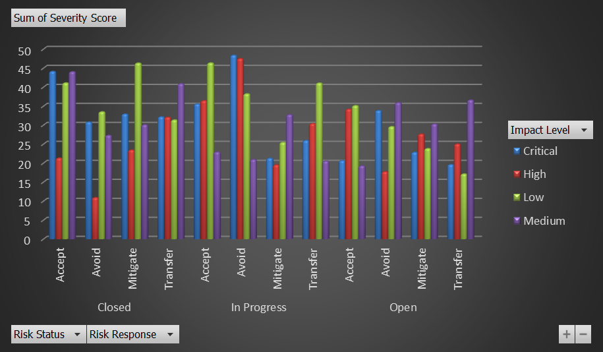

 | Sum of Probability (%) - Accept | Sum of Probability (%) - Avoid | Sum of Probability (%) - Mitigate | Sum of Probability (%) - Transfer | Sum of Mitigation Cost - Accept | Sum of Mitigation Cost - Avoid | Sum of Mitigation Cost - Mitigate | Sum of Mitigation Cost - Transfer | Sum of Severity Score - Accept | Sum of Severity Score - Avoid | Sum of Severity Score - Mitigate | Sum of Severity Score - Transfer
Closed | 749 | 449 | 417 | 464 | 375237.29 | 246005.72 | 230466.31 | 307573.13 | 44.16 | 30.84 | 32.93 | 32.2
In Progress | 462 | 767 | 349 | 498 | 168990 | 307417.46 | 197313.05 | 193498.17 | 35.59 | 48.42 | 21.3 | 25.99
Open | 255 | 486 | 550 | 538 | 153133.88 | 286832.45 | 142542.17 | 203575.09 | 20.68 | 33.87 | 22.87 | 19.63
Closed | 377 | 318 | 365 | 424 | 195217.09 | 82258.32 | 228209.33 | 283401.52 | 21.34 | 10.93 | 23.46 | 32.09
In Progress | 534 | 869 | 159 | 453 | 276623.78 | 388289.19 | 164652.78 | 294497.67 | 36.47 | 47.54 | 19.56 | 30.41
Open | 536 | 334 | 379 | 523 | 219582.86 | 54480.52 | 235353.78 | 249001.93 | 34.24 | 17.76 | 27.67 | 25.05
Closed | 741 | 552 | 595 | 508 | 404616.49 | 247620.42 | 291565.45 | 217791.95 | 41.14 | 33.53 | 46.36 | 31.38
In Progress | 823 | 668 | 266 | 688 | 343983.89 | 321160.63 | 168935.93 | 315046.03 | 46.4 | 38.26 | 25.47 | 41.1
Open | 842 | 477 | 306 | 337 | 358376.89 | 199911.45 | 172834.64 | 158605.74 | 35.16 | 29.63 | 23.86 | 17.17
Closed | 628 | 526 | 594 | 557 | 339288.62 | 287129.46 | 285539.9 | 277540.37 | 44.08 | 27.33 | 30.12 | 40.93
In Progress | 341 | 546 | 656 | 409 | 221806.51 | 238121.51 | 325949.88 | 208473.72 | 22.94 | 20.98 | 32.8 | 20.54
Open | 299 | 447 | 626 | 602 | 143070.66 | 215512.07 | 262437.55 | 297130.05 | 19.32 | 35.95 | 30.3 | 36.62

