Scrap
How to receive list of groups that user is member of in PowerApp
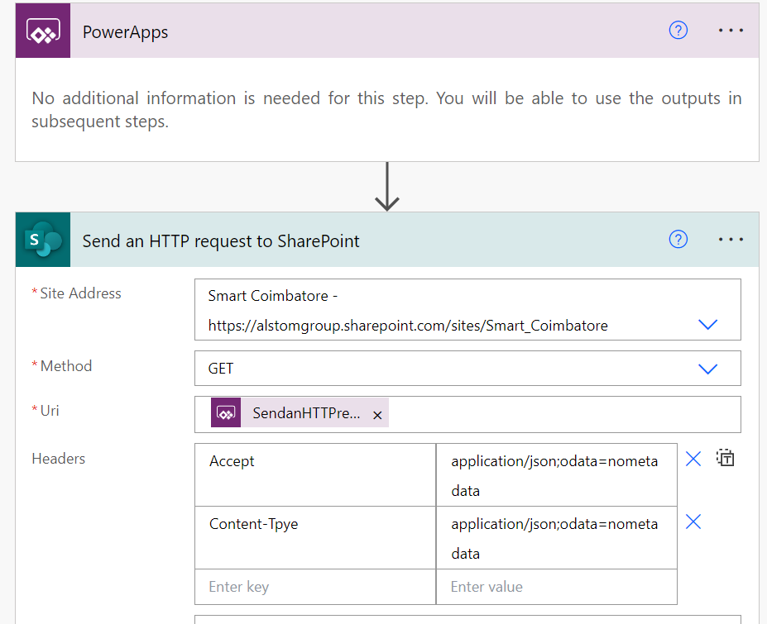

 |  | Headers
 |  | {
 |  | "Accept": "application/json;odata=nometadata",
 |  | "Content-Tpye": "application/json;odata=nometadata"
 |  | }
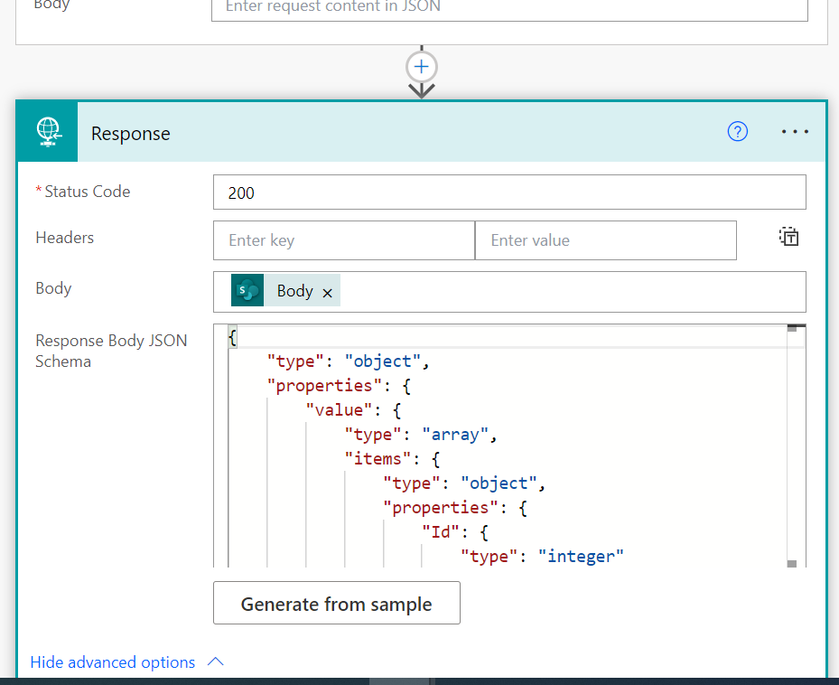

 |  | Response Body JSON
 |  | {
 |  | "type": "object",
 |  | "properties": {
 |  | "value": {
 |  | "type": "array",
 |  | "items": {
 |  | "type": "object",
 |  | "properties": {
 |  | "Id": {
 |  | "type": "integer"
 |  | },
 |  | "IsHiddenInUI": {
 |  | "type": "boolean"
 |  | },
 |  | "LoginName": {
 |  | "type": "string"
 |  | },
 |  | "Title": {
 |  | "type": "string"
 |  | },
 |  | "PrincipalType": {
 |  | "type": "integer"
 |  | },
 |  | "Email": {
 |  | "type": "string"
 |  | },
 |  | "Expiration": {
 |  | "type": "string"
 |  | },
 |  | "IsEmailAuthenticationGuestUser": {
 |  | "type": "boolean"
 |  | },
 |  | "IsShareByEmailGuestUser": {
 |  | "type": "boolean"
 |  | },
 |  | "IsSiteAdmin": {
 |  | "type": "boolean"
 |  | },
 |  | "UserId": {
 |  | "type": "object",
 |  | "properties": {
 |  | "NameId": {
 |  | "type": "string"
 |  | },
 |  | "NameIdIssuer": {
 |  | "type": "string"
 |  | }
 |  | }
 |  | },
 |  | "UserPrincipalName": {
 |  | "type": "string"
 |  | }
 |  | },
 |  | "required": [
 |  | "Id",
 |  | "IsHiddenInUI",
 |  | "LoginName",
 |  | "Title",
 |  | "PrincipalType",
 |  | "Email",
 |  | "Expiration",
 |  | "IsEmailAuthenticationGuestUser",
 |  | "IsShareByEmailGuestUser",
 |  | "IsSiteAdmin",
 |  | "UserId",
 |  | "UserPrincipalName"
 |  | ]
 |  | }
 |  | }
 |  | }
 |  | }
OnStart | StratScreen

If( | If(
Param("ScreenName1") = "1", | Param("ScreenName1") = "1",
Navigate(LineManager), | LineManager,
Param("ScreenName2") = "2", | Param("ScreenName2") = "2",
Navigate(IndQualityManager), | IndQualityManager,
Param("ScreenName3") = "3", | Param("ScreenName3") = "3",
Navigate(QualityHeadScreen), | QualityHeadScreen,
Param("ScreenName4") = "4", | Param("ScreenName4") = "4",
Navigate(FunctionalHeadScreen), | FunctionalHeadScreen,
Param("ScreenName5") = "5", | Param("ScreenName5") = "5",
Navigate(ProjectControllerScreen), | ProjectControllerScreen,
Param("ScreenName10") = "10", | Param("ScreenName10") = "10",
Navigate(SCHeadScreen), | SCHeadScreen,
Param("ScreenName7") = "7", | Param("ScreenName7") = "7",
Navigate(SMDScreen), | SMDScreen,
Param("ScreenName14") = "14", | Param("ScreenName14") = "14",
Navigate(PMTHeadScreen), | PMTHeadScreen,
Param("ScreenName15") = "15", | Param("ScreenName15") = "15",
Navigate(IndustrialDirectorScreen), | IndustrialDirectorScreen,
Param("ScreenName16") = "16", | Param("ScreenName16") = "16",
Navigate(FinanceControllerScreen), | FinanceControllerScreen,
Param("ScreenName17") = "17", | Param("ScreenName17") = "17",
Navigate(MyRequest), | MyRequest,
Navigate(MainScreen) | MainScreen
); | )
Set(
BlueAlstomColor,
ColorValue("#1E3246")
);
Set(
RedAlstomColor,
ColorValue("#DC3223")
);
/*Set(
Quality,
"KULKARNI Santoshkumar"
);
Set(
QualityClaim,
"i:0#.f|membership|santosh-kumar.kulkarni@alstomgroup.com"
);
Set(
ProjectManager,
"EKAMBARAM Rammohan"
);
Set(
ProjectManagerClaim,
"i:0#.f|membership|rammohan.ekambaram@alstomgroup.com"
);
Set(
SupplyChain,
"N Anush"
);
Set(
SupplyChainClaim,
"i:0#.f|membership|anush.n@alstomgroup.com"
);
Set(
FinanceControllerApproval,
"KESANAPALLI Vinay"
);
Set(
FinanceControllerApprovalClaim,
"i:0#.f|membership|vinay.kesanapalli@alstomgroup.com"
);
Set(
SiteMDApproval,
"S Selvakumar"
);
Set(
SiteMDApprovalClaim,
"i:0#.f|membership|Selvakumar.S@alstomgroup.com"
);*/
ClearCollect(
ColStatus,
"-Select-"
);
Collect(
ColStatus,
Choices(Scrap.Status)
);
ClearCollect(
ColProject,
"-Select-"
);
Collect(
ColProject,
Choices(Scrap.Projects)
);
ClearCollect(
ColReasonForScrap,
"-Select-"
);
Collect(
ColReasonForScrap,
Choices(Scrap.ReasonForScrap)
);
ClearCollect(
ColDepartment,
"-Select-"
);
Collect(
ColDepartment,
Choices(Scrap.Department)
);
//Mail collection from groups
Set(
QHMailData,
GetLogicAppForScrap.Run("/_api/web/sitegroups/getByName('Quality%20Head%20Approver')/Users")
);
ClearCollect(
QhMail,
QHMailData.value
);
//27/02/2023 NewFlow
//Ind Quality Head Approver
Set(
IndQMMailData,
GetLogicAppForScrap.Run("/_api/web/sitegroups/getByName('Ind. Quality Manager')/Users")
);
ClearCollect(
QMMail,
IndQMMailData.value
);
Set(
ICMailInfo,
GetLogicAppForScrap.Run("/_api/web/sitegroups/getByName('Industrial Controller')/Users")
);
ClearCollect(
ICMail,
ICMailInfo.value
);
Set(
ICMailInfo,
GetLogicAppForScrap.Run("/_api/web/sitegroups/getByName('Industrial Controller')/Users")
);
ClearCollect(
ICMail,
ICMailInfo.value
);
Set(
IDMailInfo,
GetLogicAppForScrap.Run("/_api/web/sitegroups/getByName('Industrial Director')/Users")
);
ClearCollect(
IDMail,
IDMailInfo.value
);
Set(
SCHMailInfo,
GetLogicAppForScrap.Run("/_api/web/sitegroups/getByName('Supply%20Chain%20Head%20Approver')/Users")
);
ClearCollect(
SCHMail,
SCHMailInfo.value
);
//PMT
Set(
PMTMailInfo,
GetLogicAppForScrap.Run("/_api/web/sitegroups/getByName('Project Head Approver')/Users")
);
ClearCollect(
PMTMail,
PMTMailInfo.value
);
//Finance Controller
Set(
FCMailInfo,
GetLogicAppForScrap.Run("/_api/web/sitegroups/getByName('Finance Controller Approver')/Users")
);
ClearCollect(
FCMail,
FCMailInfo.value
);
//SMD Approvel
Set(
SMDMailInfo,
GetLogicAppForScrap.Run("/_api/web/sitegroups/getByName('Site MD Approval')/Users")
);
ClearCollect(
SMDMail,
SMDMailInfo.value
);
//Quality Head
Set(
QHInfo,
GetLogicAppForScrap.Run("/_api/web/sitegroups/getByName('Quality%20Head%20Approver')/Users?$filter=Email eq '" & User().Email & "'")
);
ClearCollect(
isQHinfo,
QHInfo.value
);
If(
!IsEmpty(isQHinfo),
Set(
QH,
"QHAccess"
)
);
//Ind. Quality Manager
Set(
QMInfo,
GetLogicAppForScrap.Run("/_api/web/sitegroups/getByName('Ind. Quality Manager')/Users?$filter=Email eq '" & User().Email & "'")
);
ClearCollect(
isQMinfo,
QMInfo.value
);
If(
!IsEmpty(isQMinfo),
Set(
QM,
"QMAccess"
)
);
//Industrial Controller
Set(
ICInfo,
GetLogicAppForScrap.Run("/_api/web/sitegroups/getByName('Industrial Controller')/Users?$filter=Email eq '" & User().Email & "'")
);
ClearCollect(
isICinfo,
ICInfo.value
);
If(
!IsEmpty(isICinfo),
Set(
IC,
"ICAccess"
)
);
//Industrial Director
Set(
IDInfo,
GetLogicAppForScrap.Run("/_api/web/sitegroups/getByName('Industrial Director')/Users?$filter=Email eq '" & User().Email & "'")
);
ClearCollect(
isIDinfo,
IDInfo.value
);
If(
!IsEmpty(isIDinfo),
Set(
I_D,
"IDAccess"
)
);
//SCH
Set(
SCHInfo,
GetLogicAppForScrap.Run("/_api/web/sitegroups/getByName('Supply%20Chain%20Head%20Approver')/Users?$filter=Email eq '" & User().Email & "'")
);
ClearCollect(
isSCHinfo,
SCHInfo.value
);
If(
!IsEmpty(isSCHinfo),
Set(
SCH,
"SCHAccess"
)
);
//PMT
Set(
PMTInfo,
GetLogicAppForScrap.Run("/_api/web/sitegroups/getByName('Project Head Approver')/Users?$filter=Email eq '" & User().Email & "'")
);
ClearCollect(
isPMTInfo,
PMTInfo.value
);
If(
!IsEmpty(isPMTInfo),
Set(
PMT,
"PMTAccess"
)
);
//Finance Controller
Set(
FCInfo,
GetLogicAppForScrap.Run("/_api/web/sitegroups/getByName('Finance Controller Approver')/Users?$filter=Email eq '" & User().Email & "'")
);
ClearCollect(
isFCinfo,
FCInfo.value
);
If(
!IsEmpty(isFCinfo),
Set(
FC,
"FCAccess"
)
);
//SMD Approvel
Set(
SMDInfo,
GetLogicAppForScrap.Run("/_api/web/sitegroups/getByName('Site MD Approval')/Users?$filter=Email eq '" & User().Email & "'")
);
ClearCollect(
isSMDinfo,
SMDInfo.value
);
If(
!IsEmpty(isSMDinfo),
Set(
SMD,
"SMDAccess"
)
);
//ClearCollect(QhMl,Concat(QhMail,Email,";"))
Set(
test12,
Concat(
QhMail,
Email,
";"
)
);
//ScrapOwnerAccess
Set(
ScrapOwnersInfo,
GetLogicAppForScrap.Run("/_api/web/sitegroups/getByName('ScrapOwners')/Users?$filter=Email eq '" & User().Email & "'")
);
ClearCollect(
isScrapOwnersinfo,
ScrapOwnersInfo.value
);
If(
!IsEmpty(isScrapOwnersinfo),
Set(
ScrapOwners,
"OwnerAccess"
)
);
//ScrapPosting
Set(
ScrapPostingInfo,
GetLogicAppForScrap.Run("/_api/web/sitegroups/getByName('ScrapPosting')/Users?$filter=Email eq '" & User().Email & "'")
);
ClearCollect(
isScrapPostingInfo,
ScrapPostingInfo.value
);
If(
!IsEmpty(isScrapPostingInfo),
Set(
ScrapPosting,
"ScrapPostingAccess"
)
);
//ScrapPosting Users Mail details
Set(
SPMailData,
GetLogicAppForScrap.Run("/_api/web/sitegroups/getByName('ScrapPosting')/Users")
);
ClearCollect(
ScrapPostingMail,
SPMailData.value
);
Set(
ICEMail,
Concat(
ICMail,
Email,
";"
)
);
ClearCollect(
varScopeOfApplication,
["Scrap request for Direct material"],
["Scrap request for Indirect material"]
);

UsingForLoopCreatingDynamicTabl
//Navigate(FrontScreen); ClearCollect( varActivityTable, Table( { Name: "TestName", Address: "Coimbatore", PhoneNumber: 8394893849 }, { Name: "Gaja", Address: "CTR", PhoneNumber: 8748374888 }, { Name: "Krishna", Address: "Bangalore", PhoneNumber: 38748374 } ) ); Clear(myHTML); Collect( myHTML, "
" ); ForAll( varActivityTable, Collect( myHTML, "
" & "
" & "
" & "
" & "
" ) ); Collect( myHTML, "
" & Name & " | " & Address & " | " & PhoneNumber & "
" );

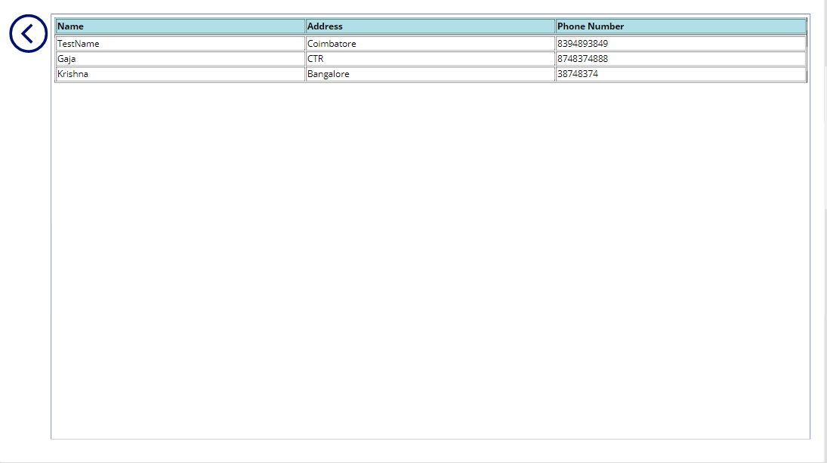

InnerHtmlCode

"
Name | Address | Phone Number
" & Concat( myHTML, Value ) & ""

When an file created or modify
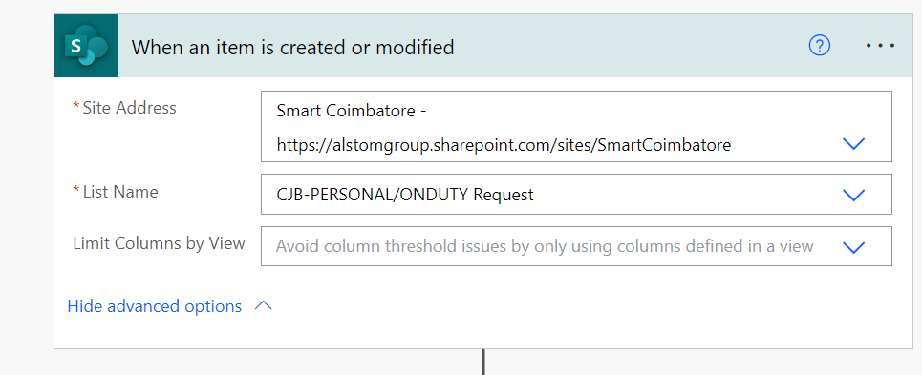

Settings need to be changed

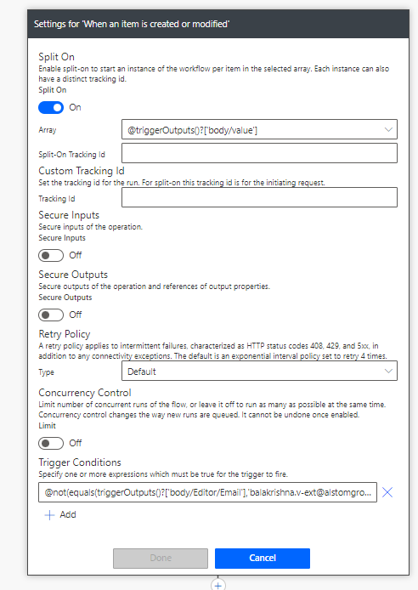

@not(equals(triggerOutputs()?['body/Editor/Email'],'balakrishna.v-ext@alstomgroup.com'))

PowerAutomateAutoID
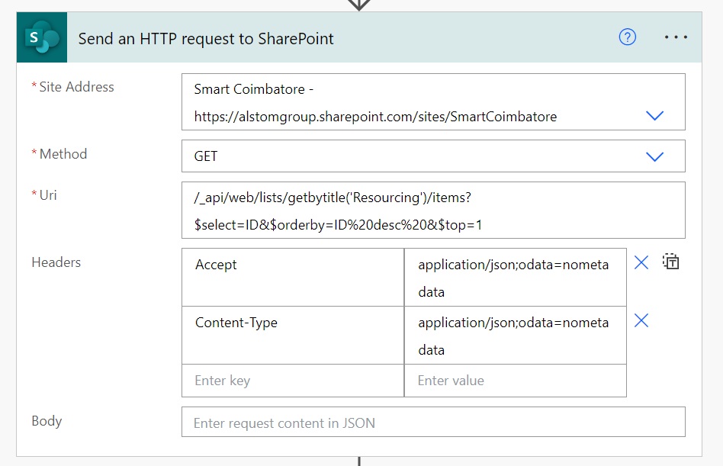

/_api/web/lists/getbytitle('Resourcing')/items?$select=ID&$orderby=ID%20desc%20&$top=1

{"source":"la-draft-clipboard","value":[{"tokenKey":"6A2B1D61-D215-4C86-A623-CA3DE3AC5954","type":"literal","tokenExpression":"{"},{"tokenKey":"B1B457AF-6BA5-45AE-B048-E95032DFA973","type":"new_line","tokenExpression":"\n"},{"tokenKey":"0B8241AB-E57A-42F9-89D7-6E89C390D65F","type":"literal","tokenExpression":" \"Accept\": \"application/json;odata=nometadata\","},{"tokenKey":"2D3CFDDE-9251-4748-A3B9-BF20B4AE8416","type":"new_line","tokenExpression":"\n"},{"tokenKey":"08B3B852-377E-45E3-A9A2-876F441EC43B","type":"literal","tokenExpression":" \"Content-Type\": \"application/json;odata=nometadata\""},{"tokenKey":"D5AAD6F8-4353-417E-9EF9-ED279E9EFF2F","type":"new_line","tokenExpression":"\n"},{"tokenKey":"8D9EAD79-7BEE-4BD6-A250-4303DA26629B","type":"literal","tokenExpression":"}"}]}

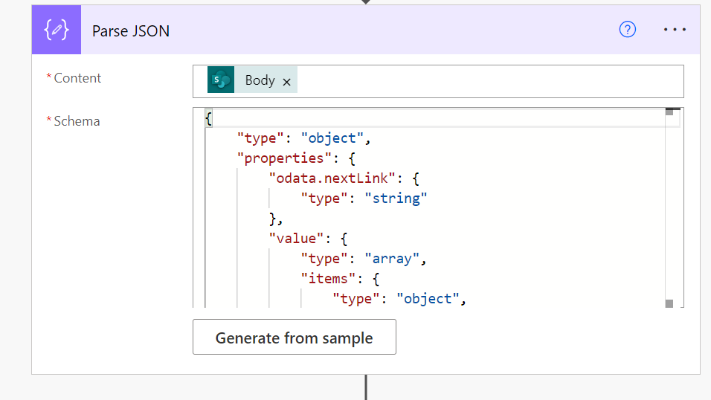

{
"type": "object",
"properties": {
"odata.nextLink": {
"type": "string"
},
"value": {
"type": "array",
"items": {
"type": "object",
"properties": {
"Id": {
"type": "integer"
},
"ID": {
"type": "integer"
}
},
"required": [
"Id",
"ID"
]
}
}
}
}

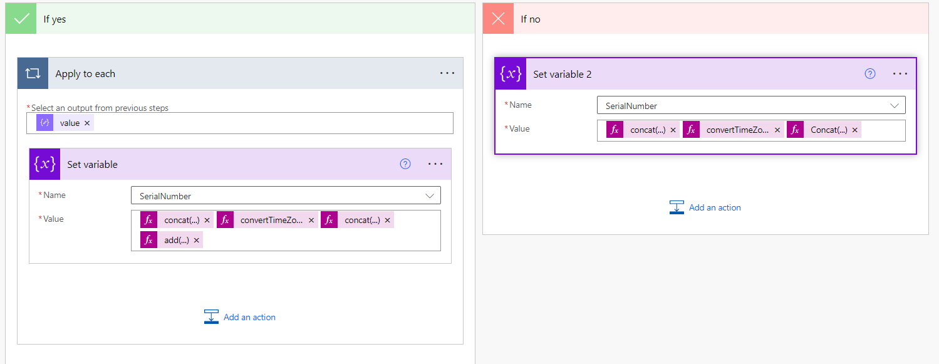
@{concat('CJB-RS-')}@{convertTimeZone(utcNow(), 'UTC', 'India Standard Time', 'yy')}@{concat('-0')}@{add(body('Parse_JSON')?['value'][0]['ID'],0)}

