Summary
Category | Count
Passed | 2
Failed | 1
Skipped | 0
Total | 3
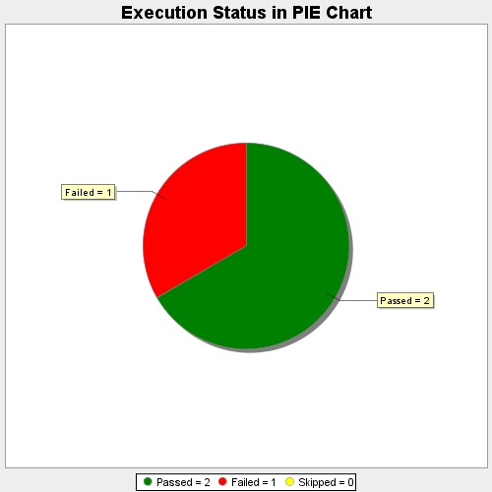
Start Time | 2016-11-29T11:26:48Z
End Time | 2016-11-29T11:27:04Z
Duration | 16096 ms

