IO MUX Pin Functions
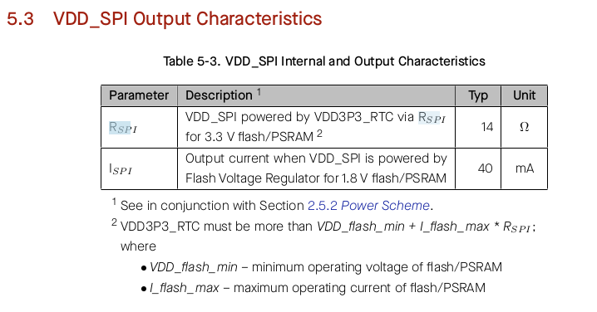
No. | Name |  |  | Type | Power | At Reset | After Reset | IO MUX | RTC | Analog
1 | LNA_IN |  |  | Analog
2 | VDD3P3 |  |  | Power
3 | VDD3P3 |  |  | Power
4 | CHIP_PU |  |  | Analog | VDD3P3_RTC |  |  |  |  |  | · IE – input enabled
5 | GPIO0 | SWITCH1 |  | IO | VDD3P3_RTC | IE, WPU | IE, WPU | IO MUX | RTC |  | · WPU – internal weak pull-up resistor enabled
6 | GPIO1 | SWITCH2 |  | IO | VDD3P3_RTC | IE | IE | IO MUX | RTC | Analog | · WPD – internal weak pull-down resistor enabled
7 | GPIO2 | SWITCH3 |  | IO | VDD3P3_RTC | IE | IE | IO MUX | RTC | Analog | · USB_PU – USB pull-up resistor enabled
8 | GPIO3 | SDA |  | IO | VDD3P3_RTC | IE | IE | IO MUX | RTC | Analog
9 | GPIO4 | SCL |  | IO | VDD3P3_RTC |  |  | IO MUX | RTC | Analog
10 | GPIO5 | GPS ENABLE | GPS_EN | IO | VDD3P3_RTC |  |  | IO MUX | RTC | Analog
11 | GPIO6 | GPS RESET | GPS_RST | IO | VDD3P3_RTC |  |  | IO MUX | RTC | Analog
12 | GPIO7 | 1PPS | GPS_PPS | IO | VDD3P3_RTC |  |  | IO MUX | RTC | Analog
13 | GPIO8 | Display | RST | IO | VDD3P3_RTC |  |  | IO MUX | RTC | Analog | ide of the digital an
14 | GPIO9 | Display | DC | IO | VDD3P3_RTC |  | IE | IO MUX | RTC | Analog
15 | GPIO10 | Display | CS | IO | VDD3P3_RTC |  | IE | IO MUX | RTC | Analog
16 | GPIO11 | Display | MOSI | IO | VDD3P3_RTC |  | IE | IO MUX | RTC | Analog
17 | GPIO12 | Display | SCK | IO | VDD3P3_RTC |  | IE | IO MUX | RTC | Analog
18 | GPIO13 | mpu interrupt | MPU_INT | IO | VDD3P3_RTC |  | IE | IO MUX | RTC | Analog
19 | GPIO14 | BAT_VSENSE |  | IO | VDD3P3_RTC |  | IE | IO MUX | RTC | Analog
20 | VDD3P3_RTC |  |  | Power
21 | XTAL_32K_P | XTAL | rtc | IO | VDD3P3_RTC |  |  | IO MUX | RTC | Analog
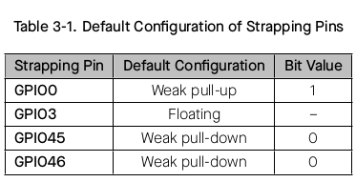
22 | XTAL_32K_N | XTAL | rtc | IO | VDD3P3_RTC |  |  | IO MUX | RTC | Analog
23 | GPIO17 | GPS RX |  | IO | VDD3P3_RTC |  | IE | IO MUX | RTC | Analog
24 | GPIO18 | GPS TX |  | IO | VDD3P3_RTC |  | IE | IO MUX | RTC | Analog
25 | GPIO19 | USB+ |  | IO | VDD3P3_RTC |  |  | IO MUX | RTC | Analog
26 | GPIO20 | USB- |  | IO | VDD3P3_RTC | USB_PU | USB_PU | IO MUX | RTC | Analog
27 | GPIO21 | LED2 |  | IO | VDD3P3_RTC |  |  | IO MUX | RTC
28 | SPICS1 |  |  | IO | VDD_SPI | IE, WPU | IE, WPU | IO MUX
29 | VDD_SPI |  |  | Power
30 | SPIHD |  |  | IO | VDD_SPI | IE, WPU | IE, WPU | IO MUX
31 | SPIWP |  |  | IO | VDD_SPI | IE, WPU | IE, WPU | IO MUX
32 | SPICS0 |  |  | IO | VDD_SPI | IE, WPU | IE, WPU | IO MUX
33 | SPICLK |  |  | IO | VDD_SPI | IE, WPU | IE, WPU | IO MUX
34 | SPIQ |  |  | IO | VDD_SPI | IE, WPU | IE, WPU | IO MUX
35 | SPID |  |  | IO | VDD_SPI | IE, WPU | IE, WPU | IO MUX
36 | SPICLK_N |  |  | IO | VDD_SPI / VDD3P3_CPU | IE | IE | IO MUX
37 | SPICLK_P |  |  | IO | VDD_SPI / VDD3P3_CPU | IE | IE | IO MUX
38 | GPIO33 |  |  | IO | VDD_SPI / VDD3P3_CPU |  | IE | IO MUX
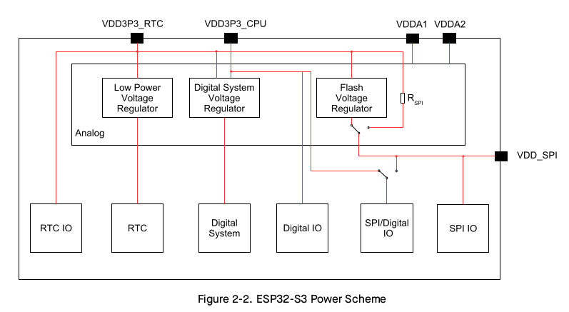
39 | GPIO34 | PWR SENSE |  | IO | VDD_SPI / VDD3P3_CPU |  | IE | IO MUX
40 | GPIO35 | BUZZER |  | IO | VDD_SPI / VDD3P3_CPU |  | IE | IO MUX
41 | GPIO36 |  |  | IO | VDD_SPI / VDD3P3_CPU |  | IE | IO MUX
42 | GPIO37 |  |  | IO | VDD_SPI / VDD3P3_CPU |  | IE | IO MUX
43 | GPIO38 |  |  | IO | VDD3P3_CPU |  | IE | IO MUX
44 | MTCK |  |  | IO | VDD3P3_CPU |  | IE | IO MUX
45 | MTDO |  |  | IO | VDD3P3_CPU |  | IE | IO MUX
46 | VDD3P3_CPU |  |  | Power
47 | MTDI |  |  | IO | VDD3P3_CPU |  | IE | IO MUX
48 | MTMS |  |  | IO | VDD3P3_CPU |  | IE | IO MUX
49 | U0TXD |  |  | IO | VDD3P3_CPU | IE, WPU | IE, WPU | IO MUX
50 | U0RXD |  |  | IO | VDD3P3_CPU | IE, WPU | IE, WPU | IO MUX
51 | GPIO45 |  |  | IO | VDD3P3_CPU | IE, WPD | IE, WPD | IO MUX
52 | GPIO46 |  |  | IO | VDD3P3_CPU | IE, WPD | IE, WPD | IO MUX
53 | XTAL_N | Crystal |  | Analog
54 | XTAL_P | Crystal |  | Analog
55 | VDDA |  |  | Power
56 | VDDA |  |  | Power
57 | GND |  |  | Power

