1. Title Page
Instacart Customer Analysis

Project Name: Instacart Customer Analysis
Date: 8/26/2023
Analyst Name: Kristen Whittington

Contents:
Population Flow
Consistency checks
Wrangling steps
Column derivations
Visualizations
Recommendations

Data Citations:
“The Instacart Online Grocery Shopping Dataset 2017”, Accessed from www.instacart.com/datasets/grocery-shopping-2017 via Kaggle on [8/10/2023].
Prices Dataset' , Accessed from CareerFoundry on [8/15/2023].
Customers Dataset' , Accessed from CareerFoundry on [8/15/2023].

2. Population Flow
Title page

Population flow

Exclusion flag
Condition: max_order < 5
Obervations to be removed: 1,440,295
Final total count of order_products_all: 30,964,564

Orders_products_combined
Orders_products_merged
Orders_products_all

Total:32,434,489
Total:32,404,859
Total: 30,964,564

1.) The grey boxes in the first row of the population flow represent the original data sets as they were when you downloaded them. In the Total fields you need to add the count of the rows when you imported the data set into Jupyter.
2.) The second row of boxes (coloured) represents the data sets after you manipulated them, e.g., removed missing values and duplicates. In the Total fields you need to add the count of the rows after conducting these operations. This offers a visual oveview of how the data flows throughout the data consistency checks.
3.) The third row, where also the arrows are coloured, represents the merges you performed between the datasets. In the Total fields you need to add the count of the rows in the merged datasets, so that you end up with the final dataset (in the red box). Keep in mind the final dataset should be without exclusions (based on the exclusion flag).

3. Consistency checks
 |  |  |  |  | Title page
Consistency checks

Dataset | Missing values | Missing values treatment | Duplicates | Explanation
orders | 206,209 | 6.03% of rows contained missing values. Imputed with mean - 11 days | none found | missings found in days_since_last_order, all missings had order number one. Assumed that any order that is the first order will not have any days since the last order. Keep values as 0 to handle missings and not lose 6% of the dataset to missings
products | 16 | removed | 5 - removed | With only sixteen missings in product_name and no pattern to the missings went ahead and removed missings. Similarly there were only 5 full duplicates and these were removed. Due to such low numbers of missings and duplicates they could be removed without impacting analysis.
orders_products_prior | none found | N/A | none found
customers | none found | N/A | none found

4. Wrangling steps
 |  |  |  | Title page
Wrangling steps

Columns dropped | Columns renamed | Columns' type changed | Comment/Reason
eval_set |  |  | not needed, same value
 | order_dow |  | changed to order_day_of_week for clarity
 |  | order_id in orders | changed to string
 |  | user_id in orders | changed to string
 | days_since_prior_order |  | days_since_last_order for clarity
First Name |  |  | preserve privacy
Surnam |  |  | preserve privacy
 | n_dependants |  | num_dependants for clarity
 | STATE |  | correct case

5. Column derivations
 |  |  |  | Title page

Column derivations and aggregations

Dataset | New column | Column/s it was derived from | Conditions
df_ords_prods_combined | _merge |  | temporary to check merge
df_ords_prods_merged | _exists |  | temporary to check merge
df_ords_prods_merged | price_range_loc | prices | >15 high, <=15 & >5 mid, <=5 low
df_ords_prods_merged | busiest_day | order_day_of_week | busiest day =0, =4 least busy day, all else regularly busy
df_ords_prods_merged | busiest_days | order_day_of_week | two busiest days = 0 & 1, two least busy days = 3 & 4, all else regularly busy
df_ords_prods_merged | busiest_period_of_day | order_hour_of_day | >=2 and <=5 fewest orders, >=9 and <=17 most orders, all else average orders
df_ords_prods_merged_4.7 | max_order | user_id & order_number | maximum number orders placed by each customer
df_ords_prods_merged_4.7 | loyalty_flag | max_order | >40 loyal, <=40 & >10 regular, <=10 new
df_ords_prods_merged_4.8_reading | user_avg_product_price | user_id & prices(mean) | average price customer spent on product
df_ords_prods_merged_4.8_reading | spending_flag | user_avg_product_price | <10 low; >=10 high
df_ords_prods_merged_4.8_reading | median_days_since_last_order | days_since_last_order | median days since customer placed order
df_ords_prods_merged_4.8_reading | frequency_flag | median_days_since_last_order | >20 non-frequent, <=10 frequent, <= 20 and >10 regular
df_ords_prods_all | Region | State | States split into four regions based on https://simple.wikipedia.org/wiki/List_of_regions_of_the_United_States
df_ords_prods_all | activity_flag | max_order | <5 low activity, >=5 &<=7 regular activity, >7 high_activity
df_ords_prods_no_low | Demographic_profile | num_dependants, age, income, fam_status, department_id | num_dependants = 0, income = >125,000, fam_status = married, departments 4,5,7,10,19 = 'Dual income higher earners'
 |  |  | num_dependants = 0, income = <60,000, fam_status = single, age from 22-35, departments 1,4,5,7,14,19 = 'young single professionals'
 |  |  | fam_status = living with parents and siblings, age <=25, departments 9, 13,19 = 'young adult at home'
 |  |  | num_dependants > 0, fam_status = married, departments 1,4,11,16,17,18 = 'Married with babies'

Frequency Tables - Flags and Labels

price_range_loc | Mid-range product | 21,860,860
 | Low-range product | 10,126,321
 | High-range product | 417,678

busiest_day | Regularly busy | 22,416,875
 | Busiest day | 6,204,182
 | Least busy | 3,783,802

busiest_days | Regularly busy | 12,916,111
 | Busiest days | 11,864,412
 | Least busy days | 7,624,336

busiest_period_of_day | most orders | 23,205,725
 | average orders | 8,937,275
 | fewest orders | 261,859

loyalty_flag | Regular customer | 15,876,776
 | Loyal customer | 10,284,093
 | New customer | 6,243,990

spending_flag | Low spender | 31,770,614
 | High spender | 634,245

frequency_flag | Frequent customer | 20,550,144
 | Regular customer | 9,154,455
 | Non-frequent customer | 2,700,260

Region | South | 10,791,885
 | West | 8,292,913
 | Midwest | 7,597,325
 | Northeast | 5,722,736

activity_flag | high_activity | 28,556,049
 | regular_activity | 2,408,515
 | low_activity | 1,440,295

Demographic_profile | Married with babies | 21,728,155
 | Adults 65+ | 2,007,066
 | Young adult at home | 1,473,472
 | Young single professionals | 552,506

6. Visualizations
 |  |  |  |  |  |  |  |  |  | Title page

Visualisations

In this tab you should include all the visualtions from Exercises 4.9 and 4.10, alongside the questions from the project brief that they answer. Include any commentary on the relationship between different variables.

1 | What is the busiest/least busy hour of the day?
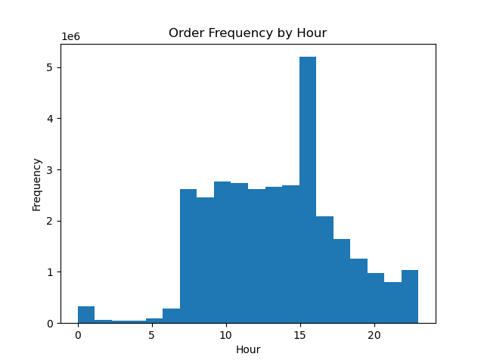

 |  |  |  |  |  |  | Most orders occur between 7AM and 5PM. The most orders happen around 3PM and slowly taper off into the evening
 |  |  |  |  |  |  | The least busy hours of the day are from 2-5AM

2 | What is the busiest/least busy day of the week?
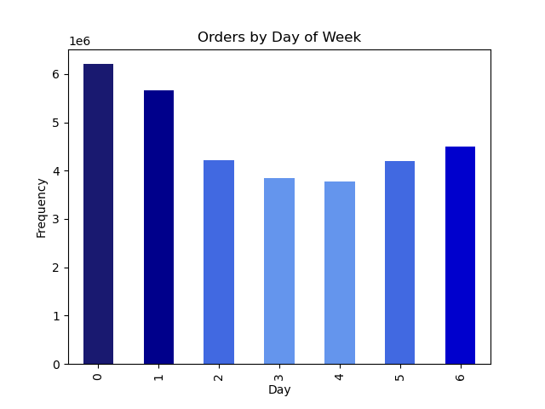
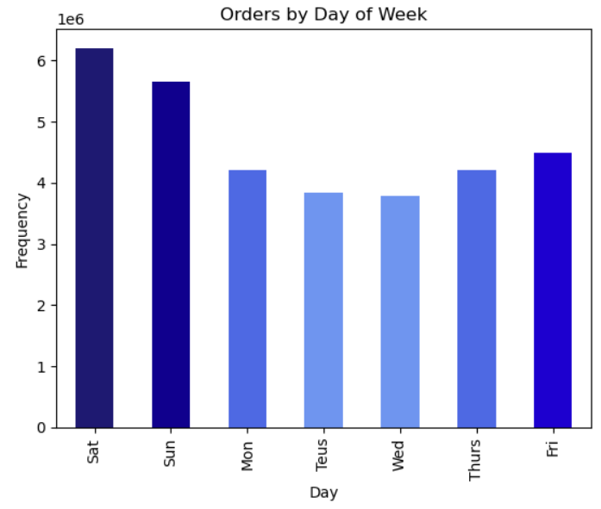
 |  |  |  |  |  |  | The least orders take place on Tuesday and Wednesday.
 |  |  |  |  |  |  | The greatest number of orders take place on Saturday followed by Sunday.

3 | Are there particular times of the day or days of the week when people spend the most?

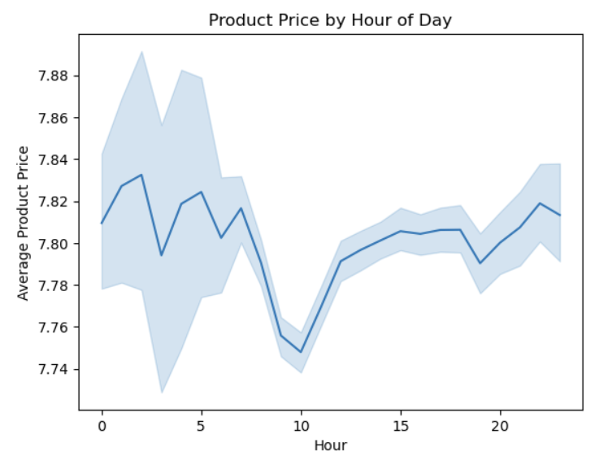
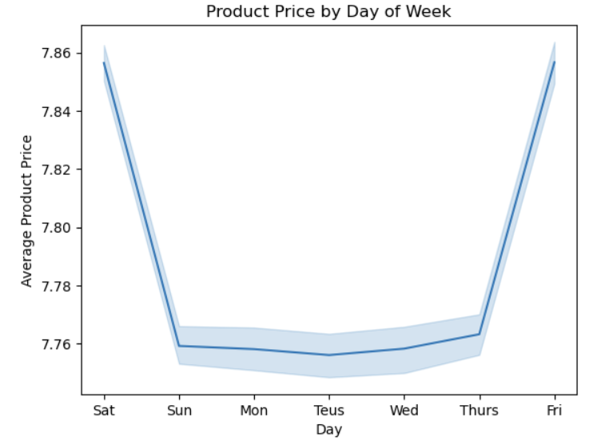

 |  |  |  |  |  |  |  |  |  |  | On average customers buy the highest priced items on Friday and Saturday. Perhaps they are buying higher prices snack or party items during these days as opposed to typical day to day goods during the week.
 |  |  |  |  |  |  |  |  |  |  | There doesn't appear to be an obvious trend in item price throughout the day although item price plumets at 10AM and is higher around 1-2AM and 11PM. Perhaps the few people who are buying anything in the early morning are not concerned about product prices at that time and are buying products that are higher priced. Conversely by 10AM shoppers may be buying the top items such as produce and dairy that tend to be cheaper.

4 | What would be a better price range for products?

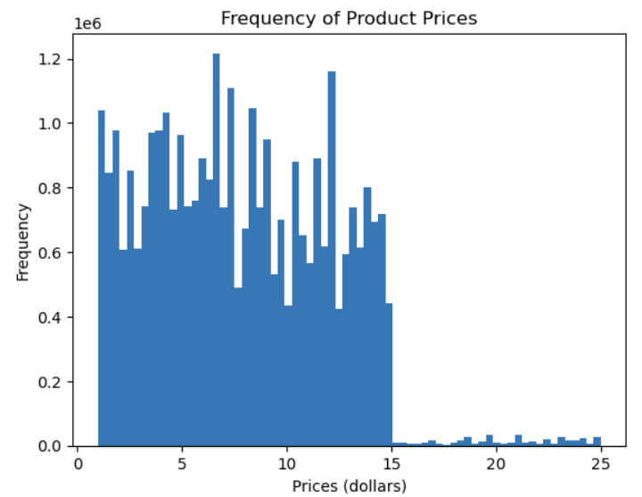

 |  |  |  |  |  |  | Most products cost between zero and fifteen dollars and there are very few products over fifteen but under twenty-five.
 |  |  |  |  |  |  | 75% of products have a price below eleven dollars and only 1% of products are priced above fifteen dollars.

 |  |  |  |  |  | Product Prices - Descriptive Statistics
 |  |  |  |  |  | Average |  |  | $7.79
 |  |  |  |  |  | Minimum |  |  | $1.00
 |  |  |  |  |  | 25th Percentile |  |  | $4.20
 |  |  |  |  |  | 50th Percentile |  |  | $7.40
 |  |  |  |  |  | 75th Percentile |  |  | $11.30
 |  |  |  |  |  | Maximum |  |  | $25.00

5 | Which departments have the highest frequency of orders?

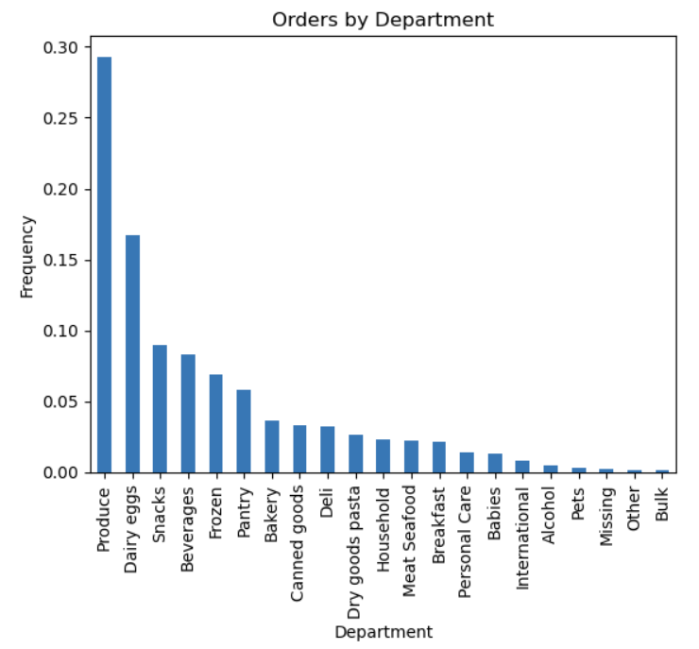

 |  |  |  |  |  |  | Produce, dairy eggs, and snacks get the most orders. Other and bulk get the least.

6 | What is the distribution of orders based on loyalty
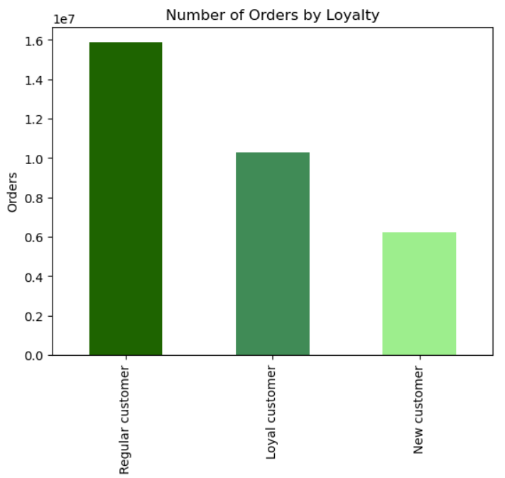

 |  |  |  |  |  |  | Most orders are placed by regular customers who have a max order number between 10 and 40

7 | How does loyalty impact ordering behavior

 | Department | Loyal customer | New customer | Regular customer
 | Frozen | 609,460 | 372,271 | 1,140,000
 | Other | 10,715 | 5,839 | 17,857 |  | Low |  | Loyalty does not impact which department customers order most from
 | Bakery | 379,873 | 172,104 | 568,851 |  | High
 | Produce | 3,147,376 | 1,336,604 | 4,595,293
 | Alcohol | 38,723 | 28,629 | 77,275
 | International | 78,394 | 43,841 | 133,756
 | Beverages | 855,017 | 396,649 | 1,320,235
 | Pets | 25,469 | 15,880 | 51,711
 | Dry goods pasta | 242,580 | 144,836 | 434,720
 | Bulk | 13,834 | 4,149 | 15,468
 | Personal care | 123,365 | 75,442 | 225,499
 | Meat seafood | 202,480 | 112,464 | 359,837
 | Pantry | 560,402 | 299,576 | 922,727
 | Breakfast | 221,577 | 106,179 | 343,094
 | Canned goods | 294,594 | 180,196 | 537,284
 | Dairy eggs | 1,830,707 | 750,056 | 2,596,419
 | Household | 196,873 | 128,117 | 374,867
 | Babies | 167,108 | 46,708 | 196,576
 | Snacks | 943,150 | 413,107 | 1,410,149
 | Deli | 324,046 | 158,335 | 521,453
 | Missing | 18,350 | 12,713 | 33,705

 |  | prices |  |  | days_since_last_order
 |  | mean | min | max | mean | min | max
 |  |  |  |  |  |  |  | New customers go the longest before ordering again. They wait more than two weeks before ordering again.
 | Loyal customer | 7.8 | 1 | 25 | 6.1 | 0 | 30 | Loyal customers only wait six days before ordering again.
 | New customer | 7.8 | 1 | 25 | 16.7 | 0 | 30
 | Regular customer | 7.8 | 1 | 25 | 12.1 | 0 | 30

8 | What are ordering habits by region
 |  | High spender | Low spender | Percent_high | Percent_low
 | Midwest | 155975 | 7441350 | 2.1 | 97.9 |  |  | Midwest has the greatest percent of high spenders of all regions.
 | Northeast | 108225 | 5614511 | 1.9 | 98.1
 | South | 209691 | 10582194 | 1.9 | 98.1
 | West | 160354 | 8132559 | 1.9 | 98.1

9 | Is there a relationship between age and number of dependants

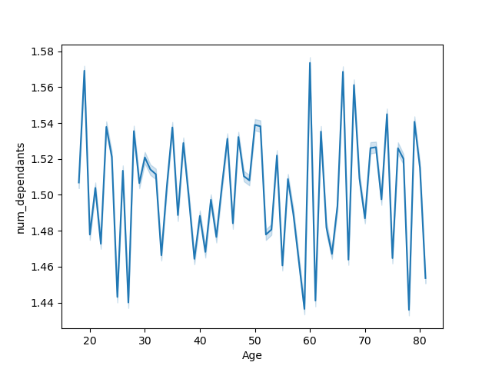

 |  |  |  |  |  |  | There doesn't appear to be a relationship between age and number of dependants

10 | What does the customer base look like.

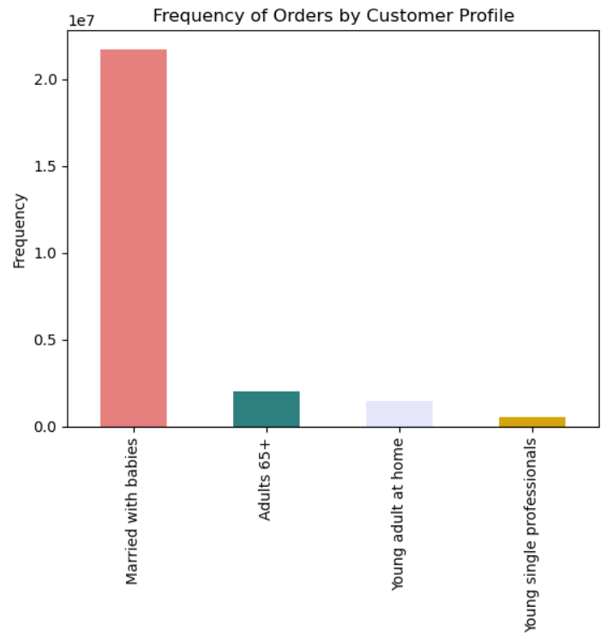
 |  |  |  |  |  |  | 69.9% of customer base is married with babies. The next highest is adults 65+ which only make up 6.3% of customers
 |  |  |  |  |  |  | No customers are married without children. This is an untapped market.

11 | What are the differences in ordering habits of different customer profiles

 |  |  |  |  |  |  |  |  | young single professionals wait the longest before ordering again. On average they wait 11 days.
 |  | Prices (dollars) |  |  | Days since last order |  |  |  | Adults 65+, married with babies, and young adults at home buy the highest priced items on average
 |  | mean | min | max | mean | min | max |  | While young single professionals buy the lowest priced items

 | Adults 65+ | 7.8 | 1 | 25 | 10.8 | 0 | 30
 | Married with babies | 7.8 | 1 | 25 | 10.8 | 0 | 30
 | Young adult at home | 7.8 | 1 | 25 | 10.7 | 0 | 30
 | Young single professionals | 7.4 | 1 | 25 | 11.0 | 0 | 30

7. Recommendations
 |  | Title page

Recommendations

Question(s) | Answer(s)
What is the busiest/least busy day of the week? | Consider running ads on Tuesdays and Wednesdays when orders are lowest
What is the busiest/least busy hour of the day? | Consider running an early bird or evening special to get customers to order before 7AM or from 5-10PM
Are there particular times of the day when people spend the most? | Consider more ads between 9-11AM because this is when they buy the lowest priced items
What would be a better price range grouping to help direct efforts (prices histogram) | Consider simplifying price ranges to 0-15 and over 15
which depts have highest frequency of product orders | Consider more ads for bulk, pets, and alcohol as these departments get the least orders
Distribution of frequency of loyalty (theres a flag for that) | Consider extra rewards for loyal and new customers to encourage continued ordering
Differences in ordering habits based on loyalty | Consider extra ads for new customers to encourage ordering sooner than 16 days
What are ordering habits by region | Consider more ads for high priced items in South, Northeast, and West
what different classifications does the demographic information suggest | None of your customers are married without children. This is an untapped market with more disposable income.
what differences can you find in ordering habits of different customer profiles | Consider targeting young single professionals to decrease days between orders and increase average item price

