TOPOGRAPHY ILLUSTRATION
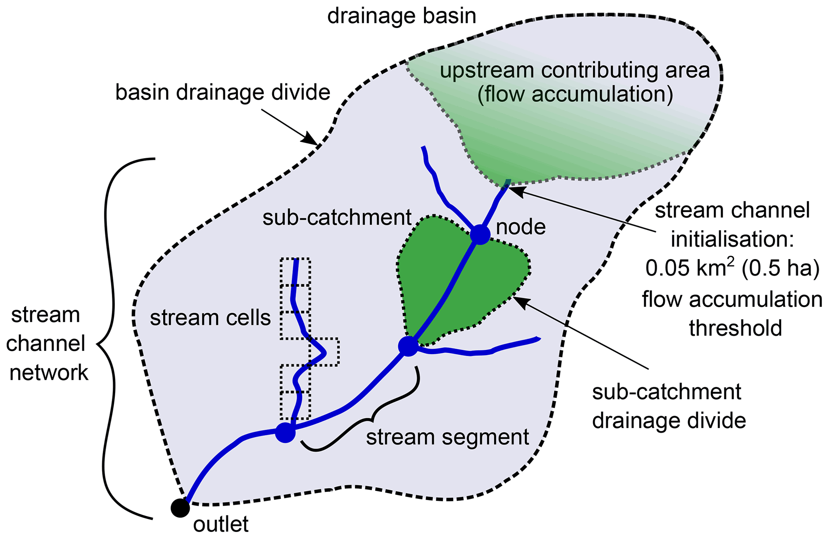

Schematic overview of the terminology used in Hydrography90m
Reprinted from Hydrography90m: A new high-resolution global hydrographic dataset, by G. Amatulli et al., 2022, Earth System Science Data, 14(10), p. 4525. https://doi.org/10.5194/essd-14-4525-2022. Copyright 2022 the Authors.

