Sheet1
 | Test Design
 | Exercise | TD_EC_BT_001

 | Letter Grading System

 |  | Grades | Grade Points | Numerical Scale of Marks
 |  | A | 4 | 85 - 100%
 |  | A- | 3.7 | 80 - 84%
 |  | B+ | 3.3 | 75 - 79%
 |  | B | 3 | 70 - 74%
 |  | B- | 2.7 | 65 - 69%
 |  | C+ | 2.3 | 60 - 64%
 |  | C | 2 | 55 - 59%
 |  | D | 1 | 50 - 54%
 |  | F (Fail) | 0 | 0 - 49%

 | A program converts grades from a numercial scale to a letter grade.
 | Valid input is an integer representing a grade as a percentage value.
 | The operator enters the grade in a text field which is 10 characters long.
 | Valid range of input is between 0 and 100 inclusive.
 | The program stores the numeric value of the grade in a JAVA BYTE variable which has a valid range between -128 and 127.

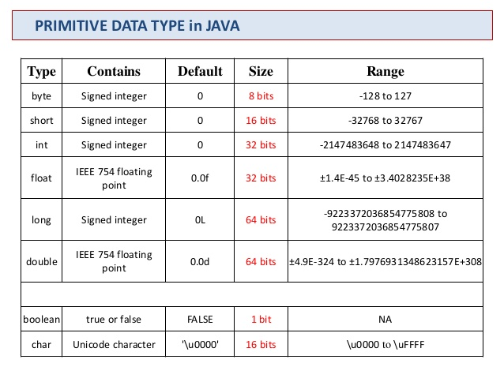

a | For the input variable "grade" identify equivalence classes related to Application Logic, Input Method and Memory Processing.

 |  | Class Identifier | Class Type | Description
 |  | CID001 | Application Logic | A | 85-100%
 |  | CID002 | Application Logic | A- | 80-84%
 |  | CID003 | Application Logic | B+ | 75-79%
 |  | CID004 | Application Logic | B | 70-74%
 |  | CID005 | Application Logic | B- | 65-69%
 |  | CID006 | Application Logic | C+ | 60-64%
 |  | CID007 | Application Logic | C | 55-59%
 |  | CID008 | Application Logic | D | 50-54%
 |  | CID009 | Application Logic | F | 0-49%
 |  | CID010 | Application Logic | INVALID HIGH | < 0
 |  | CID011 | Application Logic | INVALID LOW | > 100
 |  | CID012 | Input Method | Non Numeric Alpha | Alphabetical Letters
 |  | CID013 | Input Method | Non Numeric Control | Console Command Inputs
 |  | CID014 | Input Method | Non Numeric Blob | Any characters
 |  | CID015 | Input Method | Numeric Valid Syntax |  | Overlaps CID001 - CID009
 |  | CID016 | Input Method | Numeric Invalid Syntax | Numbers split by character
 |  | CID017 | Input Method | Empty String
 |  | CID018 | Input Method | Too Long String | Greater than 10 characters
 |  | CID019 | Input Method | String in range | Less than 10 characters
 |  | CID020 | Memory Processing | Below Minimum Byte Val | < -128
 |  | CID021 | Memory Processing | Above Maximum Byte Val | > 127
 |  | CID022 | Memory Processing | In Range of Byte Val, Valid | 0 - 100
 |  | CID023 | Memory Processing | In Range of Byte Val, Invalid | From -128 to -1
 |  | CID024 | Memory Processing | In Range of Byte Val, Invalid | From 101 to 127

b | For each equivalence class identify a value test.

 |  | Test Case ID | Class Identier | Input Value | Expected Outcome | Comment
 |  | TID001 | CID001 | 90 | A
 |  | TID002 | CID002 | 83 | A-
 |  | TID003 | CID003 | 78 | B+
 |  | TID004 | CID004 | 72 | B
 |  | TID005 | CID005 | 67 | B-
 |  | TID006 | CID006 | 61 | C+
 |  | TID007 | CID007 | 59 | C
 |  | TID008 | CID008 | 53 | D
 |  | TID009 | CID009 | 30 | F
 |  | TID010 | CID010 | 103 | Invalid High
 |  | TID011 | CID011 | -2 | Invalid Low
 |  | TID012 | CID012 | Open Sesame | Non Numeric Alpha
 |  | TID013 | CID013 | <^C><^X> | Non Numeric Control
 |  | TID014 | CID014 | <Random:Blob~Of Letters> | Non Numeric Blob
 |  | TID015 | CID015 | 59 | C
 |  | TID016 | CID016 | 999-240 | Numeric Invalid Syntax
 |  | TID017 | CID017 | <> | Empty String
 |  | TID018 | CID018 | StringIsTooLong | Too Long String
 |  | TID019 | CID019 | 99 | A
 |  | TID020 | CID020 | -200 | INV LOW
 |  | TID021 | CID021 | 200 | INV HIGH
 |  | TID022 | CID022 | 83 | A-
 |  | TID023 | CID023 | -8 | INV LOW
 |  | TID024 | CID024 | 110 | INV HIGH

c | For each equivalence class with boundaries identify, two point boundary tests

 |  | Test Case ID | Equivalence Class | Input | Expected Outcome
 |  |  | CID001
 |  | TID024 |  | 85 | A
 |  | TID025 |  | 84 | A-
 |  | TID026 |  | 100 | A
 |  | TID027 |  | 101 | INV HIGH
 |  |  | CID002
 |  | TID028 |  | 80 | A-
 |  | TID029 |  | 79 | B+
 |  | TID025 |  | 84 | A-
 |  | TID024 |  | 85 | A
 |  |  | CID003
 |  | TID030 |  | 75 | B+
 |  | TID031 |  | 74 | B
 |  | TID029 |  | 79 | B+
 |  | TID028 |  | 80 | A-
 |  |  | CID004
 |  | TID032 |  | 70 | B
 |  | TID033 |  | 69 | B-
 |  | TID031 |  | 74 | B
 |  | TID030 |  | 75 | B+
 |  |  | CID005
 |  | TID034 |  | 65 | B-
 |  | TID035 |  | 64 | C+
 |  | TID033 |  | 69 | B-
 |  | TID032 |  | 70 | B
 |  |  | CID006
 |  | TID036 |  | 60 | C+
 |  | TID037 |  | 59 | C
 |  | TID035 |  | 64 | C+
 |  | TID034 |  | 65 | B-
 |  |  | CID007
 |  | TID038 |  | 55 | C
 |  | TID039 |  | 54 | D
 |  | TID037 |  | 59 | C
 |  | TID036 |  | 60 | C+
 |  |  | CID008
 |  | TID040 |  | 50 | D
 |  | TID041 |  | 49 | F
 |  | TID039 |  | 54 | D
 |  | TID038 |  | 55 | C
 |  |  | CID009
 |  | TID042 |  | 0 | F
 |  | TID043 |  | -1 | INV LOW
 |  | TID041 |  | 49 | F
 |  | TID040 |  | 50 | D
 |  |  | CID010
 |  | TID044 |  | 101 | INV HIGH
 |  | TID026 |  | 100 | A
 |  |  | CID011
 |  | TID043 |  | -1 | INV LOW
 |  | TID045 |  | 0 | F
 |  |  | CID018
 |  | TID051 |  | 9876543210 | INV HIGH
 |  | TID052 |  | 98765432109 | Too Long String
 |  |  | CID019
 |  | TID042 |  | 0 | F
 |  | TID053 |  | <empty> | Empty String
 |  | TID051 |  | 9876543210 | INV HIGH
 |  | TID052 |  | 98765432109 | Too Long String
 |  |  | CID020
 |  | TID046 |  | -129 | INV LOW
 |  | TID047 |  | -128 | INV LOW
 |  |  | CID021
 |  | TID050 |  | 128 | INV HIGH
 |  | TID049 |  | 127 | INV HIGH
 |  |  | CID023
 |  | TID048 |  | -1 | INV LOW
 |  | TID043 |  | 0 | F
 |  | TID047 |  | -128 | INV LOW
 |  | TID046 |  | -129 | INV LOW
 |  |  | CID024
 |  | TID049 |  | 127 | INV HIGH
 |  | TID050 |  | 128 | INV HIGH
 |  | TID027 |  | 101 | INV HIGH
 |  | TID026 |  | 100 | A

