pre1
Use File, Preference to set Report Heading
Long Form Torque vs. Position Report - Knee Extension/Flexion
Name: |  |  |  | TR0303001, | ID: | TR0303001 | Right/Left: | 08.09.2021 08.09.2021
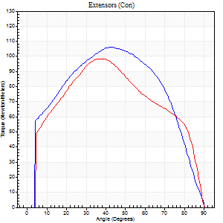
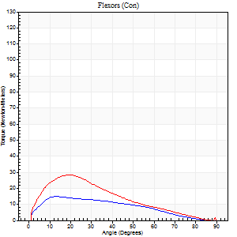
Right Side Curves Left Side Curves
Isokinetic Con/Con |  |  |  | Extensors (Con) |  | Flexors (Con)
Speed 60/60 d/s 3 Reps |  |  |  | Value | Cof Var | %BW | Value | Cof Var | %BW | Ratio

TORQUE PARAMETERS
Peak Torque (Newton-Meters - Best Repetition)
Right |  |  |  | 106 | 0.24 | 152 | 15 | 0.11 | 21 | 14
Left |  |  |  | 99 | 0.04 | 140 | 28 | 0.33 | 42 | 29
Deficit |  |  |  | 6 |  |  | 48
Work per Repetition (Newton-Meters - Best Repetition)
Right |  |  |  | 119 | 0.3 | 170 | 14 | 0.25 | 18 | 11
Left |  |  |  | 108 | 0.04 | 155 | 22 | 0.22 | 30 | 20
Deficit |  |  |  | 9 |  |  | 38
Average Power per Repetition (Watts - Best Repetition)
Right |  |  |  | 73 | 0.3 | 103 | 8 | 0.23 | 11 | 11
Left |  |  |  | 69 | 0.05 | 99 | 14 | 0.23 | 20 | 20
Deficit |  |  |  | 5 |  |  | 43
POSITION PARAMETERS
Joint Angle at Peak Torque (Degrees)
Right |  |  |  | 37 | 0.26 |  | 15 | 0.18
Left |  |  |  | 37 | 0.03 |  | 19 | 0.43
Range of Motion (Degrees)
Right |  |  |  | 0 | 5.66 |  | 90 | 0
Left |  |  |  | 0 | -1.41 |  | 89 | 0.02
TIME PARAMETERS
Time to Peak Torque (Seconds)
Right |  |  |  | 0.84 | 0.02 |  | 0.33 | 0.28
Left |  |  |  | 0.93 | 0.02 |  | 0.35 | 0.36
Time Peak Torque Held (Seconds)
Right |  |  |  | 0.04 | 0.88 |  | 0.05 | 0.29
Left |  |  |  | 0.06 | 0.17 |  | 0.01 | 1.73
Force Decay Time (Seconds)
Right |  |  |  | 0.62 | 0.22 |  | 1.22 | 0.1
Left |  |  |  | 0.59 | 0.02 |  | 1.19 | 0.12
Reciprocal Delay (Seconds)
Right |  |  |  | 0.25 | 0.28 |  | 0.28 | 0.53
Left |  |  |  | 0.19 | 0.22 |  | 0.27 | 0.21
Delay Time (Seconds)
Right |  |  |  | -0.04 | -0.61 |  | -0.01 | -2.29
Left |  |  |  | -0.01 | -1.41 |  | 0.01 | 2
HUMAC2015® Version: 15.000.0074 © Computer Sports Medicine, Inc. www.csmisolutions.com

Use File, Preference to set Report Heading
Long Form Torque vs. Position Report - Knee Extension/Flexion
Name: |  |  |  | TR0303001, | ID: | TR0303001 | Right/Left: | 08.09.2021 08.09.2021
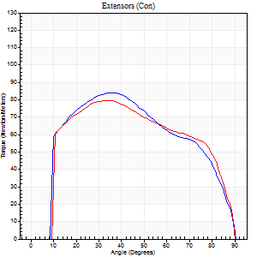
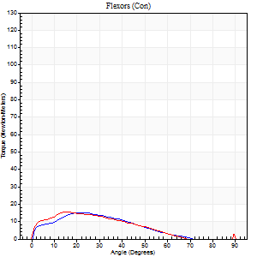
Right Side Curves Left Side Curves
Isokinetic Con/Con |  |  |  | Extensors (Con) |  | Flexors (Con)
Speed 120/120 d/s 3 Reps |  |  |  | Value | Cof Var | %BW | Value | Cof Var | %BW | Ratio

TORQUE PARAMETERS
Peak Torque (Newton-Meters - Best Repetition)
Right |  |  |  | 84 | 0.17 | 119 | 15 | 0.4 | 21 | 18
Left |  |  |  | 80 | 0.06 | 113 | 15 | 0.17 | 21 | 19
Deficit |  |  |  | 5 |  |  | 0
Work per Repetition (Newton-Meters - Best Repetition)
Right |  |  |  | 94 | 0.21 | 134 | 11 | 0.4 | 15 | 12
Left |  |  |  | 89 | 0.03 | 128 | 11 | 0.26 | 15 | 12
Deficit |  |  |  | 4 |  |  | 0
Average Power per Repetition (Watts - Best Repetition)
Right |  |  |  | 107 | 0.24 | 152 | 12 | 0.41 | 18 | 11
Left |  |  |  | 100 | 0.02 | 143 | 12 | 0.26 | 18 | 12
Deficit |  |  |  | 7 |  |  | 0
POSITION PARAMETERS
Joint Angle at Peak Torque (Degrees)
Right |  |  |  | 35 | 0.17 |  | 28 | 0.29
Left |  |  |  | 33 | 0.14 |  | 17 | 0.12
Range of Motion (Degrees)
Right |  |  |  | 0 | 1.94 |  | 90 | 0
Left |  |  |  | 0 | 0.47 |  | 88 | 0.02
TIME PARAMETERS
Time to Peak Torque (Seconds)
Right |  |  |  | 0.5 | 0.04 |  | 0.31 | 0.12
Left |  |  |  | 0.55 | 0.06 |  | 0.23 | 0.17
Time Peak Torque Held (Seconds)
Right |  |  |  | 0.02 | 0.5 |  | 0.01 | 1.73
Left |  |  |  | 0.03 | 1.08 |  | 0.01 | 1.73
Force Decay Time (Seconds)
Right |  |  |  | 0.32 | 0.21 |  | 0.62 | 0.1
Left |  |  |  | 0.32 | 0.15 |  | 0.67 | 0.06
Reciprocal Delay (Seconds)
Right |  |  |  | 0.21 | 0.17 |  | 0.19 | 0.69
Left |  |  |  | 0.19 | 0.27 |  | 0.2 | 0.08
Delay Time (Seconds)
Right |  |  |  | -0.03 | 0 |  | 0.02 | 0.92
Left |  |  |  | -0.04 | -0.2 |  | -0.01 | -0.87
HUMAC2015® Version: 15.000.0074 © Computer Sports Medicine, Inc. www.csmisolutions.com

Use File, Preference to set Report Heading
Long Form Torque vs. Position Report - Knee Extension/Flexion
Name: |  |  |  | TR0303001, | ID: | TR0303001 | Right/Left: | 08.09.2021 08.09.2021
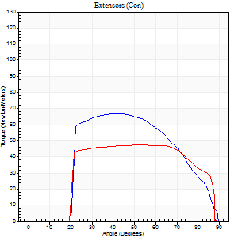
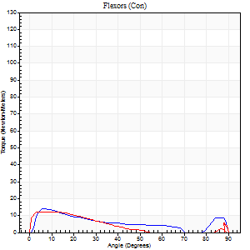
Right Side Curves Left Side Curves
Isokinetic Con/Con |  |  |  | Extensors (Con) |  | Flexors (Con)
Speed 240/240 d/s 3 Reps |  |  |  | Value | Cof Var | %BW | Value | Cof Var | %BW | Ratio

TORQUE PARAMETERS
Peak Torque (Newton-Meters - Best Repetition)
Right |  |  |  | 66 | 0.23 | 95 | 14 | 0.16 | 18 | 20
Left |  |  |  | 47 | 0.21 | 69 | 12 | 0.09 | 18 | 26
Deficit |  |  |  | 29 |  |  | 10
Work per Repetition (Newton-Meters - Best Repetition)
Right |  |  |  | 65 | 0.24 | 92 | 12 | 0.27 | 18 | 19
Left |  |  |  | 52 | 0.25 | 75 | 7 | 0.09 | 9 | 13
Deficit |  |  |  | 21 |  |  | 44
Average Power per Repetition (Watts - Best Repetition)
Right |  |  |  | 118 | 0.22 | 169 | 21 | 0.29 | 31 | 18
Left |  |  |  | 75 | 0.19 | 108 | 9 | 0.06 | 13 | 12
Deficit |  |  |  | 36 |  |  | 57
POSITION PARAMETERS
Joint Angle at Peak Torque (Degrees)
Right |  |  |  | 52 | 0.2 |  | 7 | 0.34
Left |  |  |  | 60 | 0.11 |  | 7 | 0.49
Range of Motion (Degrees)
Right |  |  |  | 0 | 0.71 |  | 90 | 0.01
Left |  |  |  | 0 | 0.2 |  | 89 | 0.01
TIME PARAMETERS
Time to Peak Torque (Seconds)
Right |  |  |  | 0.29 | 0.2 |  | 0.09 | 0.29
Left |  |  |  | 0.34 | 0.59 |  | 0.16 | 0.29
Time Peak Torque Held (Seconds)
Right |  |  |  | 0.03 | 0.57 |  | 0 | 1.73
Left |  |  |  | 0.02 | 0.87 |  | 0.05 | 1.08
Force Decay Time (Seconds)
Right |  |  |  | 0.26 | 0.14 |  | 0.46 | 0.1
Left |  |  |  | 0.33 | 0.13 |  | 0.51 | 0.23
Reciprocal Delay (Seconds)
Right |  |  |  | 0.13 | 0.65 |  | 0.09 | 0.24
Left |  |  |  | 0.09 | 0.22 |  | 0.16 | 0.15
Delay Time (Seconds)
Right |  |  |  | -0.04 | -0.2 |  | 0 | 4.58
Left |  |  |  | -0.04 | -0.35 |  | -0.04 | 0
HUMAC2015® Version: 15.000.0074 © Computer Sports Medicine, Inc. www.csmisolutions.com

Use File, Preference to set Report Heading
Isometric - Knee Extension/Flexion
Name: |  |  |  | TR0303001, | ID: | TR0303001 | Right/Left: | 08.09.2021 08.09.2021

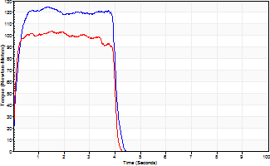
Isometric Extensors (Con) Angle 60 Time 10 Repetition 2 (Best Repetition)
 | Value | Cof Var | %BW
Peak Torque (Newton-Meters)
Right | 125 | 0.07 | 179
Left | 103 | 0.02 | 146
Deficit | 17
Average Torque (Newton-Meters)
Right | 47 | 0 | 69
Left | 41 | 0.02 | 57
Deficit | 14
Peak Torque Slope (Newton-Meters/Seconds)
Right | 93 | 0.48 | 133
Left | 88 | 0.19 | 126 |  | Right Side Curves Left Side Curves
Deficit | 5
Time to Half Peak Torque (Seconds)
Right | 0.12 | 0.17
Left | 0.09 | 0.16
Time to Peak Torque (Seconds)
Right | 1.89 | 0.42
Left | 1.34 | 0.21
HUMAC2015® Version: 15.000.0074 © Computer Sports Medicine, Inc. www.csmisolutions.com

pre2
Use File, Preference to set Report Heading
Long Form Torque vs. Position Report - Knee Extension/Flexion
Name: |  |  |  | TR0303001, | ID: | TR0303001 | Right/Left: | 23.09.2021 23.09.2021
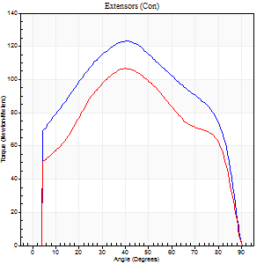
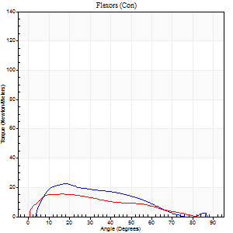
Right Side Curves Left Side Curves
Isokinetic Con/Con |  |  |  | Extensors (Con) |  | Flexors (Con)
Speed 60/60 d/s 3 Reps |  |  |  | Value | Cof Var | %BW | Value | Cof Var | %BW | Ratio

TORQUE PARAMETERS
Peak Torque (Newton-Meters - Best Repetition)
Right |  |  |  | 123 | 0.02 | 176 | 23 | 0.25 | 33 | 19
Left |  |  |  | 107 | 0.03 | 152 | 15 | 0.03 | 21 | 14
Deficit |  |  |  | 13 |  |  | 35
Work per Repetition (Newton-Meters - Best Repetition)
Right |  |  |  | 141 | 0.01 | 203 | 18 | 0.21 | 24 | 12
Left |  |  |  | 117 | 0.04 | 167 | 15 | 0.06 | 21 | 13
Deficit |  |  |  | 17 |  |  | 15
Average Power per Repetition (Watts - Best Repetition)
Right |  |  |  | 88 | 0.02 | 125 | 11 | 0.2 | 15 | 12
Left |  |  |  | 73 | 0.07 | 103 | 10 | 0.08 | 13 | 14
Deficit |  |  |  | 17 |  |  | 9
POSITION PARAMETERS
Joint Angle at Peak Torque (Degrees)
Right |  |  |  | 40 | 0.07 |  | 18 | 0.28
Left |  |  |  | 40 | 0.08 |  | 22 | 0.23
Range of Motion (Degrees)
Right |  |  |  | 0 | 0 |  | 90 | 0
Left |  |  |  | 0 | 0 |  | 90 | 0
TIME PARAMETERS
Time to Peak Torque (Seconds)
Right |  |  |  | 0.9 | 0.03 |  | 0.3 | 0.19
Left |  |  |  | 0.93 | 0.07 |  | 0.42 | 0.23
Time Peak Torque Held (Seconds)
Right |  |  |  | 0.06 | 0.41 |  | 0.05 | 1.56
Left |  |  |  | 0.05 | 0.11 |  | 0.03 | 1.73
Force Decay Time (Seconds)
Right |  |  |  | 0.65 | 0.09 |  | 1.21 | 0.05
Left |  |  |  | 0.67 | 0.07 |  | 1.12 | 0.14
Reciprocal Delay (Seconds)
Right |  |  |  | 0.26 | 0.24 |  | 0.31 | 0.44
Left |  |  |  | 0.2 | 0.14 |  | 0.33 | 0.14
Delay Time (Seconds)
Right |  |  |  | -0.03 | -0.47 |  | 0.04 | 1.5
Left |  |  |  | -0.05 | -0.13 |  | 0 | -1.73
HUMAC2015® Version: 15.000.0074 © Computer Sports Medicine, Inc. www.csmisolutions.com

Use File, Preference to set Report Heading
Long Form Torque vs. Position Report - Knee Extension/Flexion
Name: |  |  |  | TR0303001, | ID: | TR0303001 | Right/Left: | 23.09.2021 23.09.2021
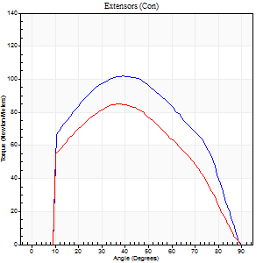
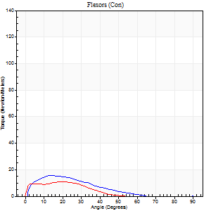
Right Side Curves Left Side Curves
Isokinetic Con/Con |  |  |  | Extensors (Con) |  | Flexors (Con)
Speed 120/120 d/s 3 Reps |  |  |  | Value | Cof Var | %BW | Value | Cof Var | %BW | Ratio

TORQUE PARAMETERS
Peak Torque (Newton-Meters - Best Repetition)
Right |  |  |  | 102 | 0.04 | 146 | 16 | 0.17 | 24 | 16
Left |  |  |  | 85 | 0.02 | 122 | 11 | 0.06 | 15 | 13
Deficit |  |  |  | 16 |  |  | 33
Work per Repetition (Newton-Meters - Best Repetition)
Right |  |  |  | 111 | 0.05 | 158 | 9 | 0.08 | 15 | 9
Left |  |  |  | 91 | 0.04 | 131 | 8 | 0.14 | 12 | 9
Deficit |  |  |  | 18 |  |  | 14
Average Power per Repetition (Watts - Best Repetition)
Right |  |  |  | 120 | 0.07 | 171 | 10 | 0.07 | 13 | 8
Left |  |  |  | 100 | 0.07 | 143 | 8 | 0.21 | 11 | 8
Deficit |  |  |  | 17 |  |  | 20
POSITION PARAMETERS
Joint Angle at Peak Torque (Degrees)
Right |  |  |  | 41 | 0.13 |  | 20 | 0.27
Left |  |  |  | 37 | 0.02 |  | 19 | 0.16
Range of Motion (Degrees)
Right |  |  |  | 0 | 2.83 |  | 90 | 0
Left |  |  |  | 0 | 0 |  | 90 | 0
TIME PARAMETERS
Time to Peak Torque (Seconds)
Right |  |  |  | 0.56 | 0.06 |  | 0.24 | 0.29
Left |  |  |  | 0.55 | 0.05 |  | 0.26 | 0.12
Time Peak Torque Held (Seconds)
Right |  |  |  | 0.04 | 0.25 |  | 0.01 | 0.87
Left |  |  |  | 0.02 | 0.35 |  | 0.02 | 0.89
Force Decay Time (Seconds)
Right |  |  |  | 0.38 | 0.13 |  | 0.68 | 0.19
Left |  |  |  | 0.37 | 0.04 |  | 0.67 | 0.17
Reciprocal Delay (Seconds)
Right |  |  |  | 0.16 | 0.21 |  | 0.23 | 0.24
Left |  |  |  | 0.19 | 0.5 |  | 0.27 | 0.11
Delay Time (Seconds)
Right |  |  |  | -0.06 | 0 |  | 0.01 | 1.73
Left |  |  |  | -0.04 | -0.35 |  | -0.02 | -0.49
HUMAC2015® Version: 15.000.0074 © Computer Sports Medicine, Inc. www.csmisolutions.com

Use File, Preference to set Report Heading
Long Form Torque vs. Position Report - Knee Extension/Flexion
Name: |  |  |  | TR0303001, | ID: | TR0303001 | Right/Left: | 23.09.2021 23.09.2021
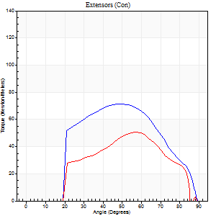
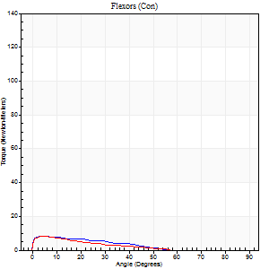
Right Side Curves Left Side Curves
Isokinetic Con/Con |  |  |  | Extensors (Con) |  | Flexors (Con)
Speed 240/240 d/s 3 Reps |  |  |  | Value | Cof Var | %BW | Value | Cof Var | %BW | Ratio

TORQUE PARAMETERS
Peak Torque (Newton-Meters - Best Repetition)
Right |  |  |  | 72 | 0.18 | 101 | 8 | 0.15 | 12 | 11
Left |  |  |  | 50 | 0.25 | 72 | 8 | 0.07 | 12 | 16
Deficit |  |  |  | 30 |  |  | 0
Work per Repetition (Newton-Meters - Best Repetition)
Right |  |  |  | 66 | 0.21 | 95 | 5 | 0.23 | 9 | 8
Left |  |  |  | 46 | 0.29 | 66 | 5 | 0.33 | 9 | 12
Deficit |  |  |  | 31 |  |  | 0
Average Power per Repetition (Watts - Best Repetition)
Right |  |  |  | 102 | 0.23 | 145 | 7 | 0.41 | 11 | 7
Left |  |  |  | 69 | 0.32 | 99 | 7 | 0.51 | 11 | 10
Deficit |  |  |  | 32 |  |  | 0
POSITION PARAMETERS
Joint Angle at Peak Torque (Degrees)
Right |  |  |  | 58 | 0.13 |  | 3 | 0.58
Left |  |  |  | 53 | 0.06 |  | 5 | 0.38
Range of Motion (Degrees)
Right |  |  |  | 0 | 0 |  | 90 | 0
Left |  |  |  | 0 | -1.41 |  | 89 | 0.01
TIME PARAMETERS
Time to Peak Torque (Seconds)
Right |  |  |  | 0.28 | 0.3 |  | 0.13 | 0.32
Left |  |  |  | 0.33 | 0.04 |  | 0.16 | 0.25
Time Peak Torque Held (Seconds)
Right |  |  |  | 0.01 | 1.15 |  | 0.03 | 0.92
Left |  |  |  | 0.01 | 1.15 |  | 0.03 | 1.73
Force Decay Time (Seconds)
Right |  |  |  | 0.34 | 0.13 |  | 0.71 | 0.32
Left |  |  |  | 0.33 | 0.08 |  | 0.71 | 0.44
Reciprocal Delay (Seconds)
Right |  |  |  | 0.13 | 0 |  | 0.43 | 0.22
Left |  |  |  | 0.12 | 0.43 |  | 0.32 | 0.22
Delay Time (Seconds)
Right |  |  |  | -0.04 | -0.47 |  | -0.05 | 0
Left |  |  |  | -0.01 | -6.13 |  | -0.05 | -0.29
HUMAC2015® Version: 15.000.0074 © Computer Sports Medicine, Inc. www.csmisolutions.com

Use File, Preference to set Report Heading
Isometric - Knee Extension/Flexion
Name: |  |  |  | TR0303001, | ID: | TR0303001 | Right/Left: | 23.09.2021 23.09.2021

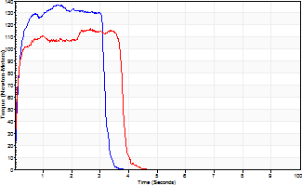
Isometric Extensors (Con) Angle 60 Time 10 Repetition 2 (Best Repetition)
 | Value | Cof Var | %BW
Peak Torque (Newton-Meters)
Right | 137 | 0.03 | 197
Left | 117 | 0.07 | 167
Deficit | 15
Average Torque (Newton-Meters)
Right | 39 | 0.05 | 57
Left | 41 | 0.13 | 57
Deficit | 3
Peak Torque Slope (Newton-Meters/Seconds)
Right | 160 | 0.38 | 228
Left | 45 | 0.02 | 64 |  | Right Side Curves Left Side Curves
Deficit | 72
Time to Half Peak Torque (Seconds)
Right | 0.09 | 0.22
Left | 0.09 | 0.22
Time to Peak Torque (Seconds)
Right | 1.14 | 0.41
Left | 2.49 | 0.08
HUMAC2015® Version: 15.000.0074 © Computer Sports Medicine, Inc. www.csmisolutions.com

mid1
Use File, Preference to set Report Heading
Long Form Torque vs. Position Report - Knee Extension/Flexion
Name: |  |  |  | TR0303001, | ID: | TR0303001 | Right/Left: | 08.11.2021 08.11.2021
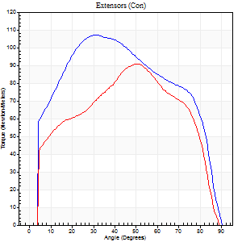
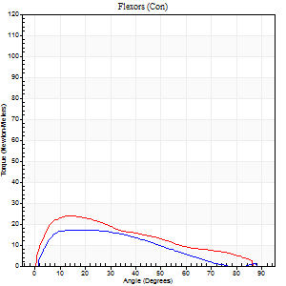
Right Side Curves Left Side Curves
Isokinetic Con/Con |  |  |  | Extensors (Con) |  | Flexors (Con)
Speed 60/60 d/s 3 Reps |  |  |  | Value | Cof Var | %BW | Value | Cof Var | %BW | Ratio

TORQUE PARAMETERS
Peak Torque (Newton-Meters - Best Repetition)
Right |  |  |  | 107 | 0.01 | 152 | 18 | 0.08 | 24 | 16
Left |  |  |  | 91 | 0.06 | 131 | 24 | 0.14 | 36 | 27
Deficit |  |  |  | 15 |  |  | 28
Work per Repetition (Newton-Meters - Best Repetition)
Right |  |  |  | 127 | 0.02 | 182 | 15 | 0.18 | 21 | 12
Left |  |  |  | 96 | 0.04 | 137 | 22 | 0.17 | 30 | 23
Deficit |  |  |  | 24 |  |  | 31
Average Power per Repetition (Watts - Best Repetition)
Right |  |  |  | 81 | 0.04 | 116 | 9 | 0.11 | 13 | 11
Left |  |  |  | 61 | 0.05 | 88 | 14 | 0.16 | 20 | 23
Deficit |  |  |  | 25 |  |  | 36
POSITION PARAMETERS
Joint Angle at Peak Torque (Degrees)
Right |  |  |  | 35 | 0.11 |  | 19 | 0.4
Left |  |  |  | 49 | 0.06 |  | 14 | 0.05
Range of Motion (Degrees)
Right |  |  |  | 0 | 1.41 |  | 90 | 0
Left |  |  |  | 0 | 0 |  | 90 | 0
TIME PARAMETERS
Time to Peak Torque (Seconds)
Right |  |  |  | 1.01 | 0.06 |  | 0.34 | 0.37
Left |  |  |  | 0.75 | 0.11 |  | 0.27 | 0.04
Time Peak Torque Held (Seconds)
Right |  |  |  | 0.05 | 0.35 |  | 0.06 | 0.44
Left |  |  |  | 0.06 | 0.44 |  | 0.06 | 1.3
Force Decay Time (Seconds)
Right |  |  |  | 0.57 | 0.07 |  | 1.16 | 0.06
Left |  |  |  | 0.79 | 0.09 |  | 1.21 | 0.06
Reciprocal Delay (Seconds)
Right |  |  |  | 0.19 | 0.11 |  | 0.27 | 0.21
Left |  |  |  | 0.09 | 0.16 |  | 0.28 | 0.07
Delay Time (Seconds)
Right |  |  |  | -0.05 | -0.13 |  | 0.03 | 0.57
Left |  |  |  | -0.03 | -1.41 |  | 0 | 0
HUMAC2015® Version: 15.000.0074 © Computer Sports Medicine, Inc. www.csmisolutions.com

Use File, Preference to set Report Heading
Long Form Torque vs. Position Report - Knee Extension/Flexion
Name: |  |  |  | TR0303001, | ID: | TR0303001 | Right/Left: | 08.11.2021 08.11.2021
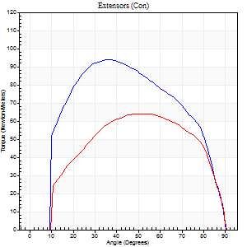
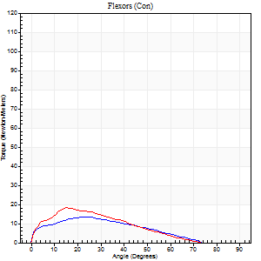
Right Side Curves Left Side Curves
Isokinetic Con/Con |  |  |  | Extensors (Con) |  | Flexors (Con)
Speed 120/120 d/s 3 Reps |  |  |  | Value | Cof Var | %BW | Value | Cof Var | %BW | Ratio

TORQUE PARAMETERS
Peak Torque (Newton-Meters - Best Repetition)
Right |  |  |  | 94 | 0.04 | 134 | 14 | 0.1 | 18 | 14
Left |  |  |  | 64 | 0.04 | 92 | 18 | 0.18 | 24 | 28
Deficit |  |  |  | 32 |  |  | 23
Work per Repetition (Newton-Meters - Best Repetition)
Right |  |  |  | 102 | 0.05 | 146 | 11 | 0.21 | 15 | 11
Left |  |  |  | 69 | 0.07 | 98 | 12 | 0.16 | 18 | 18
Deficit |  |  |  | 32 |  |  | 11
Average Power per Repetition (Watts - Best Repetition)
Right |  |  |  | 110 | 0.05 | 156 | 12 | 0.25 | 18 | 11
Left |  |  |  | 78 | 0.11 | 112 | 14 | 0.16 | 20 | 18
Deficit |  |  |  | 29 |  |  | 14
POSITION PARAMETERS
Joint Angle at Peak Torque (Degrees)
Right |  |  |  | 41 | 0.14 |  | 19 | 0.21
Left |  |  |  | 47 | 0.13 |  | 18 | 0.23
Range of Motion (Degrees)
Right |  |  |  | 0 | 1.41 |  | 90 | 0
Left |  |  |  | 1 | 0.97 |  | 90 | 0.01
TIME PARAMETERS
Time to Peak Torque (Seconds)
Right |  |  |  | 0.51 | 0.04 |  | 0.25 | 0.2
Left |  |  |  | 0.49 | 0.19 |  | 0.29 | 0.2
Time Peak Torque Held (Seconds)
Right |  |  |  | 0.05 | 0.81 |  | 0.02 | 0.92
Left |  |  |  | 0.03 | 0.17 |  | 0.03 | 0.94
Force Decay Time (Seconds)
Right |  |  |  | 0.38 | 0.05 |  | 0.68 | 0.16
Left |  |  |  | 0.41 | 0.07 |  | 0.61 | 0.11
Reciprocal Delay (Seconds)
Right |  |  |  | 0.15 | 0.19 |  | 0.23 | 0.23
Left |  |  |  | 0.09 | 0.37 |  | 0.16 | 0.35
Delay Time (Seconds)
Right |  |  |  | -0.05 | -0.16 |  | -0.01 | -3.77
Left |  |  |  | 0.01 | 12.73 |  | -0.04 | -0.42
HUMAC2015® Version: 15.000.0074 © Computer Sports Medicine, Inc. www.csmisolutions.com

Use File, Preference to set Report Heading
Long Form Torque vs. Position Report - Knee Extension/Flexion
Name: |  |  |  | TR0303001, | ID: | TR0303001 | Right/Left: | 08.11.2021 08.11.2021
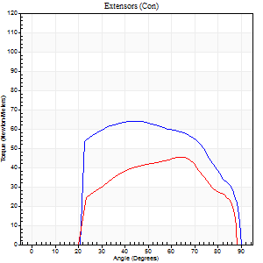
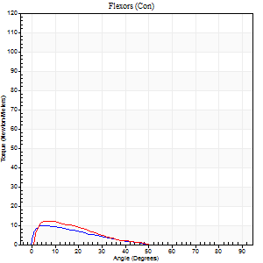
Right Side Curves Left Side Curves
Isokinetic Con/Con |  |  |  | Extensors (Con) |  | Flexors (Con)
Speed 240/240 d/s 3 Reps |  |  |  | Value | Cof Var | %BW | Value | Cof Var | %BW | Ratio

TORQUE PARAMETERS
Peak Torque (Newton-Meters - Best Repetition)
Right |  |  |  | 64 | 0.16 | 92 | 9 | 0.05 | 15 | 15
Left |  |  |  | 45 | 0.18 | 63 | 12 | 0.09 | 18 | 27
Deficit |  |  |  | 30 |  |  | 22
Work per Repetition (Newton-Meters - Best Repetition)
Right |  |  |  | 64 | 0.18 | 92 | 5 | 0.11 | 9 | 9
Left |  |  |  | 42 | 0.19 | 60 | 5 | 0.02 | 9 | 13
Deficit |  |  |  | 34 |  |  | 0
Average Power per Repetition (Watts - Best Repetition)
Right |  |  |  | 107 | 0.21 | 152 | 8 | 0.16 | 11 | 7
Left |  |  |  | 65 | 0.12 | 92 | 9 | 0.12 | 13 | 14
Deficit |  |  |  | 39 |  |  | 11
POSITION PARAMETERS
Joint Angle at Peak Torque (Degrees)
Right |  |  |  | 55 | 0.17 |  | 6 | 0.48
Left |  |  |  | 60 | 0.12 |  | 6 | 0.26
Range of Motion (Degrees)
Right |  |  |  | 0 | -1.41 |  | 90 | 0
Left |  |  |  | 0 | 0.47 |  | 89 | 0.01
TIME PARAMETERS
Time to Peak Torque (Seconds)
Right |  |  |  | 0.26 | 0.16 |  | 0.15 | 0.24
Left |  |  |  | 0.29 | 0.2 |  | 0.2 | 0.39
Time Peak Torque Held (Seconds)
Right |  |  |  | 0.01 | 1 |  | 0.01 | 1.73
Left |  |  |  | 0.01 | 1.73 |  | 0 | 1.73
Force Decay Time (Seconds)
Right |  |  |  | 0.35 | 0.17 |  | 0.55 | 0.07
Left |  |  |  | 0.33 | 0.12 |  | 0.5 | 0.02
Reciprocal Delay (Seconds)
Right |  |  |  | 0.17 | 0.61 |  | 0.34 | 0.36
Left |  |  |  | 0.08 | 0.35 |  | 0.25 | 0.19
Delay Time (Seconds)
Right |  |  |  | -0.04 | 0 |  | -0.03 | -0.33
Left |  |  |  | 0.03 | 1.89 |  | -0.09 | -0.68
HUMAC2015® Version: 15.000.0074 © Computer Sports Medicine, Inc. www.csmisolutions.com

Use File, Preference to set Report Heading
Isometric - Knee Extension/Flexion
Name: |  |  |  | TR0303001, | ID: | TR0303001 | Right/Left: | 08.11.2021 08.11.2021

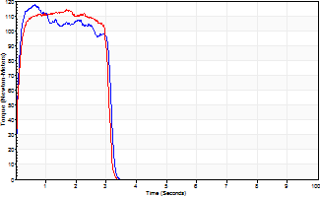
Isometric Extensors (Con) Angle 60 Time 10 Repetition 2 (Best Repetition)
 | Value | Cof Var | %BW
Peak Torque (Newton-Meters)
Right | 118 | 0.12 | 167
Left | 114 | 0.11 | 164
Deficit | 3
Average Torque (Newton-Meters)
Right | 33 | 0.06 | 48
Left | 33 | 0.09 | 48
Deficit | 0
Peak Torque Slope (Newton-Meters/Seconds)
Right | 291 | 0.33 | 415
Left | 123 | 0.42 | 176 |  | Right Side Curves Left Side Curves
Deficit | 58
Time to Half Peak Torque (Seconds)
Right | 0.07 | 0
Left | 0.08 | 0
Time to Peak Torque (Seconds)
Right | 0.49 | 0.45
Left | 1.24 | 0.52
HUMAC2015® Version: 15.000.0074 © Computer Sports Medicine, Inc. www.csmisolutions.com

post1
Use File, Preference to set Report Heading
Long Form Torque vs. Position Report - Knee Extension/Flexion
Name: |  |  |  | TR0303001, | ID: | TR0303001 | Right/Left: | 29.11.2021 29.11.2021
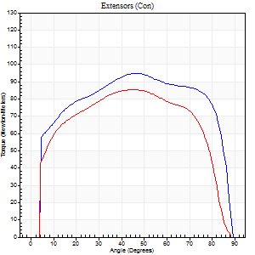
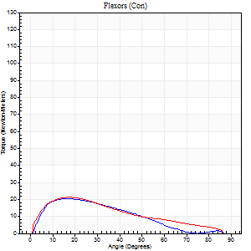
Right Side Curves Left Side Curves
Isokinetic Con/Con |  |  |  | Extensors (Con) |  | Flexors (Con)
Speed 60/60 d/s 3 Reps |  |  |  | Value | Cof Var | %BW | Value | Cof Var | %BW | Ratio

TORQUE PARAMETERS
Peak Torque (Newton-Meters - Best Repetition)
Right |  |  |  | 95 | 0.08 | 134 | 20 | 0.1 | 30 | 21
Left |  |  |  | 85 | 0.04 | 122 | 22 | 0.15 | 30 | 25
Deficit |  |  |  | 10 |  |  | 6
Work per Repetition (Newton-Meters - Best Repetition)
Right |  |  |  | 119 | 0.07 | 170 | 16 | 0.11 | 24 | 14
Left |  |  |  | 100 | 0.03 | 143 | 18 | 0.14 | 24 | 18
Deficit |  |  |  | 16 |  |  | 8
Average Power per Repetition (Watts - Best Repetition)
Right |  |  |  | 76 | 0.08 | 108 | 11 | 0.07 | 15 | 14
Left |  |  |  | 64 | 0.03 | 92 | 12 | 0.14 | 18 | 19
Deficit |  |  |  | 16 |  |  | 8
POSITION PARAMETERS
Joint Angle at Peak Torque (Degrees)
Right |  |  |  | 45 | 0.2 |  | 17 | 0.08
Left |  |  |  | 50 | 0.08 |  | 20 | 0.34
Range of Motion (Degrees)
Right |  |  |  | 0 | -1.41 |  | 89 | 0.01
Left |  |  |  | 0 | -1.41 |  | 90 | 0
TIME PARAMETERS
Time to Peak Torque (Seconds)
Right |  |  |  | 0.85 | 0.18 |  | 0.3 | 0.16
Left |  |  |  | 0.7 | 0.11 |  | 0.37 | 0.32
Time Peak Torque Held (Seconds)
Right |  |  |  | 0.05 | 0.2 |  | 0.04 | 1.15
Left |  |  |  | 0.09 | 0.47 |  | 0.05 | 0.39
Force Decay Time (Seconds)
Right |  |  |  | 0.74 | 0.19 |  | 1.17 | 0.06
Left |  |  |  | 0.78 | 0.11 |  | 1.11 | 0.07
Reciprocal Delay (Seconds)
Right |  |  |  | 0.06 | 0.24 |  | 0.23 | 0.51
Left |  |  |  | 0.12 | 0.28 |  | 0.27 | 0.04
Delay Time (Seconds)
Right |  |  |  | -0.04 | -0.2 |  | 0.06 | 1.3
Left |  |  |  | 0 | -7.07 |  | 0.01 | 0
HUMAC2015® Version: 15.000.0074 © Computer Sports Medicine, Inc. www.csmisolutions.com

Use File, Preference to set Report Heading
Long Form Torque vs. Position Report - Knee Extension/Flexion
Name: |  |  |  | TR0303001, | ID: | TR0303001 | Right/Left: | 29.11.2021 29.11.2021
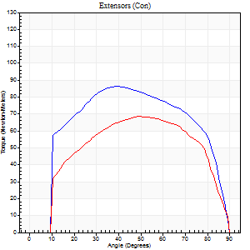
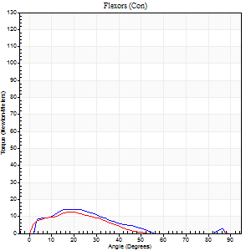
Right Side Curves Left Side Curves
Isokinetic Con/Con |  |  |  | Extensors (Con) |  | Flexors (Con)
Speed 120/120 d/s 3 Reps |  |  |  | Value | Cof Var | %BW | Value | Cof Var | %BW | Ratio

TORQUE PARAMETERS
Peak Torque (Newton-Meters - Best Repetition)
Right |  |  |  | 87 | 0.04 | 125 | 14 | 0.09 | 18 | 16
Left |  |  |  | 69 | 0.04 | 98 | 12 | 0.07 | 18 | 18
Deficit |  |  |  | 20 |  |  | 10
Work per Repetition (Newton-Meters - Best Repetition)
Right |  |  |  | 103 | 0.04 | 146 | 9 | 0.24 | 15 | 9
Left |  |  |  | 77 | 0.05 | 110 | 9 | 0.22 | 15 | 12
Deficit |  |  |  | 25 |  |  | 0
Average Power per Repetition (Watts - Best Repetition)
Right |  |  |  | 118 | 0.03 | 169 | 10 | 0.42 | 13 | 8
Left |  |  |  | 88 | 0.05 | 125 | 10 | 0.4 | 13 | 11
Deficit |  |  |  | 25 |  |  | 0
POSITION PARAMETERS
Joint Angle at Peak Torque (Degrees)
Right |  |  |  | 42 | 0.1 |  | 20 | 0.11
Left |  |  |  | 47 | 0.17 |  | 19 | 0.02
Range of Motion (Degrees)
Right |  |  |  | 1 | 0.08 |  | 90 | 0.01
Left |  |  |  | 0 | 0 |  | 90 | 0
TIME PARAMETERS
Time to Peak Torque (Seconds)
Right |  |  |  | 0.47 | 0.01 |  | 0.24 | 0.15
Left |  |  |  | 0.45 | 0.11 |  | 0.29 | 0.09
Time Peak Torque Held (Seconds)
Right |  |  |  | 0.03 | 0.57 |  | 0.02 | 0.92
Left |  |  |  | 0.04 | 0.88 |  | 0.01 | 0.87
Force Decay Time (Seconds)
Right |  |  |  | 0.37 | 0.04 |  | 0.84 | 0.3
Left |  |  |  | 0.42 | 0.17 |  | 0.79 | 0.2
Reciprocal Delay (Seconds)
Right |  |  |  | 0.06 | 0 |  | 0.17 | 0.26
Left |  |  |  | 0.09 | 0.07 |  | 0.18 | 0.27
Delay Time (Seconds)
Right |  |  |  | -0.04 | -0.2 |  | 0.01 | 5.68
Left |  |  |  | -0.02 | -0.85 |  | -0.04 | -0.48
HUMAC2015® Version: 15.000.0074 © Computer Sports Medicine, Inc. www.csmisolutions.com

Use File, Preference to set Report Heading
Long Form Torque vs. Position Report - Knee Extension/Flexion
Name: |  |  |  | TR0303001, | ID: | TR0303001 | Right/Left: | 29.11.2021 29.11.2021
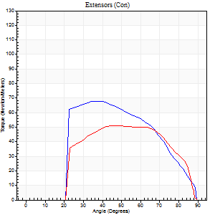
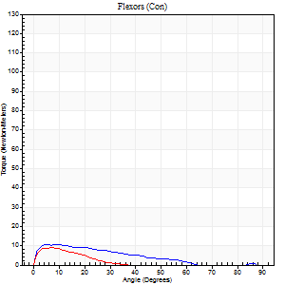
Right Side Curves Left Side Curves
Isokinetic Con/Con |  |  |  | Extensors (Con) |  | Flexors (Con)
Speed 240/240 d/s 3 Reps |  |  |  | Value | Cof Var | %BW | Value | Cof Var | %BW | Ratio

TORQUE PARAMETERS
Peak Torque (Newton-Meters - Best Repetition)
Right |  |  |  | 68 | 0.12 | 95 | 11 | 0.08 | 15 | 16
Left |  |  |  | 52 | 0.11 | 75 | 9 | 0.1 | 15 | 18
Deficit |  |  |  | 24 |  |  | 13
Work per Repetition (Newton-Meters - Best Repetition)
Right |  |  |  | 62 | 0.1 | 89 | 7 | 0.21 | 9 | 11
Left |  |  |  | 50 | 0.11 | 72 | 4 | 0.12 | 6 | 8
Deficit |  |  |  | 20 |  |  | 40
Average Power per Repetition (Watts - Best Repetition)
Right |  |  |  | 108 | 0.13 | 154 | 12 | 0.31 | 18 | 11
Left |  |  |  | 77 | 0.1 | 110 | 4 | 0.18 | 7 | 5
Deficit |  |  |  | 29 |  |  | 67
POSITION PARAMETERS
Joint Angle at Peak Torque (Degrees)
Right |  |  |  | 49 | 0.3 |  | 8 | 0.39
Left |  |  |  | 58 | 0.19 |  | 6 | 0.28
Range of Motion (Degrees)
Right |  |  |  | 0 | 0.85 |  | 90 | 0.01
Left |  |  |  | 0 | 0.28 |  | 88 | 0.03
TIME PARAMETERS
Time to Peak Torque (Seconds)
Right |  |  |  | 0.32 | 0.09 |  | 0.16 | 0.33
Left |  |  |  | 0.29 | 0.26 |  | 0.2 | 0.21
Time Peak Torque Held (Seconds)
Right |  |  |  | 0.01 | 0.43 |  | 0.04 | 0.69
Left |  |  |  | 0.01 | 0.43 |  | 0.01 | 0.87
Force Decay Time (Seconds)
Right |  |  |  | 0.29 | 0.26 |  | 0.46 | 0.11
Left |  |  |  | 0.33 | 0.14 |  | 0.7 | 0.11
Reciprocal Delay (Seconds)
Right |  |  |  | 0.06 | 0.11 |  | 0.19 | 0.22
Left |  |  |  | 0.11 | 0.06 |  | 0.23 | 0.05
Delay Time (Seconds)
Right |  |  |  | -0.04 | 0 |  | -0.02 | -0.49
Left |  |  |  | -0.05 | -0.28 |  | -0.06 | -0.33
HUMAC2015® Version: 15.000.0074 © Computer Sports Medicine, Inc. www.csmisolutions.com

Use File, Preference to set Report Heading
Isometric - Knee Extension/Flexion
Name: |  |  |  | TR0303001, | ID: | TR0303001 | Right/Left: | 29.11.2021 29.11.2021

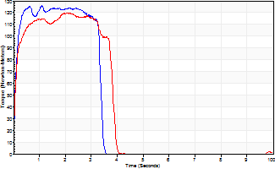
Isometric Extensors (Con) Angle 60 Time 10 Repetition 2 (Best Repetition)
 | Value | Cof Var | %BW
Peak Torque (Newton-Meters)
Right | 126 | 0.02 | 179
Left | 119 | 0.06 | 170
Deficit | 5
Average Torque (Newton-Meters)
Right | 39 | 0.05 | 57
Left | 42 | 0.13 | 60
Deficit | 6
Peak Torque Slope (Newton-Meters/Seconds)
Right | 113 | 0.08 | 162
Left | 56 | 0.02 | 81 |  | Right Side Curves Left Side Curves
Deficit | 50
Time to Half Peak Torque (Seconds)
Right | 0.08 | 0.18
Left | 0.09 | 0
Time to Peak Torque (Seconds)
Right | 1.14 | 0.06
Left | 2.06 | 0.08
HUMAC2015® Version: 15.000.0074 © Computer Sports Medicine, Inc. www.csmisolutions.com

