pre1
Use File, Preference to set Report Heading
Long Form Torque vs. Position Report - Knee Extension/Flexion
Name: |  |  |  | 3003 | ID: | 3003 | Right/Left: | 14.09.2021 14.09.2021
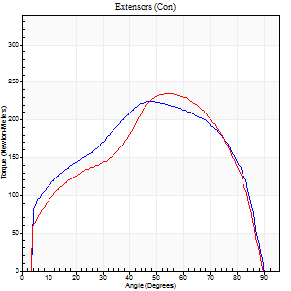
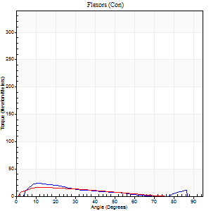
Right Side Curves Left Side Curves
Isokinetic Con/Con |  |  |  | Extensors (Con) |  | Flexors (Con)
Speed 60/60 d/s 3 Reps |  |  |  | Value | Cof Var | %BW | Value | Cof Var | %BW | Ratio

TORQUE PARAMETERS
Peak Torque (Newton-Meters - Best Repetition)
Right |  |  |  | 225 | 0.11 | 450 | 23 | 0.37 | 45 | 10
Left |  |  |  | 235 | 0.04 | 468 | 16 | 0.12 | 33 | 7
Deficit |  |  |  | 4 |  |  | 29
Work per Repetition (Newton-Meters - Best Repetition)
Right |  |  |  | 251 | 0.06 | 501 | 14 | 0.29 | 27 | 5
Left |  |  |  | 237 | 0.02 | 474 | 12 | 0.15 | 24 | 5
Deficit |  |  |  | 5 |  |  | 10
Average Power per Repetition (Watts - Best Repetition)
Right |  |  |  | 164 | 0.07 | 327 | 9 | 0.24 | 18 | 5
Left |  |  |  | 157 | 0.03 | 314 | 8 | 0.2 | 15 | 5
Deficit |  |  |  | 4 |  |  | 11
POSITION PARAMETERS
Joint Angle at Peak Torque (Degrees)
Right |  |  |  | 43 | 0.1 |  | 19 | 0.58
Left |  |  |  | 52 | 0.05 |  | 11 | 0.14
Range of Motion (Degrees)
Right |  |  |  | 0 | 0 |  | 90 | 0.01
Left |  |  |  | 1 | 0.08 |  | 89 | 0.01
TIME PARAMETERS
Time to Peak Torque (Seconds)
Right |  |  |  | 0.82 | 0.05 |  | 0.28 | 0.88
Left |  |  |  | 0.67 | 0.02 |  | 0.18 | 0.22
Time Peak Torque Held (Seconds)
Right |  |  |  | 0.06 | 0.4 |  | 0 | 0
Left |  |  |  | 0.08 | 0.18 |  | 0.02 | 0.92
Force Decay Time (Seconds)
Right |  |  |  | 0.68 | 0.1 |  | 1.25 | 0.27
Left |  |  |  | 0.8 | 0.07 |  | 1.37 | 0.08
Reciprocal Delay (Seconds)
Right |  |  |  | 0.08 | 0.47 |  | 0.14 | 0.58
Left |  |  |  | 0.06 | 0.54 |  | 0.09 | 0.27
Delay Time (Seconds)
Right |  |  |  | 0 | 1.41 |  | 0.08 | 0.43
Left |  |  |  | -0.03 | -1.41 |  | 0.02 | 0.65
HUMAC2015® Version: 15.000.0074 © Computer Sports Medicine, Inc. www.csmisolutions.com

Use File, Preference to set Report Heading
Long Form Torque vs. Position Report - Knee Extension/Flexion
Name: |  |  |  | 3003 | ID: | 3003 | Right/Left: | 14.09.2021 14.09.2021
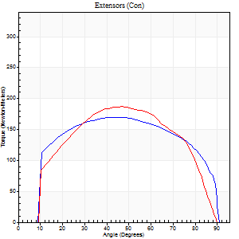
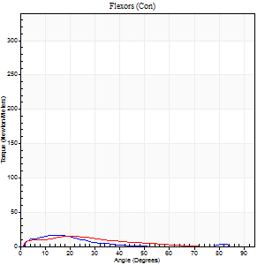
Right Side Curves Left Side Curves
Isokinetic Con/Con |  |  |  | Extensors (Con) |  | Flexors (Con)
Speed 120/120 d/s 3 Reps |  |  |  | Value | Cof Var | %BW | Value | Cof Var | %BW | Ratio

TORQUE PARAMETERS
Peak Torque (Newton-Meters - Best Repetition)
Right |  |  |  | 170 | 0.1 | 340 | 16 | 0.54 | 33 | 10
Left |  |  |  | 187 | 0.05 | 373 | 15 | 0.32 | 30 | 8
Deficit |  |  |  | 9 |  |  | 8
Work per Repetition (Newton-Meters - Best Repetition)
Right |  |  |  | 202 | 0.09 | 402 | 7 | 0.35 | 15 | 3
Left |  |  |  | 197 | 0.02 | 393 | 9 | 0.27 | 18 | 5
Deficit |  |  |  | 3 |  |  | 29
Average Power per Repetition (Watts - Best Repetition)
Right |  |  |  | 235 | 0.08 | 470 | 8 | 0.4 | 15 | 3
Left |  |  |  | 238 | 0.03 | 475 | 12 | 0.28 | 24 | 5
Deficit |  |  |  | 1 |  |  | 33
POSITION PARAMETERS
Joint Angle at Peak Torque (Degrees)
Right |  |  |  | 42 | 0.07 |  | 11 | 0.42
Left |  |  |  | 46 | 0.05 |  | 23 | 0.2
Range of Motion (Degrees)
Right |  |  |  | 0 | 0.54 |  | 89 | 0.01
Left |  |  |  | 1 | 0.17 |  | 89 | 0.01
TIME PARAMETERS
Time to Peak Torque (Seconds)
Right |  |  |  | 0.44 | 0.02 |  | 0.17 | 0.18
Left |  |  |  | 0.41 | 0.03 |  | 0.26 | 0.26
Time Peak Torque Held (Seconds)
Right |  |  |  | 0.05 | 0.35 |  | 0.01 | 1.15
Left |  |  |  | 0.03 | 0.22 |  | 0.02 | 1.25
Force Decay Time (Seconds)
Right |  |  |  | 0.34 | 0.03 |  | 0.74 | 0.06
Left |  |  |  | 0.39 | 0.01 |  | 0.57 | 0.14
Reciprocal Delay (Seconds)
Right |  |  |  | 0.04 | 0 |  | 0.21 | 0.68
Left |  |  |  | 0.04 | 0 |  | 0.11 | 0.28
Delay Time (Seconds)
Right |  |  |  | 0 | -4.24 |  | 0 | 11.36
Left |  |  |  | -0.02 | 0 |  | 0 | -4.58
HUMAC2015® Version: 15.000.0074 © Computer Sports Medicine, Inc. www.csmisolutions.com

Use File, Preference to set Report Heading
Long Form Torque vs. Position Report - Knee Extension/Flexion
Name: |  |  |  | 3003 | ID: | 3003 | Right/Left: | 14.09.2021 14.09.2021
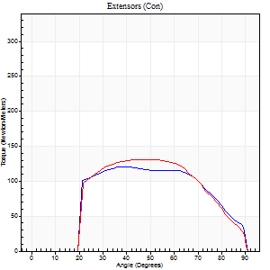
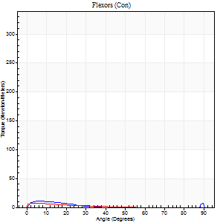
Right Side Curves Left Side Curves
Isokinetic Con/Con |  |  |  | Extensors (Con) |  | Flexors (Con)
Speed 240/240 d/s 3 Reps |  |  |  | Value | Cof Var | %BW | Value | Cof Var | %BW | Ratio

TORQUE PARAMETERS
Peak Torque (Newton-Meters - Best Repetition)
Right |  |  |  | 121 | 0.04 | 241 | 11 | 0.32 | 21 | 9
Left |  |  |  | 132 | 0.02 | 262 | 7 | 0.19 | 15 | 5
Deficit |  |  |  | 8 |  |  | 38
Work per Repetition (Newton-Meters - Best Repetition)
Right |  |  |  | 122 | 0.03 | 244 | 4 | 0.25 | 9 | 3
Left |  |  |  | 126 | 0.07 | 253 | 3 | 0.47 | 6 | 2
Deficit |  |  |  | 3 |  |  | 33
Average Power per Repetition (Watts - Best Repetition)
Right |  |  |  | 225 | 0.05 | 451 | 6 | 0.42 | 11 | 3
Left |  |  |  | 248 | 0.05 | 495 | 4 | 0.65 | 9 | 2
Deficit |  |  |  | 9 |  |  | 33
POSITION PARAMETERS
Joint Angle at Peak Torque (Degrees)
Right |  |  |  | 39 | 0.04 |  | 4 | 0.54
Left |  |  |  | 51 | 0.14 |  | 4 | 0.34
Range of Motion (Degrees)
Right |  |  |  | 0 | 1.7 |  | 90 | 0
Left |  |  |  | 1 | 1.13 |  | 87 | 0.04
TIME PARAMETERS
Time to Peak Torque (Seconds)
Right |  |  |  | 0.28 | 0.03 |  | 0.11 | 0.05
Left |  |  |  | 0.19 | 0.25 |  | 0.11 | 0.33
Time Peak Torque Held (Seconds)
Right |  |  |  | 0.01 | 0.43 |  | 0.02 | 1.25
Left |  |  |  | 0.02 | 0.69 |  | 0 | 1.73
Force Decay Time (Seconds)
Right |  |  |  | 0.24 | 0.06 |  | 0.76 | 0.26
Left |  |  |  | 0.27 | 0.11 |  | 0.89 | 0.23
Reciprocal Delay (Seconds)
Right |  |  |  | 0.09 | 0 |  | 0.21 | 0.66
Left |  |  |  | 0.04 | 0 |  | 0.15 | 0.7
Delay Time (Seconds)
Right |  |  |  | -0.02 | -0.71 |  | -0.03 | -0.46
Left |  |  |  | -0.02 | 0 |  | -0.03 | -1.52
HUMAC2015® Version: 15.000.0074 © Computer Sports Medicine, Inc. www.csmisolutions.com

Use File, Preference to set Report Heading
Isometric - Knee Extension/Flexion
Name: |  |  |  | 3003 | ID: | 3003 | Right/Left: | 14.09.2021 14.09.2021

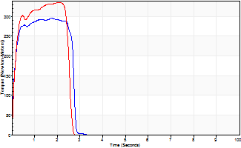
Isometric Extensors (Con) Angle 60 Time 10 Repetition 2 (Best Repetition)
 | Value | Cof Var | %BW
Peak Torque (Newton-Meters)
Right | 296 | 0.06 | 590
Left | 336 | 0.03 | 671
Deficit | 12
Average Torque (Newton-Meters)
Right | 75 | 0.32 | 149
Left | 76 | 0.05 | 152
Deficit | 2
Peak Torque Slope (Newton-Meters/Seconds)
Right | 179 | 0.04 | 358
Left | 184 | 0.1 | 369 |  | Right Side Curves Left Side Curves
Deficit | 3
Time to Half Peak Torque (Seconds)
Right | 0.11 | 0.07
Left | 0.13 | 0
Time to Peak Torque (Seconds)
Right | 1.62 | 0.1
Left | 1.91 | 0.13
HUMAC2015® Version: 15.000.0074 © Computer Sports Medicine, Inc. www.csmisolutions.com

pre2
Use File, Preference to set Report Heading
Long Form Torque vs. Position Report - Knee Extension/Flexion
Name: |  |  |  | TR030FP3003, | ID: |  | Right/Left: | 22.09.2021 22.09.2021
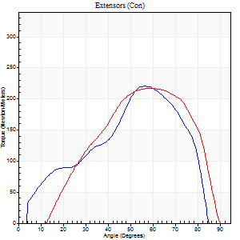
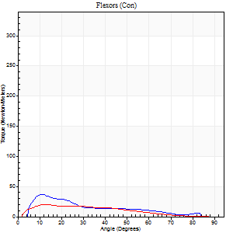
Right Side Curves Left Side Curves
Isokinetic Con/Con |  |  |  | Extensors (Con) |  | Flexors (Con)
Speed 60/60 d/s 3 Reps |  |  |  | Value | Cof Var | %BW | Value | Cof Var | %BW | Ratio

TORQUE PARAMETERS
Peak Torque (Newton-Meters - Best Repetition)
Right |  |  |  | 221 | 0.12 | 221 | 37 | 0.58 | 36 | 17
Left |  |  |  | 217 | 0.06 | 218 | 20 | 0.1 | 21 | 9
Deficit |  |  |  | 2 |  |  | 44
Work per Repetition (Newton-Meters - Best Repetition)
Right |  |  |  | 236 | 0.13 | 235 | 22 | 0.4 | 21 | 9
Left |  |  |  | 203 | 0.09 | 203 | 16 | 0.23 | 15 | 8
Deficit |  |  |  | 14 |  |  | 25
Average Power per Repetition (Watts - Best Repetition)
Right |  |  |  | 158 | 0.14 | 158 | 16 | 0.45 | 15 | 10
Left |  |  |  | 145 | 0.17 | 145 | 10 | 0.19 | 11 | 7
Deficit |  |  |  | 8 |  |  | 38
POSITION PARAMETERS
Joint Angle at Peak Torque (Degrees)
Right |  |  |  | 55 | 0.09 |  | 15 | 0.5
Left |  |  |  | 58 | 0.1 |  | 17 | 0.34
Range of Motion (Degrees)
Right |  |  |  | 1 | 0.26 |  | 88 | 0.04
Left |  |  |  | 8 | 0.7 |  | 90 | 0.01
TIME PARAMETERS
Time to Peak Torque (Seconds)
Right |  |  |  | 0.52 | 0.08 |  | 0.24 | 0.74
Left |  |  |  | 0.5 | 0.13 |  | 0.22 | 0.05
Time Peak Torque Held (Seconds)
Right |  |  |  | 0.05 | 0.12 |  | 0.01 | 0.87
Left |  |  |  | 0.04 | 0.13 |  | 0.01 | 1.73
Force Decay Time (Seconds)
Right |  |  |  | 0.86 | 0.14 |  | 1.22 | 0.1
Left |  |  |  | 0.85 | 0.15 |  | 1.23 | 0.04
Reciprocal Delay (Seconds)
Right |  |  |  | 0.34 | 1.25 |  | 0.08 | 0.2
Left |  |  |  | 0.05 | 0.16 |  | 0.07 | 0
Delay Time (Seconds)
Right |  |  |  | -0.01 | -0.47 |  | 0 | -12.12
Left |  |  |  | -0.02 | 0 |  | -0.03 | -0.43
HUMAC2015® Version: 15.000.0074 © Computer Sports Medicine, Inc. www.csmisolutions.com

Use File, Preference to set Report Heading
Long Form Torque vs. Position Report - Knee Extension/Flexion
Name: |  |  |  | TR030FP3003, | ID: |  | Right/Left: | 22.09.2021 22.09.2021
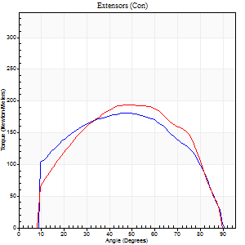
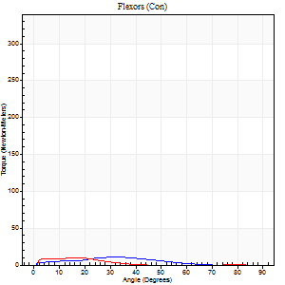
Right Side Curves Left Side Curves
Isokinetic Con/Con |  |  |  | Extensors (Con) |  | Flexors (Con)
Speed 120/120 d/s 3 Reps |  |  |  | Value | Cof Var | %BW | Value | Cof Var | %BW | Ratio

TORQUE PARAMETERS
Peak Torque (Newton-Meters - Best Repetition)
Right |  |  |  | 182 | 0.03 | 182 | 11 | 0.02 | 12 | 6
Left |  |  |  | 194 | 0.06 | 194 | 9 | 0.24 | 9 | 5
Deficit |  |  |  | 6 |  |  | 13
Work per Repetition (Newton-Meters - Best Repetition)
Right |  |  |  | 201 | 0.04 | 200 | 7 | 0.16 | 6 | 3
Left |  |  |  | 205 | 0.07 | 206 | 5 | 0.54 | 6 | 3
Deficit |  |  |  | 2 |  |  | 20
Average Power per Repetition (Watts - Best Repetition)
Right |  |  |  | 244 | 0.05 | 244 | 8 | 0.13 | 9 | 3
Left |  |  |  | 249 | 0.07 | 248 | 6 | 0.6 | 7 | 2
Deficit |  |  |  | 2 |  |  | 25
POSITION PARAMETERS
Joint Angle at Peak Torque (Degrees)
Right |  |  |  | 48 | 0.01 |  | 22 | 0.43
Left |  |  |  | 50 | 0.05 |  | 14 | 0.59
Range of Motion (Degrees)
Right |  |  |  | 1 | 0.63 |  | 89 | 0.01
Left |  |  |  | 1 | 0.2 |  | 88 | 0.04
TIME PARAMETERS
Time to Peak Torque (Seconds)
Right |  |  |  | 0.38 | 0.02 |  | 0.26 | 0.49
Left |  |  |  | 0.34 | 0.17 |  | 0.18 | 0.42
Time Peak Torque Held (Seconds)
Right |  |  |  | 0.04 | 0.35 |  | 0.02 | 0.5
Left |  |  |  | 0.03 | 0.57 |  | 0 | 1.73
Force Decay Time (Seconds)
Right |  |  |  | 0.39 | 0.01 |  | 0.6 | 0.19
Left |  |  |  | 0.43 | 0.09 |  | 0.9 | 0.22
Reciprocal Delay (Seconds)
Right |  |  |  | 0.04 | 0.2 |  | 0.14 | 0.33
Left |  |  |  | 0.04 | 0 |  | 0.09 | 0.16
Delay Time (Seconds)
Right |  |  |  | -0.01 | -1.41 |  | 0.02 | 1.32
Left |  |  |  | -0.02 | 0 |  | 0 | -1.73
HUMAC2015® Version: 15.000.0074 © Computer Sports Medicine, Inc. www.csmisolutions.com

Use File, Preference to set Report Heading
Long Form Torque vs. Position Report - Knee Extension/Flexion
Name: |  |  |  | TR030FP3003, | ID: |  | Right/Left: | 22.09.2021 22.09.2021
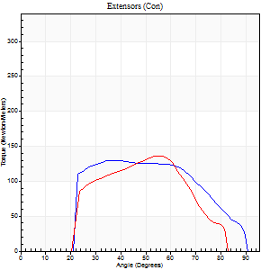
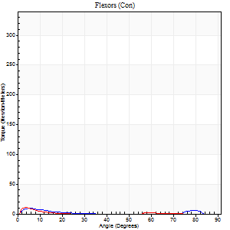
Right Side Curves Left Side Curves
Isokinetic Con/Con |  |  |  | Extensors (Con) |  | Flexors (Con)
Speed 240/240 d/s 3 Reps |  |  |  | Value | Cof Var | %BW | Value | Cof Var | %BW | Ratio

TORQUE PARAMETERS
Peak Torque (Newton-Meters - Best Repetition)
Right |  |  |  | 130 | 0.02 | 131 | 9 | 0.35 | 9 | 7
Left |  |  |  | 136 | 0.04 | 134 | 11 | 0.59 | 12 | 8
Deficit |  |  |  | 4 |  |  | 13
Work per Repetition (Newton-Meters - Best Repetition)
Right |  |  |  | 126 | 0.01 | 125 | 3 | 0.09 | 3 | 2
Left |  |  |  | 113 | 0.08 | 113 | 1 | 0.2 | 0 | 1
Deficit |  |  |  | 11 |  |  | 50
Average Power per Repetition (Watts - Best Repetition)
Right |  |  |  | 256 | 0.06 | 255 | 3 | 0.03 | 2 | 1
Left |  |  |  | 235 | 0.11 | 235 | 2 | 0.24 | 2 | 1
Deficit |  |  |  | 8 |  |  | 33
POSITION PARAMETERS
Joint Angle at Peak Torque (Degrees)
Right |  |  |  | 37 | 0.05 |  | 9 | 0.4
Left |  |  |  | 58 | 0.05 |  | 5 | 0.27
Range of Motion (Degrees)
Right |  |  |  | 1 | 0.79 |  | 87 | 0.03
Left |  |  |  | 1 | 0.2 |  | 85 | 0.05
TIME PARAMETERS
Time to Peak Torque (Seconds)
Right |  |  |  | 0.25 | 0.03 |  | 0.18 | 0.44
Left |  |  |  | 0.17 | 0 |  | 0.15 | 0.48
Time Peak Torque Held (Seconds)
Right |  |  |  | 0.01 | 0 |  | 0.01 | 0.87
Left |  |  |  | 0.01 | 0 |  | 0.01 | 0.87
Force Decay Time (Seconds)
Right |  |  |  | 0.23 | 0.17 |  | 0.68 | 0.16
Left |  |  |  | 0.3 | 0.03 |  | 1.18 | 0.04
Reciprocal Delay (Seconds)
Right |  |  |  | 0.03 | 0 |  | 0.14 | 0.52
Left |  |  |  | 0.04 | 0 |  | 0.07 | 0.34
Delay Time (Seconds)
Right |  |  |  | -0.01 | -0.47 |  | -0.02 | -1.5
Left |  |  |  | -0.02 | 0 |  | -0.03 | -0.33
HUMAC2015® Version: 15.000.0074 © Computer Sports Medicine, Inc. www.csmisolutions.com

Use File, Preference to set Report Heading
Isometric - Knee Extension/Flexion
Name: |  |  |  | TR030FP3003, | ID: |  | Right/Left: | 22.09.2021 22.09.2021

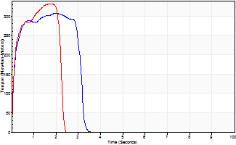
Isometric Extensors (Con) Angle 60 Time 10 Repetition 2 (Best Repetition)
 | Value | Cof Var | %BW
Peak Torque (Newton-Meters)
Right | 308 | 0.08 | 307
Left | 332 | 0.02 | 331
Deficit | 7
Average Torque (Newton-Meters)
Right | 87 | 0.19 | 86
Left | 64 | 0.05 | 63
Deficit | 27
Peak Torque Slope (Newton-Meters/Seconds)
Right | 166 | 0.05 | 165
Left | 189 | 0.01 | 188 |  | Right Side Curves Left Side Curves
Deficit | 12
Time to Half Peak Torque (Seconds)
Right | 0.11 | 0
Left | 0.12 | 0
Time to Peak Torque (Seconds)
Right | 1.82 | 0.13
Left | 1.74 | 0.01
HUMAC2015® Version: 15.000.0074 © Computer Sports Medicine, Inc. www.csmisolutions.com

mid1
Use File, Preference to set Report Heading
Long Form Torque vs. Position Report - Knee Extension/Flexion
Name: |  |  |  | TR030FP3003, | ID: |  | Right/Left: | 06.11.2021 06.11.2021
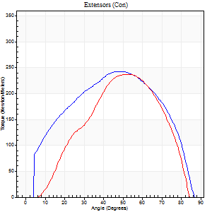
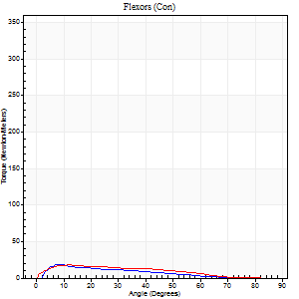
Right Side Curves Left Side Curves
Isokinetic Con/Con |  |  |  | Extensors (Con) |  | Flexors (Con)
Speed 60/60 d/s 3 Reps |  |  |  | Value | Cof Var | %BW | Value | Cof Var | %BW | Ratio

TORQUE PARAMETERS
Peak Torque (Newton-Meters - Best Repetition)
Right |  |  |  | 243 | 0.01 | 241 | 19 | 0.09 | 18 | 8
Left |  |  |  | 237 | 0.02 | 238 | 18 | 0.18 | 18 | 7
Deficit |  |  |  | 2 |  |  | 7
Work per Repetition (Newton-Meters - Best Repetition)
Right |  |  |  | 258 | 0.01 | 256 | 18 | 0.28 | 18 | 7
Left |  |  |  | 233 | 0.08 | 232 | 14 | 0.24 | 15 | 6
Deficit |  |  |  | 9 |  |  | 23
Average Power per Repetition (Watts - Best Repetition)
Right |  |  |  | 167 | 0.16 | 167 | 11 | 0.29 | 11 | 7
Left |  |  |  | 151 | 0.03 | 152 | 10 | 0.27 | 11 | 7
Deficit |  |  |  | 10 |  |  | 9
POSITION PARAMETERS
Joint Angle at Peak Torque (Degrees)
Right |  |  |  | 46 | 0.04 |  | 10 | 0.16
Left |  |  |  | 48 | 0.07 |  | 12 | 0.31
Range of Motion (Degrees)
Right |  |  |  | 0 | 1.41 |  | 88 | 0.02
Left |  |  |  | 3 | 1.35 |  | 86 | 0.04
TIME PARAMETERS
Time to Peak Torque (Seconds)
Right |  |  |  | 0.72 | 0.1 |  | 0.15 | 0.23
Left |  |  |  | 0.61 | 0.09 |  | 0.2 | 0.27
Time Peak Torque Held (Seconds)
Right |  |  |  | 0.05 | 0.2 |  | 0.01 | 0.87
Left |  |  |  | 0.05 | 0.45 |  | 0.02 | 1.08
Force Decay Time (Seconds)
Right |  |  |  | 0.75 | 0.06 |  | 1.36 | 0.03
Left |  |  |  | 0.75 | 0.05 |  | 1.27 | 0.08
Reciprocal Delay (Seconds)
Right |  |  |  | 0.08 | 0.28 |  | 0.12 | 0.62
Left |  |  |  | 0.05 | 0.13 |  | 0.11 | 0.52
Delay Time (Seconds)
Right |  |  |  | -0.02 | -0.28 |  | 0.03 | 0.33
Left |  |  |  | -0.02 | -0.28 |  | -0.01 | -2.65
HUMAC2015® Version: 15.000.0074 © Computer Sports Medicine, Inc. www.csmisolutions.com

Use File, Preference to set Report Heading
Long Form Torque vs. Position Report - Knee Extension/Flexion
Name: |  |  |  | TR030FP3003, | ID: |  | Right/Left: | 06.11.2021 06.11.2021
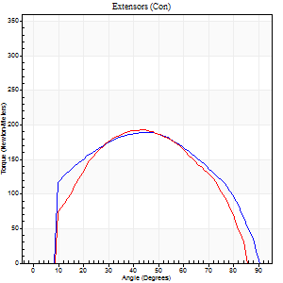
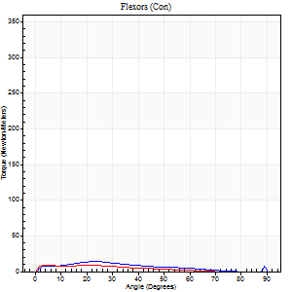
Right Side Curves Left Side Curves
Isokinetic Con/Con |  |  |  | Extensors (Con) |  | Flexors (Con)
Speed 120/120 d/s 3 Reps |  |  |  | Value | Cof Var | %BW | Value | Cof Var | %BW | Ratio

TORQUE PARAMETERS
Peak Torque (Newton-Meters - Best Repetition)
Right |  |  |  | 188 | 0.01 | 188 | 14 | 0.23 | 15 | 7
Left |  |  |  | 193 | 0.12 | 194 | 9 | 0.26 | 9 | 5
Deficit |  |  |  | 2 |  |  | 30
Work per Repetition (Newton-Meters - Best Repetition)
Right |  |  |  | 207 | 0.01 | 209 | 11 | 0.29 | 12 | 5
Left |  |  |  | 191 | 0.09 | 191 | 7 | 0.7 | 6 | 4
Deficit |  |  |  | 8 |  |  | 38
Average Power per Repetition (Watts - Best Repetition)
Right |  |  |  | 240 | 0.02 | 240 | 11 | 0.34 | 11 | 5
Left |  |  |  | 235 | 0.5 | 235 | 7 | 0.78 | 7 | 3
Deficit |  |  |  | 2 |  |  | 36
POSITION PARAMETERS
Joint Angle at Peak Torque (Degrees)
Right |  |  |  | 44 | 0.11 |  | 27 | 0.21
Left |  |  |  | 43 | 0.02 |  | 4 | 0.11
Range of Motion (Degrees)
Right |  |  |  | 0 | 0 |  | 90 | 0
Left |  |  |  | 1 | 0.07 |  | 87 | 0.03
TIME PARAMETERS
Time to Peak Torque (Seconds)
Right |  |  |  | 0.44 | 0.08 |  | 0.34 | 0.43
Left |  |  |  | 0.4 | 0.05 |  | 0.1 | 0.17
Time Peak Torque Held (Seconds)
Right |  |  |  | 0.05 | 0.33 |  | 0 | 1.73
Left |  |  |  | 0.02 | 0.25 |  | 0.06 | 1.47
Force Decay Time (Seconds)
Right |  |  |  | 0.39 | 0.07 |  | 0.6 | 0.15
Left |  |  |  | 0.38 | 0.04 |  | 0.79 | 0.2
Reciprocal Delay (Seconds)
Right |  |  |  | 0.44 | 0.42 |  | 0.15 | 0.23
Left |  |  |  | 0.05 | 0.16 |  | 0.16 | 0.1
Delay Time (Seconds)
Right |  |  |  | -0.02 | 0 |  | 0.04 | 0.57
Left |  |  |  | -0.02 | 0 |  | -0.02 | 0
HUMAC2015® Version: 15.000.0074 © Computer Sports Medicine, Inc. www.csmisolutions.com

Use File, Preference to set Report Heading
Long Form Torque vs. Position Report - Knee Extension/Flexion
Name: |  |  |  | TR030FP3003, | ID: |  | Right/Left: | 06.11.2021 06.11.2021
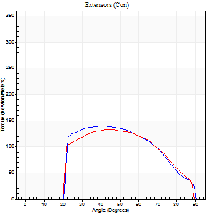

Right Side Curves Left Side Curves
Isokinetic Con/Con |  |  |  | Extensors (Con) |  | Flexors (Con)
Speed 240/240 d/s 3 Reps |  |  |  | Value | Cof Var | %BW | Value | Cof Var | %BW | Ratio

TORQUE PARAMETERS
Peak Torque (Newton-Meters - Best Repetition)
Right |  |  |  | 140 | 0.03 | 140 | 12 | 0.47 | 12 | 9
Left |  |  |  | 133 | 0.06 | 134 | 7 | 0.07 | 6 | 5
Deficit |  |  |  | 5 |  |  | 44
Work per Repetition (Newton-Meters - Best Repetition)
Right |  |  |  | 133 | 0.04 | 134 | 3 | 0.24 | 3 | 2
Left |  |  |  | 125 | 0.07 | 125 | 3 | 0.13 | 3 | 2
Deficit |  |  |  | 6 |  |  | 0
Average Power per Repetition (Watts - Best Repetition)
Right |  |  |  | 236 | 0.05 | 235 | 3 | 0.27 | 2 | 1
Left |  |  |  | 219 | 0.14 | 220 | 4 | 0.21 | 4 | 2
Deficit |  |  |  | 7 |  |  | 25
POSITION PARAMETERS
Joint Angle at Peak Torque (Degrees)
Right |  |  |  | 41 | 0.03 |  | 32 | 1.6
Left |  |  |  | 42 | 0.04 |  | 5 | 0.74
Range of Motion (Degrees)
Right |  |  |  | 0 | 1.01 |  | 90 | 0
Left |  |  |  | 0 | 0.28 |  | 89 | 0.01
TIME PARAMETERS
Time to Peak Torque (Seconds)
Right |  |  |  | 0.28 | 0.03 |  | 0.4 | 1.3
Left |  |  |  | 0.31 | 0.26 |  | 0.17 | 0.54
Time Peak Torque Held (Seconds)
Right |  |  |  | 0.01 | 0.43 |  | 0 | 0
Left |  |  |  | 0 | 1.73 |  | 0.06 | 1.73
Force Decay Time (Seconds)
Right |  |  |  | 0.26 | 0.04 |  | 0.6 | 0.93
Left |  |  |  | 0.29 | 0.07 |  | 0.72 | 0.13
Reciprocal Delay (Seconds)
Right |  |  |  | 0.08 | 0.35 |  | 0.25 | 0.45
Left |  |  |  | 0.08 | 0.47 |  | 0.21 | 0.27
Delay Time (Seconds)
Right |  |  |  | -0.02 | -0.28 |  | -0.05 | -0.12
Left |  |  |  | -0.04 | -0.71 |  | -0.06 | -0.29
HUMAC2015® Version: 15.000.0074 © Computer Sports Medicine, Inc. www.csmisolutions.com

Use File, Preference to set Report Heading
Isometric - Knee Extension/Flexion
Name: |  |  |  | TR030FP3003, | ID: |  | Right/Left: | 06.11.2021 06.11.2021

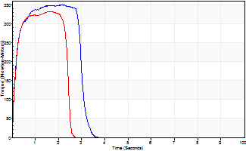
Isometric Extensors (Con) Angle 60 Time 10 Repetition 2 (Best Repetition)
 | Value | Cof Var | %BW
Peak Torque (Newton-Meters)
Right | 350 | 0.02 | 349
Left | 332 | 0.01 | 331
Deficit | 5
Average Torque (Newton-Meters)
Right | 96 | 0.03 | 95
Left | 75 | 0.03 | 75
Deficit | 23
Peak Torque Slope (Newton-Meters/Seconds)
Right | 202 | 0.17 | 202
Left | 206 | 0.02 | 206 |  | Right Side Curves Left Side Curves
Deficit | 2
Time to Half Peak Torque (Seconds)
Right | 0.15 | 0
Left | 0.17 | 0.13
Time to Peak Torque (Seconds)
Right | 1.92 | 0.19
Left | 1.61 | 0.01
HUMAC2015® Version: 15.000.0074 © Computer Sports Medicine, Inc. www.csmisolutions.com

mid2
Use File, Preference to set Report Heading
Long Form Torque vs. Position Report - Knee Extension/Flexion
Name: |  |  |  | TR030FP3003, | ID: |  | Right/Left: | 09.11.2021 09.11.2021
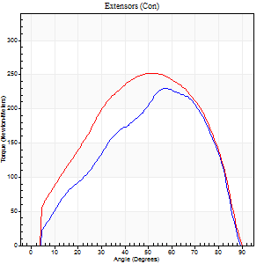
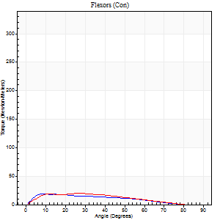
Right Side Curves Left Side Curves
Isokinetic Con/Con |  |  |  | Extensors (Con) |  | Flexors (Con)
Speed 60/60 d/s 3 Reps |  |  |  | Value | Cof Var | %BW | Value | Cof Var | %BW | Ratio

TORQUE PARAMETERS
Peak Torque (Newton-Meters - Best Repetition)
Right |  |  |  | 231 | 0.02 | 229 | 19 | 0.47 | 18 | 8
Left |  |  |  | 252 | 0.06 | 253 | 20 | 0.08 | 21 | 8
Deficit |  |  |  | 9 |  |  | 7
Work per Repetition (Newton-Meters - Best Repetition)
Right |  |  |  | 254 | 0.09 | 253 | 15 | 0.57 | 15 | 6
Left |  |  |  | 264 | 0.1 | 265 | 18 | 0.13 | 18 | 7
Deficit |  |  |  | 4 |  |  | 15
Average Power per Repetition (Watts - Best Repetition)
Right |  |  |  | 162 | 0.08 | 163 | 10 | 0.59 | 11 | 6
Left |  |  |  | 169 | 0.1 | 169 | 11 | 0.13 | 11 | 7
Deficit |  |  |  | 4 |  |  | 9
POSITION PARAMETERS
Joint Angle at Peak Torque (Degrees)
Right |  |  |  | 53 | 0.08 |  | 19 | 0.87
Left |  |  |  | 52 | 0.01 |  | 19 | 0.4
Range of Motion (Degrees)
Right |  |  |  | 1 | 0.25 |  | 89 | 0.01
Left |  |  |  | 0 | 0.2 |  | 89 | 0.02
TIME PARAMETERS
Time to Peak Torque (Seconds)
Right |  |  |  | 0.59 | 0.07 |  | 0.34 | 0.86
Left |  |  |  | 0.65 | 0.07 |  | 0.33 | 0.4
Time Peak Torque Held (Seconds)
Right |  |  |  | 0.1 | 0.93 |  | 0.02 | 1.38
Left |  |  |  | 0.04 | 0.48 |  | 0.03 | 0.78
Force Decay Time (Seconds)
Right |  |  |  | 0.81 | 0.14 |  | 1.29 | 0.21
Left |  |  |  | 0.84 | 0.03 |  | 1.17 | 0.12
Reciprocal Delay (Seconds)
Right |  |  |  | 0.06 | 0.11 |  | 0.16 | 0.33
Left |  |  |  | 0.05 | 0.13 |  | 0.11 | 0.16
Delay Time (Seconds)
Right |  |  |  | -0.04 | -0.2 |  | 0.01 | 0.43
Left |  |  |  | -0.02 | -0.28 |  | 0.01 | 0.43
HUMAC2015® Version: 15.000.0074 © Computer Sports Medicine, Inc. www.csmisolutions.com

Use File, Preference to set Report Heading
Long Form Torque vs. Position Report - Knee Extension/Flexion
Name: |  |  |  | TR030FP3003, | ID: |  | Right/Left: | 09.11.2021 09.11.2021
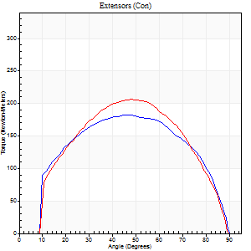
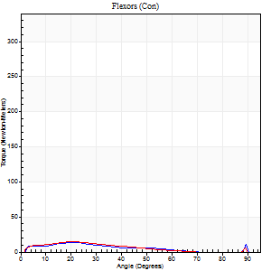
Right Side Curves Left Side Curves
Isokinetic Con/Con |  |  |  | Extensors (Con) |  | Flexors (Con)
Speed 120/120 d/s 3 Reps |  |  |  | Value | Cof Var | %BW | Value | Cof Var | %BW | Ratio

TORQUE PARAMETERS
Peak Torque (Newton-Meters - Best Repetition)
Right |  |  |  | 182 | 0.02 | 182 | 14 | 0.35 | 15 | 7
Left |  |  |  | 206 | 0.07 | 206 | 15 | 0.32 | 15 | 7
Deficit |  |  |  | 12 |  |  | 9
Work per Repetition (Newton-Meters - Best Repetition)
Right |  |  |  | 199 | 0.01 | 200 | 9 | 0.41 | 9 | 5
Left |  |  |  | 209 | 0.09 | 209 | 9 | 0.29 | 9 | 5
Deficit |  |  |  | 5 |  |  | 0
Average Power per Repetition (Watts - Best Repetition)
Right |  |  |  | 242 | 0.02 | 242 | 10 | 0.45 | 11 | 4
Left |  |  |  | 252 | 0.11 | 253 | 11 | 0.29 | 11 | 4
Deficit |  |  |  | 4 |  |  | 9
POSITION PARAMETERS
Joint Angle at Peak Torque (Degrees)
Right |  |  |  | 46 | 0.03 |  | 15 | 0.56
Left |  |  |  | 50 | 0.06 |  | 20 | 0.07
Range of Motion (Degrees)
Right |  |  |  | 1 | 0 |  | 90 | 0.01
Left |  |  |  | 1 | 0.16 |  | 89 | 0.01
TIME PARAMETERS
Time to Peak Torque (Seconds)
Right |  |  |  | 0.4 | 0 |  | 0.16 | 0.44
Left |  |  |  | 0.37 | 0.04 |  | 0.24 | 0.07
Time Peak Torque Held (Seconds)
Right |  |  |  | 0.03 | 0.17 |  | 0.14 | 1.49
Left |  |  |  | 0.02 | 0.25 |  | 0.02 | 0.35
Force Decay Time (Seconds)
Right |  |  |  | 0.38 | 0.04 |  | 0.57 | 0.3
Left |  |  |  | 0.43 | 0.06 |  | 0.61 | 0.02
Reciprocal Delay (Seconds)
Right |  |  |  | 0.05 | 0.16 |  | 0.1 | 0.06
Left |  |  |  | 0.04 | 0.2 |  | 0.09 | 0.16
Delay Time (Seconds)
Right |  |  |  | -0.01 | -0.47 |  | 0.02 | 0
Left |  |  |  | 0 | -1.41 |  | 0 | 1.73
HUMAC2015® Version: 15.000.0074 © Computer Sports Medicine, Inc. www.csmisolutions.com

Use File, Preference to set Report Heading
Long Form Torque vs. Position Report - Knee Extension/Flexion
Name: |  |  |  | TR030FP3003, | ID: |  | Right/Left: | 09.11.2021 09.11.2021
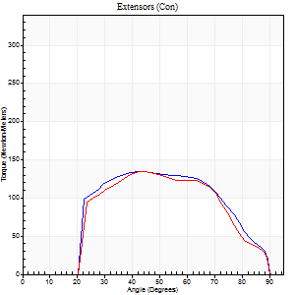
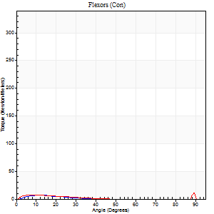
Right Side Curves Left Side Curves
Isokinetic Con/Con |  |  |  | Extensors (Con) |  | Flexors (Con)
Speed 240/240 d/s 3 Reps |  |  |  | Value | Cof Var | %BW | Value | Cof Var | %BW | Ratio

TORQUE PARAMETERS
Peak Torque (Newton-Meters - Best Repetition)
Right |  |  |  | 134 | 0.1 | 134 | 7 | 0.1 | 6 | 5
Left |  |  |  | 136 | 0.03 | 134 | 11 | 0.2 | 12 | 8
Deficit |  |  |  | 1 |  |  | 38
Work per Repetition (Newton-Meters - Best Repetition)
Right |  |  |  | 127 | 0.09 | 128 | 3 | 0.1 | 3 | 2
Left |  |  |  | 127 | 0.05 | 128 | 4 | 0.13 | 3 | 3
Deficit |  |  |  | 0 |  |  | 33
Average Power per Repetition (Watts - Best Repetition)
Right |  |  |  | 250 | 0.09 | 251 | 3 | 0.05 | 2 | 1
Left |  |  |  | 238 | 0.04 | 237 | 6 | 0.22 | 7 | 3
Deficit |  |  |  | 5 |  |  | 50
POSITION PARAMETERS
Joint Angle at Peak Torque (Degrees)
Right |  |  |  | 42 | 0.06 |  | 8 | 0.67
Left |  |  |  | 45 | 0.03 |  | 61 | 0.75
Range of Motion (Degrees)
Right |  |  |  | 1 | 0.96 |  | 89 | 0.02
Left |  |  |  | 1 | 0.97 |  | 89 | 0.01
TIME PARAMETERS
Time to Peak Torque (Seconds)
Right |  |  |  | 0.26 | 0.03 |  | 0.13 | 0.37
Left |  |  |  | 0.24 | 0.06 |  | 0.58 | 0.52
Time Peak Torque Held (Seconds)
Right |  |  |  | 0.01 | 0.87 |  | 0.01 | 1.73
Left |  |  |  | 0.01 | 0.43 |  | 0 | 1.73
Force Decay Time (Seconds)
Right |  |  |  | 0.24 | 0.07 |  | 0.74 | 0.07
Left |  |  |  | 0.26 | 0.13 |  | 0.2 | 1.65
Reciprocal Delay (Seconds)
Right |  |  |  | 0.05 | 0.28 |  | 0.14 | 0.87
Left |  |  |  | 0.04 | 0.47 |  | 0.12 | 0.47
Delay Time (Seconds)
Right |  |  |  | -0.02 | -0.28 |  | 0.01 | 4.88
Left |  |  |  | -0.01 | -0.47 |  | -0.04 | -0.66
HUMAC2015® Version: 15.000.0074 © Computer Sports Medicine, Inc. www.csmisolutions.com

Use File, Preference to set Report Heading
Isometric - Knee Extension/Flexion
Name: |  |  |  | TR030FP3003, | ID: |  | Right/Left: | 09.11.2021 09.11.2021

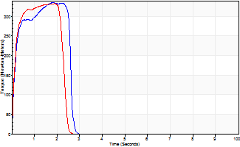
Isometric Extensors (Con) Angle 60 Time 10 Repetition 2 (Best Repetition)
 | Value | Cof Var | %BW
Peak Torque (Newton-Meters)
Right | 335 | 0.01 | 334
Left | 332 | 0.02 | 331
Deficit | 1
Average Torque (Newton-Meters)
Right | 77 | 0.04 | 77
Left | 76 | 0.06 | 75
Deficit | 2
Peak Torque Slope (Newton-Meters/Seconds)
Right | 263 | 0.23 | 263
Left | 177 | 0.11 | 177 |  | Right Side Curves Left Side Curves
Deficit | 33
Time to Half Peak Torque (Seconds)
Right | 0.15 | 0.05
Left | 0.12 | 0
Time to Peak Torque (Seconds)
Right | 1.5 | 0.24
Left | 1.99 | 0.09
HUMAC2015® Version: 15.000.0074 © Computer Sports Medicine, Inc. www.csmisolutions.com

post1
Use File, Preference to set Report Heading
Long Form Torque vs. Position Report - Knee Extension/Flexion
Name: |  |  |  | TR030FP3003, | ID: |  | Right/Left: | 02.12.2021 02.12.2021
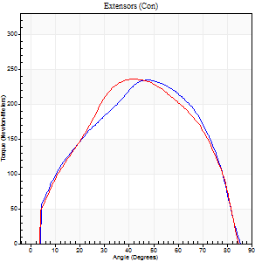
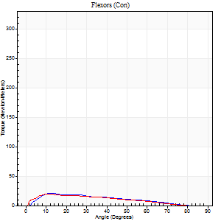
Right Side Curves Left Side Curves
Isokinetic Con/Con |  |  |  | Extensors (Con) |  | Flexors (Con)
Speed 60/60 d/s 3 Reps |  |  |  | Value | Cof Var | %BW | Value | Cof Var | %BW | Ratio

TORQUE PARAMETERS
Peak Torque (Newton-Meters - Best Repetition)
Right |  |  |  | 235 | 0.03 | 235 | 20 | 0.05 | 21 | 9
Left |  |  |  | 235 | 0.05 | 235 | 20 | 0.15 | 21 | 9
Deficit |  |  |  | 0 |  |  | 0
Work per Repetition (Newton-Meters - Best Repetition)
Right |  |  |  | 245 | 0.03 | 244 | 16 | 0.16 | 15 | 7
Left |  |  |  | 235 | 0.06 | 235 | 15 | 0.19 | 15 | 6
Deficit |  |  |  | 4 |  |  | 8
Average Power per Repetition (Watts - Best Repetition)
Right |  |  |  | 159 | 0.02 | 158 | 10 | 0.12 | 11 | 6
Left |  |  |  | 160 | 0.08 | 160 | 10 | 0.18 | 11 | 6
Deficit |  |  |  | 1 |  |  | 0
POSITION PARAMETERS
Joint Angle at Peak Torque (Degrees)
Right |  |  |  | 50 | 0.04 |  | 12 | 0.02
Left |  |  |  | 44 | 0.1 |  | 13 | 0.12
Range of Motion (Degrees)
Right |  |  |  | 0 | 0.64 |  | 87 | 0.03
Left |  |  |  | 1 | 0.08 |  | 86 | 0.03
TIME PARAMETERS
Time to Peak Torque (Seconds)
Right |  |  |  | 0.63 | 0.04 |  | 0.2 | 0.11
Left |  |  |  | 0.75 | 0.03 |  | 0.23 | 0.03
Time Peak Torque Held (Seconds)
Right |  |  |  | 0.07 | 0.17 |  | 0.01 | 1.73
Left |  |  |  | 0.05 | 0.22 |  | 0.03 | 0.58
Force Decay Time (Seconds)
Right |  |  |  | 0.79 | 0.06 |  | 1.26 | 0.06
Left |  |  |  | 0.7 | 0.12 |  | 1.24 | 0.04
Reciprocal Delay (Seconds)
Right |  |  |  | 0.06 | 0.24 |  | 0.13 | 0.4
Left |  |  |  | 0.05 | 0.13 |  | 0.09 | 0.16
Delay Time (Seconds)
Right |  |  |  | -0.02 | -0.28 |  | 0.03 | 0.58
Left |  |  |  | -0.03 | 0 |  | -0.01 | -4.33
HUMAC2015® Version: 15.000.0074 © Computer Sports Medicine, Inc. www.csmisolutions.com

Use File, Preference to set Report Heading
Long Form Torque vs. Position Report - Knee Extension/Flexion
Name: |  |  |  | TR030FP3003, | ID: |  | Right/Left: | 02.12.2021 02.12.2021
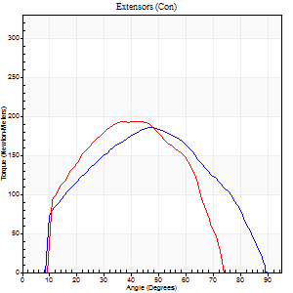
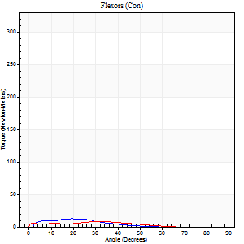
Right Side Curves Left Side Curves
Isokinetic Con/Con |  |  |  | Extensors (Con) |  | Flexors (Con)
Speed 120/120 d/s 3 Reps |  |  |  | Value | Cof Var | %BW | Value | Cof Var | %BW | Ratio

TORQUE PARAMETERS
Peak Torque (Newton-Meters - Best Repetition)
Right |  |  |  | 186 | 0.07 | 185 | 12 | 0.21 | 12 | 7
Left |  |  |  | 193 | 0.06 | 194 | 8 | 0.19 | 9 | 4
Deficit |  |  |  | 4 |  |  | 33
Work per Repetition (Newton-Meters - Best Repetition)
Right |  |  |  | 186 | 0.1 | 185 | 7 | 0.09 | 6 | 4
Left |  |  |  | 182 | 0.05 | 182 | 5 | 0.47 | 6 | 3
Deficit |  |  |  | 2 |  |  | 20
Average Power per Repetition (Watts - Best Repetition)
Right |  |  |  | 228 | 0.11 | 229 | 7 | 0.06 | 7 | 3
Left |  |  |  | 233 | 0.07 | 233 | 6 | 0.43 | 7 | 3
Deficit |  |  |  | 2 |  |  | 14
POSITION PARAMETERS
Joint Angle at Peak Torque (Degrees)
Right |  |  |  | 42 | 0.08 |  | 27 | 0.35
Left |  |  |  | 43 | 0.01 |  | 16 | 0.89
Range of Motion (Degrees)
Right |  |  |  | 1 | 0.15 |  | 88 | 0.02
Left |  |  |  | 0 | 0.85 |  | 81 | 0.1
TIME PARAMETERS
Time to Peak Torque (Seconds)
Right |  |  |  | 0.44 | 0 |  | 0.27 | 0.34
Left |  |  |  | 0.33 | 0.13 |  | 0.23 | 0.71
Time Peak Torque Held (Seconds)
Right |  |  |  | 0.02 | 0.65 |  | 0.01 | 1.15
Left |  |  |  | 0.04 | 0.58 |  | 0 | 0
Force Decay Time (Seconds)
Right |  |  |  | 0.36 | 0.11 |  | 0.58 | 0.24
Left |  |  |  | 0.37 | 0.16 |  | 0.65 | 0.17
Reciprocal Delay (Seconds)
Right |  |  |  | 0.05 | 0.13 |  | 0.1 | 0.32
Left |  |  |  | 0.03 | 0 |  | 0.13 | 0.25
Delay Time (Seconds)
Right |  |  |  | -0.02 | -0.28 |  | 0.03 | 0.22
Left |  |  |  | -0.02 | 0 |  | -0.01 | -1.73
HUMAC2015® Version: 15.000.0074 © Computer Sports Medicine, Inc. www.csmisolutions.com

Use File, Preference to set Report Heading
Long Form Torque vs. Position Report - Knee Extension/Flexion
Name: |  |  |  | TR030FP3003, | ID: |  | Right/Left: | 02.12.2021 02.12.2021
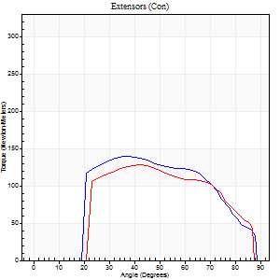
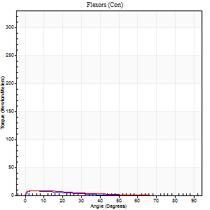
Right Side Curves Left Side Curves
Isokinetic Con/Con |  |  |  | Extensors (Con) |  | Flexors (Con)
Speed 240/240 d/s 3 Reps |  |  |  | Value | Cof Var | %BW | Value | Cof Var | %BW | Ratio

TORQUE PARAMETERS
Peak Torque (Newton-Meters - Best Repetition)
Right |  |  |  | 140 | 0.06 | 140 | 8 | 0.21 | 9 | 6
Left |  |  |  | 127 | 0.03 | 128 | 8 | 0.4 | 9 | 6
Deficit |  |  |  | 9 |  |  | 0
Work per Repetition (Newton-Meters - Best Repetition)
Right |  |  |  | 133 | 0.06 | 134 | 4 | 0.23 | 3 | 3
Left |  |  |  | 119 | 0.05 | 119 | 5 | 0.55 | 6 | 5
Deficit |  |  |  | 10 |  |  | 25
Average Power per Repetition (Watts - Best Repetition)
Right |  |  |  | 238 | 0.02 | 237 | 5 | 0.27 | 4 | 2
Left |  |  |  | 222 | 0.03 | 222 | 7 | 0.74 | 7 | 3
Deficit |  |  |  | 7 |  |  | 29
POSITION PARAMETERS
Joint Angle at Peak Torque (Degrees)
Right |  |  |  | 37 | 0.05 |  | 8 | 0.49
Left |  |  |  | 41 | 0.03 |  | 6 | 0.8
Range of Motion (Degrees)
Right |  |  |  | 0 | 0.47 |  | 89 | 0.01
Left |  |  |  | 0 | 1.98 |  | 88 | 0.02
TIME PARAMETERS
Time to Peak Torque (Seconds)
Right |  |  |  | 0.28 | 0.03 |  | 0.13 | 0.04
Left |  |  |  | 0.24 | 0.06 |  | 0.15 | 0.46
Time Peak Torque Held (Seconds)
Right |  |  |  | 0.01 | 0.87 |  | 0.04 | 1.35
Left |  |  |  | 0.01 | 0 |  | 0.03 | 1.48
Force Decay Time (Seconds)
Right |  |  |  | 0.24 | 0.15 |  | 0.61 | 0.11
Left |  |  |  | 0.26 | 0.16 |  | 0.71 | 0.4
Reciprocal Delay (Seconds)
Right |  |  |  | 0.04 | 0.2 |  | 0.14 | 0.5
Left |  |  |  | 0.04 | 0.2 |  | 0.18 | 0.8
Delay Time (Seconds)
Right |  |  |  | -0.02 | 0 |  | 0.03 | 1.52
Left |  |  |  | -0.01 | -0.47 |  | -0.05 | -0.33
HUMAC2015® Version: 15.000.0074 © Computer Sports Medicine, Inc. www.csmisolutions.com

Use File, Preference to set Report Heading
Isometric - Knee Extension/Flexion
Name: |  |  |  | TR030FP3003, | ID: |  | Right/Left: | 02.12.2021 02.12.2021

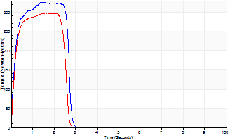
Isometric Extensors (Con) Angle 60 Time 10 Repetition 2 (Best Repetition)
 | Value | Cof Var | %BW
Peak Torque (Newton-Meters)
Right | 325 | 0.04 | 325
Left | 297 | 0.01 | 298
Deficit | 9
Average Torque (Newton-Meters)
Right | 88 | 0.08 | 89
Left | 68 | 0.14 | 69
Deficit | 23
Peak Torque Slope (Newton-Meters/Seconds)
Right | 214 | 0.09 | 214
Left | 176 | 0.02 | 176 |  | Right Side Curves Left Side Curves
Deficit | 18
Time to Half Peak Torque (Seconds)
Right | 0.16 | 0.05
Left | 0.16 | 0.05
Time to Peak Torque (Seconds)
Right | 1.57 | 0.05
Left | 1.69 | 0.01
HUMAC2015® Version: 15.000.0074 © Computer Sports Medicine, Inc. www.csmisolutions.com

