pre1
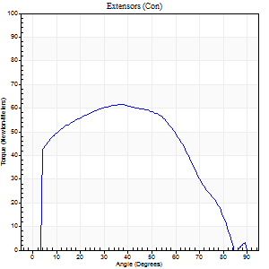
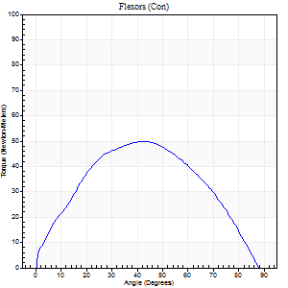
Use File, Preference to set Report Heading
Long Form Torque vs. Position Report - Knee Extension/Flexion |  |  |  |  |  |  |  |  |  |  | R
Name: |  |  |  | TR0303004, | ID: | TR0303004 | Right/Left: | 07.09.2021 07.09.2021

Right Side Curves Left Side Curves
Isokinetic Con/Con |  |  |  | Extensors (Con) |  | Flexors (Con)
Speed 60/60 d/s 3 Reps |  |  |  | Value | Cof Var | %BW | Value | Cof Var | %BW | Ratio

TORQUE PARAMETERS
Peak Torque (Newton-Meters - Best Repetition)
Right |  |  |  | 61 | 0.07 | 77 | 50 | 0.25 | 63 | 82
Left |  |  |  | 53 | 0.14 | 66 | 53 | 0.09 | 66 | 100
Deficit |  |  |  | 0 |  |  | 0
Work per Repetition (Newton-Meters - Best Repetition)
Right |  |  |  | 66 | 0.15 | 83 | 50 | 0.24 | 63 | 76
Left |  |  |  | 54 | 0.1 | 69 | 56 | 0.09 | 69 | 102
Deficit |  |  |  | 0 |  |  | 0
Average Power per Repetition (Watts - Best Repetition) |  |  |  |  |  |  |  |  |  |  | L
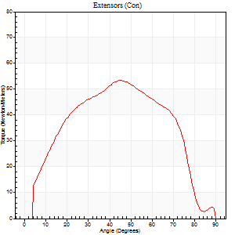
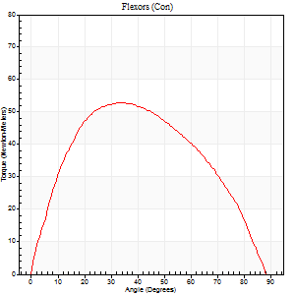
Right |  |  |  | 42 | 0.18 | 53 | 32 | 0.22 | 40 | 76
Left |  |  |  | 34 | 0.09 | 42 | 36 | 0.1 | 44 | 106
Deficit |  |  |  | 0 |  |  | 0
POSITION PARAMETERS
Joint Angle at Peak Torque (Degrees)
Right |  |  |  | 32 | 0.14 |  | 43 | 0.14
Left |  |  |  | 47 | 0.05 |  | 36 | 0.08
Range of Motion (Degrees)
Right |  |  |  | 0 | 0 |  | 90 | 0
Left |  |  |  | 0 | 0.24 |  | 90 | 0
TIME PARAMETERS
Time to Peak Torque (Seconds)
Right |  |  |  | 0.99 | 0.09 |  | 0.75 | 0.14
Left |  |  |  | 0.83 | 0.01 |  | 0.66 | 0.11
Time Peak Torque Held (Seconds)
Right |  |  |  | 0.05 | 1.08 |  | 0.05 | 0.94
Left |  |  |  | 0.1 | 0.62 |  | 0.11 | 0.4
Force Decay Time (Seconds)
Right |  |  |  | 0.54 | 0.08 |  | 0.72 | 0.25
Left |  |  |  | 0.69 | 0.1 |  | 0.79 | 0.11
Reciprocal Delay (Seconds)
Right |  |  |  | 0.13 | 0.33 |  | 0.71 | 0.74
Left |  |  |  | 0.12 | 0.4 |  | 0.15 | 0.27
Delay Time (Seconds)
Right |  |  |  | 0.08 | 0.75 |  | 0.01 | 0
Left |  |  |  | -0.03 | -1.41 |  | -0.02 | -0.25
HUMAC2015® Version: 15.000.0074 © Computer Sports Medicine, Inc. www.csmisolutions.com
 |  |  |  |  |  |  |  |  |  |  | R
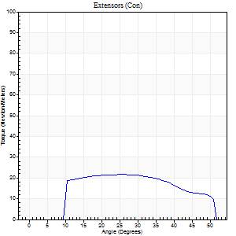
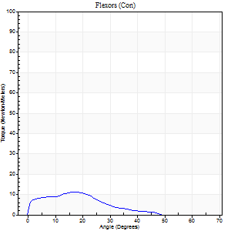
Use File, Preference to set Report Heading
Long Form Torque vs. Position Report - Knee Extension/Flexion
Name: |  |  |  | TR0303004, | ID: | TR0303004 | Right/Left: | 07.09.2021 07.09.2021

Right Side Curves Left Side Curves
Isokinetic Con/Con |  |  |  | Extensors (Con) |  | Flexors (Con)
Speed 120/120 d/s 3 Reps |  |  |  | Value | Cof Var | %BW | Value | Cof Var | %BW | Ratio

TORQUE PARAMETERS
Peak Torque (Newton-Meters - Best Repetition)
Right |  |  |  | 22 | 0.62 | 27 | 11 | 0.47 | 15 | 50
Left |  |  |  | 49 | 0.05 | 60 | 43 | 0.07 | 54 | 89
Deficit |  |  |  | 0 |  |  | 0
Work per Repetition (Newton-Meters - Best Repetition)
Right |  |  |  | 14 | 0.85 | 18 | 5 | 0.8 | 6 | 40 | L
Left |  |  |  | 57 | 0.04 | 72 | 45 | 0.21 | 57 | 79
Deficit |  |  |  | 0 |  |  | 0
Average Power per Repetition (Watts - Best Repetition)
Right |  |  |  | 22 | 1.1 | 26 | 6 | 0.74 | 7 | 27
Left |  |  |  | 67 | 0.04 | 84 | 55 | 0.22 | 68 | 82
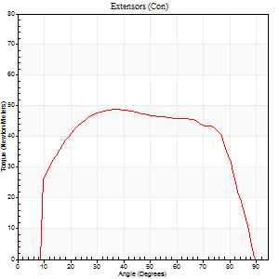
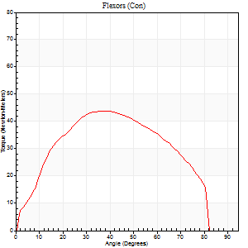
Deficit |  |  |  | 0 |  |  | 0
POSITION PARAMETERS
Joint Angle at Peak Torque (Degrees)
Right |  |  |  | 38 | 0.58 |  | 20 | 0.9
Left |  |  |  | 50 | 0.27 |  | 36 | 0.16
Range of Motion (Degrees)
Right |  |  |  | 20 | 1.41 |  | 68 | 0.29
Left |  |  |  | 1 | 0.12 |  | 90 | 0.01
TIME PARAMETERS
Time to Peak Torque (Seconds)
Right |  |  |  | 0.17 | 1.17 |  | 0.15 | 0.79
Left |  |  |  | 0.38 | 0.46 |  | 0.36 | 0.11
Time Peak Torque Held (Seconds)
Right |  |  |  | 0.03 | 0.94 |  | 0.06 | 0.97
Left |  |  |  | 0.04 | 0.42 |  | 0.05 | 0.76
Force Decay Time (Seconds)
Right |  |  |  | 0.38 | 0.54 |  | 0.46 | 0.29
Left |  |  |  | 0.4 | 0.32 |  | 0.43 | 0.2
Reciprocal Delay (Seconds)
Right |  |  |  | 0.09 | 0.22 |  | 0.37 | 0.56
Left |  |  |  | 0.11 | 0.18 |  | 0.07 | 0.17
Delay Time (Seconds)
Right |  |  |  | -0.06 | -0.24 |  | -0.06 | -0.51
Left |  |  |  | 0 | -1.41 |  | -0.01 | -0.43
HUMAC2015® Version: 15.000.0074 © Computer Sports Medicine, Inc. www.csmisolutions.com

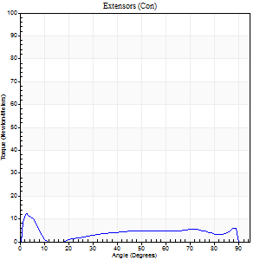
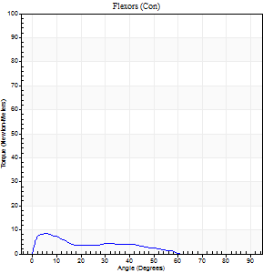
Use File, Preference to set Report Heading |  |  |  |  |  |  |  |  |  |  |  | R
Long Form Torque vs. Position Report - Knee Extension/Flexion
Name: |  |  |  | TR0303004, | ID: | TR0303004 | Right/Left: | 07.09.2021 07.09.2021

Right Side Curves Left Side Curves
Isokinetic Con/Con |  |  |  | Extensors (Con) |  | Flexors (Con)
Speed 240/240 d/s 3 Reps |  |  |  | Value | Cof Var | %BW | Value | Cof Var | %BW | Ratio

TORQUE PARAMETERS
Peak Torque (Newton-Meters - Best Repetition)
Right |  |  |  | 12 | 0.47 | 15 | 8 | 0.23 | 9 | 67
Left |  |  |  | 31 | 0.45 | 39 | 20 | 0.46 | 27 | 65
Deficit |  |  |  | 0 |  |  | 0
Work per Repetition (Newton-Meters - Best Repetition)
Right |  |  |  | 8 | 1.38 | 9 | 4 | 0.58 | 6 | 50
Left |  |  |  | 27 | 0.43 | 33 | 19 | 0.58 | 24 | 70 |  | L
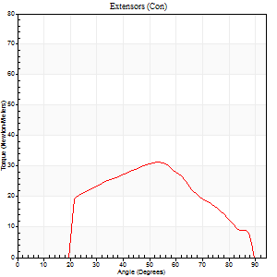
Deficit |  |  |  | 0 |  |  | 0
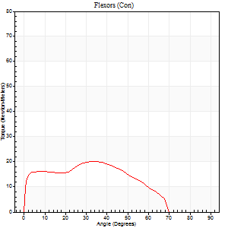
Average Power per Repetition (Watts - Best Repetition)
Right |  |  |  | 12 | 0.86 | 15 | 5 | 0.35 | 7 | 42
Left |  |  |  | 48 | 0.77 | 59 | 33 | 0.67 | 42 | 69
Deficit |  |  |  | 0 |  |  | 0
POSITION PARAMETERS
Joint Angle at Peak Torque (Degrees)
Right |  |  |  | 30 | 1.6 |  | 31 | 1.29
Left |  |  |  | 44 | 0.23 |  | 17 | 0.92
Range of Motion (Degrees)
Right |  |  |  | 1 | 0.13 |  | 89 | 0
Left |  |  |  | 1 | 0.98 |  | 89 | 0.01
TIME PARAMETERS
Time to Peak Torque (Seconds)
Right |  |  |  | 0.09 | 0.16 |  | 0.28 | 0.37
Left |  |  |  | 0.32 | 0.18 |  | 0.2 | 0.36
Time Peak Torque Held (Seconds)
Right |  |  |  | 0.01 | 1 |  | 0.02 | 1.73
Left |  |  |  | 0.01 | 0.87 |  | 0.01 | 1.15
Force Decay Time (Seconds)
Right |  |  |  | 0.21 | 1.24 |  | 0.43 | 0.61
Left |  |  |  | 0.27 | 0.04 |  | 0.4 | 0.32
Reciprocal Delay (Seconds)
Right |  |  |  | 0.09 | 0.08 |  | 0.17 | 0.56
Left |  |  |  | 0.05 | 0.13 |  | 0.18 | 0.84
Delay Time (Seconds)
Right |  |  |  | 0.28 | 1.61 |  | 3.74 | 1.76
Left |  |  |  | 0.04 | 2.12 |  | -0.03 | -0.17
HUMAC2015® Version: 15.000.0074 © Computer Sports Medicine, Inc. www.csmisolutions.com

Use File, Preference to set Report Heading
Isometric - Knee Extension/Flexion
Name: |  |  |  | TR0303004, | ID: | TR0303004 | Right/Left: | 07.09.2021 07.09.2021

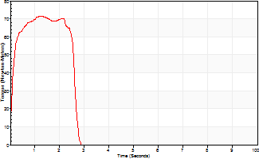
Isometric Extensors (Con) Angle 60 Time 10 Repetition 2 (Best Repetition) |  |  |  |  | R |  |  |  |  | L
 | Value | Cof Var | %BW | 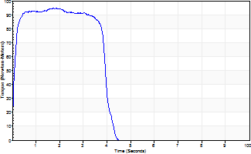
Peak Torque (Newton-Meters)
Right | 95 | 0.07 | 119
Left | 72 | 0.02 | 89
Deficit | 0
Average Torque (Newton-Meters)
Right | 50 | 0.25 | 63
Left | 23 | 0.23 | 30
Deficit | 0
Peak Torque Slope (Newton-Meters/Seconds)
Right | 54 | 0.83 | 68
Left | 59 | 0.68 | 73 |  | Right Side Curves Left Side Curves
Deficit | 0
Time to Half Peak Torque (Seconds)
Right | 0.14 | 0.61
Left | 0.09 | 0
Time to Peak Torque (Seconds)
Right | 3.91 | 0.78
Left | 2.29 | 0.67
HUMAC2015® Version: 15.000.0074 © Computer Sports Medicine, Inc. www.csmisolutions.com

