pre1
Use File, Preference to set Report Heading
Long Form Torque vs. Position Report - Knee Extension/Flexion
Name: |  |  |  | TR030FP3005, | ID: |  | Right/Left: | 15.09.2021 15.09.2021
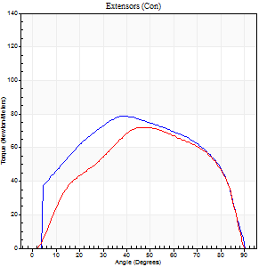
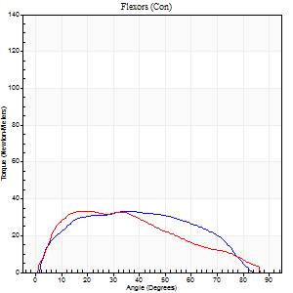
Right Side Curves Left Side Curves
Isokinetic Con/Con |  |  |  | Extensors (Con) |  | Flexors (Con)
Speed 60/60 d/s 3 Reps |  |  |  | Value | Cof Var | %BW | Value | Cof Var | %BW | Ratio

TORQUE PARAMETERS
Peak Torque (Newton-Meters - Best Repetition)
Right |  |  |  | 79 | 0.07 | 113 | 34 | 0.48 | 48 | 43
Left |  |  |  | 72 | 0.04 | 101 | 34 | 0.85 | 48 | 47
Deficit |  |  |  | 9 |  |  | 0
Work per Repetition (Newton-Meters - Best Repetition)
Right |  |  |  | 91 | 0.09 | 131 | 35 | 0.53 | 51 | 39
Left |  |  |  | 79 | 0.02 | 113 | 33 | 0.9 | 48 | 41
Deficit |  |  |  | 13 |  |  | 8
Average Power per Repetition (Watts - Best Repetition)
Right |  |  |  | 49 | 0.11 | 70 | 24 | 0.54 | 35 | 49
Left |  |  |  | 49 | 0.01 | 70 | 21 | 0.92 | 31 | 43
Deficit |  |  |  | 0 |  |  | 13
POSITION PARAMETERS
Joint Angle at Peak Torque (Degrees)
Right |  |  |  | 42 | 0.05 |  | 34 | 0.31
Left |  |  |  | 46 | 0.13 |  | 26 | 0.62
Range of Motion (Degrees)
Right |  |  |  | 0 | 1.41 |  | 89 | 0.02
Left |  |  |  | 0 | 0.94 |  | 90 | 0
TIME PARAMETERS
Time to Peak Torque (Seconds)
Right |  |  |  | 0.86 | 0.09 |  | 0.59 | 0.24
Left |  |  |  | 0.81 | 0.17 |  | 0.52 | 0.6
Time Peak Torque Held (Seconds)
Right |  |  |  | 0.06 | 0.17 |  | 0.03 | 0.94
Left |  |  |  | 0.08 | 0.2 |  | 0.05 | 1.06
Force Decay Time (Seconds)
Right |  |  |  | 0.67 | 0.03 |  | 0.88 | 0.19
Left |  |  |  | 0.72 | 0.14 |  | 1 | 0.29
Reciprocal Delay (Seconds)
Right |  |  |  | 0.1 | 0.14 |  | 0.22 | 0.17
Left |  |  |  | 0.15 | 0.34 |  | 0.19 | 0.38
Delay Time (Seconds)
Right |  |  |  | -0.06 | -0.24 |  | 0.02 | 1.24
Left |  |  |  | -0.03 | -0.47 |  | -0.03 | -1.05
HUMAC2015® Version: 15.000.0074 © Computer Sports Medicine, Inc. www.csmisolutions.com

Use File, Preference to set Report Heading
Long Form Torque vs. Position Report - Knee Extension/Flexion
Name: |  |  |  | TR030FP3005, | ID: |  | Right/Left: | 15.09.2021 15.09.2021
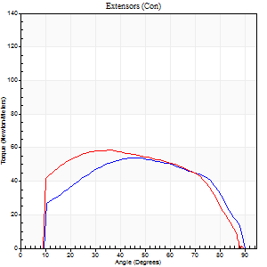
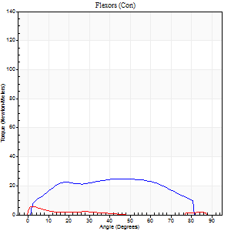
Right Side Curves Left Side Curves
Isokinetic Con/Con |  |  |  | Extensors (Con) |  | Flexors (Con)
Speed 120/120 d/s 3 Reps |  |  |  | Value | Cof Var | %BW | Value | Cof Var | %BW | Ratio

TORQUE PARAMETERS
Peak Torque (Newton-Meters - Best Repetition)
Right |  |  |  | 54 | 0.01 | 77 | 24 | 0.54 | 36 | 45
Left |  |  |  | 58 | 0.03 | 83 | 5 | 0.32 | 9 | 9
Deficit |  |  |  | 7 |  |  | 78
Work per Repetition (Newton-Meters - Best Repetition)
Right |  |  |  | 61 | 0.03 | 86 | 27 | 0.64 | 39 | 44
Left |  |  |  | 66 | 0.01 | 95 | 3 | 0.34 | 3 | 4
Deficit |  |  |  | 8 |  |  | 90
Average Power per Repetition (Watts - Best Repetition)
Right |  |  |  | 68 | 0.05 | 97 | 33 | 0.7 | 46 | 49
Left |  |  |  | 72 | 0.06 | 103 | 2 | 0.56 | 2 | 3
Deficit |  |  |  | 6 |  |  | 94
POSITION PARAMETERS
Joint Angle at Peak Torque (Degrees)
Right |  |  |  | 43 | 0.09 |  | 37 | 0.35
Left |  |  |  | 37 | 0.03 |  | 5 | 1.17
Range of Motion (Degrees)
Right |  |  |  | 0 | 0.85 |  | 90 | 0
Left |  |  |  | 0 | 0.94 |  | 90 | 0
TIME PARAMETERS
Time to Peak Torque (Seconds)
Right |  |  |  | 0.5 | 0.1 |  | 0.42 | 0.1
Left |  |  |  | 0.57 | 0.1 |  | 0.34 | 1.22
Time Peak Torque Held (Seconds)
Right |  |  |  | 0.03 | 1.08 |  | 0.03 | 1.73
Left |  |  |  | 0.04 | 0.57 |  | 0 | 0
Force Decay Time (Seconds)
Right |  |  |  | 0.38 | 0.04 |  | 0.44 | 0.27
Left |  |  |  | 0.34 | 0.14 |  | 1.3 | 0.18
Reciprocal Delay (Seconds)
Right |  |  |  | 0.13 | 0.33 |  | 0.23 | 0.77
Left |  |  |  | 0.35 | 0.77 |  | 0.34 | 0.25
Delay Time (Seconds)
Right |  |  |  | -0.04 | -0.35 |  | -0.02 | -2.11
Left |  |  |  | 0.03 | 8.77 |  | -0.09 | -0.9
HUMAC2015® Version: 15.000.0074 © Computer Sports Medicine, Inc. www.csmisolutions.com

Use File, Preference to set Report Heading
Long Form Torque vs. Position Report - Knee Extension/Flexion
Name: |  |  |  | TR030FP3005, | ID: |  | Right/Left: | 15.09.2021 15.09.2021
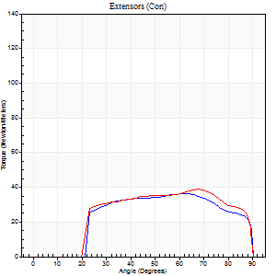
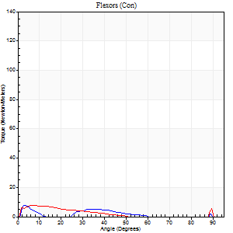
Right Side Curves Left Side Curves
Isokinetic Con/Con |  |  |  | Extensors (Con) |  | Flexors (Con)
Speed 240/240 d/s 3 Reps |  |  |  | Value | Cof Var | %BW | Value | Cof Var | %BW | Ratio

TORQUE PARAMETERS
Peak Torque (Newton-Meters - Best Repetition)
Right |  |  |  | 37 | 0.01 | 54 | 8 | 0.39 | 12 | 22
Left |  |  |  | 39 | 0.03 | 57 | 8 | 0.34 | 12 | 21
Deficit |  |  |  | 7 |  |  | 0
Work per Repetition (Newton-Meters - Best Repetition)
Right |  |  |  | 37 | 0.02 | 54 | 3 | 0.42 | 3 | 7
Left |  |  |  | 39 | 0.02 | 57 | 4 | 0.56 | 6 | 10
Deficit |  |  |  | 7 |  |  | 33
Average Power per Repetition (Watts - Best Repetition)
Right |  |  |  | 67 | 0.29 | 97 | 3 | 0.58 | 4 | 4
Left |  |  |  | 69 | 0.01 | 99 | 5 | 0.77 | 7 | 7
Deficit |  |  |  | 3 |  |  | 40
POSITION PARAMETERS
Joint Angle at Peak Torque (Degrees)
Right |  |  |  | 61 | 0.03 |  | 6 | 0.66
Left |  |  |  | 59 | 0.23 |  | 32 | 1.59
Range of Motion (Degrees)
Right |  |  |  | 1 | 0.03 |  | 90 | 0
Left |  |  |  | 0 | 1.16 |  | 90 | 0
TIME PARAMETERS
Time to Peak Torque (Seconds)
Right |  |  |  | 0.24 | 0.06 |  | 0.09 | 0.9
Left |  |  |  | 0.19 | 0 |  | 0.41 | 1.25
Time Peak Torque Held (Seconds)
Right |  |  |  | 0 | 1.73 |  | 0.01 | 0
Left |  |  |  | 0 | 0 |  | 0 | 1.73
Force Decay Time (Seconds)
Right |  |  |  | 0.3 | 0.03 |  | 0.99 | 0.3
Left |  |  |  | 0.33 | 0.24 |  | 0.67 | 1.18
Reciprocal Delay (Seconds)
Right |  |  |  | 0.26 | 0.49 |  | 0.06 | 0.18
Left |  |  |  | 0.41 | 0.39 |  | 0.12 | 0.5
Delay Time (Seconds)
Right |  |  |  | -0.05 | -0.13 |  | 0.03 | 2.77
Left |  |  |  | -0.04 | -0.2 |  | -0.04 | -0.53
HUMAC2015® Version: 15.000.0074 © Computer Sports Medicine, Inc. www.csmisolutions.com

Use File, Preference to set Report Heading
Isometric - Knee Extension/Flexion
Name: |  |  |  | TR030FP3005, | ID: |  | Right/Left: | 15.09.2021 15.09.2021

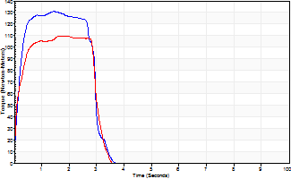
Isometric Extensors (Con) Angle 60 Time 10 Repetition 2 (Best Repetition)
 | Value | Cof Var | %BW
Peak Torque (Newton-Meters)
Right | 130 | 0.09 | 185
Left | 110 | 0.05 | 158
Deficit | 16
Average Torque (Newton-Meters)
Right | 35 | 0.06 | 51
Left | 31 | 0.1 | 45
Deficit | 12
Peak Torque Slope (Newton-Meters/Seconds)
Right | 92 | 0.42 | 131
Left | 74 | 0.15 | 106 |  | Right Side Curves Left Side Curves
Deficit | 19
Time to Half Peak Torque (Seconds)
Right | 0.18 | 0.04
Left | 0.15 | 0.28
Time to Peak Torque (Seconds)
Right | 1.86 | 0.34
Left | 1.59 | 0.2
HUMAC2015® Version: 15.000.0074 © Computer Sports Medicine, Inc. www.csmisolutions.com

